c
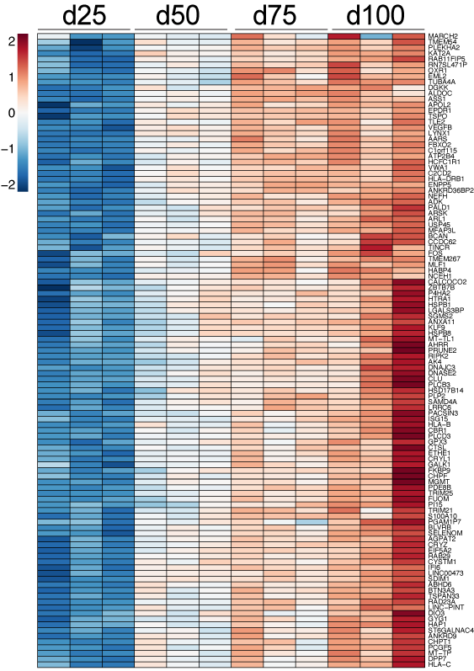
GeneName
AARS
ABHD6
ADK
AGPAT2
AHRR
AK4
ALDOC
ANKRD36BP2
ANKRD9
ANXA11
APOL2
ARL1
ARSK
ASS1
ATP2B4
BCAN
BLVRB
BTN3A3
C1orf115
C2CD2
CALCOCO2
CBR1
CCDC62
CHPF
CHPT1
CLU
CRYL1
CRYZ
CTSL
CYSTM1
DGKK
DIO3
DNAJC3
DNASE2
DPP7
EIF5A2
EML2
ENPP5
EPDR1
ETHE1
FBXO2
FKBP9
FOS
FUOM
GALK1
GPX3
GYG1
HABP4
HAP1
HCFC1R1
HLA-B
HLA-C
HLA-DRB1
HSD17B14
HSPB1
HSPB8
HTRA1
IFI6
ISG15
KAT2A
KLF9
LGALS3BP
LINC-PINT
LINC00473
LRRC6
LYNX1
MARCH2
MFAP3L
MGMT
MLF1
MT-TL1
MT-TP
NCEH1
NEFH
OXR1
P4HA2
PACSIN3
PALD1
PCGF5
PDE8B
PGAM1P7
PI15
PLCB3
PLCD3
PLEKHA2
PLP2
PRUNE2
RAB11FIP5
RAB29
RAD23A
RIPK2
RN7SL471P
S100A10
SAMD4A
SDIM1
SELENOM
SGMS2
ST6GALNAC4
TINCR
TLE2
TMEM267
TMEM54
TRIM21
TRIM25
TSPAN33
TSPO
TUBA4A
USP45
VEGFB
VWA1
ZBTB7B

