b
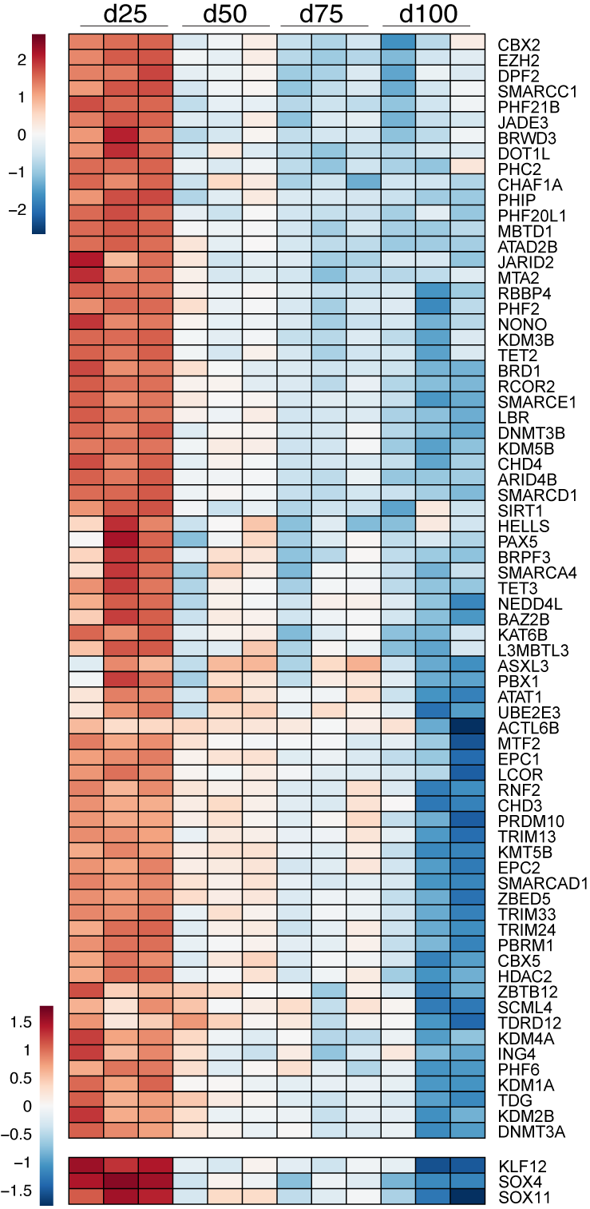
GeneName
ACTL6B
ARID4B
ASXL3
ATAD2B
ATAT1
BAZ2B
BRD1
BRPF3
BRWD3
CBX2
CBX5
CHAF1A
CHD3
CHD4
DNMT3A
DNMT3B
DOT1L
DPF2
EPC1
EPC2
EZH2
HDAC2
HELLS
ING4
JADE3
JARID2
KAT6B
KDM1A
KDM2B
KDM3B
KDM4A
KDM5B
KMT5B
L3MBTL3
LBR
LCOR
MBTD1
MTA2
MTF2
NEDD4L
NONO
PAX5
PBRM1
PBX1
PHC2
PHF2
PHF20L1
PHF21B
PHF6
PHIP
PRDM10
RBBP4
RCOR2
RNF2
SCML4
SIRT1
SMARCA4
SMARCAD1
SMARCC1
SMARCD1
SMARCE1
TDG
TDRD12
TET2
TET3
TRIM13
TRIM24
TRIM33
UBE2E3
ZBED5
ZBTB12
KLF12
SOX4
SOX11

