Supplementary Table 7
Supplementary Table 7

 | HU dose | Cell line | No. Cells | No. Micronuclei | %Mn |  | 0 | 6.5 | 12.5 | 25 | 50 | 100
 | 100µM | CHP-212 | 3810 | 262 | 6.88 | CHP-212 | 10.84 | 4.87 | 5.94 | 6.69 | 10.16 | 7.51
 | 100µM | CHP-212 | 3992 | 325 | 8.14 | RPE1 | 7.83 | 7.60 | 6.52 | 10.44 | 11.91 | 3.63
 | 50µM | CHP-212 | 4139 | 475 | 11.48 | HAP1 | 5.56 | 4.44 | 5.37 | 5.37 | 1.47 | 7.64
 | 50µM | CHP-212 | 6158 | 544 | 8.83 | HEK293 | 3.37 | 7.60 | 6.52 | 4.82 | 6.79 | 16.08
 | 25µM | CHP-212 | 7280 | 533 | 7.32
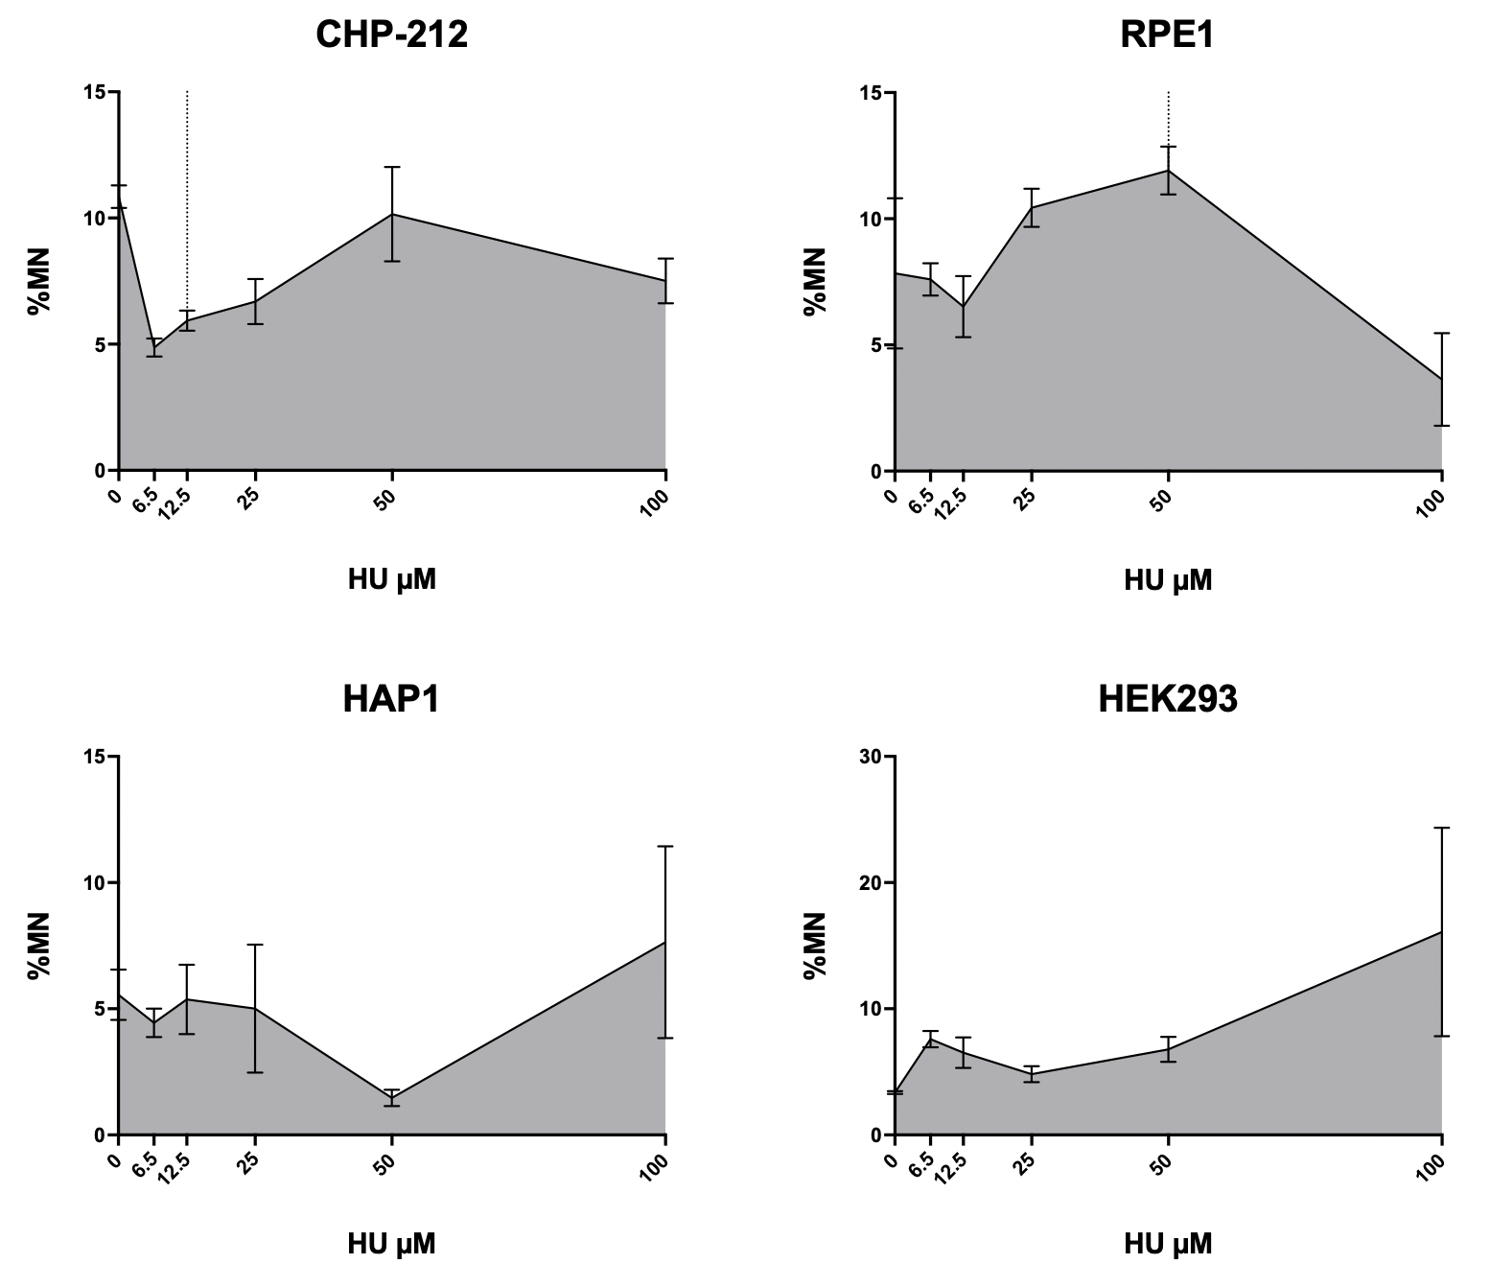
 | 25µM | CHP-212 | 7741 | 469 | 6.06
 | 12.5µM | CHP-212 | 7241 | 409 | 5.65
 | 12.5µM | CHP-212 | 8165 | 508 | 6.22
 | 6.5µM | CHP-212 | 7130 | 365 | 5.12
 | 6.5µM | CHP-212 | 6525 | 301 | 4.61
 | 0µM | CHP-212 | 1972 | 220 | 11.16
 | 0µM | CHP-212 | 2013 | 212 | 10.53

 | 100µM | RPE1 | 1075 | 53 | 4.93
 | 100µM | RPE1 | 1499 | 35 | 2.33
 | 50µM | RPE1 | 2981 | 335 | 11.24
 | 50µM | RPE1 | 2544 | 320 | 12.58
 | 25µM | RPE1 | 4611 | 506 | 10.97
 | 25µM | RPE1 | 4607 | 456 | 9.90
 | 12.5µM | RPE1 | 7231 | 409 | 5.66
 | 12.5µM | RPE1 | 4285 | 316 | 7.37
 | 6.5µM | RPE1 | 5766 | 464 | 8.05
 | 6.5µM | RPE1 | 5557 | 397 | 7.14
 | 0µM | RPE1 | 2601 | 149 | 5.73
 | 0µM | RPE1 | 2274 | 226 | 9.94

 | 100µM | HAP1 | 3242 | 335 | 10.33
 | 100µM | HAP1 | 2869 | 142 | 4.95
 | 50µM | HAP1 | 7883 | 98 | 1.24
 | 50µM | HAP1 | 6462 | 110 | 1.70
 | 25µM | HAP1 | 4112 | 132 | 3.21
 | 25µM | HAP1 | 2748 | 187 | 6.80
 | 12.5µM | HAP1 | 3754 | 238 | 6.34
 | 12.5µM | HAP1 | 3112 | 137 | 4.40
 | 6.5µM | HAP1 | 2415 | 117 | 4.84
 | 6.5µM | HAP1 | 4156 | 168 | 4.04
 | 0µM | HAP1 | 2910 | 141 | 4.85
 | 0µM | HAP1 | 3336 | 209 | 6.26

 | 100µM | HEK293 | 12905 | 2829 | 21.92
 | 100µM | HEK293 | 17985 | 1842 | 10.24
 | 50µM | HEK293 | 22910 | 1394 | 6.08
 | 50µM | HEK293 | 19717 | 1477 | 7.49
 | 25µM | HEK293 | 30523 | 1605 | 5.26
 | 25µM | HEK293 | 25107 | 1098 | 4.37
 | 12.5µM | HEK293 | 7231 | 409 | 5.66
 | 12.5µM | HEK293 | 4285 | 316 | 7.37
 | 6.5µM | HEK293 | 5766 | 464 | 8.05
 | 6.5µM | HEK293 | 5557 | 397 | 7.14
 | 0µM | HEK293 | 22459 | 775 | 3.45
 | 0µM | HEK293 | 23413 | 768 | 3.28

