acetylome_cross expt cell line
 | Comparison of SIRT1 substrates [p-value<0.05 and Log2FC>abs(0.5)]

 | Table
 | Names | Number | Ac-Proteins
Unique | (A) Common in SIRT1 KO and SIRT1i (HEK293) | 39 | KAT8 CBX8 SSRP1 U2SURP PITX2 MSL2 ATXN7L2 CHAMP1 SMARCA5 KAT6A LIG3 RFC1 MLLT3 YEATS4 CHAF1B KRR1 DHX16 MPHOSPH10 STAG2 DHX15 RBM17 XPC KAT6B BCORL1 BCLAF1 NUSAP1 UTP11 MFAP1 GNL2 CDK13 SURF6 RRS1 THOC2 BAZ1A PARP1 NUMA1 IK JADE1 ZNF638 | (A) Common in SIRT1 KO and SIRT1i (HEK293) |  | (B) Common in WT+ SIRT1i vs.WT and DSCC1 KO + SIRT1i vs. DSCC1 KO (RPE1 p53KO) |  | (C) Only in WT+SIRT1i vs WT (RPE1 p53KO) |  | (D) Only in DSCC1KO + SIRT1i vs. DSCC1 KO (RPE1 p53KO)
 | (B) Common in WT+ SIRT1i vs.WT and DSCC1 KO + SIRT1i vs. DSCC1 KO (RPE1 p53KO) | 23 | TMPO RPS3A YLPM1 JUNB FOSL2 EP300 ATF2 MDC1 DPF3 AFF4 PAXBP1 YTHDC1 NONO H2BC3 TGM2 RBM28 RPL14 LARP7 RBMXL1 SARNP CEP83 SNW1 H1-4 | Protein | K-site | Protein | K-site | Protein | K-site | Protein | K-site
 | (C) Only in WT+SIRT1i vs WT (RPE1 p53KO) | 33 | HSPD1 BOP1 DNTTIP2 TRIR HNRNPR H2BC14 MCU SRSF11 BAZ2A CKAP2 OTOL1 AATF H1-5 FTSJ3 ING4 SRSF1 RSL1D1 NOP2 DLST H2AZ1 GPATCH8 TRIM38 UBN1 SLC25A6 NOLC1 PUM3 TCF20 HADHA H2AC6 RPL7L1 ISY1 RRP12 NDUFB3 | BAZ1A | K1383 | TMPO | K435 | SYMPK | K1147 | SYMPK | K358
 | (D) Only in DSCC1KO + SIRT1i vs. DSCC1 KO (RPE1 p53KO) | 11 | SMARCA4 PRPF4B H2BC18 VDAC3 CEBPB SNRPA VIM HSPE1 DYSF NT5E ATP1A1 | PHIP | K1736 | PSIP1 | K309 | BAZ2A | K799 | H2AX | K134
Overlapps | (A) + (B) + (C) | 7 | RSF1 NPM1 THRAP3 NCL BRD8 NKTR BRD1 | HNRNPU | K181 | NIPBL | K974 | BRD8 | K85 | HNRNPM | K48
 | (A) + (B) + (D) | 2 | HNRNPU SAFB2 | BRD1 | K413;K418 | ZFP64 | K142 | KMT2A | K2958 | H1-2 | K52
 | (A) + (B) | 23 | ZFP64 ACIN1 TFIP11 ZC3H11A SNRNP40 SON DDX5 TRIM33 NIPBL SF3B1 RBM26 MECP2 INTS12 BAZ1B KAT7 PPIG RALY SF3A1 SMARCA1 ZC3H18 HNRNPC SAFB PSIP1 | RPS11 | K45 | INTS12 | K98 | ISY1 | K7 | HNRNPU | K565
 | (A) + (C) | 5 | RPS11 SRFBP1 PHIP KMT2A DDX24 | HNRNPC | K157; K170 | NCL | K15 | RPL7L1 | K47 | PRPF4B | K608
 | (A) + (D) | 5 | H1-1 HNRNPM MYC ZNF292 H1-2 | BRD1 | K418 | JUNB | K240 | PHIP | K1542 | CEBPB | K185
 | (B) + (C) | 4 | PPHLN1 H2BC26 H3-7 PHF14 | HNRNPU | K213 | SMARCA1 | K77 | PUM3 | K76 | HMGA1 | K18
 | (B) + (D) | 2 | H4C16 HMGA1 | BRD1 | K418 | PSIP1 | K155 | RPS11 | K45 | SAFB2 | K293
 | (C) + (D) | 3 | H2AX KRT8 SYMPK | TRIM33 | K763 | RBMXL1 | K150 | TRIR | K146 | SMARCA4 | K455
 | p-value<0.05 and Log2FC>abs(0.5) |  |  | NKTR | K1216 | SNW1 | K146 | BOP1 | K19 | SNRPA | K122
 |  |  |  | DHX15 | K17 | SF3A1 | K486 | NCL | K116 | H2BC18 | K21; K24
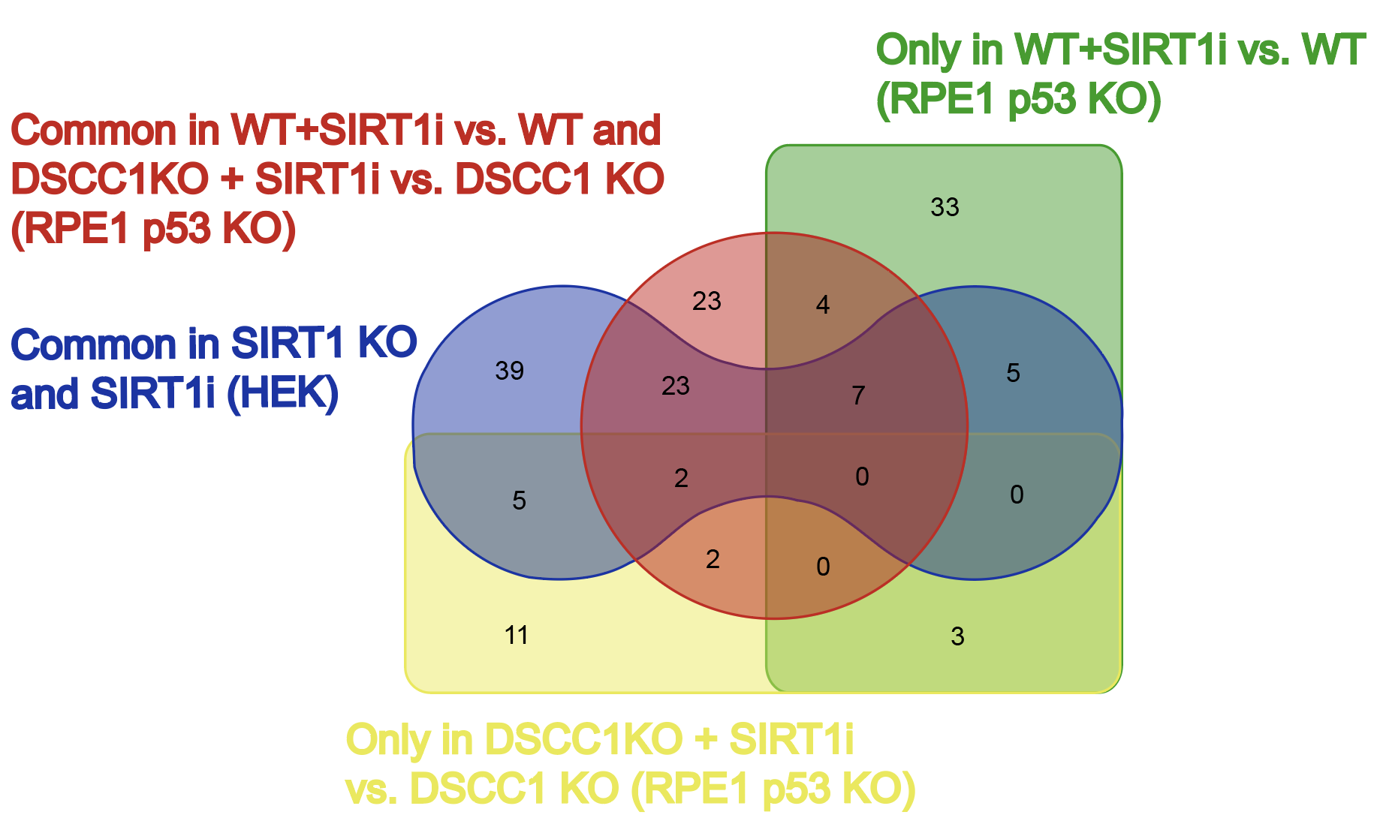
 |  |  |  | CHAF1B | K457 | SON | K2055 | GPATCH8 | K456 | HSPE1 | K56
 |  |  |  | RPS11 | K45 | SON | K2055 | PHF14 | K809 | VDAC3 | K32
 |  |  |  | SMARCA1 | K77 | SF3B1 | K141 | HNRNPR | K120; K126 | H4C16 | K13; K17
 |  |  |  | BRD1 | K418 | THRAP3 | K420 | PPHLN1 | K297 | NT5E | K471
 |  |  |  | MLLT3 | K219 | HNRNPU | K213 | NOLC1 | K193 | VIM | K294
 |  |  |  | PHIP | K1542 | HMGA1 | K46 | RSF1 | K277 | HNRNPU | K614
 |  |  |  | RRS1 | K333 | ACIN1 | K238 | TCF20 | K446 | KRT8 | K101
 |  |  |  | KAT7 | K277 | SARNP | K88 | DDX24 | K17 | MYC | K148
 |  |  |  | SSRP1 | K542 | SAFB | K578 | UBN1 | K705 | DYSF | K1658
 |  |  |  | BRD1 | K413;K418 | SNW1 | K476 | THRAP3 | K252 | ATP1A1 | K377
 |  |  |  | SAFB | K578 | KAT7 | K277 | BRD1 | K903
 |  |  |  | KAT6B | K584 | NONO | K371 | THRAP3 | K375
 |  |  |  | MFAP1 | K230 | ZC3H11A | K462 | SRSF1 | K179
 |  |  |  | ZC3H11A | K518 | BRD1 | K418 | KRT8 | K464
 |  |  |  | DDX5 | K32 | NIPBL | K336 | NOP2 | K757
 |  |  |  | RALY | K146 | NONO | K68 | NCL | K545
 |  |  |  | BCLAF1 | K332 | MDC1 | K1025 | NDUFB3 | K34
 |  |  |  | THOC2 | K1580 | PAXBP1 | K278 | H2AX | K6; K10
 |  |  |  | NKTR | K1216 | SF3A1 | K486 | DNTTIP2 | K227
 |  |  |  | PARP1 | K433 | PPIG | K662 | AATF | K380
 |  |  |  | TFIP11 | K69 | SMARCA1 | K71 | SRFBP1 | K220 | p53** | P53 KO cell line
 |  |  |  | THRAP3 | K420 | SAFB2 | K586 | DLST | K74
 |  |  |  | MSL2 | K518 | YLPM1 | K1092 | H2AC6 | K6; K10
 |  |  |  | PHIP | K1528 | HNRNPU | K181 | NKTR | K179
 |  |  |  | MPHOSPH10 | K350 | MECP2 | K219 | SRSF11 | K459
 |  |  |  | ZFP64 | K142 | BRD8 | K85 | FTSJ3 | K233
 |  |  |  | SAFB2 | K586 | AFF4 | K572 | RRP12 | K14
 |  |  |  | ZNF292 | K2042 | LARP7 | K431 | HSPD1 | K75
 |  |  |  | U2SURP | K862 | HNRNPU | K28 | H2BC26 | K21
 |  |  |  | YEATS4 | K188 | ZC3H18 | K635 | RSL1D1 | K380
 |  |  |  | SON | K16 | ATF2 | K105 | H2AZ1 | K8; K12
 |  |  |  | PSIP1 | K152 | NCL | K62 | H2BC26 | K12
 |  |  |  | ZNF638 | K86 | CEP83 | K584; K591 | THRAP3 | K470
 |  |  |  | INTS12 | K98 | H1-4 | K32 | CKAP2 | K564
 |  |  |  | ZC3H11A | K518 | HNRNPC | K243 | H3-7 | K19; K24
 |  |  |  | ZFP64 | K142 | BRD1 | K418 | H1-5 | K188
 |  |  |  | KAT6B | K1199 | RPL14 | K85 | H3-7 | K10; K15
 |  |  |  | THRAP3 | K252 | RSF1 | K662 | ING4 | K127; K129
 |  |  |  | SON | K2055 | RALY | K165 | MCU | K219
 |  |  |  | NIPBL | K911 | PHF14 | K94 | HADHA | K353
 |  |  |  | KMT2A | K373 | RSF1 | K426 | OTOL1 | K193
 |  |  |  | GNL2 | K631 | PSIP1 | K155 | H2BC14 | K21
 |  |  |  | SMARCA5 | K112 | FOSL2 | K151 | SLC25A6 | K163
 |  |  |  | RBM26 | K709 | YTHDC1 | K132 | TRIM38 | K
 |  |  |  | THRAP3 | K420 | FOSL2 | K222 | NPM1 | K250; K257
 |  |  |  | NUMA1 | K2033 | TFIP11 | K155
 |  |  |  | KAT6A | K440; K415 | SNRNP40 | K18
 |  |  |  | DHX16 | K210 | BRD1 | K413; K418
 |  |  |  | ATXN7L2 | K163 | RBM28 | K752
 |  |  |  | SRFBP1 | K423 | RPS3A | K46
 |  |  |  | PARP1 | K433 | NKTR | K1216
 |  |  |  | SNRNP40 | K18 | DPF3 | K129
 |  |  |  | KMT2A | K928 | PPHLN1 | K227
 |  |  |  | NUSAP1 | K411 | SF3B1 | K175
 |  |  |  | CHAF1B | K457 | TRIM33 | K763
 |  |  |  | BRD8 | K174 | DDX5 | K32
 |  |  |  | BCORL1 | K1195 | BAZ1B | K429
 |  |  |  | BRD8 | K174 | HMGA1 | K15
 |  |  |  | BAZ1B | K853 | NPM1 | K267
 |  |  |  | RBM26 | K709 | NPM1 | K141
 |  |  |  | SF3B1 | K141 | RBM26 | K709
 |  |  |  | RBM17 | K276 | H3-7 | K15
 |  |  |  | PHIP | K1542 | H2BC26 | K21; K24
 |  |  |  | NPM1 | K141 | EP300 | K1542; K1546
 |  |  |  | PPIG | K662 | H2BC3 | K21; K24
 |  |  |  | HNRNPU | K213 | H4C16 | K6; K9
 |  |  |  | KAT7 | K277 | TGM2 | K562
 |  |  |  | SURF6 | K267 | *ZNF292 | K2042
 |  |  |  | UTP11 | K189 | *H1-1 | K88
 |  |  |  | KRR1 | K312
 |  |  |  | ZC3H18 | K814
 |  |  |  | H1-1 | K86; K88
 |  |  |  | INTS12 | K98
 |  |  |  | CDK13 | K117
 |  |  |  | STAG2 | K1081
 |  |  |  | NCL | K577
 |  |  |  | NCL | K62
 |  |  |  | SF3A1 | K486
 |  |  |  | XPC | K174
 |  |  |  | H1-2 | K86;K91; K85;K90
 |  |  |  | KAT6B | K582
 |  |  |  | KMT2A | K1031;K1036
 |  |  |  | DDX24 | K17
 |  |  |  | CHAMP1 | K797
 |  |  |  | NKTR | K276
 |  |  |  | CBX8 | K240
 |  |  |  | ACIN1 | K238
 |  |  |  | RRS1 | K333
 |  |  |  | PSIP1 | K155
 |  |  |  | SMARCA5 | K112
 |  |  |  | KAT8 | K113
 |  |  |  | MECP2 | K210
 |  |  |  | NPM1 | K267
 |  |  |  | BRD8 | K384
 |  |  |  | CHAF1B | K457
 |  |  |  | NPM1 | K267
 |  |  |  | PITX2 | K63
 |  |  |  | RFC1 | K339
 |  |  |  | NPM1 | K141
 |  |  |  | BRD8 | K85
 |  |  |  | LIG3 | K907
 |  |  |  | BRD1 | K418
 |  |  |  | MYC | K323
 |  |  |  | IK | K525
 |  |  |  | HNRNPM | K388
 |  |  |  | RSF1 | K662
 |  |  |  | THOC2 | K1384
 |  |  |  | JADE1 | K479
 |  |  |  | PPIG | K662
 |  |  |  | HNRNPC | K243

