Extended data Fig. 2a
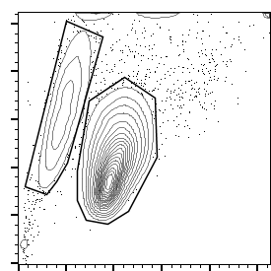
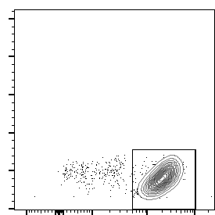
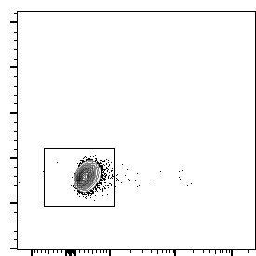
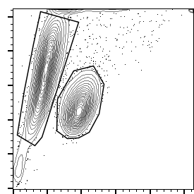
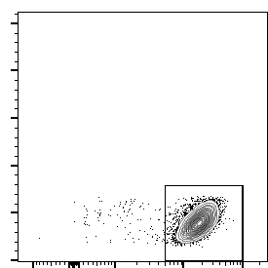
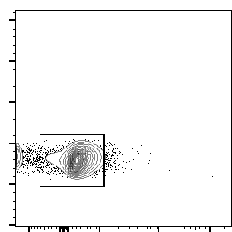
-dTAG-13
FSC-A
SSC-A
83.3%
9.02%
P2
P1
95.3%
P2
99.6%
P1
Fixable Viability Dye eFluor 780
FSC-H
FSC-A
SSC-A
+dTAG-13
35%
54.9%
P2
P1
98.8%
P2
92.3%
Fixable Viability Dye eFluor 780
FSC-H
P1

Extended data Fig. 2b
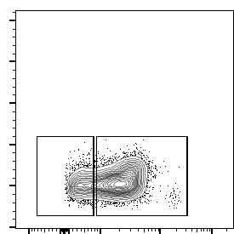
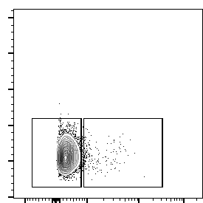
21.5%
75.9%
FSC-H
Ki-67
-dTAG-13
97.3%
1.73%
FSC-H
Ki-67
+dTAG-13

