S1 Calcium related genes
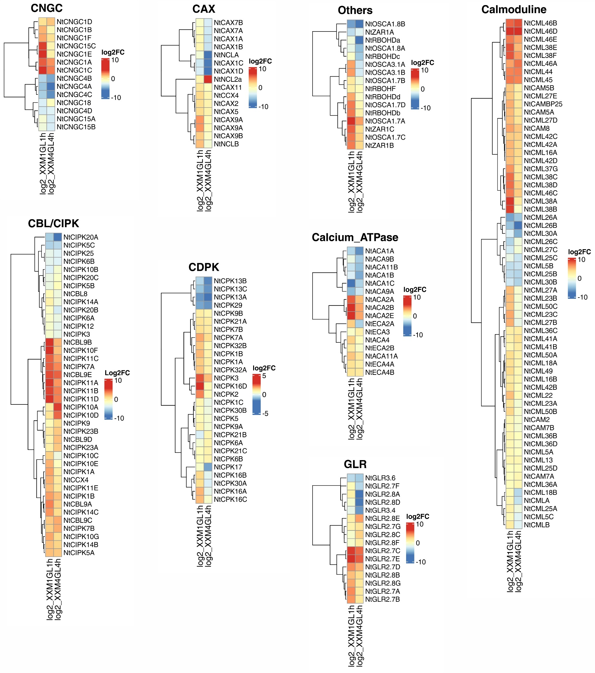
XXM_calcium_symb1
Gene_ID | Symbol | XXMC_mean | XXM1GL1h | XXM4GL4h | log2fc_1h | log2fc_4h
Nitab4.5_0001618g0300.1 | NtACA11A | 936 | 5472 | 2318 | 2.5474877953 | 1.3083001314
Nitab4.5_0000082g0260.1 | NtACA11B | 153 | 24 | 10 | -2.672425342 | -3.9354597478
Nitab4.5_0003803g0050.1 | NtACA1A | 401 | 45 | 10 | -3.1556053301 | -5.3255303316
Nitab4.5_0000164g0110.1 | NtACA1B | 821 | 184 | 34 | -2.1576764557 | -4.5937755705
Nitab4.5_0000692g0010.1 | NtACA1C | 921 | 14 | 95 | -6.039702424 | -3.2772017378
Nitab4.5_0000284g0080.1 | NtACA2A | 755 | 23932 | 4950 | 4.9863205134 | 2.7128799756
Nitab4.5_0002119g0020.1 | NtACA2B | 63 | 3829 | 625 | 5.9254720214 | 3.310432456
Nitab4.5_0000036g0040.1 | NtACA2E | 280 | 16837 | 2806 | 5.9100644659 | 3.3250162767
Nitab4.5_0000826g0220.1 | NtACA4 | 1192 | 5713 | 1121 | 2.2608642941 | -0.088597957657
Nitab4.5_0003668g0060.1 | NtACA9A | 17 | 1 | 3 | -4.0874628413 | -2.5025003405
Nitab4.5_0001691g0150.1 | NtACA9B | 173 | 67 | 15 | -1.3685390372 | -3.527737632
Nitab4.5_0005702g0030.1 | NtCAM2 | 3801 | 13582 | 4599 | 1.8372450071 | 0.27494117252
Nitab4.5_0018685g0010.1 | NtCAM5A | 1872 | 69757 | 17937 | 5.2196856562 | 3.2602862767
Nitab4.5_0000430g0020.1 | NtCAM5B | 1954 | 54196 | 11523 | 4.7936840033 | 2.5600139973
Nitab4.5_0000123g0120.1 | NtCAM7A | 1168 | 2112 | 3624 | 0.85456956048 | 1.6335426812
Nitab4.5_0000062g0390.1 | NtCAM7B | 1833 | 6041 | 1870 | 1.7205806007 | 0.028831484235
Nitab4.5_0000321g0270.1 | NtCAM8 | 10 | 658 | 269 | 6.0400156788 | 4.7495342677
Nitab4.5_0000443g0160.1 | NtCAMBP25 | 12 | 599 | 102 | 5.6414496921 | 3.0874628413
Nitab4.5_0001643g0040.1 | NtCAX11 | 245 | 633 | 152 | 1.3694237504 | -0.68871042556
Nitab4.5_0000102g0080.1 | NtCAX1A | 218 | 187 | 12 | -0.22128986489 | -4.1832218241
Nitab4.5_0001970g0020.1 | NtCAX1B | 725 | 723 | 38 | -0.0039853479512 | -4.2539096715
Nitab4.5_0000511g0060.1 | NtCAX1C | 9170 | 621 | 24 | -3.8842565603 | -8.5777435178
Nitab4.5_0000335g0090.1 | NtCAX1D | 14353 | 1137 | 31 | -3.6580481548 | -8.8548683833
Nitab4.5_0007548g0030.1 | NtCAX2 | 184 | 729 | 216 | 1.9862130483 | 0.23132554611
Nitab4.5_0022808g0020.1 | NtCAX5 | 108 | 445 | 133 | 2.0427740237 | 0.30039493334
Nitab4.5_0000022g0430.1 | NtCAX7A | 46 | 33 | 3 | -0.4791678367 | -3.9385994553
Nitab4.5_0001345g0040.1 | NtCAX7B | 39 | 17 | 3 | -1.1979393776 | -3.7004397181
Nitab4.5_0003308g0070.1 | NtCAX9A | 86 | 1858 | 67 | 4.4332700317 | -0.36017556424
Nitab4.5_0000343g0280.1 | NtCAX9B | 192 | 1125 | 94 | 2.5507467854 | -1.030373649
Nitab4.5_0000258g0200.1 | NtCBL8 | 35 | 15 | 5 | -1.2223924213 | -2.8073549221
Nitab4.5_0005986g0020.1 | NtCBL9A | 61 | 721 | 140 | 3.5631181117 | 1.1985456794
Nitab4.5_0008425g0040.1 | NtCBL9B | 36 | 1751 | 153 | 5.604038367 | 2.0874628413
Nitab4.5_0003335g0020.1 | NtCBL9C | 166 | 491 | 856 | 1.564539783 | 2.3664275551
Nitab4.5_0004689g0030.1 | NtCBL9D | 230 | 150 | 795 | -0.61667136045 | 1.7893209992
Nitab4.5_0000185g0230.1 | NtCBL9E | 25 | 779 | 529 | 4.9616233283 | 4.4032677223
Nitab4.5_0002719g0070.1 | NtCCX4 | 215 | 966 | 237 | 2.1676865292 | 0.14055039931
Nitab4.5_0000375g0160.1 | NtCIPK10A | 16 | 15 | 646 | -0.093109404391 | 5.3353903547
Nitab4.5_0000126g0060.1 | NtCIPK10B | 132 | 8 | 27 | -4.0443941194 | -2.2895066172
Nitab4.5_0004880g0030.1 | NtCIPK10C | 14 | 33 | 2 | 1.2370391973 | -2.8073549221
Nitab4.5_0002279g0100.1 | NtCIPK10D | 70 | 92 | 1361 | 0.39427893911 | 4.2811683346
Nitab4.5_0001060g0050.1 | NtCIPK10E | 25 | 115 | 8 | 2.2016338612 | -1.6438561898
Nitab4.5_0001234g0050.1 | NtCIPK10F | 181 | 9259 | 604 | 5.6767947841 | 1.7385588522
Nitab4.5_0000002g0120.1 | NtCIPK10G | 297 | 1629 | 524 | 2.4554517677 | 0.81910388074
Nitab4.5_0004880g0010.1 | NtCIPK11A | 31 | 1410 | 247 | 5.5072831369 | 2.9941709212
Nitab4.5_0002759g0010.1 | NtCIPK11B | 59 | 2137 | 722 | 5.1787281433 | 3.6132119775
Nitab4.5_0001060g0060.1 | NtCIPK11C | 50 | 1075 | 301 | 4.4262647547 | 2.589763487
Nitab4.5_0002091g0010.1 | NtCIPK11D | 45 | 2248 | 540 | 5.6425732239 | 3.5849625007
Nitab4.5_0001234g0010.1 | NtCIPK11E | 100 | 362 | 115 | 1.8559896973 | 0.20163386117
Nitab4.5_0000206g0070.1 | NtCIPK12 | 238 | 55 | 22 | -2.1134580498 | -3.4353861447
Nitab4.5_0000325g0050.1 | NtCIPK14A | 779 | 546 | 114 | -0.51272237714 | -2.7725895039
Nitab4.5_0009418g0010.1 | NtCIPK14B | 170 | 560 | 378 | 1.7198920808 | 1.1528514881
Nitab4.5_0000381g0030.1 | NtCIPK14C | 320 | 2642 | 595 | 3.0454866564 | 0.89481776331
Nitab4.5_0008086g0040.1 | NtCIPK1A | 371 | 2226 | 286 | 2.5849625007 | -0.37540403984
Nitab4.5_0000745g0130.1 | NtCIPK1B | 185 | 1223 | 623 | 2.724827228 | 1.7517068925
Nitab4.5_0005171g0010.1 | NtCIPK20A | 446 | 9 | 1 | -5.6309748985 | -8.8008998999
Nitab4.5_0013015g0010.1 | NtCIPK20B | 60 | 17 | 3 | -1.8194277544 | -4.3219280949
Nitab4.5_0000462g0210.1 | NtCIPK20C | 327 | 38 | 83 | -3.1052193121 | -1.9781073942
Nitab4.5_0001930g0020.1 | NtCIPK23A | 5232 | 3976 | 14682 | -0.39604478394 | 1.4886140613
Nitab4.5_0004752g0030.1 | NtCIPK23B | 3813 | 3704 | 10997 | -0.041842432466 | 1.5281115716
Nitab4.5_0006384g0020.1 | NtCIPK25 | 667 | 64 | 44 | -3.3815429512 | -3.9221113325
Nitab4.5_0005212g0050.1 | NtCIPK3 | 775 | 166 | 81 | -2.2230130688 | -3.2582024973
Nitab4.5_0000508g0100.1 | NtCIPK5A | 69 | 227 | 199 | 1.7180240305 | 1.5281001638
Nitab4.5_0010676g0010.1 | NtCIPK5B | 50 | 6 | 19 | -3.0588936891 | -1.3959286763
Nitab4.5_0000886g0020.1 | NtCIPK5C | 400 | 9 | 11 | -5.4739311883 | -5.1844245711
Nitab4.5_0001478g0040.1 | NtCIPK6A | 3054 | 708 | 374 | -2.1088787967 | -3.0295898869
Nitab4.5_0002315g0110.1 | NtCIPK6B | 1939 | 168 | 124 | -3.5287796653 | -3.9669007777
Nitab4.5_0001856g0050.1 | NtCIPK7A | 72 | 1681 | 753 | 4.5451790078 | 3.3865810532
Nitab4.5_0007585g0030.1 | NtCIPK7B | 276 | 687 | 1357 | 1.315641832 | 2.2976805486
Nitab4.5_0001702g0180.1 | NtCIPK9 | 34 | 15 | 66 | -1.1805722456 | 0.95693127811
Nitab4.5_0000205g0080.1 | NtCML13 | 206 | 701 | 622 | 1.7667701068 | 1.5942702429
Nitab4.5_0001965g0080.1 | NtCML16A | 48 | 1598 | 810 | 5.0570891922 | 4.0768155971
Nitab4.5_0004878g0060.1 | NtCML16B | 111 | 798 | 343 | 2.8458290699 | 1.6276488998
Nitab4.5_0001762g0040.1 | NtCML18A | 16 | 209 | 48 | 3.7073591321 | 1.5849625007
Nitab4.5_0000021g0610.1 | NtCML18B | 12 | 31 | 1 | 1.3692338097 | -3.5849625007
Nitab4.5_0001416g0020.1 | NtCML22 | 5 | 164 | 12 | 5.0356239097 | 1.2630344058
Nitab4.5_0009593g0010.1 | NtCML23A | 106 | 1037 | 94 | 3.2902797243 | -0.17333160289
Nitab4.5_0003855g0020.1 | NtCML23B | 64 | 2117 | 63 | 5.047805554 | -0.0227200765
Nitab4.5_0000036g0500.1 | NtCML23C | 37 | 2090 | 26 | 5.8198338613 | -0.50901364749
Nitab4.5_0000922g0050.1 | NtCML25A | 22 | 97 | 14 | 2.1404812235 | -0.65207669658
Nitab4.5_0002993g0050.1 | NtCML25B | 52 | 5 | 4 | -3.3785116233 | -3.7004397181
Nitab4.5_0000457g0360.1 | NtCML25C | 101 | 46 | 14 | -1.1346495267 | -2.8508565607
Nitab4.5_0024537g0010.1 | NtCML25D | 11 | 21 | 24 | 0.93288580414 | 1.1255308821
Nitab4.5_0001024g0060.1 | NtCML26A | 68 | 1 | 3 | -6.0874628413 | -4.5025003405
Nitab4.5_0002501g0010.1 | NtCML26B | 263 | 10 | 1 | -4.7169908944 | -8.0389189893
Nitab4.5_0001847g0020.1 | NtCML26C | 14 | 1 | 10 | -3.8073549221 | -0.48542682717
Nitab4.5_0009467g0010.1 | NtCML27A | 233 | 7915 | 258 | 5.0861874904 | 0.14704111077
Nitab4.5_0011970g0010.1 | NtCML27B | 269 | 12781 | 126 | 5.5702507358 | -1.0941824391
Nitab4.5_0000686g0180.1 | NtCML27C | 60 | 10 | 53 | -2.5849625007 | -0.17897014105
Nitab4.5_0003968g0020.1 | NtCML27D | 209 | 7167 | 2254 | 5.0997945071 | 3.4309126681
Nitab4.5_0001456g0110.1 | NtCML27E | 201 | 5593 | 1233 | 4.7983549238 | 2.6169053932
Nitab4.5_0002263g0040.1 | NtCML30A | 50 | 11 | 1 | -2.1844245711 | -5.6438561898
Nitab4.5_0000728g0020.1 | NtCML30B | 208 | 32 | 14 | -2.7004397181 | -3.8930847961
Nitab4.5_0000082g0370.1 | NtCML36A | 965 | 2049 | 2930 | 1.0863191369 | 1.6022998172
Nitab4.5_0003368g0020.1 | NtCML36B | 1084 | 4079 | 2042 | 1.9118507504 | 0.91361810952
Nitab4.5_0012187g0010.1 | NtCML36C | 577 | 3579 | 3534 | 2.6329133198 | 2.6146588159
Nitab4.5_0000677g0010.1 | NtCML36D | 1945 | 5792 | 2608 | 1.5742914472 | 0.42317371436
Nitab4.5_0002498g0080.1 | NtCML37G | 6 | 543 | 53 | 6.4998458871 | 3.1429579538
Nitab4.5_0002498g0070.1 | NtCML38A | 4 | 3085 | 31 | 9.591054774 | 2.9541963104
Nitab4.5_0007815g0080.1 | NtCML38B | 3 | 1935 | 4 | 9.3331553503 | 0.41503749928
Nitab4.5_0002183g0010.1 | NtCML38C | 19 | 4334 | 199 | 7.8335559247 | 3.3886971071
Nitab4.5_0000875g0030.1 | NtCML38D | 24 | 5602 | 501 | 7.8667637674 | 4.3837042925
Nitab4.5_0007150g0060.1 | NtCML38E | 13 | 5553 | 491 | 8.7386119625 | 5.2391394962
Nitab4.5_0002887g0060.1 | NtCML38F | 24 | 9493 | 1945 | 8.6276858671 | 6.3405919392
Nitab4.5_0004052g0010.1 | NtCML41A | 947 | 4800 | 10533 | 2.341598075 | 3.4754081661
Nitab4.5_0000382g0130.1 | NtCML41B | 1872 | 6066 | 12487 | 1.696165063 | 2.7377745713
Nitab4.5_0003037g0110.1 | NtCML42A | 164 | 6690 | 2599 | 5.3502384909 | 3.9861889139
Nitab4.5_0000356g0070.1 | NtCML42B | 23 | 242 | 51 | 3.3953012812 | 1.1488633859
Nitab4.5_0002625g0040.1 | NtCML42C | 280 | 7001 | 5773 | 4.6440622743 | 4.3658224931
Nitab4.5_0002139g0010.1 | NtCML42D | 232 | 7777 | 3342 | 5.0670170283 | 3.8485150229
Nitab4.5_0003635g0010.1 | NtCML44 | 4 | 575 | 645 | 7.1674181458 | 7.3331553503
Nitab4.5_0007189g0050.1 | NtCML45 | 3 | 530 | 429 | 7.4648860487 | 7.1598713368
Nitab4.5_0004623g0010.1 | NtCML46A | 6 | 408 | 1313 | 6.0874628413 | 7.7736887002
Nitab4.5_0011320g0020.1 | NtCML46B | 27 | 7761 | 12569 | 8.1671393372 | 8.8626947497
Nitab4.5_0000568g0010.1 | NtCML46C | 58 | 9328 | 1418 | 7.3293710781 | 4.6116608221
Nitab4.5_0001128g0060.1 | NtCML46D | 2 | 1698 | 1831 | 9.7296207436 | 9.8384160758
Nitab4.5_0002980g0030.1 | NtCML46E | 73 | 12829 | 5068 | 7.4572965397 | 6.1173762503
Nitab4.5_0000826g0090.1 | NtCML49 | 382 | 6072 | 1133 | 3.9905272474 | 1.5685033178
Nitab4.5_0001618g0140.1 | NtCML50A | 385 | 5755 | 1557 | 3.9018855774 | 2.0158385935
Nitab4.5_0001319g0030.1 | NtCML50B | 886 | 15645 | 1134 | 4.1422511496 | 0.35604203639
Nitab4.5_0000677g0130.1 | NtCML50C | 432 | 13015 | 386 | 4.9130001891 | -0.1624304649
Nitab4.5_0004513g0010.1 | NtCML5A | 210 | 625 | 355 | 1.5734668619 | 0.75742969673
Nitab4.5_0001580g0030.1 | NtCML5B | 781 | 80 | 99 | -3.2872506433 | -2.9798221181
Nitab4.5_0005658g0030.1 | NtCML5C | 150 | 417 | 42 | 1.4750848829 | -1.8365012677
Nitab4.5_0008963g0010.1 | NtCMLA | 26 | 79 | 3 | 1.60334103 | -3.1154772174
Nitab4.5_0000859g0240.1 | NtCMLB | 87 | 541 | 24 | 2.636541288 | -1.8579809951
Nitab4.5_0000602g0030.1 | NtCNGC15A | 494 | 153 | 60 | -1.6909793889 | -3.041476636
Nitab4.5_0010514g0020.1 | NtCNGC15B | 518 | 139 | 65 | -1.897867215 | -2.9944404747
Nitab4.5_0000838g0140.1 | NtCNGC15C | 56 | 941 | 39 | 4.0706959907 | -0.5219527032
Nitab4.5_0007879g0020.1 | NtCNGC18 | 390 | 51 | 189 | -2.9349049718 | -1.0450878895
Nitab4.5_0004506g0120.1 | NtCNGC1A | 1154 | 12981 | 6140 | 3.4916863975 | 2.4115954316
Nitab4.5_0000015g0320.1 | NtCNGC1B | 242 | 782 | 164 | 1.69216156 | -0.56131123266
Nitab4.5_0000258g0120.1 | NtCNGC1C | 660 | 13381 | 4690 | 4.341576102 | 2.8290499932
Nitab4.5_0005134g0020.1 | NtCNGC1D | 1336 | 1937 | 3285 | 0.53590394613 | 1.2979733627
Nitab4.5_0012336g0020.1 | NtCNGC1E | 65 | 1313 | 55 | 4.3362833879 | -0.2410080995
Nitab4.5_0001524g0010.1 | NtCNGC1F | 188 | 745 | 299 | 1.9865077637 | 0.66941282252
Nitab4.5_0001320g0080.1 | NtCNGC4A | 1422 | 69 | 17 | -4.3651812928 | -6.3862429084
Nitab4.5_0000207g0310.1 | NtCNGC4B | 755 | 53 | 22 | -3.8324123796 | -5.1009012156
Nitab4.5_0001386g0020.1 | NtCNGC4C | 1840 | 111 | 34 | -4.0510741846 | -5.7580272097
Nitab4.5_0000092g0320.1 | NtCNGC4D | 2931 | 356 | 430 | -3.0414438217 | -2.7689844031
Nitab4.5_0000655g0030.1 | NtCP1A | 209 | 1235 | 5342 | 2.5629361944 | 4.6758051286
Nitab4.5_0000931g0030.1 | NtCP1B | 120 | 923 | 4748 | 2.943296242 | 5.306213624
Nitab4.5_0000119g0100.1 | NtCPK13A | 68 | 10 | 6 | -2.7655347464 | -3.5025003405
Nitab4.5_0007414g0030.1 | NtCPK13B | 432 | 178 | 50 | -1.2791540712 | -3.1110313124
Nitab4.5_0000770g0090.1 | NtCPK13C | 398 | 115 | 55 | -1.7911345696 | -2.855264907
Nitab4.5_0006119g0050.1 | NtCPK16A | 1152 | 12338 | 1126 | 3.4208959295 | -0.032933889362
Nitab4.5_0000864g0060.1 | NtCPK16B | 410 | 2742 | 359 | 2.7415327563 | -0.19164006568
Nitab4.5_0000438g0070.1 | NtCPK16C | 1430 | 14308 | 2473 | 3.3227349713 | 0.79024709272
Nitab4.5_0003290g0010.1 | NtCPK16D | 58 | 3087 | 156 | 5.7340087725 | 1.4274212237
Nitab4.5_0006602g0020.1 | NtCPK17 | 23 | 40 | 4 | 0.79836613883 | -2.5235619561
Nitab4.5_0001781g0060.1 | NtCPK1A | 154 | 1236 | 584 | 3.0046764872 | 1.9230380182
Nitab4.5_0011494g0030.1 | NtCPK1B | 228 | 2329 | 748 | 3.35260491 | 1.7140044457
Nitab4.5_0007901g0010.1 | NtCPK1C | 247 | 749 | 272 | 1.6004546769 | 0.13909560967
Nitab4.5_0000220g0120.1 | NtCPK2 | 19 | 393 | 48 | 4.3704579888 | 1.3370349873
Nitab4.5_0012670g0030.1 | NtCPK21A | 884 | 4691 | 3686 | 2.4077772261 | 2.0599377962
Nitab4.5_0009398g0010.1 | NtCPK21B | 267 | 186 | 809 | -0.52153712058 | 1.5992999607
Nitab4.5_0008201g0010.1 | NtCPK21C | 1062 | 2466 | 3340 | 1.2153890336 | 1.6530643366
Nitab4.5_0007524g0010.1 | NtCPK29 | 50 | 9 | 7 | -2.4739311883 | -2.8365012677
Nitab4.5_0002687g0090.1 | NtCPK3 | 5 | 178 | 48 | 5.1538053361 | 3.2630344058
Nitab4.5_0007282g0040.1 | NtCPK30A | 371 | 2224 | 260 | 2.5836656961 | -0.51290756359
Nitab4.5_0004478g0020.1 | NtCPK30B | 553 | 1371 | 688 | 1.3098771855 | 0.31512908447
Nitab4.5_0000608g0140.1 | NtCPK32A | 1194 | 10712 | 4241 | 3.1653531241 | 1.8286016463
...

