Sheet1
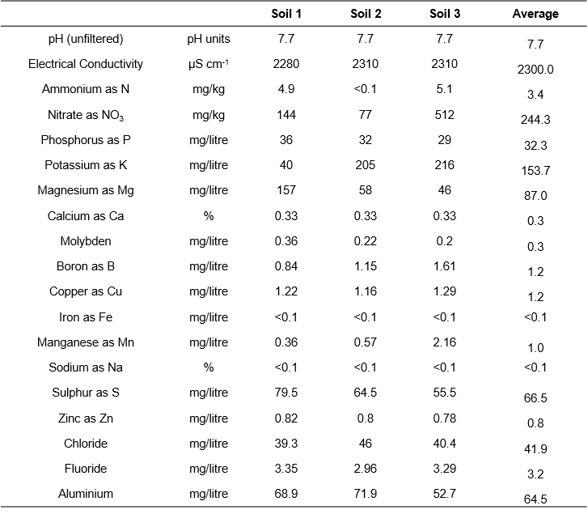
SI Table 2 | Soil analysis of the field trial

