Table S16
Supplementary Table 16. 16S rRNA sequencing read quality

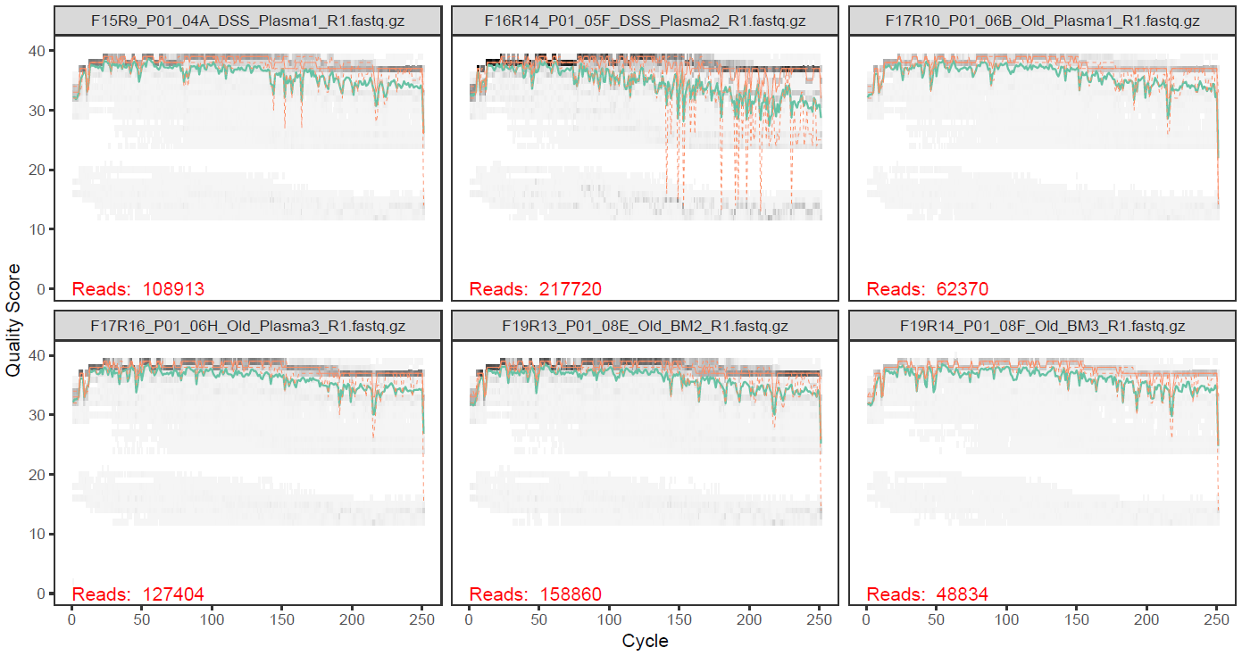
 |  | Mouse FMT | Human | Mouse
 | Total number of files | 42 | 32 | 36
 | Mean Length of Reads | 251 | 251 | 251
 | Mean Quality of Reads (Phred Score) | 36.0 | 35.8 | 35.7
 | Mean Read-Pairs per Sample | 184279 | 131706 | 192075

 | Related data: Supplementary Tables 1-3 and Extended Data Fig 2g, 3f, 3g.

