Extended Data Fig.5
Extended Data Fig. 5a | Days | Vehicle |  |  |  |  | SD-36
 | 0 | 0 | 0 | 0 | 0 | 0 | 0 | 0 | 0 | 0 | 0
 | 6 | 116.964 | 78.0325 | 72.828 | 93.312 | 62.208 | 87.1335 | 67.3745 | 76.7295 | 84.096 | 106.742
 | 9 | 190.7825 | 159.526 | 113.1325 | 122.786 | 88.434 | 154.9045 | 104.976 | 103.968 | 105.3405 | 128.576
 | 12 | 324.532 | 278.4375 | 226.4825 | 141.398 | 215.136 | 196.608 | 154.4215 | 123.5755 | 206.91 | 169.3055
 | 15 | 416.304 | 333.8935 | 308.367 | 195.2715 | 368.5615 | 346.788 | 182.574 | 199.962 | 367.416 | 243.648
 | 18 | 716.1075 | 511.104 | 547.832 | 337.8915 | 533.6145 | 604.675 | 242.811 | 341.0055 | 461.709 | 346.788

Extended Data Fig. 5d | Vehicle | SD-36
 | 4.8 | 9.9
 | 5.9 | 11.2
 | 3 | 19.5
 | 4.5 | 13.9

Extended Data Fig. 5f | Vehicle | SD-36
 | 1.7 | 9.5
 | 1.5 | 6.9
 | 2.7 | 5.6
 | 2.1 | 3.2

Extended Data Fig. 5h | Vehicle | SD-36
 | 6.7 | 26.9
 | 2.4 | 10.5
 | 8.6 | 18.7
 | 13.2 | 32.9
 | 2.6 | 41.4
 | 11.3 | 16.1

Extended Data Fig. 5j | Vehicle | SD-36
 | 5.5 | 22.2
 | 4.7 | 14.9
 | 7.3 | 19.6
 | 6.5 | 29.6
 | 5.6 | 40.7
 | 7.3 | 19.9

Extended Data Fig. 5l | Vehicle | SD-36
 | 9.4 | 15.3
 | 5.9 | 15.5
 | 7.9 | 11.9
 | 4.6 | 13.2
 | 5.8 | 21.9
 | 4.1 | 10.9

Extended Data Fig. 5n | Vehicle | SD-36
 | 10.2 | 17
 | 6.4 | 11.7
 | 11 | 16.4
 | 7.7 | 17.3

Extended Data Fig. 5p | Vehicle | SD-36
 | 5 | 9.1
 | 2.8 | 4.5
 | 3.2 | 8.2
 | 2.5 | 6.1

Extended Data Fig. 5r | Vehicle | SD-36
 | 3.9 | 4.8
 | 3.5 | 5.8
 | 3.2 | 4.4
 | 2 | 4

Extended Data Fig. 5s | Days | Batf3-/-+SD-36 |  |  |  |  |  |  |  | Batf3-/-+Vehicle
 | 0 | 0 | 0 | 0 | 0 | 0 | 0 | 0 | 0 | 0 | 0 | 0 | 0 | 0 | 0 | 0 | 0 | 0 | 0 | 0
 | 7 | 34.9125 | 32.256 | 61.017 | 35.7435 | 32.4625 | 43.32 | 30.056 | 62.426 | 31.581 | 23.5445 | 26.112 | 38.232 | 29.3105 | 25.2 | 4.851 | 86.022 | 83.2095 | 54.15 | 25.432
 | 11 | 67.4885 | 60.516 | 141.426 | 126.711 | 55.6875 | 85.9365 | 66.0275 | 141.312 | 137.924 | 64.7185 | 73.2305 | 42.598 | 81.9315 | 122.5125 | 35.836 | 91.008 | 148.716 | 122.112 | 103.275
 | 14 | 154.8 | 180.774 | 376.875 | 231.8115 | 149.9875 | 204.12 | 200.8435 | 273.78 | 226.1475 | 186.543 | 213.15 | 137.4995 | 191.896 | 266.45 | 236.1555 | 180.3195 | 358.678 | 200.704 | 282.064
 | 17 | 188.416 | 298.116 | 599.076 | 287.086 | 243.682 | 388.157 | 395.352 | 524.3535 | 347.8945 | 366.912 | 284.8 | 327.6525 | 259.4745 | 442.225 | 199.8135 | 222.952 | 530.485 | 373.03 | 355.3905
 | 21 | 502.272 | 476.1575 | 1301.832 | 621.92 | 567.018 | 825.944 | 755.0125 | 2196.832 | 473.85 | 480.0195 | 512.488 | 439.587 | 838.242 | 708.4575 | 544.563 | 552.537 | 1091.507 | 843.264 | 1178.944
 | 25 | 1012.5115 | 901.552 | 2393.744 | 667.0125 | 708.736 | 1503.284 | 1991.9315 | 2802.8445 | 1023.4375 | 893.2725 | 821.632 | 1241.118 | 1478.0565 | 1064.514 | 1554.6875 | 1331.134 | 2447.154 | 1714.608 | 2425.482

Extended Data Fig. 5u | Tumor cells | DCs
 | 1.208 | 5.165
 | 1.589 | 3.977
 | 1.212 | 5.279
 | 1.39 | 7.316

Extended Data Fig. 5w | Days | Stat3+/++Vehicle |  |  |  |  |  |  | Stat3+/++SD-36 |  |  |  |  |  |  | Stat3-/-+Vehicle |  |  |  |  |  |  | Stat3-/-+SD-36
 | 0 | 0 | 0 | 0 | 0 | 0 | 0 | 0 | 0 | 0 | 0 | 0 | 0 | 0 | 0 | 0 | 0 | 0 | 0 | 0 | 0 | 0 | 0 | 0 | 0 | 0 | 0 | 0 | 0
 | 6 | 31.79 | 75.429 | 179.56 | 61.2255 | 63.36 | 124.6535 | 69.629 | 75.118 | 127.0565 | 72.324 | 105.3405 | 85.833 | 80.4335 | 37.2645 | 119.422 | 64.715 | 119.072 | 131.196 | 54.684 | 18.513 | 61.2255 | 89.376 | 85.833 | 64.512 | 67.968 | 65.664 | 68.4285 | 130.075
 | 9 | 71.8875 | 213.564 | 201.144 | 88.434 | 105.5925 | 237.1405 | 149.683 | 81.733 | 161.8635 | 129.762 | 141.288 | 176.824 | 62.775 | 51.2705 | 186.2 | 221.804 | 84.5325 | 142.956 | 87.814 | 84.5325 | 107.1365 | 128.797 | 110.466 | 68.4285 | 100.048 | 33.075 | 30.056 | 186.368
 | 12 | 86.436 | 303.408 | 221.804 | 102.5285 | 118.354 | 311.6475 | 238.464 | 42.336 | 271.779 | 140.306 | 169.3055 | 206.388 | 88.4835 | 68.479 | 246.402 | 263.8405 | 106.808 | 149.698 | 78.408 | 128.3745 | 225.792 | 155.682 | 116.058 | 107.911 | 141.398 | 54.6325 | 37.584 | 256.632
 | 15 | 146.334 | 419.71 | 287.086 | 187.974 | 97.686 | 641.144 | 278.663 | 69.828 | 491.834 | 219.961 | 263.7855 | 217.7165 | 89.888 | 59.7375 | 225.264 | 245.134 | 127.008 | 208.896 | 104.976 | 159.744 | 229.746 | 164.7135 | 140.306 | 142.228 | 110.466 | 75.9375 | 44.042 | 302.3235
 | 18 | 197.5815 | 493.9725 | 312.666 | 298.248 | 84.564 | 966.306 | 345.744 | 88.434 | 880.632 | 264.384 | 331.3305 | 305.809 | 81.648 | 36.982 | 356.224 | 285.948 | 158.1425 | 292.5 | 47.9115 | 217.328 | 349.92 | 270 | 234.1955 | 230.9085 | 84.564 | 67.6845 | 53.9955 | 436.3065
 | 21 | 265.586 | 622.9125 | 424.128 | 520.1195 | 99.0945 | 1348.65 | 452.824 | 112.0905 | 1316.973 | 323.456 | 366.458 | 334.611 | 90.944 | 44.528 | 385.0665 | 388.129 | 191.664 | 327.6525 | 28.158 | 254.5705 | 471.51 | 309.016 | 306.5605 | 303.918 | 107.217 | 15.376 | 31.744 | 586.154
 | 24 | 342.924 | 900.4215 | 489.804 | 653.4825 | 195.2715 | 1871.424 | 681.462 | 160.126 | 1733.261 | 443.784 | 352.6165 | 424.128 | 126.514 | 50.784 | 397.808 | 459.5955 | 224.3245 | 377.496 | 15.376 | 352.7755 | 970.2 | 387.099 | 461.041 | 340.3125 | 65.664 | 16.384 | 30.208 | 983.213
 | 27 | 521.324 | 1087.506 | 567.5815 | 1468.53 | 374.6655 | 2353.4 | 1461.184 | 186.434 | 2208.384 | 613.64 | 469.224 | 621.92 | 138.384 | 54.1205 | 489.268 | 609.854 | 379.456 | 744.1875 | 53.016 | 525.8435 | 1024.686 | 697.632 | 634.834 | 418.147 | 53.958 | 37.8225 | 98.838 | 1296.875

Extended Data Fig. 5x | Days | Stat3+/+cDC1+Vehicle |  |  |  |  | Stat3+/+cDC1+SD-36 |  |  |  |  | Stat3-/-cDC1+Vehicle |  |  |  |  | Stat3-/-cDC1+SD-36
 | 0 | 0 | 0 | 0 | 0 | 0 | 0 | 0 | 0 | 0 | 0 | 0 | 0 | 0 | 0 | 0 | 0 | 0 | 0 | 0 | 0
 | 6 | 81.9315 | 56.8 | 84.5325 | 119.422 | 122.304 | 189.584 | 88.434 | 32.7015 | 37.3625 | 102.3435 | 82.944 | 77.234 | 51.156 | 102.5285 | 137.677 | 101.25 | 87.88 | 79.768 | 106.624 | 70.272
 | 9 | 159.526 | 118.75 | 134.6125 | 254.947 | 394.2785 | 318.2085 | 122.304 | 44.982 | 82.944 | 324.576 | 138.51 | 155.48 | 87.814 | 257.091 | 380.208 | 222.264 | 150.7005 | 119.422 | 262.808 | 121.835
 | 12 | 341.172 | 277.344 | 282.437 | 706.9195 | 588.248 | 548.856 | 228.096 | 194.481 | 211.8645 | 623.598 | 340.1345 | 391.314 | 139.707 | 617.463 | 637.5625 | 495.532 | 221.952 | 158.1425 | 509.9125 | 285.12
 | 15 | 647.149 | 788.544 | 420.25 | 673.266 | 948.648 | 617.1605 | 285.948 | 395.136 | 434.7525 | 849.364 | 380.8 | 499.4525 | 232.562 | 719.1705 | 961.038 | 605.176 | 402.5445 | 248.368 | 673.6715 | 331.875
 | 18 | 1138.688 | 1920.387 | 579.483 | 1148.229 | 1376.496 | 828.144 | 399.384 | 619.458 | 647.352 | 1095.444 | 995.588 | 596.781 | 310.0215 | 1178.601 | 1482.751 | 667.118 | 584.016 | 308.367 | 930.2355 | 378.328
 | 21 | 1686.608 | 2125.568 | 734.472 | 1516.699 | 1959.048 | 1608.413 | 514.425 | 738.684 | 772.5245 | 1293.975 | 1093.974 | 855.432 | 353.202 | 1432.944 | 1986.944 | 774.279 | 759.9745 | 402.688 | 1723.482 | 618.4035
 | 24 | 2353.4 | 2235.56 | 1040.6735 | 1925.662 | 2653.056 | 2177.364 | 684.2805 | 905.5935 | 917.163 | 1584.798 | 1142.24 | 930.2355 | 427.424 | 1818.702 | 2281.048 | 967.4405 | 1152.014 | 473.984 | 1854.816 | 824.328

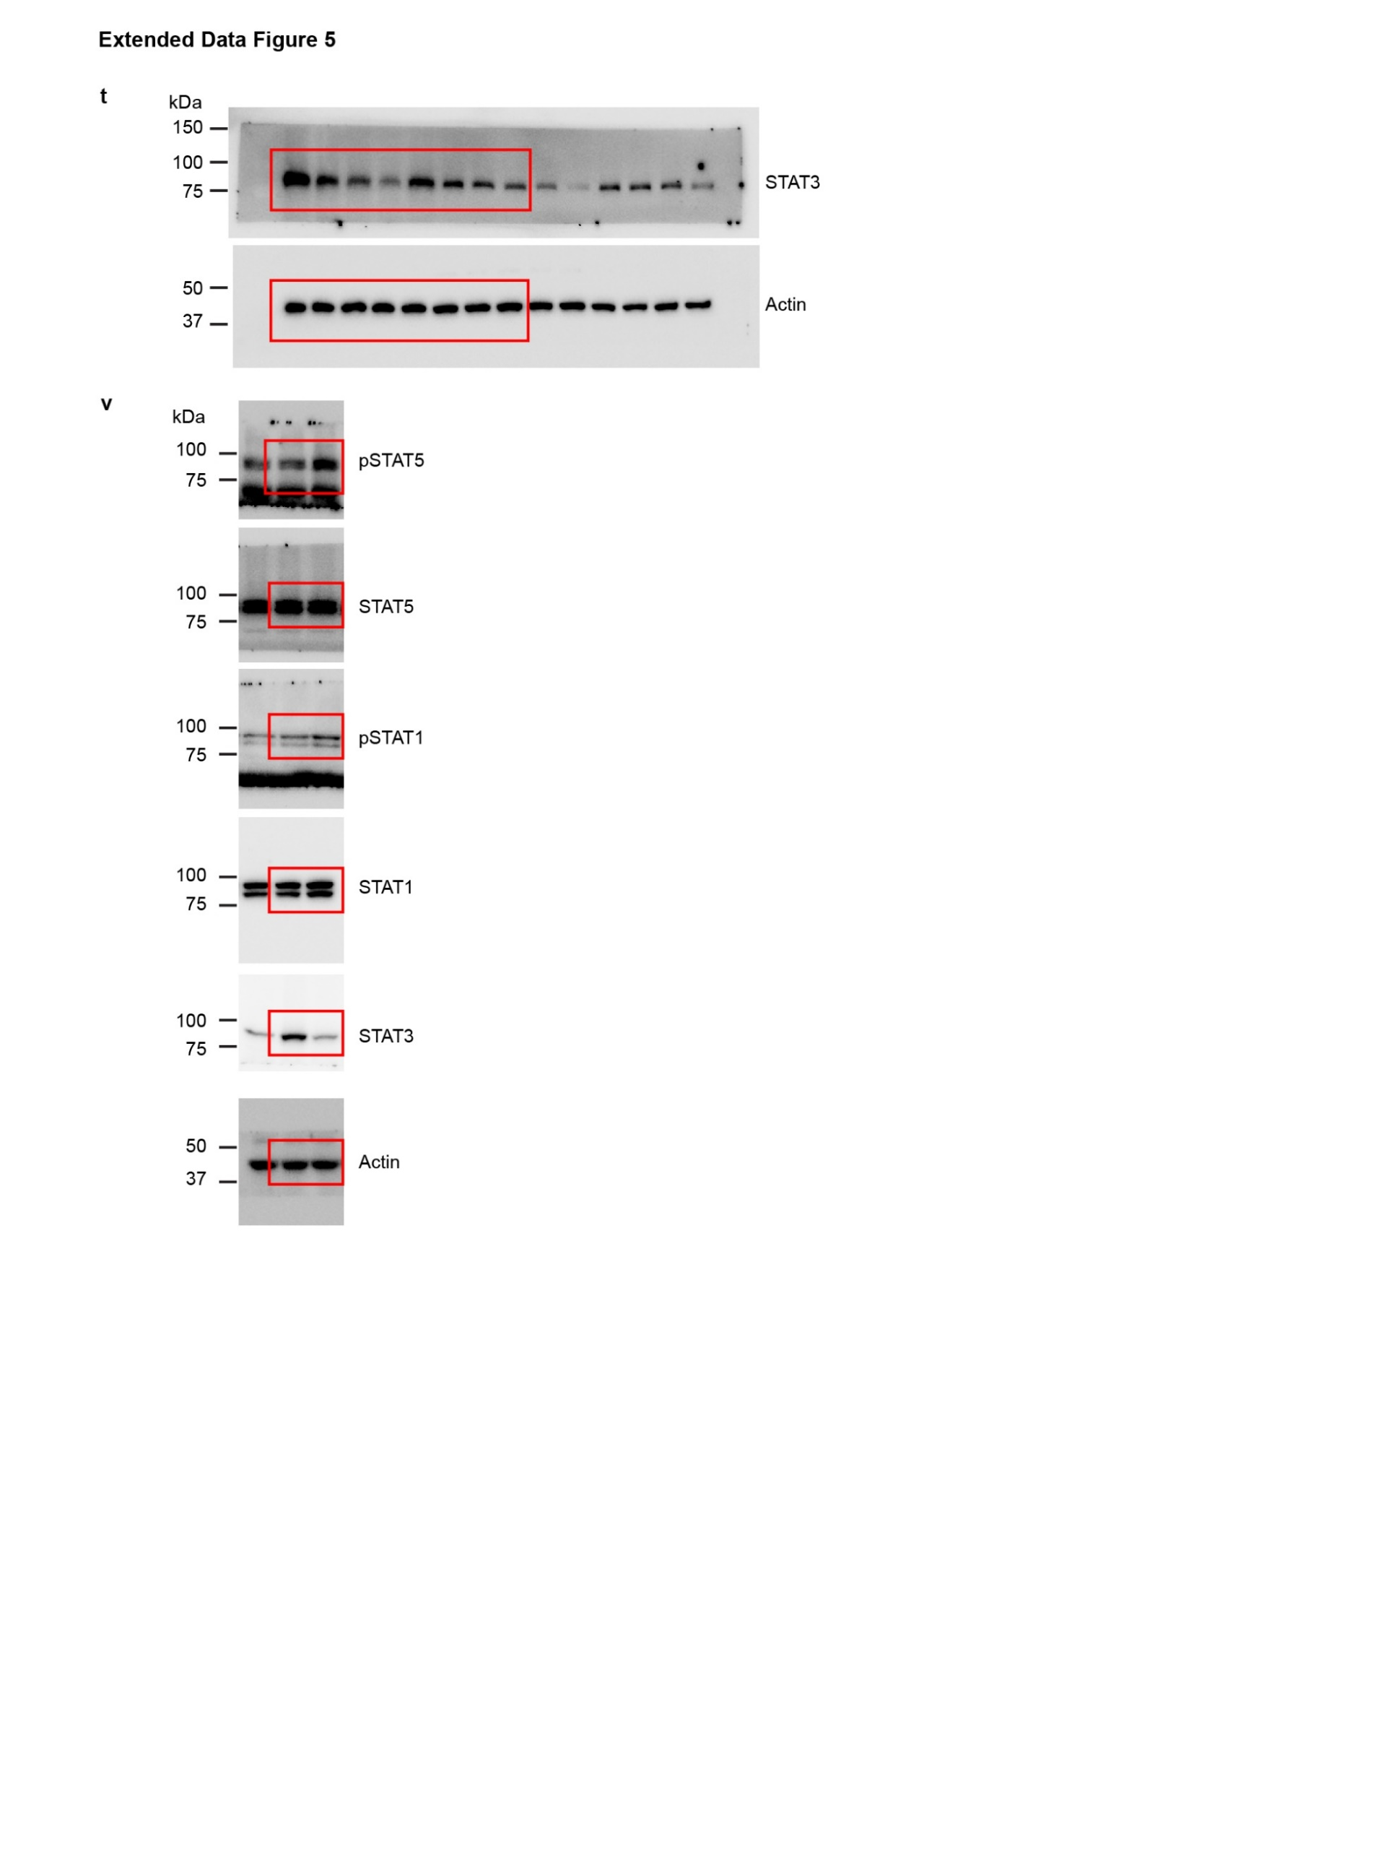
Unprocessed WB

