Figure 2
Fig. 2c | Relative pixel density | Y aixs
 | 3.922 | 1.273273
 | 0.6424 | 1.005683
 | 1.008 | 0.012155
 | 0.6409 | 1.235077
 | 3.401 | 2.721246
 | 2.462 | 2.744727
 | 2.828 | 2.045757
 | 5.63 | 1.950782
 | 0.7597 | 0.402524
 | 0.7436 | 0.780677
 | 0.6862 | 1.377786
 | 2.788 | 2.886057
 | 2.787 | 7.045757
 | 1.564 | 2.585027
 | 2.917 | 2.958607
 | 1.083 | 0.268572
 | 0.3827 | 2.853872
 | 0.3395 | 4
 | 1.056 | 0.203773

Fig. 2d | Stat3+/+ | Stat3-/-
 | 1888 | 2252
 | 1714 | 2682
 | 1868 | 2582

Fig. 2e | Stat3+/+ | Stat3-/-
 | 4973 | 13422
 | 3615 | 13231
 | 3941 | 8279

Fig. 2f | Stat3+/+ | Stat3-/-
 | 766 | 1179
 | 594 | 1219
 | 311 | 1143

Fig. 2g | Stat3+/+ | Stat3-/-
 | 2715 | 5176
 | 3254 | 4269
 | 3991 | 6124

Fig. 2l | Stat3+/++DMSO | Stat3-/-+DMSO | Stat3+/++STAT5i | Stat3-/-+STAT5i
 | 23296 | 31534 | 15740 | 21222
 | 25537 | 33445 | 16872 | 25389
 | 25683 | 27996 | 21440 | 19721

Fig. 2m | Stat3+/++DMSO | Stat3-/-+DMSO | Stat3+/++STAT5i | Stat3-/-+STAT5i
 | 775.7854 | 1194.235 | 435.9183 | 188.385
 | 615.0852 | 1215.845 | 135.735 | 264.2166
 | 832.3645 | 1027.248 | 317.6524 | 508.6066
 | 639.8386 | 1285.783 | 283.4692 | 360.8725

Fig. 2t | Stat3+/+ | Stat3+/+ | Stat3-/- | Stat3-/-
 | IgG | STAT5 | IgG | STAT5
 | 1 | 9.3716306374 | 1.2521220131 | 39.467186906
 | 1 | 7.9886699299 | 0.78660399121 | 21.490749913
 | 1 | 1.9164197944 | 1.1239450256 | 25.843243434

Fig. 2u | Stat3+/+ | Stat3+/+ | Stat3-/- | Stat3-/-
 | IgG | STAT5 | IgG | STAT5
 | 1 | 7.4219192123 | 0.59879881855 | 18.271685987
 | 1 | 6.1799940033 | 1.6991962929 | 19.991116662
 | 1 | 10.625073675 | 0.68765136686 | 26.135401653

Fig. 2v | Stat3+/+ | Stat3+/+ | Stat3-/- | Stat3-/-
 | IgG | STAT5 | IgG | STAT5
 | 1 | 3.1195220283 | 1.4484784984 | 6.350734787
 | 1 | 1.7467211997 | 0.75033639146 | 3.3792037706
 | 1 | 3.3027398365 | 1.2202736751 | 5.9013252363

Fig. 2w | Stat3+/+ | Stat3+/+ | Stat3-/- | Stat3-/-
 | IgG | STAT5 | IgG | STAT5
 | 1 | 5.5754778559 | 1.6105329162 | 25.948828526
 | 1 | 2.1666657518 | 1.4185860435 | 17.778685087
 | 1 | 2.4970170781 | 1.0952135755 | 9.6810636098

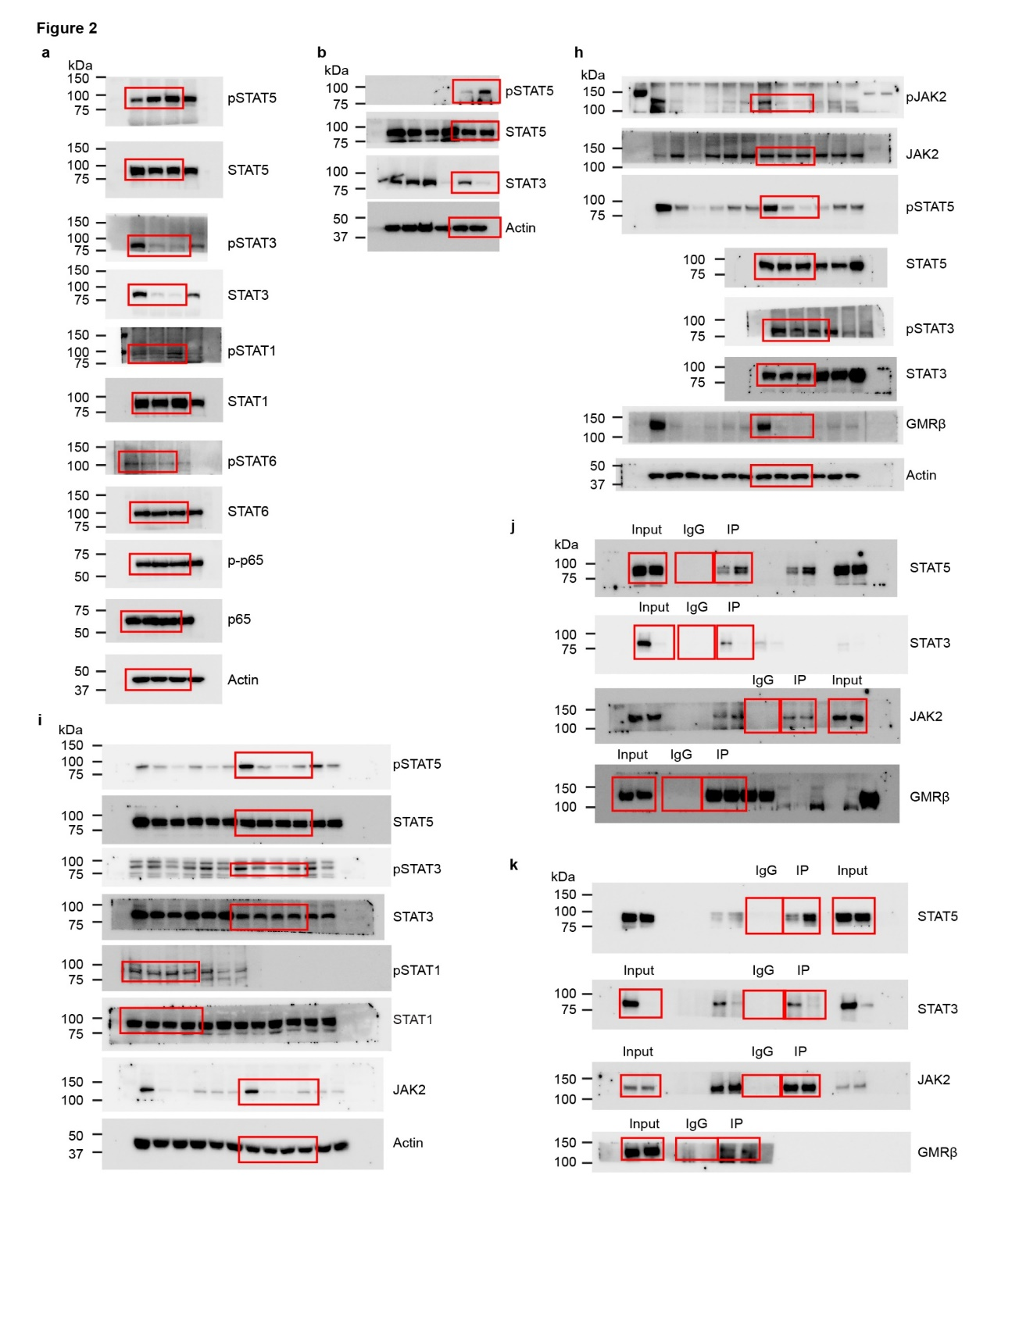
Unprocessed WB

