Figure 4
Fig. 4f | DMSO | SD-36
 | 4411 | 6041
 | 4308 | 5448
 | 4227 | 5816
 | 3436 | 5277

Fig. 4h | DMSO | SD-36
 | 12594 | 17851
 | 17237 | 20361
 | 17799 | 23932
 | 15917 | 22955

Fig. 4j | DMSO | SD-36
 | 2570 | 4270
 | 3225 | 5312
 | 2393 | 3527
 | 3571 | 5908

Fig. 4l | DMSO | SD-36
 | 4223 | 4272
 | 4642 | 8817
 | 4579 | 8488
 | 4344 | 9912

Fig. 4m | Days | Vehicle |  |  |  |  |  | SD-36
 | 0 | 0 | 0 | 0 | 0 | 0 | 0 | 0 | 0 | 0 | 0 | 0 | 0
 | 6 | 33.462 | 25.088 | 20.23 | 23.976 | 46.55 | 10.08 | 25.047 | 22.05 | 28.88 | 35.301 | 40.8 | 10.816
 | 9 | 48.4 | 36.822 | 40 | 56.448 | 52.7065 | 36.963 | 27.166 | 33.212 | 31.1805 | 36.1415 | 48.51 | 17.9685
 | 12 | 65.664 | 61.2255 | 70.227 | 67.626 | 67.914 | 80.4335 | 31.104 | 33.934 | 33.6 | 41.454 | 50.336 | 66.1635
 | 15 | 85.176 | 92.512 | 106.1705 | 102.602 | 121.014 | 179.5625 | 71.25 | 50.625 | 43.56 | 47.432 | 72.03 | 80.688
 | 18 | 117.6 | 109.6515 | 136.9305 | 154.2125 | 174.6 | 302.58 | 95.992 | 65.596 | 78.652 | 51.304 | 91.2925 | 114.048
 | 21 | 186.543 | 141.398 | 233.928 | 221.3865 | 252.333 | 462.7215 | 163.607 | 78.0325 | 95.648 | 106.641 | 137.677 | 189.7145
 | 24 | 287.337 | 233.928 | 393.576 | 422.048 | 389.992 | 689.0625 | 234.4875 | 115.3395 | 149.504 | 224.334 | 233.28 | 305.184

Fig. 4n | Days | Vehicle |  |  |  |  | SD-36
 | 0 | 0 | 0 | 0 | 0 | 0 | 0 | 0 | 0 | 0 | 0
 | 6 | 92.697 | 62.775 | 110.466 | 64.061 | 105.875 | 140.8995 | 62.866 | 78.0325 | 74.88 | 78.652
 | 9 | 136.9305 | 124.6535 | 165.528 | 87.48 | 144.15 | 153.6 | 82.8345 | 89.232 | 80.4335 | 111.6
 | 12 | 191.896 | 149.9875 | 175.071 | 92.2625 | 185.9 | 162.6625 | 103.518 | 90.584 | 60.7475 | 117.2115
 | 15 | 228.096 | 239.0625 | 182.648 | 106.624 | 193.842 | 172.062 | 112.896 | 99.144 | 51.304 | 104.284
 | 18 | 270.738 | 356.224 | 190.44 | 129.6 | 220.5 | 184.96 | 120.213 | 121.835 | 48.074 | 99.0945
 | 21 | 310.005 | 546.21 | 204.1605 | 212.544 | 255.9375 | 204.1605 | 182.648 | 198.45 | 42.336 | 126.514
 | 24 | 541.008 | 853.0125 | 551.412 | 370.881 | 434.7525 | 279.864 | 290.2065 | 363.312 | 38.663 | 132.618
 | 27 | 800.1125 | 1371.168 | 807.651 | 576.3565 | 606.9595 | 322.752 | 308.367 | 400.95 | 47.1495 | 154.638
 | 30 | 1247.942 | 2151.443 | 1482.553 | 887.4455 | 1023.414 | 655.9875 | 401.157 | 596.7585 | 104.284 | 215.136
 | 33 | 1949.4855 | 3046.773 | 2165.13 | 1468.396 | 1643.366 | 821.632 | 532.475 | 790.272 | 152.1 | 380.208

Fig.4o | Days | Vehicle |  |  |  |  | SD-36
 | 0 | 0 | 0 | 0 | 0 | 0 | 0 | 0 | 0 | 0 | 0
 | 7 | 0.994 | 1.76 | 0.658 | 0.501 | 1.14 | 1.58 | 0.494 | 1.12 | 0.0959 | 1.87
 | 14 | 0.812 | 1.91 | 1.2 | 1.9 | 2.18 | 0.42 | 0.924 | 1.64 | 0.143 | 0.807
 | 20 | 2.2 | 3.12 | 1.8 | 1.44 | 2.25 | 0.0921 | 0.446 | 0.509 | 0.179 | 1.74
 | 26 | 2.55 | 4.21 | 2.25 | 3.21 | 3.58 | 0.407 | 0.96 | 0.148 | 0.189 | 0.914

Fig.4p | Days | Vehicle |  |  |  |  |  | SD-36
 | 0 | 0 | 0 | 0 | 0 | 0 | 0 | 0 | 0 | 0 | 0 | 0 | 0
 | 7 | 62.78 | 18.94 | 41.6 | 33.46 | 64.54 | 36.94 | 82.87 | 36.5 | 52.65 | 35.3 | 20.23 | 55.02
 | 10 | 79.23 | 87.13 | 114.95 | 161.6 | 103.52 | 75.11 | 99.14 | 48.51 | 57.13 | 47.43 | 87.08 | 59.64
 | 13 | 260.11 | 147.46 | 271.48 | 372.01 | 205.77 | 206.49 | 237.14 | 100.6 | 69.63 | 58.19 | 248.37 | 95.85
 | 16 | 320.63 | 213.23 | 335.96 | 614.08 | 274.36 | 215.02 | 339.2 | 210.39 | 218.49 | 65.17 | 321.49 | 121.09
 | 19 | 429.89 | 289.86 | 582.62 | 930.24 | 473.98 | 255.79 | 452.82 | 403.97 | 363.97 | 127.06 | 392.09 | 169.02
 | 22 | 681.88 | 454.67 | 786.5 | 1354.84 | 700.09 | 384.59 | 650.48 | 523.42 | 475.15 | 166.7 | 479.23 | 189.04

Fig. 4q | Days | Vehicle |  |  |  |  |  |  |  | SD-36
 | 0 | 780.947 | 772.5245 | 662.676 | 517.5625 | 406.451 | 340.1345 | 303.408 | 223.767 | 772.5245 | 690.4125 | 517.495 | 775.098 | 438.893 | 324.532 | 323.783 | 216.302
 | 3 | 1122.002 | 1058.224 | 909.792 | 690.9705 | 604.513 | 426.888 | 491.8625 | 320.346 | 1306.449 | 883.568 | 670 | 1004.3 | 619.038 | 346.286 | 561.834 | 298.5255
 | 6 | 1676.395 | 1550.736 | 1150.575 | 997.248 | 1022.656 | 696.29 | 657.758 | 526.592 | 1777.532 | 1332.09 | 1008.751 | 1176.578 | 831.6675 | 521.324 | 724.722 | 450.636
 | 9 | 3170.428 | 2387.718 | 1772.267 | 1611.72 | 1600.855 | 1016.483 | 895.4 | 670.761 | 2198.268 | 1895.158 | 1281.008 | 1437.656 | 1076.236 | 709.838 | 915.008 | 523.418
 | 12 |  | 3136.158 | 2705.144 | 2462.508 | 2174.232 | 1391.868 | 1245.456 | 856.884 | 3241.418 | 2365.839 | 1655.78 | 1767.825 | 1262.142 | 859.264 | 1335.52 | 627.328
 | 15 |  |  |  | 3046.361 | 2725.632 | 2207.958 | 1719.569 | 1260.329 |  | 3118.099 | 2408.708 | 2115.072 | 1441.524 | 1168.576 | 1536.02 | 772.5245
 | 18 |  |  |  |  | 3555.845 | 3049.2 | 2458.954 | 1920.8 |  |  | 2737.824 | 2355.381 | 1907.712 | 1599.696 | 1776.613 | 1096.853
 | 21 |  |  |  |  |  |  | 3193.45 | 2551.581 |  |  | 3071.642 | 2633.513 | 2069.928 | 1811.86 | 1879.983 | 1314.639
 | 24 |  |  |  |  |  |  |  | 3316.32 |  |  |  | 3004.938 | 2490.179 | 2010.048 | 2074.891 | 1727.941
 | 27 |  |  |  |  |  |  |  |  |  |  |  |  | 3300.084 | 2635.511 | 2458.954 | 2226.744
 | 30 |  |  |  |  |  |  |  |  |  |  |  |  |  | 3201.89 | 3052.696 | 2695.784
 | 33 |  |  |  |  |  |  |  |  |  |  |  |  |  |  |  | 3076.416

Fig. 4r | Days | Vehicle | SD-36
 | 9 | 1
 | 12 | 1
 | 13 | 1
 | 15 | 1
 | 16 | 1
 | 18 | 1
 | 21 | 1
 | 23 | 1

 | 12 |  | 1
 | 15 |  | 1
 | 21 |  | 1
 | 24 |  | 1
 | 26 |  | 1
 | 30 |  | 1
 | 30 |  | 1
 | 33 |  | 1

Fig. 4s | Days | Vehicle |  |  |  |  | SD-36
 | 14 | 26200000 | 6742000 | 4942000 | 7772000 | 2181000 | 6776000 | 14630000 | 7846000 | 10350000 | 3332000 | 9284000
 | 21 | 14730000 | 18050000 | 9143000 | 15670000 | 12430000 | 5759000 | 24300000 | 9617000 | 7755000 | 3582000 | 13980000
 | 27 | 64940000 | 47640000 | 18300000 | 14190000 | 24130000 | 33720000 | 23640000 | 22750000 | 14770000 | 4582000 | 21710000
 | 32 | 43600000 | 74270000 | 19910000 | 23880000 | 45400000 | 25120000 | 25590000 | 19840000 | 16970000 | 9608000 | 29810000

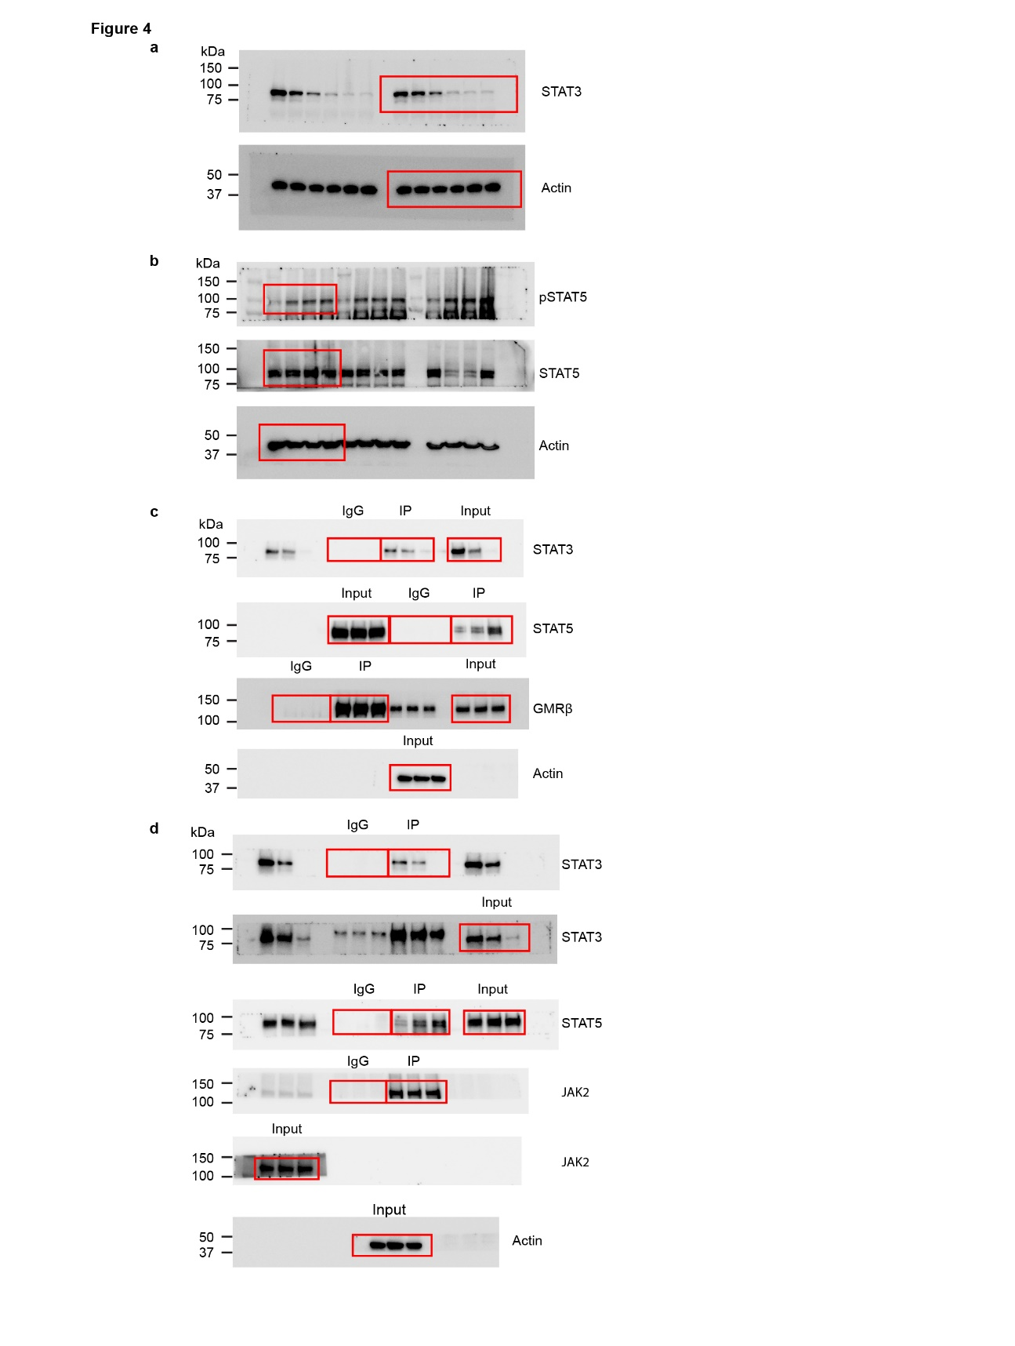
Unprocessed WB

