Extended Data Figure 2
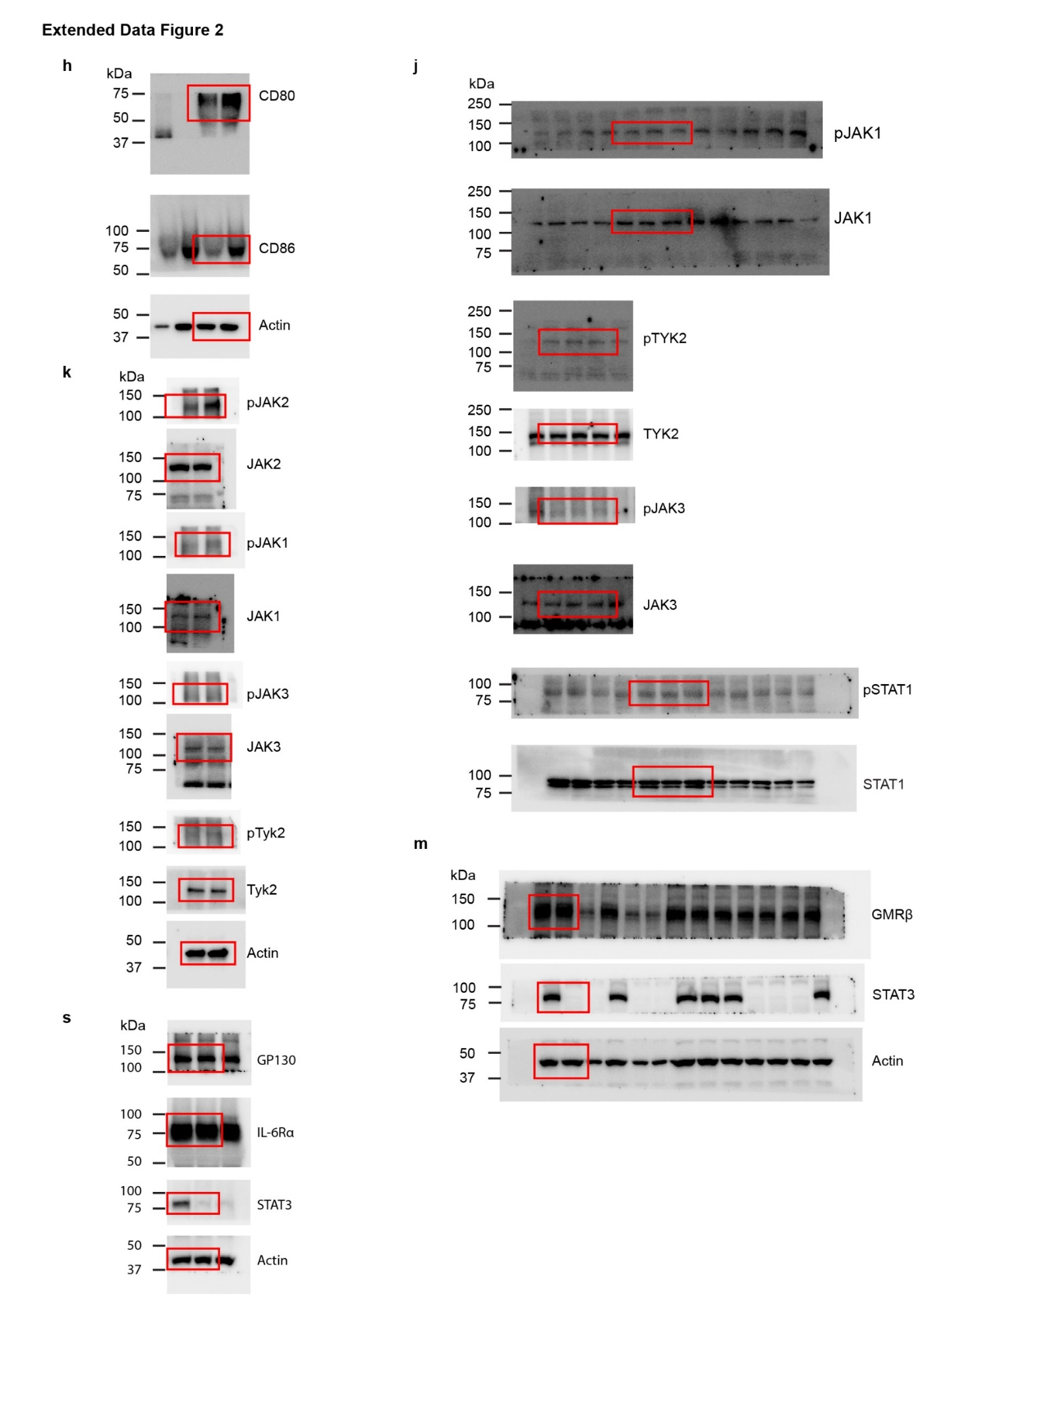
Extended data fig 2i | IL3RA | IL2RA | IL2RB | IL2RG | IL5RA | IL7RG | IL15RA | IL21R | GMRα | GMRβ
 | 1 | 18.13022 | 16.26913 | 23.33794 | 0.00576 | 15.39854 | 0.091279 | 9.35053 | 79.29722 | 274.9362
 | 1 | 5.755858 | 20.02738 | 33.18347 | 0.00241 | 28.83779 | 0.121117 | 11.93297 | 39.74717 | 206.6257
 | 1 | 6.554225 | 14.61841 | 35.76836 | 0.003096 | 11.61536 | 0.07208 | 12.97152 | 46.74714 | 280.0672
 | 1 | 8.105171 | 15.77525 | 33.01225 | 0.011751 | 22.02169 | 0.07736 | 12.37901 | 45.77927 | 237.5102

Extended Data Fig. 2l | Stat3+/+ | Stat3-/-
 | 29.77036 | 27.17728
 | 16.22872 | 20.11834
 | 18.24556 | 21.84706

Extended Data Fig. 2o | Stat3+/+ | Stat3-/-
 | 0.06 | 0.13
 | 0.13 | 0
 | 0.08 | 0.32
 | 0.2 | 0.47

Extended Data Fig. 2p | Stat3+/+ | Stat3-/-
 | 12.98214 | 9.767857
 | 12.08929 | 9.946429
 | 14.58929 | 13.16071

Extended Data Fig. 2q | Stat3+/+ | Stat3-/-
 | 30.96 | 33.37
 | 36.39 | 34.51
 | 38.11 | 33.32
 | 37.15 | 25

Extended Data Fig. 2r | Stat3+/+ | Stat3-/-
 | 144.17 | 176.91
 | 157.24 | 164.22
 | 175.54 | 172.54
 | 174.53 | 124.18

Extended Data Fig. 2t | Stat3+/+ + DMSO | Stat3-/- + DMSO | Stat3+/+ + FLLL32 | Stat3-/- + FLLL32
 | 39.2 | 55.3 | 4.3 | 8.1
 | 33.3 | 51.7 | 8 | 16.3
 | 36 | 56 | 11.1 | 19.4

Extended Data Fig. 2u | Stat3+/+ + DMSO | Stat3-/- + DMSO | Stat3+/+ + FLLL32 | Stat3-/- + FLLL32
 | 26 | 47.1 | 2 | 4.7
 | 29.5 | 53.6 | 5.2 | 8.6
 | 19.6 | 52.5 | 10.5 | 11.1

Extended Data Fig. 2v | Stat3+/+ + DMSO | Stat3-/- + DMSO | Stat3+/+ + FLLL32 | Stat3-/- + FLLL32
 | 12456 | 14603 | 5871 | 8356
 | 10658 | 16307 | 8321 | 8703
 | 10718 | 16722 | 7349 | 9383

Extended Data Fig. 2w | Stat3+/+ + DMSO | Stat3-/- + DMSO | Stat3+/+ + FLLL32 | Stat3-/- + FLLL32
 | 7484 | 18751 | 3025 | 4168
 | 8237 | 17938 | 3042 | 2567
 | 7047 | 18393 | 6793 | 3456

Extended Data Fig. 2x | Stat3+/+ + DMSO | Stat3-/- + DMSO | Stat3+/+ + FLLL32 | Stat3-/- + FLLL32
 | 3311 | 6672 | 1723 | 1760
 | 3436 | 8775 | 1054 | 2050
 | 3337 | 5792 | 1574 | 2034

Unprocessed WB

