ED_4d
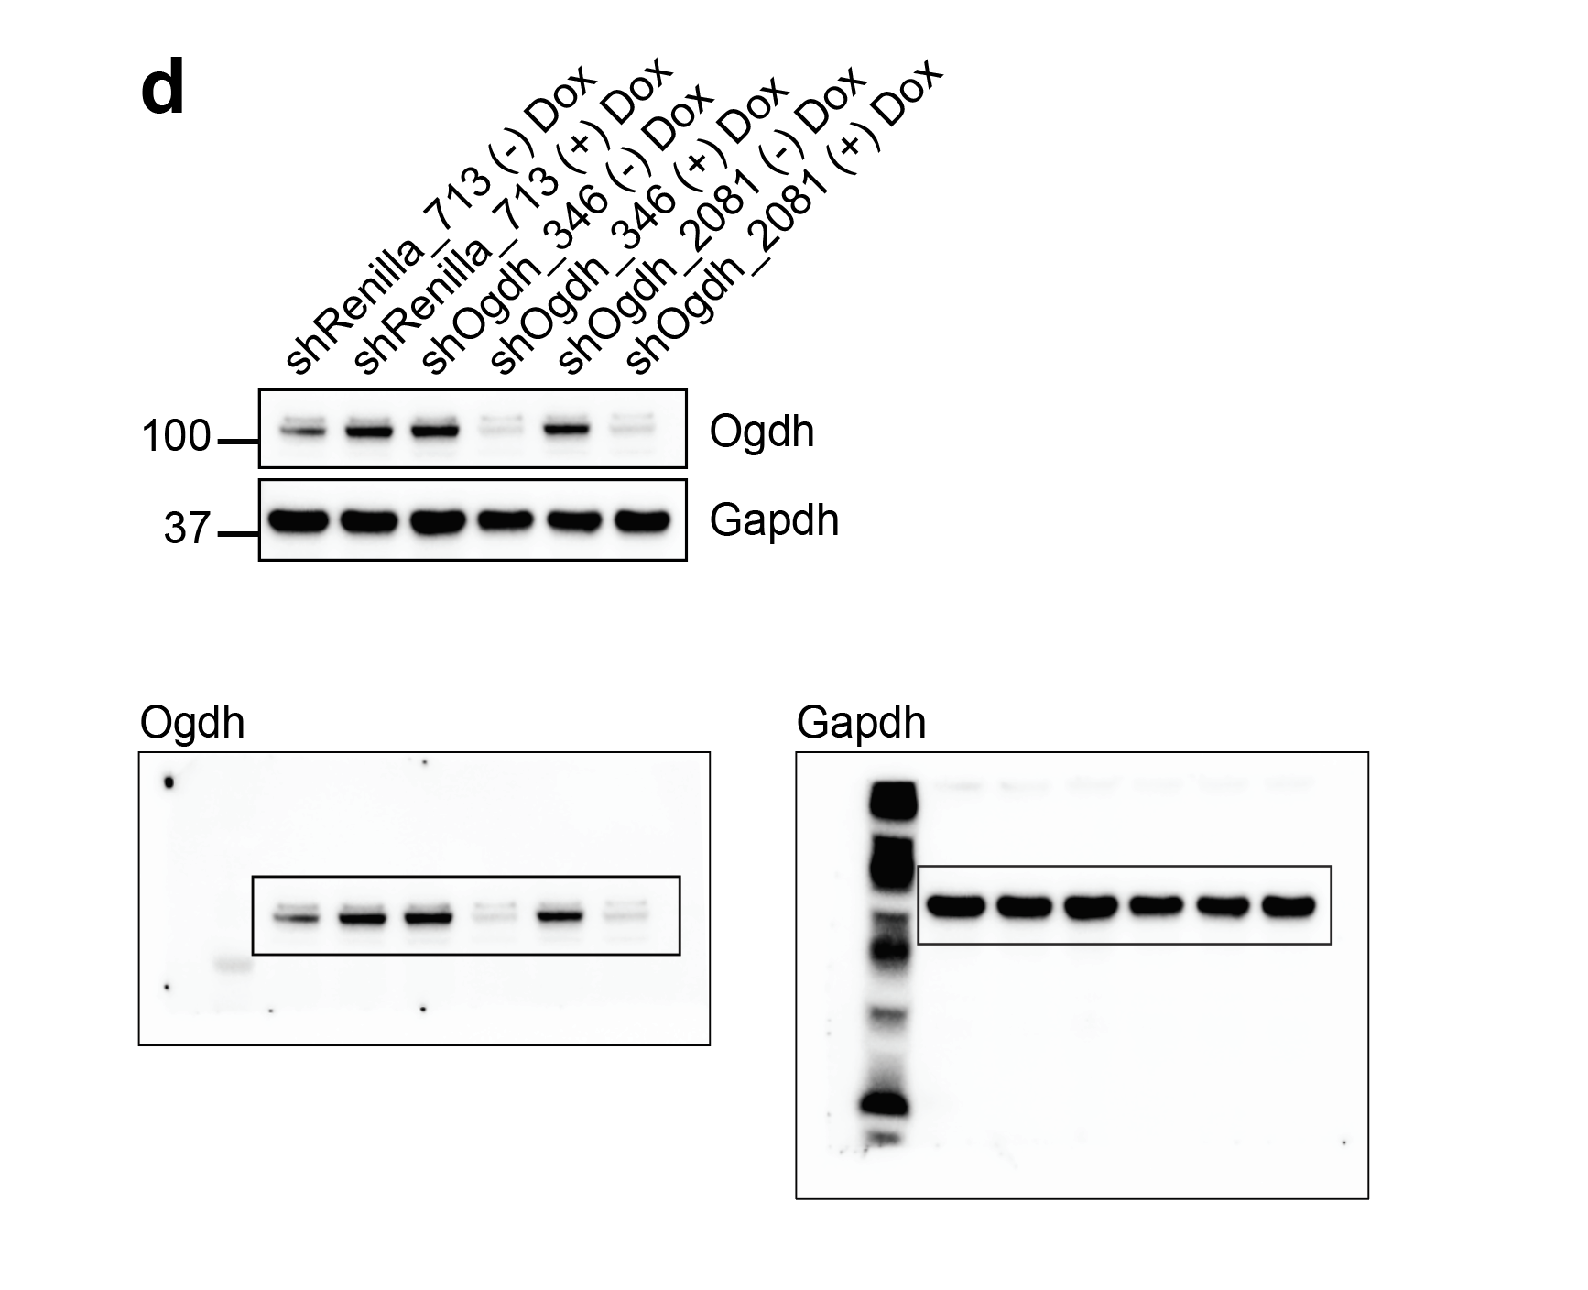
Extended Data Figure 4d

