Vector design
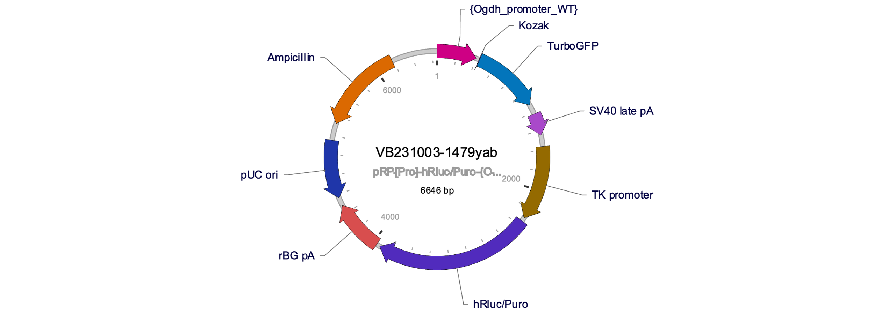
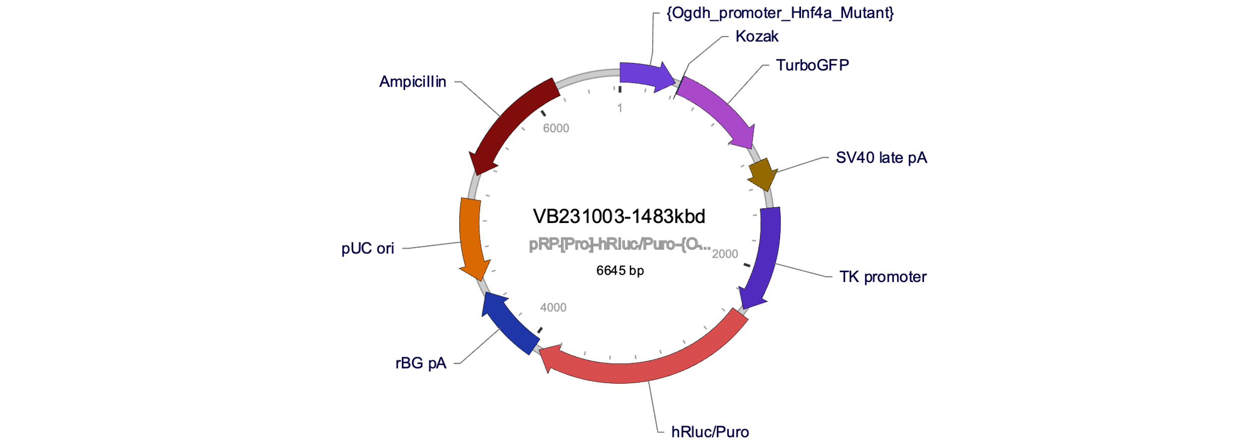
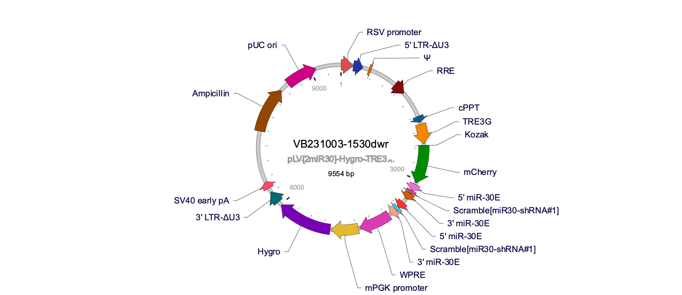
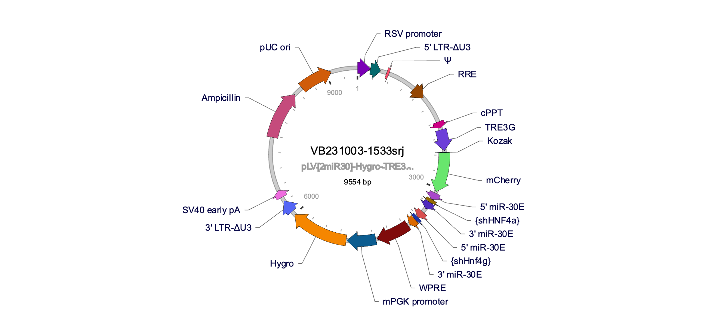
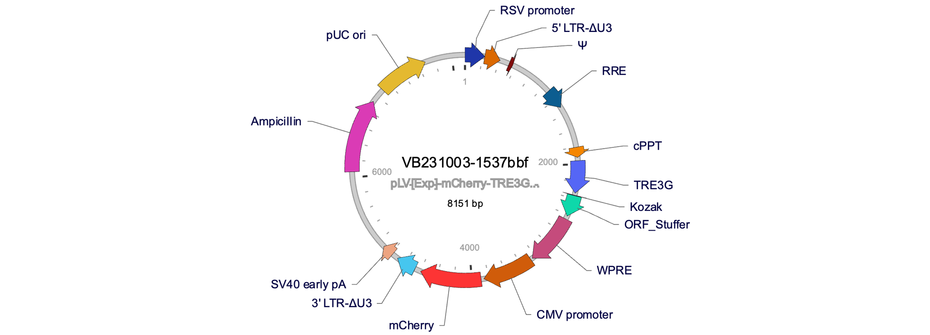
Supplementary Table 6 | Vector design |  | Figure legend: | Reporter constructs for the Ogdh promoter containing either wild-type (WT) or mutated (Mut) Hnf4 binding sites (top row) were used together with control shRNA (shREN) or combined Hnf4a/g shRNA to silence Hnf4 transcription factors (bottom row).

 |  | -

