Sheet1
List applications and tools of the STAM
Functionalities | Link | Features
Single entry-point/Homepage | https://atlas.brainsmatics.cn/STAM/ | - A complete list of STAM's web service links
Visualization of the 2D atlas planes | https://atlas.brainsmatics.cn/STAM/reference/index.html?lang=en_us https://atlas.brainsmatics.cn/STAM/help.html?node=ArbitraryPlaneVisualization&lang=en_us | - Canonical plane visualization - Arbirtary angle plane visualization with 1 μm resolution | Note: for arbitrary-angle plane visualization, click the GoTo button (blue box on the right snapshot) of the page to use this service | 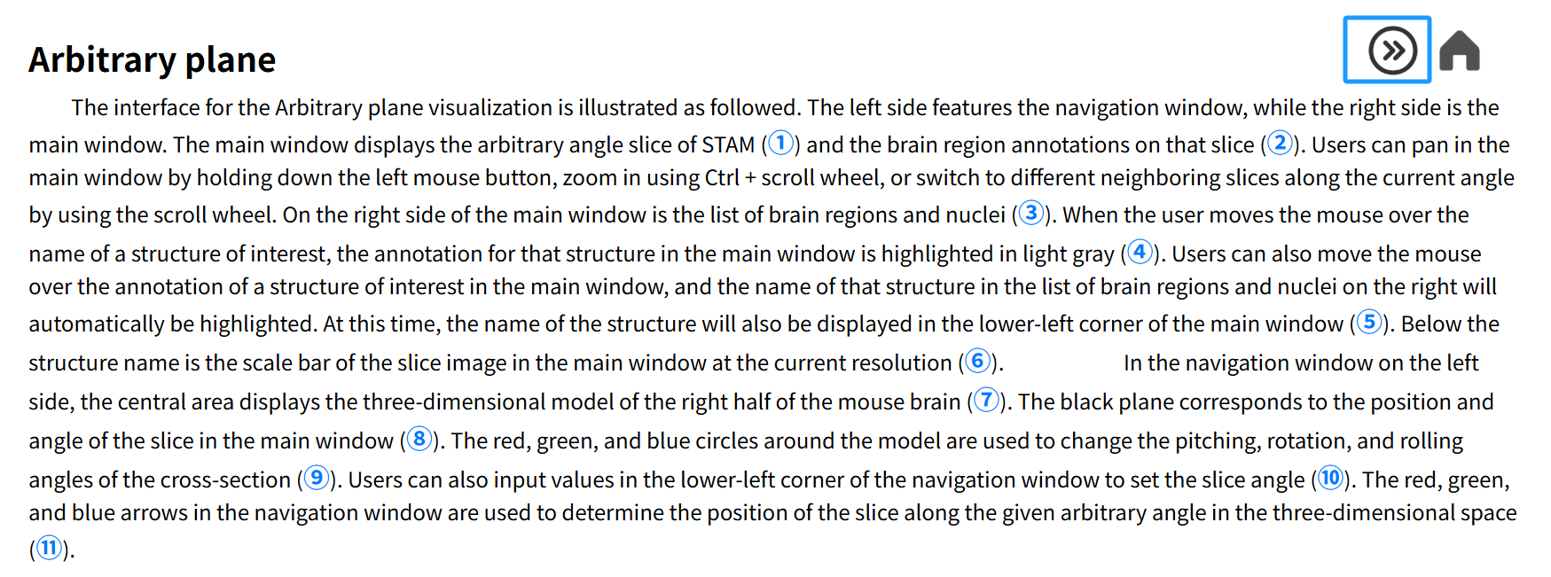
Visualization of brain structures' 3D topography | https://atlas.brainsmatics.cn/3DViewer/?type=normal | - Deep integration of neuroinformation, supporting mutual queries between brain regions and neurons - Assembly view to reveal the composition of complicated structures
Data sharing for the whole brain | https://atlas.brainsmatics.cn/3DViewer/?type=downloading | - Allowed to download the Nissl-stained 1 μm resolution whole mouse brain dataset with arbitrary spatial range of interest - The spatial range for downloading is selected and visualized in STAM's 3D space by users - Allowed to select the spatial range that just completely covers brain region of interest, and then download its original Nissl-stained image
Inter-atlas mapping | https://atlas.brainsmatics.cn/3DViewer/?type=mapping | - Bidirectional mapping of neuron morphology data and 3D image datasets between CCF and STAM - Instant visualization of the mapped result in STAM' 3D space - A suit of tools, including the Fiji/ImageJ plugin, the API for scripting, and the web service, meeting the needs of various application scenes
Neuronal circuits mapping | https://atlas.brainsmatics.cn/3DViewer/?type=circuits | - A comprehensive connectivity diagram of the whole mouse brain, created by single-neuron projections - Providing the overview of upstreams and downstreams of any queried brain region - Providing the faceted search for neuron morphology data by filtering the soma location and projection terminal information - In situ visualizing the complete neuronal circuits of any queried neuron in STAM' 3D spcae, by showing its located brain regions of soma, projection terminals and brainching points.
Brain slice registration | https://atlas.brainsmatics.cn/3DViewer/?type=registration | - Fully automatical registration for PI and DAPI stained brain slices - Instant visualization in STAM's 3D space, revealing the calculated position of the uploaded slice
Virtual surgery guidance | https://atlas.brainsmatics.cn/3DViewer/?type=virtual | - Manually or intellegently planning of injecting a mouse brain, based on the given constraints by users - Visualizing the brain structures that the planned injection path traverses through, reminding the possible information loss introduced by the planned operation

Related online resources of STAM
Specific gene-type neuron distribution datasets used for validating STAM | https://atlas.brainsmatics.cn/STAM/validation.html | - Non-linearly mapped specific gene-type neuron distribution datasets overlaid with STAM
A comparison of the MOST-Nissl dataset with the Nissl-staining sections from brainmaps.org | https://atlas.brainsmatics.cn/STAM/corresponding.html | - A Table providing pairwise correspondence between the sections from MOST-Nissl dataset and the ones from brainmaps.org, given the direct links to each item
More results for Extended Data Fig. 5, Extended Data Fig. 7, and Extended Data Fig. 10 | https://atlas.brainsmatics.cn/STAM/extended.html | - Complete displays of the definition of all datum marks, the registrations of ISH images to the corresponding MOST-Nissl coronal planes, and the details of subdivisions of ACB, ZI and PAG.

