Suppl. Table 14
Supplementary Table 14. Largest LAVA local genetic correlation hotspost in Locus 739
chr11: 112755447 - 114742317
Genes: NCAM1; TTC12; ANKK1; DRD2; TMPRSS5; ZW10; CLDN25; USP28; HTR3B; HTR3A; ZBTB16; NNMT; C11orf71; RBM7; REXO2; NXPE1; NXPE4; NXPE2

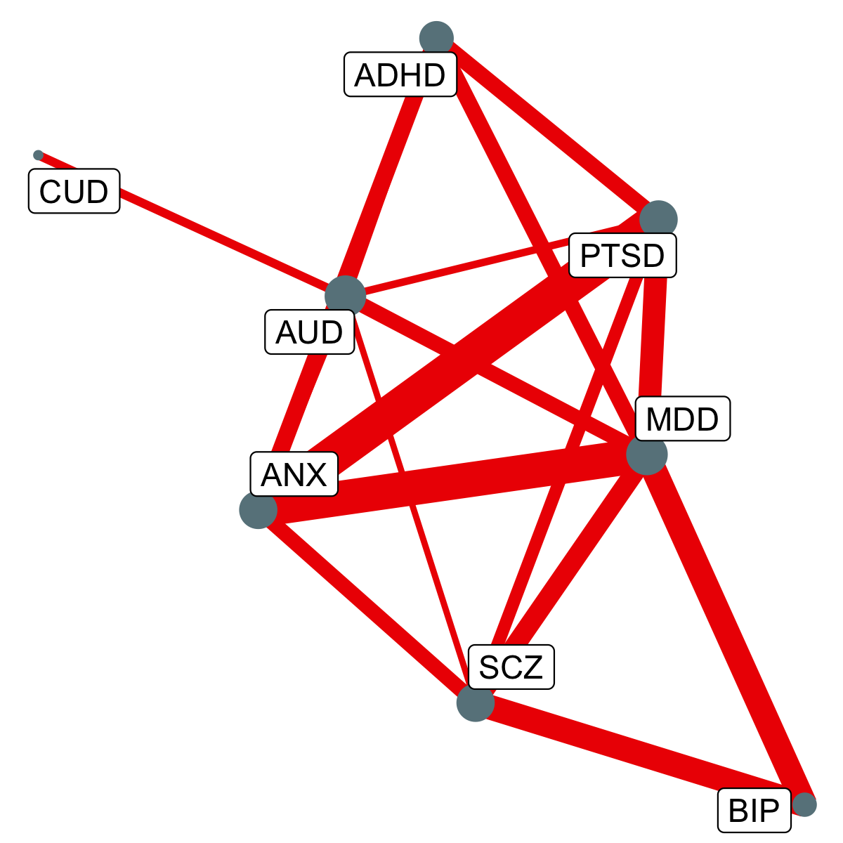
Phenotype1 | Phenotype2 | Rho | CI.lower | CI.upper | R2 | P
ANX | MD | 0.87 | 0.77 | 0.97 | 0.76 | 6.10E-27
ANX | PTSD | 0.91 | 0.78 | 1 | 0.82 | 2.30E-21
MD | PTSD | 0.68 | 0.56 | 0.8 | 0.46 | 1.10E-16
MD | SCZ | 0.63 | 0.49 | 0.77 | 0.4 | 4.10E-15
AUD | MD | 0.56 | 0.44 | 0.69 | 0.32 | 1.10E-13
ADHD | MD | 0.57 | 0.41 | 0.72 | 0.32 | 1.90E-10
ANX | SCZ | 0.56 | 0.41 | 0.73 | 0.32 | 3.80E-10
BIP | MD | 0.72 | 0.52 | 0.99 | 0.52 | 1.10E-09
ADHD | ANX | 0.59 | 0.41 | 0.78 | 0.35 | 6.60E-09
ANX | AUD | 0.49 | 0.33 | 0.64 | 0.24 | 1.30E-08
PTSD | SCZ | 0.52 | 0.35 | 0.7 | 0.28 | 2.70E-08
AUD | PTSD | 0.44 | 0.29 | 0.59 | 0.19 | 1.00E-07
ADHD | PTSD | 0.57 | 0.38 | 0.76 | 0.32 | 1.30E-07
AUD | CUD | 0.46 | 0.3 | 0.63 | 0.21 | 2.40E-07
BIP | SCZ | 0.71 | 0.49 | 0.98 | 0.5 | 3.00E-07
ADHD | AUD | 0.48 | 0.29 | 0.66 | 0.23 | 1.30E-06
AUD | SCZ | 0.42 | 0.26 | 0.59 | 0.18 | 1.80E-06
Note. Rho = the LAVA local genetic correlation estimate for this locus; CI.lower = the lower bound of the 95% confidence interval on the estimate; CI.upper = the upper bound on the 95% confidence interval estimates; P = Empirical p-values (unadjusted) obtained via a permutation procedure with partial integration, evaluating the two-sided hypothesis of no association using the estimated parameters as test statistics. The sample sizes for the disorders are reported in Extended Data Table 1. ADHD = attention-deficit hyperactivity disorder; ASD = autism spectrum disorder; OCD = obsessive compulsive disorder; SCZ = schizophrenia; TS = Tourette’s syndrome; MD = Major Depression; AN = anorexia nervosa; BIP = bipolar disorder; ANX = anxiety disorder; PTSD = post-traumatic stress disorder; AUD = alcohol use disorder; OUD = opioid use disorder; NIC = nicotine dependence; CUD = cannabis use disorder.

Suppl. Table 15
Supplementary Table 15. Second largest LAVA local genetic correlation hotspost in Locus 194
chr3: 44141694 - 54074844
Genes: TOPAZ1; TCAIM; ZNF445; ZNF852; ZKSCAN7; ZNF660; ZNF197; ZNF35; ZNF502; ZNF501; KIAA1143; KIF15; TMEM42; TGM4; ZDHHC3; EXOSC7; CLEC3B; CDCP1; TMEM158; LARS2; LIMD1; SACM1L; SLC6A20; LZTFL1; CCR9; FYCO1; CXCR6; XCR1; CCR3; CCR1; CCR2; CCR5; CCRL2; LTF; RTP3; LRRC2; LUZPP1; TDGF1; ALS2CL; TMIE; PRSS50; PRSS46; PRSS45; PRSS42; MYL3; PTH1R; AC109583.1; CCDC12; NBEAL2; SETD2; KIF9; KLHL18; PTPN23; SCAP; ELP6; CSPG5; SMARCC1; DHX30; MAP4; CDC25A; CAMP; ZNF589; NME6; SPINK8; FBXW12; PLXNB1; CCDC51; TMA7; ATRIP; TREX1; SHISA5; PFKFB4; UCN2; COL7A1; UQCRC1; TMEM89; SLC26A6; CELSR3; NCKIPSD; IP6K2; PRKAR2A; SLC25A20; ARIH2OS; ARIH2; P4HTM; WDR6; DALRD3; NDUFAF3; IMPDH2; QRICH1; QARS; USP19; LAMB2; CCDC71; KLHDC8B; C3orf84; CCDC36; RP11-3B7.1; C3orf62; USP4; GPX1; RHOA; TCTA; AMT; NICN1; DAG1; BSN; APEH; MST1; RNF123; AMIGO3; GMPPB; IP6K1; CDHR4; FAM212A; UBA7; TRAIP; CAMKV; MST1R; CTD-2330K9.3; MON1A; RBM6; RBM5; SEMA3F; GNAT1; GNAI2; LSMEM2; IFRD2; HYAL3; NAT6; HYAL1; HYAL2; TUSC2; RASSF1; ZMYND10; NPRL2; CYB561D2; TMEM115; CACNA2D2; C3orf18; HEMK1; CISH; MAPKAPK3; DOCK3; MANF; RBM15B; VPRBP; RAD54L2; TEX264; GRM2; IQCF6; IQCF3; IQCF2; IQCF5; IQCF1; RRP9; PARP3; GPR62; PCBP4; ABHD14B; ABHD14A; ACY1; RPL29; DUSP7; LINC00696; POC1A; ALAS1; TLR9; TWF2; PPM1M; WDR82; GLYCTK; DNAH1; BAP1; PHF7; SEMA3G; TNNC1; NISCH; STAB1; NT5DC2; SMIM4; PBRM1; GNL3; GLT8D1; SPCS1; NEK4; ITIH1; ITIH3; ITIH4; MUSTN1; TMEM110; SFMBT1; RFT1; PRKCD; TKT; DCP1A; CACNA1D; CHDH; IL17RB; ACTR8; SELK

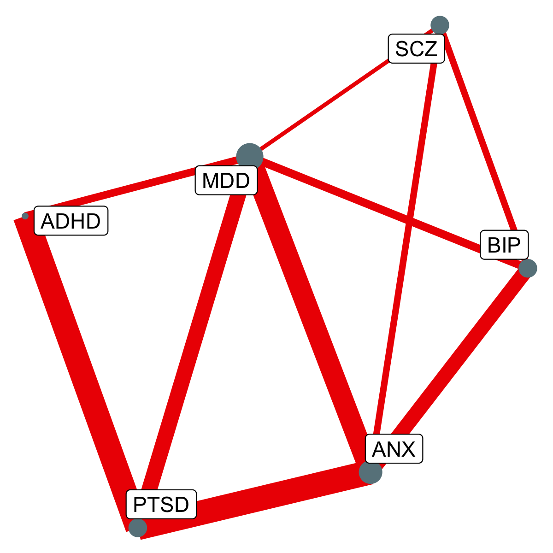
Phenotype1 | Phenotype2 | Rho | CI.lower | CI.upper | R2 | P
ANX | MD | 0.93 | 0.79 | 1 | 0.87 | 1.40E-17
ANX | PTSD | 1 | 0.76 | 1 | 1 | 3.30E-11
MD | SCZ | 0.59 | 0.42 | 0.78 | 0.35 | 1.10E-09
ADHD | PTSD | 1 | 0.73 | 1 | 1 | 1.30E-09
BIP | MD | 0.67 | 0.48 | 0.89 | 0.46 | 1.80E-09
MD | PTSD | 0.82 | 0.6 | 1 | 0.67 | 2.60E-09
ADHD | MD | 0.66 | 0.47 | 0.87 | 0.43 | 4.10E-09
ANX | BIP | 0.8 | 0.57 | 1 | 0.64 | 4.30E-09
ANX | SCZ | 0.64 | 0.42 | 0.87 | 0.41 | 1.10E-07
BIP | SCZ | 0.64 | 0.42 | 0.86 | 0.4 | 7.80E-07
Note. Rho = the LAVA local genetic correlation estimate for this locus; CI.lower = the lower bound of the 95% confidence interval on the estimate; CI.upper = the upper bound on the 95% confidence interval estimates; P = Empirical p-values (unadjusted) obtained via a permutation procedure with partial integration, evaluating the two-sided hypothesis of no association using the estimated parameters as test statistics. The sample sizes for the disorders are reported in Extended Data Table 1. ADHD = attention-deficit hyperactivity disorder; ASD = autism spectrum disorder; OCD = obsessive compulsive disorder; SCZ = schizophrenia; TS = Tourette’s syndrome; MD = Major Depression; AN = anorexia nervosa; BIP = bipolar disorder; ANX = anxiety disorder; PTSD = post-traumatic stress disorder; AUD = alcohol use disorder; OUD = opioid use disorder; NIC = nicotine dependence; CUD = cannabis use disorder.

Suppl. Table 16
Supplementary Table 16. Third largest LAVA local genetic correlation hotspost in Locus 95
chr2: 22429641 - 24669224
Genes: KLHL29; AC011239.1; ATAD2B; UBXN2A; MFSD2B; C2orf44; FKBP1B; SF3B14; FAM228B; TP53I3; PFN4; FAM228A; ITSN2

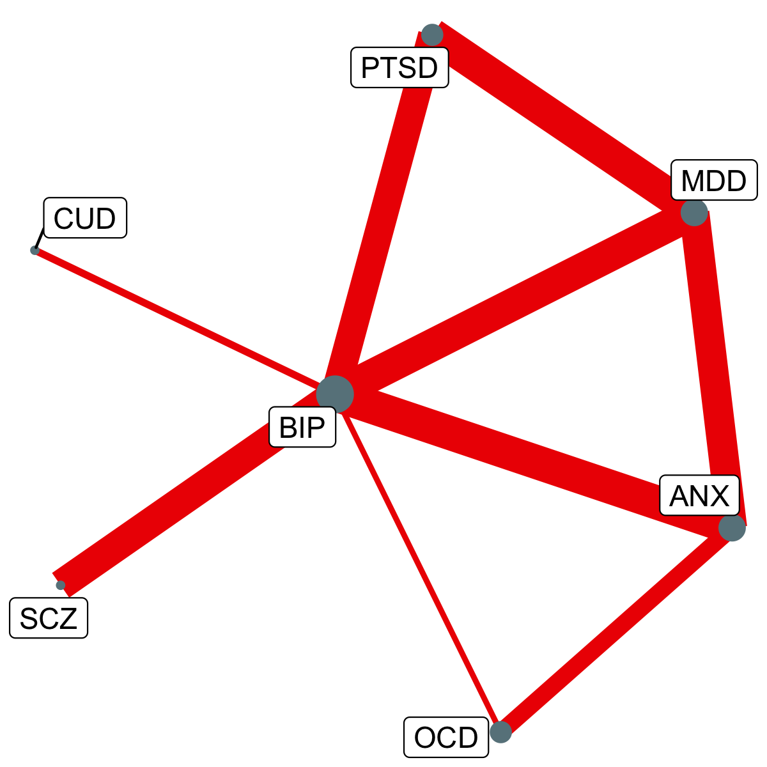
Phenotype1 | Phenotype2 | Rho | CI.lower | CI.upper | R2 | P
BIP | MD | 0.7 | 0.54 | 0.87 | 0.49 | 9.90E-13
MD | PTSD | 0.71 | 0.53 | 0.91 | 0.51 | 1.20E-09
BIP | SCZ | 0.67 | 0.47 | 0.88 | 0.46 | 1.00E-07
ANX | MD | 0.67 | 0.47 | 0.89 | 0.45 | 1.60E-07
ANX | BIP | 0.72 | 0.48 | 1 | 0.51 | 2.00E-07
BIP | PTSD | 0.65 | 0.41 | 0.91 | 0.42 | 3.60E-07
ANX | OCD | 0.51 | 0.32 | 0.72 | 0.26 | 8.50E-07
BIP | CUD | 0.39 | 0.24 | 0.56 | 0.16 | 1.60E-06
BIP | OCD | 0.37 | 0.23 | 0.52 | 0.14 | 1.70E-06
Note. Rho = the LAVA local genetic correlation estimate for this locus; CI.lower = the lower bound of the 95% confidence interval on the estimate; CI.upper = the upper bound on the 95% confidence interval estimates; P = Empirical p-values (unadjusted) obtained via a permutation procedure with partial integration, evaluating the two-sided hypothesis of no association using the estimated parameters as test statistics. The sample sizes for the disorders are reported in Extended Data Table 1. ADHD = attention-deficit hyperactivity disorder; ASD = autism spectrum disorder; OCD = obsessive compulsive disorder; SCZ = schizophrenia; TS = Tourette’s syndrome; MD = Major Depression; AN = anorexia nervosa; BIP = bipolar disorder; ANX = anxiety disorder; PTSD = post-traumatic stress disorder; AUD = alcohol use disorder; OUD = opioid use disorder; NIC = nicotine dependence; CUD = cannabis use disorder.

Suppl. Table 17
Supplementary Table 17. Fourth largest LAVA local genetic correlation hotspost in Locus 990
chr18: 51060987 - 53762996
Genes: MBD2; POLI; STARD6; C18orf54; DYNAP; RAB27B; CCDC68; TCF4

Phenotype1 | Phenotype2 | Rho | CI.lower | CI.upper | R2 | P
ANX | MD | 0.82 | 0.7 | 0.95 | 0.67 | 1.10E-17
MD | SCZ | 0.58 | 0.44 | 0.71 | 0.33 | 1.00E-13
MD | PTSD | 0.69 | 0.52 | 0.86 | 0.48 | 5.60E-11
BIP | MD | 0.59 | 0.43 | 0.75 | 0.35 | 6.60E-11
ANX | SCZ | 0.66 | 0.48 | 0.85 | 0.43 | 2.60E-10
BIP | SCZ | 0.54 | 0.36 | 0.71 | 0.29 | 2.90E-07
ANX | BIP | 0.58 | 0.37 | 0.8 | 0.34 | 9.20E-07
Note. Rho = the LAVA local genetic correlation estimate for this locus; CI.lower = the lower bound of the 95% confidence interval on the estimate; CI.upper = the upper bound on the 95% confidence interval estimates; P = Empirical p-values (unadjusted) obtained via a permutation procedure with partial integration, evaluating the two-sided hypothesis of no association using the estimated parameters as test statistics. The sample sizes for the disorders are reported in Extended Data Table 1. ADHD = attention-deficit hyperactivity disorder; ASD = autism spectrum disorder; OCD = obsessive compulsive disorder; SCZ = schizophrenia; TS = Tourette’s syndrome; MD = Major Depression; AN = anorexia nervosa; BIP = bipolar disorder; ANX = anxiety disorder; PTSD = post-traumatic stress disorder; AUD = alcohol use disorder; OUD = opioid use disorder; NIC = nicotine dependence; CUD = cannabis use disorder. |  |  |  |  |  |  | 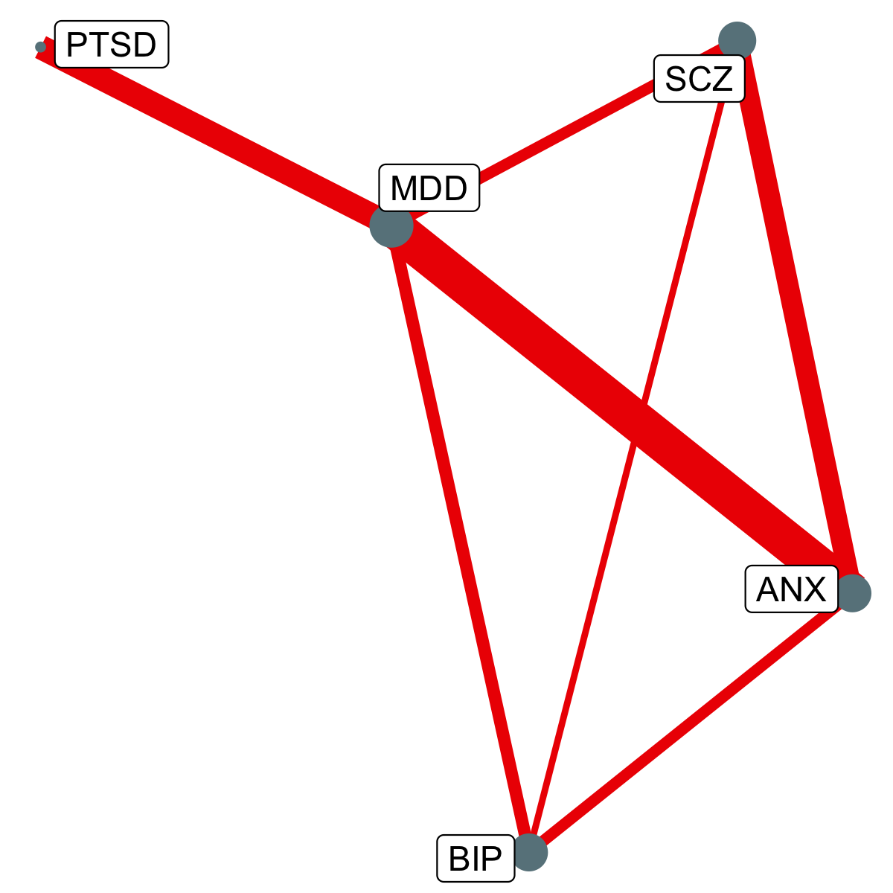

Suppl. Table 18
Supplementary Table 18. Fifth largest LAVA local genetic correlation hotspost in Locus 796
chr12: 119301062 - 121817509
Genes: SRRM4; HSPB8; CCDC60; TMEM233; PRKAB1; CIT; RP1-127H14.3; CCDC64; RAB35; GCN1L1; RPLP0; PXN; SIRT4; PLA2G1B; MSI1; COX6A1; TRIAP1; GATC; SRSF9; DYNLL1; COQ5; RNF10; POP5; CABP1; MLEC; UNC119B; ACADS; SPPL3; AC079602.1; HNF1A; C12orf43; OASL; P2RX7; P2RX4; CAMKK2; ANAPC5

Phenotype1 | Phenotype2 | Rho | CI.lower | CI.upper | R2 | P
ANX | MD | 0.87 | 0.7 | 1 | 0.75 | 5.10E-12
MD | PTSD | 0.65 | 0.47 | 0.84 | 0.43 | 5.80E-09
ANX | PTSD | 0.69 | 0.5 | 0.9 | 0.48 | 1.00E-08
BIP | MD | 0.69 | 0.47 | 0.94 | 0.47 | 9.10E-08
ADHD | MD | 0.67 | 0.45 | 0.92 | 0.45 | 1.60E-07
MD | SCZ | 0.55 | 0.35 | 0.75 | 0.3 | 4.50E-07
Note. Rho = the LAVA local genetic correlation estimate for this locus; CI.lower = the lower bound of the 95% confidence interval on the estimate; CI.upper = the upper bound on the 95% confidence interval estimates; P = Empirical p-values (unadjusted) obtained via a permutation procedure with partial integration, evaluating the two-sided hypothesis of no association using the estimated parameters as test statistics. The sample sizes for the disorders are reported in Extended Data Table 1. ADHD = attention-deficit hyperactivity disorder; ASD = autism spectrum disorder; OCD = obsessive compulsive disorder; SCZ = schizophrenia; TS = Tourette’s syndrome; MD = Major Depression; AN = anorexia nervosa; BIP = bipolar disorder; ANX = anxiety disorder; PTSD = post-traumatic stress disorder; AUD = alcohol use disorder; OUD = opioid use disorder; NIC = nicotine dependence; CUD = cannabis use disorder. |  |  |  |  |  |  | 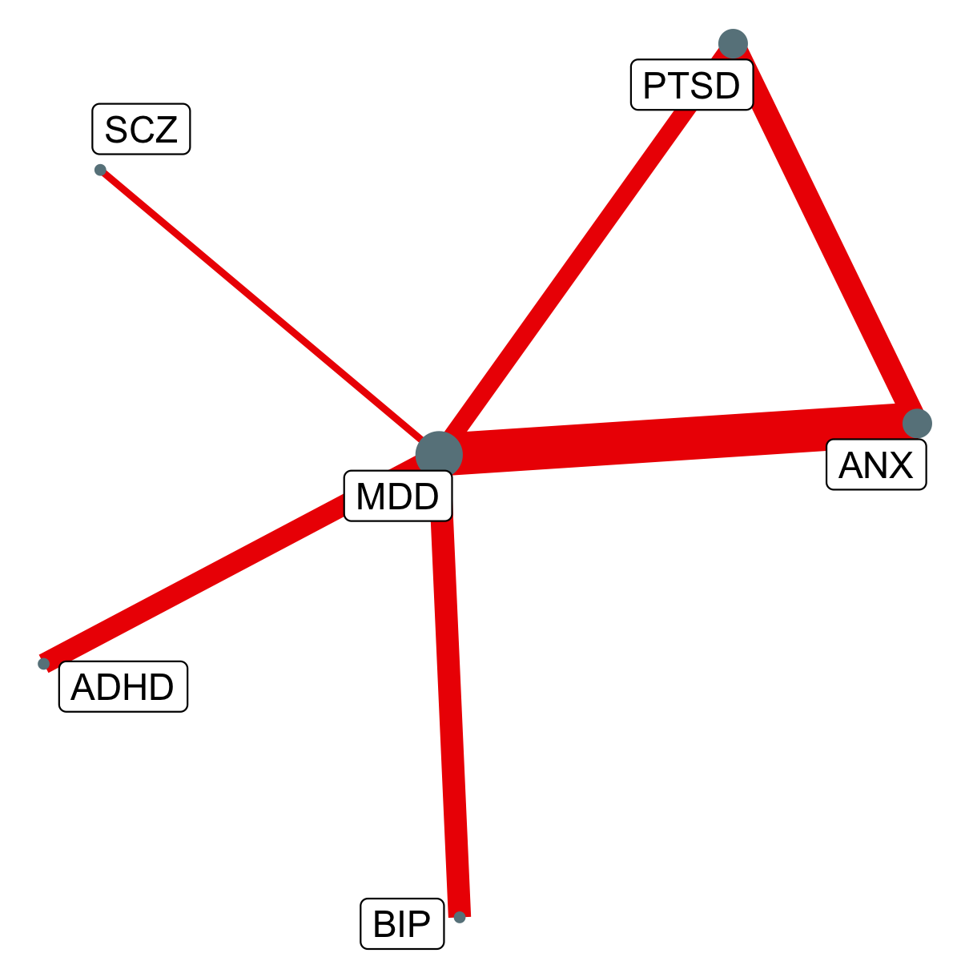

Suppl. Table 19
Supplementary Table 19. Sixth largest LAVA local genetic correlation hotspost in Locus 553
chr8: 64215359 - 66960438
Genes: BHLHE22; CYP7B1; ARMC1; MTFR1; PDE7A; DNAJC5B

Phenotype1 | Phenotype2 | Rho | CI.lower | CI.upper | R2 | P
ANX | MD | 0.74 | 0.6 | 0.89 | 0.55 | 1.80E-11
MD | PTSD | 0.69 | 0.51 | 0.87 | 0.47 | 1.50E-09
MD | SCZ | 0.61 | 0.43 | 0.78 | 0.37 | 1.50E-09
ANX | SCZ | 0.65 | 0.45 | 0.87 | 0.43 | 1.60E-08
BIP | MD | 0.61 | 0.4 | 0.85 | 0.38 | 2.60E-07
ANX | PTSD | 0.61 | 0.39 | 0.83 | 0.38 | 1.40E-06
Note. Rho = the LAVA local genetic correlation estimate for this locus; CI.lower = the lower bound of the 95% confidence interval on the estimate; CI.upper = the upper bound on the 95% confidence interval estimates; P = Empirical p-values (unadjusted) obtained via a permutation procedure with partial integration, evaluating the two-sided hypothesis of no association using the estimated parameters as test statistics. The sample sizes for the disorders are reported in Extended Data Table 1. ADHD = attention-deficit hyperactivity disorder; ASD = autism spectrum disorder; OCD = obsessive compulsive disorder; SCZ = schizophrenia; TS = Tourette’s syndrome; MD = Major Depression; AN = anorexia nervosa; BIP = bipolar disorder; ANX = anxiety disorder; PTSD = post-traumatic stress disorder; AUD = alcohol use disorder; OUD = opioid use disorder; NIC = nicotine dependence; CUD = cannabis use disorder. |  |  |  |  |  |  | 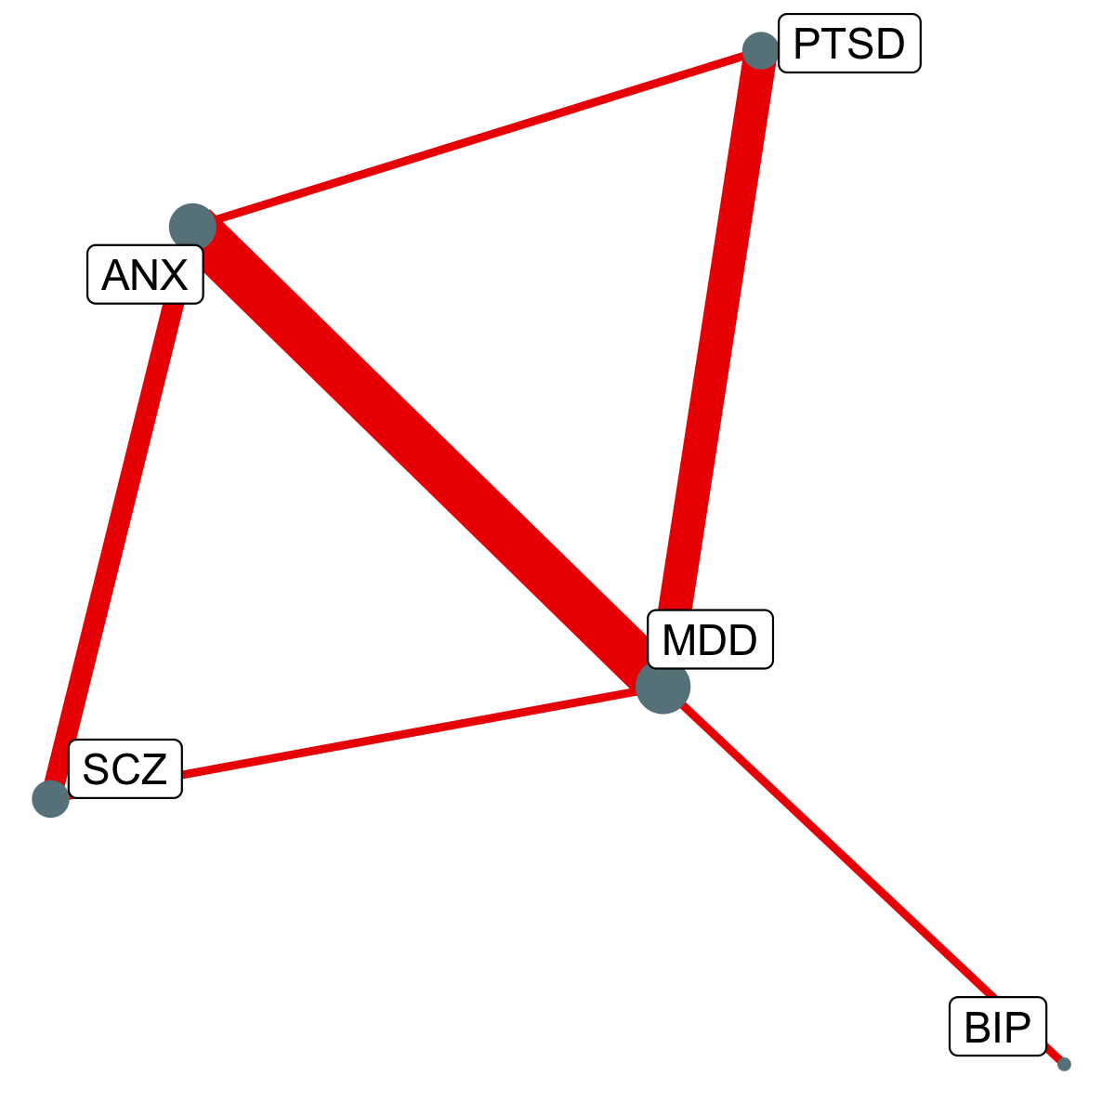

Suppl. Table 20
Supplementary Table 20. Seventh largest LAVA local genetic correlation hotspost in Locus 140
chr2: 144503689 - 147252196
Genes: ARHGAP15; GTDC1; ZEB2

Phenotype1 | Phenotype2 | Rho | CI.lower | CI.upper | R2 | P
ANX | SCZ | 0.81 | 0.59 | 1 | 0.65 | 1.00E-10
ANX | MD | 0.9 | 0.69 | 1 | 0.8 | 2.70E-09
ANX | PTSD | 0.7 | 0.49 | 0.94 | 0.49 | 8.90E-08
MD | PTSD | 0.58 | 0.39 | 0.78 | 0.34 | 5.70E-07
ADHD | MD | 0.62 | 0.4 | 0.85 | 0.38 | 7.50E-07
BIP | SCZ | 0.6 | 0.39 | 0.81 | 0.36 | 1.30E-06
Note. Rho = the LAVA local genetic correlation estimate for this locus; CI.lower = the lower bound of the 95% confidence interval on the estimate; CI.upper = the upper bound on the 95% confidence interval estimates; P = Empirical p-values (unadjusted) obtained via a permutation procedure with partial integration, evaluating the two-sided hypothesis of no association using the estimated parameters as test statistics. The sample sizes for the disorders are reported in Extended Data Table 1. ADHD = attention-deficit hyperactivity disorder; ASD = autism spectrum disorder; OCD = obsessive compulsive disorder; SCZ = schizophrenia; TS = Tourette’s syndrome; MD = Major Depression; AN = anorexia nervosa; BIP = bipolar disorder; ANX = anxiety disorder; PTSD = post-traumatic stress disorder; AUD = alcohol use disorder; OUD = opioid use disorder; NIC = nicotine dependence; CUD = cannabis use disorder. |  |  |  |  |  |  | 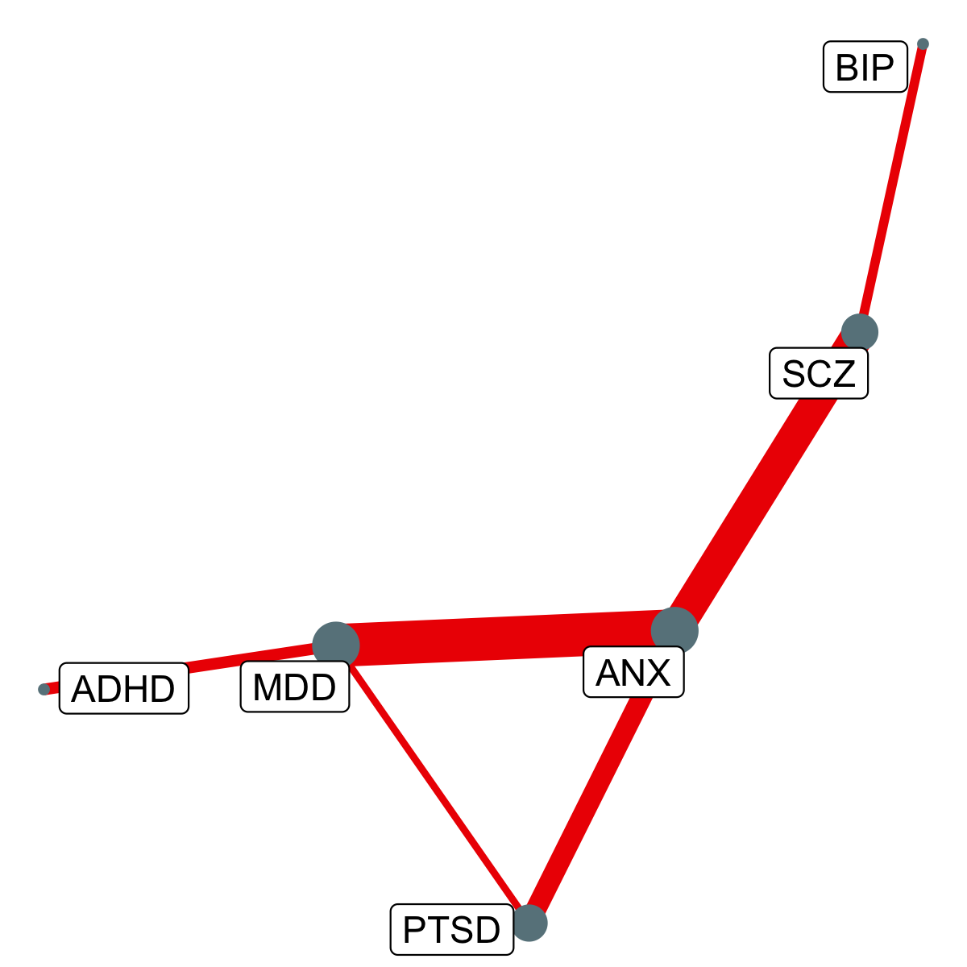

Suppl. Table 21
Supplementary Table 21. Eigth largest LAVA local genetic correlation hotspost in Locus 126
chr2: 100202437 - 105120578
Genes: AFF3; LONRF2; AC012493.2; CHST10; NMS; PDCL3; NPAS2; RPL31; TBC1D8; CNOT11; RNF149; CREG2; RFX8; MAP4K4; IL1R2; IL1R1; IL1RL2; IL1RL1; IL18R1; IL18RAP; SLC9A4; SLC9A2; MFSD9; TMEM182

Phenotype1 | Phenotype2 | Rho | CI.lower | CI.upper | R2 | P
MD | SCZ | 0.79 | 0.61 | 1 | 0.62 | 1.80E-13
MD | PTSD | 0.93 | 0.74 | 1 | 0.87 | 2.70E-13
ANX | MD | 0.85 | 0.66 | 1 | 0.72 | 3.90E-11
ADHD | MD | 0.62 | 0.45 | 0.81 | 0.39 | 6.60E-10
ADHD | BIP | 0.86 | 0.56 | 1 | 0.74 | 4.20E-07
BIP | PTSD | 0.87 | 0.54 | 1 | 0.76 | 2.00E-06
Note. Rho = the LAVA local genetic correlation estimate for this locus; CI.lower = the lower bound of the 95% confidence interval on the estimate; CI.upper = the upper bound on the 95% confidence interval estimates; P = Empirical p-values (unadjusted) obtained via a permutation procedure with partial integration, evaluating the two-sided hypothesis of no association using the estimated parameters as test statistics. The sample sizes for the disorders are reported in Extended Data Table 1. ADHD = attention-deficit hyperactivity disorder; ASD = autism spectrum disorder; OCD = obsessive compulsive disorder; SCZ = schizophrenia; TS = Tourette’s syndrome; MD = Major Depression; AN = anorexia nervosa; BIP = bipolar disorder; ANX = anxiety disorder; PTSD = post-traumatic stress disorder; AUD = alcohol use disorder; OUD = opioid use disorder; NIC = nicotine dependence; CUD = cannabis use disorder. |  |  |  |  |  |  | 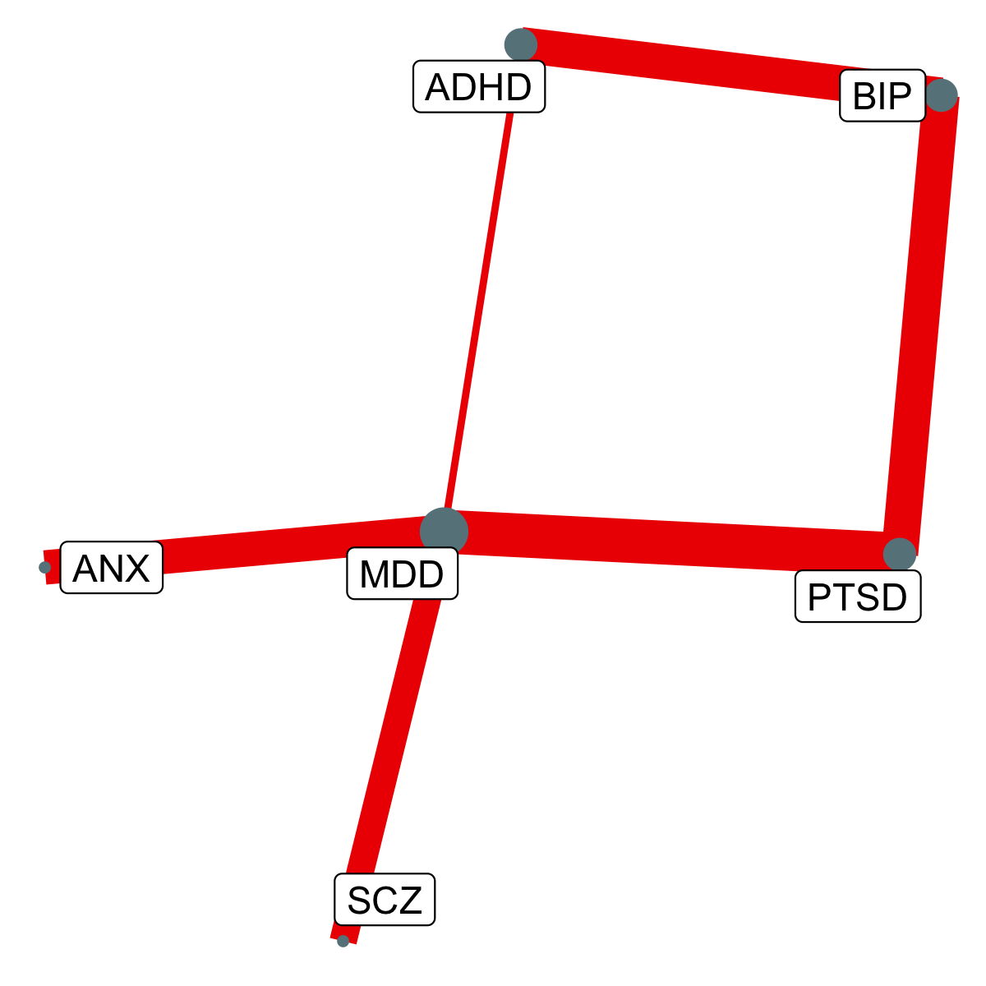

Suppl. Table 22
Supplementary Table 22. Ninth largest LAVA local genetic correlation hotspost in Locus 25
chr1: 70992906 - 75132092
Genes: PTGER3; ZRANB2; NEGR1; LRRIQ3; FPGT; TNNI3K; LRRC53; C1orf173

Phenotype1 | Phenotype2 | Rho | CI.lower | CI.upper | R2 | P
MD | PTSD | 0.85 | 0.72 | 1 | 0.73 | 1.50E-17
ANX | MD | 0.98 | 0.82 | 1 | 0.96 | 1.00E-15
ANX | PTSD | 0.81 | 0.6 | 1 | 0.66 | 4.70E-09
MD | SCZ | 0.43 | 0.28 | 0.57 | 0.18 | 1.10E-07
AUD | MD | 0.55 | 0.35 | 0.78 | 0.3 | 1.20E-06
Note. Rho = the LAVA local genetic correlation estimate for this locus; CI.lower = the lower bound of the 95% confidence interval on the estimate; CI.upper = the upper bound on the 95% confidence interval estimates; P = Empirical p-values (unadjusted) obtained via a permutation procedure with partial integration, evaluating the two-sided hypothesis of no association using the estimated parameters as test statistics. The sample sizes for the disorders are reported in Extended Data Table 1. ADHD = attention-deficit hyperactivity disorder; ASD = autism spectrum disorder; OCD = obsessive compulsive disorder; SCZ = schizophrenia; TS = Tourette’s syndrome; MD = Major Depression; AN = anorexia nervosa; BIP = bipolar disorder; ANX = anxiety disorder; PTSD = post-traumatic stress disorder; AUD = alcohol use disorder; OUD = opioid use disorder; NIC = nicotine dependence; CUD = cannabis use disorder. |  |  |  |  |  |  | 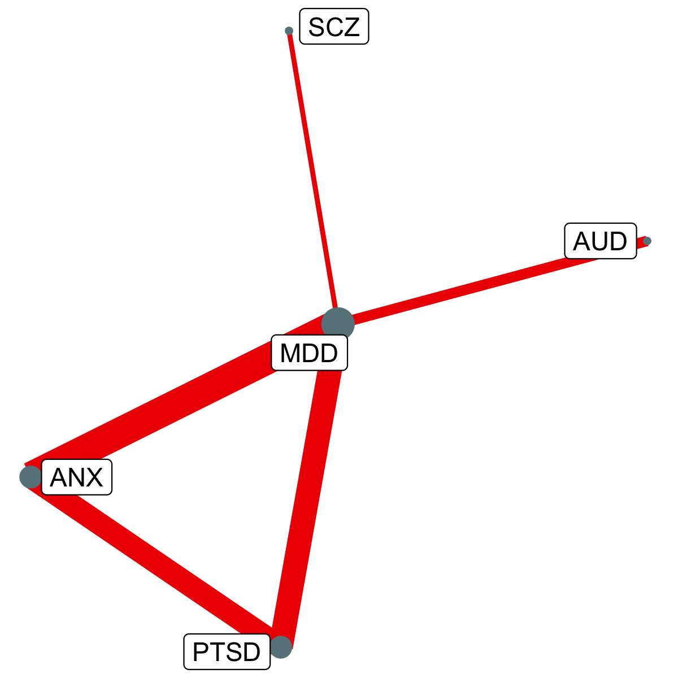

Suppl. Table 23
Supplementary Table 23. Tenth largest LAVA local genetic correlation hotspost in Locus 926
chr16: 62607091 - 65882820
Genes: CDH11

Phenotype1 | Phenotype2 | Rho | CI.lower | CI.upper | R2 | P
MD | PTSD | 0.84 | 0.63 | 1 | 0.71 | 4.20E-09
ANX | MD | 0.79 | 0.59 | 1 | 0.62 | 8.90E-09
BIP | MD | 0.72 | 0.48 | 1 | 0.51 | 1.40E-07
ANX | BIP | 0.79 | 0.51 | 1 | 0.63 | 7.80E-07
Note. Rho = the LAVA local genetic correlation estimate for this locus; CI.lower = the lower bound of the 95% confidence interval on the estimate; CI.upper = the upper bound on the 95% confidence interval estimates; P = Empirical p-values (unadjusted) obtained via a permutation procedure with partial integration, evaluating the two-sided hypothesis of no association using the estimated parameters as test statistics. The sample sizes for the disorders are reported in Extended Data Table 1. ADHD = attention-deficit hyperactivity disorder; ASD = autism spectrum disorder; OCD = obsessive compulsive disorder; SCZ = schizophrenia; TS = Tourette’s syndrome; MD = Major Depression; AN = anorexia nervosa; BIP = bipolar disorder; ANX = anxiety disorder; PTSD = post-traumatic stress disorder; AUD = alcohol use disorder; OUD = opioid use disorder; NIC = nicotine dependence; CUD = cannabis use disorder. |  |  |  |  |  |  | 