Extended Data Fig.4c
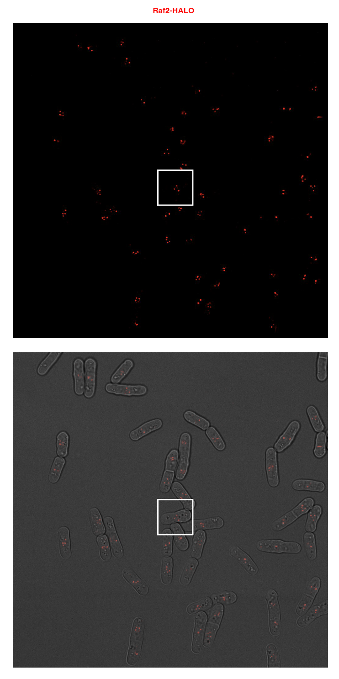
Extended Data Fig. 4c

