Extended Data Fig.6a
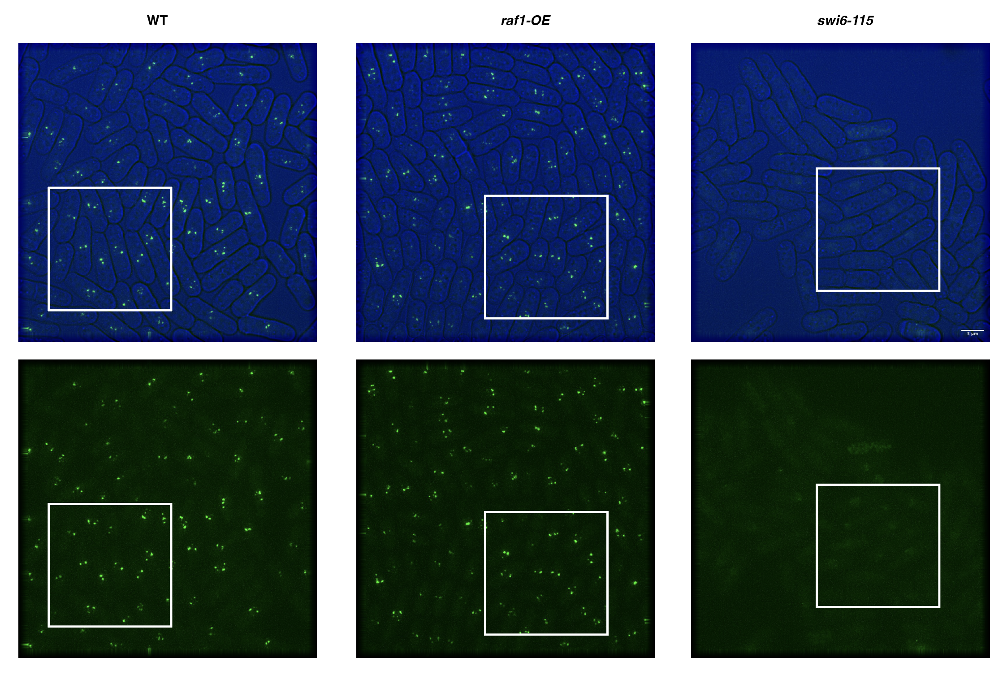
Extended Data Fig. 6a

Extended Data Fig.6b
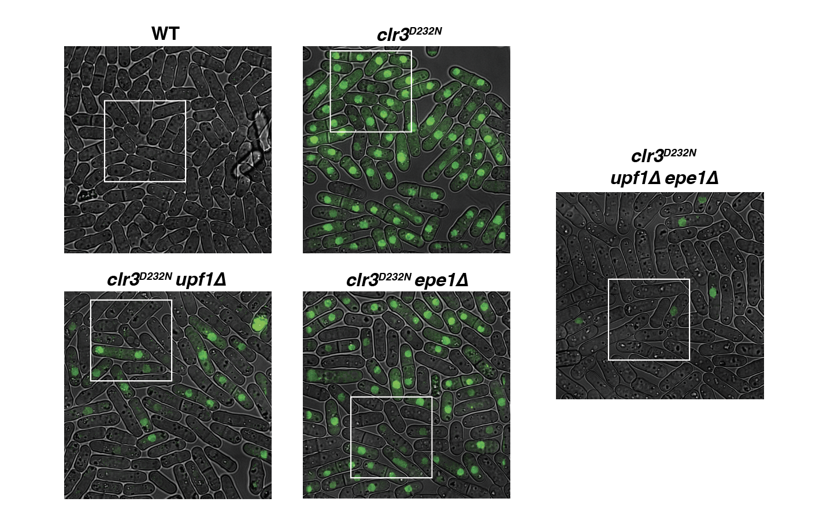
Extended Data Fig. 6b

