f
Plasma concentration (nM)
CA |  |  |  |  |  | CDCA
CD |  |  | LPD |  |  | CD |  |  | LPD
- | WT Bilo+Rombo | ∆nrfA Bilo+Rombo | - | WT Bilo+Rombo | ∆nrfA Bilo+Rombo | - | WT Bilo+Rombo | ∆nrfA Bilo+Rombo | - | WT Bilo+Rombo | ∆nrfA Bilo+Rombo
12.49193 | 8.267319 | 19.21564 | 6.220736 | 37.00223 | 1272.667 | 0.09 | 1.275389 | 2.376831 | 0.09 | 3.638668 | 88.36708
8.47926 | 10.04297 | 6.626746 | 5.487225 | 53.83507 | 924.376 | 0.09 | 1.564143 | 0.09 | 2.59855 | 4.564216 | 53.60095
8.015796 | 13.34563 | 28.55206 | 5.653169 | 127.7279 | 517.7959 | 0.09 | 1.611589 | 1.680533 | 0.09 | 5.190209 | 7.454953
9.161788 | 9.678946 | 12.36578 | 6.221164 | 274.0496 | 1378.42 | 0.09 | 0.09 | 0.09 | 0.09 | 6.793427 | 100.1189
 |  |  | 7.587229 | 25.19401 | 1061.39 |  |  |  | 0.09 | 5.105213 | 73.07081
 |  |  | 29.66008 | 182.0284 | 290.3963 |  |  |  | 3.824729 | 43.09114 | 6.530127
 |  |  | 5.364999 | 602.5498 | 376.7337 |  |  |  | 0.09 | 17.80084 | 33.24794
 |  |  |  |  | 1490.952 |  |  |  |  |  | 109.6535

7oxoDCA |  |  |  |  |  | UDCA
CD |  |  | LPD |  |  | CD |  |  | LPD
- | WT Bilo+Rombo | ∆nrfA Bilo+Rombo | - | WT Bilo+Rombo | ∆nrfA Bilo+Rombo | - | WT Bilo+Rombo | ∆nrfA Bilo+Rombo | - | WT Bilo+Rombo | ∆nrfA Bilo+Rombo
0.105 | 0.590832 | 0.617267 | 0.105 | 4.143664 | 0.105 | 0.09 | 3.010966 | 8.312851 | 0.09 | 13.03109 | 167.5067
0.105 | 0.762684 | 0.105 | 0.105 | 3.626856 | 65.64201 | 0.09 | 6.544055 | 0.31749 | 1.183479 | 29.67659 | 117.3554
0.105 | 0.751002 | 1.559736 | 0.105 | 27.87443 | 38.89526 | 0.393428 | 8.455693 | 1.278955 | 0.09 | 13.46686 | 9.824515
0.105 | 0.630453 | 0.105 | 0.105 | 59.98774 | 102.946 | 0.09 | 3.590621 | 0.486949 | 0.09 | 17.55534 | 198.4235
 |  |  | 0.105 | 3.212209 | 64.95835 |  |  |  | 0.09 | 42.53322 | 140.3055
 |  |  | 1.956207 | 0.105 | 55.26233 |  |  |  | 9.44144 | 398.5957 | 18.07451
 |  |  | 0.105 | 43.4303 | 22.1406 |  |  |  | 0.09 | 46.5565 | 60.27951
 |  |  |  |  | 129.9884 |  |  |  |  |  | 227.7011
UCA
CD |  |  | LPD
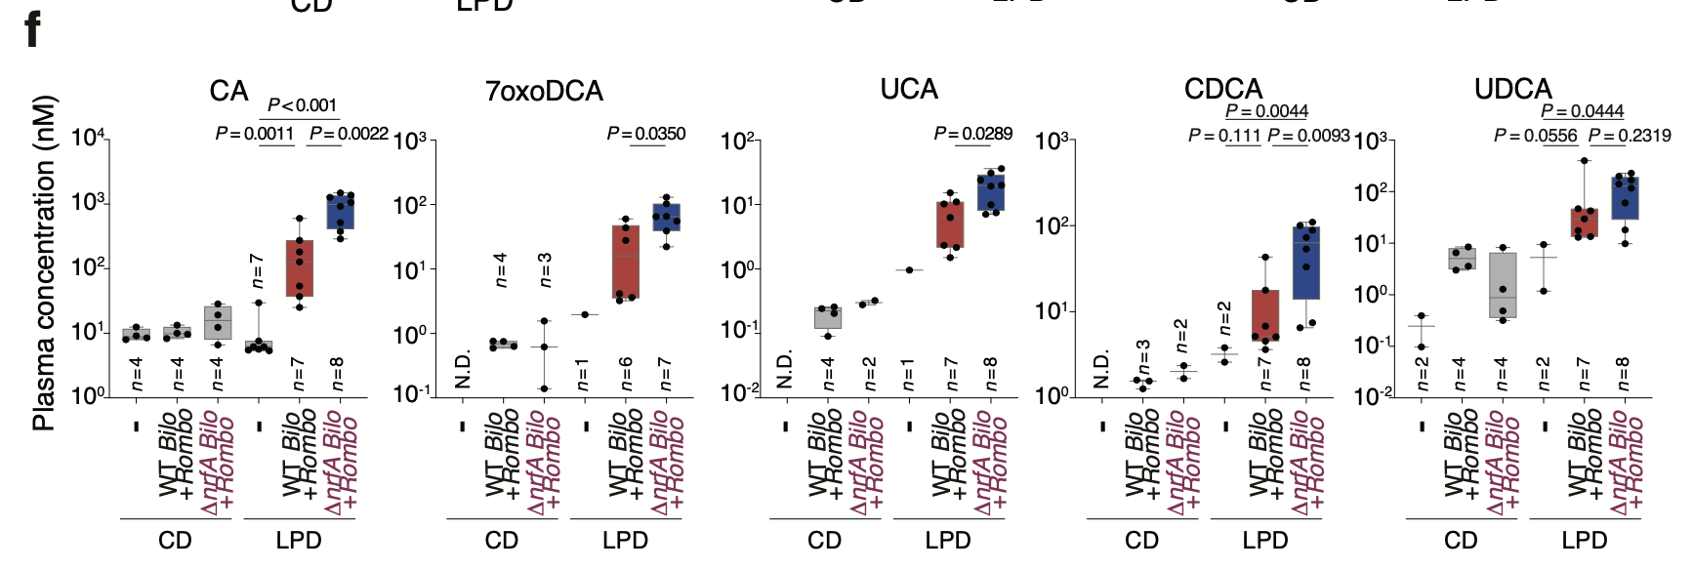
- | WT Bilo+Rombo | ∆nrfA Bilo+Rombo | - | WT Bilo+Rombo | ∆nrfA Bilo+Rombo
0.08 | 0.090273 | 0.323221 | 0.08 | 1.505451 | 24.02114
0.08 | 0.242597 | 0.08 | 0.08 | 2.320545 | 19.33883
0.08 | 0.257768 | 0.27786 | 0.08 | 6.281833 | 7.481711
0.08 | 0.204574 | 0.08 | 0.08 | 11.00381 | 30.78109
 |  |  | 0.08 | 2.156919 | 19.99354
 |  |  | 0.959091 | 10.24466 | 9.992883
 |  |  | 0.08 | 15.22562 | 7.051143
 |  |  |  |  | 36.12606

