Extended Data Figure 5d
Extended Data Figure 5d | See also Supplementary Figure 1

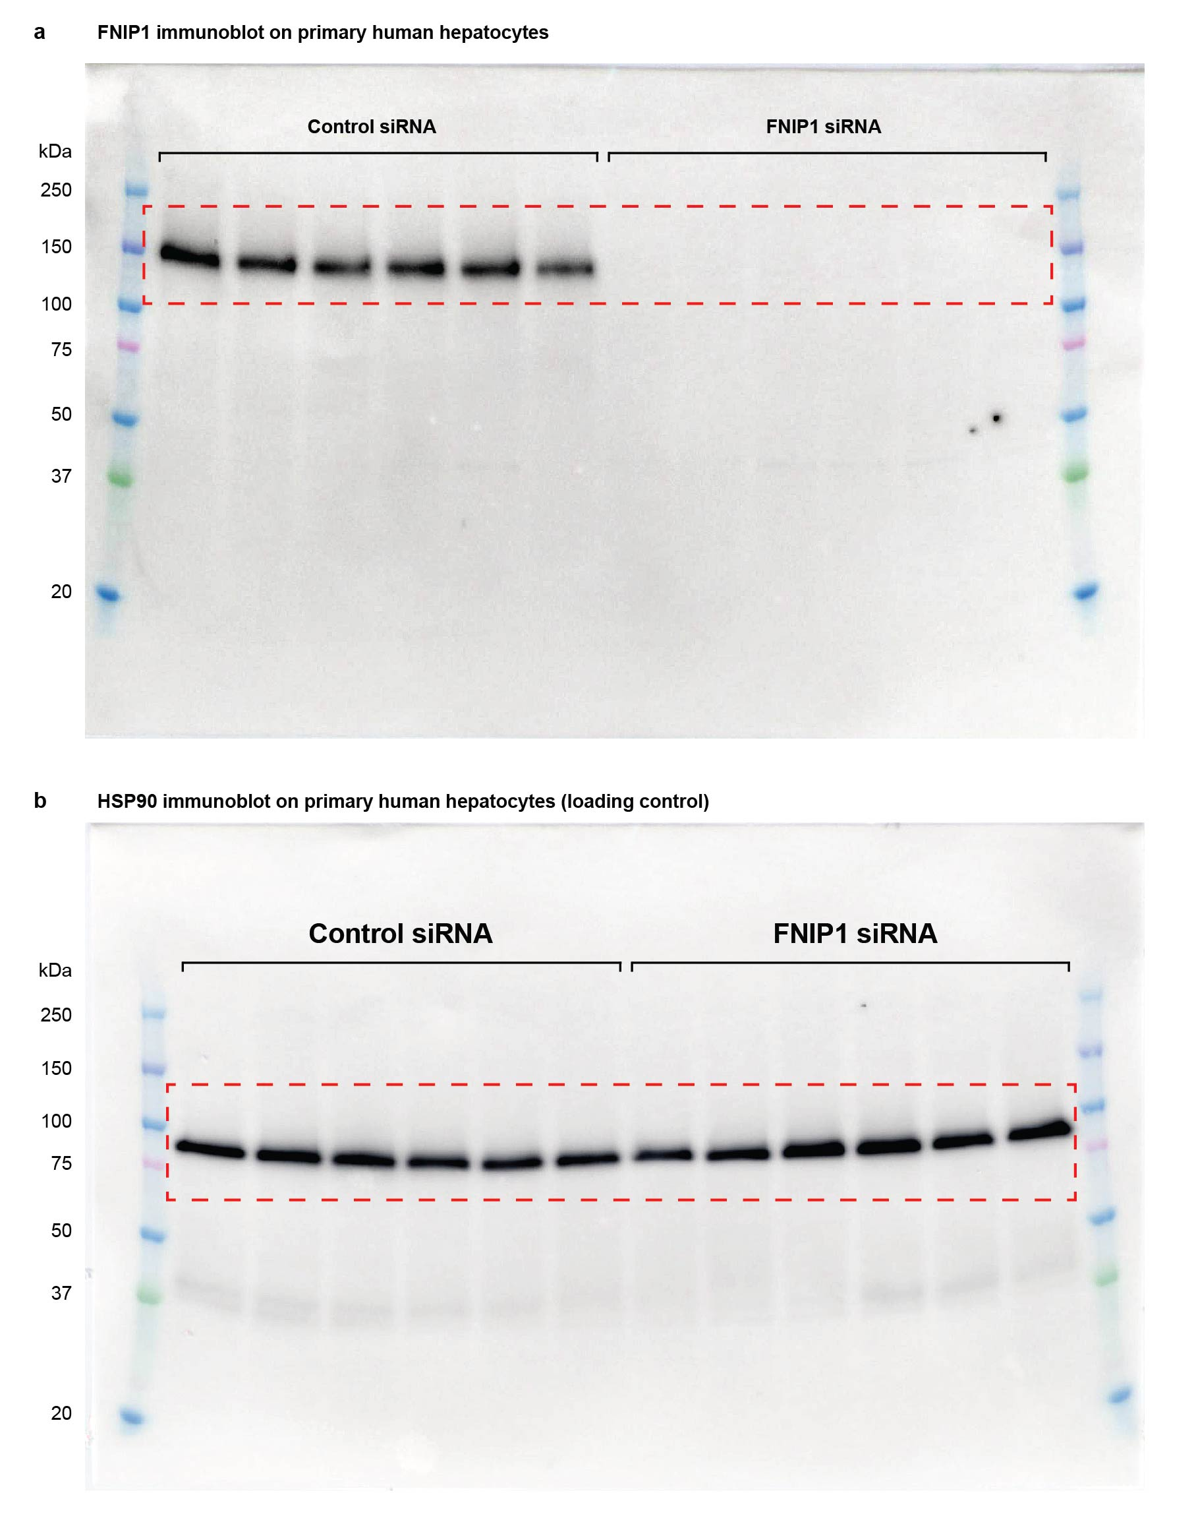

 |  | anti-FNIP1 immunoblot

 |  | anti-HSP90 immunoblot

