Extended Fig. 1a CN-PAGE
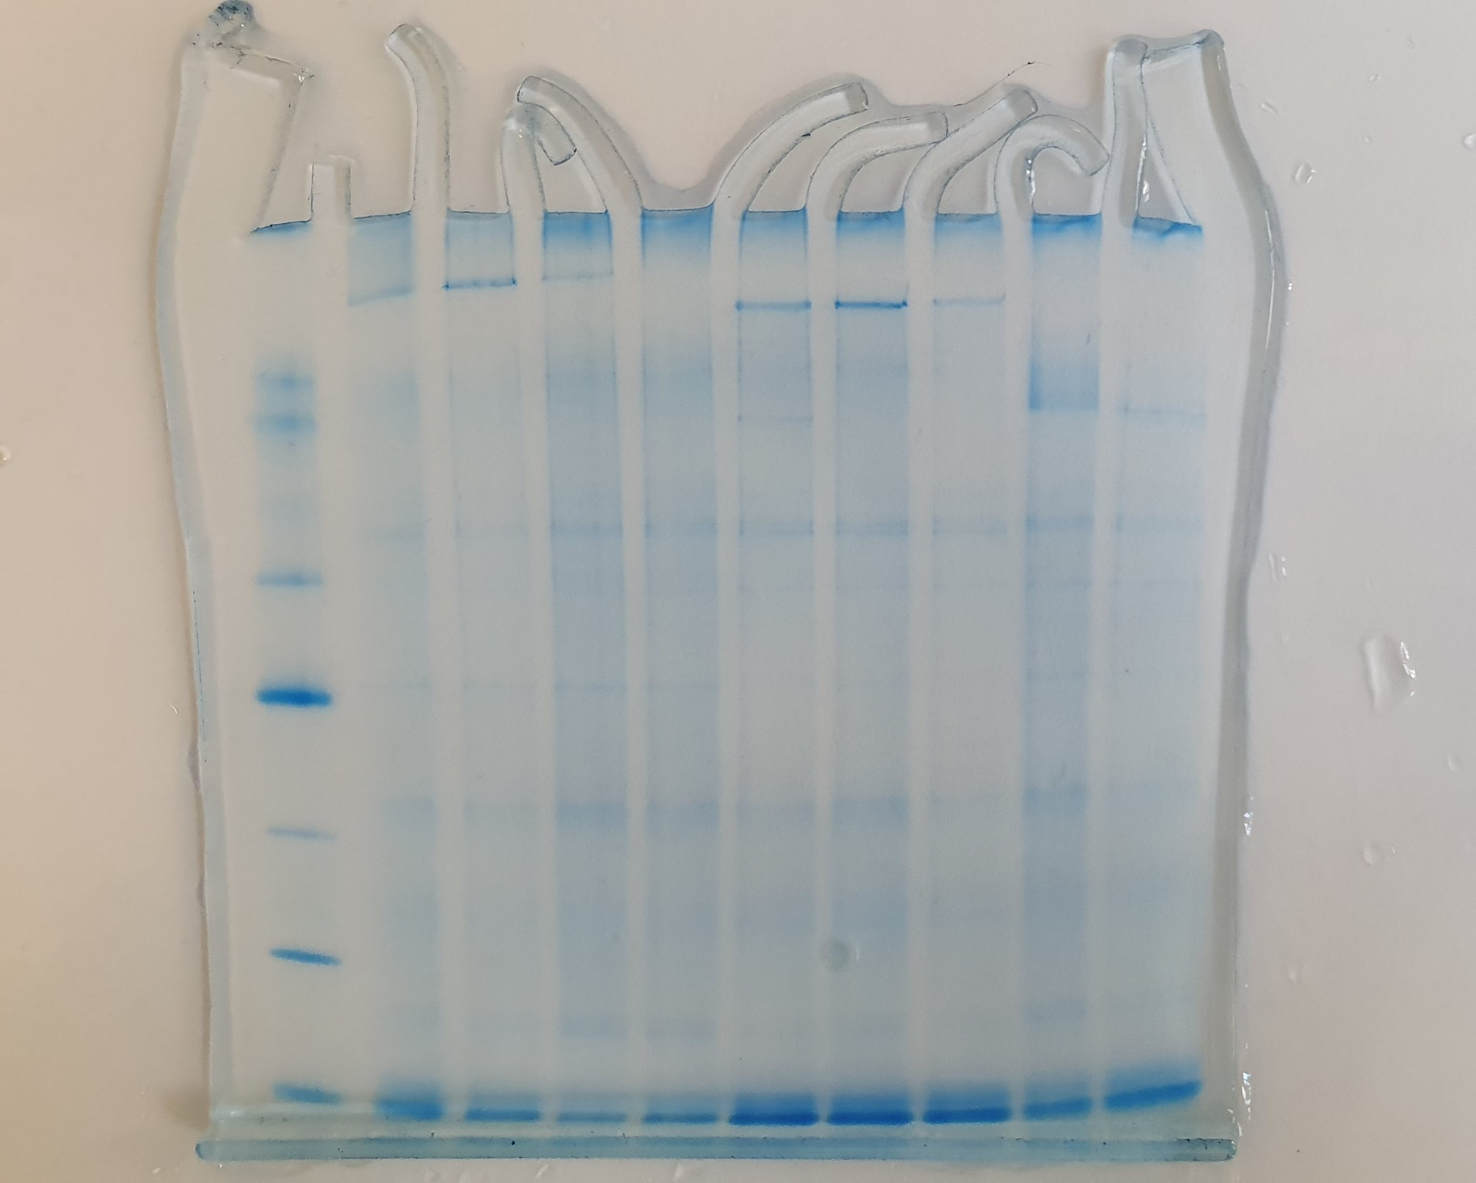

Extended Fig. 1b SDS-PAGE
