Extended Data Fig. 5cd
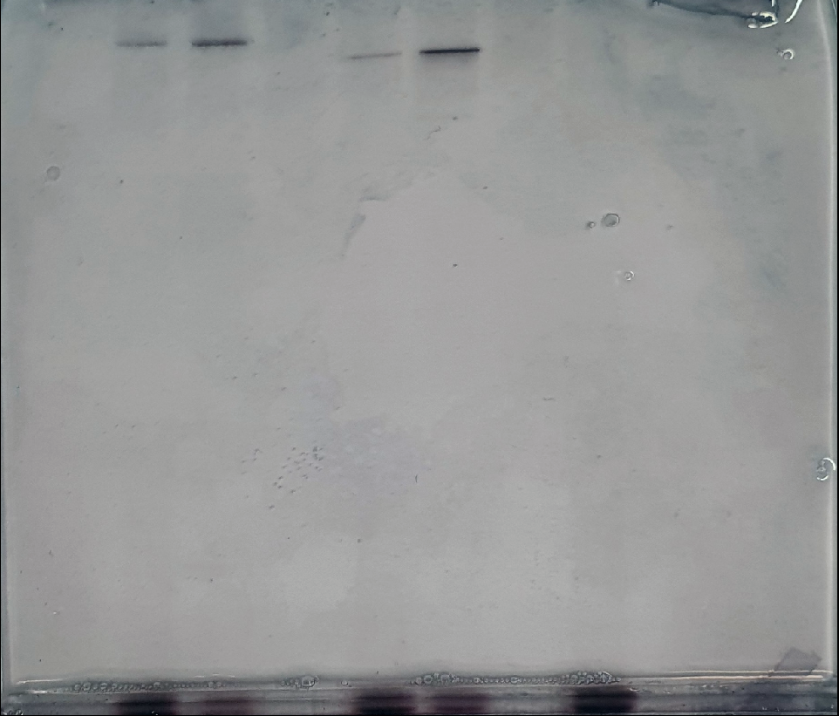
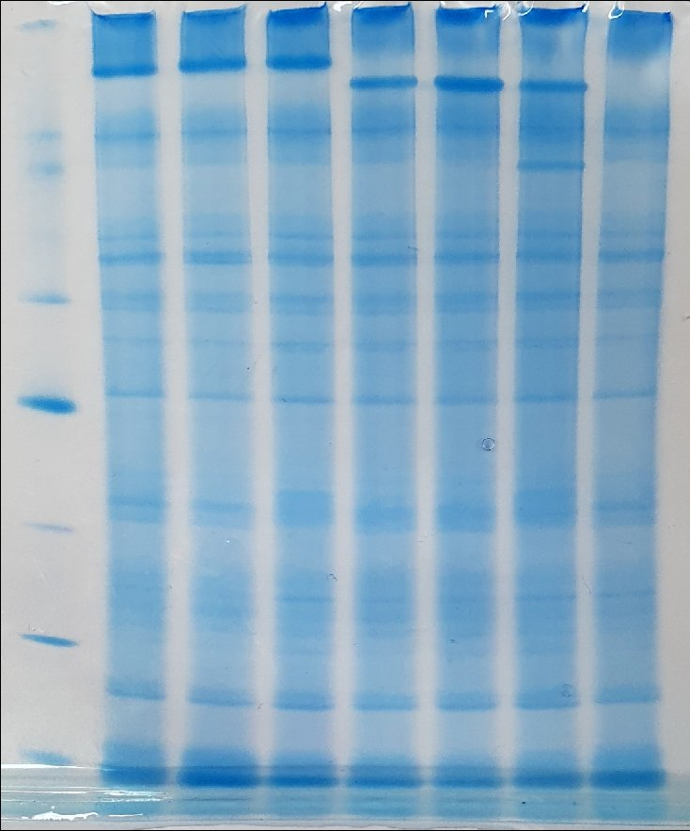
Coomassie-stained | DAB/H2O2 treated

