Tab14_MSMS_Palmitoylcarnitine
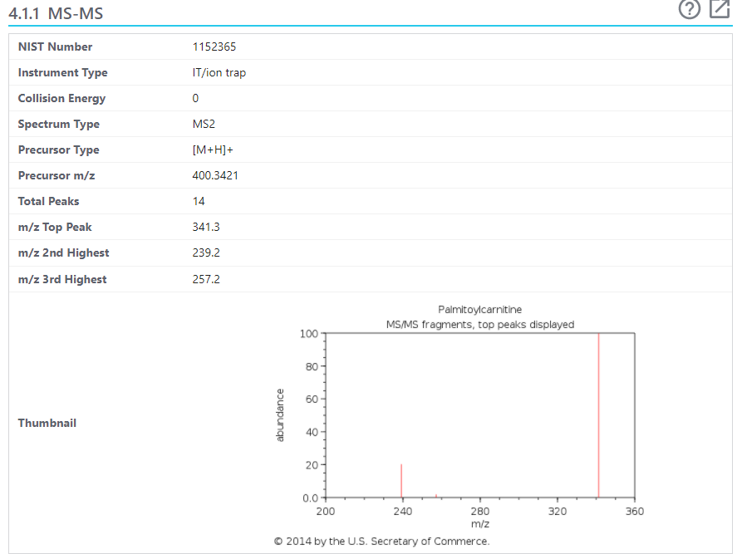
Precursor ion m/z 400.34, isolation window 1 m/z, 12 eV

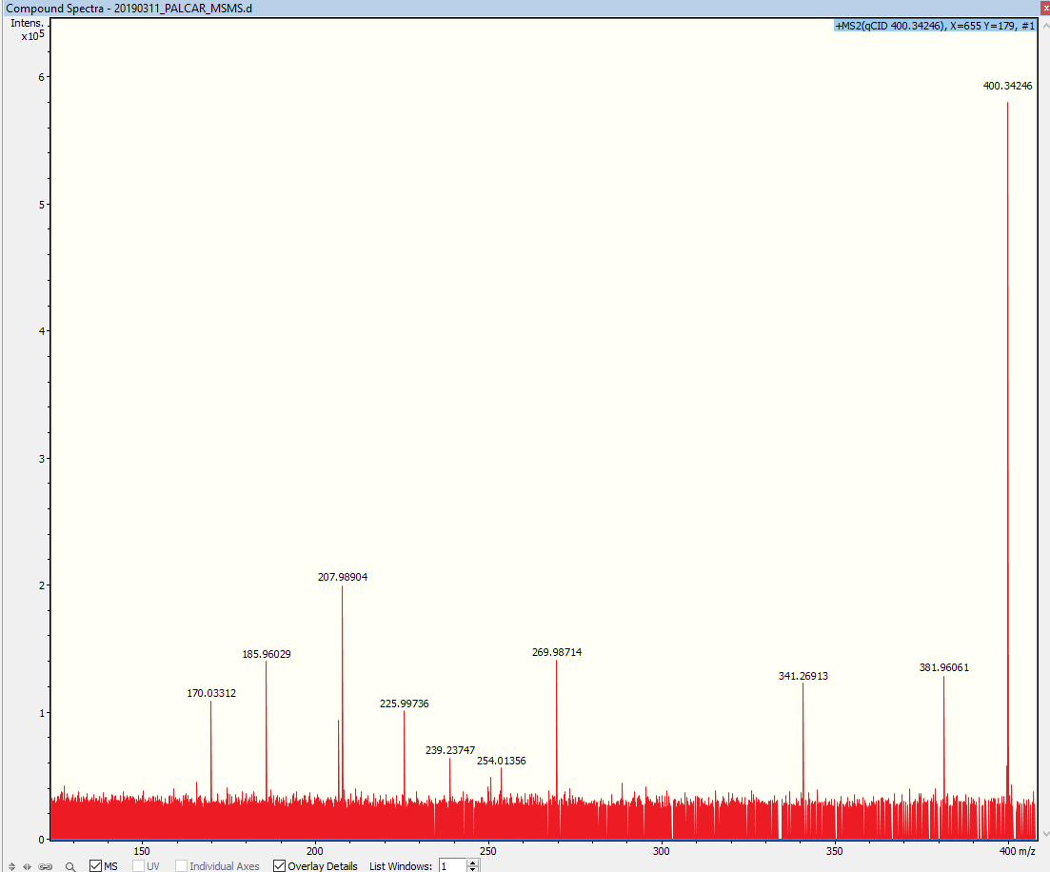
Palmitoyl-L-Carnitine mouse brain tissue
m/z | Intensity
170.03312 | 109585
185.96029 | 140819
207.01473 | 93675
207.98904 | 201219
225.99736 | 101575
239.23747 | 64522
254.01356 | 56441
269.98714 | 142248
341.26913 | 123607
381.96061 | 129864
400.34246 | 580208

Reference spectra: |  | https://pubchem.ncbi.nlm.nih.gov/compound/L-Palmitoylcarnitine#section=MS-MS

Tab16_MSMS_PC(36_1)
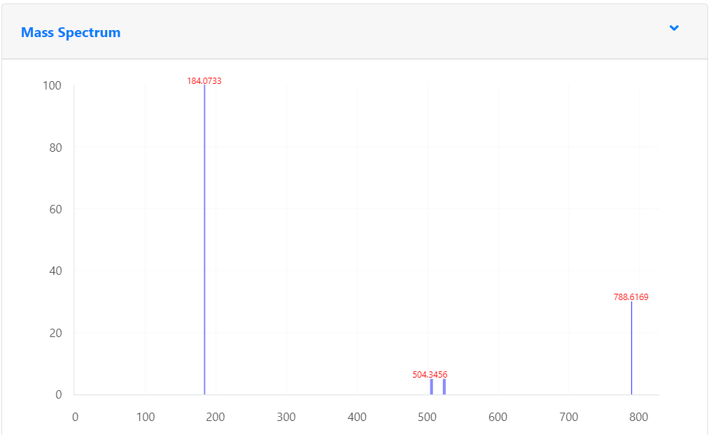
Precursor ion m/z 788.62, isolation window 1 m/z


PC(36:1) mouse brain tissue, 20 eV
m/z | Intensity
86.09693 | 1643459 | PC head group fragment
89.38890 | 233670
92.03716 | 995709
92.03756 | 3172794
92.03796 | 1229961
98.98468 | 1579212
104.10749 | 792292
125.00035 | 13304960 | PC head group fragment
162.95625 | 754464
166.06329 | 345616
184.07386 | 515833856 | Phosphocholine head group ([C5H15O4NP]+)
185.07088 | 944960
185.07722 | 12198912
186.07813 | 561216
198.08953 | 503216
249.99721 | 523264
368.13469 | 5245440
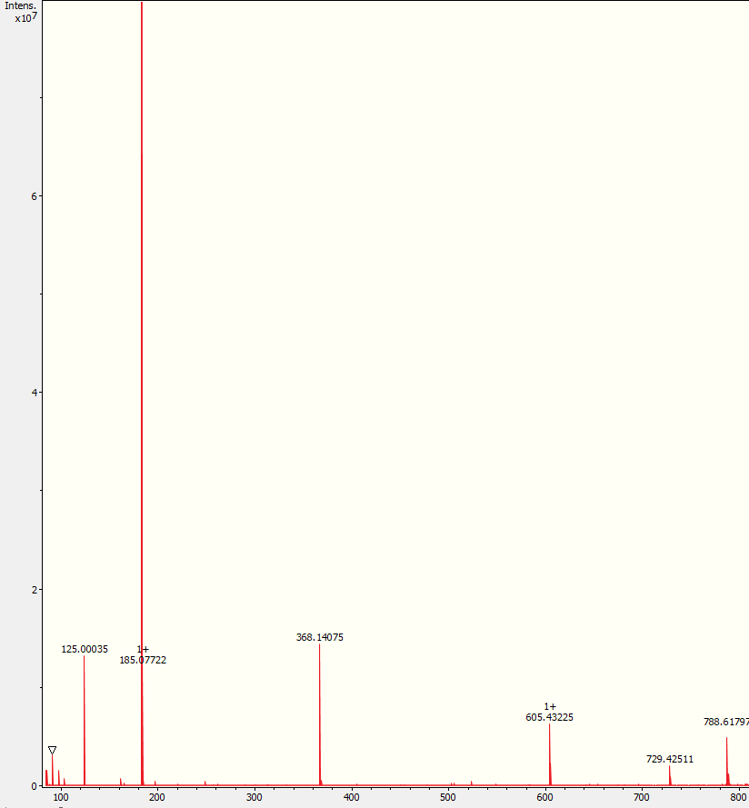
368.14075 | 14499840
368.14530 | 906752
370.14073 | 574912
370.14731 | 441536
504.34590 | 294560 | LPC (loss of f.a) acyl 18:1
506.36086 | 308640 | LPC (loss of f.a) acyl 18:0
524.37171 | 482112 | LPC (loss of ketene) acyl 18:0
605.43225 | 6316032 | DG (from PC) diacyl 36:1
606.43540 | 2407936
729.42511 | 2073600 | Loss of C3H9N from head group
730.42855 | 1004416
788.49898 | 965120
788.61797 | 4938752 | PC(36:1)
789.50169 | 526336
789.62138 | 1304832

 |  |  | Reference spectra : https://mona.fiehnlab.ucdavis.edu/spectra/display/LipidBlast060971

Tab17_MSMS_PI(36_4)
Precursor ion m/z 857.514, isolation window 1 m/z
PI(36:4) mouse brain tissue, 20 eV

m/z | Intensity
89.38843 | 501982
124.00737 | 1720176
126.90504 | 345464
156.01072 | 212012
241.01180 | 413952 | Inositol phosphate ion - H2O
255.23285 | 240064 | sn1 RCOO- ion
391.22515 | 565760 | Neutral loss of sn2 RCOOH group and inositol from [M-H]-
553.27735 | 269760 | Neutral loss of sn2 RCOOH group from [M-H]-
715.57330 | 567552
857.51450 | 2781184 | Precursor ion [M-H]-
858.51813 | 433536

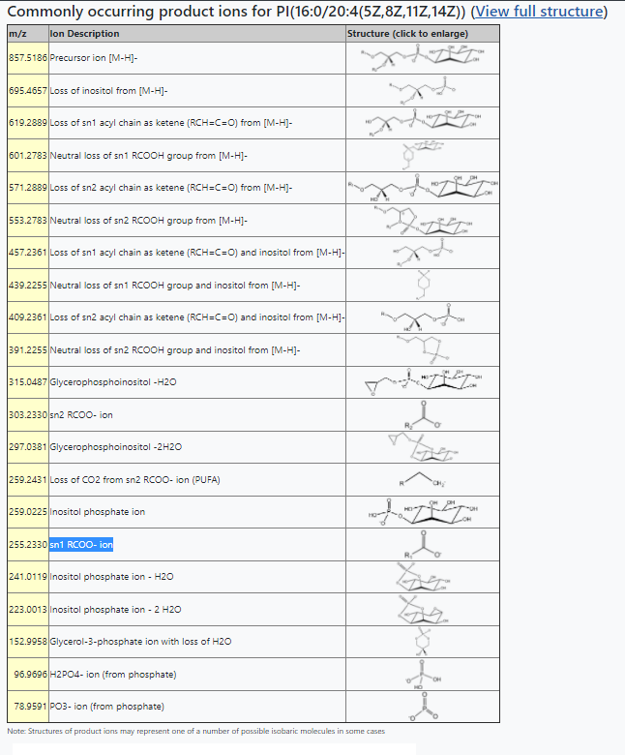
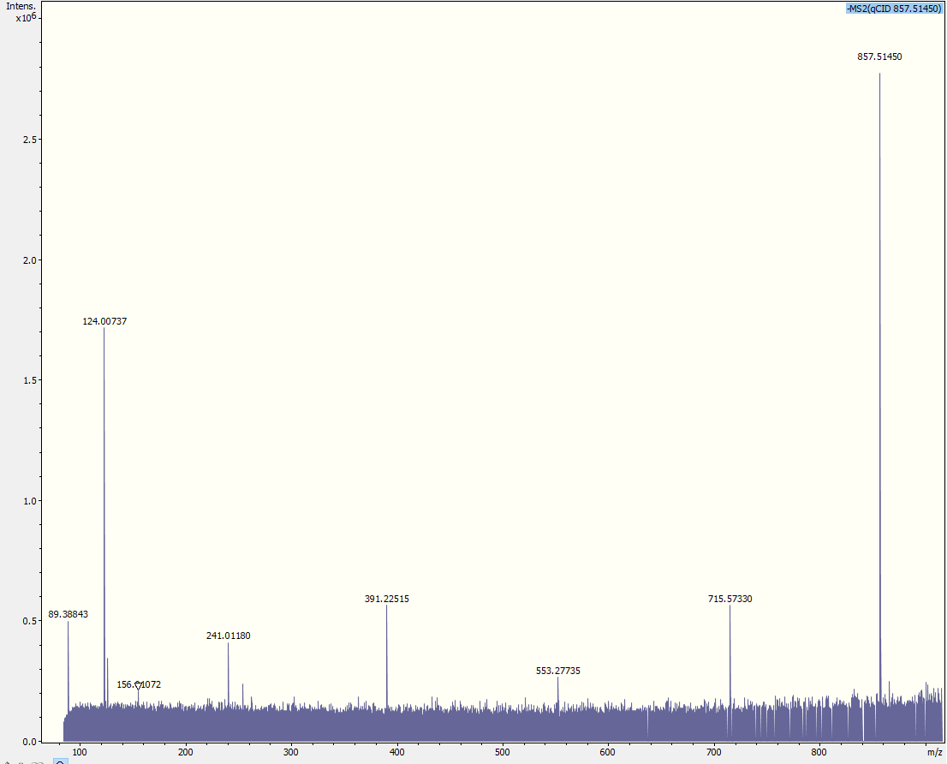

 |  |  | Source: https://www.lipidmaps.org/tools/structuredrawing/GP_p.php?headgroup=PI&sn1=16:0&sn2=20:4(5Z,8Z,11Z,14Z)

Tab18_MSMS_Penk(197-208)
Penk(197-208) SPQLEDEAKELQ, m/z 1386.67

 | Reference: Hulme H, Fridjonsdottir E, Gunnarsdottir H, Vallianatou T, Zhang X, Wadensten H, Shariatgorji R, Nilsson A, Bezard E, Svenningsson P, Andrén PE. Simultaneous mass spectrometry imaging of multiple neuropeptides in the brain and alterations induced by experimental parkinsonism and L-DOPA therapy. Neurobiol Dis. 2020 Apr;137:104738. doi: 10.1016/j.nbd.2020.104738. PMID: 31927144.

Penk(197-208) SPQLEDEAKELQ, m/z 1386.67, Mouse (Suppl. Fig. 5)
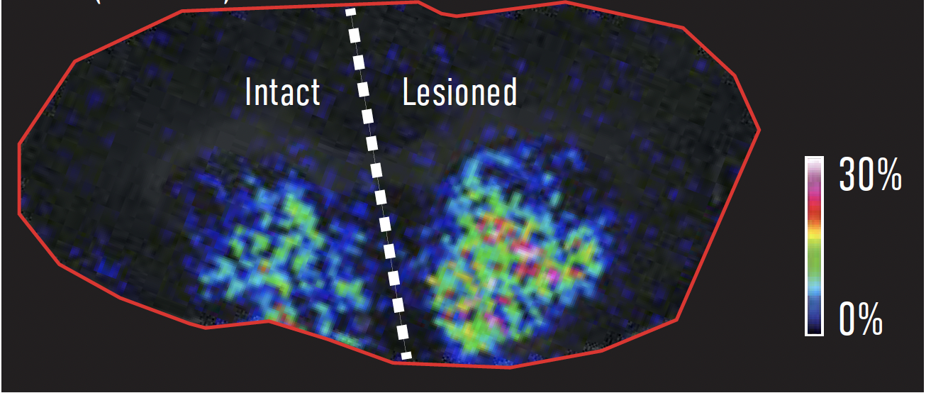

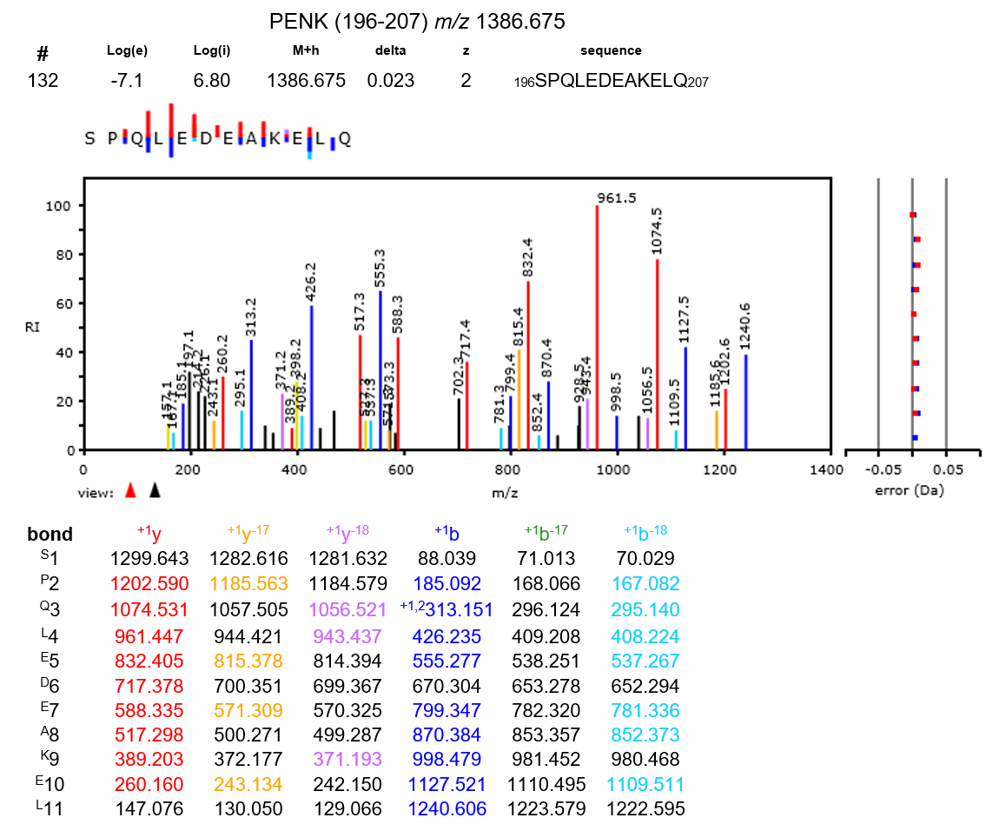
Corresponding gene: spatial gene expression of Penk (Suppl. Fig. 5)
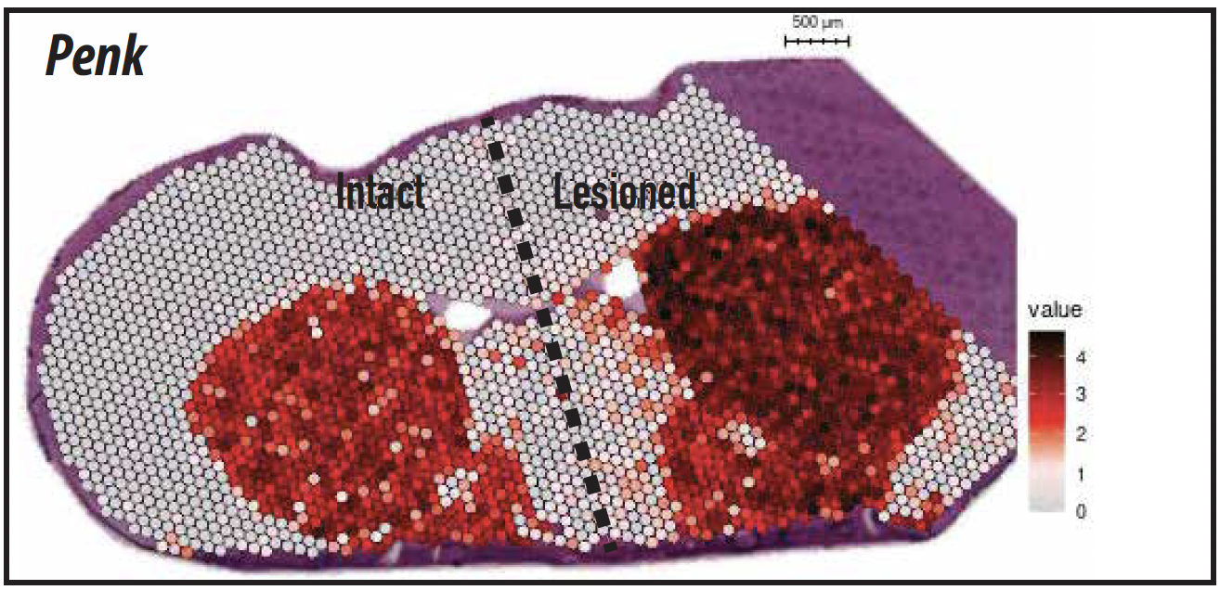

 | Reference: Hanrieder J, Ljungdahl A, Fälth M, Mammo SE, Bergquist J, Andersson M. L-DOPA-induced dyskinesia is associated with regional increase of striatal dynorphin peptides as elucidated by imaging mass spectrometry. Mol Cell Proteomics. 2011 Oct;10(10):M111.009308. doi: 10.1074/mcp.M111.009308. PMID: 21737418

Tab19_MSMS_Alpha-neoend.(2-10)
Alpha-neoendorphin(2-10), GGFLRKYPK, m/z 1065.62

 | Reference: Hulme H, Fridjonsdottir E, Gunnarsdottir H, Vallianatou T, Zhang X, Wadensten H, Shariatgorji R, Nilsson A, Bezard E, Svenningsson P, Andrén PE. Simultaneous mass spectrometry imaging of multiple neuropeptides in the brain and alterations induced by experimental parkinsonism and L-DOPA therapy. Neurobiol Dis. 2020 Apr;137:104738. doi: 10.1016/j.nbd.2020.104738. PMID: 31927144.

Alpha-neoendorphin(2-10), GGFLRKYPK, m/z 1065.62, Mouse (Suppl. Fig. 5)
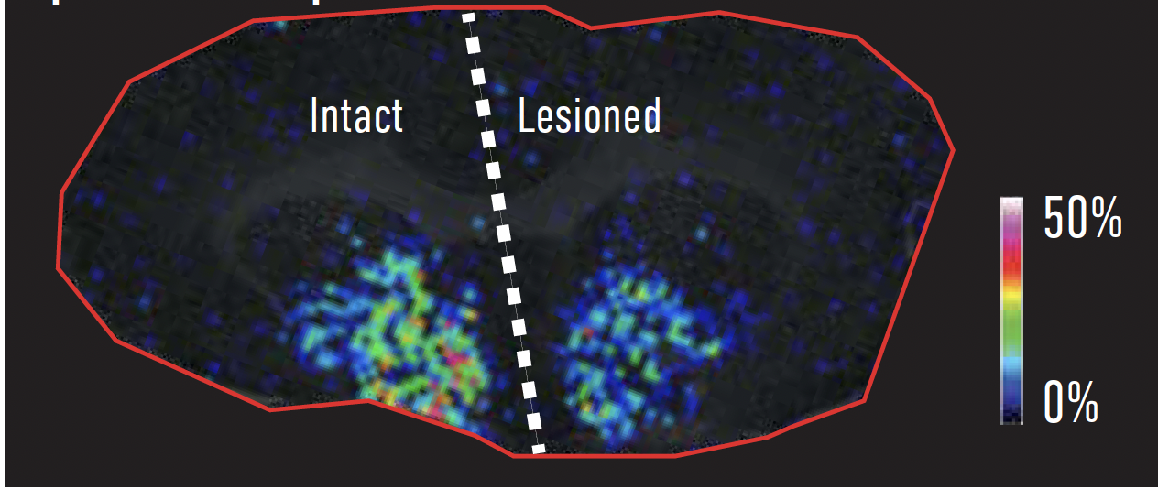

Corresponding gene: spatial gene expression of Tac1 (Suppl. Fig. 5)
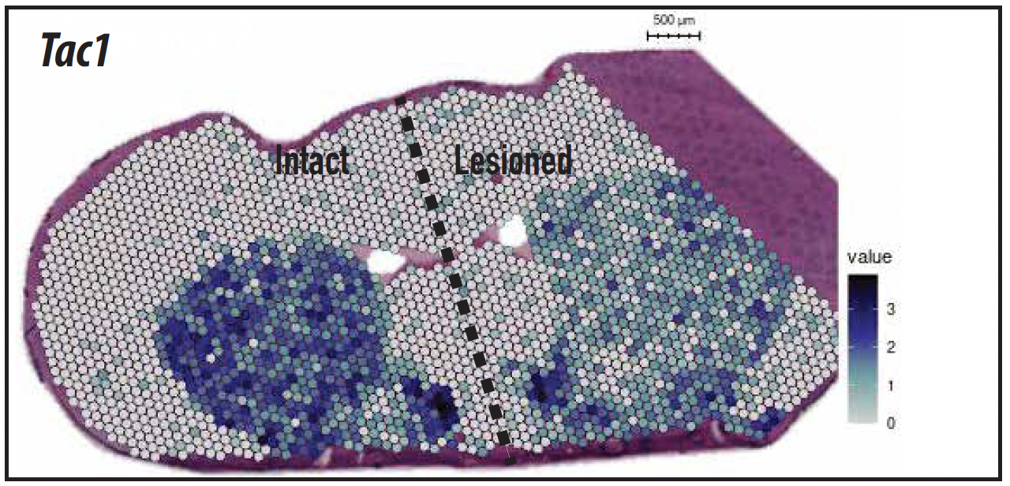

 | Reference: Hanrieder J, Ljungdahl A, Fälth M, Mammo SE, Bergquist J, Andersson M. L-DOPA-induced dyskinesia is associated with regional increase of striatal dynorphin peptides as elucidated by imaging mass spectrometry. Mol Cell Proteomics. 2011 Oct;10(10):M111.009308. doi: 10.1074/mcp.M111.009308. PMID: 21737418

