Figure 6
Figure 6a. Level of human engraftment and tissue distribution in bone marrow (BM) of MLE mice receiving RM TOM cohort#4
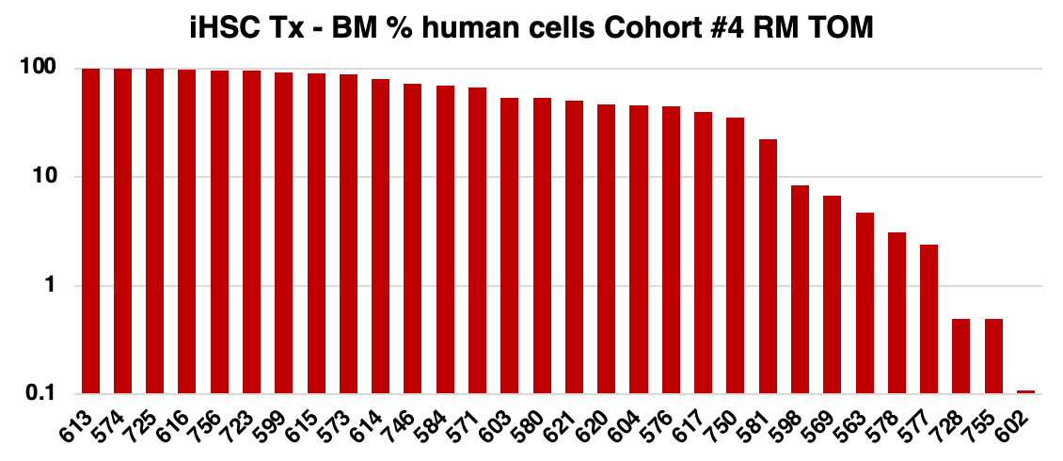
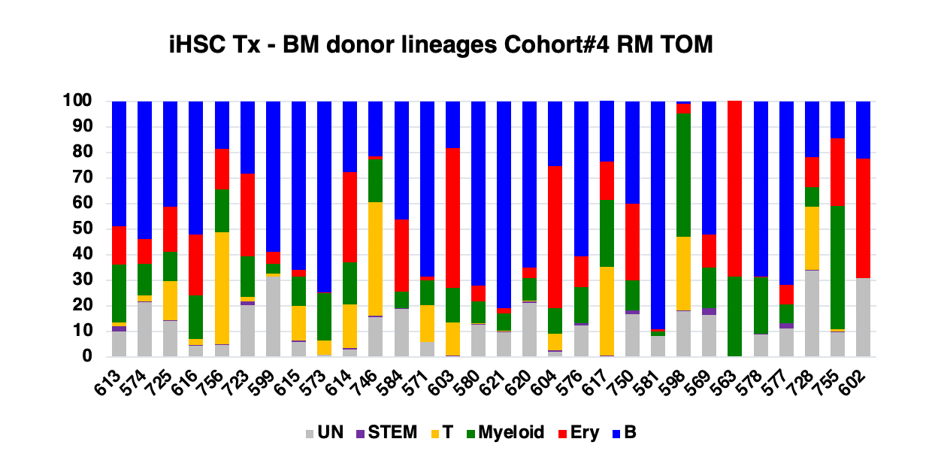
 |  |  |  |  |  |  |  |  |  | Mouse ID | TOTAL BM |  |  |  |  |  |  |  |  |  |  |  | Mouse ID | UN | STEM | T | Myeloid | Ery | B
 |  |  |  |  |  |  |  |  |  | 613 | 99.7 |  |  |  |  |  |  |  |  |  |  |  | 613 | 10.2 | 2.0 | 1.4 | 22.5 | 15.1 | 48.8
 |  |  |  |  |  |  |  |  |  | 574 | 99.4 |  |  |  |  |  |  |  |  |  |  |  | 574 | 21.4 | 0.3 | 2.4 | 12.4 | 9.8 | 53.7
 |  |  |  |  |  |  |  |  |  | 725 | 99.2 |  |  |  |  |  |  |  |  |  |  |  | 725 | 14.2 | 0.3 | 15.3 | 11.3 | 17.7 | 41.2
 |  |  |  |  |  |  |  |  |  | 616 | 98.4 |  |  |  |  |  |  |  |  |  |  |  | 616 | 4.4 | 0.5 | 2.3 | 17.0 | 23.8 | 52.0
 |  |  |  |  |  |  |  |  |  | 756 | 96.5 |  |  |  |  |  |  |  |  |  |  |  | 756 | 4.9 | 0.1 | 43.8 | 16.7 | 16.0 | 18.5
 |  |  |  |  |  |  |  |  |  | 723 | 96.2 |  |  |  |  |  |  |  |  |  |  |  | 723 | 20.3 | 1.5 | 1.7 | 15.9 | 32.4 | 28.2
 |  |  |  |  |  |  |  |  |  | 599 | 92.3 |  |  |  |  |  |  |  |  |  |  |  | 599 | 31.4 | 0.1 | 1.2 | 3.9 | 4.6 | 58.8
 |  |  |  |  |  |  |  |  |  | 615 | 89.2 |  |  |  |  |  |  |  |  |  |  |  | 615 | 5.9 | 0.7 | 13.6 | 11.4 | 2.5 | 65.9
 |  |  |  |  |  |  |  |  |  | 573 | 89.1 |  |  |  |  |  |  |  |  |  |  |  | 573 | 0.9 | 0.2 | 5.6 | 18.4 | 0.3 | 74.6
 |  |  |  |  |  |  |  |  |  | 614 | 79.2 |  |  |  |  |  |  |  |  |  |  |  | 614 | 3.1 | 0.4 | 17.1 | 16.4 | 35.3 | 27.7
 |  |  |  |  |  |  |  |  |  | 746 | 72.7 |  |  |  |  |  |  |  |  |  |  |  | 746 | 15.8 | 0.4 | 44.5 | 16.6 | 1.3 | 21.4
 |  |  |  |  |  |  |  |  |  | 584 | 68.9 |  |  |  |  |  |  |  |  |  |  |  | 584 | 18.9 | 0.2 | <0.1 | 6.6 | 28.1 | 46.2
 |  |  |  |  |  |  |  |  |  | 571 | 67.2 |  |  |  |  |  |  |  |  |  |  |  | 571 | 5.8 | 0.3 | 14.2 | 9.8 | 1.4 | 68.5
 |  |  |  |  |  |  |  |  |  | 603 | 54.1 |  |  |  |  |  |  |  |  |  |  |  | 603 | 0.0 | 0.7 | 13.0 | 13.4 | 54.7 | 18.3
 |  |  |  |  |  |  |  |  |  | 580 | 53.4 |  |  |  |  |  |  |  |  |  |  |  | 580 | 12.8 | 0.4 | 0.04 | 8.5 | 6.2 | 72.1
 |  |  |  |  |  |  |  |  |  | 621 | 50.7 |  |  |  |  |  |  |  |  |  |  |  | 621 | 9.9 | 0.2 | 0.2 | 6.9 | 1.9 | 80.9
 |  |  |  |  |  |  |  |  |  | 620 | 46.4 |  |  |  |  |  |  |  |  |  |  |  | 620 | 21.3 | 0.6 | 0.3 | 8.7 | 4.1 | 65.0
 |  |  |  |  |  |  |  |  |  | 604 | 45.8 |  |  |  |  |  |  |  |  |  |  |  | 604 | 2.2 | 0.4 | 6.5 | 10 | 55.6 | 25.3
 |  |  |  |  |  |  |  |  |  | 576 | 44.5 |  |  |  |  |  |  |  |  |  |  |  | 576 | 12.4 | 0.9 | <0.1 | 14.2 | 12.1 | 60.4
 |  |  |  |  |  |  |  |  |  | 617 | 39.6 |  |  |  |  |  |  |  |  |  |  |  | 617 | 0.0 | 0.7 | 34.8 | 25.9 | 15.1 | 25.9
 |  |  |  |  |  |  |  |  |  | 750 | 35.0 |  |  |  |  |  |  |  |  |  |  |  | 750 | 16.9 | 1.5 | <0.1 | 11.6 | 29.9 | 40.1
 |  |  |  |  |  |  |  |  |  | 581 | 22.3 |  |  |  |  |  |  |  |  |  |  |  | 581 | 8.3 | 0.03 | <0.1 | 1.9 | 0.7 | 89.1
 |  |  |  |  |  |  |  |  |  | 598 | 8.4 |  |  |  |  |  |  |  |  |  |  |  | 598 | 18.1 | 0.2 | 28.7 | 48.4 | 3.6 | 1.0
 |  |  |  |  |  |  |  |  |  | 569 | 6.8 |  |  |  |  |  |  |  |  |  |  |  | 569 | 16.5 | 2.8 | <0.1 | 15.9 | 12.7 | 52.1
 |  |  |  |  |  |  |  |  |  | 563 | 4.7 |  |  |  |  |  |  |  |  |  |  |  | 563 | 0.0 | 0.1 | <0.1 | 31.5 | 70.1 | 1.9
 |  |  |  |  |  |  |  |  |  | 578 | 3.1 |  |  |  |  |  |  |  |  |  |  |  | 578 | 9.0 | 0.2 | <0.1 | 21.9 | 0.4 | 68.5
 |  |  |  |  |  |  |  |  |  | 577 | 2.4 |  |  |  |  |  |  |  |  |  |  |  | 577 | 11.3 | 1.9 | <0.1 | 7.6 | 7.4 | 71.8
 |  |  |  |  |  |  |  |  |  | 728 | 0.5 |  |  |  |  |  |  |  |  |  |  |  | 728 | 33.9 | 0.4 | 24.5 | 7.6 | 12.0 | 21.6
 |  |  |  |  |  |  |  |  |  | 755 | 0.5 |  |  |  |  |  |  |  |  |  |  |  | 755 | 9.7 | 0.5 | 0.9 | 48.1 | 26.4 | 14.4
 |  |  |  |  |  |  |  |  |  | 602 | 0.1 |  |  |  |  |  |  |  |  |  |  |  | 602 | 31.0 | NA | NA | NA | 46.8 | 22.2

Figure 6a. Level of human engraftment and tissue distribution in bone marrow (BM) of MLE mice receiving PB1.1 BFP cohort#5

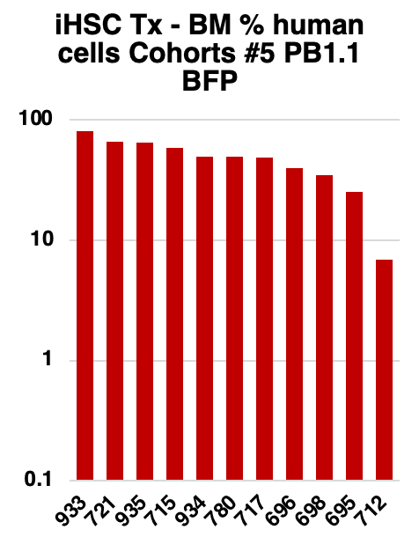
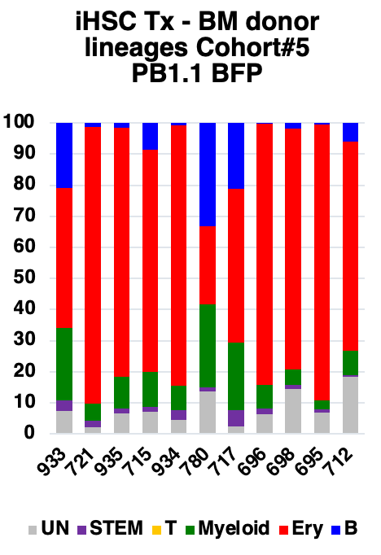
 |  |  |  |  | Mouse ID | TOTAL |  |  |  |  |  | Mouse ID | UN | STEM | T | Myeloid | Ery | B
 |  |  |  |  | 933 | 79.9 |  |  |  |  |  | 933 | 7.5 | 3.3 | 0.001 | 23.2 | 45.2 | 20.8
 |  |  |  |  | 721 | 65.7 |  |  |  |  |  | 721 | 2.1 | 2.3 | 0.001 | 5.5 | 88.9 | 1.2
 |  |  |  |  | 935 | 65.2 |  |  |  |  |  | 935 | 6.7 | 1.5 | 0.001 | 10.2 | 80.1 | 1.5
 |  |  |  |  | 715 | 58.0 |  |  |  |  |  | 715 | 7.2 | 1.6 | 0.001 | 11.2 | 71.4 | 8.6
 |  |  |  |  | 934 | 49.3 |  |  |  |  |  | 934 | 4.6 | 3 | 0.001 | 7.9 | 83.7 | 0.8
 |  |  |  |  | 780 | 49.1 |  |  |  |  |  | 780 | 13.6 | 1.3 | 0.001 | 26.8 | 25.2 | 33.1
 |  |  |  |  | 717 | 48.8 |  |  |  |  |  | 717 | 2.5 | 5.1 | 0.1 | 21.8 | 49.4 | 21.1
 |  |  |  |  | 696 | 39.8 |  |  |  |  |  | 696 | 6.4 | 1.9 | 0.001 | 7.6 | 83.8 | 0.3
 |  |  |  |  | 698 | 34.6 |  |  |  |  |  | 698 | 14.6 | 1.2 | 0.001 | 5.0 | 77.4 | 1.8
 |  |  |  |  | 695 | 25.3 |  |  |  |  |  | 695 | 6.9 | 1.0 | 0.001 | 3.0 | 88.7 | 0.4
 |  |  |  |  | 712 | 6.9 |  |  |  |  |  | 712 | 18.5 | 0.5 | 0.001 | 7.9 | 67.1 | 6.0

Figure 6a. Level of human engraftment and tissue distribution in bone marrow (BM) of MLE mice receiving PB5.1 cohort #6

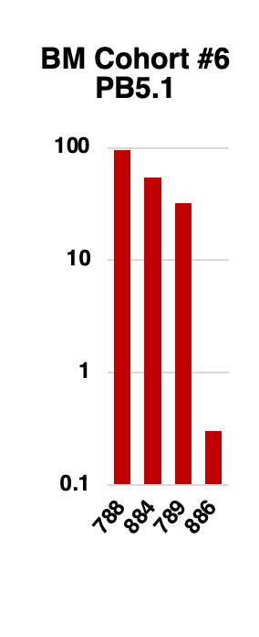
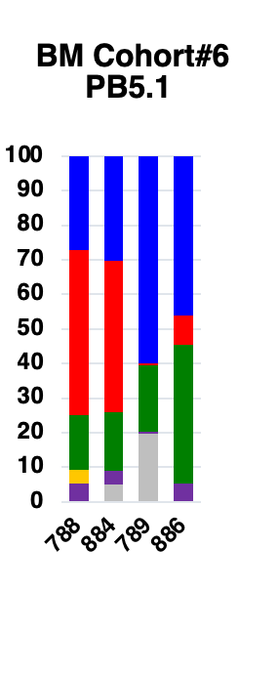
 |  |  | Mouse ID | TOTAL |  |  |  |  |  | UN | STEM | T | Myeloid | Ery | B
 |  |  | 788 | 95.5 |  |  |  |  | 788 | 0.0 | 5.3 | 4.1 | 15.8 | 47.6 | 27.2
 |  |  | 884 | 54.7 |  |  |  |  | 884 | 5.1 | 3.8 | 0.001 | 17.1 | 43.8 | 30.2
 |  |  | 789 | 32.2 |  |  |  |  | 789 | 19.8 | 0.5 | 0.001 | 19.2 | 0.6 | 59.9
 |  |  | 886 | 0.3 |  |  |  |  | 886 | 0 | 5.2 | 0.001 | 40.3 | 8.5 | 46.0

Figure 6a. Level of human engraftment and tissue distribution in bone marrow (BM) of MLE mice receiving PB10.5 cohort #7

 |  | Mouse ID | TOTAL |  |  |  |  | UN | STEM | T | Myeloid | Ery | B
 |  | 947 | 78.0 |  |  |  | 947 | 7.8 | 7.2 | 0.001 | 37.0 | 13.2 | 34.8
 |  | 948 | 9.7 |  |  |  | 948 | 1.7 | 0.01 | 0.001 | 84.6 | 12.3 | 1.4
 |  | 949 | 8.6 |  |  |  | 949 | 31.6 | 1.8 | 0.001 | 14.0 | 36.7 | 15.9

Figure 6b. Scatter plot correlating calculated dose of injected CD34+ CB cells with phenotype and level of human engraftment in the bone marrow

 | CB CD34+ cells transplanted
All mice | <1500 | 1501-3500 | 3501-6000 | 6001-27000
93.4 |  |  | 93.4
91.7 |  |  | 91.7
90.9 |  |  |  | 90.9
90 |  | 90
87.7 |  |  |  | 87.7
76.2 |  |  |  | 76.2
69.9 |  |  |  | 69.9
67.2 |  |  |  | 67.2
57.6 |  |  |  | 57.6
56 |  |  |  | 56
48.3 |  |  |  | 48.3
24.4 |  |  |  | 24.4
23.5 |  |  |  | 23.5
23.1 |  |  | 23.1
22.6 |  |  |  | 22.6
22 |  |  |  | 22
21.3 |  |  | 21.3
16.5 |  |  |  | 16.5
15.5 |  | 15.5
13.16 |  | 13.16
11.27 |  |  |  | 11.27
10.3 |  |  | 10.3
9.7 |  |  | 9.7
9.32 |  |  | 9.32
6 |  |  |  | 6
5.89 |  | 5.89
2.3 |  |  | 2.3
1.5 | 1.5
0.88 |  | 0.88
0.68 |  |  | 0.68
0.6 |  |  | 0.6
0.37 |  | 0.37
0.1 |  |  | 0.1
0.06 |  | 0.06
0.03 |  |  | 0.03
0.02 |  | 0.02
0.02 |  | 0.02
0.001 | 0.001
0.001 | 0.001

NEGATIVE: unengrafted samples assigned a value of 0.001 to allow placement on a log scale

Figure 6d. Tissue distribution of engrafting cells in MLE recipients of CB cells in bone marrow (BM), spleen (S), thymus (THY) and peripheral blood at 12 (PB12) and 16 (PB16) weeks

BM | SPL | THY | PB12 | PB16
56 | 8.6 | 0.001 | 0.5 | 1.2
76.2 | 52 | 0.001 | 9.2 | 32
23.1 | 4.7 | 90 | 0.7 | 16.6
21.3 | 5.3 | 0.001 | 0.3 | 0.2
22.6 | 4.4 | 0.001 | 1.5 | 3.8
22 | 7.1 | 20.3 | 2.8 | 1
91.7 | 55.7 | 69.5 | 15.8 | 10.3
9.7 | 3.3 | 0.001 | 2.3 | 10.1
67.2 | 1.4 | 0.001 | 0.8
90 | 53.4 | 2.4 | 37.6
87.7 | 36.1 | 0.001 | 8.3
11.3 | 3.2 | 0.001 | 1
2.3 | 7.1 | 0.001 | 0.3
0.7 | 0.03 | 0.001 | 0.1
69.9 | 15.4 | 0.001 | 0.9
24.4 | 8.7 | 0.001 | 0.7
48.3 | 1.3 |  | 0.3
57.6 | 23.7 |  | 3
10.3 | 3.1 |  | 0.8
93.4 | 15.9 |  | 7.3
90 | 8.7 |  | 1.6
6 | 14.54 |  | 1.4
23.5 | 8.36

NEGATIVE: unengrafted samples assigned a value of 0.001 to allow placement on a log scale

Figure 6e. Analysis of paired samples of peripheral blood showing increased levels of human cells in 6/8 CB recipients between 12 and 16 weeks

PB12 | PB16
0.8 | 1.2
37.6 | 32
8.3 | 16.6
0.3 | 0.2
3 | 3.8
0.8 | 1
7.3 | 10.3
1.6 | 10.1

Figure 6f. Lineage distribution in the bone marrow in CB recipients.

ERY | B | T | MYE | STEM
6.7 | 28.2 | 0.001 | 43.8 | 5.7
23.1 | 53.2 | 0.001 | 17.2 | 3.1
6.3 | 69.4 | 0.001 | 15.3 | 0.8
1.9 | 72.2 | 0.5 | 16.7 | 0.7
0.9 | 59.3 | 5.1 | 36.6 | 1.3
3.1 | 65.2 | 0.001 | 19 | 0.1
2.9 | 77.6 | 0.001 | 10.3 | 0.8
0.3 | 63.5 | 0.001 | 36.4 | 0.5
0.7 | 84.4 | 5.4 | 11.7 | 0.5
5.9 | 47 | 0.001 | 29.9 | 3.9
18.2 | 36.7 | 0.001 | 34.3 | 3.3
31.7 | 41 | 0.001 | 19.6 | 0.8
5.1 | 76.5 | 0.001 | 11.5 | 0.3
4.3 | 19.2 | 0.001 | 53.4 | 0.5
3.9 | 52.2 | 0.001 | 29.7 | 8.8
21.6 | 41.4 | 0.001 | 27.4 | 2.1
20.4 | 47.9 | 0.001 | 21.7 | 1
12 | 27.1 |  | 22.8 | 1.8
40.4 | 15.6 |  | 43.5 | 0.6
34.5 | 17 |  | 42.1 | 6.5
11.9 | 51.8 |  | 26.4 | 7.5
8.7 | 42.5 |  | 42.2 | 6.6
2 | 62.6 |  |  | 1.8

NEGATIVE: unengrafted samples assigned a value of 0.001 to allow placement on a log scale

Figure 6g. Lineage distribution in the spleen in CB recipients.

B | T
59.2 | 0.001
73 | 0.8
79.6 | 0.001
78.5 | 0.001
81 | 0.001
75.8 | 0.001
83.5 | 0.001
73.8 | 0.001
68.4 | 0.001
70 | 4.2
72.4 | 0.6
73.3 | 0.001
60.8 | 0.001
64.5 | 0.001
61.3 | 1.7
64 | 0.001
60.4 | 0.001
72.7 | 0.001
56.2 | 0.001
60.9 | 0.001
66.2 | 0.001
72.6 | 0.001
56.5 | 0.001

NEGATIVE: unengrafted samples assigned a value of 0.001 to allow placement on a log scale

Figure 6h. Level of human engraftment and tissue distribution in bone marrow (BM) of MLE mice receiving CB cells

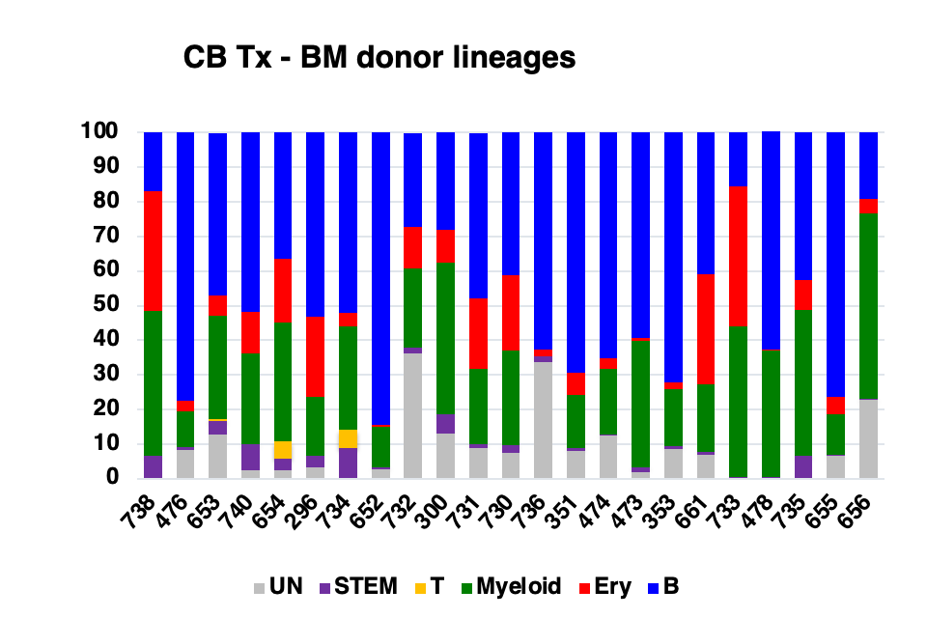
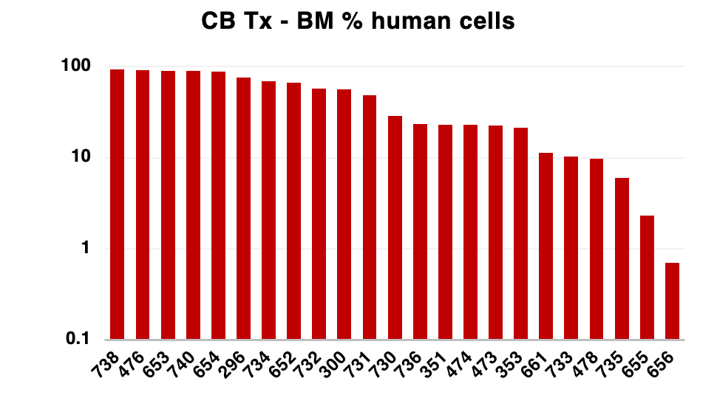
 |  |  |  |  |  |  |  | Mouse ID | GYPA & 45 |  |  |  |  |  |  |  |  |  | Mouse ID | UN | STEM | T | Myeloid | Ery | B
 |  |  |  |  |  |  |  | 738 | 93.4 |  |  |  |  |  |  |  |  |  | 738 | 0.001 | 6.5 | 0.001 | 42.1 | 34.5 | 17.0
 |  |  |  |  |  |  |  | 476 | 91.7 |  |  |  |  |  |  |  |  |  | 476 | 8.4 | 0.8 |  | 10.3 | 2.9 | 77.6
 |  |  |  |  |  |  |  | 653 | 90.9 |  |  |  |  |  |  |  |  |  | 653 | 12.7 | 3.9 | 0.500 | 29.9 | 5.9 | 47.0
 |  |  |  |  |  |  |  | 740 | 90 |  |  |  |  |  |  |  |  |  | 740 | 2.4 | 7.5 | 0.001 | 26.4 | 11.9 | 51.8
 |  |  |  |  |  |  |  | 654 | 87.7 |  |  |  |  |  |  |  |  |  | 654 | 2.5 | 3.3 | 5.100 | 34.3 | 18.2 | 36.7
 |  |  |  |  |  |  |  | 296 | 76.2 |  |  |  |  |  |  |  |  |  | 296 | 3.4 | 3.1 |  | 17.2 | 23.1 | 53.2
 |  |  |  |  |  |  |  | 734 | 69.9 |  |  |  |  |  |  |  |  |  | 734 | 0.001 | 8.8 | 5.400 | 29.7 | 3.9 | 52.2
 |  |  |  |  |  |  |  | 652 | 67.2 |  |  |  |  |  |  |  |  |  | 652 | 2.7 | 0.5 | 0.001 | 11.7 | 0.7 | 84.4
 |  |  |  |  |  |  |  | 732 | 57.6 |  |  |  |  |  |  |  |  |  | 732 | 36.2 | 1.8 | 0.001 | 22.8 | 12.0 | 27.1
 |  |  |  |  |  |  |  | 300 | 56.0 |  |  |  |  |  |  |  |  |  | 300 | 13.0 | 5.7 | 0.001 | 43.8 | 9.3 | 28.2
 |  |  |  |  |  |  |  | 731 | 48.3 |  |  |  |  |  |  |  |  |  | 731 | 8.9 | 1.0 | 0.001 | 21.7 | 20.4 | 47.9
 |  |  |  |  |  |  |  | 730 | 28.8 |  |  |  |  |  |  |  |  |  | 730 | 7.6 | 2.1 | 0.001 | 27.4 | 21.6 | 41.4
 |  |  |  |  |  |  |  | 736 | 23.50 |  |  |  |  |  |  |  |  |  | 736 | 33.6 | 1.8 | 0.001 |  | 2 | 62.6
 |  |  |  |  |  |  |  | 351 | 23.1 |  |  |  |  |  |  |  |  |  | 351 | 8.2 | 0.8 | 0.001 | 15.3 | 6.3 | 69.4
 |  |  |  |  |  |  |  | 474 | 22.9 |  |  |  |  |  |  |  |  |  | 474 | 12.6 | 0.1 | 0.001 | 19.0 | 3.1 | 65.2
 |  |  |  |  |  |  |  | 473 | 22.6 |  |  |  |  |  |  |  |  |  | 473 | 1.9 | 1.3 | 0.001 | 36.6 | 0.9 | 59.3
 |  |  |  |  |  |  |  | 353 | 21.3 |  |  |  |  |  |  |  |  |  | 353 | 8.6 | 0.7 | 0.001 | 16.7 | 1.9 | 72.2
 |  |  |  |  |  |  |  | 661 | 11.3 |  |  |  |  |  |  |  |  |  | 661 | 6.9 | 0.8 | 0.001 | 19.6 | 31.7 | 41.0
 |  |  |  |  |  |  |  | 733 | 10.3 |  |  |  |  |  |  |  |  |  | 733 | 0.001 | 0.6 | 0.001 | 43.5 | 40.4 | 15.6
 |  |  |  |  |  |  |  | 478 | 9.7 |  |  |  |  |  |  |  |  |  | 478 | 0.001 | 0.5 | 0.001 | 36.4 | 0.3 | 63.5
 |  |  |  |  |  |  |  | 735 | 6.00 |  |  |  |  |  |  |  |  |  | 735 | 0.001 | 6.6 | 0.001 | 42.2 | 8.7 | 42.5
 |  |  |  |  |  |  |  | 655 | 2.3 |  |  |  |  |  |  |  |  |  | 655 | 6.7 | 0.3 | 0.001 | 11.5 | 5.1 | 76.5
 |  |  |  |  |  |  |  | 656 | 0.7 |  |  |  |  |  |  |  |  |  | 656 | 22.7 | 0.5 | 0.001 | 53.4 | 4.3 | 19.2

ED Fig 10
ED Fig10a. Level of human engraftment in BM of MLE mice receiving RM TOM and PB1.1 BFP lines in cohort #1-3 transplants

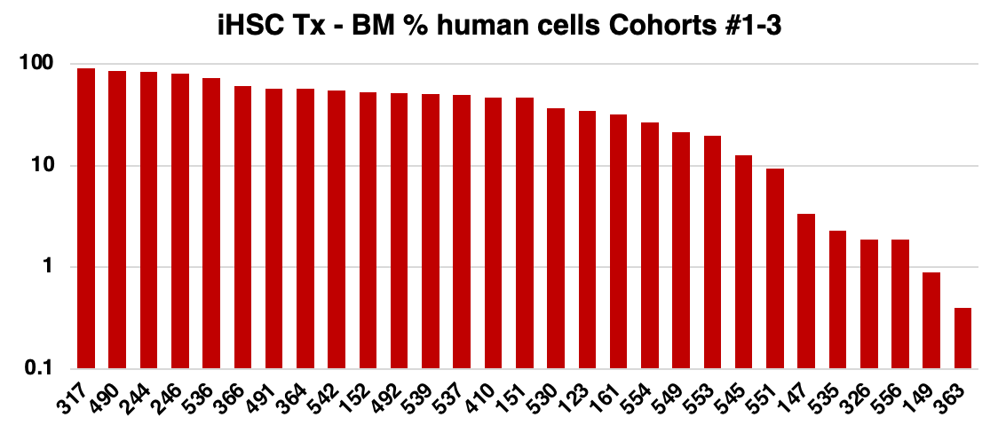
 |  |  |  |  |  |  |  |  |  |  | Mouse ID | TOTAL BM |  | Mouse ID | UN | STEM | T | Myeloid | Ery | B
 |  |  |  |  |  |  |  |  |  |  | 317 | 91.3 |  | 317 | 2.9 | 0.7 | 4.9 | 2.9 | 3.73 | 84.9
 |  |  |  |  |  |  |  |  |  |  | 490 | 86.4 |  | 490 | 11.5 | 0.8 | 0.001 | 4.5 | 1.5 | 81.7
 |  |  |  |  |  |  |  |  |  |  | 244 | 83.3 |  | 244 | 3.3 | 0.8 | 0.001 | 4.7 | 6.1 | 85.1
 |  |  |  |  |  |  |  |  |  |  | 246 | 80.9 |  | 246 | 6.4 | 0.4 | 0.001 | 2.5 | 7.1 | 83.6
 |  |  |  |  |  |  |  |  |  |  | 536 | 72.6 |  | 536 | 19.2 | 0.5 | 0.001 | 8.7 | 18.7 | 52.9
 |  |  |  |  |  |  |  |  |  |  | 366 | 61.4 |  | 366 | 16 | 1.4 | 0.001 | 15 | 8.7 | 58.9
 |  |  |  |  |  |  |  |  |  |  | 491 | 57.7 |  | 491 | 12 | 0.6 | 5.3 | 22.3 | 11.6 | 48.2
 |  |  |  |  |  |  |  |  |  |  | 364 | 57.6 |  | 364 | 1.5 | 0.1 | 0.001 | 9.1 | 2.3 | 87
 |  |  |  |  |  |  |  |  |  |  | 542 | 55.2 |  | 542 | 11.9 | 0.1 | 0.001 | 6.2 | 1.9 | 79.9
 |  |  |  |  |  |  |  |  |  |  | 152 | 52.9 |  | 152 | 17.6 | 0.2 | 0.001 | 1.3 | 3.4 | 77.5
 |  |  |  |  |  |  |  |  |  |  | 492 | 52.1 |  | 492 | 8.1 | 0.1 | 25.4 | 4.1 | 0.1 | 62.3
 |  |  |  |  |  |  |  |  |  |  | 539 | 51.2 |  | 539 | 10.2 | 0.8 | 0.25 | 29.4 | 54.3 | 5.1
 |  |  |  |  |  |  |  |  |  |  | 537 | 50.2 |  | 537 | 33.1 | 0.2 | 0.001 | 8 | 31.9 | 26.8
 |  |  |  |  |  |  |  |  |  |  | 410 | 47 |  | 410 | 13.4 | 0.7 | 0.001 | 12.2 | 73.5 | 0.2
 |  |  |  |  |  |  |  |  |  |  | 151 | 46.7 |  | 151 | 15.3 | 1 | 0.001 | 4.5 | 30.9 | 48.3
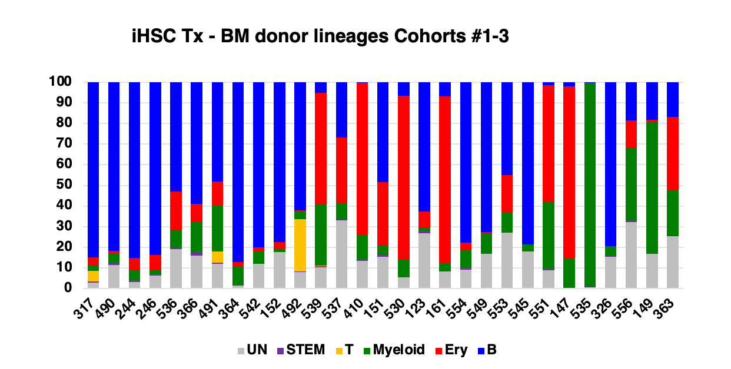
 |  |  |  |  |  |  |  |  |  |  | 530 | 36.8 |  | 530 | 5.6 | 0.2 | 0.001 | 8.4 | 79.2 | 6.6
 |  |  |  |  |  |  |  |  |  |  | 123 | 34.9 |  | 123 | 26.9 | 1.1 | 0.001 | 1.7 | 7.7 | 62.6
 |  |  |  |  |  |  |  |  |  |  | 161 | 32.1 |  | 161 | 8.3 |  | 0.001 | 4.2 | 80.6 | 6.9
 |  |  |  |  |  |  |  |  |  |  | 554 | 26.6 |  | 554 | 9.1 | 0.8 | 0.001 | 9 | 3.3 | 77.8
 |  |  |  |  |  |  |  |  |  |  | 549 | 21.2 |  | 549 | 16.9 | 0.1 | 0.001 | 9.5 | 0.8 | 72.7
 |  |  |  |  |  |  |  |  |  |  | 553 | 19.9 |  | 553 | 27.2 | 0.2 | 0.001 | 9.6 | 17.9 | 45.1
 |  |  |  |  |  |  |  |  |  |  | 545 | 12.6 |  | 545 | 18.1 | 0.1 | 0.001 | 3.1 | 0.2 | 78.5
 |  |  |  |  |  |  |  |  |  |  | 551 | 9.3 |  | 551 | 8.9 | 0.8 | 0.001 | 32.6 | 56.4 | 1.3
 |  |  |  |  |  |  |  |  |  |  | 147 | 3.4 |  | 147 | 0 | 0.7 | 0.001 | 14.2 | 83 | 2.1
 |  |  |  |  |  |  |  |  |  |  | 535 | 2.3 |  | 535 | 0.6 | 0.4 | 0.001 | 98.5 | 0.3 | 0.2
 |  |  |  |  |  |  |  |  |  |  | 326 | 1.9 |  | 326 | 15.5 | 0.3 |  | 4.7 | 0.1 | 79.4
 |  |  |  |  |  |  |  |  |  |  | 556 | 1.9 |  | 556 | 32.3 | 0.4 | 0.1 | 35.4 | 13.3 | 18.6
 |  |  |  |  |  |  |  |  |  |  | 149 | 0.9 |  | 149 | 16.9 |  | 0.001 | 64.1 | 0.8 | 18.2
 |  |  |  |  |  |  |  |  |  |  | 363 | 0.4 |  | 363 | 25.4 | 0.0 |  | 22.6 | 35.1 | 16.9

 |  |  |  |  |  |  |  |  |  |  | NEGATIVE: negative samples assigned a value of 0.001 to allow placement on a log scale

ED Fig10b. Scatter plot correlating calculated dose of injected CD34+ CB cells with phenotype and level of human engraftment in the bone marrow, with results stratified by recipient gender.

 | All mice | <1500 | 1501-3500 | 3501-6000 | 6001-27000 | FEMALE | F<1500 | F 1501-3500 | F 3501-6000 | F 6001-27000 | MALE | M<1500 | M 1501-3500 | M 3501-6000 | M 6001-27000
 | 56 |  |  |  | 56 |  |  |  |  |  | 56 |  |  |  | 56
 | 76.2 |  |  |  | 76.2 | 76.2 |  |  |  | 76.2
 | 1.5 | 1.5 |  |  |  | 1.5 | 1.5
 | 0.001 | 0.001 |  |  |  |  |  |  |  |  | 0.001 | 0.001
 | 0.001 | 0.001 |  |  |  |  |  |  |  |  | 0.001 | 0.001
 | 23.1 |  |  | 23.1 |  | 23.1 |  |  | 23.1
 | 0.6 |  |  | 0.6 |  | 0.6 |  |  | 0.6
 | 21.3 |  |  | 21.3 |  | 21.3 |  |  | 21.3
 | 22.6 |  |  |  | 22.6 |  |  |  |  |  | 22.6 |  |  |  | 22.6
 | 22 |  |  |  | 22 |  |  |  |  |  | 22 |  |  |  | 22
 | 16.5 |  |  |  | 16.5 |  |  |  |  |  | 16.5 |  |  |  | 16.5
 | 91.7 |  |  | 91.7 |  | 91.7 |  |  | 91.7
 | 0.1 |  |  | 0.1 |  | 0.1 |  |  | 0.1
 | 9.7 |  |  | 9.7 |  | 9.7 |  |  | 9.7
 | 15.5 |  | 15.5 |  |  |  |  |  |  |  | 15.5 |  | 15.5
 | 0.02 |  | 0.02 |  |  |  |  |  |  |  | 0.02 |  | 0.02
 | 0.02 |  | 0.02 |  |  |  |  |  |  |  | 0.02 |  | 0.02
 | 0.06 |  | 0.06 |  |  |  |  |  |  |  | 0.06 |  | 0.06
 | 67.2 |  |  |  | 67.2 | 67.2 |  |  |  | 67.2
 | 90.9 |  |  |  | 90.9 | 90.9 |  |  |  | 90.9
 | 87.7 |  |  |  | 87.7 | 87.7 |  |  |  | 87.7
 | 11.27 |  |  |  | 11.27 |  |  |  |  |  | 11.27 |  |  |  | 11.27
 | 2.3 |  |  | 2.3 |  |  |  |  |  |  | 2.3 |  |  | 2.3
 | 0.68 |  |  | 0.68 |  |  |  |  |  |  | 0.68 |  |  | 0.68
 | 9.32 |  |  | 9.32 |  |  |  |  |  |  | 9.32 |  |  | 9.32
 | 0.37 |  | 0.37 |  |  |  |  |  |  |  | 0.37 |  | 0.37
 | 0.88 |  | 0.88 |  |  |  |  |  |  |  | 0.88 |  | 0.88
 | 69.9 |  |  |  | 69.9 |  |  |  |  |  | 69.9 |  |  |  | 69.9
 | 6 |  |  |  | 6 |  |  |  |  |  | 6 |  |  |  | 6
 | 23.5 |  |  |  | 23.5 |  |  |  |  |  | 23.5 |  |  |  | 23.5
 | 24.4 |  |  |  | 24.4 |  |  |  |  |  | 24.4 |  |  |  | 24.4
 | 48.3 |  |  |  | 48.3 |  |  |  |  |  | 48.3 |  |  |  | 48.3
 | 57.6 |  |  |  | 57.6 |  |  |  |  |  | 57.6 |  |  |  | 57.6
 | 10.3 |  |  | 10.3 |  |  |  |  |  |  | 10.3 |  |  | 10.3
 | 0.03 |  |  | 0.03 |  | 0.03 |  |  | 0.03
 | 93.4 |  |  | 93.4 |  | 93.4 |  |  | 93.4
 | 13.16 |  | 13.16 |  |  | 13.16 |  | 13.16
 | 90 |  | 90 |  |  | 90 |  | 90
 | 5.89 |  | 5.89 |  |  | 5.89 |  | 5.89

 | NEGATIVE: unengrafted samples assigned a value of 0.001 to allow placement on a log scale

ED Fig10c. Tissue distribution, bone marrow and spleen lineages of engrafting cells in MLE recipients of CB cells stratified by recipient gender.

 | TISSUES

 | F-BM | M-BM | F-SPL | M-SPL | F-THY | M-THY | F-PB12 | M-PB12 | F-PB16 | M-PB16
 | 76.2 | 56 | 52 | 8.6 | 90 | 0.001 | 9.2 | 0.5 | 1.2 | 0.2
 | 23.1 | 22.6 | 4.7 | 4.4 | 0.001 | 0.001 | 0.7 | 1.5 | 32 | 3.8
 | 21.3 | 22 | 5.3 | 7.1 | 0.001 | 0.001 | 0.3 | 2.8 | 16.6 | 1
 | 91.7 | 11.3 | 55.7 | 3.2 | 20.3 | 0.001 | 15.8 | 1 | 10.3
 | 9.7 | 2.3 | 3.3 | 7.1 | 69.5 | 2.4 | 2.3 | 0.3 | 10.1
 | 67.2 | 0.7 | 1.4 | 0.03 | 0.001 | 0.001 | 0.8 | 0.1
 | 90 | 69.9 | 53.4 | 15.4 |  | 0.001 | 37.6 | 0.9
 | 87.7 | 24.4 | 36.1 | 8.7 |  | 0.001 | 8.3 | 0.7
 | 93.4 | 48.3 | 15.9 | 1.3 |  | 0.001 | 7.3 | 0.3
 | 90 | 57.6 | 8.7 | 23.7 |  | 0.001 | 1.6 | 3
 |  | 10.3 |  | 3.1 |  |  |  | 0.8
 |  | 6 |  | 14.54 |  |  |  | 1.4
 |  | 23.5 |  | 8.36

 | NEGATIVE: negative samples assigned a value of 0.001 to allow placement on a log scale

 | BONE MARROW

 | F-ERY | M-ERY | F-B | M-B | F-T | M-T | F-MYE | M-MYE | F-STEM | M-STEM
 | 23.1 | 6.7 | 53.2 | 28.2 | 0.001 | 0.001 | 17.2 | 43.8 | 3.1 | 5.7
 | 6.3 | 0.9 | 69.4 | 59.3 | 0.001 | 0.001 | 15.3 | 36.6 | 0.8 | 1.3
 | 1.9 | 3.1 | 72.2 | 65.2 | 0.001 | 0.001 | 16.7 | 19 | 0.7 | 0.1
 | 2.9 | 31.7 | 77.6 | 41 | 0.5 | 5.4 | 10.3 | 19.6 | 0.8 | 0.8
 | 0.3 | 5.1 | 63.5 | 76.5 | 5.1 | 0.001 | 36.4 | 11.5 | 0.5 | 0.3
 | 0.7 | 4.3 | 84.4 | 19.2 | 0.001 | 0.001 | 11.7 | 53.4 | 0.5 | 0.5
 | 5.9 | 3.9 | 47 | 52.2 | 0.001 | 0.001 | 29.9 | 29.7 | 3.9 | 8.8
 | 18.2 | 21.6 | 36.7 | 41.4 |  | 0.001 | 34.3 | 27.4 | 3.3 | 2.1
 | 34.5 | 20.4 | 17 | 47.9 |  | 0.001 | 42.1 | 21.7 | 6.5 | 1
 | 11.9 | 12 | 51.8 | 27.1 |  | 0.001 | 26.4 | 22.8 | 7.5 | 1.8
 |  | 40.4 |  | 15.6 |  |  |  | 43.5 |  | 0.6
 |  | 8.7 |  | 42.5 |  |  |  | 42.2 |  | 6.6
 |  | 2 |  | 62.6 |  |  |  |  |  | 1.8

 | NEGATIVE: negative samples assigned a value of 0.001 to allow placement on a log scale

 | SPLEEN

 | F-B | M-B | F-T | M-T
 | 73 | 59.2 | 0.8 | 0.001
 | 79.6 | 81 | 0.001 | 0.001
 | 78.5 | 75.8 | 0.001 | 0.001
 | 83.5 | 73.3 | 0.001 | 0.001
 | 73.8 | 60.8 | 0.001 | 0.001
 | 68.4 | 64.5 | 0.001 | 0.001
 | 70 | 61.3 | 4.2 | 1.7
 | 72.4 | 64 | 0.6 | 0.001
 | 60.9 | 60.4 | 0.001 | 0.001
 | 66.2 | 72.7 | 0.001 | 0.001
 |  | 56.2 |  | 0.001
 |  | 72.6 |  | 0.001
 |  | 56.5 |  | 0.001

 | NEGATIVE: negative samples assigned a value of 0.001 to allow placement on a log scale

