Figure 2
Figure 2a
DAI score (n indicate individual animal)
Day post TNBS induction | Sham |  |  |  |  |  |  |  | Vehicle |  |  |  |  |  |  |  | Mesalamine, 100 mpk |  |  |  |  |  |  |  | ISM012-042, 1 mpk |  |  |  |  |  |  |  |  |  |  |  |  |  | ISM012-042, 3 mpk |  |  |  |  |  |  |  |  |  |  |  |  |  | ISM012-042, 10 mpk
 | n=1 | n=2 | n=3 | n=4 | n=5 | n=6 | n=7 | n=8 | n=1 | n=2 | n=3 | n=4 | n=5 | n=6 | n=7 | n=8 | n=1 | n=2 | n=3 | n=4 | n=5 | n=6 | n=7 | n=8 | n=1 | n=2 | n=3 | n=4 | n=5 | n=6 | n=7 | n=8 | n=9 | n=10 | n=11 | n=12 | n=13 | n=14 | n=1 | n=2 | n=3 | n=4 | n=5 | n=6 | n=7 | n=8 | n=9 | n=10 | n=11 | n=12 | n=13 | n=14 | n=1 | n=2 | n=3 | n=4 | n=5 | n=6 | n=7 | n=8 | n=9 | n=10 | n=11 | n=12 | n=13 | n=14
-1 | 0 | 0 | 0 | 0 | 0 | 0 | 0 | 0 | 0 | 0 | 0 | 0 | 0 | 0 | 0 | 0 | 0 | 0 | 0 | 0 | 0 | 0 | 0 | 0 | 0 | 0 | 0 | 0 | 0 | 0 | 0 | 0 | 0 | 0 | 0 | 0 | 0 | 0 | 0 | 0 | 0 | 0 | 0 | 0 | 0 | 0 | 0 | 0 | 0 | 0 | 0 | 0 | 0 | 0 | 0 | 0 | 0 | 0 | 0 | 0 | 0 | 0 | 0 | 0 | 0 | 0
0 | 1 | 1 | 1 | 0 | 0 | 1 | 1 | 2 | 1 | 1 | 1 | 1 | 2 | 1 | 2 | 2 | 1 | 1 | 2 | 1 | 1 | 1 | 1 | 1 | 1 | 1 | 1 | 1 | 1 | 1 | 1 | 2 | 1 | 1 | 1 | 1 | 1 | 1 | 1 | 1 | 1 | 1 | 0 | 1 | 1 | 1 | 1 | 1 | 0 | 0 | 1 | 2 | 1 | 1 | 1 | 1 | 1 | 1 | 1 | 1 | 2 | 1 | 1 | 1 | 0 | 1
1 | 0 | 0 | 1 | 0 | 0 | 0 | 1 | 0 | 7 | 7 | 7 | 8 | 8 | 7 | 7 | 8 | 6 | 6 | 6 | 4 | 6 | 4 | 6 | 6 | 7 | 7 | 7 | 7 | 7 | 7 | 7 | 7 | 6 | 8 | 8 | 6 | 6 | 7 | 6 | 6 | 6 | 6 | 6 | 6 | 5 | 6 | 6 | 5 | 6 | 4 | 8 | 8 | 6 | 7 | 6 | 3 | 6 | 2 | 6 | 6 | 6 | 6 | 6 | 5 | 6 | 4
2 | 0 | 0 | 1 | 0 | 0 | 0 | 1 | 1 | 9 | 9 | 9 | 11 | 11 | 9 | 9 | 11 | 5 | 9 | 6 | 6 | 9 | 9 | 6 | 9 | 9 | 9 | 10 | 9 | 9 | 9 | 10 | 10 | 9 | 9 | 11 | 9 | 9 | 9 | 5 | 9 | 9 | 7 | 6 | 9 | 8 | 6 | 6 | 6 | 9 | 5 | 6 | 9 | 9 | 9 | 6 | 5 | 6 | 5 | 9 | 6 | 6 | 9 | 6 | 6 | 6 | 5
3 | 0 | 0 | 0 | 0 | 0 | 0 | 1 | 0 | 11 | 11 | 11 | 11 | 11 | 11 | 9 | 11 | 3 | 6 | 3 | 6 | 9 | 5 | 5 | 6 | 9 | 9 | 11 | 9 | 9 | 9 | 11 | 11 | 9 | 11 | 11 | 9 | 11 | 11 | 5 | 8 | 6 | 4 | 6 | 6 | 6 | 4 | 6 | 5 | 6 | 5 | 6 | 7 | 9 | 11 | 6 | 3 | 6 | 4 | 6 | 3 | 6 | 6 | 5 | 4 | 6 | 6
4 | 0 | 0 | 0 | 0 | 0 | 0 | 1 | 0 | 11 | 11 | 11 | 11 | 11 | 9 | 9 | 11 | 2 | 4 | 3 | 3 | 6 | 2 | 4 | 5 | 11 | 9 | 11 | 10 | 9 | 10 | 11 | 11 | 9 | 11 | 8 | 10 | 10 | 10 | 5 | 6 | 6 | 3 | 4 | 6 | 6 | 2 | 4 | 5 | 5 | 3 | 3 | 5 | 9 | 10 | 4 | 3 | 6 | 3 | 4 | 5 | 5 | 3 | 3 | 3 | 6 | 6
5 | 0 | 0 | 0 | 0 | 0 | 0 | 0 | 0 | 11 | 11 | 11 | 9 | 11 | 9 | 6 | 11 | 2 | 3 | 2 | 3 | 6 | 2 | 2 | 2 | 11 | 10 | 11 | 10 | 6 | 11 | 11 | 9 | 9 | 11 | 7 | 10 | 9 | 10 | 5 | 3 | 4 | 2 | 4 | 3 | 3 | 2 | 2 | 5 | 2 | 2 | 5 | 5 | 8 | 9 | 3 | 2 | 5 | 2 | 3 | 4 | 5 | 2 | 3 | 2 | 4 | 5
6 | 0 | 0 | 0 | 0 | 0 | 0 | 0 | 0 | 11 | 10 | 11 | 9 | 11 | 8 | 6 | 11 | 2 | 1 | 2 | 3 | 3 | 1 | 2 | 2 | 9 | 9 | 11 | 10 | 6 | 9 | 10 | 6 | 9 | 10 | 6 | 10 | 9 | 10 | 2 | 4 | 2 | 2 | 1 | 4 | 3 | 2 | 2 | 2 | 1 | 0 | 2 | 2 | 6 | 6 | 3 | 2 | 3 | 2 | 3 | 3 | 6 | 2 | 1 | 2 | 3 | 3
7 | 0 | 0 | 0 | 0 | 0 | 0 | 0 | 0 | 11 | 10 | 10 | 9 | 11 | 8 | 6 | 11 | 2 | 1 | 1 | 2 | 3 | 0 | 2 | 0 | 9 | 9 | 11 | 10 | 5 | 7 | 10 | 6 | 7 | 8 | 5 | 10 | 9 | 10 | 2 | 2 | 2 | 2 | 0 | 3 | 2 | 1 | 2 | 3 | 0 | 0 | 3 | 0 | 4 | 5 | 2 | 2 | 3 | 1 | 2 | 2 | 4 | 2 | 2 | 1 | 2 | 3

Two-way ANOVA
ANOVA table | SS | DF | MS | F (DFn, DFd) | P value | Dunnett's multiple comparisons test | Mean Diff. | 95.00% CI of diff. | Below threshold? | Summary | Adjusted P Value
Time x Treatment | 1335 | 40 | 33.36 | F (40, 480) = 35.15 | P<0.0001
Time | 2586 | 8 | 323.2 | F (3.913, 234.8) = 340.5 | P<0.0001 | Day -1
Treatment | 3229 | 5 | 645.8 | F (5, 60) = 115.5 | P<0.0001 | Vehicle vs. Sham | 0
Subject | 335.5 | 60 | 5.591 | F (60, 480) = 5.890 | P<0.0001 | Vehicle vs. Mesalamine, 100 mpk | 0
Residual | 455.7 | 480 | 0.9493 |  |  | Vehicle vs. ISM012-042, 1 mpk | 0
 |  |  |  |  |  | Vehicle vs. ISM012-042, 3 mpk | 0
 |  |  |  |  |  | Vehicle vs. ISM012-042, 10 mpk | 0

 |  |  |  |  |  | Day 0
 |  |  |  |  |  | Vehicle vs. Sham | 0.5 | -0.3209 to 1.321 | No | ns | 0.3164
 |  |  |  |  |  | Vehicle vs. Mesalamine, 100 mpk | 0.25 | -0.3815 to 0.8815 | No | ns | 0.6627
 |  |  |  |  |  | Vehicle vs. ISM012-042, 1 mpk | 0.3036 | -0.2847 to 0.8919 | No | ns | 0.4177
 |  |  |  |  |  | Vehicle vs. ISM012-042, 3 mpk | 0.5179 | -0.1269 to 1.163 | No | ns | 0.1354
 |  |  |  |  |  | Vehicle vs. ISM012-042, 10 mpk | 0.375 | -0.2310 to 0.9810 | No | ns | 0.2953

 |  |  |  |  |  | Day 1
 |  |  |  |  |  | Vehicle vs. Sham | 7.125 | 6.436 to 7.814 | Yes | **** | <0.0001
 |  |  |  |  |  | Vehicle vs. Mesalamine, 100 mpk | 1.875 | 0.7871 to 2.963 | Yes | ** | 0.0016
 |  |  |  |  |  | Vehicle vs. ISM012-042, 1 mpk | 0.4464 | -0.2288 to 1.122 | No | ns | 0.2646
 |  |  |  |  |  | Vehicle vs. ISM012-042, 3 mpk | 1.375 | 0.4766 to 2.273 | Yes | ** | 0.0022
 |  |  |  |  |  | Vehicle vs. ISM012-042, 10 mpk | 2.018 | 0.8872 to 3.149 | Yes | *** | 0.0005

 |  |  |  |  |  | Day 2
 |  |  |  |  |  | Vehicle vs. Sham | 9.375 | 8.175 to 10.58 | Yes | **** | <0.0001
 |  |  |  |  |  | Vehicle vs. Mesalamine, 100 mpk | 2.375 | 0.2831 to 4.467 | Yes | * | 0.0256
 |  |  |  |  |  | Vehicle vs. ISM012-042, 1 mpk | 0.3929 | -0.7943 to 1.580 | No | ns | 0.7635
 |  |  |  |  |  | Vehicle vs. ISM012-042, 3 mpk | 2.607 | 1.078 to 4.136 | Yes | *** | 0.0007
 |  |  |  |  |  | Vehicle vs. ISM012-042, 10 mpk | 3.107 | 1.584 to 4.630 | Yes | **** | <0.0001

 |  |  |  |  |  | Day 3
 |  |  |  |  |  | Vehicle vs. Sham | 10.63 | 9.805 to 11.44 | Yes | **** | <0.0001
 |  |  |  |  |  | Vehicle vs. Mesalamine, 100 mpk | 5.375 | 3.190 to 7.560 | Yes | *** | 0.0002
 |  |  |  |  |  | Vehicle vs. ISM012-042, 1 mpk | 0.75 | -0.2624 to 1.762 | No | ns | 0.1882
 |  |  |  |  |  | Vehicle vs. ISM012-042, 3 mpk | 5.036 | 4.007 to 6.064 | Yes | **** | <0.0001
 |  |  |  |  |  | Vehicle vs. ISM012-042, 10 mpk | 4.964 | 3.245 to 6.684 | Yes | **** | <0.0001

 |  |  |  |  |  | Day 4
 |  |  |  |  |  | Vehicle vs. Sham | 10.38 | 9.321 to 11.43 | Yes | **** | <0.0001
 |  |  |  |  |  | Vehicle vs. Mesalamine, 100 mpk | 6.875 | 5.172 to 8.578 | Yes | **** | <0.0001
 |  |  |  |  |  | Vehicle vs. ISM012-042, 1 mpk | 0.5 | -0.6550 to 1.655 | No | ns | 0.6111
 |  |  |  |  |  | Vehicle vs. ISM012-042, 3 mpk | 6 | 4.682 to 7.318 | Yes | **** | <0.0001
 |  |  |  |  |  | Vehicle vs. ISM012-042, 10 mpk | 5.5 | 3.638 to 7.362 | Yes | **** | <0.0001

 |  |  |  |  |  | Day 5
 |  |  |  |  |  | Vehicle vs. Sham | 9.875 | 7.838 to 11.91 | Yes | **** | <0.0001
 |  |  |  |  |  | Vehicle vs. Mesalamine, 100 mpk | 7.125 | 4.847 to 9.403 | Yes | **** | <0.0001
 |  |  |  |  |  | Vehicle vs. ISM012-042, 1 mpk | 0.2321 | -1.926 to 2.390 | No | ns | 0.9971
 |  |  |  |  |  | Vehicle vs. ISM012-042, 3 mpk | 6.518 | 4.419 to 8.617 | Yes | **** | <0.0001
 |  |  |  |  |  | Vehicle vs. ISM012-042, 10 mpk | 5.804 | 3.425 to 8.182 | Yes | **** | <0.0001

 |  |  |  |  |  | Day 6
 |  |  |  |  |  | Vehicle vs. Sham | 9.625 | 7.544 to 11.71 | Yes | **** | <0.0001
 |  |  |  |  |  | Vehicle vs. Mesalamine, 100 mpk | 7.625 | 5.516 to 9.734 | Yes | **** | <0.0001
 |  |  |  |  |  | Vehicle vs. ISM012-042, 1 mpk | 0.7679 | -1.456 to 2.992 | No | ns | 0.7634
 |  |  |  |  |  | Vehicle vs. ISM012-042, 3 mpk | 7.554 | 5.443 to 9.665 | Yes | **** | <0.0001
 |  |  |  |  |  | Vehicle vs. ISM012-042, 10 mpk | 6.411 | 4.195 to 8.626 | Yes | **** | <0.0001

 |  |  |  |  |  | Day 7
 |  |  |  |  |  | Vehicle vs. Sham | 9.5 | 7.502 to 11.50 | Yes | **** | <0.0001
 |  |  |  |  |  | Vehicle vs. Mesalamine, 100 mpk | 8.125 | 6.020 to 10.23 | Yes | **** | <0.0001
 |  |  |  |  |  | Vehicle vs. ISM012-042, 1 mpk | 1.214 | -1.047 to 3.476 | No | ns | 0.4332
 |  |  |  |  |  | Vehicle vs. ISM012-042, 3 mpk | 7.929 | 5.885 to 9.972 | Yes | **** | <0.0001
 |  |  |  |  |  | Vehicle vs. ISM012-042, 10 mpk | 7 | 4.956 to 9.044 | Yes | **** | <0.0001

Figure 2b. Persentage of HIF-1α positive cells in Swiss-rolled colon tissues
Per colon Swiss-roll section, percentage of HIF-1α & nucleus double stained counts in total cell counts (12000 – 14000 cells counted from 8 fields of view) were quantitated for mucosa layer at mid-segment to distal end of colon roll at 200-fold magnification.

Group | Animal ID | Total Cells | Positive Cells | HIF-1α Positivity (%) |  | One-way ANOVA |  |  | Normality of Residuals
Sham | 6 | 13880 | 736 | 5.30 |  | F | 2.288 |  | Test name | Statistics | P value | Passed normality test (alpha=0.05)?
 | 13 | 10898 | 244 | 2.24 |  | P value | 0.1096 |  | Shapiro-Wilk (W) | 0.9324 | 0.1103 | Yes
 | 165 | 13881 | 770 | 5.55 |  | P value summary | ns
 | 176 | 14840 | 849 | 5.72 |  | Significant diff. among means (P < 0.05)? | No
 | 220 | 12561 | 336 | 2.67 |  | R squared | 0.2555
 | 225 | 12697 | 693 | 5.46
Vehicle | 137 | 14008 | 609 | 4.35 |  | Dunnett's multiple comparisons test | Mean Diff. | 95.00% CI of diff. | Below threshold? | Summary | Adjusted P Value | A-?
 | 156 | 12705 | 131 | 1.03 |  | Vehicle vs. Sham | -0.34 | -3.530 to 2.850 | No | ns | 0.9861 | B | Sham
 | 167 | 14127 | 306 | 2.17 |  | Vehicle vs. ISM012-042, 1 mpk, QD | -1.492 | -4.681 to 1.698 | No | ns | 0.5088 | C | ISM012, 1 mpk, QD
 | 169 | 11760 | 926 | 7.87 |  | Vehicle vs. ISM012-042, 3 mpk, QD | -2.973 | -6.163 to 0.2164 | No | ns | 0.0708 | D | ISM012, 3 mpk, QD
 | 194 | 14438 | 742 | 5.14
 | 210 | 14821 | 643 | 4.34
ISM012-042, 1 mpk | 139 | 12729 | 618 | 4.86
 | 154 | 11864 | 519 | 4.37
 | 185 | 10286 | 1033 | 10.04
 | 199 | 8671 | 311 | 3.59
 | 202 | 13761 | 1005 | 7.30
 | 226 | 13063 | 482 | 3.69
ISM012-042, 3 mpk | 5 | 13155 | 662 | 5.03
 | 25 | 12616 | 765 | 6.06
 | 161 | 10965 | 582 | 5.31
 | 174 | 12310 | 1009 | 8.20
 | 177 | 13843 | 1440 | 10.40
 | 201 | 14187 | 1098 | 7.74

Figure 2c qPCR analysis for colonic tissue
Tff3 expression
n indicate individual animal | Vehicle | ISM012-042, 1 mpk | ISM012-042, 3 mpk | ISM012-042, 10 mpk |  | One-way ANOVA summary
n=1 | 0.02 | 0.11 | 8.57 | 7.81 |  | F | 9.468 |  |  |  |  | Kruskal-Wallis One-Way ANOVA
n=2 | 0.80 | 19.04 | 7.25 | 11.34 |  | P value | 0.0002 |  |  |  |  | Dunn's multiple comparisons test | Mean rank diff. | Significant? | Summary | Adjusted P Value | ?-A
n=3 | 0.96 | 1.48 | 7.96 | 8.25 |  | P value summary | *** |  |  |  |  | ISM012-042, 1 mpk vs. Vehicle | 6.125 | No | ns | 0.5748 | B | ISM012-042, 1 mpk
n=4 | 0.08 | 0.72 | 28.79 | 13.41 |  | R squared | 0.5036 |  |  |  |  | ISM012-042, 3 mpk vs. Vehicle | 15.63 | Yes | ** | 0.0026 | C | ISM012-042, 3 mpk
n=5 | 4.38 | 0.39 | 13.65 | 9.93 |  |  |  |  |  |  |  | ISM012-042, 10 mpk vs. Vehicle | 17.25 | Yes | *** | 0.0007 | D | ISM012-042, 10 mpk
n=6 | 0.13 | 1.07 | 9.20 | 25.92 |  | Normality of Residuals
n=7 | 1.63 | 10.29 | 16.13 | 18.35 |  | Test name | Statistics | P value | Passed normality test (alpha=0.05)?
n=8 | 0.01 | 2.78 | 11.04 | 17.94 |  | Shapiro-Wilk (W) | 0.8328 | 0.0002 | No

Tjp1 expression
n indicate individual animal | Vehicle | ISM012-042, 1 mpk | ISM012-042, 3 mpk | ISM012-042, 10 mpk |  | One-way ANOVA summary |  |  | Brown-Forsythe test |  |  | Dunnett's multiple comparisons test | Mean Diff. | 95.00% CI of diff. | Below threshold? | Summary | Adjusted P Value | ?-A
n=1 | 0.645563 | 0.488903 | 1.920467 | 1.467250 |  | F | 14.31 |  | F (DFn, DFd) | 1.843 (3, 28) |  | ISM012-042, 1 mpk vs. Vehicle | 0.3113 | -0.4561 to 1.079 | No | ns | 0.6254 | B | ISM012-042, 1 mpk
n=2 | 0.865105 | 2.039548 | 3.108561 | 2.680617 |  | P value | <0.0001 |  | P value | 0.1624 |  | ISM012-042, 3 mpk vs. Vehicle | 1.647 | 0.8797 to 2.414 | Yes | **** | <0.0001 | C | ISM012-042, 3 mpk
n=3 | 1.072366 | 1.407057 | 2.920677 | 3.290964 |  | P value summary | **** |  | P value summary | ns |  | ISM012-042, 10 mpk vs. Vehicle | 1.484 | 0.7170 to 2.252 | Yes | *** | 0.0001 | D | ISM012-042, 10 mpk
n=4 | 0.855942 | 1.571826 | 1.896930 | 1.773112 |  | R squared | 0.6053 |  | Are SDs significantly different (P < 0.05)? | No
n=5 | 1.474630 | 1.412111 | 2.265623 | 1.705270
n=6 | 0.863195 | 1.145436 | 2.336773 | 3.756437 |  | Normality of Residuals
n=7 | 1.075880 | 1.163942 | 4.302361 | 2.510574 |  | Test name | Statistics | P value | Passed normality test (alpha=0.05)?
n=8 | 1.148746 | 1.262705 | 2.426166 | 2.691657 |  | Shapiro-Wilk (W) | 0.9482 | 0.1277 | Yes

Nt5e expression
n indicate individual animal | Vehicle | ISM012-042, 1 mpk | ISM012-042, 3 mpk | ISM012-042, 10 mpk |  | One-way ANOVA summary |  |  | Brown-Forsythe test |  |  | Brown-Forsythe and Welch ANOVA test
n=1 | 0.410000 | 0.130000 | 2.260000 | 1.420000 |  | F | 13.69 |  | F (DFn, DFd) | 5.279 (3, 28) |  | Dunnett's T3 multiple comparisons test | Mean Diff. | 95.00% CI of diff. | Below threshold? | Summary | Adjusted P Value | ?-A
n=2 | 1.500000 | 1.310000 | 5.990000 | 3.130000 |  | P value | <0.0001 |  | P value | 0.0052 |  | ISM012-042, 1 mpk vs. Vehicle | 0.1138 | -0.5366 to 0.7641 | No | ns | 0.9511 | B | ISM012-042, 1 mpk
n=3 | 1.288881 | 1.208697 | 4.879011 | 3.167427 |  | P value summary | **** |  | P value summary | ** |  | ISM012-042, 3 mpk vs. Vehicle | 2.817 | 1.007 to 4.626 | Yes | ** | 0.005 | C | ISM012-042, 3 mpk
n=4 | 0.408071 | 1.521454 | 1.793990 | 2.258286 |  | R squared | 0.5945 |  | Are SDs significantly different (P < 0.05)? | Yes |  | ISM012-042, 10 mpk vs. Vehicle | 1.774 | 0.5849 to 2.963 | Yes | ** | 0.0051 | D | ISM012-042, 10 mpk
n=5 | 1.853006 | 0.870745 | 3.828238 | 2.092740
n=6 | 0.715537 | 1.447952 | 4.514899 | 5.000476 |  | Normality of Residuals
n=7 | 1.056136 | 1.256254 | 5.388620 | 2.326820 |  | Test name | Statistics | P value | Passed normality test (alpha=0.05)?
n=8 | 0.774035 | 1.170612 | 1.883361 | 2.803371 |  | Shapiro-Wilk (W) | 0.9622 | 0.315 | Yes

Figure 2d. DAI Score
Day post TNBS induction | Sham |  |  |  |  |  |  |  | Vehicle |  |  |  |  |  |  |  | ISM012-042 3mpk,QD |  |  |  |  |  |  |  | ISM012-042 10mpk,QD |  |  |  |  |  |  |  | Mesalamine 100mpk,QD
n indicate individual animal | n=1 | n=2 | n=3 | n=4 | n=5 | n=6 | n=7 | n=8 | n=1 | n=2 | n=3 | n=4 | n=5 | n=6 | n=7 | n=8 | n=1 | n=2 | n=3 | n=4 | n=5 | n=6 | n=7 | n=8 | n=1 | n=2 | n=3 | n=4 | n=5 | n=6 | n=7 | n=8 | n=1 | n=2 | n=3 | n=4 | n=5 | n=6 | n=7 | n=8
-1 | 0 | 0 | 0 | 0 | 0 | 0 | 0 | 0 | 0 | 0 | 0 | 0 | 0 | 0 | 0 | 0 | 0 | 0 | 0 | 0 | 0 | 0 | 0 | 0 | 0 | 0 | 0 | 0 | 0 | 0 | 0 | 0 | 0 | 0 | 0 | 0 | 0 | 0 | 0 | 0
...
 |  | 1.497 | 0.897 |  | Significant diff. among means (P < 0.05)? | Yes
 |  | 1.569 | 1.073 |  | R squared | 0.5327
 |  | 1.141 | 0.924
 |  | 0.662 | 1.063 |  | Dunnett's multiple comparisons test | Mean Diff. | 95.00% CI of diff. | Below threshold? | Summary | Adjusted P Value | B-?
 |  | 1.884 | 0.935 |  | Vehicle-1 vs. Sham | 0.6374 | 0.3270 to 0.9477 | Yes | *** | 0.0002 | A | Sham
 |  |  |  |  | Vehicle-1 vs. ISM012-042 3 mpk,QD | 0.3746 | 0.06427 to 0.6850 | Yes | * | 0.0175 | C | ISM012-042 3 mpk,QD
...
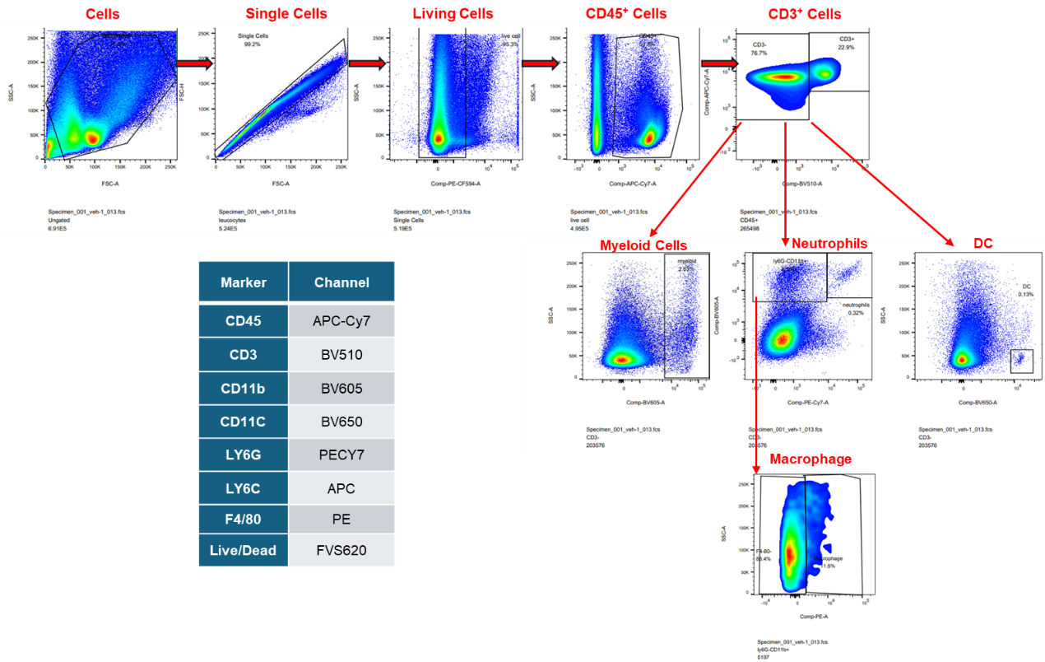
 |  |  |  |  |  |  |  | Gating Strategy Panel for Myeloid cells |  |  |  |  | monocytes % (vehicle vs ISM012-042) |  |  |  |  | Neutrophils % (vehicle vs ISM012-042)
 |  |  |  |  |  |  |  |  |  |  |  |  | Normality of Residuals |  |  |  |  | Normality of Residuals
 |  | Living count (106) |  |  |  |  |  |  |  |  |  |  | Test name | Statistics | P value | Passed normality test (alpha=0.05)? |  | Test name | Statistics | P value | Passed normality test (alpha=0.05)?
 |  | CD45+ cells | Monocytes | Monocytes(%CD45+) | Neutrophils | Neutrophils (%CD45+) |  |  |  |  |  |  | Shapiro-Wilk (W) | 0.8189 | 0.0454 | No |  | Shapiro-Wilk (W) | 0.8151 | 0.0414 | No
 |  | 0.47040 | 0.00287 | 0.610 | 0.00113 | 0.240
 |  | 0.42300 | 0.00241 | 0.570 | 0.00212 | 0.501 |  |  |  |  |  |  | Nonparametric Mann-Whitney test for monocytes % (vehicle vs ISM012-042) |  |  |  |  | Nonparametric Mann-Whitney test for neutrophils % (vehicle vs ISM012-042)
 |  | 0.59761 | 0.00681 | 1.140 | 0.00257 | 0.430 |  |  |  |  |  |  | P value | 0.0286 |  |  |  | P value | 0.0286
 |  | 0.40666 | 0.00240 | 0.590 | 0.00175 | 0.430 |  |  |  |  |  |  | Exact or approximate P value? | Exact |  |  |  | Exact or approximate P value? | Exact
 |  | 0.24135 | 0.00092 | 0.381 | 0.00002 | 0.008 |  |  |  |  |  |  | P value summary | * |  |  |  | P value summary | *
 |  | 0.33444 | 0.00077 | 0.230 | 0.00005 | 0.015 |  |  |  |  |  |  | Significantly different (P < 0.05)? | Yes |  |  |  | Significantly different (P < 0.05)? | Yes
 |  | 0.30603 | 0.00150 | 0.490 | 0.00003 | 0.010 |  |  |  |  |  |  | One- or two-tailed P value? | Two-tailed |  |  |  | One- or two-tailed P value? | Two-tailed
 |  | 0.24211 | 0.00102 | 0.421 | 0.00005 | 0.021 |  |  |  |  |  |  | Sum of ranks in column A,B | 26 , 10 |  |  |  | Sum of ranks in column A,B | 26 , 10
 |  |  |  |  |  |  |  |  |  |  |  |  | Mann-Whitney U | 0 |  |  |  | Mann-Whitney U | 0

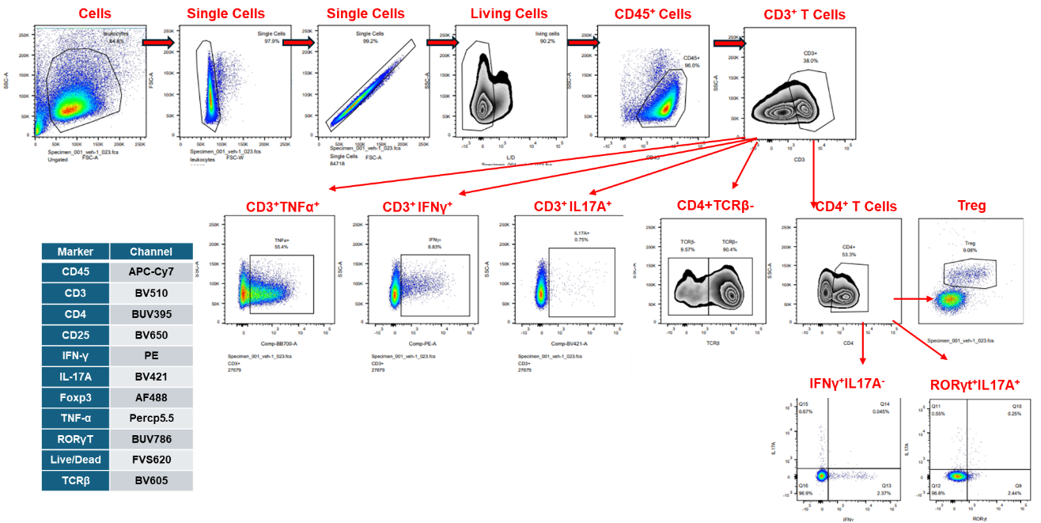
 |  |  |  |  |  |  |  | Gating Strategy Panel for T cell subsets |  |  |  |  | Unpaired t test for living CD3+ cell counts |  |  |  |  | Unpaired t test with Welch's correction for TNF-a postitive cell (%CD3)
 |  | CD45+ | CD45+CD3+ | TNF-α+ (%CD45+CD3+) | IFNγ+ (%CD45+CD3+) | IL-17A+ (%CD45+CD3+) | n indicate individual animal |  |  |  |  |  | P value | 0.0032 |  |  |  | P value | 0.0008
 |  |  |  |  |  |  |  |  |  |  |  |  | P value summary | ** |  |  |  | P value summary | ***
 |  | 0.84250 | 0.32015 | 55.40 | 8.83 | 0.75 | n=1 |  |  |  |  |  | Significantly different (P < 0.05)? | Yes |  |  |  | Significantly different (P < 0.05)? | Yes
 |  | 0.91799 | 0.32038 | 45.50 | 8.10 | 1.40 | n=2 |  |  |  |  |  | One- or two-tailed P value? | Two-tailed |  |  |  | One- or two-tailed P value? | Two-tailed
 |  | 0.99226 | 0.35721 | 58.70 | 11.60 | 1.42 | n=3 |  |  |  |  |  | t, df | t=4.745, df=6 |  |  |  | Welch-corrected t, df | t=13.84, df=3.046
 |  | 0.71024 | 0.26634 | 50.00 | 8.25 | 0.89 | n=4
 |  | 0.74397 | 0.24551 | 11.70 | 3.87 | 0.52 | n=1 |  |  |  |  |  | F test to compare variances |  |  |  |  | F test to compare variances
 |  | 0.64259 | 0.19535 | 11.80 | 3.33 | 0.56 | n=2 |  |  |  |  |  | F, DFn, Dfd | 2.602, 3, 3 |  |  |  | F, DFn, Dfd
 |  | 0.61333 | 0.19811 | 12.60 | 3.28 | 0.55 | n=3 |  |  |  |  |  | P value | 0.4531 |  |  |  | P value
 |  | 0.62628 | 0.20730 | 11.40 | 3.66 | 0.57 | n=4
 |  |  |  |  |  |  |  |  |  |  |  |  | Normality of Residuals |  |  |  |  | Normality of Residuals
 |  |  | CD45+CD3+ (% CD45+) | n indicate individual animal |  |  |  |  |  |  |  |  | Test name | Statistics | P value | Passed normality test (alpha=0.05)? |  | Test name
 |  | Vehicle | 38.0 | n=1 |  |  |  |  |  |  |  |  | Shapiro-Wilk (W) | 0.9529 | 0.7409 | Yes |  | Shapiro-Wilk (W)
 |  |  | 34.9 | n=2
 |  |  | 36.0 | n=3
 |  |  | 37.5 | n=4
 |  | 042-10mpk | 33.0 | n=1
 |  |  | 30.4 | n=2
 |  |  | 32.3 | n=3
 |  |  | 33.1 | n=4
...
 |  |  |  |  |  |  |  |  |  |  |  | Vehicle
 |  | n=2 | n=3 | n=4 | n=5 | n=6 | n=7 | n=8 | n=9 | n=10 | n=11 | n=1 | n=2 | n=3 | n=4 | n=5 | n=6 | n=7
 |  | 0 | 0 | 0 | 0 | 0 | 0 | 0 | 0 | 0 | 0 | 0 | 0 | 0 | 0 | 0 | 0 | 0
 |  | 1 | 1 | 0 | 1 | 0 | 2 | 1 | 1 | 1 | 1 | 0 | 1 | 1 | 1 | 0 | 0 | 1
 |  | 1 | 0 | 0 | 1 | 0 | 1 | 1 | 0 | 1 | 1 | 6 | 5 | 8 | 6 | 6 | 6 | 8
...

