Sheet2
Supplementary Table 4. Summary of chimeric embryos examined for germline contribution from GFP+ chicken ESCs

 |  | ID | GFP+ cell lines | donor sex | Recipient | Recipient sex | irradiation (cGy) | Day 4-5 phenotype | chimera level (0-5) | body picture |  | gonad picture |  | gonad picture |  | gonad IF |  | gonad IF |  | gonad IF |  | gonad IF
 | 1 | CH21 | G0 p19 | Male | White Leghorn | Male | 600 | heavy integration | L2.5 | 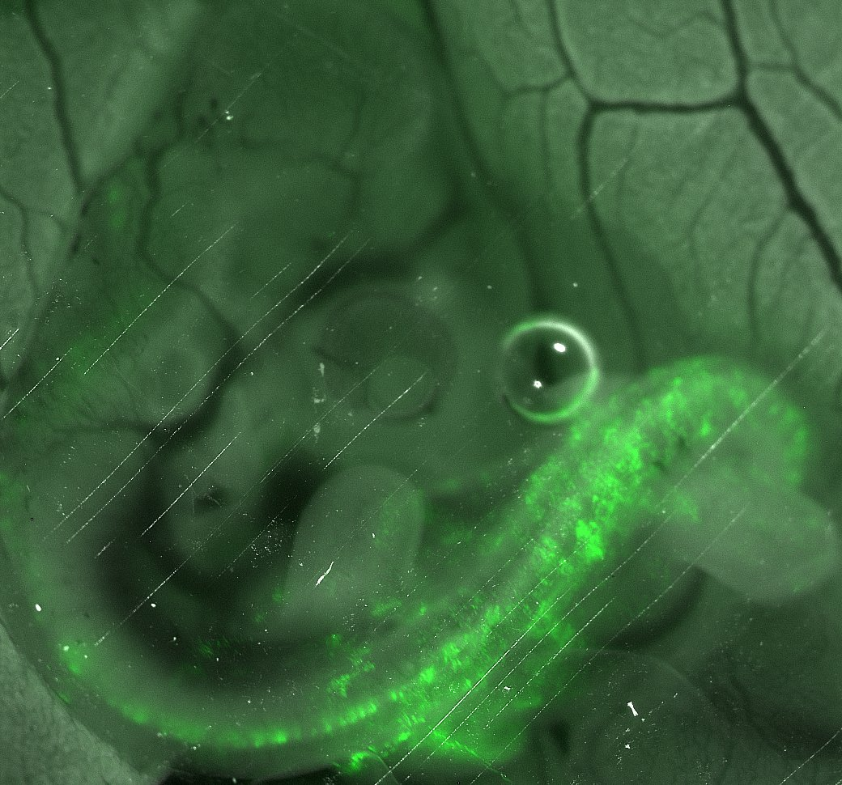 | E5 |  | E9 left gonad |  | E9 right gonad | 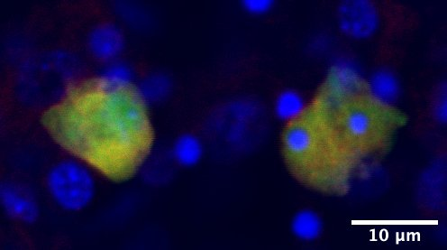 | E9 right gonad GFP/DAZL/DAPI | 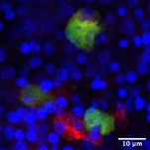 | E9 right gonad GFP/DAZL/DAPI
 | 2 | DH2 | RIRpSINb1 p33 | Male | Rhode Island Red | Male | 500 | heavy, GFP+ everywhere | L4 |  |  |  |  |  |  | 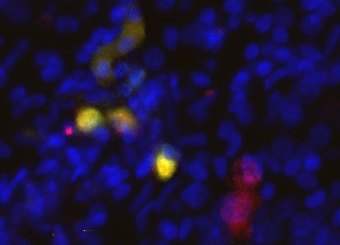 | E21 left testis GFP/P63/DAPI | 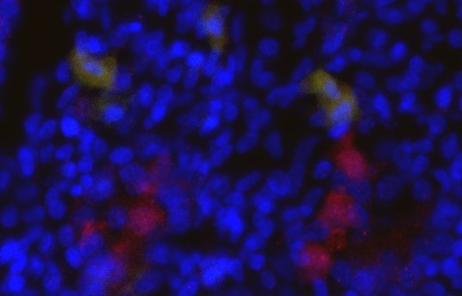 | E21 left testis GFP/P63/DAPI
 | 3 | DF39 | RIRpSINb2 p20 | Male | Rhode Island Red | Male | 500 | Integrated, GFP+ cells shape the body | L3.5 |  |  | 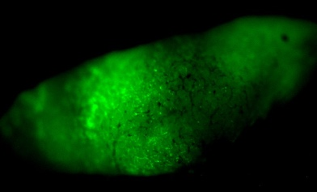 | E21 left testis | 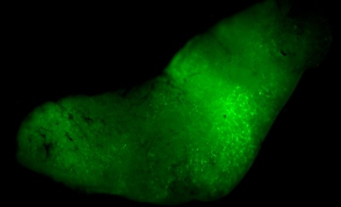 | E21 right testis | 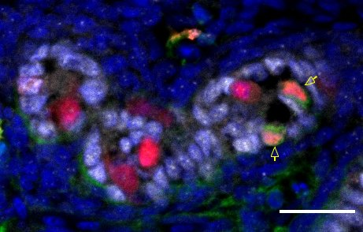 | E21 left testis Germ cell GFP+/P63+/SOX9-/DAPI | 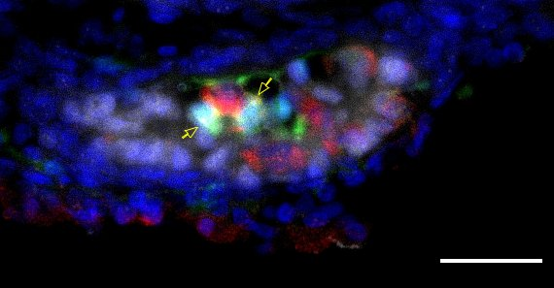 | E21 left testis Sertoli cell GFP+/P63-/SOX9+/DAPI | 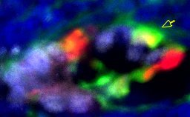 | E21 left testis Germ cell GFP+/P63+/SOX9-/DAPI
 | 4 | DY18 | SC2 p30 | Male | White Leghorn | Male | 500 | GFP everywhere including ExE circulation, plus super bright somites and eyes. | L5 | 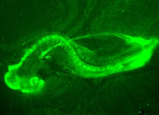 | E4 |  | E15 left testis |  | E15 right testis | 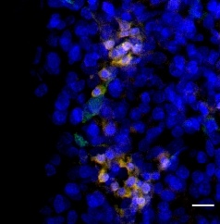 | E15 left testis GFP/SSEA1/DAPI | 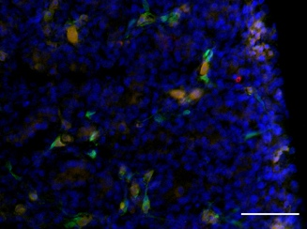 | E15 left testis GFP/DAZL/DAPI | 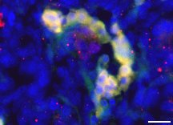 | E15 right testis GFP/DAZL/DAPI | 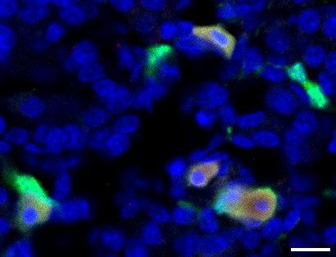 | E15 right testis GFP/DAZL/DAPI
 | 5 | FT31 | SC2 p31 | Male | White Leghorn | Male | 500 | heavy integration | L3.5 | 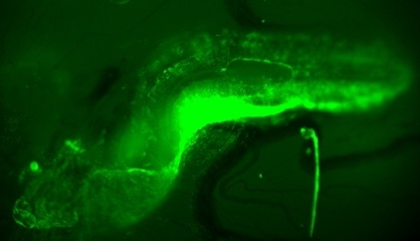 | E4 | 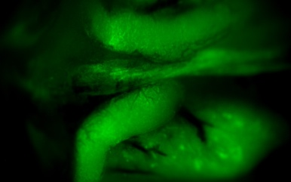 | E21 testes |  |  | 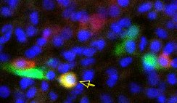 | E21 left testis GFP/P63/DAPI
 | 6 | HJ21 | SC2 p42 | Male | White Leghorn | Male | None | GFP+ all over the body | L3 | 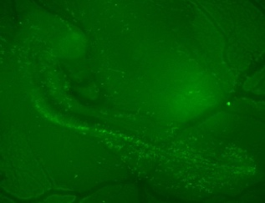 | E4 | 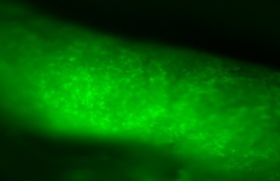 | E22 left testis |  | E22 right testis | 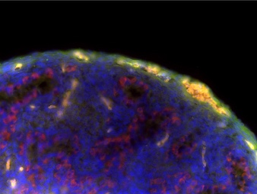 | E22 testis GFP/DAZL/DAPI | 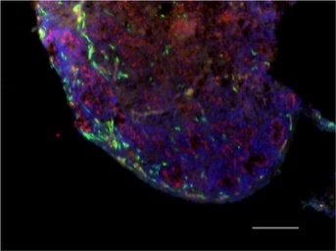 | E22 testis GFP/DAZL/DAPI
 | Note: The G0 cell line was derived from a ubiquitous GFP transgenic eggs (Roslin Green); all other 3 cell lines were derived from wildtype Rhode Island Red in different batches and labeled with constituitively-expressed GFP. Only male chimeric embryos injected with male GFP+ chicken ES cells were subjected to germline analysis.

