a
Supplementary Table 20a: Pyruvate Metabolism
EC predictions from hole-filling were not used for this analysis. Below we show the KEGG map with enzymes found in nematodes and not platyhelminths, or vice versa (see key on far right of spreadsheet) highlighted, as well as expansions (high gene counts). The heatmap on the right gives gene counts per species.
 |  |  |  |  |  |  |  | Flatworms |  |  |  |  |  |  |  |  |  |  |  |  |  |  |  |  |  |  |  |  |  |  |  |  |  |  |  |  |  |  |  |  |  |  |  |  |  |  |  |  | Nematodes
 | Clade | Trematoda | Trematoda | Trematoda | Trematoda | Trematoda | Trematoda | Trematoda | Trematoda | Trematoda | Trematoda | Trematoda | Cestoda | Cestoda | Cestoda | Cestoda | Cestoda | Cestoda | Cestoda | Cestoda | Cestoda | Cestoda | Cestoda | Cestoda | Flatworms-Other | Clade-I | Clade-I | Clade-I | Clade-I | Clade-I | Clade-I | Clade-I | Clade-IV~IVb | Clade-IV~IVb | Clade-IV~IVb | Clade-IV~IVb | Clade-IV~IVa | Clade-IV~IVa | Clade-IV~IVa | Clade-IV~IVa | Clade-IV~IVa | Clade-IV~IVa | Clade-V~Freeliving | Clade-V~Freeliving | Clade-V~Lungworm | Clade-V~Lungworm | Clade-V~Lungworm | Clade-V~Strongylida-other | Clade-V~Strongylida-other | Clade-V~Strongylida-other | Clade-V~Strongylida-other | Clade-V~Strongylida-other | Clade-V~Ancy+Strongylidae | Clade-V~Ancy+Strongylidae | Clade-V~Ancy+Strongylidae | Clade-V~Ancy+Strongylidae | Clade-V~Ancy+Strongylidae | Clade-V~Ancy+Strongylidae | Clade-V~Ancy+Strongylidae | Clade-III~Ascaridomorpha | Clade-III~Ascaridomorpha | Clade-III~Ascaridomorpha | Clade-III~Ascaridomorpha | Clade-III~Ascaridomorpha | Clade-III~Spiruromorpha+other | Clade-III~Spiruromorpha+other | Clade-III~Spiruromorpha+other | Clade-III~Spiruromorpha+other | Clade-III~Spiruromorpha+other | Clade-III~Spiruromorpha+other | Clade-III~Spiruromorpha+other | Clade-III~Spiruromorpha+other | Clade-III~Spiruromorpha+other | Clade-III~Spiruromorpha+other | Clade-III~Spiruromorpha+other | Clade-III~Spiruromorpha+other | Clade-III~Spiruromorpha+other | Clade-III~Spiruromorpha+other | Clade-III~Spiruromorpha+other | Clade-III~Oxyuridomorpha | Clade-III~Oxyuridomorpha
 | Species | S. haematobium | S. curassoni | S. mattheei | S. margrebowiei | S. mansoni | S. rodhaini | S. japonicum | T. regenti | C. sinensis | E. caproni | F. hepatica | D. latus | E. multilocularis | E. granulosus | T. asiatica | T. solium | H. taeniaeformis | H. diminuta | H. microstoma | H. nana | M. corti | S. solidus | S. erinaceieuropaei | P. xenopodis | R. culicivorax | S. baturini | T. spiralis | T. nativa | T. muris | T. suis | T. trichiura | G. pallida | M. hapla | P. redivivus | B. xylophilus | R. sp | P. trichosuri | S. ratti | S. stercoralis | S. venezuelensis | S. papillosus | C. elegans | P. pacificus | A. cantonensis | A. costaricensis | D. viviparus | H. contortus | H. placei | T. circumcincta | H. bakeri | N. brasiliensis | S. vulgaris | C. goldi | O. dentatum | N. americanus | A. ceylanicum | A. duodenale | A. caninum | A. lumbricoides | P. equorum | A. suum | T. canis | A. simplex | D. medinensis | B. pahangi | B. timori | B. malayi | W. bancrofti | L. loa | E. elaphi | L. sigmodontis | A. viteae | O. flexuosa | O. ochengi | O. volvulus | D. immitis | T. callipaeda | G. pulchrum | E. vermicularis | S. muris

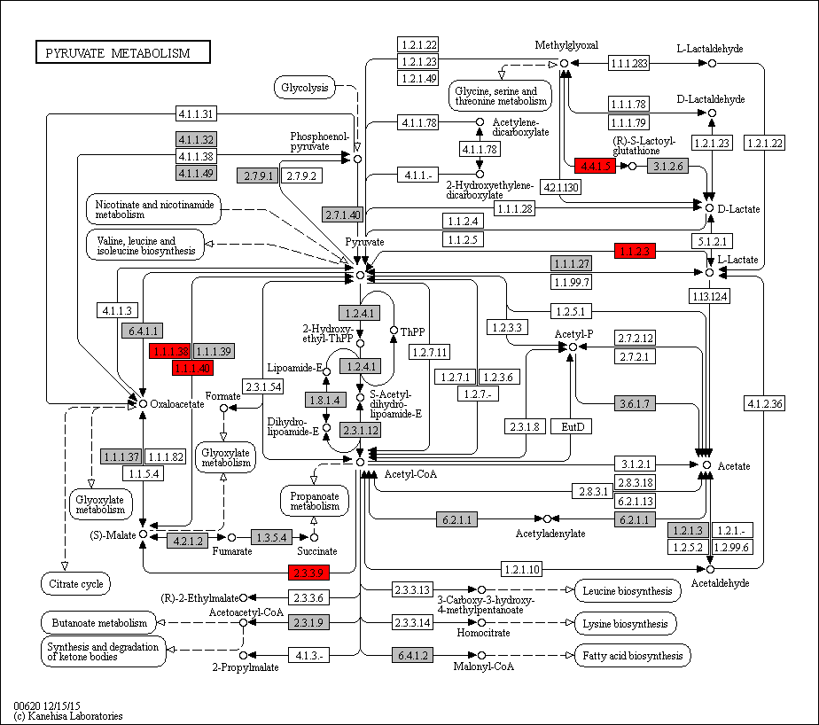
Enoplea

 | 4.4.1.5 | 0 | 0 | 0 | 0 | 0 | 0 | 0 | 0 | 0 | 0 | 0 | 0 | 0 | 0 | 0 | 0 | 0 | 0 | 0 | 0 | 0 | 0 | 0 | 0 | 1 | 1 | 1 | 1 | 1 | 1 | 1 | 2 | 1 | 1 | 1 | 0 | 1 | 1 | 0 | 1 | 1 | 1 | 0 | 1 | 1 | 1 | 1 | 1 | 1 | 2 | 1 | 2 | 0 | 1 | 1 | 1 | 1 | 1 | 1 | 0 | 1 | 1 | 1 | 1 | 1 | 1 | 1 | 1 | 1 | 1 | 1 | 0 | 0 | 1 | 1 | 1 | 1 | 2 | 1 | 1
 | 1.1.2.3 | 0 | 0 | 0 | 0 | 0 | 0 | 0 | 0 | 0 | 0 | 0 | 0 | 0 | 0 | 0 | 0 | 0 | 0 | 0 | 0 | 0 | 0 | 0 | 0 | 3 | 0 | 0 | 0 | 0 | 0 | 0 | 1 | 0 | 0 | 1 | 0 | 0 | 0 | 0 | 0 | 0 | 0 | 0 | 1 | 1 | 1 | 0 | 3 | 1 | 1 | 2 | 0 | 1 | 1 | 1 | 1 | 0 | 0 | 1 | 1 | 1 | 1 | 0 | 0 | 0 | 0 | 0 | 0 | 0 | 0 | 0 | 0 | 0 | 0 | 0 | 0 | 0 | 0 | 0 | 0
 | 1.1.1.38 | 0 | 0 | 0 | 0 | 0 | 0 | 0 | 0 | 0 | 0 | 0 | 0 | 0 | 0 | 0 | 0 | 0 | 0 | 0 | 0 | 0 | 0 | 0 | 0 | 0 | 0 | 0 | 0 | 0 | 0 | 0 | 0 | 0 | 0 | 0 | 0 | 0 | 0 | 0 | 0 | 0 | 0 | 0 | 0 | 0 | 0 | 0 | 0 | 0 | 0 | 0 | 0 | 0 | 0 | 0 | 0 | 0 | 1 | 0 | 0 | 1 | 0 | 0 | 0 | 0 | 0 | 0 | 0 | 0 | 0 | 0 | 0 | 0 | 0 | 0 | 0 | 0 | 0 | 0 | 0
 | 1.1.1.40 | 0 | 0 | 0 | 0 | 0 | 0 | 0 | 0 | 0 | 0 | 0 | 0 | 0 | 0 | 0 | 0 | 0 | 0 | 0 | 0 | 0 | 0 | 0 | 0 | 0 | 0 | 1 | 1 | 1 | 1 | 1 | 0 | 0 | 0 | 0 | 0 | 0 | 0 | 0 | 0 | 0 | 0 | 0 | 0 | 0 | 0 | 0 | 0 | 0 | 0 | 0 | 0 | 0 | 0 | 0 | 0 | 0 | 0 | 0 | 0 | 0 | 0 | 0 | 0 | 0 | 0 | 0 | 0 | 0 | 0 | 0 | 0 | 0 | 0 | 0 | 0 | 0 | 0 | 0 | 0
 | 2.3.3.9 | 0 | 0 | 0 | 0 | 0 | 0 | 0 | 0 | 0 | 0 | 0 | 0 | 0 | 0 | 0 | 0 | 0 | 0 | 0 | 0 | 0 | 0 | 0 | 0 | 0 | 0 | 0 | 0 | 1 | 1 | 1 | 1 | 1 | 2 | 1 | 1 | 1 | 1 | 1 | 1 | 1 | 1 | 1 | 1 | 0 | 1 | 1 | 1 | 2 | 1 | 1 | 1 | 0 | 1 | 1 | 1 | 2 | 1 | 2 | 0 | 1 | 1 | 0 | 1 | 0 | 0 | 0 | 0 | 0 | 0 | 0 | 0 | 0 | 0 | 0 | 0 | 0 | 0 | 1 | 0

 | 1.1.1.27 | 2 | 3 | 1 | 3 | 3 | 3 | 2 | 3 | 4 | 1 | 4 | 4 | 5 | 4 | 3 | 4 | 3 | 2 | 2 | 2 | 3 | 3 | 2 | 1 | 3 | 1 | 1 | 1 | 1 | 1 | 1 | 0 | 1 | 2 | 1 | 1 | 1 | 1 | 1 | 1 | 1 | 1 | 0 | 2 | 2 | 2 | 4 | 2 | 1 | 3 | 2 | 0 | 0 | 1 | 2 | 2 | 3 | 3 | 1 | 1 | 1 | 1 | 1 | 1 | 1 | 1 | 1 | 1 | 1 | 1 | 1 | 1 | 1 | 1 | 1 | 1 | 1 | 0 | 1 | 1
 | 1.1.1.37 | 3 | 4 | 3 | 3 | 3 | 5 | 2 | 3 | 3 | 4 | 6 | 3 | 5 | 5 | 4 | 4 | 5 | 5 | 4 | 5 | 5 | 4 | 4 | 4 | 2 | 2 | 1 | 3 | 2 | 3 | 2 | 2 | 2 | 2 | 3 | 2 | 2 | 2 | 2 | 2 | 2 | 2 | 2 | 2 | 2 | 3 | 4 | 3 | 8 | 6 | 3 | 3 | 4 | 5 | 2 | 2 | 6 | 4 | 8 | 1 | 4 | 7 | 4 | 2 | 2 | 2 | 2 | 2 | 2 | 2 | 3 | 2 | 3 | 3 | 2 | 2 | 2 | 4 | 2 | 2
 | 1.1.1.38 | 0 | 0 | 0 | 0 | 0 | 0 | 0 | 0 | 0 | 0 | 0 | 0 | 0 | 0 | 0 | 0 | 0 | 0 | 0 | 0 | 0 | 0 | 0 | 0 | 0 | 0 | 0 | 0 | 0 | 0 | 0 | 0 | 0 | 0 | 0 | 0 | 0 | 0 | 0 | 0 | 0 | 0 | 0 | 0 | 0 | 0 | 0 | 0 | 0 | 0 | 0 | 0 | 0 | 0 | 0 | 0 | 0 | 1 | 0 | 0 | 1 | 0 | 0 | 0 | 0 | 0 | 0 | 0 | 0 | 0 | 0 | 0 | 0 | 0 | 0 | 0 | 0 | 0 | 0 | 0
 | 1.1.1.40 | 0 | 0 | 0 | 0 | 0 | 0 | 0 | 0 | 0 | 0 | 0 | 0 | 0 | 0 | 0 | 0 | 0 | 0 | 0 | 0 | 0 | 0 | 0 | 0 | 0 | 0 | 1 | 1 | 1 | 1 | 1 | 0 | 0 | 0 | 0 | 0 | 0 | 0 | 0 | 0 | 0 | 0 | 0 | 0 | 0 | 0 | 0 | 0 | 0 | 0 | 0 | 0 | 0 | 0 | 0 | 0 | 0 | 0 | 0 | 0 | 0 | 0 | 0 | 0 | 0 | 0 | 0 | 0 | 0 | 0 | 0 | 0 | 0 | 0 | 0 | 0 | 0 | 0 | 0 | 0
 | 1.1.2.3 | 0 | 0 | 0 | 0 | 0 | 0 | 0 | 0 | 0 | 0 | 0 | 0 | 0 | 0 | 0 | 0 | 0 | 0 | 0 | 0 | 0 | 0 | 0 | 0 | 3 | 0 | 0 | 0 | 0 | 0 | 0 | 1 | 0 | 0 | 1 | 0 | 0 | 0 | 0 | 0 | 0 | 0 | 1 | 1 | 1 | 0 | 3 | 1 | 1 | 2 | 0 | 0 | 1 | 1 | 1 | 1 | 0 | 0 | 1 | 1 | 1 | 1 | 0 | 0 | 0 | 0 | 0 | 0 | 0 | 0 | 0 | 0 | 0 | 0 | 0 | 0 | 0 | 0 | 0 | 0 | Legend Key:
 | 1.1.5.4 | 0 | 0 | 0 | 0 | 0 | 0 | 0 | 0 | 0 | 0 | 0 | 0 | 0 | 0 | 0 | 0 | 0 | 0 | 0 | 0 | 0 | 0 | 0 | 0 | 0 | 0 | 0 | 0 | 0 | 0 | 0 | 1 | 0 | 0 | 0 | 0 | 0 | 0 | 0 | 0 | 0 | 0 | 0 | 0 | 0 | 0 | 0 | 0 | 0 | 0 | 0 | 0 | 0 | 0 | 0 | 0 | 0 | 0 | 0 | 0 | 0 | 0 | 0 | 0 | 0 | 0 | 0 | 0 | 0 | 0 | 0 | 0 | 0 | 0 | 0 | 0 | 0 | 0 | 0 | 0 |  | EC present in flatworms + nematodes
 | 1.2.1.3 | 1 | 0 | 0 | 0 | 1 | 1 | 0 | 0 | 0 | 0 | 0 | 0 | 1 | 1 | 1 | 1 | 0 | 0 | 0 | 0 | 2 | 1 | 0 | 0 | 1 | 0 | 0 | 1 | 1 | 0 | 1 | 1 | 1 | 2 | 2 | 1 | 3 | 3 | 2 | 3 | 4 | 3 | 2 | 2 | 1 | 2 | 3 | 3 | 1 | 1 | 2 | 0 | 1 | 2 | 2 | 2 | 0 | 0 | 2 | 0 | 2 | 0 | 2 | 2 | 0 | 0 | 0 | 0 | 0 | 0 | 0 | 0 | 0 | 0 | 0 | 0 | 0 | 0 | 1 | 1 |  | EC unique to flatworms
 | 1.2.4.1 | 3 | 2 | 3 | 3 | 2 | 3 | 2 | 2 | 3 | 2 | 4 | 2 | 2 | 2 | 2 | 2 | 2 | 2 | 2 | 2 | 2 | 3 | 2 | 3 | 2 | 2 | 2 | 5 | 2 | 3 | 2 | 2 | 2 | 3 | 5 | 3 | 3 | 3 | 3 | 3 | 3 | 2 | 2 | 7 | 5 | 2 | 2 | 2 | 4 | 2 | 3 | 2 | 1 | 3 | 2 | 3 | 2 | 4 | 6 | 2 | 6 | 5 | 7 | 3 | 4 | 3 | 4 | 2 | 4 | 5 | 3 | 3 | 4 | 4 | 2 | 4 | 4 | 5 | 3 | 2 |  | EC unique to nematodes
 | 1.3.5.4 | 0 | 0 | 0 | 0 | 0 | 0 | 0 | 0 | 0 | 0 | 0 | 0 | 0 | 0 | 0 | 0 | 0 | 0 | 0 | 0 | 0 | 0 | 0 | 0 | 0 | 0 | 0 | 0 | 0 | 0 | 0 | 0 | 0 | 0 | 0 | 0 | 0 | 0 | 0 | 0 | 0 | 0 | 0 | 0 | 0 | 0 | 0 | 0 | 0 | 0 | 0 | 0 | 0 | 0 | 0 | 0 | 0 | 0 | 0 | 0 | 1 | 0 | 0 | 0 | 0 | 0 | 0 | 0 | 0 | 0 | 0 | 0 | 0 | 0 | 0 | 0 | 0 | 0 | 0 | 0
 | 1.8.1.4 | 1 | 1 | 0 | 1 | 1 | 1 | 1 | 0 | 1 | 1 | 2 | 1 | 1 | 1 | 1 | 1 | 1 | 1 | 1 | 1 | 1 | 1 | 1 | 0 | 1 | 1 | 1 | 1 | 1 | 1 | 1 | 1 | 0 | 1 | 1 | 2 | 1 | 1 | 1 | 1 | 1 | 1 | 1 | 2 | 1 | 1 | 3 | 2 | 3 | 1 | 1 | 1 | 0 | 2 | 1 | 2 | 1 | 1 | 1 | 0 | 1 | 1 | 0 | 1 | 1 | 1 | 1 | 1 | 1 | 1 | 1 | 1 | 2 | 1 | 1 | 1 | 1 | 1 | 1 | 1 |  | Gene expansions in most flatworms and nematodes
 | 2.3.1.12 | 1 | 1 | 0 | 1 | 1 | 1 | 1 | 0 | 1 | 0 | 1 | 1 | 1 | 1 | 1 | 1 | 0 | 1 | 1 | 1 | 1 | 1 | 0 | 0 | 1 | 1 | 1 | 1 | 1 | 1 | 1 | 1 | 1 | 1 | 1 | 1 | 1 | 1 | 1 | 1 | 1 | 1 | 1 | 1 | 1 | 1 | 3 | 3 | 2 | 1 | 1 | 1 | 0 | 1 | 1 | 1 | 1 | 1 | 2 | 0 | 2 | 1 | 2 | 1 | 1 | 1 | 1 | 1 | 1 | 1 | 1 | 1 | 0 | 1 | 1 | 1 | 1 | 2 | 1 | 1 |  | Gene expansions in particular clades (flatworms and nematodes)
 | 2.3.1.9 | 1 | 1 | 0 | 1 | 1 | 2 | 0 | 1 | 2 | 2 | 3 | 0 | 1 | 1 | 1 | 0 | 1 | 2 | 1 | 0 | 1 | 0 | 1 | 0 | 1 | 1 | 2 | 1 | 1 | 0 | 1 | 2 | 0 | 2 | 2 | 2 | 3 | 2 | 2 | 2 | 2 | 2 | 1 | 2 | 1 | 3 | 2 | 1 | 2 | 0 | 1 | 3 | 1 | 4 | 0 | 1 | 2 | 3 | 7 | 2 | 5 | 10 | 6 | 1 | 0 | 0 | 0 | 0 | 0 | 0 | 0 | 0 | 0 | 0 | 0 | 0 | 0 | 3 | 1 | 1 |  | Gene expansions in clades of nematodes
 | 2.3.3.9 | 0 | 0 | 0 | 0 | 0 | 0 | 0 | 0 | 0 | 0 | 0 | 0 | 0 | 0 | 0 | 0 | 0 | 0 | 0 | 0 | 0 | 0 | 0 | 0 | 0 | 0 | 0 | 0 | 1 | 1 | 1 | 1 | 1 | 2 | 1 | 1 | 1 | 1 | 1 | 1 | 1 | 1 | 1 | 0 | 1 | 1 | 1 | 2 | 1 | 1 | 1 | 1 | 0 | 1 | 1 | 1 | 2 | 1 | 2 | 0 | 1 | 1 | 0 | 1 | 0 | 0 | 0 | 0 | 0 | 0 | 0 | 0 | 0 | 0 | 0 | 0 | 0 | 0 | 1 | 0 |  | Gene expansions in clades of flatworms
 | 2.7.1.40 | 2 | 3 | 2 | 2 | 2 | 3 | 2 | 2 | 4 | 2 | 2 | 3 | 5 | 5 | 4 | 5 | 5 | 5 | 6 | 5 | 4 | 3 | 3 | 1 | 2 | 2 | 1 | 2 | 2 | 2 | 2 | 2 | 1 | 1 | 1 | 2 | 3 | 4 | 5 | 3 | 3 | 2 | 2 | 3 | 3 | 3 | 8 | 5 | 6 | 4 | 2 | 4 | 6 | 4 | 3 | 3 | 4 | 4 | 4 | 3 | 3 | 3 | 2 | 2 | 4 | 3 | 4 | 4 | 6 | 3 | 2 | 5 | 4 | 5 | 4 | 2 | 4 | 8 | 3 | 2
 | 2.7.9.1 | 0 | 0 | 0 | 0 | 0 | 0 | 0 | 0 | 0 | 0 | 1 | 0 | 0 | 0 | 0 | 0 | 0 | 0 | 0 | 0 | 0 | 0 | 0 | 0 | 0 | 0 | 0 | 0 | 0 | 0 | 0 | 0 | 0 | 0 | 0 | 0 | 0 | 0 | 0 | 0 | 0 | 0 | 0 | 0 | 0 | 0 | 0 | 0 | 0 | 0 | 0 | 0 | 0 | 0 | 0 | 0 | 0 | 0 | 0 | 0 | 0 | 0 | 0 | 0 | 0 | 0 | 0 | 0 | 0 | 0 | 0 | 0 | 0 | 0 | 0 | 0 | 0 | 0 | 0 | 0 |  | Gene absent
 | 3.1.2.6 | 2 | 2 | 1 | 2 | 1 | 1 | 2 | 2 | 3 | 3 | 1 | 5 | 2 | 2 | 2 | 2 | 1 | 2 | 2 | 2 | 2 | 3 | 4 | 1 | 4 | 2 | 4 | 3 | 3 | 2 | 3 | 3 | 1 | 5 | 2 | 3 | 3 | 4 | 4 | 4 | 4 | 3 | 3 | 2 | 3 | 3 | 6 | 3 | 2 | 4 | 5 | 2 | 0 | 4 | 3 | 3 | 5 | 4 | 5 | 2 | 3 | 5 | 4 | 4 | 4 | 5 | 4 | 4 | 4 | 3 | 3 | 4 | 2 | 4 | 4 | 4 | 4 | 2 | 4 | 4 |  | 1 copy of gene present
 | 3.6.1.7 | 0 | 0 | 0 | 0 | 0 | 0 | 1 | 0 | 1 | 0 | 1 | 1 | 1 | 1 | 0 | 0 | 0 | 0 | 0 | 0 | 0 | 1 | 1 | 0 | 1 | 0 | 1 | 1 | 1 | 1 | 1 | 0 | 0 | 0 | 0 | 0 | 0 | 0 | 0 | 0 | 0 | 0 | 0 | 0 | 0 | 0 | 0 | 0 | 0 | 0 | 0 | 0 | 0 | 0 | 0 | 0 | 0 | 0 | 0 | 0 | 0 | 0 | 0 | 0 | 0 | 0 | 0 | 0 | 0 | 0 | 0 | 0 | 0 | 0 | 0 | 0 | 0 | 0 | 0 | 0 |  | >=2 copies of gene present
 | 4.1.1.32 | 1 | 1 | 1 | 1 | 1 | 1 | 1 | 1 | 2 | 2 | 2 | 2 | 1 | 1 | 1 | 1 | 1 | 1 | 1 | 1 | 1 | 2 | 1 | 0 | 2 | 2 | 1 | 1 | 1 | 1 | 1 | 1 | 1 | 2 | 1 | 1 | 2 | 1 | 1 | 1 | 1 | 3 | 3 | 3 | 2 | 4 | 4 | 3 | 5 | 3 | 4 | 1 | 1 | 4 | 2 | 3 | 2 | 3 | 8 | 1 | 6 | 8 | 6 | 2 | 2 | 2 | 2 | 2 | 4 | 2 | 2 | 2 | 2 | 4 | 2 | 2 | 3 | 2 | 2 | 1 |  | High copy number of genes
 | 4.1.1.49 | 0 | 0 | 0 | 0 | 0 | 0 | 0 | 0 | 0 | 0 | 0 | 0 | 0 | 0 | 0 | 0 | 0 | 0 | 0 | 0 | 0 | 0 | 0 | 0 | 0 | 0 | 0 | 0 | 0 | 0 | 0 | 0 | 0 | 0 | 0 | 0 | 0 | 0 | 0 | 0 | 0 | 0 | 0 | 0 | 0 | 0 | 0 | 0 | 0 | 0 | 0 | 0 | 0 | 0 | 0 | 1 | 0 | 0 | 0 | 0 | 0 | 0 | 0 | 0 | 0 | 0 | 0 | 0 | 0 | 0 | 0 | 0 | 0 | 0 | 0 | 0 | 0 | 0 | 0 | 0
 | 4.2.1.2 | 2 | 3 | 2 | 2 | 2 | 2 | 2 | 2 | 2 | 1 | 3 | 2 | 1 | 1 | 1 | 1 | 1 | 1 | 1 | 1 | 1 | 2 | 0 | 1 | 1 | 2 | 1 | 1 | 1 | 1 | 1 | 2 | 1 | 1 | 1 | 1 | 1 | 1 | 1 | 1 | 1 | 1 | 1 | 1 | 1 | 1 | 2 | 1 | 1 | 1 | 1 | 2 | 0 | 9 | 3 | 2 | 4 | 3 | 2 | 3 | 3 | 2 | 3 | 1 | 1 | 2 | 1 | 2 | 1 | 2 | 1 | 1 | 1 | 1 | 1 | 2 | 1 | 2 | 1 | 1
 | 4.4.1.5 | 0 | 0 | 0 | 0 | 0 | 0 | 0 | 0 | 0 | 0 | 0 | 0 | 0 | 0 | 0 | 0 | 0 | 0 | 0 | 0 | 0 | 0 | 0 | 0 | 1 | 1 | 1 | 1 | 1 | 1 | 1 | 2 | 1 | 1 | 1 | 0 | 1 | 1 | 0 | 1 | 1 | 0 | 1 | 1 | 1 | 1 | 1 | 1 | 2 | 1 | 2 | 1 | 0 | 1 | 1 | 1 | 1 | 1 | 1 | 0 | 1 | 1 | 1 | 1 | 1 | 1 | 1 | 1 | 1 | 1 | 1 | 0 | 0 | 1 | 1 | 1 | 1 | 2 | 1 | 1
 | 6.2.1.1 | 1 | 1 | 1 | 1 | 1 | 1 | 1 | 1 | 3 | 1 | 0 | 1 | 1 | 1 | 1 | 1 | 1 | 1 | 1 | 1 | 1 | 1 | 0 | 1 | 2 | 1 | 1 | 1 | 1 | 2 | 1 | 1 | 1 | 2 | 1 | 1 | 1 | 1 | 1 | 1 | 1 | 1 | 2 | 1 | 1 | 1 | 2 | 1 | 2 | 1 | 3 | 2 | 0 | 1 | 1 | 1 | 1 | 1 | 2 | 0 | 2 | 2 | 1 | 1 | 1 | 2 | 1 | 1 | 1 | 2 | 1 | 1 | 1 | 2 | 1 | 1 | 1 | 0 | 2 | 2
 | 6.4.1.1 | 1 | 0 | 1 | 1 | 1 | 1 | 1 | 0 | 0 | 0 | 0 | 1 | 0 | 0 | 0 | 0 | 0 | 0 | 0 | 0 | 0 | 1 | 0 | 0 | 0 | 0 | 1 | 1 | 1 | 1 | 1 | 1 | 1 | 3 | 2 | 1 | 1 | 1 | 1 | 1 | 1 | 1 | 1 | 1 | 1 | 1 | 0 | 1 | 1 | 1 | 2 | 1 | 1 | 1 | 1 | 1 | 1 | 1 | 1 | 0 | 1 | 1 | 1 | 1 | 0 | 0 | 0 | 0 | 0 | 0 | 0 | 0 | 0 | 0 | 0 | 0 | 0 | 0 | 2 | 0
 | 6.4.1.2 | 1 | 5 | 9 | 4 | 2 | 7 | 4 | 7 | 1 | 5 | 9 | 5 | 1 | 1 | 1 | 1 | 1 | 1 | 1 | 1 | 4 | 3 | 11 | 3 | 5 | 2 | 3 | 2 | 1 | 1 | 1 | 0 | 3 | 4 | 2 | 3 | 1 | 3 | 1 | 1 | 1 | 1 | 3 | 3 | 4 | 3 | 5 | 4 | 3 | 1 | 2 | 3 | 0 | 3 | 4 | 5 | 5 | 4 | 2 | 2 | 1 | 2 | 4 | 3 | 1 | 3 | 1 | 2 | 1 | 1 | 1 | 1 | 3 | 1 | 1 | 1 | 1 | 6 | 1 | 1

b
Supplementary Table 20b: Glycine, Serine and Threonine Metabolism
EC predictions from hole-filling were not used for this analysis. Below we show the KEGG map with enzymes found in nematodes and not platyhelminths, or vice versa (see key on far right of spreadsheet) highlighted, as well as expansions (high gene counts). The heatmap on the right gives gene counts per species.
 |  |  |  |  |  |  |  | Flatworms |  |  |  |  |  |  |  |  |  |  |  |  |  |  |  |  |  |  |  |  |  |  |  |  |  |  |  |  |  |  |  |  |  |  |  |  |  |  |  |  | Nematodes
 | Clade | Trematoda | Trematoda | Trematoda | Trematoda | Trematoda | Trematoda | Trematoda | Trematoda | Trematoda | Trematoda | Trematoda | Cestoda | Cestoda | Cestoda | Cestoda | Cestoda | Cestoda | Cestoda | Cestoda | Cestoda | Cestoda | Cestoda | Cestoda | Flatworms-Other | Clade-I | Clade-I | Clade-I | Clade-I | Clade-I | Clade-I | Clade-I | Clade-IV~IVb | Clade-IV~IVb | Clade-IV~IVb | Clade-IV~IVb | Clade-IV~IVa | Clade-IV~IVa | Clade-IV~IVa | Clade-IV~IVa | Clade-IV~IVa | Clade-IV~IVa | Clade-V~Freeliving | Clade-V~Freeliving | Clade-V~Lungworm | Clade-V~Lungworm | Clade-V~Lungworm | Clade-V~Strongylida-other | Clade-V~Strongylida-other | Clade-V~Strongylida-other | Clade-V~Strongylida-other | Clade-V~Strongylida-other | Clade-V~Ancy+Strongylidae | Clade-V~Ancy+Strongylidae | Clade-V~Ancy+Strongylidae | Clade-V~Ancy+Strongylidae | Clade-V~Ancy+Strongylidae | Clade-V~Ancy+Strongylidae | Clade-V~Ancy+Strongylidae | Clade-III~Ascaridomorpha | Clade-III~Ascaridomorpha | Clade-III~Ascaridomorpha | Clade-III~Ascaridomorpha | Clade-III~Ascaridomorpha | Clade-III~Spiruromorpha+other | Clade-III~Spiruromorpha+other | Clade-III~Spiruromorpha+other | Clade-III~Spiruromorpha+other | Clade-III~Spiruromorpha+other | Clade-III~Spiruromorpha+other | Clade-III~Spiruromorpha+other | Clade-III~Spiruromorpha+other | Clade-III~Spiruromorpha+other | Clade-III~Spiruromorpha+other | Clade-III~Spiruromorpha+other | Clade-III~Spiruromorpha+other | Clade-III~Spiruromorpha+other | Clade-III~Spiruromorpha+other | Clade-III~Spiruromorpha+other | Clade-III~Oxyuridomorpha | Clade-III~Oxyuridomorpha
 | Species | S. haematobium | S. curassoni | S. mattheei | S. margrebowiei | S. mansoni | S. rodhaini | S. japonicum | T. regenti | C. sinensis | E. caproni | F. hepatica | D. latus | E. multilocularis | E. granulosus | T. asiatica | T. solium | H. taeniaeformis | H. diminuta | H. microstoma | H. nana | M. corti | S. solidus | S. erinaceieuropaei | P. xenopodis | R. culicivorax | S. baturini | T. spiralis | T. nativa | T. muris | T. suis | T. trichiura | G. pallida | M. hapla | P. redivivus | B. xylophilus | R. sp | P. trichosuri | S. ratti | S. stercoralis | S. venezuelensis | S. papillosus | C. elegans | P. pacificus | A. cantonensis | A. costaricensis | D. viviparus | H. contortus | H. placei | T. circumcincta | H. bakeri | N. brasiliensis | S. vulgaris | C. goldi | O. dentatum | N. americanus | A. ceylanicum | A. duodenale | A. caninum | A. lumbricoides | P. equorum | A. suum | T. canis | A. simplex | D. medinensis | B. pahangi | B. timori | B. malayi | W. bancrofti | L. loa | E. elaphi | L. sigmodontis | A. viteae | O. flexuosa | O. ochengi | O. volvulus | D. immitis | T. callipaeda | G. pulchrum | E. vermicularis | S. muris

 | 2.1.4.1 | 1 | 0 | 1 | 1 | 1 | 0 | 0 | 0 | 0 | 1 | 0 | 0 | 0 | 0 | 0 | 0 | 0 | 0 | 0 | 0 | 0 | 1 | 0 | 0 | 0 | 0 | 0 | 0 | 0 | 0 | 0 | 0 | 0 | 0 | 0 | 0 | 0 | 0 | 0 | 0 | 0 | 0 | 0 | 0 | 0 | 0 | 0 | 0 | 0 | 0 | 0 | 0 | 0 | 0 | 0 | 0 | 0 | 0 | 0 | 0 | 0 | 0 | 0 | 0 | 0 | 0 | 0 | 0 | 0 | 0 | 0 | 0 | 0 | 0 | 0 | 0 | 0 | 0 | 0 | 0
 | 2.3.1.37 | 1 | 0 | 1 | 1 | 1 | 1 | 1 | 0 | 1 | 0 | 1 | 0 | 2 | 2 | 1 | 1 | 1 | 1 | 1 | 1 | 1 | 1 | 1 | 0 | 0 | 0 | 0 | 0 | 0 | 0 | 0 | 0 | 0 | 0 | 0 | 0 | 0 | 0 | 0 | 0 | 0 | 0 | 0 | 0 | 0 | 0 | 0 | 0 | 0 | 0 | 0 | 0 | 0 | 0 | 0 | 0 | 0 | 0 | 0 | 0 | 0 | 0 | 0 | 0 | 0 | 0 | 0 | 0 | 0 | 0 | 0 | 0 | 0 | 0 | 0 | 0 | 0 | 0 | 0 | 0
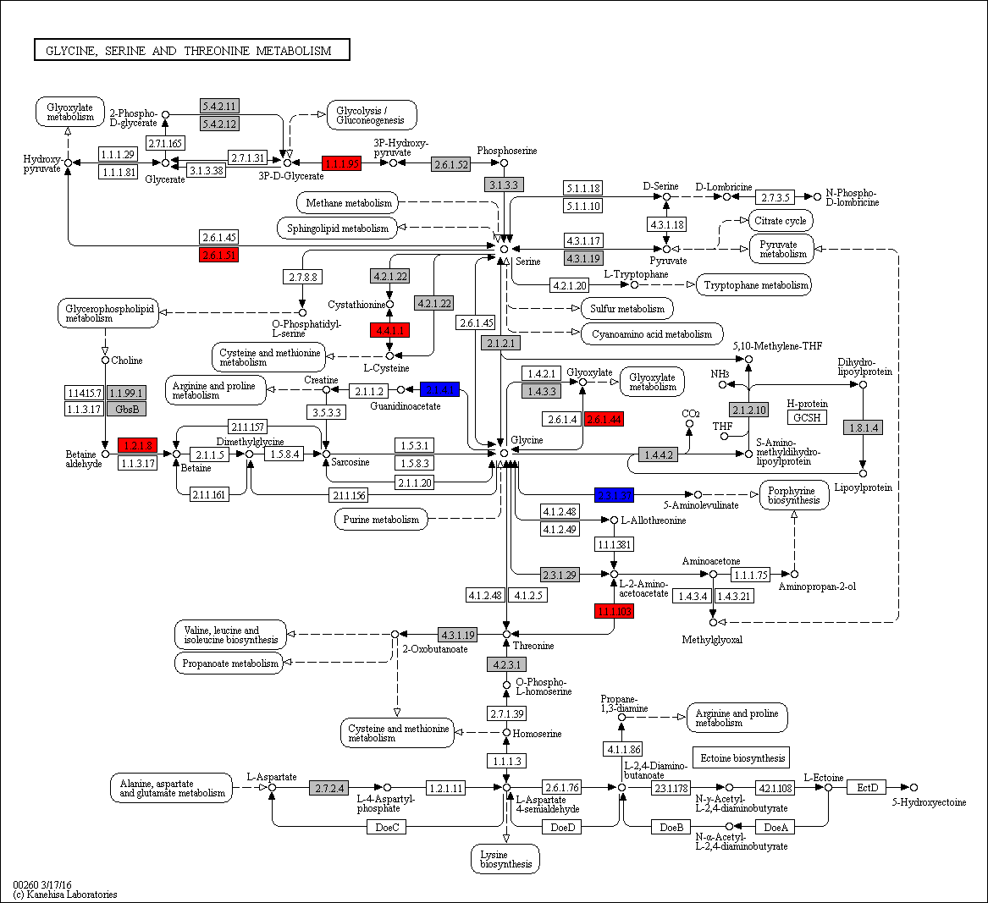

 | 1.1.1.95 | 0 | 0 | 0 | 0 | 0 | 0 | 0 | 0 | 0 | 0 | 0 | 0 | 0 | 0 | 0 | 0 | 0 | 0 | 0 | 0 | 0 | 0 | 0 | 0 | 1 | 0 | 0 | 0 | 0 | 1 | 1 | 0 | 0 | 0 | 0 | 1 | 1 | 1 | 1 | 1 | 2 | 1 | 1 | 2 | 1 | 0 | 1 | 1 | 1 | 0 | 1 | 0 | 0 | 0 | 0 | 1 | 1 | 1 | 0 | 0 | 0 | 0 | 0 | 0 | 0 | 0 | 0 | 0 | 0 | 0 | 0 | 0 | 0 | 0 | 0 | 0 | 0 | 0 | 0 | 1 | Legend Key:
 | 2.6.1.51 | 0 | 0 | 0 | 0 | 0 | 0 | 0 | 0 | 0 | 0 | 0 | 0 | 0 | 0 | 0 | 0 | 0 | 0 | 0 | 0 | 0 | 0 | 0 | 0 | 1 | 0 | 0 | 0 | 1 | 1 | 1 | 1 | 1 | 1 | 1 | 1 | 0 | 1 | 1 | 1 | 1 | 1 | 0 | 1 | 1 | 1 | 1 | 1 | 2 | 1 | 1 | 0 | 0 | 0 | 1 | 0 | 0 | 1 | 0 | 0 | 0 | 1 | 0 | 1 | 0 | 0 | 0 | 0 | 0 | 0 | 0 | 0 | 0 | 0 | 0 | 0 | 0 | 0 | 1 | 0 |  | EC present in flatworms + nematodes
 | 4.4.1.1 | 0 | 0 | 0 | 0 | 0 | 0 | 0 | 0 | 0 | 0 | 0 | 0 | 0 | 0 | 0 | 0 | 0 | 0 | 0 | 0 | 0 | 0 | 0 | 0 | 0 | 0 | 0 | 0 | 0 | 0 | 0 | 0 | 1 | 1 | 1 | 1 | 0 | 0 | 0 | 1 | 0 | 2 | 0 | 1 | 1 | 1 | 1 | 1 | 1 | 1 | 0 | 0 | 0 | 0 | 0 | 1 | 0 | 1 | 1 | 0 | 1 | 1 | 1 | 1 | 1 | 0 | 1 | 0 | 1 | 1 | 1 | 0 | 1 | 1 | 1 | 1 | 1 | 0 | 1 | 1 |  | EC unique to flatworms
 | 1.2.1.8 | 0 | 0 | 0 | 0 | 0 | 0 | 0 | 0 | 0 | 0 | 0 | 0 | 0 | 0 | 0 | 0 | 0 | 0 | 0 | 0 | 0 | 0 | 0 | 0 | 0 | 0 | 0 | 0 | 0 | 0 | 0 | 0 | 0 | 1 | 1 | 0 | 1 | 1 | 0 | 1 | 1 | 1 | 1 | 1 | 0 | 1 | 3 | 1 | 0 | 0 | 2 | 0 | 0 | 1 | 1 | 1 | 0 | 0 | 1 | 0 | 1 | 0 | 1 | 1 | 0 | 0 | 0 | 0 | 0 | 0 | 0 | 0 | 0 | 0 | 0 | 0 | 0 | 0 | 0 | 0 |  | EC unique to nematodes
 | 2.6.1.44 | 0 | 0 | 0 | 0 | 0 | 0 | 0 | 0 | 0 | 0 | 0 | 0 | 0 | 0 | 0 | 0 | 0 | 0 | 0 | 0 | 0 | 0 | 0 | 0 | 1 | 0 | 0 | 0 | 1 | 1 | 1 | 1 | 1 | 2 | 2 | 1 | 0 | 1 | 1 | 1 | 1 | 1 | 0 | 1 | 1 | 2 | 1 | 1 | 3 | 1 | 1 | 0 | 0 | 1 | 1 | 0 | 0 | 2 | 0 | 0 | 0 | 1 | 0 | 1 | 0 | 0 | 0 | 0 | 0 | 0 | 0 | 0 | 0 | 0 | 0 | 0 | 0 | 0 | 1 | 0
 |  |  |  |  |  |  |  |  |  |  |  |  |  |  |  |  |  |  |  |  |  |  |  |  |  |  |  |  |  |  |  |  |  |  |  |  |  |  |  |  |  |  |  |  |  |  |  |  |  |  |  |  |  |  |  |  |  |  |  |  |  |  |  |  |  |  |  |  |  |  |  |  |  |  |  |  |  |  |  |  |  |  | Gene expansions in most flatworms and nematodes
 |  |  |  |  |  |  |  |  |  |  |  |  |  |  |  |  |  |  |  |  |  |  |  |  |  |  |  |  |  |  |  |  |  |  |  |  |  |  |  |  |  |  |  |  |  |  |  |  |  |  |  |  |  |  |  |  |  |  |  |  |  |  |  |  |  |  |  |  |  |  |  |  |  |  |  |  |  |  |  |  |  |  | Gene expansions in particular clades (flatworms and nematodes)
 |  |  |  |  |  |  |  |  |  |  |  |  |  |  |  |  |  |  |  |  |  |  |  |  |  |  |  |  |  |  |  |  |  |  |  |  |  |  |  |  |  |  |  |  |  |  |  |  |  |  |  |  |  |  |  |  |  |  |  |  |  |  |  |  |  |  |  |  |  |  |  |  |  |  |  |  |  |  |  |  |  |  | Gene expansions in clades of nematodes
 |  |  |  |  |  |  |  |  |  |  |  |  |  |  |  |  |  |  |  |  |  |  |  |  |  |  |  |  |  |  |  |  |  |  |  |  |  |  |  |  |  |  |  |  |  |  |  |  |  |  |  |  |  |  |  |  |  |  |  |  |  |  |  |  |  |  |  |  |  |  |  |  |  |  |  |  |  |  |  |  |  |  | Gene expansions in clades of flatworms
 | 1.1.1.1 | 1 | 1 | 1 | 1 | 1 | 1 | 1 | 2 | 2 | 1 | 1 | 1 | 0 | 0 | 0 | 0 | 0 | 0 | 0 | 0 | 0 | 1 | 1 | 1 | 2 | 1 | 2 | 2 | 1 | 0 | 1 | 6 | 1 | 8 | 10 | 1 | 1 | 1 | 1 | 0 | 1 | 5 | 1 | 1 | 1 | 1 | 1 | 1 | 2 | 1 | 1 | 1 | 1 | 2 | 1 | 1 | 2 | 1 | 1 | 0 | 1 | 1 | 2 | 1 | 1 | 1 | 3 | 1 | 2 | 1 | 1 | 1 | 1 | 1 | 1 | 1 | 1 | 0 | 1 | 1
 | 1.1.1.103 | 0 | 0 | 0 | 0 | 0 | 0 | 0 | 0 | 0 | 0 | 0 | 0 | 0 | 0 | 0 | 0 | 0 | 0 | 0 | 0 | 0 | 0 | 0 | 0 | 1 | 0 | 1 | 0 | 1 | 0 | 0 | 0 | 0 | 1 | 1 | 0 | 1 | 1 | 1 | 1 | 1 | 0 | 1 | 0 | 1 | 0 | 1 | 0 | 1 | 1 | 1 | 0 | 0 | 0 | 2 | 0 | 1 | 0 | 1 | 0 | 1 | 1 | 1 | 1 | 1 | 1 | 1 | 0 | 1 | 1 | 0 | 1 | 0 | 0 | 0 | 1 | 1 | 0 | 1 | 1 |  | Gene absent
 | 1.1.1.95 | 0 | 0 | 0 | 0 | 0 | 0 | 0 | 0 | 0 | 0 | 0 | 0 | 0 | 0 | 0 | 0 | 0 | 0 | 0 | 0 | 0 | 0 | 0 | 0 | 1 | 0 | 0 | 0 | 0 | 1 | 1 | 0 | 0 | 0 | 0 | 1 | 1 | 1 | 1 | 1 | 2 | 1 | 1 | 2 | 1 | 0 | 1 | 1 | 1 | 0 | 1 | 0 | 0 | 0 | 0 | 1 | 1 | 1 | 0 | 0 | 0 | 0 | 0 | 0 | 0 | 0 | 0 | 0 | 0 | 0 | 0 | 0 | 0 | 0 | 0 | 0 | 0 | 0 | 0 | 1 |  | 1 copy of gene present
 | 1.1.99.1 | 1 | 0 | 1 | 1 | 1 | 1 | 0 | 0 | 2 | 0 | 0 | 0 | 0 | 0 | 0 | 0 | 0 | 0 | 0 | 0 | 0 | 0 | 0 | 0 | 1 | 0 | 0 | 0 | 0 | 0 | 0 | 1 | 1 | 1 | 1 | 1 | 1 | 1 | 1 | 1 | 1 | 1 | 0 | 1 | 1 | 1 | 0 | 1 | 0 | 1 | 1 | 0 | 0 | 2 | 1 | 1 | 0 | 1 | 2 | 1 | 2 | 1 | 0 | 1 | 1 | 0 | 1 | 0 | 3 | 0 | 1 | 1 | 1 | 1 | 1 | 1 | 1 | 1 | 1 | 1 |  | >=2 copies of gene present
 | 1.2.1.8 | 0 | 0 | 0 | 0 | 0 | 0 | 0 | 0 | 0 | 0 | 0 | 0 | 0 | 0 | 0 | 0 | 0 | 0 | 0 | 0 | 0 | 0 | 0 | 0 | 0 | 0 | 0 | 0 | 0 | 0 | 0 | 0 | 0 | 1 | 1 | 0 | 1 | 1 | 0 | 1 | 1 | 1 | 1 | 1 | 0 | 1 | 3 | 1 | 0 | 0 | 2 | 0 | 0 | 1 | 1 | 1 | 0 | 0 | 1 | 0 | 1 | 0 | 1 | 1 | 0 | 0 | 0 | 0 | 0 | 0 | 0 | 0 | 0 | 0 | 0 | 0 | 0 | 0 | 0 | 0 |  | High copy number of genes
 | 1.4.3.3 | 0 | 0 | 0 | 0 | 0 | 0 | 0 | 0 | 0 | 0 | 0 | 0 | 0 | 0 | 0 | 0 | 0 | 0 | 0 | 0 | 0 | 0 | 0 | 0 | 0 | 0 | 0 | 0 | 0 | 0 | 0 | 0 | 0 | 0 | 0 | 0 | 0 | 0 | 0 | 0 | 0 | 1 | 0 | 0 | 0 | 0 | 0 | 0 | 0 | 0 | 0 | 0 | 0 | 0 | 0 | 0 | 0 | 0 | 0 | 0 | 0 | 0 | 0 | 0 | 0 | 0 | 0 | 0 | 0 | 0 | 0 | 0 | 0 | 0 | 0 | 0 | 0 | 0 | 0 | 0
 | 1.4.4.2 | 2 | 3 | 4 | 3 | 2 | 2 | 2 | 4 | 3 | 2 | 4 | 0 | 0 | 0 | 0 | 0 | 0 | 0 | 0 | 0 | 0 | 0 | 0 | 3 | 2 | 1 | 1 | 1 | 1 | 1 | 2 | 1 | 1 | 1 | 2 | 1 | 1 | 1 | 1 | 1 | 1 | 1 | 1 | 1 | 2 | 2 | 1 | 2 | 4 | 2 | 2 | 5 | 3 | 2 | 1 | 1 | 3 | 6 | 3 | 2 | 1 | 1 | 8 | 2 | 0 | 0 | 0 | 0 | 0 | 0 | 0 | 0 | 0 | 0 | 0 | 0 | 1 | 5 | 2 | 1
 | 1.8.1.4 | 1 | 1 | 0 | 1 | 1 | 1 | 1 | 0 | 1 | 1 | 2 | 1 | 1 | 1 | 1 | 1 | 1 | 1 | 1 | 1 | 1 | 1 | 1 | 0 | 1 | 1 | 1 | 1 | 1 | 1 | 1 | 1 | 0 | 1 | 1 | 2 | 1 | 1 | 1 | 1 | 1 | 1 | 1 | 2 | 1 | 1 | 3 | 2 | 3 | 1 | 1 | 1 | 0 | 2 | 1 | 2 | 1 | 1 | 1 | 0 | 1 | 1 | 0 | 1 | 1 | 1 | 1 | 1 | 1 | 1 | 1 | 1 | 2 | 1 | 1 | 1 | 1 | 1 | 1 | 1
 | 2.1.2.1 | 2 | 3 | 3 | 3 | 2 | 3 | 3 | 1 | 3 | 4 | 2 | 3 | 1 | 1 | 1 | 1 | 1 | 1 | 1 | 1 | 1 | 1 | 4 | 2 | 2 | 2 | 1 | 1 | 1 | 1 | 1 | 2 | 1 | 1 | 1 | 1 | 1 | 1 | 1 | 1 | 1 | 1 | 1 | 1 | 1 | 1 | 2 | 1 | 2 | 1 | 2 | 2 | 2 | 3 | 1 | 1 | 2 | 1 | 1 | 0 | 1 | 2 | 1 | 1 | 1 | 1 | 1 | 1 | 1 | 1 | 1 | 2 | 1 | 1 | 1 | 1 | 1 | 1 | 1 | 1
 | 2.1.2.10 | 0 | 1 | 0 | 1 | 1 | 1 | 1 | 0 | 2 | 1 | 1 | 0 | 0 | 0 | 0 | 0 | 0 | 0 | 0 | 0 | 0 | 0 | 0 | 0 | 1 | 0 | 1 | 1 | 1 | 1 | 1 | 2 | 0 | 1 | 0 | 2 | 1 | 1 | 1 | 1 | 1 | 1 | 1 | 1 | 1 | 1 | 0 | 1 | 2 | 1 | 1 | 0 | 0 | 1 | 1 | 1 | 1 | 1 | 1 | 1 | 1 | 1 | 2 | 1 | 0 | 0 | 0 | 0 | 0 | 0 | 0 | 0 | 0 | 0 | 0 | 0 | 1 | 0 | 1 | 1
 | 2.1.4.1 | 1 | 0 | 1 | 1 | 1 | 0 | 0 | 0 | 0 | 1 | 0 | 0 | 0 | 0 | 0 | 0 | 0 | 0 | 0 | 0 | 0 | 1 | 0 | 0 | 0 | 0 | 0 | 0 | 0 | 0 | 0 | 0 | 0 | 0 | 0 | 0 | 0 | 0 | 0 | 0 | 0 | 0 | 0 | 0 | 0 | 0 | 0 | 0 | 0 | 0 | 0 | 0 | 0 | 0 | 0 | 0 | 0 | 0 | 0 | 0 | 0 | 0 | 0 | 0 | 0 | 0 | 0 | 0 | 0 | 0 | 0 | 0 | 0 | 0 | 0 | 0 | 0 | 0 | 0 | 0
 | 2.3.1.37 | 1 | 0 | 1 | 1 | 1 | 1 | 1 | 0 | 1 | 0 | 1 | 0 | 2 | 2 | 1 | 1 | 1 | 1 | 1 | 1 | 1 | 1 | 1 | 0 | 0 | 0 | 0 | 0 | 0 | 0 | 0 | 0 | 0 | 0 | 0 | 0 | 0 | 0 | 0 | 0 | 0 | 0 | 0 | 0 | 0 | 0 | 0 | 0 | 0 | 0 | 0 | 0 | 0 | 0 | 0 | 0 | 0 | 0 | 0 | 0 | 0 | 0 | 0 | 0 | 0 | 0 | 0 | 0 | 0 | 0 | 0 | 0 | 0 | 0 | 0 | 0 | 0 | 0 | 0 | 0
 | 2.6.1.44 | 0 | 0 | 0 | 0 | 0 | 0 | 0 | 0 | 0 | 0 | 0 | 0 | 0 | 0 | 0 | 0 | 0 | 0 | 0 | 0 | 0 | 0 | 0 | 0 | 1 | 0 | 0 | 0 | 1 | 1 | 1 | 1 | 1 | 2 | 2 | 1 | 0 | 1 | 1 | 1 | 1 | 1 | 0 | 1 | 1 | 2 | 1 | 1 | 3 | 1 | 1 | 0 | 0 | 1 | 1 | 0 | 0 | 2 | 0 | 0 | 0 | 1 | 0 | 1 | 0 | 0 | 0 | 0 | 0 | 0 | 0 | 0 | 0 | 0 | 0 | 0 | 0 | 0 | 1 | 0
 | 2.6.1.51 | 0 | 0 | 0 | 0 | 0 | 0 | 0 | 0 | 0 | 0 | 0 | 0 | 0 | 0 | 0 | 0 | 0 | 0 | 0 | 0 | 0 | 0 | 0 | 0 | 1 | 0 | 0 | 0 | 1 | 1 | 1 | 1 | 1 | 1 | 1 | 1 | 0 | 1 | 1 | 1 | 1 | 1 | 0 | 1 | 1 | 1 | 1 | 1 | 2 | 1 | 1 | 0 | 0 | 0 | 1 | 0 | 0 | 1 | 0 | 0 | 0 | 1 | 0 | 1 | 0 | 0 | 0 | 0 | 0 | 0 | 0 | 0 | 0 | 0 | 0 | 0 | 0 | 0 | 1 | 0
 | 2.6.1.52 | 0 | 0 | 0 | 0 | 0 | 0 | 0 | 0 | 1 | 1 | 1 | 1 | 0 | 0 | 0 | 0 | 0 | 0 | 0 | 0 | 0 | 1 | 0 | 0 | 1 | 1 | 0 | 0 | 1 | 1 | 1 | 0 | 0 | 1 | 1 | 6 | 1 | 1 | 1 | 1 | 1 | 1 | 1 | 2 | 1 | 1 | 1 | 1 | 3 | 1 | 2 | 1 | 1 | 1 | 1 | 2 | 1 | 1 | 1 | 1 | 1 | 1 | 1 | 0 | 0 | 0 | 0 | 0 | 0 | 0 | 0 | 0 | 0 | 0 | 0 | 0 | 0 | 0 | 1 | 1
 | 2.7.2.4 | 0 | 0 | 0 | 0 | 0 | 0 | 0 | 0 | 0 | 0 | 0 | 0 | 0 | 0 | 0 | 0 | 0 | 0 | 0 | 0 | 0 | 0 | 0 | 0 | 0 | 0 | 0 | 0 | 0 | 0 | 0 | 0 | 0 | 0 | 0 | 0 | 0 | 0 | 0 | 0 | 0 | 0 | 0 | 0 | 0 | 0 | 0 | 0 | 0 | 0 | 0 | 0 | 0 | 0 | 0 | 1 | 0 | 0 | 0 | 0 | 0 | 0 | 0 | 0 | 0 | 0 | 0 | 0 | 0 | 0 | 0 | 0 | 0 | 0 | 0 | 0 | 0 | 0 | 0 | 0
 | 3.1.3.3 | 0 | 1 | 0 | 0 | 0 | 0 | 0 | 0 | 0 | 0 | 1 | 0 | 0 | 0 | 0 | 0 | 0 | 1 | 0 | 0 | 0 | 0 | 0 | 0 | 0 | 0 | 0 | 1 | 1 | 1 | 1 | 0 | 0 | 0 | 1 | 0 | 1 | 1 | 1 | 0 | 1 | 1 | 0 | 1 | 1 | 1 | 1 | 0 | 0 | 1 | 1 | 1 | 0 | 1 | 0 | 0 | 1 | 1 | 1 | 0 | 0 | 1 | 1 | 1 | 0 | 0 | 0 | 0 | 0 | 0 | 0 | 0 | 1 | 1 | 1 | 0 | 0 | 1 | 1 | 1
 | 4.2.1.20 | 0 | 0 | 0 | 0 | 0 | 0 | 0 | 0 | 0 | 0 | 0 | 0 | 0 | 0 | 0 | 0 | 0 | 0 | 0 | 0 | 0 | 0 | 0 | 0 | 0 | 0 | 0 | 0 | 0 | 0 | 0 | 0 | 0 | 0 | 0 | 0 | 0 | 0 | 0 | 0 | 0 | 0 | 0 | 0 | 0 | 0 | 0 | 0 | 0 | 0 | 0 | 0 | 0 | 0 | 0 | 0 | 0 | 0 | 0 | 0 | 0 | 0 | 0 | 0 | 0 | 0 | 0 | 0 | 0 | 1 | 0 | 0 | 0 | 0 | 0 | 0 | 0 | 0 | 0 | 0
 | 4.2.1.22 | 1 | 0 | 1 | 0 | 0 | 0 | 0 | 0 | 0 | 1 | 0 | 0 | 0 | 0 | 0 | 0 | 0 | 0 | 0 | 0 | 0 | 0 | 0 | 0 | 0 | 0 | 1 | 1 | 1 | 0 | 1 | 0 | 0 | 0 | 0 | 0 | 0 | 0 | 0 | 0 | 0 | 0 | 0 | 0 | 0 | 0 | 0 | 0 | 0 | 0 | 0 | 0 | 0 | 0 | 0 | 0 | 0 | 0 | 0 | 0 | 0 | 1 | 1 | 0 | 0 | 0 | 0 | 0 | 1 | 0 | 1 | 0 | 1 | 0 | 0 | 1 | 0 | 0 | 1 | 1
 | 4.2.3.1 | 0 | 0 | 0 | 0 | 0 | 0 | 0 | 0 | 1 | 0 | 0 | 0 | 0 | 0 | 0 | 0 | 0 | 0 | 0 | 0 | 0 | 0 | 0 | 0 | 0 | 0 | 0 | 0 | 0 | 0 | 0 | 0 | 0 | 0 | 0 | 0 | 0 | 0 | 0 | 0 | 0 | 0 | 0 | 0 | 0 | 0 | 0 | 0 | 0 | 0 | 0 | 0 | 0 | 0 | 0 | 0 | 0 | 0 | 0 | 0 | 0 | 0 | 0 | 0 | 0 | 0 | 0 | 0 | 0 | 0 | 0 | 0 | 0 | 0 | 0 | 0 | 0 | 0 | 0 | 0
 | 4.3.1.19 | 1 | 0 | 0 | 0 | 0 | 0 | 0 | 0 | 1 | 1 | 0 | 0 | 0 | 0 | 0 | 0 | 0 | 0 | 0 | 0 | 1 | 0 | 0 | 0 | 2 | 1 | 0 | 1 | 1 | 1 | 1 | 0 | 1 | 2 | 2 | 2 | 3 | 3 | 3 | 3 | 3 | 2 | 2 | 1 | 2 | 1 | 2 | 1 | 0 | 1 | 0 | 0 | 0 | 0 | 2 | 2 | 0 | 3 | 0 | 0 | 0 | 1 | 1 | 1 | 0 | 0 | 0 | 0 | 0 | 0 | 0 | 0 | 0 | 0 | 0 | 0 | 0 | 0 | 0 | 0
 | 4.4.1.1 | 0 | 0 | 0 | 0 | 0 | 0 | 0 | 0 | 0 | 0 | 0 | 0 | 0 | 0 | 0 | 0 | 0 | 0 | 0 | 0 | 0 | 0 | 0 | 0 | 0 | 0 | 0 | 0 | 0 | 0 | 0 | 0 | 1 | 1 | 1 | 1 | 0 | 0 | 0 | 1 | 0 | 2 | 0 | 1 | 1 | 1 | 1 | 1 | 1 | 1 | 0 | 0 | 0 | 0 | 0 | 1 | 0 | 1 | 1 | 0 | 1 | 1 | 1 | 1 | 1 | 0 | 1 | 0 | 1 | 1 | 1 | 0 | 1 | 1 | 1 | 1 | 1 | 0 | 1 | 1
 | 5.4.2.11 | 1 | 0 | 0 | 1 | 1 | 0 | 0 | 1 | 2 | 1 | 0 | 2 | 2 | 2 | 1 | 2 | 1 | 1 | 1 | 1 | 1 | 1 | 0 | 1 | 0 | 0 | 0 | 0 | 1 | 0 | 0 | 0 | 0 | 0 | 0 | 0 | 0 | 0 | 0 | 0 | 0 | 0 | 0 | 0 | 0 | 0 | 0 | 0 | 0 | 0 | 0 | 0 | 0 | 0 | 0 | 0 | 0 | 0 | 0 | 0 | 0 | 0 | 0 | 0 | 0 | 0 | 0 | 0 | 0 | 0 | 0 | 0 | 0 | 0 | 0 | 0 | 0 | 0 | 0 | 0
 | 5.4.2.12 | 0 | 0 | 0 | 0 | 0 | 0 | 0 | 0 | 0 | 0 | 1 | 0 | 0 | 0 | 0 | 0 | 0 | 0 | 0 | 0 | 0 | 0 | 0 | 0 | 1 | 1 | 0 | 1 | 1 | 1 | 1 | 1 | 1 | 1 | 1 | 1 | 1 | 1 | 1 | 1 | 1 | 1 | 1 | 1 | 1 | 1 | 1 | 1 | 1 | 0 | 0 | 0 | 0 | 0 | 1 | 2 | 0 | 0 | 1 | 0 | 1 | 1 | 0 | 1 | 1 | 1 | 1 | 0 | 1 | 1 | 1 | 1 | 0 | 1 | 1 | 1 | 1 | 0 | 1 | 1

c
Supplementary Table 20c: Amino-Nucleotide-Sugar Metabolism
EC predictions from hole-filling were not used for this analysis. Below we show the KEGG map with enzymes found in nematodes and not platyhelminths, or vice versa (see key on far right of spreadsheet) highlighted, as well as expansions (high gene counts). The heatmap on the right gives gene counts per species.
 |  |  |  |  |  |  |  | Flatworms |  |  |  |  |  |  |  |  |  |  |  |  |  |  |  |  |  |  |  |  |  |  |  |  |  |  |  |  |  |  |  |  |  |  |  |  |  |  |  |  | Nematodes
 | Clade | Trematoda | Trematoda | Trematoda | Trematoda | Trematoda | Trematoda | Trematoda | Trematoda | Trematoda | Trematoda | Trematoda | Cestoda | Cestoda | Cestoda | Cestoda | Cestoda | Cestoda | Cestoda | Cestoda | Cestoda | Cestoda | Cestoda | Cestoda | Flatworms-Other | Clade-I | Clade-I | Clade-I | Clade-I | Clade-I | Clade-I | Clade-I | Clade-IV~IVb | Clade-IV~IVb | Clade-IV~IVb | Clade-IV~IVb | Clade-IV~IVa | Clade-IV~IVa | Clade-IV~IVa | Clade-IV~IVa | Clade-IV~IVa | Clade-IV~IVa | Clade-V~Freeliving | Clade-V~Freeliving | Clade-V~Lungworm | Clade-V~Lungworm | Clade-V~Lungworm | Clade-V~Strongylida-other | Clade-V~Strongylida-other | Clade-V~Strongylida-other | Clade-V~Strongylida-other | Clade-V~Strongylida-other | Clade-V~Ancy+Strongylidae | Clade-V~Ancy+Strongylidae | Clade-V~Ancy+Strongylidae | Clade-V~Ancy+Strongylidae | Clade-V~Ancy+Strongylidae | Clade-V~Ancy+Strongylidae | Clade-V~Ancy+Strongylidae | Clade-III~Ascaridomorpha | Clade-III~Ascaridomorpha | Clade-III~Ascaridomorpha | Clade-III~Ascaridomorpha | Clade-III~Ascaridomorpha | Clade-III~Spiruromorpha+other | Clade-III~Spiruromorpha+other | Clade-III~Spiruromorpha+other | Clade-III~Spiruromorpha+other | Clade-III~Spiruromorpha+other | Clade-III~Spiruromorpha+other | Clade-III~Spiruromorpha+other | Clade-III~Spiruromorpha+other | Clade-III~Spiruromorpha+other | Clade-III~Spiruromorpha+other | Clade-III~Spiruromorpha+other | Clade-III~Spiruromorpha+other | Clade-III~Spiruromorpha+other | Clade-III~Spiruromorpha+other | Clade-III~Spiruromorpha+other | Clade-III~Oxyuridomorpha | Clade-III~Oxyuridomorpha
 | Species | S. haematobium | S. curassoni | S. mattheei | S. margrebowiei | S. mansoni | S. rodhaini | S. japonicum | T. regenti | C. sinensis | E. caproni | F. hepatica | D. latus | E. multilocularis | E. granulosus | T. asiatica | T. solium | H. taeniaeformis | H. diminuta | H. microstoma | H. nana | M. corti | S. solidus | S. erinaceieuropaei | P. xenopodis | R. culicivorax | S. baturini | T. spiralis | T. nativa | T. muris | T. suis | T. trichiura | G. pallida | M. hapla | P. redivivus | B. xylophilus | R. sp | P. trichosuri | S. ratti | S. stercoralis | S. venezuelensis | S. papillosus | C. elegans | P. pacificus | A. cantonensis | A. costaricensis | D. viviparus | H. contortus | H. placei | T. circumcincta | H. bakeri | N. brasiliensis | S. vulgaris | C. goldi | O. dentatum | N. americanus | A. ceylanicum | A. duodenale | A. caninum | A. lumbricoides | P. equorum | A. suum | T. canis | A. simplex | D. medinensis | B. pahangi | B. timori | B. malayi | W. bancrofti | L. loa | E. elaphi | L. sigmodontis | A. viteae | O. flexuosa | O. ochengi | O. volvulus | D. immitis | T. callipaeda | G. pulchrum | E. vermicularis | S. muris
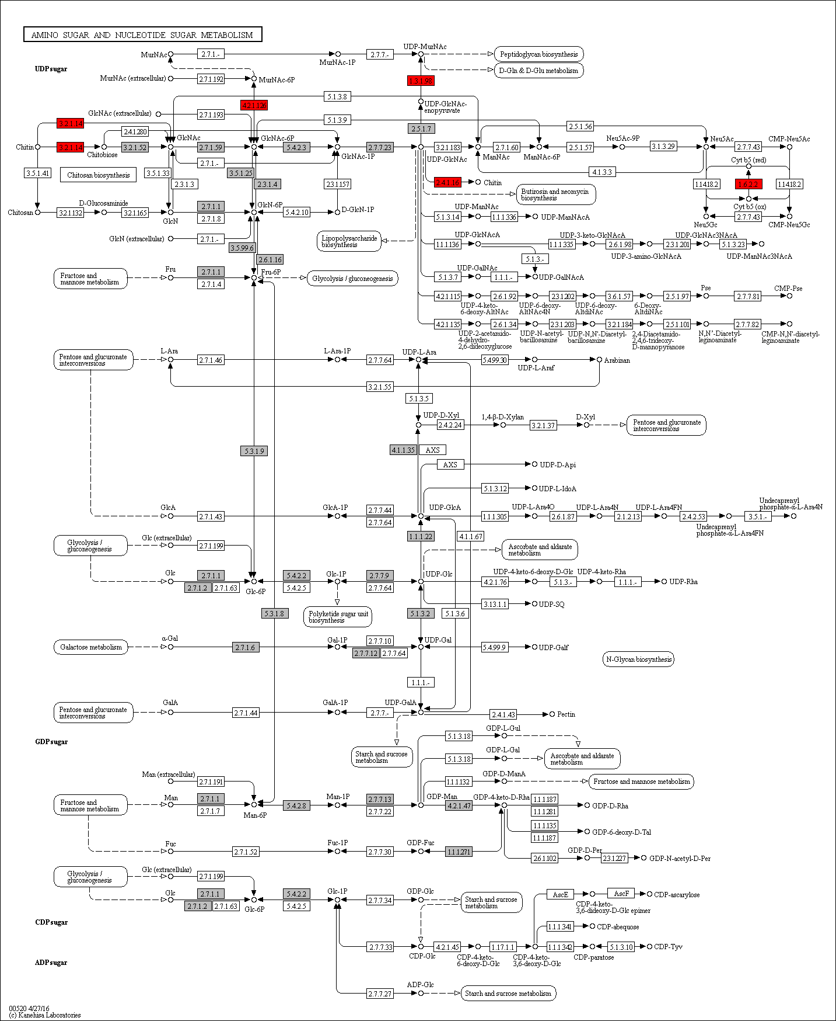
 |  |  |  |  |  |  |  |  |  |  |  |  |  |  |  |  |  |  |  |  |  |  |  |  |  |  |  |  |  |  |  |  |  |  |  |  |  |  |  |  |  |  |  |  |  |  |  |  |  |  |  |  |  |  |  |  |  |  |  |  |  |  |  |  |  |  |  |  |  |  |  |  |  |  |  |  |  |  |  |  |  | Legend Key:
 |  |  |  |  |  |  |  |  |  |  |  |  |  |  |  |  |  |  |  |  |  |  |  |  |  |  |  |  |  |  |  |  |  |  |  |  |  |  |  |  |  |  |  |  |  |  |  |  |  |  |  |  |  |  |  |  |  |  |  |  |  |  |  |  |  |  |  |  |  |  |  |  |  |  |  |  |  |  |  |  |  |  | EC present in flatworms + nematodes
 |  |  |  |  |  |  |  |  |  |  |  |  |  |  |  |  |  |  |  |  |  |  |  |  |  |  |  |  |  |  |  |  |  |  |  |  |  |  |  |  |  |  |  |  |  |  |  |  |  |  |  |  |  |  |  |  |  |  |  |  |  |  |  |  |  |  |  |  |  |  |  |  |  |  |  |  |  |  |  |  |  |  | EC unique to flatworms
 |  |  |  |  |  |  |  |  |  |  |  |  |  |  |  |  |  |  |  |  |  |  |  |  |  |  |  |  |  |  |  |  |  |  |  |  |  |  |  |  |  |  |  |  |  |  |  |  |  |  |  |  |  |  |  |  |  |  |  |  |  |  |  |  |  |  |  |  |  |  |  |  |  |  |  |  |  |  |  |  |  |  | EC unique to nematodes
 | 2.4.1.16 | 0 | 0 | 0 | 0 | 0 | 0 | 0 | 0 | 0 | 0 | 0 | 0 | 0 | 0 | 0 | 0 | 0 | 0 | 0 | 0 | 0 | 0 | 0 | 0 | 0 | 0 | 1 | 1 | 2 | 2 | 2 | 1 | 1 | 1 | 1 | 3 | 2 | 1 | 0 | 1 | 1 | 1 | 0 | 1 | 1 | 2 | 2 | 2 | 1 | 0 | 1 | 0 | 1 | 0 | 0 | 1 | 0 | 1 | 1 | 0 | 0 | 1 | 1 | 1 | 0 | 0 | 2 | 0 | 1 | 1 | 0 | 1 | 1 | 1 | 1 | 0 | 2 | 1 | 2 | 2
 | 3.2.1.14 | 0 | 0 | 0 | 0 | 0 | 0 | 0 | 0 | 0 | 0 | 0 | 0 | 0 | 0 | 0 | 0 | 0 | 0 | 0 | 0 | 0 | 0 | 0 | 0 | 2 | 1 | 3 | 1 | 4 | 4 | 3 | 1 | 2 | 5 | 5 | 1 | 1 | 1 | 1 | 1 | 1 | 1 | 2 | 0 | 0 | 0 | 1 | 1 | 1 | 1 | 1 | 1 | 0 | 1 | 1 | 1 | 1 | 1 | 2 | 1 | 4 | 2 | 4 | 0 | 2 | 0 | 5 | 1 | 2 | 1 | 1 | 1 | 3 | 0 | 5 | 2 | 4 | 4 | 2 | 2 |  | Gene expansions in most flatworms and nematodes
 | 1.6.2.2 | 0 | 0 | 0 | 0 | 0 | 0 | 0 | 0 | 0 | 0 | 0 | 0 | 0 | 0 | 0 | 0 | 0 | 0 | 0 | 0 | 0 | 0 | 0 | 0 | 1 | 0 | 0 | 0 | 1 | 1 | 1 | 0 | 1 | 2 | 1 | 1 | 1 | 1 | 1 | 1 | 1 | 2 | 0 | 2 | 1 | 0 | 1 | 1 | 0 | 1 | 2 | 0 | 0 | 1 | 2 | 2 | 1 | 1 | 1 | 0 | 1 | 0 | 0 | 1 | 0 | 1 | 1 | 0 | 1 | 1 | 1 | 2 | 1 | 1 | 2 | 0 | 1 | 1 | 1 | 1 |  | Gene expansions in particular clades (flatworms and nematodes)
 | 1.3.1.98 | 0 | 0 | 0 | 0 | 0 | 0 | 0 | 0 | 0 | 0 | 0 | 0 | 0 | 0 | 0 | 0 | 0 | 0 | 0 | 0 | 0 | 0 | 0 | 0 | 0 | 0 | 0 | 0 | 0 | 0 | 0 | 0 | 0 | 0 | 0 | 0 | 1 | 0 | 0 | 0 | 0 | 0 | 0 | 0 | 0 | 0 | 0 | 0 | 0 | 0 | 0 | 0 | 0 | 0 | 0 | 1 | 0 | 0 | 0 | 0 | 0 | 0 | 0 | 0 | 0 | 0 | 0 | 0 | 0 | 0 | 0 | 0 | 0 | 0 | 0 | 0 | 0 | 0 | 0 | 0 |  | Gene expansions in clades of nematodes
 | 4.2.1.126 | 0 | 0 | 0 | 0 | 0 | 0 | 0 | 0 | 0 | 0 | 0 | 0 | 0 | 0 | 0 | 0 | 0 | 0 | 0 | 0 | 0 | 0 | 0 | 0 | 0 | 0 | 0 | 0 | 0 | 0 | 0 | 0 | 0 | 0 | 0 | 0 | 0 | 0 | 0 | 0 | 0 | 0 | 0 | 0 | 0 | 0 | 0 | 0 | 0 | 0 | 0 | 0 | 0 | 0 | 0 | 0 | 0 | 0 | 0 | 0 | 0 | 0 | 0 | 0 | 0 | 0 | 0 | 0 | 0 | 0 | 0 | 0 | 0 | 0 | 0 | 0 | 0 | 0 | 1 | 1 |  | Gene expansions in clades of flatworms

 |  |  |  |  |  |  |  |  |  |  |  |  |  |  |  |  |  |  |  |  |  |  |  |  |  |  |  |  |  |  |  |  |  |  |  |  |  |  |  |  |  |  |  |  |  |  |  |  |  |  |  |  |  |  |  |  |  |  |  |  |  |  |  |  |  |  |  |  |  |  |  |  |  |  |  |  |  |  |  |  |  |  | Gene absent
 |  |  |  |  |  |  |  |  |  |  |  |  |  |  |  |  |  |  |  |  |  |  |  |  |  |  |  |  |  |  |  |  |  |  |  |  |  |  |  |  |  |  |  |  |  |  |  |  |  |  |  |  |  |  |  |  |  |  |  |  |  |  |  |  |  |  |  |  |  |  |  |  |  |  |  |  |  |  |  |  |  |  | 1 copy of gene present
 |  |  |  |  |  |  |  |  |  |  |  |  |  |  |  |  |  |  |  |  |  |  |  |  |  |  |  |  |  |  |  |  |  |  |  |  |  |  |  |  |  |  |  |  |  |  |  |  |  |  |  |  |  |  |  |  |  |  |  |  |  |  |  |  |  |  |  |  |  |  |  |  |  |  |  |  |  |  |  |  |  |  | >=2 copies of gene present
 |  |  |  |  |  |  |  |  |  |  |  |  |  |  |  |  |  |  |  |  |  |  |  |  |  |  |  |  |  |  |  |  |  |  |  |  |  |  |  |  |  |  |  |  |  |  |  |  |  |  |  |  |  |  |  |  |  |  |  |  |  |  |  |  |  |  |  |  |  |  |  |  |  |  |  |  |  |  |  |  |  |  | High copy number of genes

d
Supplementary Table 20d: Propanoate Metabolism
EC predictions from hole-filling were not used for this analysis. Below we show the KEGG map with enzymes found in nematodes and not platyhelminths, or vice versa (see key on far right of spreadsheet) highlighted, as well as expansions (high gene counts). The heatmap on the right gives gene counts per species.
 |  |  |  |  |  |  |  | Flatworms |  |  |  |  |  |  |  |  |  |  |  |  |  |  |  |  |  |  |  |  |  |  |  |  |  |  |  |  |  |  |  |  |  |  |  |  |  |  |  |  | Nematodes
 | Clade | Trematoda | Trematoda | Trematoda | Trematoda | Trematoda | Trematoda | Trematoda | Trematoda | Trematoda | Trematoda | Trematoda | Cestoda | Cestoda | Cestoda | Cestoda | Cestoda | Cestoda | Cestoda | Cestoda | Cestoda | Cestoda | Cestoda | Cestoda | Flatworms-Other | Clade-I | Clade-I | Clade-I | Clade-I | Clade-I | Clade-I | Clade-I | Clade-IV~IVb | Clade-IV~IVb | Clade-IV~IVb | Clade-IV~IVb | Clade-IV~IVa | Clade-IV~IVa | Clade-IV~IVa | Clade-IV~IVa | Clade-IV~IVa | Clade-IV~IVa | Clade-V~Freeliving | Clade-V~Freeliving | Clade-V~Lungworm | Clade-V~Lungworm | Clade-V~Lungworm | Clade-V~Strongylida-other | Clade-V~Strongylida-other | Clade-V~Strongylida-other | Clade-V~Strongylida-other | Clade-V~Strongylida-other | Clade-V~Ancy+Strongylidae | Clade-V~Ancy+Strongylidae | Clade-V~Ancy+Strongylidae | Clade-V~Ancy+Strongylidae | Clade-V~Ancy+Strongylidae | Clade-V~Ancy+Strongylidae | Clade-V~Ancy+Strongylidae | Clade-III~Ascaridomorpha | Clade-III~Ascaridomorpha | Clade-III~Ascaridomorpha | Clade-III~Ascaridomorpha | Clade-III~Ascaridomorpha | Clade-III~Spiruromorpha+other | Clade-III~Spiruromorpha+other | Clade-III~Spiruromorpha+other | Clade-III~Spiruromorpha+other | Clade-III~Spiruromorpha+other | Clade-III~Spiruromorpha+other | Clade-III~Spiruromorpha+other | Clade-III~Spiruromorpha+other | Clade-III~Spiruromorpha+other | Clade-III~Spiruromorpha+other | Clade-III~Spiruromorpha+other | Clade-III~Spiruromorpha+other | Clade-III~Spiruromorpha+other | Clade-III~Spiruromorpha+other | Clade-III~Spiruromorpha+other | Clade-III~Oxyuridomorpha | Clade-III~Oxyuridomorpha
 | Species | S. haematobium | S. curassoni | S. mattheei | S. margrebowiei | S. mansoni | S. rodhaini | S. japonicum | T. regenti | C. sinensis | E. caproni | F. hepatica | D. latus | E. multilocularis | E. granulosus | T. asiatica | T. solium | H. taeniaeformis | H. diminuta | H. microstoma | H. nana | M. corti | S. solidus | S. erinaceieuropaei | P. xenopodis | R. culicivorax | S. baturini | T. spiralis | T. nativa | T. muris | T. suis | T. trichiura | G. pallida | M. hapla | P. redivivus | B. xylophilus | R. sp | P. trichosuri | S. ratti | S. stercoralis | S. venezuelensis | S. papillosus | C. elegans | P. pacificus | A. cantonensis | A. costaricensis | D. viviparus | H. contortus | H. placei | T. circumcincta | H. bakeri | N. brasiliensis | S. vulgaris | C. goldi | O. dentatum | N. americanus | A. ceylanicum | A. duodenale | A. caninum | A. lumbricoides | P. equorum | A. suum | T. canis | A. simplex | D. medinensis | B. pahangi | B. timori | B. malayi | W. bancrofti | L. loa | E. elaphi | L. sigmodontis | A. viteae | O. flexuosa | O. ochengi | O. volvulus | D. immitis | T. callipaeda | G. pulchrum | E. vermicularis | S. muris
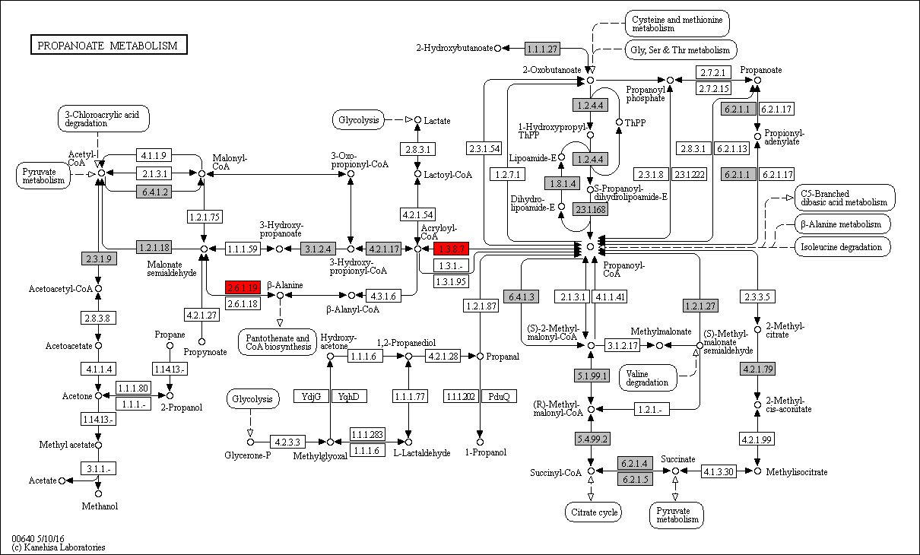
 | 2.6.1.19 | 0 | 0 | 0 | 0 | 0 | 0 | 0 | 0 | 0 | 0 | 0 | 0 | 0 | 0 | 0 | 0 | 0 | 0 | 0 | 0 | 0 | 0 | 0 | 0 | 0 | 0 | 0 | 0 | 0 | 0 | 0 | 0 | 0 | 0 | 1 | 0 | 1 | 0 | 0 | 1 | 1 | 1 | 0 | 0 | 1 | 1 | 1 | 1 | 1 | 0 | 1 | 0 | 0 | 1 | 0 | 1 | 1 | 1 | 1 | 0 | 0 | 1 | 1 | 0 | 0 | 0 | 0 | 0 | 0 | 0 | 0 | 0 | 0 | 0 | 0 | 0 | 0 | 0 | 0 | 0
 | 1.3.8.7 | 0 | 0 | 0 | 0 | 0 | 0 | 0 | 0 | 0 | 0 | 0 | 0 | 0 | 0 | 0 | 0 | 0 | 0 | 0 | 0 | 0 | 0 | 0 | 0 | 0 | 1 | 1 | 1 | 1 | 0 | 1 | 1 | 2 | 3 | 1 | 1 | 1 | 1 | 1 | 1 | 1 | 3 | 2 | 1 | 1 | 1 | 0 | 0 | 0 | 1 | 1 | 0 | 0 | 1 | 0 | 1 | 1 | 0 | 2 | 0 | 2 | 3 | 1 | 1 | 1 | 1 | 2 | 0 | 0 | 1 | 1 | 1 | 1 | 1 | 1 | 2 | 0 | 0 | 1 | 1

 | 1.1.1.27 | 2 | 3 | 1 | 3 | 3 | 3 | 2 | 3 | 4 | 1 | 4 | 4 | 5 | 4 | 3 | 4 | 3 | 2 | 2 | 2 | 3 | 3 | 2 | 1 | 3 | 1 | 1 | 1 | 1 | 1 | 1 | 0 | 1 | 2 | 1 | 1 | 1 | 1 | 1 | 1 | 1 | 1 | 0 | 2 | 2 | 2 | 4 | 2 | 1 | 3 | 2 | 0 | 0 | 1 | 2 | 2 | 3 | 3 | 1 | 1 | 1 | 1 | 1 | 1 | 1 | 1 | 1 | 1 | 1 | 1 | 1 | 1 | 1 | 1 | 1 | 1 | 1 | 0 | 1 | 1 | Legend Key:
 | 1.2.1.18 | 0 | 0 | 0 | 0 | 0 | 0 | 0 | 0 | 1 | 0 | 1 | 0 | 0 | 0 | 0 | 0 | 0 | 0 | 0 | 0 | 0 | 0 | 0 | 0 | 0 | 0 | 1 | 1 | 0 | 0 | 0 | 1 | 1 | 1 | 1 | 0 | 2 | 2 | 2 | 2 | 2 | 1 | 1 | 1 | 1 | 1 | 5 | 2 | 2 | 1 | 1 | 0 | 1 | 1 | 1 | 1 | 1 | 1 | 1 | 0 | 1 | 1 | 0 | 1 | 0 | 0 | 0 | 0 | 0 | 0 | 0 | 0 | 0 | 0 | 0 | 0 | 0 | 0 | 1 | 1 |  | EC present in flatworms + nematodes
 | 1.2.1.27 | 0 | 0 | 0 | 0 | 0 | 0 | 0 | 0 | 1 | 0 | 1 | 0 | 0 | 0 | 0 | 0 | 0 | 0 | 0 | 0 | 0 | 0 | 0 | 0 | 0 | 0 | 1 | 1 | 0 | 0 | 0 | 1 | 1 | 1 | 1 | 2 | 2 | 2 | 2 | 2 | 2 | 1 | 1 | 1 | 1 | 1 | 6 | 4 | 2 | 1 | 1 | 0 | 1 | 1 | 1 | 1 | 1 | 1 | 1 | 0 | 1 | 1 | 0 | 1 | 0 | 0 | 0 | 0 | 0 | 0 | 0 | 0 | 0 | 0 | 0 | 0 | 0 | 2 | 1 | 1 |  | EC unique to flatworms
 | 1.3.8.7 | 0 | 0 | 0 | 0 | 0 | 0 | 0 | 0 | 0 | 0 | 0 | 0 | 0 | 0 | 0 | 0 | 0 | 0 | 0 | 0 | 0 | 0 | 0 | 0 | 0 | 1 | 1 | 1 | 1 | 0 | 1 | 1 | 2 | 3 | 1 | 1 | 1 | 1 | 1 | 1 | 1 | 3 | 2 | 1 | 1 | 1 | 0 | 0 | 0 | 1 | 1 | 0 | 0 | 1 | 0 | 1 | 1 | 0 | 2 | 0 | 2 | 3 | 1 | 1 | 1 | 1 | 2 | 0 | 0 | 1 | 1 | 1 | 1 | 1 | 1 | 2 | 0 | 0 | 1 | 1 |  | EC unique to nematodes
 | 2.3.1.9 | 1 | 1 | 0 | 1 | 1 | 2 | 0 | 1 | 2 | 2 | 3 | 0 | 1 | 1 | 1 | 0 | 1 | 2 | 1 | 0 | 1 | 0 | 1 | 0 | 1 | 1 | 2 | 1 | 1 | 0 | 1 | 2 | 0 | 2 | 2 | 2 | 3 | 2 | 2 | 2 | 2 | 2 | 1 | 2 | 1 | 3 | 2 | 1 | 2 | 0 | 1 | 3 | 1 | 4 | 0 | 1 | 2 | 3 | 7 | 2 | 5 | 10 | 6 | 1 | 0 | 0 | 0 | 0 | 0 | 0 | 0 | 0 | 0 | 0 | 0 | 0 | 0 | 3 | 1 | 1
 | 2.6.1.19 | 0 | 0 | 0 | 0 | 0 | 0 | 0 | 0 | 0 | 0 | 0 | 0 | 0 | 0 | 0 | 0 | 0 | 0 | 0 | 0 | 0 | 0 | 0 | 0 | 0 | 0 | 0 | 0 | 0 | 0 | 0 | 0 | 0 | 0 | 1 | 0 | 1 | 0 | 0 | 1 | 1 | 1 | 0 | 0 | 1 | 1 | 1 | 1 | 1 | 0 | 1 | 0 | 0 | 1 | 0 | 1 | 1 | 1 | 1 | 0 | 0 | 1 | 1 | 0 | 0 | 0 | 0 | 0 | 0 | 0 | 0 | 0 | 0 | 0 | 0 | 0 | 0 | 0 | 0 | 0 |  | Gene expansions in most flatworms and nematodes
 | 3.1.2.4 | 1 | 0 | 0 | 0 | 0 | 0 | 0 | 0 | 0 | 1 | 0 | 0 | 0 | 0 | 0 | 0 | 0 | 0 | 0 | 0 | 0 | 0 | 0 | 0 | 1 | 0 | 1 | 1 | 0 | 1 | 1 | 0 | 0 | 1 | 1 | 1 | 1 | 1 | 1 | 1 | 1 | 1 | 1 | 0 | 0 | 1 | 2 | 0 | 1 | 1 | 1 | 0 | 0 | 0 | 1 | 0 | 0 | 1 | 1 | 1 | 1 | 1 | 0 | 0 | 1 | 1 | 1 | 1 | 1 | 1 | 0 | 1 | 1 | 1 | 1 | 1 | 1 | 0 | 1 | 1 |  | Gene expansions in particular clades (flatworms and nematodes)
 | 4.2.1.17 | 0 | 0 | 0 | 0 | 0 | 0 | 0 | 0 | 1 | 0 | 0 | 2 | 0 | 0 | 0 | 0 | 0 | 0 | 0 | 1 | 0 | 2 | 0 | 0 | 1 | 0 | 2 | 2 | 1 | 2 | 2 | 1 | 2 | 2 | 1 | 2 | 2 | 2 | 1 | 2 | 2 | 1 | 3 | 1 | 2 | 1 | 1 | 1 | 0 | 2 | 2 | 0 | 0 | 2 | 2 | 3 | 2 | 3 | 2 | 0 | 1 | 2 | 1 | 1 | 1 | 2 | 2 | 1 | 1 | 1 | 2 | 1 | 0 | 1 | 1 | 1 | 1 | 1 | 2 | 1 |  | Gene expansions in clades of nematodes
 | 4.2.1.79 | 0 | 0 | 0 | 0 | 0 | 0 | 0 | 0 | 1 | 0 | 0 | 0 | 0 | 0 | 0 | 0 | 0 | 0 | 0 | 0 | 0 | 0 | 0 | 0 | 0 | 0 | 0 | 0 | 0 | 0 | 0 | 0 | 0 | 0 | 0 | 0 | 0 | 0 | 0 | 0 | 0 | 0 | 0 | 0 | 0 | 0 | 0 | 0 | 0 | 0 | 0 | 0 | 0 | 0 | 0 | 0 | 0 | 0 | 0 | 0 | 0 | 0 | 0 | 0 | 0 | 0 | 0 | 0 | 0 | 0 | 0 | 0 | 0 | 0 | 0 | 0 | 0 | 0 | 0 | 0 |  | Gene expansions in clades of flatworms
 | 5.1.99.1 | 0 | 0 | 0 | 1 | 1 | 0 | 0 | 0 | 0 | 0 | 0 | 0 | 0 | 0 | 0 | 0 | 0 | 0 | 0 | 0 | 0 | 0 | 0 | 0 | 0 | 0 | 1 | 1 | 1 | 1 | 1 | 0 | 0 | 1 | 0 | 1 | 1 | 1 | 1 | 1 | 1 | 1 | 0 | 1 | 1 | 1 | 1 | 0 | 0 | 1 | 1 | 1 | 0 | 1 | 1 | 1 | 1 | 1 | 2 | 0 | 2 | 2 | 1 | 1 | 0 | 0 | 0 | 0 | 0 | 0 | 0 | 0 | 0 | 0 | 0 | 0 | 0 | 2 | 1 | 1
 | 5.4.99.2 | 1 | 0 | 1 | 0 | 0 | 0 | 0 | 0 | 0 | 0 | 0 | 1 | 0 | 0 | 0 | 0 | 0 | 0 | 0 | 0 | 0 | 0 | 0 | 0 | 0 | 0 | 1 | 1 | 1 | 1 | 1 | 0 | 0 | 1 | 0 | 1 | 2 | 2 | 1 | 2 | 2 | 1 | 1 | 1 | 1 | 0 | 1 | 0 | 2 | 0 | 0 | 0 | 0 | 1 | 0 | 1 | 1 | 1 | 1 | 0 | 1 | 0 | 0 | 1 | 0 | 0 | 0 | 0 | 0 | 0 | 0 | 0 | 0 | 0 | 0 | 0 | 0 | 0 | 1 | 1 |  | Gene absent
 | 6.2.1.1 | 1 | 1 | 1 | 1 | 1 | 1 | 1 | 1 | 3 | 1 | 0 | 1 | 1 | 1 | 1 | 1 | 1 | 1 | 1 | 1 | 1 | 1 | 0 | 1 | 2 | 1 | 1 | 1 | 1 | 2 | 1 | 1 | 1 | 2 | 1 | 1 | 1 | 1 | 1 | 1 | 1 | 1 | 2 | 1 | 1 | 1 | 2 | 1 | 2 | 1 | 3 | 2 | 0 | 1 | 1 | 1 | 1 | 1 | 2 | 0 | 2 | 2 | 1 | 1 | 1 | 2 | 1 | 1 | 1 | 2 | 1 | 1 | 1 | 2 | 1 | 1 | 1 | 0 | 2 | 2 |  | 1 copy of gene present
 | 6.2.1.4 | 1 | 0 | 1 | 0 | 1 | 0 | 0 | 0 | 1 | 0 | 0 | 0 | 0 | 0 | 1 | 1 | 0 | 1 | 1 | 1 | 0 | 1 | 0 | 0 | 0 | 0 | 0 | 0 | 0 | 0 | 0 | 0 | 0 | 0 | 0 | 0 | 0 | 0 | 0 | 0 | 0 | 2 | 1 | 0 | 0 | 1 | 0 | 0 | 0 | 0 | 0 | 1 | 0 | 0 | 0 | 0 | 1 | 0 | 1 | 0 | 1 | 0 | 0 | 0 | 0 | 0 | 0 | 0 | 0 | 0 | 0 | 0 | 0 | 0 | 0 | 1 | 0 | 0 | 0 | 1 |  | >=2 copies of gene present
 | 6.2.1.5 | 3 | 1 | 3 | 3 | 3 | 0 | 2 | 1 | 4 | 2 | 2 | 1 | 3 | 3 | 3 | 3 | 1 | 3 | 4 | 3 | 3 | 2 | 0 | 0 | 3 | 3 | 2 | 2 | 3 | 4 | 4 | 1 | 3 | 3 | 4 | 3 | 3 | 3 | 3 | 3 | 3 | 3 | 1 | 1 | 4 | 3 | 3 | 3 | 1 | 2 | 3 | 2 | 1 | 2 | 2 | 1 | 1 | 2 | 2 | 0 | 3 | 3 | 1 | 2 | 2 | 1 | 2 | 2 | 2 | 2 | 2 | 2 | 1 | 3 | 2 | 2 | 2 | 2 | 2 | 2 |  | High copy number of genes
 | 6.4.1.2 | 1 | 5 | 9 | 4 | 2 | 7 | 4 | 7 | 1 | 5 | 9 | 5 | 1 | 1 | 1 | 1 | 1 | 1 | 1 | 1 | 4 | 3 | 11 | 3 | 5 | 2 | 3 | 2 | 1 | 1 | 1 | 0 | 3 | 4 | 2 | 3 | 1 | 3 | 1 | 1 | 1 | 1 | 3 | 3 | 4 | 3 | 5 | 4 | 3 | 1 | 2 | 3 | 0 | 3 | 4 | 5 | 5 | 4 | 2 | 2 | 1 | 2 | 4 | 3 | 1 | 3 | 1 | 2 | 1 | 1 | 1 | 1 | 3 | 1 | 1 | 1 | 1 | 6 | 1 | 1
 | 6.4.1.3 | 1 | 2 | 2 | 2 | 2 | 1 | 2 | 1 | 2 | 2 | 2 | 1 | 1 | 1 | 1 | 1 | 1 | 1 | 1 | 1 | 1 | 2 | 0 | 2 | 1 | 2 | 1 | 1 | 2 | 2 | 2 | 0 | 0 | 3 | 2 | 1 | 2 | 2 | 2 | 2 | 2 | 2 | 1 | 2 | 1 | 3 | 2 | 2 | 1 | 2 | 2 | 1 | 1 | 2 | 3 | 2 | 1 | 3 | 2 | 0 | 2 | 3 | 1 | 2 | 0 | 0 | 0 | 0 | 0 | 0 | 0 | 0 | 0 | 0 | 0 | 0 | 0 | 0 | 2 | 2

e
Supplementary Table 20e: Glycerophospholipid Metabolism
EC predictions from hole-filling were not used for this analysis. Below we show the KEGG map with enzymes found in nematodes and not platyhelminths, or vice versa (see key on far right of spreadsheet) highlighted, as well as expansions (high gene counts). The heatmap on the right gives gene counts per species.
 |  |  |  |  |  |  |  | Flatworms |  |  |  |  |  |  |  |  |  |  |  |  |  |  |  |  |  |  |  |  |  |  |  |  |  |  |  |  |  |  |  |  |  |  |  |  |  |  |  |  | Nematodes
 | Clade | Trematoda | Trematoda | Trematoda | Trematoda | Trematoda | Trematoda | Trematoda | Trematoda | Trematoda | Trematoda | Trematoda | Cestoda | Cestoda | Cestoda | Cestoda | Cestoda | Cestoda | Cestoda | Cestoda | Cestoda | Cestoda | Cestoda | Cestoda | Flatworms-Other | Clade-I | Clade-I | Clade-I | Clade-I | Clade-I | Clade-I | Clade-I | Clade-IV~IVb | Clade-IV~IVb | Clade-IV~IVb | Clade-IV~IVb | Clade-IV~IVa | Clade-IV~IVa | Clade-IV~IVa | Clade-IV~IVa | Clade-IV~IVa | Clade-IV~IVa | Clade-V~Freeliving | Clade-V~Freeliving | Clade-V~Lungworm | Clade-V~Lungworm | Clade-V~Lungworm | Clade-V~Strongylida-other | Clade-V~Strongylida-other | Clade-V~Strongylida-other | Clade-V~Strongylida-other | Clade-V~Strongylida-other | Clade-V~Ancy+Strongylidae | Clade-V~Ancy+Strongylidae | Clade-V~Ancy+Strongylidae | Clade-V~Ancy+Strongylidae | Clade-V~Ancy+Strongylidae | Clade-V~Ancy+Strongylidae | Clade-V~Ancy+Strongylidae | Clade-III~Ascaridomorpha | Clade-III~Ascaridomorpha | Clade-III~Ascaridomorpha | Clade-III~Ascaridomorpha | Clade-III~Ascaridomorpha | Clade-III~Spiruromorpha+other | Clade-III~Spiruromorpha+other | Clade-III~Spiruromorpha+other | Clade-III~Spiruromorpha+other | Clade-III~Spiruromorpha+other | Clade-III~Spiruromorpha+other | Clade-III~Spiruromorpha+other | Clade-III~Spiruromorpha+other | Clade-III~Spiruromorpha+other | Clade-III~Spiruromorpha+other | Clade-III~Spiruromorpha+other | Clade-III~Spiruromorpha+other | Clade-III~Spiruromorpha+other | Clade-III~Spiruromorpha+other | Clade-III~Spiruromorpha+other | Clade-III~Oxyuridomorpha | Clade-III~Oxyuridomorpha
 | Species | S. haematobium | S. curassoni | S. mattheei | S. margrebowiei | S. mansoni | S. rodhaini | S. japonicum | T. regenti | C. sinensis | E. caproni | F. hepatica | D. latus | E. multilocularis | E. granulosus | T. asiatica | T. solium | H. taeniaeformis | H. diminuta | H. microstoma | H. nana | M. corti | S. solidus | S. erinaceieuropaei | P. xenopodis | R. culicivorax | S. baturini | T. spiralis | T. nativa | T. muris | T. suis | T. trichiura | G. pallida | M. hapla | P. redivivus | B. xylophilus | R. sp | P. trichosuri | S. ratti | S. stercoralis | S. venezuelensis | S. papillosus | C. elegans | P. pacificus | A. cantonensis | A. costaricensis | D. viviparus | H. contortus | H. placei | T. circumcincta | H. bakeri | N. brasiliensis | S. vulgaris | C. goldi | O. dentatum | N. americanus | A. ceylanicum | A. duodenale | A. caninum | A. lumbricoides | P. equorum | A. suum | T. canis | A. simplex | D. medinensis | B. pahangi | B. timori | B. malayi | W. bancrofti | L. loa | E. elaphi | L. sigmodontis | A. viteae | O. flexuosa | O. ochengi | O. volvulus | D. immitis | T. callipaeda | G. pulchrum | E. vermicularis | S. muris

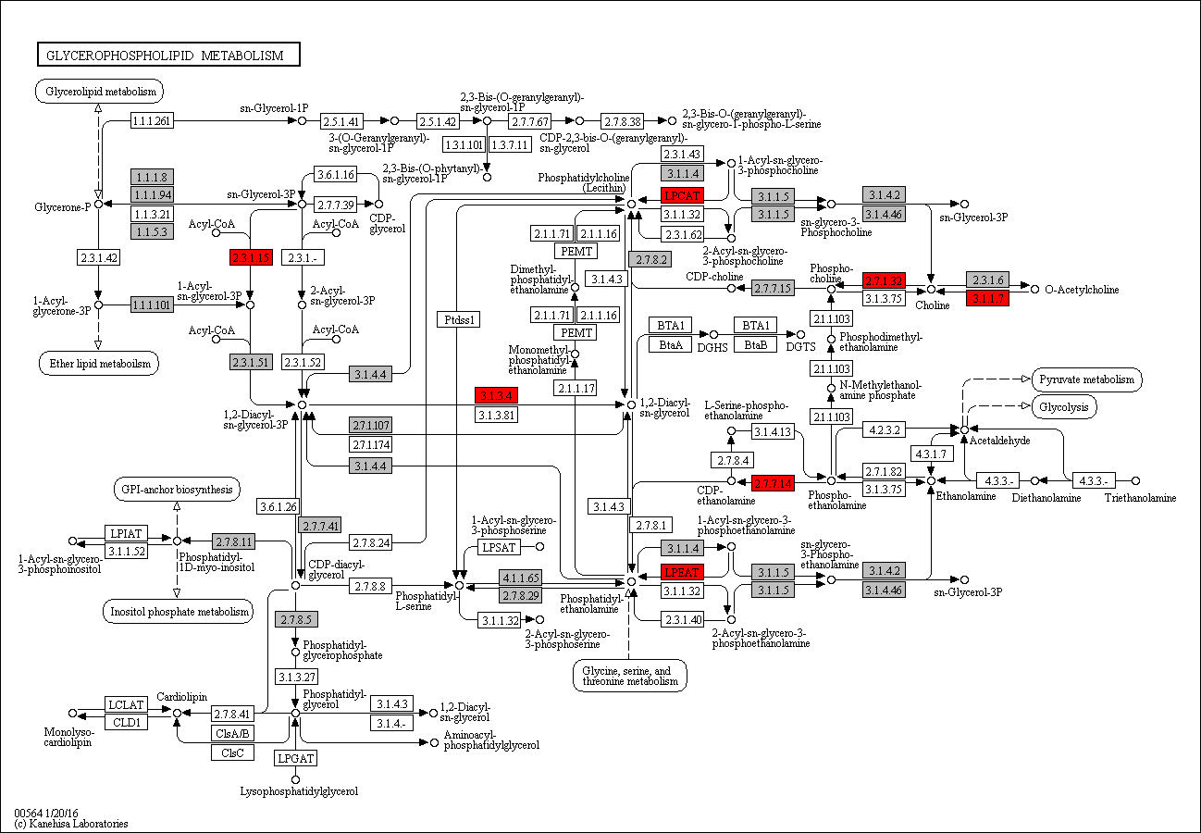

 | 2.3.1.15 | 0 | 0 | 0 | 0 | 0 | 0 | 0 | 0 | 0 | 0 | 0 | 0 | 0 | 0 | 0 | 0 | 0 | 0 | 0 | 0 | 0 | 0 | 0 | 0 | 0 | 1 | 0 | 0 | 0 | 0 | 0 | 0 | 0 | 1 | 1 | 1 | 1 | 1 | 1 | 1 | 1 | 1 | 0 | 0 | 1 | 1 | 1 | 1 | 2 | 1 | 0 | 1 | 0 | 1 | 1 | 2 | 2 | 2 | 1 | 1 | 1 | 1 | 1 | 0 | 0 | 0 | 0 | 0 | 0 | 0 | 0 | 0 | 0 | 0 | 0 | 0 | 0 | 0 | 2 | 1 | Legend Key:
 | 3.1.3.4 | 0 | 0 | 0 | 0 | 0 | 0 | 0 | 0 | 0 | 0 | 0 | 0 | 0 | 0 | 0 | 0 | 0 | 0 | 0 | 0 | 0 | 0 | 0 | 0 | 1 | 1 | 1 | 1 | 1 | 2 | 1 | 0 | 1 | 2 | 1 | 1 | 2 | 2 | 2 | 2 | 2 | 1 | 0 | 1 | 1 | 1 | 1 | 1 | 0 | 1 | 0 | 0 | 0 | 1 | 0 | 1 | 1 | 1 | 0 | 0 | 0 | 2 | 0 | 0 | 1 | 0 | 0 | 1 | 0 | 1 | 1 | 1 | 0 | 1 | 1 | 1 | 1 | 0 | 1 | 1 |  | EC present in flatworms + nematodes
 | 2.7.1.32 | 0 | 0 | 0 | 0 | 0 | 0 | 0 | 0 | 0 | 0 | 0 | 0 | 0 | 0 | 0 | 0 | 0 | 0 | 0 | 0 | 0 | 0 | 0 | 0 | 0 | 0 | 0 | 0 | 0 | 0 | 0 | 0 | 0 | 0 | 0 | 0 | 0 | 0 | 0 | 0 | 0 | 1 | 0 | 0 | 0 | 0 | 0 | 0 | 0 | 0 | 0 | 0 | 0 | 0 | 0 | 0 | 0 | 0 | 0 | 0 | 0 | 0 | 1 | 0 | 0 | 0 | 0 | 0 | 0 | 0 | 0 | 0 | 0 | 0 | 0 | 0 | 0 | 0 | 0 | 0 |  | EC unique to flatworms
 | 3.1.1.7 | 0 | 0 | 0 | 0 | 0 | 0 | 0 | 0 | 0 | 0 | 0 | 0 | 0 | 0 | 0 | 0 | 0 | 0 | 0 | 0 | 0 | 0 | 0 | 0 | 0 | 0 | 0 | 0 | 0 | 0 | 0 | 0 | 0 | 0 | 0 | 1 | 0 | 0 | 0 | 0 | 0 | 2 | 0 | 0 | 0 | 0 | 0 | 0 | 0 | 0 | 0 | 0 | 0 | 0 | 0 | 0 | 0 | 0 | 0 | 0 | 0 | 0 | 0 | 0 | 0 | 0 | 0 | 0 | 0 | 0 | 0 | 0 | 0 | 0 | 0 | 0 | 0 | 0 | 0 | 0 |  | EC unique to nematodes
 | 2.3.1.23 | 0 | 0 | 0 | 0 | 0 | 0 | 0 | 0 | 0 | 0 | 0 | 0 | 0 | 0 | 0 | 0 | 0 | 0 | 0 | 0 | 0 | 0 | 0 | 0 | 0 | 0 | 0 | 0 | 0 | 0 | 0 | 0 | 0 | 1 | 1 | 0 | 0 | 0 | 0 | 0 | 0 | 1 | 1 | 0 | 0 | 2 | 1 | 1 | 0 | 1 | 0 | 0 | 0 | 0 | 2 | 1 | 0 | 2 | 0 | 0 | 0 | 0 | 1 | 0 | 0 | 0 | 0 | 0 | 0 | 0 | 0 | 0 | 0 | 0 | 0 | 0 | 0 | 0 | 0 | 0
 |  |  |  |  |  |  |  |  |  |  |  |  |  |  |  |  |  |  |  |  |  |  |  |  |  |  |  |  |  |  |  |  |  |  |  |  |  |  |  |  |  |  |  |  |  |  |  |  |  |  |  |  |  |  |  |  |  |  |  |  |  |  |  |  |  |  |  |  |  |  |  |  |  |  |  |  |  |  |  |  |  |  | Gene expansions in most flatworms and nematodes
 |  |  |  |  |  |  |  |  |  |  |  |  |  |  |  |  |  |  |  |  |  |  |  |  |  |  |  |  |  |  |  |  |  |  |  |  |  |  |  |  |  |  |  |  |  |  |  |  |  |  |  |  |  |  |  |  |  |  |  |  |  |  |  |  |  |  |  |  |  |  |  |  |  |  |  |  |  |  |  |  |  |  | Gene expansions in particular clades (flatworms and nematodes)
 |  |  |  |  |  |  |  |  |  |  |  |  |  |  |  |  |  |  |  |  |  |  |  |  |  |  |  |  |  |  |  |  |  |  |  |  |  |  |  |  |  |  |  |  |  |  |  |  |  |  |  |  |  |  |  |  |  |  |  |  |  |  |  |  |  |  |  |  |  |  |  |  |  |  |  |  |  |  |  |  |  |  | Gene expansions in clades of nematodes
 |  |  |  |  |  |  |  |  |  |  |  |  |  |  |  |  |  |  |  |  |  |  |  |  |  |  |  |  |  |  |  |  |  |  |  |  |  |  |  |  |  |  |  |  |  |  |  |  |  |  |  |  |  |  |  |  |  |  |  |  |  |  |  |  |  |  |  |  |  |  |  |  |  |  |  |  |  |  |  |  |  |  | Gene expansions in clades of flatworms

 |  |  |  |  |  |  |  |  |  |  |  |  |  |  |  |  |  |  |  |  |  |  |  |  |  |  |  |  |  |  |  |  |  |  |  |  |  |  |  |  |  |  |  |  |  |  |  |  |  |  |  |  |  |  |  |  |  |  |  |  |  |  |  |  |  |  |  |  |  |  |  |  |  |  |  |  |  |  |  |  |  |  | Gene absent
 |  |  |  |  |  |  |  |  |  |  |  |  |  |  |  |  |  |  |  |  |  |  |  |  |  |  |  |  |  |  |  |  |  |  |  |  |  |  |  |  |  |  |  |  |  |  |  |  |  |  |  |  |  |  |  |  |  |  |  |  |  |  |  |  |  |  |  |  |  |  |  |  |  |  |  |  |  |  |  |  |  |  | 1 copy of gene present
 |  |  |  |  |  |  |  |  |  |  |  |  |  |  |  |  |  |  |  |  |  |  |  |  |  |  |  |  |  |  |  |  |  |  |  |  |  |  |  |  |  |  |  |  |  |  |  |  |  |  |  |  |  |  |  |  |  |  |  |  |  |  |  |  |  |  |  |  |  |  |  |  |  |  |  |  |  |  |  |  |  |  | >=2 copies of gene present
 |  |  |  |  |  |  |  |  |  |  |  |  |  |  |  |  |  |  |  |  |  |  |  |  |  |  |  |  |  |  |  |  |  |  |  |  |  |  |  |  |  |  |  |  |  |  |  |  |  |  |  |  |  |  |  |  |  |  |  |  |  |  |  |  |  |  |  |  |  |  |  |  |  |  |  |  |  |  |  |  |  |  | High copy number of genes

f
Supplementary Table 20f: Beta-alanine Metabolism
EC predictions from hole-filling were not used for this analysis. Below we show the KEGG map with enzymes found in nematodes and not platyhelminths, or vice versa (see key on far right of spreadsheet) highlighted, as well as expansions (high gene counts). The heatmap on the right gives gene counts per species.
 |  |  |  |  |  |  |  | Flatworms |  |  |  |  |  |  |  |  |  |  |  |  |  |  |  |  |  |  |  |  |  |  |  |  |  |  |  |  |  |  |  |  |  |  |  |  |  |  |  |  | Nematodes
 | Clade | Trematoda | Trematoda | Trematoda | Trematoda | Trematoda | Trematoda | Trematoda | Trematoda | Trematoda | Trematoda | Trematoda | Cestoda | Cestoda | Cestoda | Cestoda | Cestoda | Cestoda | Cestoda | Cestoda | Cestoda | Cestoda | Cestoda | Cestoda | Flatworms-Other | Clade-I | Clade-I | Clade-I | Clade-I | Clade-I | Clade-I | Clade-I | Clade-IV~IVb | Clade-IV~IVb | Clade-IV~IVb | Clade-IV~IVb | Clade-IV~IVa | Clade-IV~IVa | Clade-IV~IVa | Clade-IV~IVa | Clade-IV~IVa | Clade-IV~IVa | Clade-V~Freeliving | Clade-V~Freeliving | Clade-V~Lungworm | Clade-V~Lungworm | Clade-V~Lungworm | Clade-V~Strongylida-other | Clade-V~Strongylida-other | Clade-V~Strongylida-other | Clade-V~Strongylida-other | Clade-V~Strongylida-other | Clade-V~Ancy+Strongylidae | Clade-V~Ancy+Strongylidae | Clade-V~Ancy+Strongylidae | Clade-V~Ancy+Strongylidae | Clade-V~Ancy+Strongylidae | Clade-V~Ancy+Strongylidae | Clade-V~Ancy+Strongylidae | Clade-III~Ascaridomorpha | Clade-III~Ascaridomorpha | Clade-III~Ascaridomorpha | Clade-III~Ascaridomorpha | Clade-III~Ascaridomorpha | Clade-III~Spiruromorpha+other | Clade-III~Spiruromorpha+other | Clade-III~Spiruromorpha+other | Clade-III~Spiruromorpha+other | Clade-III~Spiruromorpha+other | Clade-III~Spiruromorpha+other | Clade-III~Spiruromorpha+other | Clade-III~Spiruromorpha+other | Clade-III~Spiruromorpha+other | Clade-III~Spiruromorpha+other | Clade-III~Spiruromorpha+other | Clade-III~Spiruromorpha+other | Clade-III~Spiruromorpha+other | Clade-III~Spiruromorpha+other | Clade-III~Spiruromorpha+other | Clade-III~Oxyuridomorpha | Clade-III~Oxyuridomorpha
 | Species | S. haematobium | S. curassoni | S. mattheei | S. margrebowiei | S. mansoni | S. rodhaini | S. japonicum | T. regenti | C. sinensis | E. caproni | F. hepatica | D. latus | E. multilocularis | E. granulosus | T. asiatica | T. solium | H. taeniaeformis | H. diminuta | H. microstoma | H. nana | M. corti | S. solidus | S. erinaceieuropaei | P. xenopodis | R. culicivorax | S. baturini | T. spiralis | T. nativa | T. muris | T. suis | T. trichiura | G. pallida | M. hapla | P. redivivus | B. xylophilus | R. sp | P. trichosuri | S. ratti | S. stercoralis | S. venezuelensis | S. papillosus | C. elegans | P. pacificus | A. cantonensis | A. costaricensis | D. viviparus | H. contortus | H. placei | T. circumcincta | H. bakeri | N. brasiliensis | S. vulgaris | C. goldi | O. dentatum | N. americanus | A. ceylanicum | A. duodenale | A. caninum | A. lumbricoides | P. equorum | A. suum | T. canis | A. simplex | D. medinensis | B. pahangi | B. timori | B. malayi | W. bancrofti | L. loa | E. elaphi | L. sigmodontis | A. viteae | O. flexuosa | O. ochengi | O. volvulus | D. immitis | T. callipaeda | G. pulchrum | E. vermicularis | S. muris

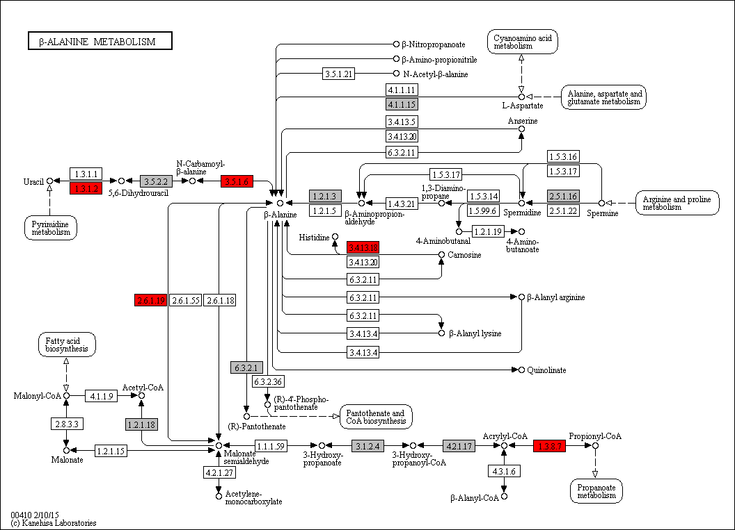
 | 3.1.2.4 | 1 | 0 | 0 | 0 | 0 | 0 | 0 | 0 | 0 | 1 | 0 | 0 | 0 | 0 | 0 | 0 | 0 | 0 | 0 | 0 | 0 | 0 | 0 | 0 | 1 | 0 | 1 | 1 | 0 | 1 | 1 | 0 | 0 | 1 | 1 | 1 | 1 | 1 | 1 | 1 | 1 | 1 | 1 | 0 | 0 | 1 | 2 | 0 | 1 | 1 | 1 | 0 | 0 | 0 | 1 | 0 | 0 | 1 | 1 | 1 | 1 | 1 | 0 | 0 | 1 | 1 | 1 | 1 | 1 | 1 | 0 | 1 | 1 | 1 | 1 | 1 | 1 | 0 | 1 | 1 | Legend Key:
 | 4.2.1.17 | 0 | 0 | 0 | 0 | 0 | 0 | 0 | 0 | 1 | 0 | 0 | 2 | 0 | 0 | 0 | 0 | 0 | 0 | 0 | 1 | 0 | 2 | 0 | 0 | 1 | 0 | 2 | 2 | 1 | 2 | 2 | 1 | 2 | 2 | 1 | 2 | 2 | 2 | 1 | 2 | 2 | 1 | 3 | 1 | 2 | 1 | 1 | 1 | 0 | 2 | 2 | 0 | 0 | 2 | 2 | 3 | 2 | 3 | 2 | 0 | 1 | 2 | 1 | 1 | 1 | 2 | 2 | 1 | 1 | 1 | 2 | 1 | 0 | 1 | 1 | 1 | 1 | 1 | 2 | 1 |  | EC present in flatworms + nematodes
 | 1.3.8.7 | 0 | 0 | 0 | 0 | 0 | 0 | 0 | 0 | 0 | 0 | 0 | 0 | 0 | 0 | 0 | 0 | 0 | 0 | 0 | 0 | 0 | 0 | 0 | 0 | 0 | 1 | 1 | 1 | 1 | 0 | 1 | 1 | 2 | 3 | 1 | 1 | 1 | 1 | 1 | 1 | 1 | 3 | 2 | 1 | 1 | 1 | 0 | 0 | 0 | 1 | 1 | 0 | 0 | 1 | 0 | 1 | 1 | 0 | 2 | 0 | 2 | 3 | 1 | 1 | 1 | 1 | 2 | 0 | 0 | 1 | 1 | 1 | 1 | 1 | 1 | 2 | 0 | 0 | 1 | 1 |  | EC unique to flatworms
 |  |  |  |  |  |  |  |  |  |  |  |  |  |  |  |  |  |  |  |  |  |  |  |  |  |  |  |  |  |  |  |  |  |  |  |  |  |  |  |  |  |  |  |  |  |  |  |  |  |  |  |  |  |  |  |  |  |  |  |  |  |  |  |  |  |  |  |  |  |  |  |  |  |  |  |  |  |  |  |  |  |  | EC unique to nematodes
 | 1.3.1.2 | 0 | 0 | 0 | 0 | 0 | 0 | 0 | 0 | 0 | 0 | 0 | 0 | 0 | 0 | 0 | 0 | 0 | 0 | 0 | 0 | 0 | 0 | 0 | 0 | 0 | 0 | 0 | 0 | 0 | 0 | 0 | 1 | 1 | 2 | 1 | 1 | 1 | 1 | 1 | 1 | 1 | 1 | 0 | 0 | 1 | 0 | 1 | 0 | 0 | 1 | 1 | 0 | 0 | 1 | 0 | 1 | 0 | 0 | 1 | 0 | 0 | 1 | 0 | 0 | 0 | 0 | 0 | 0 | 0 | 0 | 0 | 0 | 0 | 0 | 0 | 0 | 0 | 0 | 1 | 1
 | 3.5.1.6 | 0 | 0 | 0 | 0 | 0 | 0 | 0 | 0 | 0 | 0 | 0 | 0 | 0 | 0 | 0 | 0 | 0 | 0 | 0 | 0 | 0 | 0 | 0 | 0 | 0 | 0 | 0 | 0 | 0 | 0 | 0 | 0 | 0 | 0 | 0 | 0 | 0 | 0 | 0 | 0 | 0 | 0 | 0 | 0 | 0 | 0 | 0 | 0 | 0 | 1 | 0 | 0 | 0 | 0 | 0 | 0 | 1 | 0 | 0 | 0 | 0 | 0 | 0 | 0 | 0 | 0 | 0 | 0 | 0 | 0 | 0 | 0 | 0 | 0 | 0 | 0 | 0 | 0 | 1 | 1 |  | Gene expansions in most flatworms and nematodes
 | 3.4.13.18 | 0 | 0 | 0 | 0 | 0 | 0 | 0 | 0 | 0 | 0 | 0 | 0 | 0 | 0 | 0 | 0 | 0 | 0 | 0 | 0 | 0 | 0 | 0 | 0 | 0 | 0 | 0 | 0 | 0 | 1 | 0 | 0 | 0 | 1 | 0 | 0 | 0 | 0 | 0 | 0 | 0 | 0 | 0 | 0 | 0 | 0 | 0 | 0 | 0 | 0 | 0 | 0 | 0 | 0 | 0 | 0 | 0 | 0 | 0 | 0 | 0 | 0 | 0 | 0 | 0 | 0 | 0 | 0 | 0 | 0 | 0 | 0 | 0 | 0 | 0 | 0 | 0 | 0 | 0 | 0 |  | Gene expansions in particular clades (flatworms and nematodes)
 | 2.6.1.19 | 0 | 0 | 0 | 0 | 0 | 0 | 0 | 0 | 0 | 0 | 0 | 0 | 0 | 0 | 0 | 0 | 0 | 0 | 0 | 0 | 0 | 0 | 0 | 0 | 0 | 0 | 0 | 0 | 0 | 0 | 0 | 0 | 0 | 0 | 1 | 0 | 1 | 0 | 0 | 1 | 1 | 1 | 0 | 0 | 1 | 1 | 1 | 1 | 1 | 0 | 1 | 0 | 0 | 1 | 0 | 1 | 1 | 1 | 1 | 0 | 0 | 1 | 1 | 0 | 0 | 0 | 0 | 0 | 0 | 0 | 0 | 0 | 0 | 0 | 0 | 0 | 0 | 0 | 0 | 0 |  | Gene expansions in clades of nematodes
 |  |  |  |  |  |  |  |  |  |  |  |  |  |  |  |  |  |  |  |  |  |  |  |  |  |  |  |  |  |  |  |  |  |  |  |  |  |  |  |  |  |  |  |  |  |  |  |  |  |  |  |  |  |  |  |  |  |  |  |  |  |  |  |  |  |  |  |  |  |  |  |  |  |  |  |  |  |  |  |  |  |  | Gene expansions in clades of flatworms

 |  |  |  |  |  |  |  |  |  |  |  |  |  |  |  |  |  |  |  |  |  |  |  |  |  |  |  |  |  |  |  |  |  |  |  |  |  |  |  |  |  |  |  |  |  |  |  |  |  |  |  |  |  |  |  |  |  |  |  |  |  |  |  |  |  |  |  |  |  |  |  |  |  |  |  |  |  |  |  |  |  |  | Gene absent
 |  |  |  |  |  |  |  |  |  |  |  |  |  |  |  |  |  |  |  |  |  |  |  |  |  |  |  |  |  |  |  |  |  |  |  |  |  |  |  |  |  |  |  |  |  |  |  |  |  |  |  |  |  |  |  |  |  |  |  |  |  |  |  |  |  |  |  |  |  |  |  |  |  |  |  |  |  |  |  |  |  |  | 1 copy of gene present
 |  |  |  |  |  |  |  |  |  |  |  |  |  |  |  |  |  |  |  |  |  |  |  |  |  |  |  |  |  |  |  |  |  |  |  |  |  |  |  |  |  |  |  |  |  |  |  |  |  |  |  |  |  |  |  |  |  |  |  |  |  |  |  |  |  |  |  |  |  |  |  |  |  |  |  |  |  |  |  |  |  |  | >=2 copies of gene present
 |  |  |  |  |  |  |  |  |  |  |  |  |  |  |  |  |  |  |  |  |  |  |  |  |  |  |  |  |  |  |  |  |  |  |  |  |  |  |  |  |  |  |  |  |  |  |  |  |  |  |  |  |  |  |  |  |  |  |  |  |  |  |  |  |  |  |  |  |  |  |  |  |  |  |  |  |  |  |  |  |  |  | High copy number of genes

g
Supplementary Table 20g: Tyrosine Metabolism
EC predictions from hole-filling were not used for this analysis. Below we show the KEGG map with enzymes found in nematodes and not platyhelminths, or vice versa (see key on far right of spreadsheet) highlighted, as well as expansions (high gene counts). The heatmap on the right gives gene counts per species.
 |  |  |  |  |  |  |  | Flatworms |  |  |  |  |  |  |  |  |  |  |  |  |  |  |  |  |  |  |  |  |  |  |  |  |  |  |  |  |  |  |  |  |  |  |  |  |  |  |  |  | Nematodes
 | Clade | Trematoda | Trematoda | Trematoda | Trematoda | Trematoda | Trematoda | Trematoda | Trematoda | Trematoda | Trematoda | Trematoda | Cestoda | Cestoda | Cestoda | Cestoda | Cestoda | Cestoda | Cestoda | Cestoda | Cestoda | Cestoda | Cestoda | Cestoda | Flatworms-Other | Clade-I | Clade-I | Clade-I | Clade-I | Clade-I | Clade-I | Clade-I | Clade-IV~IVb | Clade-IV~IVb | Clade-IV~IVb | Clade-IV~IVb | Clade-IV~IVa | Clade-IV~IVa | Clade-IV~IVa | Clade-IV~IVa | Clade-IV~IVa | Clade-IV~IVa | Clade-V~Freeliving | Clade-V~Freeliving | Clade-V~Lungworm | Clade-V~Lungworm | Clade-V~Lungworm | Clade-V~Strongylida-other | Clade-V~Strongylida-other | Clade-V~Strongylida-other | Clade-V~Strongylida-other | Clade-V~Strongylida-other | Clade-V~Ancy+Strongylidae | Clade-V~Ancy+Strongylidae | Clade-V~Ancy+Strongylidae | Clade-V~Ancy+Strongylidae | Clade-V~Ancy+Strongylidae | Clade-V~Ancy+Strongylidae | Clade-V~Ancy+Strongylidae | Clade-III~Ascaridomorpha | Clade-III~Ascaridomorpha | Clade-III~Ascaridomorpha | Clade-III~Ascaridomorpha | Clade-III~Ascaridomorpha | Clade-III~Spiruromorpha+other | Clade-III~Spiruromorpha+other | Clade-III~Spiruromorpha+other | Clade-III~Spiruromorpha+other | Clade-III~Spiruromorpha+other | Clade-III~Spiruromorpha+other | Clade-III~Spiruromorpha+other | Clade-III~Spiruromorpha+other | Clade-III~Spiruromorpha+other | Clade-III~Spiruromorpha+other | Clade-III~Spiruromorpha+other | Clade-III~Spiruromorpha+other | Clade-III~Spiruromorpha+other | Clade-III~Spiruromorpha+other | Clade-III~Spiruromorpha+other | Clade-III~Oxyuridomorpha | Clade-III~Oxyuridomorpha
 | Species | S. haematobium | S. curassoni | S. mattheei | S. margrebowiei | S. mansoni | S. rodhaini | S. japonicum | T. regenti | C. sinensis | E. caproni | F. hepatica | D. latus | E. multilocularis | E. granulosus | T. asiatica | T. solium | H. taeniaeformis | H. diminuta | H. microstoma | H. nana | M. corti | S. solidus | S. erinaceieuropaei | P. xenopodis | R. culicivorax | S. baturini | T. spiralis | T. nativa | T. muris | T. suis | T. trichiura | G. pallida | M. hapla | P. redivivus | B. xylophilus | R. sp | P. trichosuri | S. ratti | S. stercoralis | S. venezuelensis | S. papillosus | C. elegans | P. pacificus | A. cantonensis | A. costaricensis | D. viviparus | H. contortus | H. placei | T. circumcincta | H. bakeri | N. brasiliensis | S. vulgaris | C. goldi | O. dentatum | N. americanus | A. ceylanicum | A. duodenale | A. caninum | A. lumbricoides | P. equorum | A. suum | T. canis | A. simplex | D. medinensis | B. pahangi | B. timori | B. malayi | W. bancrofti | L. loa | E. elaphi | L. sigmodontis | A. viteae | O. flexuosa | O. ochengi | O. volvulus | D. immitis | T. callipaeda | G. pulchrum | E. vermicularis | S. muris

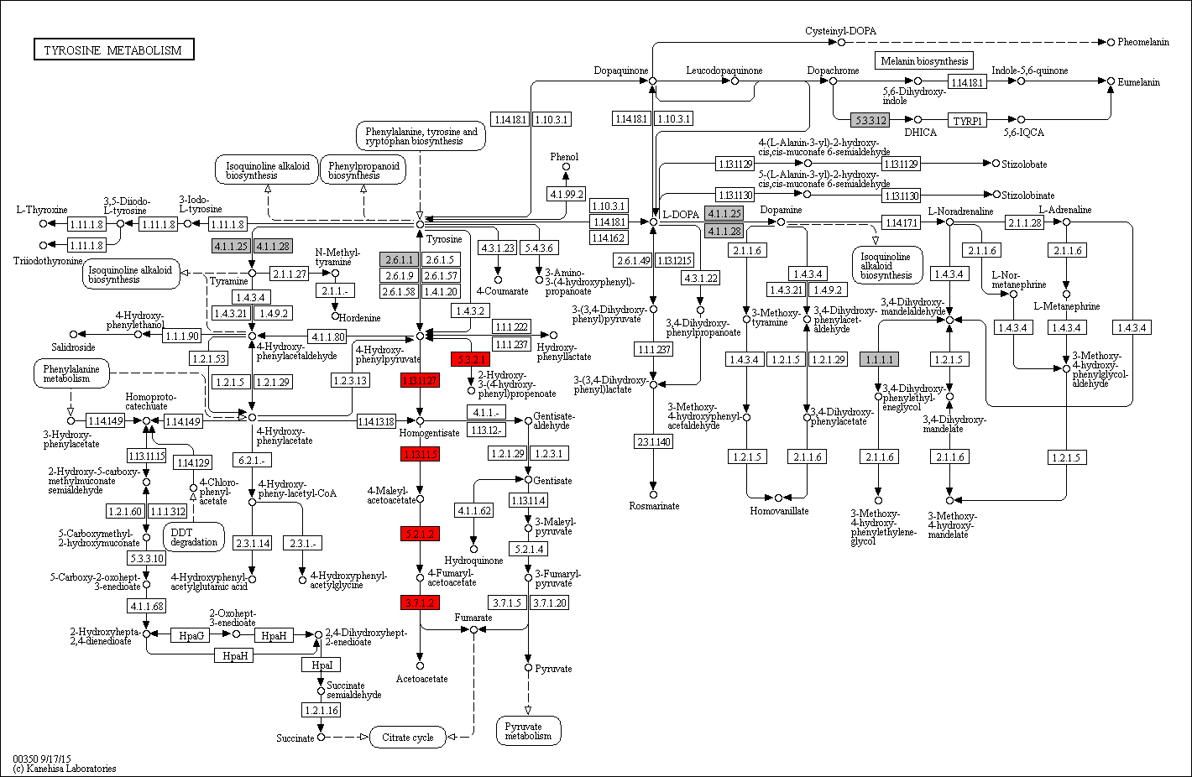
 | 5.3.2.1 | 0 | 0 | 0 | 0 | 0 | 0 | 0 | 0 | 0 | 0 | 0 | 0 | 0 | 0 | 0 | 0 | 0 | 0 | 0 | 0 | 0 | 0 | 0 | 0 | 1 | 0 | 1 | 0 | 1 | 0 | 1 | 0 | 0 | 0 | 0 | 0 | 0 | 0 | 0 | 0 | 0 | 1 | 0 | 1 | 1 | 0 | 1 | 1 | 1 | 0 | 1 | 0 | 0 | 0 | 1 | 0 | 0 | 1 | 1 | 0 | 1 | 0 | 2 | 1 | 1 | 1 | 1 | 1 | 1 | 1 | 1 | 1 | 0 | 1 | 1 | 1 | 1 | 0 | 1 | 1 | Legend Key:
 | 1.13.11.27 | 0 | 0 | 0 | 0 | 0 | 0 | 0 | 0 | 0 | 0 | 0 | 0 | 0 | 0 | 0 | 0 | 0 | 0 | 0 | 0 | 0 | 0 | 0 | 0 | 1 | 0 | 0 | 1 | 0 | 0 | 0 | 1 | 1 | 1 | 0 | 1 | 1 | 1 | 1 | 0 | 1 | 1 | 1 | 1 | 1 | 1 | 2 | 1 | 1 | 1 | 1 | 0 | 0 | 1 | 1 | 1 | 1 | 1 | 1 | 0 | 1 | 1 | 1 | 1 | 0 | 0 | 0 | 0 | 0 | 0 | 0 | 0 | 0 | 0 | 0 | 0 | 0 | 0 | 0 | 0 |  | EC present in flatworms + nematodes
 | 1.13.11.5 | 0 | 0 | 0 | 0 | 0 | 0 | 0 | 0 | 0 | 0 | 0 | 0 | 0 | 0 | 0 | 0 | 0 | 0 | 0 | 0 | 0 | 0 | 0 | 0 | 1 | 0 | 0 | 0 | 0 | 0 | 0 | 0 | 1 | 2 | 1 | 1 | 1 | 1 | 1 | 1 | 1 | 1 | 0 | 1 | 1 | 1 | 0 | 1 | 0 | 0 | 1 | 0 | 0 | 0 | 1 | 0 | 0 | 1 | 0 | 1 | 1 | 1 | 1 | 1 | 0 | 0 | 0 | 0 | 0 | 0 | 0 | 0 | 0 | 0 | 0 | 0 | 0 | 0 | 0 | 0 |  | EC unique to flatworms
 | 5.2.1.2 | 0 | 0 | 0 | 0 | 0 | 0 | 0 | 0 | 0 | 0 | 0 | 0 | 0 | 0 | 0 | 0 | 0 | 0 | 0 | 0 | 0 | 0 | 0 | 0 | 0 | 0 | 0 | 0 | 0 | 0 | 0 | 0 | 0 | 0 | 0 | 0 | 0 | 1 | 0 | 0 | 0 | 1 | 0 | 0 | 0 | 0 | 0 | 0 | 0 | 0 | 0 | 0 | 0 | 0 | 0 | 0 | 0 | 0 | 0 | 0 | 0 | 0 | 0 | 0 | 0 | 0 | 0 | 0 | 0 | 0 | 0 | 0 | 0 | 0 | 0 | 0 | 0 | 0 | 0 | 0 |  | EC unique to nematodes
 | 3.7.1.2 | 0 | 0 | 0 | 0 | 0 | 0 | 0 | 0 | 0 | 0 | 0 | 0 | 0 | 0 | 0 | 0 | 0 | 0 | 0 | 0 | 0 | 0 | 0 | 0 | 1 | 0 | 0 | 0 | 0 | 0 | 1 | 0 | 1 | 1 | 1 | 1 | 1 | 1 | 1 | 1 | 1 | 1 | 1 | 1 | 1 | 0 | 1 | 1 | 0 | 1 | 1 | 0 | 0 | 1 | 0 | 0 | 0 | 1 | 1 | 0 | 1 | 1 | 2 | 1 | 0 | 0 | 0 | 0 | 0 | 0 | 0 | 0 | 0 | 0 | 0 | 0 | 0 | 0 | 0 | 0
 |  |  |  |  |  |  |  |  |  |  |  |  |  |  |  |  |  |  |  |  |  |  |  |  |  |  |  |  |  |  |  |  |  |  |  |  |  |  |  |  |  |  |  |  |  |  |  |  |  |  |  |  |  |  |  |  |  |  |  |  |  |  |  |  |  |  |  |  |  |  |  |  |  |  |  |  |  |  |  |  |  |  | Gene expansions in most flatworms and nematodes
 |  |  |  |  |  |  |  |  |  |  |  |  |  |  |  |  |  |  |  |  |  |  |  |  |  |  |  |  |  |  |  |  |  |  |  |  |  |  |  |  |  |  |  |  |  |  |  |  |  |  |  |  |  |  |  |  |  |  |  |  |  |  |  |  |  |  |  |  |  |  |  |  |  |  |  |  |  |  |  |  |  |  | Gene expansions in particular clades (flatworms and nematodes)
 |  |  |  |  |  |  |  |  |  |  |  |  |  |  |  |  |  |  |  |  |  |  |  |  |  |  |  |  |  |  |  |  |  |  |  |  |  |  |  |  |  |  |  |  |  |  |  |  |  |  |  |  |  |  |  |  |  |  |  |  |  |  |  |  |  |  |  |  |  |  |  |  |  |  |  |  |  |  |  |  |  |  | Gene expansions in clades of nematodes
 |  |  |  |  |  |  |  |  |  |  |  |  |  |  |  |  |  |  |  |  |  |  |  |  |  |  |  |  |  |  |  |  |  |  |  |  |  |  |  |  |  |  |  |  |  |  |  |  |  |  |  |  |  |  |  |  |  |  |  |  |  |  |  |  |  |  |  |  |  |  |  |  |  |  |  |  |  |  |  |  |  |  | Gene expansions in clades of flatworms

 |  |  |  |  |  |  |  |  |  |  |  |  |  |  |  |  |  |  |  |  |  |  |  |  |  |  |  |  |  |  |  |  |  |  |  |  |  |  |  |  |  |  |  |  |  |  |  |  |  |  |  |  |  |  |  |  |  |  |  |  |  |  |  |  |  |  |  |  |  |  |  |  |  |  |  |  |  |  |  |  |  |  | Gene absent
 |  |  |  |  |  |  |  |  |  |  |  |  |  |  |  |  |  |  |  |  |  |  |  |  |  |  |  |  |  |  |  |  |  |  |  |  |  |  |  |  |  |  |  |  |  |  |  |  |  |  |  |  |  |  |  |  |  |  |  |  |  |  |  |  |  |  |  |  |  |  |  |  |  |  |  |  |  |  |  |  |  |  | 1 copy of gene present
 |  |  |  |  |  |  |  |  |  |  |  |  |  |  |  |  |  |  |  |  |  |  |  |  |  |  |  |  |  |  |  |  |  |  |  |  |  |  |  |  |  |  |  |  |  |  |  |  |  |  |  |  |  |  |  |  |  |  |  |  |  |  |  |  |  |  |  |  |  |  |  |  |  |  |  |  |  |  |  |  |  |  | >=2 copies of gene present
 |  |  |  |  |  |  |  |  |  |  |  |  |  |  |  |  |  |  |  |  |  |  |  |  |  |  |  |  |  |  |  |  |  |  |  |  |  |  |  |  |  |  |  |  |  |  |  |  |  |  |  |  |  |  |  |  |  |  |  |  |  |  |  |  |  |  |  |  |  |  |  |  |  |  |  |  |  |  |  |  |  |  | High copy number of genes

h
Supplementary Table 20h: N-Glycan Biosynthesis
EC predictions from hole-filling were not used for this analysis. Below we show the KEGG map with enzymes found in nematodes and not platyhelminths, or vice versa (see key on far right of spreadsheet) highlighted, as well as expansions (high gene counts). The heatmap on the right gives gene counts per species.
 |  |  |  |  |  |  |  | Flatworms |  |  |  |  |  |  |  |  |  |  |  |  |  |  |  |  |  |  |  |  |  |  |  |  |  |  |  |  |  |  |  |  |  |  |  |  |  |  |  |  | Nematodes
 | Clade | Trematoda | Trematoda | Trematoda | Trematoda | Trematoda | Trematoda | Trematoda | Trematoda | Trematoda | Trematoda | Trematoda | Cestoda | Cestoda | Cestoda | Cestoda | Cestoda | Cestoda | Cestoda | Cestoda | Cestoda | Cestoda | Cestoda | Cestoda | Flatworms-Other | Clade-I | Clade-I | Clade-I | Clade-I | Clade-I | Clade-I | Clade-I | Clade-IV~IVb | Clade-IV~IVb | Clade-IV~IVb | Clade-IV~IVb | Clade-IV~IVa | Clade-IV~IVa | Clade-IV~IVa | Clade-IV~IVa | Clade-IV~IVa | Clade-IV~IVa | Clade-V~Freeliving | Clade-V~Freeliving | Clade-V~Lungworm | Clade-V~Lungworm | Clade-V~Lungworm | Clade-V~Strongylida-other | Clade-V~Strongylida-other | Clade-V~Strongylida-other | Clade-V~Strongylida-other | Clade-V~Strongylida-other | Clade-V~Ancy+Strongylidae | Clade-V~Ancy+Strongylidae | Clade-V~Ancy+Strongylidae | Clade-V~Ancy+Strongylidae | Clade-V~Ancy+Strongylidae | Clade-V~Ancy+Strongylidae | Clade-V~Ancy+Strongylidae | Clade-III~Ascaridomorpha | Clade-III~Ascaridomorpha | Clade-III~Ascaridomorpha | Clade-III~Ascaridomorpha | Clade-III~Ascaridomorpha | Clade-III~Spiruromorpha+other | Clade-III~Spiruromorpha+other | Clade-III~Spiruromorpha+other | Clade-III~Spiruromorpha+other | Clade-III~Spiruromorpha+other | Clade-III~Spiruromorpha+other | Clade-III~Spiruromorpha+other | Clade-III~Spiruromorpha+other | Clade-III~Spiruromorpha+other | Clade-III~Spiruromorpha+other | Clade-III~Spiruromorpha+other | Clade-III~Spiruromorpha+other | Clade-III~Spiruromorpha+other | Clade-III~Spiruromorpha+other | Clade-III~Spiruromorpha+other | Clade-III~Oxyuridomorpha | Clade-III~Oxyuridomorpha
 | Species | S. haematobium | S. curassoni | S. mattheei | S. margrebowiei | S. mansoni | S. rodhaini | S. japonicum | T. regenti | C. sinensis | E. caproni | F. hepatica | D. latus | E. multilocularis | E. granulosus | T. asiatica | T. solium | H. taeniaeformis | H. diminuta | H. microstoma | H. nana | M. corti | S. solidus | S. erinaceieuropaei | P. xenopodis | R. culicivorax | S. baturini | T. spiralis | T. nativa | T. muris | T. suis | T. trichiura | G. pallida | M. hapla | P. redivivus | B. xylophilus | R. sp | P. trichosuri | S. ratti | S. stercoralis | S. venezuelensis | S. papillosus | C. elegans | P. pacificus | A. cantonensis | A. costaricensis | D. viviparus | H. contortus | H. placei | T. circumcincta | H. bakeri | N. brasiliensis | S. vulgaris | C. goldi | O. dentatum | N. americanus | A. ceylanicum | A. duodenale | A. caninum | A. lumbricoides | P. equorum | A. suum | T. canis | A. simplex | D. medinensis | B. pahangi | B. timori | B. malayi | W. bancrofti | L. loa | E. elaphi | L. sigmodontis | A. viteae | O. flexuosa | O. ochengi | O. volvulus | D. immitis | T. callipaeda | G. pulchrum | E. vermicularis | S. muris

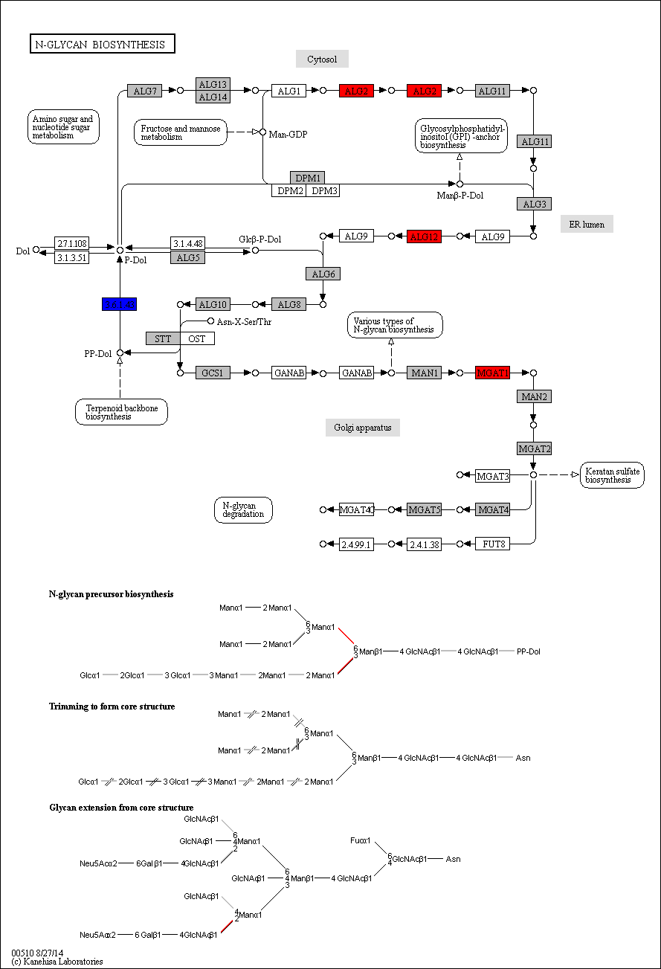
 | ALG2 (2.4.1.132 / 2.4.1.257) | 0 | 0 | 0 | 0 | 0 | 0 | 0 | 0 | 0 | 0 | 0 | 0 | 0 | 0 | 0 | 0 | 0 | 0 | 0 | 0 | 0 | 0 | 0 | 0 | 1 | 0 | 1 | 0 | 1 | 1 | 1 | 0 | 0 | 0 | 0 | 0 | 0 | 0 | 0 | 0 | 0 | 0 | 0 | 0 | 0 | 0 | 0 | 0 | 0 | 0 | 0 | 0 | 0 | 0 | 0 | 0 | 0 | 0 | 0 | 0 | 0 | 0 | 0 | 0 | 0 | 0 | 0 | 0 | 0 | 0 | 0 | 0 | 0 | 0 | 0 | 0 | 0 | 0 | 0 | 0 | Legend Key:
 | ALG12 (2.4.1.260) | 0 | 0 | 0 | 0 | 0 | 0 | 0 | 0 | 0 | 0 | 0 | 0 | 0 | 0 | 0 | 0 | 0 | 0 | 0 | 0 | 0 | 0 | 0 | 0 | 0 | 0 | 0 | 0 | 0 | 0 | 0 | 0 | 0 | 1 | 1 | 0 | 0 | 0 | 0 | 0 | 0 | 1 | 0 | 1 | 0 | 0 | 2 | 0 | 0 | 1 | 0 | 0 | 0 | 0 | 0 | 0 | 0 | 0 | 1 | 0 | 1 | 0 | 0 | 0 | 0 | 0 | 0 | 0 | 0 | 0 | 0 | 0 | 0 | 0 | 0 | 0 | 0 | 0 | 0 | 1 |  | EC present in flatworms + nematodes
 | MGAT1 (2.4.1.101) | 0 | 0 | 0 | 0 | 0 | 0 | 0 | 0 | 0 | 0 | 0 | 0 | 0 | 0 | 0 | 0 | 0 | 0 | 0 | 0 | 0 | 0 | 0 | 0 | 0 | 0 | 1 | 0 | 1 | 0 | 1 | 1 | 0 | 1 | 1 | 0 | 0 | 0 | 0 | 0 | 0 | 2 | 1 | 0 | 0 | 1 | 1 | 0 | 0 | 1 | 1 | 0 | 0 | 0 | 1 | 0 | 1 | 1 | 1 | 0 | 0 | 1 | 0 | 1 | 1 | 0 | 0 | 0 | 1 | 1 | 1 | 1 | 0 | 0 | 1 | 0 | 0 | 0 | 1 | 1 |  | EC unique to flatworms
 | 3.6.1.43 | 0 | 0 | 0 | 0 | 1 | 0 | 0 | 0 | 0 | 0 | 0 | 0 | 0 | 0 | 1 | 1 | 0 | 0 | 0 | 0 | 0 | 0 | 0 | 0 | 0 | 0 | 0 | 0 | 0 | 0 | 0 | 0 | 0 | 0 | 0 | 0 | 0 | 0 | 0 | 0 | 0 | 0 | 0 | 0 | 0 | 0 | 0 | 0 | 0 | 0 | 0 | 0 | 0 | 0 | 0 | 0 | 0 | 0 | 0 | 0 | 0 | 0 | 0 | 0 | 0 | 0 | 0 | 0 | 0 | 0 | 0 | 0 | 0 | 0 | 0 | 0 | 0 | 0 | 0 | 0 |  | EC unique to nematodes

 |  |  |  |  |  |  |  |  |  |  |  |  |  |  |  |  |  |  |  |  |  |  |  |  |  |  |  |  |  |  |  |  |  |  |  |  |  |  |  |  |  |  |  |  |  |  |  |  |  |  |  |  |  |  |  |  |  |  |  |  |  |  |  |  |  |  |  |  |  |  |  |  |  |  |  |  |  |  |  |  |  |  | Gene expansions in most flatworms and nematodes
 |  |  |  |  |  |  |  |  |  |  |  |  |  |  |  |  |  |  |  |  |  |  |  |  |  |  |  |  |  |  |  |  |  |  |  |  |  |  |  |  |  |  |  |  |  |  |  |  |  |  |  |  |  |  |  |  |  |  |  |  |  |  |  |  |  |  |  |  |  |  |  |  |  |  |  |  |  |  |  |  |  |  | Gene expansions in particular clades (flatworms and nematodes)
 |  |  |  |  |  |  |  |  |  |  |  |  |  |  |  |  |  |  |  |  |  |  |  |  |  |  |  |  |  |  |  |  |  |  |  |  |  |  |  |  |  |  |  |  |  |  |  |  |  |  |  |  |  |  |  |  |  |  |  |  |  |  |  |  |  |  |  |  |  |  |  |  |  |  |  |  |  |  |  |  |  |  | Gene expansions in clades of nematodes
 |  |  |  |  |  |  |  |  |  |  |  |  |  |  |  |  |  |  |  |  |  |  |  |  |  |  |  |  |  |  |  |  |  |  |  |  |  |  |  |  |  |  |  |  |  |  |  |  |  |  |  |  |  |  |  |  |  |  |  |  |  |  |  |  |  |  |  |  |  |  |  |  |  |  |  |  |  |  |  |  |  |  | Gene expansions in clades of flatworms

 |  |  |  |  |  |  |  |  |  |  |  |  |  |  |  |  |  |  |  |  |  |  |  |  |  |  |  |  |  |  |  |  |  |  |  |  |  |  |  |  |  |  |  |  |  |  |  |  |  |  |  |  |  |  |  |  |  |  |  |  |  |  |  |  |  |  |  |  |  |  |  |  |  |  |  |  |  |  |  |  |  |  | Gene absent
 |  |  |  |  |  |  |  |  |  |  |  |  |  |  |  |  |  |  |  |  |  |  |  |  |  |  |  |  |  |  |  |  |  |  |  |  |  |  |  |  |  |  |  |  |  |  |  |  |  |  |  |  |  |  |  |  |  |  |  |  |  |  |  |  |  |  |  |  |  |  |  |  |  |  |  |  |  |  |  |  |  |  | 1 copy of gene present
 |  |  |  |  |  |  |  |  |  |  |  |  |  |  |  |  |  |  |  |  |  |  |  |  |  |  |  |  |  |  |  |  |  |  |  |  |  |  |  |  |  |  |  |  |  |  |  |  |  |  |  |  |  |  |  |  |  |  |  |  |  |  |  |  |  |  |  |  |  |  |  |  |  |  |  |  |  |  |  |  |  |  | >=2 copies of gene present
 |  |  |  |  |  |  |  |  |  |  |  |  |  |  |  |  |  |  |  |  |  |  |  |  |  |  |  |  |  |  |  |  |  |  |  |  |  |  |  |  |  |  |  |  |  |  |  |  |  |  |  |  |  |  |  |  |  |  |  |  |  |  |  |  |  |  |  |  |  |  |  |  |  |  |  |  |  |  |  |  |  |  | High copy number of genes

i
Supplementary Table 20i: Porphyrin-Chlorophyll Metabolism
EC predictions from hole-filling were not used for this analysis. Below we show the KEGG map with enzymes found in nematodes and not platyhelminths, or vice versa (see key on far right of spreadsheet) highlighted, as well as expansions (high gene counts). The heatmap on the right gives gene counts per species.
 |  |  |  |  |  |  |  | Flatworms |  |  |  |  |  |  |  |  |  |  |  |  |  |  |  |  |  |  |  |  |  |  |  |  |  |  |  |  |  |  |  |  |  |  |  |  |  |  |  |  | Nematodes
 | Clade | Trematoda | Trematoda | Trematoda | Trematoda | Trematoda | Trematoda | Trematoda | Trematoda | Trematoda | Trematoda | Trematoda | Cestoda | Cestoda | Cestoda | Cestoda | Cestoda | Cestoda | Cestoda | Cestoda | Cestoda | Cestoda | Cestoda | Cestoda | Flatworms-Other | Clade-I | Clade-I | Clade-I | Clade-I | Clade-I | Clade-I | Clade-I | Clade-IV~IVb | Clade-IV~IVb | Clade-IV~IVb | Clade-IV~IVb | Clade-IV~IVa | Clade-IV~IVa | Clade-IV~IVa | Clade-IV~IVa | Clade-IV~IVa | Clade-IV~IVa | Clade-V~Freeliving | Clade-V~Freeliving | Clade-V~Lungworm | Clade-V~Lungworm | Clade-V~Lungworm | Clade-V~Strongylida-other | Clade-V~Strongylida-other | Clade-V~Strongylida-other | Clade-V~Strongylida-other | Clade-V~Strongylida-other | Clade-V~Ancy+Strongylidae | Clade-V~Ancy+Strongylidae | Clade-V~Ancy+Strongylidae | Clade-V~Ancy+Strongylidae | Clade-V~Ancy+Strongylidae | Clade-V~Ancy+Strongylidae | Clade-V~Ancy+Strongylidae | Clade-III~Ascaridomorpha | Clade-III~Ascaridomorpha | Clade-III~Ascaridomorpha | Clade-III~Ascaridomorpha | Clade-III~Ascaridomorpha | Clade-III~Spiruromorpha+other | Clade-III~Spiruromorpha+other | Clade-III~Spiruromorpha+other | Clade-III~Spiruromorpha+other | Clade-III~Spiruromorpha+other | Clade-III~Spiruromorpha+other | Clade-III~Spiruromorpha+other | Clade-III~Spiruromorpha+other | Clade-III~Spiruromorpha+other | Clade-III~Spiruromorpha+other | Clade-III~Spiruromorpha+other | Clade-III~Spiruromorpha+other | Clade-III~Spiruromorpha+other | Clade-III~Spiruromorpha+other | Clade-III~Spiruromorpha+other | Clade-III~Oxyuridomorpha | Clade-III~Oxyuridomorpha
 | Species | S. haematobium | S. curassoni | S. mattheei | S. margrebowiei | S. mansoni | S. rodhaini | S. japonicum | T. regenti | C. sinensis | E. caproni | F. hepatica | D. latus | E. multilocularis | E. granulosus | T. asiatica | T. solium | H. taeniaeformis | H. diminuta | H. microstoma | H. nana | M. corti | S. solidus | S. erinaceieuropaei | P. xenopodis | R. culicivorax | S. baturini | T. spiralis | T. nativa | T. muris | T. suis | T. trichiura | G. pallida | M. hapla | P. redivivus | B. xylophilus | R. sp | P. trichosuri | S. ratti | S. stercoralis | S. venezuelensis | S. papillosus | C. elegans | P. pacificus | A. cantonensis | A. costaricensis | D. viviparus | H. contortus | H. placei | T. circumcincta | H. bakeri | N. brasiliensis | S. vulgaris | C. goldi | O. dentatum | N. americanus | A. ceylanicum | A. duodenale | A. caninum | A. lumbricoides | P. equorum | A. suum | T. canis | A. simplex | D. medinensis | B. pahangi | B. timori | B. malayi | W. bancrofti | L. loa | E. elaphi | L. sigmodontis | A. viteae | O. flexuosa | O. ochengi | O. volvulus | D. immitis | T. callipaeda | G. pulchrum | E. vermicularis | S. muris

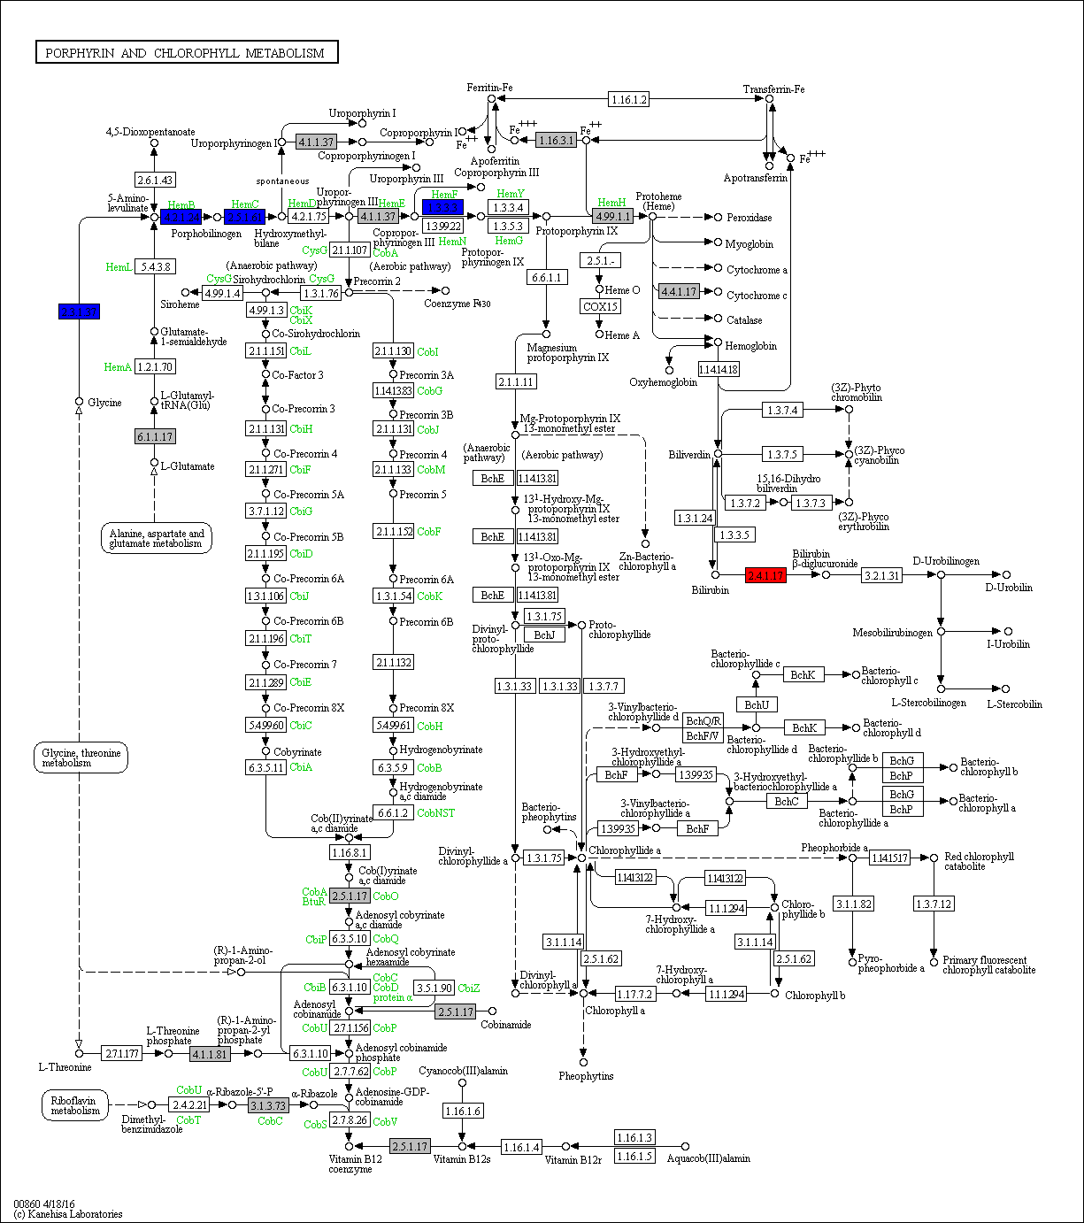
 | 2.3.1.37 | 1 | 0 | 1 | 1 | 1 | 1 | 1 | 0 | 1 | 0 | 1 | 0 | 2 | 2 | 1 | 1 | 1 | 1 | 1 | 1 | 1 | 1 | 1 | 0 | 0 | 0 | 0 | 0 | 0 | 0 | 0 | 0 | 0 | 0 | 0 | 0 | 0 | 0 | 0 | 0 | 0 | 0 | 0 | 0 | 0 | 0 | 0 | 0 | 0 | 0 | 0 | 0 | 0 | 0 | 0 | 0 | 0 | 0 | 0 | 0 | 0 | 0 | 0 | 0 | 0 | 0 | 0 | 0 | 0 | 0 | 0 | 0 | 0 | 0 | 0 | 0 | 0 | 0 | 0 | 0 | Legend Key:
 | 4.2.1.24 | 1 | 1 | 1 | 0 | 1 | 1 | 1 | 0 | 1 | 0 | 1 | 1 | 1 | 1 | 1 | 1 | 0 | 1 | 1 | 1 | 1 | 1 | 1 | 0 | 0 | 0 | 0 | 0 | 0 | 0 | 0 | 0 | 0 | 0 | 0 | 0 | 0 | 0 | 0 | 0 | 0 | 0 | 0 | 0 | 0 | 0 | 0 | 0 | 0 | 0 | 0 | 0 | 0 | 0 | 0 | 0 | 0 | 0 | 0 | 0 | 0 | 0 | 0 | 0 | 0 | 0 | 0 | 0 | 0 | 0 | 0 | 0 | 0 | 0 | 0 | 0 | 0 | 0 | 0 | 0 |  | EC present in flatworms + nematodes
 | 2.5.1.61 | 1 | 0 | 1 | 1 | 1 | 1 | 1 | 1 | 1 | 0 | 2 | 1 | 1 | 0 | 1 | 1 | 1 | 1 | 1 | 1 | 1 | 1 | 0 | 1 | 0 | 0 | 0 | 0 | 0 | 0 | 0 | 0 | 0 | 0 | 0 | 0 | 0 | 0 | 0 | 0 | 0 | 0 | 0 | 0 | 0 | 0 | 0 | 0 | 0 | 0 | 0 | 0 | 0 | 0 | 0 | 0 | 0 | 0 | 0 | 0 | 0 | 0 | 0 | 0 | 0 | 0 | 0 | 0 | 0 | 0 | 0 | 0 | 0 | 0 | 0 | 0 | 0 | 0 | 0 | 0 |  | EC unique to flatworms
 | 4.1.1.37 | 1 | 1 | 1 | 1 | 1 | 1 | 1 | 2 | 2 | 2 | 2 | 2 | 1 | 1 | 1 | 1 | 1 | 2 | 1 | 1 | 1 | 1 | 3 | 1 | 0 | 0 | 0 | 0 | 0 | 0 | 0 | 0 | 0 | 0 | 0 | 0 | 0 | 0 | 0 | 0 | 0 | 0 | 0 | 0 | 0 | 0 | 0 | 0 | 0 | 0 | 0 | 0 | 0 | 0 | 0 | 1 | 0 | 0 | 0 | 0 | 0 | 0 | 0 | 0 | 0 | 0 | 0 | 0 | 0 | 0 | 0 | 0 | 0 | 0 | 0 | 0 | 0 | 0 | 0 | 0 |  | EC unique to nematodes
 | 1.3.3.3 | 1 | 1 | 1 | 1 | 1 | 1 | 1 | 1 | 1 | 0 | 1 | 1 | 1 | 1 | 1 | 1 | 1 | 1 | 1 | 1 | 1 | 1 | 0 | 0 | 0 | 0 | 0 | 0 | 0 | 0 | 0 | 0 | 0 | 0 | 0 | 0 | 0 | 0 | 0 | 0 | 0 | 0 | 0 | 0 | 0 | 0 | 0 | 0 | 0 | 0 | 0 | 0 | 0 | 0 | 0 | 0 | 0 | 0 | 0 | 0 | 0 | 0 | 0 | 0 | 0 | 0 | 0 | 0 | 0 | 0 | 0 | 0 | 0 | 0 | 0 | 0 | 0 | 0 | 0 | 0
 | 4.99.1.1 | 1 | 1 | 1 | 1 | 1 | 2 | 1 | 1 | 1 | 1 | 1 | 1 | 1 | 1 | 1 | 1 | 1 | 1 | 1 | 2 | 1 | 1 | 1 | 1 | 0 | 0 | 0 | 0 | 0 | 0 | 0 | 0 | 0 | 1 | 0 | 1 | 1 | 1 | 1 | 1 | 1 | 0 | 1 | 0 | 0 | 0 | 1 | 0 | 1 | 0 | 0 | 0 | 0 | 0 | 0 | 0 | 0 | 0 | 0 | 0 | 0 | 2 | 0 | 2 | 1 | 3 | 2 | 2 | 2 | 4 | 2 | 2 | 3 | 5 | 2 | 2 | 2 | 2 | 2 | 1 |  | Gene expansions in most flatworms and nematodes
 | 4.4.1.17 | 1 | 0 | 0 | 1 | 1 | 0 | 1 | 0 | 1 | 1 | 0 | 1 | 1 | 1 | 1 | 1 | 1 | 0 | 0 | 1 | 1 | 1 | 1 | 0 | 1 | 0 | 4 | 2 | 1 | 1 | 1 | 0 | 1 | 1 | 1 | 2 | 2 | 2 | 2 | 2 | 1 | 1 | 1 | 0 | 0 | 0 | 2 | 1 | 0 | 1 | 0 | 1 | 1 | 2 | 0 | 1 | 0 | 1 | 1 | 0 | 1 | 1 | 0 | 0 | 1 | 0 | 1 | 1 | 1 | 1 | 1 | 0 | 1 | 1 | 1 | 1 | 1 | 0 | 1 | 0 |  | Gene expansions in particular clades (flatworms and nematodes)
 |  |  |  |  |  |  |  |  |  |  |  |  |  |  |  |  |  |  |  |  |  |  |  |  |  |  |  |  |  |  |  |  |  |  |  |  |  |  |  |  |  |  |  |  |  |  |  |  |  |  |  |  |  |  |  |  |  |  |  |  |  |  |  |  |  |  |  |  |  |  |  |  |  |  |  |  |  |  |  |  |  |  | Gene expansions in clades of nematodes
 | 2.4.1.17 | 0 | 0 | 0 | 0 | 0 | 0 | 0 | 0 | 0 | 0 | 0 | 0 | 0 | 0 | 0 | 0 | 0 | 0 | 0 | 0 | 0 | 0 | 0 | 0 | 11 | 7 | 3 | 4 | 5 | 10 | 12 | 13 | 13 | 64 | 42 | 44 | 52 | 35 | 36 | 68 | 72 | 71 | 100 | 8 | 10 | 11 | 44 | 26 | 23 | 20 | 22 | 25 | 6 | 73 | 25 | 36 | 31 | 46 | 26 | 6 | 22 | 25 | 12 | 6 | 1 | 1 | 0 | 1 | 3 | 3 | 2 | 2 | 0 | 0 | 0 | 2 | 5 | 16 | 19 | 9 |  | Gene expansions in clades of flatworms

 |  |  |  |  |  |  |  |  |  |  |  |  |  |  |  |  |  |  |  |  |  |  |  |  |  |  |  |  |  |  |  |  |  |  |  |  |  |  |  |  |  |  |  |  |  |  |  |  |  |  |  |  |  |  |  |  |  |  |  |  |  |  |  |  |  |  |  |  |  |  |  |  |  |  |  |  |  |  |  |  |  |  | Gene absent
 |  |  |  |  |  |  |  |  |  |  |  |  |  |  |  |  |  |  |  |  |  |  |  |  |  |  |  |  |  |  |  |  |  |  |  |  |  |  |  |  |  |  |  |  |  |  |  |  |  |  |  |  |  |  |  |  |  |  |  |  |  |  |  |  |  |  |  |  |  |  |  |  |  |  |  |  |  |  |  |  |  |  | 1 copy of gene present
 |  |  |  |  |  |  |  |  |  |  |  |  |  |  |  |  |  |  |  |  |  |  |  |  |  |  |  |  |  |  |  |  |  |  |  |  |  |  |  |  |  |  |  |  |  |  |  |  |  |  |  |  |  |  |  |  |  |  |  |  |  |  |  |  |  |  |  |  |  |  |  |  |  |  |  |  |  |  |  |  |  |  | >=2 copies of gene present
 |  |  |  |  |  |  |  |  |  |  |  |  |  |  |  |  |  |  |  |  |  |  |  |  |  |  |  |  |  |  |  |  |  |  |  |  |  |  |  |  |  |  |  |  |  |  |  |  |  |  |  |  |  |  |  |  |  |  |  |  |  |  |  |  |  |  |  |  |  |  |  |  |  |  |  |  |  |  |  |  |  |  | High copy number of genes

j
Supplementary Table 20j: Glyoxylate-Dicarboxylate Metabolism
EC predictions from hole-filling were not used for this analysis. Below we show the KEGG map with enzymes found in nematodes and not platyhelminths, or vice versa (see key on far right of spreadsheet) highlighted, as well as expansions (high gene counts). The heatmap on the right gives gene counts per species.
 |  |  |  |  |  |  |  | Flatworms |  |  |  |  |  |  |  |  |  |  |  |  |  |  |  |  |  |  |  |  |  |  |  |  |  |  |  |  |  |  |  |  |  |  |  |  |  |  |  |  | Nematodes
 | Clade | Trematoda | Trematoda | Trematoda | Trematoda | Trematoda | Trematoda | Trematoda | Trematoda | Trematoda | Trematoda | Trematoda | Cestoda | Cestoda | Cestoda | Cestoda | Cestoda | Cestoda | Cestoda | Cestoda | Cestoda | Cestoda | Cestoda | Cestoda | Flatworms-Other | Clade-I | Clade-I | Clade-I | Clade-I | Clade-I | Clade-I | Clade-I | Clade-IV~IVb | Clade-IV~IVb | Clade-IV~IVb | Clade-IV~IVb | Clade-IV~IVa | Clade-IV~IVa | Clade-IV~IVa | Clade-IV~IVa | Clade-IV~IVa | Clade-IV~IVa | Clade-V~Freeliving | Clade-V~Freeliving | Clade-V~Lungworm | Clade-V~Lungworm | Clade-V~Lungworm | Clade-V~Strongylida-other | Clade-V~Strongylida-other | Clade-V~Strongylida-other | Clade-V~Strongylida-other | Clade-V~Strongylida-other | Clade-V~Ancy+Strongylidae | Clade-V~Ancy+Strongylidae | Clade-V~Ancy+Strongylidae | Clade-V~Ancy+Strongylidae | Clade-V~Ancy+Strongylidae | Clade-V~Ancy+Strongylidae | Clade-V~Ancy+Strongylidae | Clade-III~Ascaridomorpha | Clade-III~Ascaridomorpha | Clade-III~Ascaridomorpha | Clade-III~Ascaridomorpha | Clade-III~Ascaridomorpha | Clade-III~Spiruromorpha+other | Clade-III~Spiruromorpha+other | Clade-III~Spiruromorpha+other | Clade-III~Spiruromorpha+other | Clade-III~Spiruromorpha+other | Clade-III~Spiruromorpha+other | Clade-III~Spiruromorpha+other | Clade-III~Spiruromorpha+other | Clade-III~Spiruromorpha+other | Clade-III~Spiruromorpha+other | Clade-III~Spiruromorpha+other | Clade-III~Spiruromorpha+other | Clade-III~Spiruromorpha+other | Clade-III~Spiruromorpha+other | Clade-III~Spiruromorpha+other | Clade-III~Oxyuridomorpha | Clade-III~Oxyuridomorpha
 | Species | S. haematobium | S. curassoni | S. mattheei | S. margrebowiei | S. mansoni | S. rodhaini | S. japonicum | T. regenti | C. sinensis | E. caproni | F. hepatica | D. latus | E. multilocularis | E. granulosus | T. asiatica | T. solium | H. taeniaeformis | H. diminuta | H. microstoma | H. nana | M. corti | S. solidus | S. erinaceieuropaei | P. xenopodis | R. culicivorax | S. baturini | T. spiralis | T. nativa | T. muris | T. suis | T. trichiura | G. pallida | M. hapla | P. redivivus | B. xylophilus | R. sp | P. trichosuri | S. ratti | S. stercoralis | S. venezuelensis | S. papillosus | C. elegans | P. pacificus | A. cantonensis | A. costaricensis | D. viviparus | H. contortus | H. placei | T. circumcincta | H. bakeri | N. brasiliensis | S. vulgaris | C. goldi | O. dentatum | N. americanus | A. ceylanicum | A. duodenale | A. caninum | A. lumbricoides | P. equorum | A. suum | T. canis | A. simplex | D. medinensis | B. pahangi | B. timori | B. malayi | W. bancrofti | L. loa | E. elaphi | L. sigmodontis | A. viteae | O. flexuosa | O. ochengi | O. volvulus | D. immitis | T. callipaeda | G. pulchrum | E. vermicularis | S. muris

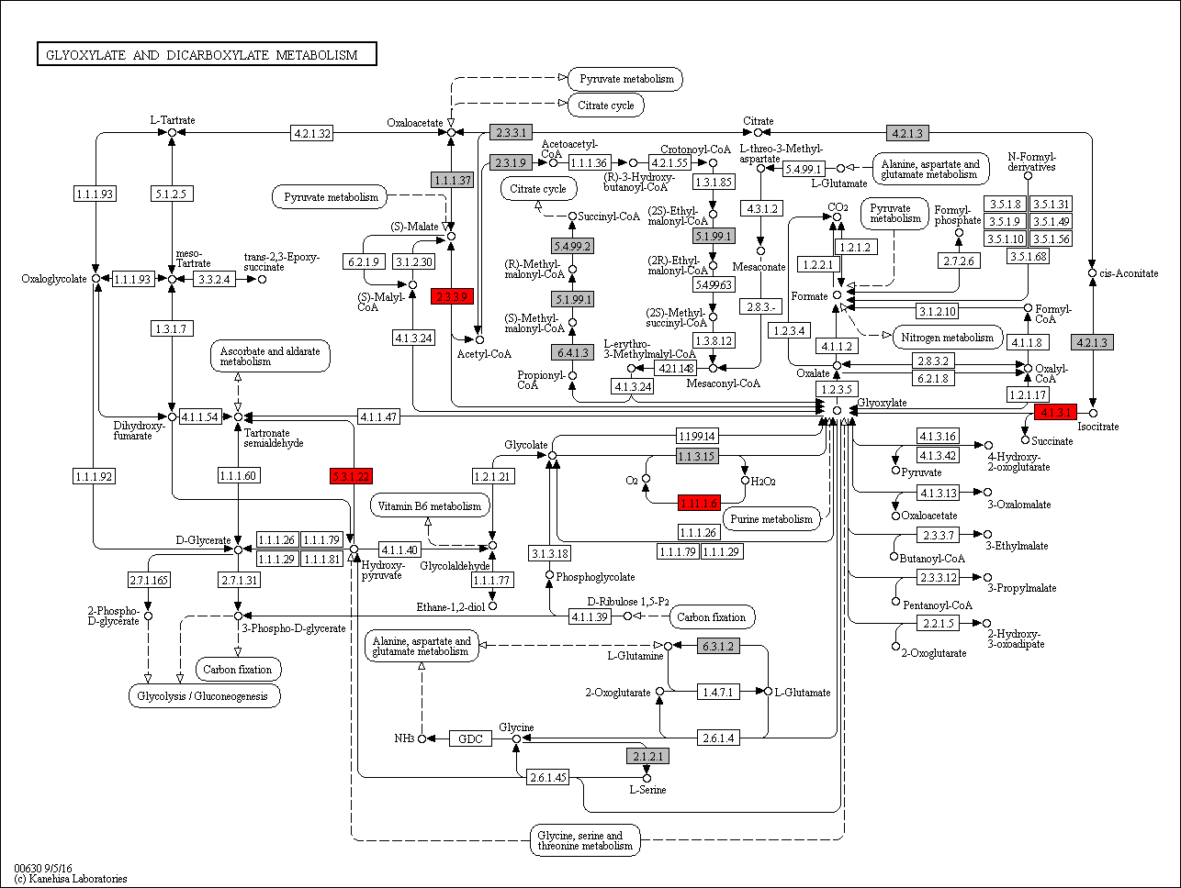
 | 1.1.1.37 | 3 | 4 | 3 | 3 | 3 | 5 | 2 | 3 | 3 | 4 | 6 | 3 | 5 | 5 | 4 | 4 | 5 | 5 | 4 | 5 | 5 | 4 | 4 | 4 | 2 | 2 | 1 | 3 | 2 | 3 | 2 | 2 | 2 | 2 | 3 | 2 | 2 | 2 | 2 | 2 | 2 | 2 | 2 | 2 | 2 | 3 | 4 | 3 | 8 | 6 | 3 | 3 | 4 | 5 | 2 | 2 | 6 | 4 | 8 | 1 | 4 | 7 | 4 | 2 | 2 | 2 | 2 | 2 | 2 | 2 | 3 | 2 | 3 | 3 | 2 | 2 | 2 | 4 | 2 | 2 | Legend Key:
 | 1.1.3.15 | 0 | 0 | 0 | 0 | 0 | 0 | 0 | 0 | 0 | 0 | 0 | 0 | 0 | 0 | 0 | 0 | 0 | 0 | 0 | 0 | 0 | 0 | 0 | 0 | 0 | 0 | 0 | 0 | 0 | 0 | 0 | 0 | 0 | 0 | 1 | 0 | 0 | 0 | 0 | 0 | 0 | 0 | 0 | 0 | 0 | 0 | 0 | 0 | 0 | 0 | 0 | 0 | 0 | 0 | 0 | 0 | 0 | 0 | 0 | 0 | 0 | 0 | 0 | 0 | 0 | 0 | 0 | 0 | 0 | 0 | 0 | 0 | 0 | 0 | 0 | 0 | 0 | 0 | 0 | 0 |  | EC present in flatworms + nematodes
 | 1.11.1.6 | 0 | 0 | 0 | 0 | 0 | 0 | 0 | 0 | 0 | 0 | 0 | 0 | 0 | 0 | 0 | 0 | 0 | 0 | 0 | 0 | 0 | 0 | 0 | 0 | 3 | 0 | 0 | 0 | 0 | 0 | 0 | 1 | 3 | 1 | 2 | 1 | 1 | 1 | 1 | 1 | 1 | 3 | 2 | 1 | 2 | 1 | 0 | 3 | 4 | 1 | 1 | 4 | 3 | 4 | 1 | 2 | 6 | 3 | 2 | 0 | 1 | 3 | 1 | 1 | 0 | 2 | 0 | 0 | 0 | 0 | 0 | 0 | 0 | 0 | 0 | 0 | 0 | 4 | 1 | 1 |  | EC unique to flatworms
 | 2.1.2.1 | 2 | 3 | 3 | 3 | 2 | 3 | 3 | 1 | 3 | 4 | 2 | 3 | 1 | 1 | 1 | 1 | 1 | 1 | 1 | 1 | 1 | 1 | 4 | 2 | 2 | 2 | 1 | 1 | 1 | 1 | 1 | 2 | 1 | 1 | 1 | 1 | 1 | 1 | 1 | 1 | 1 | 1 | 1 | 1 | 1 | 1 | 2 | 1 | 2 | 1 | 2 | 2 | 2 | 3 | 1 | 1 | 2 | 1 | 1 | 0 | 1 | 2 | 1 | 1 | 1 | 1 | 1 | 1 | 1 | 1 | 1 | 2 | 1 | 1 | 1 | 1 | 1 | 1 | 1 | 1 |  | EC unique to nematodes
 | 2.3.1.9 | 1 | 1 | 0 | 1 | 1 | 2 | 0 | 1 | 2 | 2 | 3 | 0 | 1 | 1 | 1 | 0 | 1 | 2 | 1 | 0 | 1 | 0 | 1 | 0 | 1 | 1 | 2 | 1 | 1 | 0 | 1 | 2 | 0 | 2 | 2 | 2 | 3 | 2 | 2 | 2 | 2 | 2 | 1 | 2 | 1 | 3 | 2 | 1 | 2 | 0 | 1 | 3 | 1 | 4 | 0 | 1 | 2 | 3 | 7 | 2 | 5 | 10 | 6 | 1 | 0 | 0 | 0 | 0 | 0 | 0 | 0 | 0 | 0 | 0 | 0 | 0 | 0 | 3 | 1 | 1
 | 2.3.3.1 | 1 | 1 | 1 | 1 | 1 | 0 | 1 | 0 | 1 | 1 | 2 | 0 | 1 | 1 | 1 | 1 | 1 | 1 | 1 | 1 | 1 | 1 | 0 | 0 | 0 | 1 | 1 | 1 | 1 | 1 | 1 | 1 | 1 | 1 | 1 | 2 | 1 | 1 | 1 | 1 | 1 | 1 | 1 | 1 | 1 | 1 | 1 | 1 | 1 | 1 | 1 | 0 | 0 | 1 | 1 | 1 | 1 | 1 | 2 | 0 | 2 | 0 | 1 | 1 | 1 | 1 | 1 | 1 | 1 | 1 | 1 | 1 | 0 | 0 | 1 | 1 | 1 | 0 | 2 | 2 |  | Gene expansions in most flatworms and nematodes
 | 2.3.3.9 | 0 | 0 | 0 | 0 | 0 | 0 | 0 | 0 | 0 | 0 | 0 | 0 | 0 | 0 | 0 | 0 | 0 | 0 | 0 | 0 | 0 | 0 | 0 | 0 | 0 | 0 | 0 | 0 | 1 | 1 | 1 | 1 | 1 | 2 | 1 | 1 | 1 | 1 | 1 | 1 | 1 | 1 | 1 | 0 | 1 | 1 | 1 | 2 | 1 | 1 | 1 | 1 | 0 | 1 | 1 | 1 | 2 | 1 | 2 | 0 | 1 | 1 | 0 | 1 | 0 | 0 | 0 | 0 | 0 | 0 | 0 | 0 | 0 | 0 | 0 | 0 | 0 | 0 | 1 | 0 |  | Gene expansions in particular clades (flatworms and nematodes)
 | 4.1.3.1 | 0 | 0 | 0 | 0 | 0 | 0 | 0 | 0 | 0 | 0 | 0 | 0 | 0 | 0 | 0 | 0 | 0 | 0 | 0 | 0 | 0 | 0 | 0 | 0 | 1 | 0 | 0 | 0 | 1 | 1 | 1 | 1 | 1 | 1 | 1 | 1 | 1 | 1 | 1 | 1 | 1 | 1 | 1 | 1 | 1 | 1 | 1 | 1 | 1 | 1 | 1 | 1 | 1 | 1 | 1 | 1 | 1 | 1 | 1 | 0 | 1 | 1 | 2 | 1 | 0 | 0 | 0 | 0 | 0 | 1 | 0 | 0 | 0 | 0 | 0 | 0 | 0 | 0 | 1 | 0 |  | Gene expansions in clades of nematodes
 | 4.2.1.3 | 1 | 2 | 2 | 2 | 1 | 2 | 1 | 1 | 1 | 2 | 3 | 2 | 0 | 1 | 1 | 1 | 1 | 1 | 1 | 1 | 2 | 1 | 3 | 1 | 2 | 1 | 1 | 1 | 1 | 1 | 1 | 1 | 1 | 2 | 2 | 2 | 2 | 2 | 2 | 2 | 2 | 2 | 2 | 1 | 3 | 2 | 3 | 3 | 7 | 4 | 5 | 3 | 5 | 10 | 4 | 2 | 3 | 3 | 2 | 0 | 2 | 2 | 1 | 1 | 2 | 1 | 2 | 1 | 1 | 1 | 1 | 4 | 2 | 2 | 1 | 1 | 2 | 2 | 2 | 2 |  | Gene expansions in clades of flatworms
 | 5.1.99.1 | 0 | 0 | 0 | 1 | 1 | 0 | 0 | 0 | 0 | 0 | 0 | 0 | 0 | 0 | 0 | 0 | 0 | 0 | 0 | 0 | 0 | 0 | 0 | 0 | 0 | 0 | 1 | 1 | 1 | 1 | 1 | 0 | 0 | 1 | 0 | 1 | 1 | 1 | 1 | 1 | 1 | 1 | 0 | 1 | 1 | 1 | 1 | 0 | 0 | 1 | 1 | 1 | 0 | 1 | 1 | 1 | 1 | 1 | 2 | 0 | 2 | 2 | 1 | 1 | 0 | 0 | 0 | 0 | 0 | 0 | 0 | 0 | 0 | 0 | 0 | 0 | 0 | 2 | 1 | 1
 | 5.3.1.22 | 0 | 0 | 0 | 0 | 0 | 0 | 0 | 0 | 0 | 0 | 0 | 0 | 0 | 0 | 0 | 0 | 0 | 0 | 0 | 0 | 0 | 0 | 0 | 0 | 0 | 0 | 0 | 0 | 0 | 0 | 0 | 0 | 0 | 1 | 0 | 0 | 0 | 0 | 0 | 0 | 0 | 0 | 0 | 1 | 1 | 1 | 2 | 1 | 0 | 1 | 0 | 0 | 0 | 2 | 1 | 0 | 0 | 0 | 0 | 0 | 1 | 1 | 0 | 1 | 1 | 0 | 1 | 0 | 1 | 0 | 0 | 0 | 0 | 0 | 1 | 1 | 0 | 0 | 0 | 0 |  | Gene absent
 | 5.4.99.2 | 1 | 0 | 1 | 0 | 0 | 0 | 0 | 0 | 0 | 0 | 0 | 1 | 0 | 0 | 0 | 0 | 0 | 0 | 0 | 0 | 0 | 0 | 0 | 0 | 0 | 0 | 1 | 1 | 1 | 1 | 1 | 0 | 0 | 1 | 0 | 1 | 2 | 2 | 1 | 2 | 2 | 1 | 1 | 1 | 1 | 0 | 1 | 0 | 2 | 0 | 0 | 0 | 0 | 1 | 0 | 1 | 1 | 1 | 1 | 0 | 1 | 0 | 0 | 1 | 0 | 0 | 0 | 0 | 0 | 0 | 0 | 0 | 0 | 0 | 0 | 0 | 0 | 0 | 1 | 1 |  | 1 copy of gene present
 | 6.3.1.2 | 1 | 1 | 1 | 1 | 1 | 1 | 1 | 0 | 2 | 1 | 2 | 1 | 1 | 1 | 1 | 2 | 1 | 1 | 1 | 1 | 1 | 1 | 0 | 0 | 1 | 1 | 1 | 1 | 1 | 1 | 1 | 0 | 1 | 4 | 2 | 1 | 2 | 3 | 3 | 3 | 5 | 5 | 6 | 3 | 3 | 4 | 3 | 2 | 2 | 2 | 2 | 1 | 1 | 1 | 4 | 3 | 4 | 5 | 3 | 0 | 3 | 3 | 1 | 1 | 1 | 0 | 1 | 1 | 1 | 1 | 1 | 1 | 0 | 1 | 1 | 1 | 1 | 0 | 1 | 1 |  | >=2 copies of gene present
 | 6.4.1.3 | 1 | 2 | 2 | 2 | 2 | 1 | 2 | 1 | 2 | 2 | 2 | 1 | 1 | 1 | 1 | 1 | 1 | 1 | 1 | 1 | 1 | 2 | 0 | 2 | 1 | 2 | 1 | 1 | 2 | 2 | 2 | 0 | 0 | 3 | 2 | 1 | 2 | 2 | 2 | 2 | 2 | 2 | 1 | 2 | 1 | 3 | 2 | 2 | 1 | 2 | 2 | 1 | 1 | 2 | 3 | 2 | 1 | 3 | 2 | 0 | 2 | 3 | 1 | 2 | 0 | 0 | 0 | 0 | 0 | 0 | 0 | 0 | 0 | 0 | 0 | 0 | 0 | 0 | 2 | 2 |  | High copy number of genes

k
Supplementary Table 20k: Folate biosynthesis Metabolism
EC predictions from hole-filling were not used for this analysis. Below we show the KEGG map with enzymes found in nematodes and not platyhelminths, or vice versa (see key on far right of spreadsheet) highlighted, as well as expansions (high gene counts). The heatmap on the right gives gene counts per species.
 |  |  |  |  |  |  |  | Flatworms |  |  |  |  |  |  |  |  |  |  |  |  |  |  |  |  |  |  |  |  |  |  |  |  |  |  |  |  |  |  |  |  |  |  |  |  |  |  |  |  | Nematodes
 | Clade | Trematoda | Trematoda | Trematoda | Trematoda | Trematoda | Trematoda | Trematoda | Trematoda | Trematoda | Trematoda | Trematoda | Cestoda | Cestoda | Cestoda | Cestoda | Cestoda | Cestoda | Cestoda | Cestoda | Cestoda | Cestoda | Cestoda | Cestoda | Flatworms-Other | Clade-I | Clade-I | Clade-I | Clade-I | Clade-I | Clade-I | Clade-I | Clade-IV~IVb | Clade-IV~IVb | Clade-IV~IVb | Clade-IV~IVb | Clade-IV~IVa | Clade-IV~IVa | Clade-IV~IVa | Clade-IV~IVa | Clade-IV~IVa | Clade-IV~IVa | Clade-V~Freeliving | Clade-V~Freeliving | Clade-V~Lungworm | Clade-V~Lungworm | Clade-V~Lungworm | Clade-V~Strongylida-other | Clade-V~Strongylida-other | Clade-V~Strongylida-other | Clade-V~Strongylida-other | Clade-V~Strongylida-other | Clade-V~Ancy+Strongylidae | Clade-V~Ancy+Strongylidae | Clade-V~Ancy+Strongylidae | Clade-V~Ancy+Strongylidae | Clade-V~Ancy+Strongylidae | Clade-V~Ancy+Strongylidae | Clade-V~Ancy+Strongylidae | Clade-III~Ascaridomorpha | Clade-III~Ascaridomorpha | Clade-III~Ascaridomorpha | Clade-III~Ascaridomorpha | Clade-III~Ascaridomorpha | Clade-III~Spiruromorpha+other | Clade-III~Spiruromorpha+other | Clade-III~Spiruromorpha+other | Clade-III~Spiruromorpha+other | Clade-III~Spiruromorpha+other | Clade-III~Spiruromorpha+other | Clade-III~Spiruromorpha+other | Clade-III~Spiruromorpha+other | Clade-III~Spiruromorpha+other | Clade-III~Spiruromorpha+other | Clade-III~Spiruromorpha+other | Clade-III~Spiruromorpha+other | Clade-III~Spiruromorpha+other | Clade-III~Spiruromorpha+other | Clade-III~Spiruromorpha+other | Clade-III~Oxyuridomorpha | Clade-III~Oxyuridomorpha
 | Species | S. haematobium | S. curassoni | S. mattheei | S. margrebowiei | S. mansoni | S. rodhaini | S. japonicum | T. regenti | C. sinensis | E. caproni | F. hepatica | D. latus | E. multilocularis | E. granulosus | T. asiatica | T. solium | H. taeniaeformis | H. diminuta | H. microstoma | H. nana | M. corti | S. solidus | S. erinaceieuropaei | P. xenopodis | R. culicivorax | S. baturini | T. spiralis | T. nativa | T. muris | T. suis | T. trichiura | G. pallida | M. hapla | P. redivivus | B. xylophilus | R. sp | P. trichosuri | S. ratti | S. stercoralis | S. venezuelensis | S. papillosus | C. elegans | P. pacificus | A. cantonensis | A. costaricensis | D. viviparus | H. contortus | H. placei | T. circumcincta | H. bakeri | N. brasiliensis | S. vulgaris | C. goldi | O. dentatum | N. americanus | A. ceylanicum | A. duodenale | A. caninum | A. lumbricoides | P. equorum | A. suum | T. canis | A. simplex | D. medinensis | B. pahangi | B. timori | B. malayi | W. bancrofti | L. loa | E. elaphi | L. sigmodontis | A. viteae | O. flexuosa | O. ochengi | O. volvulus | D. immitis | T. callipaeda | G. pulchrum | E. vermicularis | S. muris

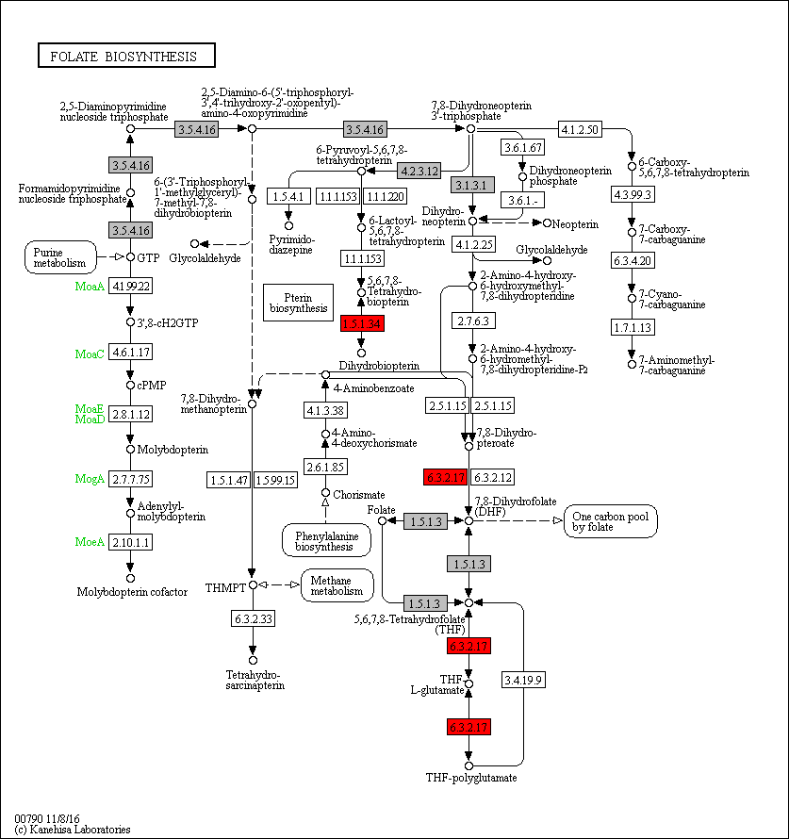
 | 1.5.1.3 | 1 | 0 | 0 | 0 | 1 | 1 | 1 | 1 | 0 | 0 | 0 | 0 | 1 | 1 | 1 | 1 | 1 | 1 | 1 | 1 | 0 | 0 | 0 | 1 | 1 | 0 | 0 | 0 | 1 | 1 | 1 | 1 | 1 | 1 | 1 | 1 | 1 | 1 | 1 | 1 | 3 | 1 | 2 | 1 | 1 | 1 | 1 | 1 | 1 | 1 | 1 | 1 | 0 | 1 | 2 | 1 | 1 | 1 | 1 | 1 | 2 | 2 | 2 | 1 | 1 | 0 | 1 | 1 | 1 | 1 | 1 | 1 | 0 | 1 | 1 | 1 | 1 | 1 | 1 | 0 | Legend Key:
 | 1.5.1.34 | 0 | 0 | 0 | 0 | 1 | 0 | 0 | 0 | 0 | 0 | 0 | 0 | 0 | 0 | 0 | 0 | 0 | 0 | 0 | 0 | 0 | 0 | 0 | 0 | 0 | 0 | 0 | 0 | 1 | 1 | 0 | 0 | 0 | 0 | 1 | 1 | 1 | 1 | 1 | 1 | 1 | 0 | 0 | 0 | 0 | 0 | 0 | 0 | 0 | 0 | 0 | 0 | 0 | 0 | 0 | 0 | 0 | 0 | 1 | 0 | 1 | 1 | 0 | 0 | 0 | 0 | 0 | 0 | 0 | 0 | 0 | 0 | 0 | 0 | 0 | 0 | 0 | 0 | 0 | 0 |  | EC present in flatworms + nematodes
 | 3.1.3.1 | 1 | 0 | 0 | 2 | 1 | 1 | 1 | 1 | 0 | 0 | 0 | 1 | 2 | 2 | 2 | 3 | 2 | 1 | 4 | 4 | 2 | 6 | 0 | 0 | 0 | 0 | 0 | 0 | 0 | 0 | 0 | 0 | 0 | 0 | 0 | 1 | 0 | 0 | 0 | 0 | 0 | 0 | 0 | 0 | 0 | 0 | 0 | 0 | 0 | 0 | 0 | 0 | 0 | 0 | 0 | 0 | 0 | 0 | 0 | 0 | 0 | 0 | 0 | 0 | 0 | 0 | 0 | 0 | 0 | 0 | 0 | 0 | 0 | 0 | 0 | 0 | 0 | 0 | 0 | 0 |  | EC unique to flatworms
 | 3.5.4.16 | 1 | 1 | 1 | 1 | 1 | 1 | 0 | 2 | 2 | 1 | 2 | 1 | 1 | 1 | 1 | 1 | 1 | 1 | 0 | 1 | 1 | 1 | 0 | 1 | 1 | 1 | 1 | 1 | 1 | 1 | 1 | 1 | 1 | 1 | 1 | 1 | 1 | 1 | 1 | 1 | 1 | 1 | 1 | 1 | 1 | 1 | 1 | 1 | 8 | 1 | 1 | 1 | 1 | 1 | 1 | 2 | 1 | 1 | 3 | 2 | 1 | 2 | 3 | 1 | 1 | 2 | 1 | 1 | 1 | 2 | 1 | 1 | 1 | 1 | 1 | 1 | 3 | 4 | 1 | 1 |  | EC unique to nematodes
 | 4.2.3.12 | 1 | 1 | 1 | 1 | 1 | 1 | 1 | 1 | 1 | 1 | 0 | 0 | 1 | 1 | 1 | 1 | 1 | 1 | 1 | 1 | 1 | 1 | 0 | 0 | 0 | 0 | 0 | 1 | 0 | 1 | 0 | 0 | 1 | 1 | 1 | 1 | 1 | 1 | 1 | 1 | 1 | 1 | 1 | 1 | 1 | 1 | 1 | 1 | 1 | 1 | 1 | 0 | 1 | 1 | 1 | 0 | 0 | 1 | 1 | 1 | 1 | 1 | 1 | 1 | 1 | 1 | 1 | 1 | 1 | 1 | 0 | 0 | 0 | 0 | 1 | 1 | 1 | 0 | 1 | 1
 | 6.3.2.17 | 0 | 0 | 0 | 0 | 0 | 0 | 0 | 0 | 0 | 0 | 0 | 0 | 0 | 0 | 0 | 0 | 0 | 0 | 0 | 0 | 0 | 0 | 0 | 0 | 1 | 0 | 1 | 0 | 1 | 0 | 1 | 0 | 0 | 1 | 1 | 1 | 1 | 1 | 1 | 1 | 0 | 1 | 1 | 1 | 1 | 1 | 1 | 1 | 0 | 1 | 2 | 0 | 1 | 0 | 1 | 1 | 1 | 1 | 0 | 0 | 1 | 1 | 1 | 1 | 1 | 0 | 1 | 1 | 1 | 1 | 1 | 1 | 0 | 0 | 1 | 1 | 1 | 0 | 1 | 1 |  | Gene expansions in most flatworms and nematodes
 |  |  |  |  |  |  |  |  |  |  |  |  |  |  |  |  |  |  |  |  |  |  |  |  |  |  |  |  |  |  |  |  |  |  |  |  |  |  |  |  |  |  |  |  |  |  |  |  |  |  |  |  |  |  |  |  |  |  |  |  |  |  |  |  |  |  |  |  |  |  |  |  |  |  |  |  |  |  |  |  |  |  | Gene expansions in particular clades (flatworms and nematodes)
 |  |  |  |  |  |  |  |  |  |  |  |  |  |  |  |  |  |  |  |  |  |  |  |  |  |  |  |  |  |  |  |  |  |  |  |  |  |  |  |  |  |  |  |  |  |  |  |  |  |  |  |  |  |  |  |  |  |  |  |  |  |  |  |  |  |  |  |  |  |  |  |  |  |  |  |  |  |  |  |  |  |  | Gene expansions in clades of nematodes
 |  |  |  |  |  |  |  |  |  |  |  |  |  |  |  |  |  |  |  |  |  |  |  |  |  |  |  |  |  |  |  |  |  |  |  |  |  |  |  |  |  |  |  |  |  |  |  |  |  |  |  |  |  |  |  |  |  |  |  |  |  |  |  |  |  |  |  |  |  |  |  |  |  |  |  |  |  |  |  |  |  |  | Gene expansions in clades of flatworms

 |  |  |  |  |  |  |  |  |  |  |  |  |  |  |  |  |  |  |  |  |  |  |  |  |  |  |  |  |  |  |  |  |  |  |  |  |  |  |  |  |  |  |  |  |  |  |  |  |  |  |  |  |  |  |  |  |  |  |  |  |  |  |  |  |  |  |  |  |  |  |  |  |  |  |  |  |  |  |  |  |  |  | Gene absent
 |  |  |  |  |  |  |  |  |  |  |  |  |  |  |  |  |  |  |  |  |  |  |  |  |  |  |  |  |  |  |  |  |  |  |  |  |  |  |  |  |  |  |  |  |  |  |  |  |  |  |  |  |  |  |  |  |  |  |  |  |  |  |  |  |  |  |  |  |  |  |  |  |  |  |  |  |  |  |  |  |  |  | 1 copy of gene present
 |  |  |  |  |  |  |  |  |  |  |  |  |  |  |  |  |  |  |  |  |  |  |  |  |  |  |  |  |  |  |  |  |  |  |  |  |  |  |  |  |  |  |  |  |  |  |  |  |  |  |  |  |  |  |  |  |  |  |  |  |  |  |  |  |  |  |  |  |  |  |  |  |  |  |  |  |  |  |  |  |  |  | >=2 copies of gene present
 |  |  |  |  |  |  |  |  |  |  |  |  |  |  |  |  |  |  |  |  |  |  |  |  |  |  |  |  |  |  |  |  |  |  |  |  |  |  |  |  |  |  |  |  |  |  |  |  |  |  |  |  |  |  |  |  |  |  |  |  |  |  |  |  |  |  |  |  |  |  |  |  |  |  |  |  |  |  |  |  |  |  | High copy number of genes

l
Supplementary Table 20l: Glycosaminoglycan biosynthesis
EC predictions from hole-filling were not used for this analysis. Below we show the KEGG map with enzymes found in nematodes and not platyhelminths, or vice versa (see key on far right of spreadsheet) highlighted, as well as expansions (high gene counts). The heatmap on the right gives gene counts per species.
 |  |  |  |  |  |  |  | Flatworms |  |  |  |  |  |  |  |  |  |  |  |  |  |  |  |  |  |  |  |  |  |  |  |  |  |  |  |  |  |  |  |  |  |  |  |  |  |  |  |  | Nematodes
 | Clade | Trematoda | Trematoda | Trematoda | Trematoda | Trematoda | Trematoda | Trematoda | Trematoda | Trematoda | Trematoda | Trematoda | Cestoda | Cestoda | Cestoda | Cestoda | Cestoda | Cestoda | Cestoda | Cestoda | Cestoda | Cestoda | Cestoda | Cestoda | Flatworms-Other | Clade-I | Clade-I | Clade-I | Clade-I | Clade-I | Clade-I | Clade-I | Clade-IV~IVb | Clade-IV~IVb | Clade-IV~IVb | Clade-IV~IVb | Clade-IV~IVa | Clade-IV~IVa | Clade-IV~IVa | Clade-IV~IVa | Clade-IV~IVa | Clade-IV~IVa | Clade-V~Freeliving | Clade-V~Freeliving | Clade-V~Lungworm | Clade-V~Lungworm | Clade-V~Lungworm | Clade-V~Strongylida-other | Clade-V~Strongylida-other | Clade-V~Strongylida-other | Clade-V~Strongylida-other | Clade-V~Strongylida-other | Clade-V~Ancy+Strongylidae | Clade-V~Ancy+Strongylidae | Clade-V~Ancy+Strongylidae | Clade-V~Ancy+Strongylidae | Clade-V~Ancy+Strongylidae | Clade-V~Ancy+Strongylidae | Clade-V~Ancy+Strongylidae | Clade-III~Ascaridomorpha | Clade-III~Ascaridomorpha | Clade-III~Ascaridomorpha | Clade-III~Ascaridomorpha | Clade-III~Ascaridomorpha | Clade-III~Spiruromorpha+other | Clade-III~Spiruromorpha+other | Clade-III~Spiruromorpha+other | Clade-III~Spiruromorpha+other | Clade-III~Spiruromorpha+other | Clade-III~Spiruromorpha+other | Clade-III~Spiruromorpha+other | Clade-III~Spiruromorpha+other | Clade-III~Spiruromorpha+other | Clade-III~Spiruromorpha+other | Clade-III~Spiruromorpha+other | Clade-III~Spiruromorpha+other | Clade-III~Spiruromorpha+other | Clade-III~Spiruromorpha+other | Clade-III~Spiruromorpha+other | Clade-III~Oxyuridomorpha | Clade-III~Oxyurida
 | Species | S. haematobium | S. curassoni | S. mattheei | S. margrebowiei | S. mansoni | S. rodhaini | S. japonicum | T. regenti | C. sinensis | E. caproni | F. hepatica | D. latus | E. multilocularis | E. granulosus | T. asiatica | T. solium | H. taeniaeformis | H. diminuta | H. microstoma | H. nana | M. corti | S. solidus | S. erinaceieuropaei | P. xenopodis | R. culicivorax | S. baturini | T. spiralis | T. nativa | T. muris | T. suis | T. trichiura | G. pallida | M. hapla | P. redivivus | B. xylophilus | R. sp | P. trichosuri | S. ratti | S. stercoralis | S. venezuelensis | S. papillosus | C. elegans | P. pacificus | A. cantonensis | A. costaricensis | D. viviparus | H. contortus | H. placei | T. circumcincta | H. bakeri | N. brasiliensis | S. vulgaris | C. goldi | O. dentatum | N. americanus | A. ceylanicum | A. duodenale | A. caninum | A. lumbricoides | P. equorum | A. suum | T. canis | A. simplex | D. medinensis | B. pahangi | B. timori | B. malayi | W. bancrofti | L. loa | E. elaphi | L. sigmodontis | A. viteae | O. flexuosa | O. ochengi | O. volvulus | D. immitis | T. callipaeda | G. pulchrum | E. vermicularis | S. muris

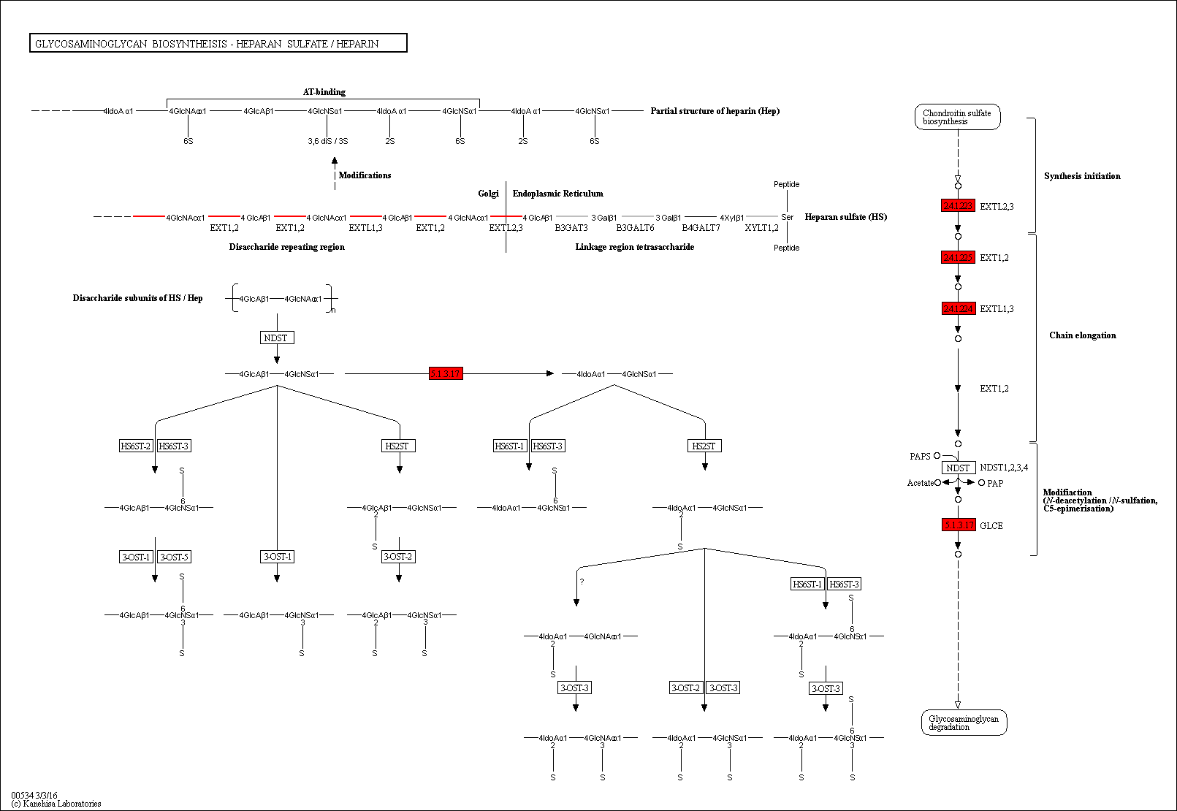
 | 2.4.1.134 | 0 | 0 | 0 | 0 | 0 | 0 | 0 | 0 | 0 | 0 | 0 | 0 | 0 | 0 | 0 | 0 | 0 | 0 | 0 | 0 | 0 | 0 | 0 | 0 | 0 | 0 | 0 | 0 | 0 | 0 | 0 | 0 | 0 | 0 | 0 | 0 | 0 | 0 | 0 | 0 | 0 | 1 | 0 | 0 | 0 | 0 | 0 | 0 | 0 | 0 | 0 | 0 | 0 | 0 | 0 | 0 | 0 | 0 | 0 | 0 | 0 | 0 | 0 | 0 | 0 | 0 | 0 | 0 | 0 | 0 | 0 | 0 | 0 | 0 | 0 | 0 | 0 | 0 | 0 | 0
 | 2.4.1.135 | 1 | 1 | 1 | 1 | 1 | 1 | 1 | 0 | 1 | 0 | 1 | 1 | 3 | 3 | 1 | 2 | 3 | 2 | 3 | 3 | 2 | 2 | 0 | 0 | 1 | 1 | 1 | 1 | 1 | 1 | 1 | 1 | 0 | 1 | 1 | 1 | 1 | 1 | 1 | 1 | 1 | 1 | 1 | 0 | 1 | 0 | 1 | 1 | 0 | 0 | 1 | 0 | 1 | 1 | 0 | 1 | 1 | 1 | 1 | 0 | 0 | 1 | 1 | 1 | 1 | 2 | 1 | 0 | 2 | 1 | 1 | 1 | 0 | 1 | 0 | 1 | 0 | 1 | 0 | 1 | Legend Key:
 | 2.4.1.223 | 0 | 0 | 0 | 0 | 0 | 0 | 0 | 0 | 0 | 0 | 0 | 0 | 0 | 0 | 0 | 0 | 0 | 0 | 0 | 0 | 0 | 0 | 0 | 0 | 1 | 1 | 1 | 1 | 0 | 0 | 0 | 2 | 0 | 0 | 0 | 1 | 1 | 1 | 1 | 1 | 1 | 1 | 1 | 1 | 1 | 0 | 3 | 1 | 0 | 1 | 0 | 0 | 0 | 0 | 0 | 1 | 0 | 0 | 0 | 0 | 0 | 1 | 0 | 1 | 1 | 0 | 1 | 1 | 0 | 1 | 0 | 1 | 0 | 1 | 1 | 1 | 1 | 0 | 1 | 1 |  | EC present in flatworms + nematodes
 | 2.4.1.224 | 0 | 0 | 0 | 0 | 0 | 0 | 0 | 0 | 0 | 0 | 0 | 0 | 0 | 0 | 0 | 0 | 0 | 0 | 0 | 0 | 0 | 0 | 0 | 0 | 0 | 0 | 1 | 1 | 0 | 1 | 1 | 0 | 0 | 0 | 0 | 0 | 0 | 0 | 0 | 0 | 0 | 1 | 0 | 0 | 0 | 0 | 0 | 0 | 0 | 0 | 0 | 0 | 0 | 0 | 0 | 0 | 0 | 0 | 0 | 0 | 0 | 0 | 0 | 0 | 0 | 0 | 0 | 0 | 0 | 0 | 0 | 0 | 0 | 0 | 0 | 0 | 0 | 0 | 0 | 0 |  | EC unique to flatworms
 | 2.4.1.225 | 0 | 0 | 0 | 0 | 0 | 0 | 0 | 0 | 0 | 0 | 0 | 0 | 0 | 0 | 0 | 0 | 0 | 0 | 0 | 0 | 0 | 0 | 0 | 0 | 0 | 0 | 1 | 1 | 0 | 1 | 1 | 0 | 0 | 0 | 0 | 0 | 0 | 0 | 0 | 0 | 0 | 0 | 0 | 0 | 0 | 0 | 0 | 0 | 0 | 0 | 0 | 0 | 0 | 0 | 0 | 0 | 0 | 0 | 0 | 0 | 0 | 0 | 0 | 0 | 0 | 0 | 0 | 0 | 0 | 0 | 0 | 0 | 0 | 0 | 0 | 0 | 0 | 0 | 0 | 0 |  | EC unique to nematodes
 | 2.4.2.26 | 0 | 0 | 0 | 0 | 0 | 0 | 0 | 0 | 0 | 0 | 0 | 0 | 0 | 0 | 0 | 0 | 0 | 0 | 0 | 0 | 0 | 0 | 0 | 0 | 0 | 0 | 0 | 0 | 0 | 0 | 0 | 0 | 0 | 0 | 0 | 0 | 0 | 0 | 0 | 0 | 0 | 1 | 0 | 0 | 0 | 0 | 0 | 0 | 0 | 0 | 0 | 0 | 0 | 0 | 0 | 0 | 0 | 0 | 0 | 0 | 0 | 0 | 0 | 0 | 0 | 0 | 0 | 0 | 0 | 0 | 0 | 0 | 0 | 0 | 0 | 0 | 0 | 0 | 0 | 0
 | 5.1.3.17 | 0 | 0 | 0 | 0 | 0 | 0 | 0 | 0 | 0 | 0 | 0 | 0 | 0 | 0 | 0 | 0 | 0 | 0 | 0 | 0 | 0 | 0 | 0 | 0 | 0 | 0 | 0 | 0 | 0 | 0 | 0 | 0 | 0 | 0 | 0 | 0 | 0 | 0 | 0 | 0 | 0 | 1 | 0 | 0 | 0 | 0 | 0 | 0 | 0 | 0 | 0 | 0 | 0 | 0 | 0 | 0 | 0 | 1 | 0 | 0 | 0 | 0 | 0 | 0 | 0 | 0 | 0 | 0 | 0 | 0 | 0 | 0 | 0 | 0 | 0 | 0 | 0 | 0 | 0 | 0 |  | Gene expansions in most flatworms and nematodes
 |  |  |  |  |  |  |  |  |  |  |  |  |  |  |  |  |  |  |  |  |  |  |  |  |  |  |  |  |  |  |  |  |  |  |  |  |  |  |  |  |  |  |  |  |  |  |  |  |  |  |  |  |  |  |  |  |  |  |  |  |  |  |  |  |  |  |  |  |  |  |  |  |  |  |  |  |  |  |  |  |  |  | Gene expansions in particular clades (flatworms and nematodes)
 |  |  |  |  |  |  |  |  |  |  |  |  |  |  |  |  |  |  |  |  |  |  |  |  |  |  |  |  |  |  |  |  |  |  |  |  |  |  |  |  |  |  |  |  |  |  |  |  |  |  |  |  |  |  |  |  |  |  |  |  |  |  |  |  |  |  |  |  |  |  |  |  |  |  |  |  |  |  |  |  |  |  | Gene expansions in clades of nematodes
 |  |  |  |  |  |  |  |  |  |  |  |  |  |  |  |  |  |  |  |  |  |  |  |  |  |  |  |  |  |  |  |  |  |  |  |  |  |  |  |  |  |  |  |  |  |  |  |  |  |  |  |  |  |  |  |  |  |  |  |  |  |  |  |  |  |  |  |  |  |  |  |  |  |  |  |  |  |  |  |  |  |  | Gene expansions in clades of flatworms

 |  |  |  |  |  |  |  |  |  |  |  |  |  |  |  |  |  |  |  |  |  |  |  |  |  |  |  |  |  |  |  |  |  |  |  |  |  |  |  |  |  |  |  |  |  |  |  |  |  |  |  |  |  |  |  |  |  |  |  |  |  |  |  |  |  |  |  |  |  |  |  |  |  |  |  |  |  |  |  |  |  |  | Gene absent
 |  |  |  |  |  |  |  |  |  |  |  |  |  |  |  |  |  |  |  |  |  |  |  |  |  |  |  |  |  |  |  |  |  |  |  |  |  |  |  |  |  |  |  |  |  |  |  |  |  |  |  |  |  |  |  |  |  |  |  |  |  |  |  |  |  |  |  |  |  |  |  |  |  |  |  |  |  |  |  |  |  |  | 1 copy of gene present
 |  |  |  |  |  |  |  |  |  |  |  |  |  |  |  |  |  |  |  |  |  |  |  |  |  |  |  |  |  |  |  |  |  |  |  |  |  |  |  |  |  |  |  |  |  |  |  |  |  |  |  |  |  |  |  |  |  |  |  |  |  |  |  |  |  |  |  |  |  |  |  |  |  |  |  |  |  |  |  |  |  |  | >=2 copies of gene present
 |  |  |  |  |  |  |  |  |  |  |  |  |  |  |  |  |  |  |  |  |  |  |  |  |  |  |  |  |  |  |  |  |  |  |  |  |  |  |  |  |  |  |  |  |  |  |  |  |  |  |  |  |  |  |  |  |  |  |  |  |  |  |  |  |  |  |  |  |  |  |  |  |  |  |  |  |  |  |  |  |  |  | High copy number of genes

m
Supplementary Table 20m: Retinol Metabolism
EC predictions from hole-filling were not used for this analysis. Below we show the KEGG map with enzymes found in nematodes and not platyhelminths, or vice versa (see key on far right of spreadsheet) highlighted, as well as expansions (high gene counts). The heatmap on the right gives gene counts per species.
 |  |  |  |  |  |  |  | Flatworms |  |  |  |  |  |  |  |  |  |  |  |  |  |  |  |  |  |  |  |  |  |  |  |  |  |  |  |  |  |  |  |  |  |  |  |  |  |  |  |  | Nematodes
 | Clade | Trematoda | Trematoda | Trematoda | Trematoda | Trematoda | Trematoda | Trematoda | Trematoda | Trematoda | Trematoda | Trematoda | Cestoda | Cestoda | Cestoda | Cestoda | Cestoda | Cestoda | Cestoda | Cestoda | Cestoda | Cestoda | Cestoda | Cestoda | Flatworms-Other | Clade-I | Clade-I | Clade-I | Clade-I | Clade-I | Clade-I | Clade-I | Clade-IV~IVb | Clade-IV~IVb | Clade-IV~IVb | Clade-IV~IVb | Clade-IV~IVa | Clade-IV~IVa | Clade-IV~IVa | Clade-IV~IVa | Clade-IV~IVa | Clade-IV~IVa | Clade-V~Freeliving | Clade-V~Freeliving | Clade-V~Lungworm | Clade-V~Lungworm | Clade-V~Lungworm | Clade-V~Strongylida-other | Clade-V~Strongylida-other | Clade-V~Strongylida-other | Clade-V~Strongylida-other | Clade-V~Strongylida-other | Clade-V~Ancy+Strongylidae | Clade-V~Ancy+Strongylidae | Clade-V~Ancy+Strongylidae | Clade-V~Ancy+Strongylidae | Clade-V~Ancy+Strongylidae | Clade-V~Ancy+Strongylidae | Clade-V~Ancy+Strongylidae | Clade-III~Ascaridomorpha | Clade-III~Ascaridomorpha | Clade-III~Ascaridomorpha | Clade-III~Ascaridomorpha | Clade-III~Ascaridomorpha | Clade-III~Spiruromorpha+other | Clade-III~Spiruromorpha+other | Clade-III~Spiruromorpha+other | Clade-III~Spiruromorpha+other | Clade-III~Spiruromorpha+other | Clade-III~Spiruromorpha+other | Clade-III~Spiruromorpha+other | Clade-III~Spiruromorpha+other | Clade-III~Spiruromorpha+other | Clade-III~Spiruromorpha+other | Clade-III~Spiruromorpha+other | Clade-III~Spiruromorpha+other | Clade-III~Spiruromorpha+other | Clade-III~Spiruromorpha+other | Clade-III~Spiruromorpha+other | Clade-III~Oxyuridomorpha | Clade-III~Oxyurida
 | Species | S. haematobium | S. curassoni | S. mattheei | S. margrebowiei | S. mansoni | S. rodhaini | S. japonicum | T. regenti | C. sinensis | E. caproni | F. hepatica | D. latus | E. multilocularis | E. granulosus | T. asiatica | T. solium | H. taeniaeformis | H. diminuta | H. microstoma | H. nana | M. corti | S. solidus | S. erinaceieuropaei | P. xenopodis | R. culicivorax | S. baturini | T. spiralis | T. nativa | T. muris | T. suis | T. trichiura | G. pallida | M. hapla | P. redivivus | B. xylophilus | R. sp | P. trichosuri | S. ratti | S. stercoralis | S. venezuelensis | S. papillosus | C. elegans | P. pacificus | A. cantonensis | A. costaricensis | D. viviparus | H. contortus | H. placei | T. circumcincta | H. bakeri | N. brasiliensis | S. vulgaris | C. goldi | O. dentatum | N. americanus | A. ceylanicum | A. duodenale | A. caninum | A. lumbricoides | P. equorum | A. suum | T. canis | A. simplex | D. medinensis | B. pahangi | B. timori | B. malayi | W. bancrofti | L. loa | E. elaphi | L. sigmodontis | A. viteae | O. flexuosa | O. ochengi | O. volvulus | D. immitis | T. callipaeda | G. pulchrum | E. vermicularis | S. muris

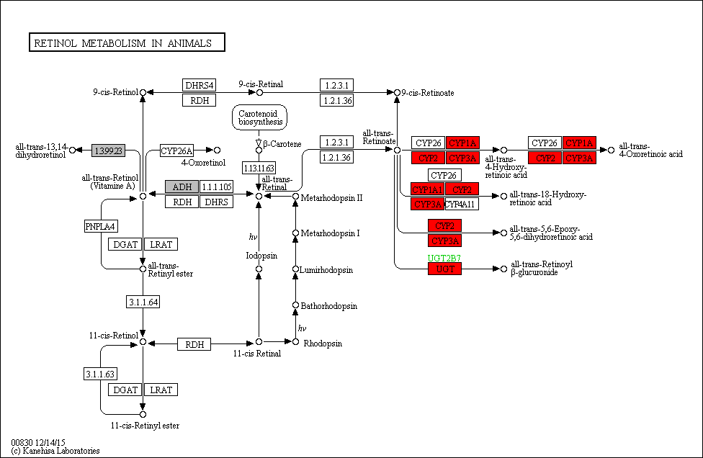

 | 1.3.99.23 | 0 | 0 | 0 | 0 | 0 | 0 | 0 | 0 | 0 | 0 | 0 | 0 | 0 | 0 | 0 | 0 | 0 | 0 | 0 | 0 | 0 | 0 | 0 | 0 | 0 | 0 | 0 | 0 | 0 | 0 | 0 | 0 | 0 | 0 | 0 | 0 | 0 | 0 | 0 | 0 | 0 | 0 | 0 | 0 | 0 | 0 | 0 | 0 | 0 | 0 | 0 | 0 | 0 | 0 | 0 | 0 | 0 | 0 | 0 | 0 | 0 | 0 | 0 | 0 | 0 | 0 | 0 | 0 | 1 | 0 | 0 | 0 | 0 | 0 | 0 | 0 | 0 | 0 | 0 | 0 | Legend Key:
 | 1.1.1.1 | 1 | 1 | 1 | 1 | 1 | 1 | 1 | 2 | 2 | 1 | 1 | 1 | 0 | 0 | 0 | 0 | 0 | 0 | 0 | 0 | 0 | 1 | 1 | 1 | 2 | 1 | 2 | 2 | 1 | 0 | 1 | 6 | 1 | 8 | 10 | 1 | 1 | 1 | 1 | 0 | 1 | 5 | 1 | 1 | 1 | 1 | 1 | 1 | 2 | 1 | 1 | 1 | 1 | 2 | 1 | 1 | 2 | 1 | 1 | 0 | 1 | 1 | 2 | 1 | 1 | 1 | 3 | 1 | 2 | 1 | 1 | 1 | 1 | 1 | 1 | 1 | 1 | 0 | 1 | 1 |  | EC present in flatworms + nematodes
 | 1.14.14.1 | 0 | 0 | 1 | 0 | 0 | 0 | 0 | 0 | 0 | 0 | 0 | 0 | 0 | 0 | 0 | 0 | 0 | 0 | 0 | 0 | 0 | 0 | 0 | 0 | 7 | 2 | 2 | 4 | 5 | 4 | 6 | 20 | 12 | 44 | 50 | 38 | 26 | 18 | 24 | 41 | 37 | 70 | 102 | 8 | 10 | 8 | 19 | 20 | 21 | 13 | 24 | 4 | 3 | 21 | 7 | 19 | 19 | 33 | 11 | 2 | 10 | 13 | 6 | 6 | 4 | 3 | 3 | 4 | 3 | 6 | 2 | 5 | 3 | 3 | 3 | 3 | 4 | 1 | 7 | 4 |  | EC unique to flatworms
 | 2.4.1.17 | 0 | 0 | 0 | 0 | 0 | 0 | 0 | 0 | 0 | 0 | 0 | 0 | 0 | 0 | 0 | 0 | 0 | 0 | 0 | 0 | 0 | 0 | 0 | 0 | 11 | 7 | 3 | 4 | 5 | 10 | 12 | 13 | 13 | 64 | 42 | 44 | 52 | 35 | 36 | 68 | 72 | 71 | 100 | 8 | 10 | 11 | 44 | 26 | 23 | 20 | 22 | 25 | 6 | 73 | 25 | 36 | 31 | 46 | 26 | 6 | 22 | 25 | 12 | 6 | 1 | 1 | 0 | 1 | 3 | 3 | 2 | 2 | 0 | 0 | 0 | 2 | 5 | 16 | 19 | 9 |  | EC unique to nematodes

 |  |  |  |  |  |  |  |  |  |  |  |  |  |  |  |  |  |  |  |  |  |  |  |  |  |  |  |  |  |  |  |  |  |  |  |  |  |  |  |  |  |  |  |  |  |  |  |  |  |  |  |  |  |  |  |  |  |  |  |  |  |  |  |  |  |  |  |  |  |  |  |  |  |  |  |  |  |  |  |  |  |  | Gene expansions in most flatworms and nematodes
 |  |  |  |  |  |  |  |  |  |  |  |  |  |  |  |  |  |  |  |  |  |  |  |  |  |  |  |  |  |  |  |  |  |  |  |  |  |  |  |  |  |  |  |  |  |  |  |  |  |  |  |  |  |  |  |  |  |  |  |  |  |  |  |  |  |  |  |  |  |  |  |  |  |  |  |  |  |  |  |  |  |  | Gene expansions in particular clades (flatworms and nematodes)
 |  |  |  |  |  |  |  |  |  |  |  |  |  |  |  |  |  |  |  |  |  |  |  |  |  |  |  |  |  |  |  |  |  |  |  |  |  |  |  |  |  |  |  |  |  |  |  |  |  |  |  |  |  |  |  |  |  |  |  |  |  |  |  |  |  |  |  |  |  |  |  |  |  |  |  |  |  |  |  |  |  |  | Gene expansions in clades of nematodes
 |  |  |  |  |  |  |  |  |  |  |  |  |  |  |  |  |  |  |  |  |  |  |  |  |  |  |  |  |  |  |  |  |  |  |  |  |  |  |  |  |  |  |  |  |  |  |  |  |  |  |  |  |  |  |  |  |  |  |  |  |  |  |  |  |  |  |  |  |  |  |  |  |  |  |  |  |  |  |  |  |  |  | Gene expansions in clades of flatworms

 |  |  |  |  |  |  |  |  |  |  |  |  |  |  |  |  |  |  |  |  |  |  |  |  |  |  |  |  |  |  |  |  |  |  |  |  |  |  |  |  |  |  |  |  |  |  |  |  |  |  |  |  |  |  |  |  |  |  |  |  |  |  |  |  |  |  |  |  |  |  |  |  |  |  |  |  |  |  |  |  |  |  | Gene absent
 |  |  |  |  |  |  |  |  |  |  |  |  |  |  |  |  |  |  |  |  |  |  |  |  |  |  |  |  |  |  |  |  |  |  |  |  |  |  |  |  |  |  |  |  |  |  |  |  |  |  |  |  |  |  |  |  |  |  |  |  |  |  |  |  |  |  |  |  |  |  |  |  |  |  |  |  |  |  |  |  |  |  | 1 copy of gene present
 |  |  |  |  |  |  |  |  |  |  |  |  |  |  |  |  |  |  |  |  |  |  |  |  |  |  |  |  |  |  |  |  |  |  |  |  |  |  |  |  |  |  |  |  |  |  |  |  |  |  |  |  |  |  |  |  |  |  |  |  |  |  |  |  |  |  |  |  |  |  |  |  |  |  |  |  |  |  |  |  |  |  | >=2 copies of gene present
 |  |  |  |  |  |  |  |  |  |  |  |  |  |  |  |  |  |  |  |  |  |  |  |  |  |  |  |  |  |  |  |  |  |  |  |  |  |  |  |  |  |  |  |  |  |  |  |  |  |  |  |  |  |  |  |  |  |  |  |  |  |  |  |  |  |  |  |  |  |  |  |  |  |  |  |  |  |  |  |  |  |  | High copy number of genes

n
Supplementary Table 20n: Starch and Sucrose Metabolism
EC predictions from hole-filling were not used for this analysis. Below we show the KEGG map with enzymes found in nematodes and not platyhelminths, or vice versa (see key on far right of spreadsheet) highlighted, as well as expansions (high gene counts). The heatmap on the right gives gene counts per species.
 |  |  |  |  |  |  |  | Flatworms |  |  |  |  |  |  |  |  |  |  |  |  |  |  |  |  |  |  |  |  |  |  |  |  |  |  |  |  |  |  |  |  |  |  |  |  |  |  |  |  | Nematodes
 | Clade | Trematoda | Trematoda | Trematoda | Trematoda | Trematoda | Trematoda | Trematoda | Trematoda | Trematoda | Trematoda | Trematoda | Cestoda | Cestoda | Cestoda | Cestoda | Cestoda | Cestoda | Cestoda | Cestoda | Cestoda | Cestoda | Cestoda | Cestoda | Flatworms-Other | Clade-I | Clade-I | Clade-I | Clade-I | Clade-I | Clade-I | Clade-I | Clade-IV~IVb | Clade-IV~IVb | Clade-IV~IVb | Clade-IV~IVb | Clade-IV~IVa | Clade-IV~IVa | Clade-IV~IVa | Clade-IV~IVa | Clade-IV~IVa | Clade-IV~IVa | Clade-V~Freeliving | Clade-V~Freeliving | Clade-V~Lungworm | Clade-V~Lungworm | Clade-V~Lungworm | Clade-V~Strongylida-other | Clade-V~Strongylida-other | Clade-V~Strongylida-other | Clade-V~Strongylida-other | Clade-V~Strongylida-other | Clade-V~Ancy+Strongylidae | Clade-V~Ancy+Strongylidae | Clade-V~Ancy+Strongylidae | Clade-V~Ancy+Strongylidae | Clade-V~Ancy+Strongylidae | Clade-V~Ancy+Strongylidae | Clade-V~Ancy+Strongylidae | Clade-III~Ascaridomorpha | Clade-III~Ascaridomorpha | Clade-III~Ascaridomorpha | Clade-III~Ascaridomorpha | Clade-III~Ascaridomorpha | Clade-III~Spiruromorpha+other | Clade-III~Spiruromorpha+other | Clade-III~Spiruromorpha+other | Clade-III~Spiruromorpha+other | Clade-III~Spiruromorpha+other | Clade-III~Spiruromorpha+other | Clade-III~Spiruromorpha+other | Clade-III~Spiruromorpha+other | Clade-III~Spiruromorpha+other | Clade-III~Spiruromorpha+other | Clade-III~Spiruromorpha+other | Clade-III~Spiruromorpha+other | Clade-III~Spiruromorpha+other | Clade-III~Spiruromorpha+other | Clade-III~Spiruromorpha+other | Clade-III~Oxyuridomorpha | Clade-III~Oxyurida
 | Species | S. haematobium | S. curassoni | S. mattheei | S. margrebowiei | S. mansoni | S. rodhaini | S. japonicum | T. regenti | C. sinensis | E. caproni | F. hepatica | D. latus | E. multilocularis | E. granulosus | T. asiatica | T. solium | H. taeniaeformis | H. diminuta | H. microstoma | H. nana | M. corti | S. solidus | S. erinaceieuropaei | P. xenopodis | R. culicivorax | S. baturini | T. spiralis | T. nativa | T. muris | T. suis | T. trichiura | G. pallida | M. hapla | P. redivivus | B. xylophilus | R. sp | P. trichosuri | S. ratti | S. stercoralis | S. venezuelensis | S. papillosus | C. elegans | P. pacificus | A. cantonensis | A. costaricensis | D. viviparus | H. contortus | H. placei | T. circumcincta | H. bakeri | N. brasiliensis | S. vulgaris | C. goldi | O. dentatum | N. americanus | A. ceylanicum | A. duodenale | A. caninum | A. lumbricoides | P. equorum | A. suum | T. canis | A. simplex | D. medinensis | B. pahangi | B. timori | B. malayi | W. bancrofti | L. loa | E. elaphi | L. sigmodontis | A. viteae | O. flexuosa | O. ochengi | O. volvulus | D. immitis | T. callipaeda | G. pulchrum | E. vermicularis | S. muris

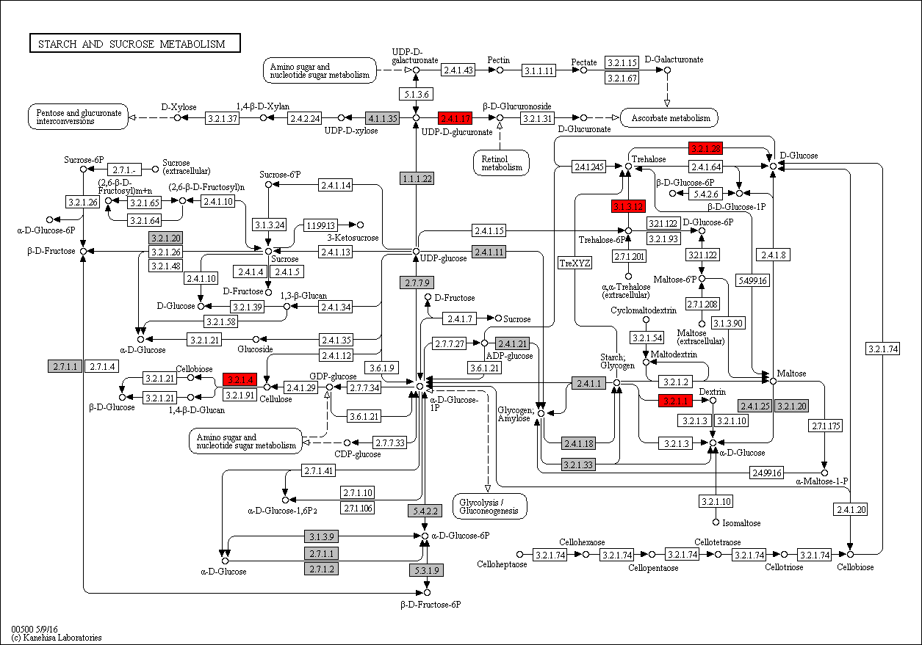
 | 3.2.1.28 | 0 | 0 | 0 | 0 | 0 | 0 | 0 | 0 | 0 | 0 | 0 | 0 | 0 | 0 | 0 | 0 | 0 | 0 | 0 | 0 | 0 | 0 | 0 | 0 | 5 | 3 | 4 | 3 | 3 | 4 | 3 | 6 | 4 | 8 | 3 | 3 | 3 | 3 | 3 | 3 | 3 | 5 | 5 | 4 | 4 | 5 | 4 | 4 | 3 | 4 | 4 | 3 | 0 | 4 | 3 | 2 | 3 | 4 | 7 | 1 | 7 | 9 | 7 | 6 | 7 | 5 | 9 | 7 | 12 | 7 | 7 | 8 | 3 | 7 | 9 | 7 | 8 | 2 | 4 | 5 | Legend Key:
 | 2.4.1.17 | 0 | 0 | 0 | 0 | 0 | 0 | 0 | 0 | 0 | 0 | 0 | 0 | 0 | 0 | 0 | 0 | 0 | 0 | 0 | 0 | 0 | 0 | 0 | 0 | 11 | 7 | 3 | 4 | 5 | 10 | 12 | 13 | 13 | 64 | 42 | 44 | 52 | 35 | 36 | 68 | 72 | 71 | 100 | 8 | 10 | 11 | 44 | 26 | 23 | 20 | 22 | 25 | 6 | 73 | 25 | 36 | 31 | 46 | 26 | 6 | 22 | 25 | 12 | 6 | 1 | 1 | 0 | 1 | 3 | 3 | 2 | 2 | 0 | 0 | 0 | 2 | 5 | 16 | 19 | 9 |  | EC present in flatworms + nematodes
 | 3.1.3.12 | 0 | 0 | 0 | 0 | 0 | 0 | 0 | 0 | 0 | 0 | 0 | 0 | 0 | 0 | 0 | 0 | 0 | 0 | 0 | 0 | 0 | 0 | 0 | 0 | 0 | 0 | 0 | 0 | 0 | 0 | 0 | 0 | 0 | 0 | 0 | 0 | 0 | 0 | 0 | 0 | 0 | 1 | 0 | 0 | 0 | 0 | 0 | 0 | 0 | 0 | 0 | 0 | 0 | 0 | 0 | 0 | 0 | 0 | 0 | 0 | 0 | 0 | 0 | 0 | 0 | 0 | 1 | 0 | 0 | 0 | 0 | 0 | 0 | 0 | 0 | 0 | 0 | 0 | 0 | 0 |  | EC unique to flatworms
 | 3.2.1.4 | 0 | 0 | 0 | 0 | 0 | 0 | 0 | 0 | 0 | 0 | 0 | 0 | 0 | 0 | 0 | 0 | 0 | 0 | 0 | 0 | 0 | 0 | 0 | 0 | 0 | 0 | 0 | 0 | 0 | 0 | 0 | 3 | 1 | 0 | 0 | 0 | 0 | 0 | 0 | 0 | 0 | 0 | 0 | 0 | 0 | 0 | 0 | 0 | 0 | 0 | 0 | 0 | 0 | 0 | 0 | 0 | 0 | 0 | 0 | 0 | 0 | 0 | 0 | 0 | 0 | 0 | 0 | 0 | 0 | 0 | 0 | 0 | 0 | 0 | 0 | 0 | 0 | 0 | 0 | 0 |  | EC unique to nematodes

 |  |  |  |  |  |  |  |  |  |  |  |  |  |  |  |  |  |  |  |  |  |  |  |  |  |  |  |  |  |  |  |  |  |  |  |  |  |  |  |  |  |  |  |  |  |  |  |  |  |  |  |  |  |  |  |  |  |  |  |  |  |  |  |  |  |  |  |  |  |  |  |  |  |  |  |  |  |  |  |  |  |  | Gene expansions in most flatworms and nematodes
 |  |  |  |  |  |  |  |  |  |  |  |  |  |  |  |  |  |  |  |  |  |  |  |  |  |  |  |  |  |  |  |  |  |  |  |  |  |  |  |  |  |  |  |  |  |  |  |  |  |  |  |  |  |  |  |  |  |  |  |  |  |  |  |  |  |  |  |  |  |  |  |  |  |  |  |  |  |  |  |  |  |  | Gene expansions in particular clades (flatworms and nematodes)
 |  |  |  |  |  |  |  |  |  |  |  |  |  |  |  |  |  |  |  |  |  |  |  |  |  |  |  |  |  |  |  |  |  |  |  |  |  |  |  |  |  |  |  |  |  |  |  |  |  |  |  |  |  |  |  |  |  |  |  |  |  |  |  |  |  |  |  |  |  |  |  |  |  |  |  |  |  |  |  |  |  |  | Gene expansions in clades of nematodes
 |  |  |  |  |  |  |  |  |  |  |  |  |  |  |  |  |  |  |  |  |  |  |  |  |  |  |  |  |  |  |  |  |  |  |  |  |  |  |  |  |  |  |  |  |  |  |  |  |  |  |  |  |  |  |  |  |  |  |  |  |  |  |  |  |  |  |  |  |  |  |  |  |  |  |  |  |  |  |  |  |  |  | Gene expansions in clades of flatworms

 |  |  |  |  |  |  |  |  |  |  |  |  |  |  |  |  |  |  |  |  |  |  |  |  |  |  |  |  |  |  |  |  |  |  |  |  |  |  |  |  |  |  |  |  |  |  |  |  |  |  |  |  |  |  |  |  |  |  |  |  |  |  |  |  |  |  |  |  |  |  |  |  |  |  |  |  |  |  |  |  |  |  | Gene absent
 |  |  |  |  |  |  |  |  |  |  |  |  |  |  |  |  |  |  |  |  |  |  |  |  |  |  |  |  |  |  |  |  |  |  |  |  |  |  |  |  |  |  |  |  |  |  |  |  |  |  |  |  |  |  |  |  |  |  |  |  |  |  |  |  |  |  |  |  |  |  |  |  |  |  |  |  |  |  |  |  |  |  | 1 copy of gene present
 |  |  |  |  |  |  |  |  |  |  |  |  |  |  |  |  |  |  |  |  |  |  |  |  |  |  |  |  |  |  |  |  |  |  |  |  |  |  |  |  |  |  |  |  |  |  |  |  |  |  |  |  |  |  |  |  |  |  |  |  |  |  |  |  |  |  |  |  |  |  |  |  |  |  |  |  |  |  |  |  |  |  | >=2 copies of gene present
 |  |  |  |  |  |  |  |  |  |  |  |  |  |  |  |  |  |  |  |  |  |  |  |  |  |  |  |  |  |  |  |  |  |  |  |  |  |  |  |  |  |  |  |  |  |  |  |  |  |  |  |  |  |  |  |  |  |  |  |  |  |  |  |  |  |  |  |  |  |  |  |  |  |  |  |  |  |  |  |  |  |  | High copy number of genes

o
Supplementary Table 20o: Ether Lipid Metabolism
EC predictions from hole-filling were not used for this analysis. Below we show the KEGG map with enzymes found in nematodes and not platyhelminths, or vice versa (see key on far right of spreadsheet) highlighted, as well as expansions (high gene counts). The heatmap on the right gives gene counts per species.
 |  |  |  |  |  |  |  | Flatworms |  |  |  |  |  |  |  |  |  |  |  |  |  |  |  |  |  |  |  |  |  |  |  |  |  |  |  |  |  |  |  |  |  |  |  |  |  |  |  |  | Nematodes
 | Clade | Trematoda | Trematoda | Trematoda | Trematoda | Trematoda | Trematoda | Trematoda | Trematoda | Trematoda | Trematoda | Trematoda | Cestoda | Cestoda | Cestoda | Cestoda | Cestoda | Cestoda | Cestoda | Cestoda | Cestoda | Cestoda | Cestoda | Cestoda | Flatworms-Other | Clade-I | Clade-I | Clade-I | Clade-I | Clade-I | Clade-I | Clade-I | Clade-IV~IVb | Clade-IV~IVb | Clade-IV~IVb | Clade-IV~IVb | Clade-IV~IVa | Clade-IV~IVa | Clade-IV~IVa | Clade-IV~IVa | Clade-IV~IVa | Clade-IV~IVa | Clade-V~Freeliving | Clade-V~Freeliving | Clade-V~Lungworm | Clade-V~Lungworm | Clade-V~Lungworm | Clade-V~Strongylida-other | Clade-V~Strongylida-other | Clade-V~Strongylida-other | Clade-V~Strongylida-other | Clade-V~Strongylida-other | Clade-V~Ancy+Strongylidae | Clade-V~Ancy+Strongylidae | Clade-V~Ancy+Strongylidae | Clade-V~Ancy+Strongylidae | Clade-V~Ancy+Strongylidae | Clade-V~Ancy+Strongylidae | Clade-V~Ancy+Strongylidae | Clade-III~Ascaridomorpha | Clade-III~Ascaridomorpha | Clade-III~Ascaridomorpha | Clade-III~Ascaridomorpha | Clade-III~Ascaridomorpha | Clade-III~Spiruromorpha+other | Clade-III~Spiruromorpha+other | Clade-III~Spiruromorpha+other | Clade-III~Spiruromorpha+other | Clade-III~Spiruromorpha+other | Clade-III~Spiruromorpha+other | Clade-III~Spiruromorpha+other | Clade-III~Spiruromorpha+other | Clade-III~Spiruromorpha+other | Clade-III~Spiruromorpha+other | Clade-III~Spiruromorpha+other | Clade-III~Spiruromorpha+other | Clade-III~Spiruromorpha+other | Clade-III~Spiruromorpha+other | Clade-III~Spiruromorpha+other | Clade-III~Oxyuridomorpha | Clade-III~Oxyurida
 | Species | S. haematobium | S. curassoni | S. mattheei | S. margrebowiei | S. mansoni | S. rodhaini | S. japonicum | T. regenti | C. sinensis | E. caproni | F. hepatica | D. latus | E. multilocularis | E. granulosus | T. asiatica | T. solium | H. taeniaeformis | H. diminuta | H. microstoma | H. nana | M. corti | S. solidus | S. erinaceieuropaei | P. xenopodis | R. culicivorax | S. baturini | T. spiralis | T. nativa | T. muris | T. suis | T. trichiura | G. pallida | M. hapla | P. redivivus | B. xylophilus | R. sp | P. trichosuri | S. ratti | S. stercoralis | S. venezuelensis | S. papillosus | C. elegans | P. pacificus | A. cantonensis | A. costaricensis | D. viviparus | H. contortus | H. placei | T. circumcincta | H. bakeri | N. brasiliensis | S. vulgaris | C. goldi | O. dentatum | N. americanus | A. ceylanicum | A. duodenale | A. caninum | A. lumbricoides | P. equorum | A. suum | T. canis | A. simplex | D. medinensis | B. pahangi | B. timori | B. malayi | W. bancrofti | L. loa | E. elaphi | L. sigmodontis | A. viteae | O. flexuosa | O. ochengi | O. volvulus | D. immitis | T. callipaeda | G. pulchrum | E. vermicularis | S. muris

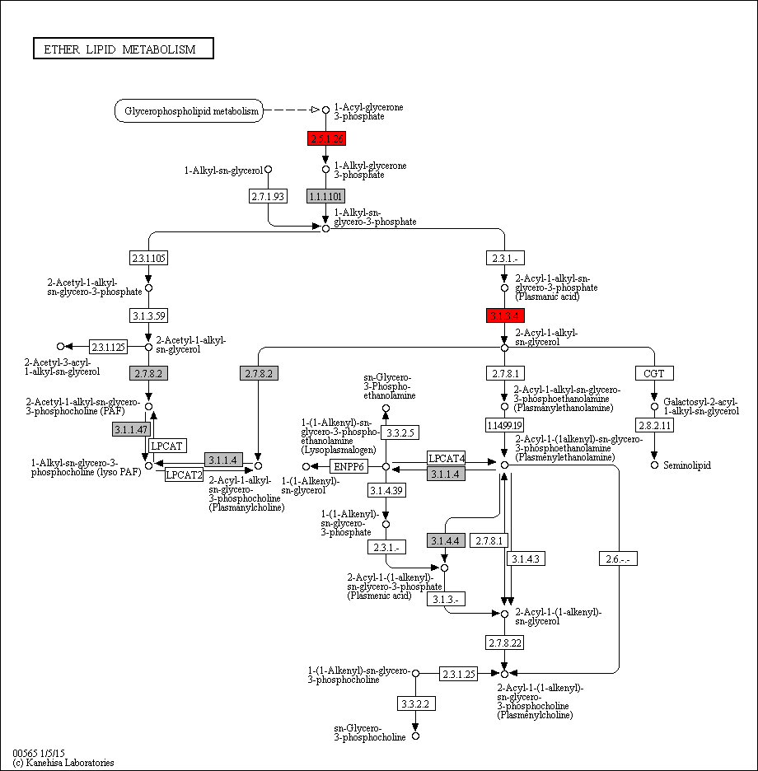
 | 2.5.1.26 | 0 | 0 | 0 | 0 | 0 | 0 | 0 | 0 | 0 | 0 | 0 | 0 | 0 | 0 | 0 | 0 | 0 | 0 | 0 | 0 | 0 | 0 | 0 | 0 | 0 | 0 | 0 | 0 | 0 | 0 | 0 | 0 | 0 | 1 | 1 | 1 | 1 | 1 | 1 | 1 | 1 | 1 | 1 | 0 | 1 | 1 | 2 | 1 | 0 | 0 | 1 | 0 | 0 | 0 | 1 | 0 | 0 | 1 | 0 | 0 | 0 | 0 | 0 | 0 | 1 | 1 | 1 | 0 | 1 | 1 | 1 | 0 | 0 | 1 | 1 | 1 | 0 | 0 | 1 | 1 | Legend Key:
 | 3.1.3.4 | 0 | 0 | 0 | 0 | 0 | 0 | 0 | 0 | 0 | 0 | 0 | 0 | 0 | 0 | 0 | 0 | 0 | 0 | 0 | 0 | 0 | 0 | 0 | 0 | 1 | 1 | 1 | 1 | 1 | 2 | 1 | 0 | 1 | 2 | 1 | 1 | 2 | 2 | 2 | 2 | 2 | 1 | 0 | 1 | 1 | 1 | 1 | 1 | 0 | 1 | 0 | 0 | 0 | 1 | 0 | 1 | 1 | 1 | 0 | 0 | 0 | 2 | 0 | 0 | 1 | 0 | 0 | 1 | 0 | 1 | 1 | 1 | 0 | 1 | 1 | 1 | 1 | 0 | 1 | 1 |  | EC present in flatworms + nematodes
 |  |  |  |  |  |  |  |  |  |  |  |  |  |  |  |  |  |  |  |  |  |  |  |  |  |  |  |  |  |  |  |  |  |  |  |  |  |  |  |  |  |  |  |  |  |  |  |  |  |  |  |  |  |  |  |  |  |  |  |  |  |  |  |  |  |  |  |  |  |  |  |  |  |  |  |  |  |  |  |  |  |  | EC unique to flatworms
 |  |  |  |  |  |  |  |  |  |  |  |  |  |  |  |  |  |  |  |  |  |  |  |  |  |  |  |  |  |  |  |  |  |  |  |  |  |  |  |  |  |  |  |  |  |  |  |  |  |  |  |  |  |  |  |  |  |  |  |  |  |  |  |  |  |  |  |  |  |  |  |  |  |  |  |  |  |  |  |  |  |  | EC unique to nematodes

 |  |  |  |  |  |  |  |  |  |  |  |  |  |  |  |  |  |  |  |  |  |  |  |  |  |  |  |  |  |  |  |  |  |  |  |  |  |  |  |  |  |  |  |  |  |  |  |  |  |  |  |  |  |  |  |  |  |  |  |  |  |  |  |  |  |  |  |  |  |  |  |  |  |  |  |  |  |  |  |  |  |  | Gene expansions in most flatworms and nematodes
 |  |  |  |  |  |  |  |  |  |  |  |  |  |  |  |  |  |  |  |  |  |  |  |  |  |  |  |  |  |  |  |  |  |  |  |  |  |  |  |  |  |  |  |  |  |  |  |  |  |  |  |  |  |  |  |  |  |  |  |  |  |  |  |  |  |  |  |  |  |  |  |  |  |  |  |  |  |  |  |  |  |  | Gene expansions in particular clades (flatworms and nematodes)
 |  |  |  |  |  |  |  |  |  |  |  |  |  |  |  |  |  |  |  |  |  |  |  |  |  |  |  |  |  |  |  |  |  |  |  |  |  |  |  |  |  |  |  |  |  |  |  |  |  |  |  |  |  |  |  |  |  |  |  |  |  |  |  |  |  |  |  |  |  |  |  |  |  |  |  |  |  |  |  |  |  |  | Gene expansions in clades of nematodes
 |  |  |  |  |  |  |  |  |  |  |  |  |  |  |  |  |  |  |  |  |  |  |  |  |  |  |  |  |  |  |  |  |  |  |  |  |  |  |  |  |  |  |  |  |  |  |  |  |  |  |  |  |  |  |  |  |  |  |  |  |  |  |  |  |  |  |  |  |  |  |  |  |  |  |  |  |  |  |  |  |  |  | Gene expansions in clades of flatworms

 |  |  |  |  |  |  |  |  |  |  |  |  |  |  |  |  |  |  |  |  |  |  |  |  |  |  |  |  |  |  |  |  |  |  |  |  |  |  |  |  |  |  |  |  |  |  |  |  |  |  |  |  |  |  |  |  |  |  |  |  |  |  |  |  |  |  |  |  |  |  |  |  |  |  |  |  |  |  |  |  |  |  | Gene absent
 |  |  |  |  |  |  |  |  |  |  |  |  |  |  |  |  |  |  |  |  |  |  |  |  |  |  |  |  |  |  |  |  |  |  |  |  |  |  |  |  |  |  |  |  |  |  |  |  |  |  |  |  |  |  |  |  |  |  |  |  |  |  |  |  |  |  |  |  |  |  |  |  |  |  |  |  |  |  |  |  |  |  | 1 copy of gene present
 |  |  |  |  |  |  |  |  |  |  |  |  |  |  |  |  |  |  |  |  |  |  |  |  |  |  |  |  |  |  |  |  |  |  |  |  |  |  |  |  |  |  |  |  |  |  |  |  |  |  |  |  |  |  |  |  |  |  |  |  |  |  |  |  |  |  |  |  |  |  |  |  |  |  |  |  |  |  |  |  |  |  | >=2 copies of gene present
 |  |  |  |  |  |  |  |  |  |  |  |  |  |  |  |  |  |  |  |  |  |  |  |  |  |  |  |  |  |  |  |  |  |  |  |  |  |  |  |  |  |  |  |  |  |  |  |  |  |  |  |  |  |  |  |  |  |  |  |  |  |  |  |  |  |  |  |  |  |  |  |  |  |  |  |  |  |  |  |  |  |  | High copy number of genes

p
Supplementary Table 20p: Purine Metabolism
EC predictions from hole-filling were not used for this analysis. Below we show the KEGG map with enzymes found in nematodes and not platyhelminths, or vice versa (see key on far right of spreadsheet) highlighted, as well as expansions (high gene counts). The heatmap on the right gives gene counts per species.
 |  |  |  |  |  |  |  | Flatworms |  |  |  |  |  |  |  |  |  |  |  |  |  |  |  |  |  |  |  |  |  |  |  |  |  |  |  |  |  |  |  |  |  |  |  |  |  |  |  |  | Nematodes
 | Clade | Trematoda | Trematoda | Trematoda | Trematoda | Trematoda | Trematoda | Trematoda | Trematoda | Trematoda | Trematoda | Trematoda | Cestoda | Cestoda | Cestoda | Cestoda | Cestoda | Cestoda | Cestoda | Cestoda | Cestoda | Cestoda | Cestoda | Cestoda | Flatworms-Other | Clade-I | Clade-I | Clade-I | Clade-I | Clade-I | Clade-I | Clade-I | Clade-IV~IVb | Clade-IV~IVb | Clade-IV~IVb | Clade-IV~IVb | Clade-IV~IVa | Clade-IV~IVa | Clade-IV~IVa | Clade-IV~IVa | Clade-IV~IVa | Clade-IV~IVa | Clade-V~Freeliving | Clade-V~Freeliving | Clade-V~Lungworm | Clade-V~Lungworm | Clade-V~Lungworm | Clade-V~Strongylida-other | Clade-V~Strongylida-other | Clade-V~Strongylida-other | Clade-V~Strongylida-other | Clade-V~Strongylida-other | Clade-V~Ancy+Strongylidae | Clade-V~Ancy+Strongylidae | Clade-V~Ancy+Strongylidae | Clade-V~Ancy+Strongylidae | Clade-V~Ancy+Strongylidae | Clade-V~Ancy+Strongylidae | Clade-V~Ancy+Strongylidae | Clade-III~Ascaridomorpha | Clade-III~Ascaridomorpha | Clade-III~Ascaridomorpha | Clade-III~Ascaridomorpha | Clade-III~Ascaridomorpha | Clade-III~Spiruromorpha+other | Clade-III~Spiruromorpha+other | Clade-III~Spiruromorpha+other | Clade-III~Spiruromorpha+other | Clade-III~Spiruromorpha+other | Clade-III~Spiruromorpha+other | Clade-III~Spiruromorpha+other | Clade-III~Spiruromorpha+other | Clade-III~Spiruromorpha+other | Clade-III~Spiruromorpha+other | Clade-III~Spiruromorpha+other | Clade-III~Spiruromorpha+other | Clade-III~Spiruromorpha+other | Clade-III~Spiruromorpha+other | Clade-III~Spiruromorpha+other | Clade-III~Oxyuridomorpha | Clade-III~Oxyurida
 | Species | S. haematobium | S. curassoni | S. mattheei | S. margrebowiei | S. mansoni | S. rodhaini | S. japonicum | T. regenti | C. sinensis | E. caproni | F. hepatica | D. latus | E. multilocularis | E. granulosus | T. asiatica | T. solium | H. taeniaeformis | H. diminuta | H. microstoma | H. nana | M. corti | S. solidus | S. erinaceieuropaei | P. xenopodis | R. culicivorax | S. baturini | T. spiralis | T. nativa | T. muris | T. suis | T. trichiura | G. pallida | M. hapla | P. redivivus | B. xylophilus | R. sp | P. trichosuri | S. ratti | S. stercoralis | S. venezuelensis | S. papillosus | C. elegans | P. pacificus | A. cantonensis | A. costaricensis | D. viviparus | H. contortus | H. placei | T. circumcincta | H. bakeri | N. brasiliensis | S. vulgaris | C. goldi | O. dentatum | N. americanus | A. ceylanicum | A. duodenale | A. caninum | A. lumbricoides | P. equorum | A. suum | T. canis | A. simplex | D. medinensis | B. pahangi | B. timori | B. malayi | W. bancrofti | L. loa | E. elaphi | L. sigmodontis | A. viteae | O. flexuosa | O. ochengi | O. volvulus | D. immitis | T. callipaeda | G. pulchrum | E. vermicularis | S. muris

 | 3.6.1.6 | 0 | 0 | 0 | 0 | 0 | 0 | 0 | 0 | 0 | 0 | 0 | 0 | 0 | 0 | 0 | 0 | 0 | 0 | 0 | 0 | 0 | 0 | 0 | 0 | 0 | 0 | 0 | 0 | 0 | 0 | 0 | 0 | 0 | 0 | 0 | 0 | 0 | 0 | 0 | 0 | 0 | 2 | 0 | 1 | 0 | 0 | 0 | 1 | 1 | 0 | 0 | 0 | 0 | 0 | 1 | 0 | 0 | 0 | 0 | 0 | 0 | 0 | 0 | 0 | 0 | 0 | 0 | 0 | 0 | 0 | 0 | 0 | 0 | 0 | 0 | 0 | 0 | 0 | 0 | 0 | Legend Key:
 | 1.7.1.7 | 0 | 0 | 0 | 0 | 0 | 0 | 0 | 0 | 0 | 0 | 0 | 0 | 0 | 0 | 0 | 0 | 0 | 0 | 0 | 0 | 0 | 0 | 0 | 0 | 1 | 0 | 0 | 0 | 0 | 0 | 0 | 1 | 1 | 1 | 1 | 4 | 1 | 1 | 1 | 1 | 1 | 1 | 2 | 1 | 1 | 1 | 1 | 1 | 2 | 1 | 2 | 2 | 1 | 2 | 1 | 2 | 3 | 3 | 1 | 0 | 1 | 1 | 1 | 1 | 1 | 1 | 1 | 1 | 2 | 1 | 1 | 1 | 1 | 1 | 1 | 1 | 1 | 1 | 1 | 1 |  | EC present in flatworms + nematodes
 | 3.6.1.29 | 0 | 0 | 0 | 0 | 0 | 0 | 0 | 0 | 0 | 0 | 0 | 0 | 0 | 0 | 0 | 0 | 0 | 0 | 0 | 0 | 0 | 0 | 0 | 0 | 0 | 0 | 0 | 0 | 1 | 0 | 0 | 0 | 1 | 0 | 1 | 0 | 0 | 0 | 0 | 0 | 0 | 1 | 0 | 0 | 0 | 0 | 1 | 0 | 0 | 0 | 0 | 0 | 0 | 0 | 0 | 0 | 0 | 0 | 0 | 0 | 0 | 1 | 1 | 0 | 1 | 0 | 1 | 1 | 1 | 0 | 0 | 0 | 1 | 1 | 1 | 1 | 0 | 1 | 1 | 1 |  | EC unique to flatworms
 | 3.6.1.15 | 0 | 0 | 0 | 0 | 0 | 0 | 0 | 0 | 0 | 0 | 0 | 0 | 0 | 0 | 0 | 0 | 0 | 0 | 0 | 0 | 0 | 0 | 0 | 0 | 0 | 0 | 0 | 0 | 1 | 2 | 1 | 0 | 0 | 0 | 0 | 0 | 0 | 0 | 0 | 0 | 0 | 1 | 0 | 0 | 0 | 0 | 0 | 0 | 0 | 0 | 0 | 0 | 0 | 0 | 0 | 0 | 0 | 0 | 0 | 0 | 0 | 0 | 0 | 0 | 0 | 0 | 0 | 0 | 0 | 0 | 0 | 0 | 0 | 0 | 0 | 0 | 0 | 0 | 0 | 0 |  | EC unique to nematodes
 | 2.7.1.20 | 0 | 0 | 0 | 0 | 0 | 0 | 0 | 0 | 0 | 0 | 0 | 0 | 0 | 0 | 0 | 0 | 0 | 0 | 0 | 0 | 0 | 0 | 0 | 0 | 0 | 0 | 0 | 0 | 0 | 1 | 1 | 0 | 0 | 1 | 1 | 2 | 2 | 2 | 2 | 2 | 2 | 1 | 1 | 1 | 1 | 1 | 3 | 1 | 1 | 0 | 1 | 0 | 0 | 0 | 1 | 1 | 0 | 1 | 0 | 0 | 0 | 0 | 1 | 1 | 1 | 1 | 1 | 0 | 1 | 1 | 0 | 0 | 0 | 0 | 0 | 0 | 1 | 0 | 1 | 1
 | 1.17.1.4 | 0 | 0 | 0 | 0 | 0 | 0 | 0 | 0 | 0 | 0 | 0 | 0 | 0 | 0 | 0 | 0 | 0 | 0 | 0 | 0 | 0 | 0 | 0 | 0 | 0 | 0 | 0 | 0 | 0 | 0 | 0 | 1 | 0 | 1 | 1 | 1 | 1 | 1 | 1 | 1 | 1 | 1 | 0 | 0 | 0 | 0 | 1 | 0 | 0 | 0 | 1 | 0 | 0 | 0 | 1 | 1 | 1 | 1 | 1 | 0 | 2 | 1 | 0 | 0 | 0 | 0 | 0 | 0 | 0 | 0 | 0 | 0 | 0 | 0 | 0 | 0 | 0 | 0 | 0 | 1 |  | Gene expansions in most flatworms and nematodes
 | 3.5.2.17 | 0 | 0 | 0 | 0 | 0 | 0 | 0 | 0 | 0 | 0 | 0 | 0 | 0 | 0 | 0 | 0 | 0 | 0 | 0 | 0 | 0 | 0 | 0 | 0 | 0 | 0 | 0 | 0 | 0 | 0 | 0 | 1 | 0 | 1 | 1 | 0 | 0 | 0 | 0 | 0 | 0 | 2 | 0 | 1 | 1 | 0 | 1 | 1 | 2 | 2 | 1 | 1 | 0 | 0 | 1 | 1 | 1 | 0 | 1 | 0 | 1 | 0 | 0 | 0 | 0 | 0 | 0 | 0 | 0 | 0 | 0 | 0 | 0 | 0 | 0 | 0 | 0 | 0 | 0 | 0 |  | Gene expansions in particular clades (flatworms and nematodes)
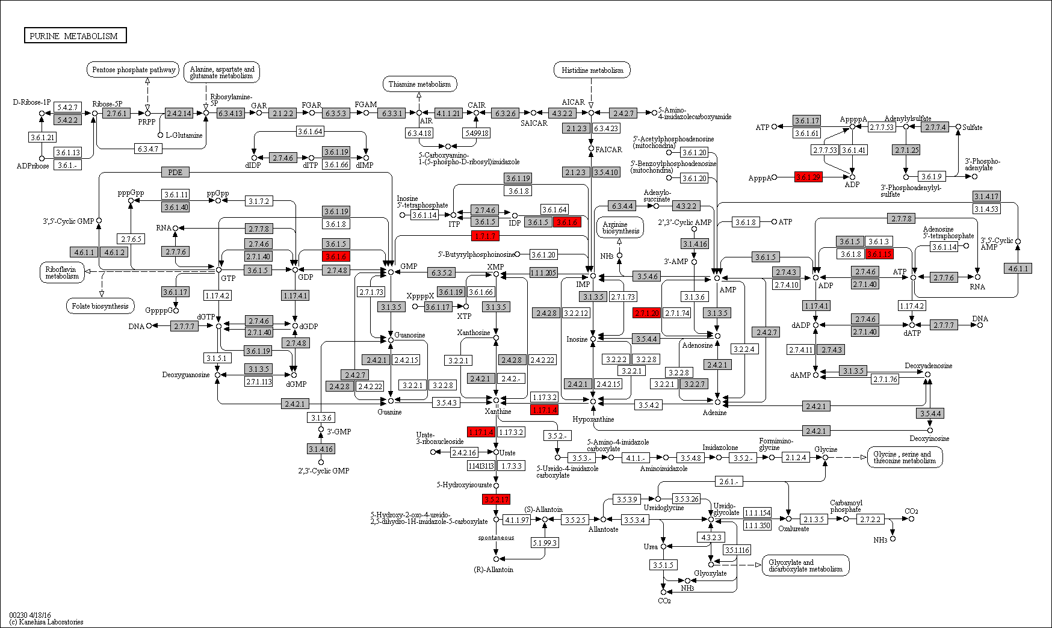
 |  |  |  |  |  |  |  |  |  |  |  |  |  |  |  |  |  |  |  |  |  |  |  |  |  |  |  |  |  |  |  |  |  |  |  |  |  |  |  |  |  |  |  |  |  |  |  |  |  |  |  |  |  |  |  |  |  |  |  |  |  |  |  |  |  |  |  |  |  |  |  |  |  |  |  |  |  |  |  |  |  |  | Gene expansions in clades of nematodes
 |  |  |  |  |  |  |  |  |  |  |  |  |  |  |  |  |  |  |  |  |  |  |  |  |  |  |  |  |  |  |  |  |  |  |  |  |  |  |  |  |  |  |  |  |  |  |  |  |  |  |  |  |  |  |  |  |  |  |  |  |  |  |  |  |  |  |  |  |  |  |  |  |  |  |  |  |  |  |  |  |  |  | Gene expansions in clades of flatworms

 |  |  |  |  |  |  |  |  |  |  |  |  |  |  |  |  |  |  |  |  |  |  |  |  |  |  |  |  |  |  |  |  |  |  |  |  |  |  |  |  |  |  |  |  |  |  |  |  |  |  |  |  |  |  |  |  |  |  |  |  |  |  |  |  |  |  |  |  |  |  |  |  |  |  |  |  |  |  |  |  |  |  | Gene absent
 |  |  |  |  |  |  |  |  |  |  |  |  |  |  |  |  |  |  |  |  |  |  |  |  |  |  |  |  |  |  |  |  |  |  |  |  |  |  |  |  |  |  |  |  |  |  |  |  |  |  |  |  |  |  |  |  |  |  |  |  |  |  |  |  |  |  |  |  |  |  |  |  |  |  |  |  |  |  |  |  |  |  | 1 copy of gene present
 |  |  |  |  |  |  |  |  |  |  |  |  |  |  |  |  |  |  |  |  |  |  |  |  |  |  |  |  |  |  |  |  |  |  |  |  |  |  |  |  |  |  |  |  |  |  |  |  |  |  |  |  |  |  |  |  |  |  |  |  |  |  |  |  |  |  |  |  |  |  |  |  |  |  |  |  |  |  |  |  |  |  | >=2 copies of gene present
 |  |  |  |  |  |  |  |  |  |  |  |  |  |  |  |  |  |  |  |  |  |  |  |  |  |  |  |  |  |  |  |  |  |  |  |  |  |  |  |  |  |  |  |  |  |  |  |  |  |  |  |  |  |  |  |  |  |  |  |  |  |  |  |  |  |  |  |  |  |  |  |  |  |  |  |  |  |  |  |  |  |  | High copy number of genes

q
Supplementary Table 20q: Pyrimidine Metabolism
EC predictions from hole-filling were not used for this analysis. Below we show the KEGG map with enzymes found in nematodes and not platyhelminths, or vice versa (see key on far right of spreadsheet) highlighted, as well as expansions (high gene counts). The heatmap on the right gives gene counts per species.
 |  |  |  |  |  |  |  | Flatworms |  |  |  |  |  |  |  |  |  |  |  |  |  |  |  |  |  |  |  |  |  |  |  |  |  |  |  |  |  |  |  |  |  |  |  |  |  |  |  |  | Nematodes
 | Clade | Trematoda | Trematoda | Trematoda | Trematoda | Trematoda | Trematoda | Trematoda | Trematoda | Trematoda | Trematoda | Trematoda | Cestoda | Cestoda | Cestoda | Cestoda | Cestoda | Cestoda | Cestoda | Cestoda | Cestoda | Cestoda | Cestoda | Cestoda | Flatworms-Other | Clade-I | Clade-I | Clade-I | Clade-I | Clade-I | Clade-I | Clade-I | Clade-IV~IVb | Clade-IV~IVb | Clade-IV~IVb | Clade-IV~IVb | Clade-IV~IVa | Clade-IV~IVa | Clade-IV~IVa | Clade-IV~IVa | Clade-IV~IVa | Clade-IV~IVa | Clade-V~Freeliving | Clade-V~Freeliving | Clade-V~Lungworm | Clade-V~Lungworm | Clade-V~Lungworm | Clade-V~Strongylida-other | Clade-V~Strongylida-other | Clade-V~Strongylida-other | Clade-V~Strongylida-other | Clade-V~Strongylida-other | Clade-V~Ancy+Strongylidae | Clade-V~Ancy+Strongylidae | Clade-V~Ancy+Strongylidae | Clade-V~Ancy+Strongylidae | Clade-V~Ancy+Strongylidae | Clade-V~Ancy+Strongylidae | Clade-V~Ancy+Strongylidae | Clade-III~Ascaridomorpha | Clade-III~Ascaridomorpha | Clade-III~Ascaridomorpha | Clade-III~Ascaridomorpha | Clade-III~Ascaridomorpha | Clade-III~Spiruromorpha+other | Clade-III~Spiruromorpha+other | Clade-III~Spiruromorpha+other | Clade-III~Spiruromorpha+other | Clade-III~Spiruromorpha+other | Clade-III~Spiruromorpha+other | Clade-III~Spiruromorpha+other | Clade-III~Spiruromorpha+other | Clade-III~Spiruromorpha+other | Clade-III~Spiruromorpha+other | Clade-III~Spiruromorpha+other | Clade-III~Spiruromorpha+other | Clade-III~Spiruromorpha+other | Clade-III~Spiruromorpha+other | Clade-III~Spiruromorpha+other | Clade-III~Oxyuridomorpha | Clade-III~Oxyurida
 | Species | S. haematobium | S. curassoni | S. mattheei | S. margrebowiei | S. mansoni | S. rodhaini | S. japonicum | T. regenti | C. sinensis | E. caproni | F. hepatica | D. latus | E. multilocularis | E. granulosus | T. asiatica | T. solium | H. taeniaeformis | H. diminuta | H. microstoma | H. nana | M. corti | S. solidus | S. erinaceieuropaei | P. xenopodis | R. culicivorax | S. baturini | T. spiralis | T. nativa | T. muris | T. suis | T. trichiura | G. pallida | M. hapla | P. redivivus | B. xylophilus | R. sp | P. trichosuri | S. ratti | S. stercoralis | S. venezuelensis | S. papillosus | C. elegans | P. pacificus | A. cantonensis | A. costaricensis | D. viviparus | H. contortus | H. placei | T. circumcincta | H. bakeri | N. brasiliensis | S. vulgaris | C. goldi | O. dentatum | N. americanus | A. ceylanicum | A. duodenale | A. caninum | A. lumbricoides | P. equorum | A. suum | T. canis | A. simplex | D. medinensis | B. pahangi | B. timori | B. malayi | W. bancrofti | L. loa | E. elaphi | L. sigmodontis | A. viteae | O. flexuosa | O. ochengi | O. volvulus | D. immitis | T. callipaeda | G. pulchrum | E. vermicularis | S. muris

 | 3.6.1.6 | 0 | 0 | 0 | 0 | 0 | 0 | 0 | 0 | 0 | 0 | 0 | 0 | 0 | 0 | 0 | 0 | 0 | 0 | 0 | 0 | 0 | 0 | 0 | 0 | 0 | 0 | 0 | 0 | 0 | 0 | 0 | 0 | 0 | 0 | 0 | 0 | 0 | 0 | 0 | 0 | 0 | 2 | 0 | 1 | 0 | 0 | 0 | 1 | 1 | 0 | 0 | 0 | 0 | 0 | 1 | 0 | 0 | 0 | 0 | 0 | 0 | 0 | 0 | 0 | 0 | 0 | 0 | 0 | 0 | 0 | 0 | 0 | 0 | 0 | 0 | 0 | 0 | 0 | 0 | 0 | Legend Key:
 | 1.3.1.2 | 0 | 0 | 0 | 0 | 0 | 0 | 0 | 0 | 0 | 0 | 0 | 0 | 0 | 0 | 0 | 0 | 0 | 0 | 0 | 0 | 0 | 0 | 0 | 0 | 0 | 0 | 0 | 0 | 0 | 0 | 0 | 1 | 1 | 2 | 1 | 1 | 1 | 1 | 1 | 1 | 1 | 1 | 0 | 0 | 1 | 0 | 1 | 0 | 0 | 1 | 1 | 0 | 0 | 1 | 0 | 1 | 0 | 0 | 1 | 0 | 0 | 1 | 0 | 0 | 0 | 0 | 0 | 0 | 0 | 0 | 0 | 0 | 0 | 0 | 0 | 0 | 0 | 0 | 1 | 1 |  | EC present in flatworms + nematodes
 | 3.5.1.6 | 0 | 0 | 0 | 0 | 0 | 0 | 0 | 0 | 0 | 0 | 0 | 0 | 0 | 0 | 0 | 0 | 0 | 0 | 0 | 0 | 0 | 0 | 0 | 0 | 0 | 0 | 0 | 0 | 0 | 0 | 0 | 0 | 0 | 0 | 0 | 0 | 0 | 0 | 0 | 0 | 0 | 0 | 0 | 0 | 0 | 0 | 0 | 0 | 0 | 1 | 0 | 0 | 0 | 0 | 0 | 0 | 1 | 0 | 0 | 0 | 0 | 0 | 0 | 0 | 0 | 0 | 0 | 0 | 0 | 0 | 0 | 0 | 0 | 0 | 0 | 0 | 0 | 0 | 1 | 1 |  | EC unique to flatworms
 | 2.7.1.21 | 0 | 0 | 0 | 0 | 0 | 0 | 0 | 0 | 0 | 0 | 0 | 0 | 0 | 0 | 0 | 0 | 0 | 0 | 0 | 0 | 0 | 0 | 0 | 0 | 0 | 0 | 0 | 0 | 0 | 0 | 0 | 2 | 1 | 1 | 4 | 2 | 2 | 2 | 2 | 2 | 2 | 1 | 1 | 0 | 0 | 1 | 2 | 3 | 4 | 1 | 2 | 1 | 1 | 2 | 1 | 1 | 2 | 3 | 1 | 1 | 1 | 1 | 2 | 0 | 0 | 0 | 0 | 0 | 0 | 0 | 0 | 0 | 0 | 0 | 0 | 0 | 1 | 1 | 1 | 1 |  | EC unique to nematodes
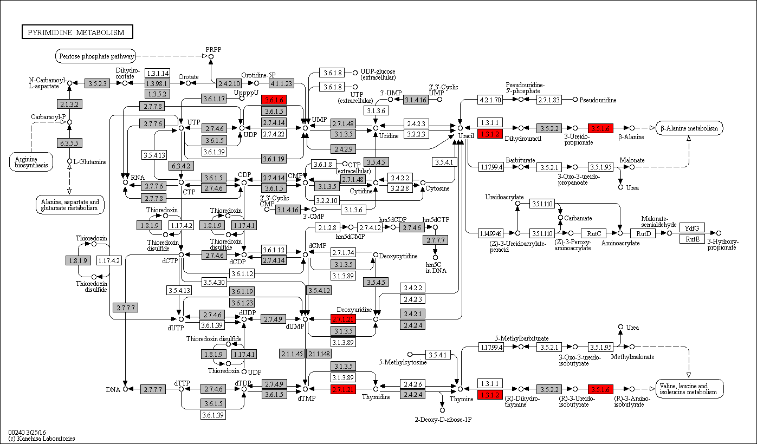
 |  |  |  |  |  |  |  |  |  |  |  |  |  |  |  |  |  |  |  |  |  |  |  |  |  |  |  |  |  |  |  |  |  |  |  |  |  |  |  |  |  |  |  |  |  |  |  |  |  |  |  |  |  |  |  |  |  |  |  |  |  |  |  |  |  |  |  |  |  |  |  |  |  |  |  |  |  |  |  |  |  |  | Gene expansions in most flatworms and nematodes
 |  |  |  |  |  |  |  |  |  |  |  |  |  |  |  |  |  |  |  |  |  |  |  |  |  |  |  |  |  |  |  |  |  |  |  |  |  |  |  |  |  |  |  |  |  |  |  |  |  |  |  |  |  |  |  |  |  |  |  |  |  |  |  |  |  |  |  |  |  |  |  |  |  |  |  |  |  |  |  |  |  |  | Gene expansions in particular clades (flatworms and nematodes)
 |  |  |  |  |  |  |  |  |  |  |  |  |  |  |  |  |  |  |  |  |  |  |  |  |  |  |  |  |  |  |  |  |  |  |  |  |  |  |  |  |  |  |  |  |  |  |  |  |  |  |  |  |  |  |  |  |  |  |  |  |  |  |  |  |  |  |  |  |  |  |  |  |  |  |  |  |  |  |  |  |  |  | Gene expansions in clades of nematodes
 |  |  |  |  |  |  |  |  |  |  |  |  |  |  |  |  |  |  |  |  |  |  |  |  |  |  |  |  |  |  |  |  |  |  |  |  |  |  |  |  |  |  |  |  |  |  |  |  |  |  |  |  |  |  |  |  |  |  |  |  |  |  |  |  |  |  |  |  |  |  |  |  |  |  |  |  |  |  |  |  |  |  | Gene expansions in clades of flatworms

 |  |  |  |  |  |  |  |  |  |  |  |  |  |  |  |  |  |  |  |  |  |  |  |  |  |  |  |  |  |  |  |  |  |  |  |  |  |  |  |  |  |  |  |  |  |  |  |  |  |  |  |  |  |  |  |  |  |  |  |  |  |  |  |  |  |  |  |  |  |  |  |  |  |  |  |  |  |  |  |  |  |  | Gene absent
 |  |  |  |  |  |  |  |  |  |  |  |  |  |  |  |  |  |  |  |  |  |  |  |  |  |  |  |  |  |  |  |  |  |  |  |  |  |  |  |  |  |  |  |  |  |  |  |  |  |  |  |  |  |  |  |  |  |  |  |  |  |  |  |  |  |  |  |  |  |  |  |  |  |  |  |  |  |  |  |  |  |  | 1 copy of gene present
 |  |  |  |  |  |  |  |  |  |  |  |  |  |  |  |  |  |  |  |  |  |  |  |  |  |  |  |  |  |  |  |  |  |  |  |  |  |  |  |  |  |  |  |  |  |  |  |  |  |  |  |  |  |  |  |  |  |  |  |  |  |  |  |  |  |  |  |  |  |  |  |  |  |  |  |  |  |  |  |  |  |  | >=2 copies of gene present
 |  |  |  |  |  |  |  |  |  |  |  |  |  |  |  |  |  |  |  |  |  |  |  |  |  |  |  |  |  |  |  |  |  |  |  |  |  |  |  |  |  |  |  |  |  |  |  |  |  |  |  |  |  |  |  |  |  |  |  |  |  |  |  |  |  |  |  |  |  |  |  |  |  |  |  |  |  |  |  |  |  |  | High copy number of genes

r
Supplementary Table 20r: Alanine, Aspartate, Glutamine Metabolism
EC predictions from hole-filling were not used for this analysis. Below we show the KEGG map with enzymes found in nematodes and not platyhelminths, or vice versa (see key on far right of spreadsheet) highlighted, as well as expansions (high gene counts). The heatmap on the right gives gene counts per species.
 |  |  |  |  |  |  |  | Flatworms |  |  |  |  |  |  |  |  |  |  |  |  |  |  |  |  |  |  |  |  |  |  |  |  |  |  |  |  |  |  |  |  |  |  |  |  |  |  |  |  | Nematodes
 | Clade | Trematoda | Trematoda | Trematoda | Trematoda | Trematoda | Trematoda | Trematoda | Trematoda | Trematoda | Trematoda | Trematoda | Cestoda | Cestoda | Cestoda | Cestoda | Cestoda | Cestoda | Cestoda | Cestoda | Cestoda | Cestoda | Cestoda | Cestoda | Flatworms-Other | Clade-I | Clade-I | Clade-I | Clade-I | Clade-I | Clade-I | Clade-I | Clade-IV~IVb | Clade-IV~IVb | Clade-IV~IVb | Clade-IV~IVb | Clade-IV~IVa | Clade-IV~IVa | Clade-IV~IVa | Clade-IV~IVa | Clade-IV~IVa | Clade-IV~IVa | Clade-V~Freeliving | Clade-V~Freeliving | Clade-V~Lungworm | Clade-V~Lungworm | Clade-V~Lungworm | Clade-V~Strongylida-other | Clade-V~Strongylida-other | Clade-V~Strongylida-other | Clade-V~Strongylida-other | Clade-V~Strongylida-other | Clade-V~Ancy+Strongylidae | Clade-V~Ancy+Strongylidae | Clade-V~Ancy+Strongylidae | Clade-V~Ancy+Strongylidae | Clade-V~Ancy+Strongylidae | Clade-V~Ancy+Strongylidae | Clade-V~Ancy+Strongylidae | Clade-III~Ascaridomorpha | Clade-III~Ascaridomorpha | Clade-III~Ascaridomorpha | Clade-III~Ascaridomorpha | Clade-III~Ascaridomorpha | Clade-III~Spiruromorpha+other | Clade-III~Spiruromorpha+other | Clade-III~Spiruromorpha+other | Clade-III~Spiruromorpha+other | Clade-III~Spiruromorpha+other | Clade-III~Spiruromorpha+other | Clade-III~Spiruromorpha+other | Clade-III~Spiruromorpha+other | Clade-III~Spiruromorpha+other | Clade-III~Spiruromorpha+other | Clade-III~Spiruromorpha+other | Clade-III~Spiruromorpha+other | Clade-III~Spiruromorpha+other | Clade-III~Spiruromorpha+other | Clade-III~Spiruromorpha+other | Clade-III~Oxyuridomorpha | Clade-III~Oxyurida
 | Species | S. haematobium | S. curassoni | S. mattheei | S. margrebowiei | S. mansoni | S. rodhaini | S. japonicum | T. regenti | C. sinensis | E. caproni | F. hepatica | D. latus | E. multilocularis | E. granulosus | T. asiatica | T. solium | H. taeniaeformis | H. diminuta | H. microstoma | H. nana | M. corti | S. solidus | S. erinaceieuropaei | P. xenopodis | R. culicivorax | S. baturini | T. spiralis | T. nativa | T. muris | T. suis | T. trichiura | G. pallida | M. hapla | P. redivivus | B. xylophilus | R. sp | P. trichosuri | S. ratti | S. stercoralis | S. venezuelensis | S. papillosus | C. elegans | P. pacificus | A. cantonensis | A. costaricensis | D. viviparus | H. contortus | H. placei | T. circumcincta | H. bakeri | N. brasiliensis | S. vulgaris | C. goldi | O. dentatum | N. americanus | A. ceylanicum | A. duodenale | A. caninum | A. lumbricoides | P. equorum | A. suum | T. canis | A. simplex | D. medinensis | B. pahangi | B. timori | B. malayi | W. bancrofti | L. loa | E. elaphi | L. sigmodontis | A. viteae | O. flexuosa | O. ochengi | O. volvulus | D. immitis | T. callipaeda | G. pulchrum | E. vermicularis | S. muris

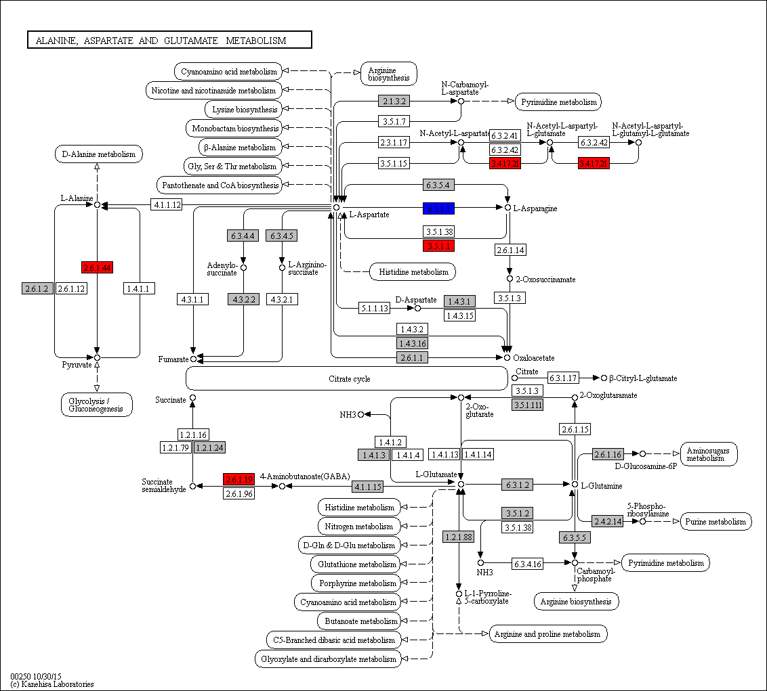
 | Aspartate to asparagine conversion
 | 6.3.1.1 | 1 | 0 | 0 | 1 | 1 | 1 | 0 | 1 | 2 | 0 | 0 | 1 | 0 | 0 | 0 | 0 | 0 | 0 | 0 | 0 | 0 | 1 | 0 | 0 | 0 | 0 | 0 | 0 | 0 | 0 | 0 | 0 | 0 | 0 | 0 | 0 | 0 | 0 | 0 | 0 | 0 | 0 | 0 | 0 | 0 | 0 | 0 | 0 | 0 | 0 | 0 | 0 | 0 | 0 | 0 | 0 | 0 | 0 | 0 | 0 | 0 | 0 | 0 | 0 | 0 | 0 | 0 | 0 | 0 | 0 | 0 | 0 | 0 | 0 | 0 | 0 | 0 | 0 | 0 | 0 | Legend Key:
 | 3.5.1.1 | 0 | 0 | 0 | 0 | 0 | 0 | 0 | 0 | 0 | 0 | 0 | 0 | 0 | 0 | 0 | 0 | 0 | 0 | 0 | 0 | 0 | 0 | 0 | 0 | 0 | 0 | 0 | 0 | 1 | 0 | 1 | 0 | 1 | 0 | 0 | 1 | 1 | 0 | 1 | 1 | 1 | 0 | 0 | 0 | 0 | 0 | 0 | 0 | 1 | 0 | 0 | 0 | 0 | 0 | 0 | 0 | 0 | 1 | 0 | 0 | 0 | 0 | 1 | 1 | 1 | 0 | 1 | 0 | 0 | 1 | 0 | 0 | 0 | 0 | 1 | 1 | 1 | 0 | 1 | 0 |  | EC present in flatworms + nematodes
 | 6.3.5.4 | 0 | 0 | 0 | 0 | 0 | 0 | 0 | 0 | 2 | 0 | 0 | 0 | 0 | 0 | 0 | 0 | 0 | 0 | 0 | 0 | 0 | 0 | 0 | 0 | 2 | 0 | 0 | 0 | 0 | 0 | 0 | 5 | 2 | 2 | 2 | 1 | 1 | 1 | 1 | 1 | 1 | 2 | 3 | 1 | 2 | 2 | 3 | 2 | 3 | 2 | 2 | 1 | 2 | 2 | 2 | 2 | 3 | 3 | 2 | 1 | 2 | 3 | 2 | 2 | 1 | 1 | 1 | 1 | 0 | 1 | 0 | 1 | 1 | 0 | 1 | 1 | 2 | 2 | 2 | 2 |  | EC unique to flatworms
 |  |  |  |  |  |  |  |  |  |  |  |  |  |  |  |  |  |  |  |  |  |  |  |  |  |  |  |  |  |  |  |  |  |  |  |  |  |  |  |  |  |  |  |  |  |  |  |  |  |  |  |  |  |  |  |  |  |  |  |  |  |  |  |  |  |  |  |  |  |  |  |  |  |  |  |  |  |  |  |  |  |  | EC unique to nematodes
 | 3.4.17.21 | 0 | 0 | 0 | 0 | 0 | 0 | 0 | 0 | 0 | 0 | 0 | 0 | 0 | 0 | 0 | 0 | 0 | 0 | 0 | 0 | 0 | 0 | 0 | 0 | 0 | 0 | 0 | 0 | 0 | 0 | 0 | 0 | 0 | 1 | 0 | 1 | 0 | 1 | 0 | 0 | 0 | 0 | 1 | 0 | 1 | 0 | 0 | 0 | 0 | 0 | 0 | 0 | 0 | 0 | 1 | 0 | 0 | 0 | 0 | 0 | 1 | 0 | 0 | 1 | 1 | 1 | 0 | 0 | 1 | 0 | 1 | 0 | 0 | 0 | 0 | 0 | 1 | 0 | 0 | 0
 | 2.6.1.44 | 0 | 0 | 0 | 0 | 0 | 0 | 0 | 0 | 0 | 0 | 0 | 0 | 0 | 0 | 0 | 0 | 0 | 0 | 0 | 0 | 0 | 0 | 0 | 0 | 1 | 0 | 0 | 0 | 1 | 1 | 1 | 1 | 1 | 2 | 2 | 1 | 0 | 1 | 1 | 1 | 1 | 1 | 0 | 1 | 1 | 2 | 1 | 1 | 3 | 1 | 1 | 0 | 0 | 1 | 1 | 0 | 0 | 2 | 0 | 0 | 0 | 1 | 0 | 1 | 0 | 0 | 0 | 0 | 0 | 0 | 0 | 0 | 0 | 0 | 0 | 0 | 0 | 0 | 1 | 0 |  | Gene expansions in most flatworms and nematodes
 | 2.6.1.19 | 0 | 0 | 0 | 0 | 0 | 0 | 0 | 0 | 0 | 0 | 0 | 0 | 0 | 0 | 0 | 0 | 0 | 0 | 0 | 0 | 0 | 0 | 0 | 0 | 0 | 0 | 0 | 0 | 0 | 0 | 0 | 0 | 0 | 0 | 1 | 0 | 1 | 0 | 0 | 1 | 1 | 1 | 0 | 0 | 1 | 1 | 1 | 1 | 1 | 0 | 1 | 0 | 0 | 1 | 0 | 1 | 1 | 1 | 1 | 0 | 0 | 1 | 1 | 0 | 0 | 0 | 0 | 0 | 0 | 0 | 0 | 0 | 0 | 0 | 0 | 0 | 0 | 0 | 0 | 0 |  | Gene expansions in particular clades (flatworms and nematodes)
 |  |  |  |  |  |  |  |  |  |  |  |  |  |  |  |  |  |  |  |  |  |  |  |  |  |  |  |  |  |  |  |  |  |  |  |  |  |  |  |  |  |  |  |  |  |  |  |  |  |  |  |  |  |  |  |  |  |  |  |  |  |  |  |  |  |  |  |  |  |  |  |  |  |  |  |  |  |  |  |  |  |  | Gene expansions in clades of nematodes
 |  |  |  |  |  |  |  |  |  |  |  |  |  |  |  |  |  |  |  |  |  |  |  |  |  |  |  |  |  |  |  |  |  |  |  |  |  |  |  |  |  |  |  |  |  |  |  |  |  |  |  |  |  |  |  |  |  |  |  |  |  |  |  |  |  |  |  |  |  |  |  |  |  |  |  |  |  |  |  |  |  |  | Gene expansions in clades of flatworms

 |  |  |  |  |  |  |  |  |  |  |  |  |  |  |  |  |  |  |  |  |  |  |  |  |  |  |  |  |  |  |  |  |  |  |  |  |  |  |  |  |  |  |  |  |  |  |  |  |  |  |  |  |  |  |  |  |  |  |  |  |  |  |  |  |  |  |  |  |  |  |  |  |  |  |  |  |  |  |  |  |  |  | Gene absent
 |  |  |  |  |  |  |  |  |  |  |  |  |  |  |  |  |  |  |  |  |  |  |  |  |  |  |  |  |  |  |  |  |  |  |  |  |  |  |  |  |  |  |  |  |  |  |  |  |  |  |  |  |  |  |  |  |  |  |  |  |  |  |  |  |  |  |  |  |  |  |  |  |  |  |  |  |  |  |  |  |  |  | 1 copy of gene present
 |  |  |  |  |  |  |  |  |  |  |  |  |  |  |  |  |  |  |  |  |  |  |  |  |  |  |  |  |  |  |  |  |  |  |  |  |  |  |  |  |  |  |  |  |  |  |  |  |  |  |  |  |  |  |  |  |  |  |  |  |  |  |  |  |  |  |  |  |  |  |  |  |  |  |  |  |  |  |  |  |  |  | >=2 copies of gene present
 |  |  |  |  |  |  |  |  |  |  |  |  |  |  |  |  |  |  |  |  |  |  |  |  |  |  |  |  |  |  |  |  |  |  |  |  |  |  |  |  |  |  |  |  |  |  |  |  |  |  |  |  |  |  |  |  |  |  |  |  |  |  |  |  |  |  |  |  |  |  |  |  |  |  |  |  |  |  |  |  |  |  | High copy number of genes

s
Supplementary Table 20s: Cysteine and Methionine Metabolism
s
 |  |  |  |  |  |  |  | Flatworms |  |  |  |  |  |  |  |  |  |  |  |  |  |  |  |  |  |  |  |  |  |  |  |  |  |  |  |  |  |  |  |  |  |  |  |  |  |  |  |  | Nematodes
 | Clade | Trematoda | Trematoda | Trematoda | Trematoda | Trematoda | Trematoda | Trematoda | Trematoda | Trematoda | Trematoda | Trematoda | Cestoda | Cestoda | Cestoda | Cestoda | Cestoda | Cestoda | Cestoda | Cestoda | Cestoda | Cestoda | Cestoda | Cestoda | Flatworms-Other | Clade-I | Clade-I | Clade-I | Clade-I | Clade-I | Clade-I | Clade-I | Clade-IV~IVb | Clade-IV~IVb | Clade-IV~IVb | Clade-IV~IVb | Clade-IV~IVa | Clade-IV~IVa | Clade-IV~IVa | Clade-IV~IVa | Clade-IV~IVa | Clade-IV~IVa | Clade-V~Freeliving | Clade-V~Freeliving | Clade-V~Lungworm | Clade-V~Lungworm | Clade-V~Lungworm | Clade-V~Strongylida-other | Clade-V~Strongylida-other | Clade-V~Strongylida-other | Clade-V~Strongylida-other | Clade-V~Strongylida-other | Clade-V~Ancy+Strongylidae | Clade-V~Ancy+Strongylidae | Clade-V~Ancy+Strongylidae | Clade-V~Ancy+Strongylidae | Clade-V~Ancy+Strongylidae | Clade-V~Ancy+Strongylidae | Clade-V~Ancy+Strongylidae | Clade-III~Ascaridomorpha | Clade-III~Ascaridomorpha | Clade-III~Ascaridomorpha | Clade-III~Ascaridomorpha | Clade-III~Ascaridomorpha | Clade-III~Spiruromorpha+other | Clade-III~Spiruromorpha+other | Clade-III~Spiruromorpha+other | Clade-III~Spiruromorpha+other | Clade-III~Spiruromorpha+other | Clade-III~Spiruromorpha+other | Clade-III~Spiruromorpha+other | Clade-III~Spiruromorpha+other | Clade-III~Spiruromorpha+other | Clade-III~Spiruromorpha+other | Clade-III~Spiruromorpha+other | Clade-III~Spiruromorpha+other | Clade-III~Spiruromorpha+other | Clade-III~Spiruromorpha+other | Clade-III~Spiruromorpha+other | Clade-III~Oxyuridomorpha | Clade-III~Oxyurida
 | Species | S. haematobium | S. curassoni | S. mattheei | S. margrebowiei | S. mansoni | S. rodhaini | S. japonicum | T. regenti | C. sinensis | E. caproni | F. hepatica | D. latus | E. multilocularis | E. granulosus | T. asiatica | T. solium | H. taeniaeformis | H. diminuta | H. microstoma | H. nana | M. corti | S. solidus | S. erinaceieuropaei | P. xenopodis | R. culicivorax | S. baturini | T. spiralis | T. nativa | T. muris | T. suis | T. trichiura | G. pallida | M. hapla | P. redivivus | B. xylophilus | R. sp | P. trichosuri | S. ratti | S. stercoralis | S. venezuelensis | S. papillosus | C. elegans | P. pacificus | A. cantonensis | A. costaricensis | D. viviparus | H. contortus | H. placei | T. circumcincta | H. bakeri | N. brasiliensis | S. vulgaris | C. goldi | O. dentatum | N. americanus | A. ceylanicum | A. duodenale | A. caninum | A. lumbricoides | P. equorum | A. suum | T. canis | A. simplex | D. medinensis | B. pahangi | B. timori | B. malayi | W. bancrofti | L. loa | E. elaphi | L. sigmodontis | A. viteae | O. flexuosa | O. ochengi | O. volvulus | D. immitis | T. callipaeda | G. pulchrum | E. vermicularis | S. muris

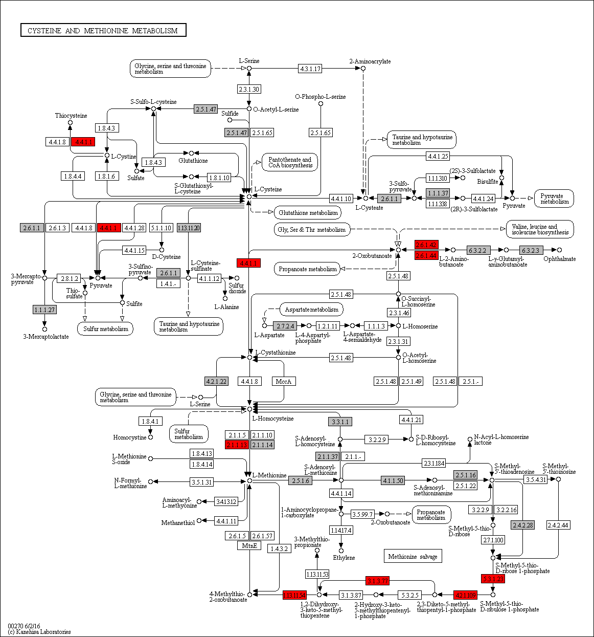
 | 4.4.1.1 | 0 | 0 | 0 | 0 | 0 | 0 | 0 | 0 | 0 | 0 | 0 | 0 | 0 | 0 | 0 | 0 | 0 | 0 | 0 | 0 | 0 | 0 | 0 | 0 | 0 | 0 | 0 | 0 | 0 | 0 | 0 | 0 | 1 | 1 | 1 | 1 | 0 | 0 | 0 | 1 | 0 | 2 | 0 | 1 | 1 | 1 | 1 | 1 | 1 | 1 | 0 | 0 | 0 | 0 | 0 | 1 | 0 | 1 | 1 | 0 | 1 | 1 | 1 | 1 | 1 | 0 | 1 | 0 | 1 | 1 | 1 | 0 | 1 | 1 | 1 | 1 | 1 | 0 | 1 | 1
 | 2.6.1.42 | 0 | 0 | 0 | 0 | 0 | 0 | 0 | 0 | 0 | 0 | 0 | 0 | 0 | 0 | 0 | 0 | 0 | 0 | 0 | 0 | 0 | 0 | 0 | 0 | 1 | 2 | 1 | 1 | 1 | 1 | 1 | 2 | 2 | 3 | 1 | 2 | 2 | 2 | 2 | 2 | 2 | 2 | 6 | 2 | 2 | 2 | 2 | 1 | 1 | 2 | 2 | 1 | 1 | 2 | 2 | 2 | 2 | 3 | 2 | 0 | 2 | 1 | 0 | 1 | 1 | 1 | 1 | 1 | 1 | 1 | 1 | 1 | 1 | 1 | 1 | 1 | 1 | 0 | 2 | 2
 | 2.6.1.44 | 0 | 0 | 0 | 0 | 0 | 0 | 0 | 0 | 0 | 0 | 0 | 0 | 0 | 0 | 0 | 0 | 0 | 0 | 0 | 0 | 0 | 0 | 0 | 0 | 1 | 0 | 0 | 0 | 1 | 1 | 1 | 1 | 1 | 2 | 2 | 1 | 0 | 1 | 1 | 1 | 1 | 1 | 0 | 1 | 1 | 2 | 1 | 1 | 3 | 1 | 1 | 0 | 0 | 1 | 1 | 0 | 0 | 2 | 0 | 0 | 0 | 1 | 0 | 1 | 0 | 0 | 0 | 0 | 0 | 0 | 0 | 0 | 0 | 0 | 0 | 0 | 0 | 0 | 1 | 0
 | 2.1.1.13 | 0 | 0 | 0 | 0 | 0 | 0 | 0 | 0 | 0 | 0 | 0 | 0 | 0 | 0 | 0 | 0 | 0 | 0 | 0 | 0 | 0 | 0 | 0 | 0 | 0 | 0 | 2 | 1 | 1 | 0 | 1 | 0 | 0 | 1 | 0 | 1 | 1 | 1 | 1 | 1 | 1 | 1 | 0 | 0 | 0 | 1 | 1 | 0 | 0 | 1 | 1 | 0 | 0 | 0 | 1 | 1 | 0 | 1 | 0 | 0 | 1 | 0 | 0 | 1 | 0 | 0 | 0 | 0 | 0 | 0 | 0 | 0 | 0 | 0 | 0 | 0 | 0 | 0 | 1 | 1
 |  |  |  |  |  |  |  |  |  |  |  |  |  |  |  |  |  |  |  |  |  |  |  |  |  |  |  |  |  |  |  |  |  |  |  |  |  |  |  |  |  |  |  |  |  |  |  |  |  |  |  |  |  |  |  |  |  |  |  |  |  |  |  |  |  |  |  |  |  |  |  |  |  |  |  |  |  |  |  |  |  | Legend Key:
 |  |  |  |  |  |  |  |  |  |  |  |  |  |  |  |  |  |  |  |  |  |  |  |  |  |  |  |  |  |  |  |  |  |  |  |  |  |  |  |  |  |  |  |  |  |  |  |  |  |  |  |  |  |  |  |  |  |  |  |  |  |  |  |  |  |  |  |  |  |  |  |  |  |  |  |  |  |  |  |  |  |  | EC present in flatworms + nematodes
 | 1.13.11.54 | 0 | 0 | 0 | 0 | 0 | 0 | 0 | 0 | 0 | 0 | 0 | 0 | 0 | 0 | 0 | 0 | 0 | 0 | 0 | 0 | 0 | 0 | 0 | 0 | 2 | 0 | 0 | 0 | 0 | 0 | 0 | 1 | 0 | 1 | 1 | 1 | 1 | 1 | 1 | 1 | 1 | 1 | 1 | 1 | 1 | 1 | 1 | 1 | 1 | 0 | 1 | 0 | 0 | 1 | 1 | 1 | 1 | 1 | 1 | 0 | 1 | 1 | 1 | 0 | 0 | 0 | 0 | 0 | 0 | 0 | 0 | 0 | 0 | 0 | 0 | 0 | 0 | 0 | 0 | 0 |  | EC unique to flatworms
 | 3.1.3.77 | 0 | 0 | 0 | 0 | 0 | 0 | 0 | 0 | 0 | 0 | 0 | 0 | 0 | 0 | 0 | 0 | 0 | 0 | 0 | 0 | 0 | 0 | 0 | 0 | 1 | 0 | 0 | 0 | 0 | 0 | 0 | 2 | 1 | 1 | 1 | 1 | 1 | 1 | 1 | 1 | 1 | 1 | 1 | 0 | 1 | 1 | 2 | 1 | 0 | 1 | 1 | 0 | 1 | 1 | 0 | 2 | 1 | 1 | 1 | 0 | 1 | 1 | 0 | 0 | 0 | 0 | 0 | 0 | 0 | 0 | 0 | 0 | 0 | 0 | 0 | 0 | 0 | 0 | 0 | 1 |  | EC unique to nematodes
 | 4.2.1.109 | 0 | 0 | 0 | 0 | 0 | 0 | 0 | 0 | 0 | 0 | 0 | 0 | 0 | 0 | 0 | 0 | 0 | 0 | 0 | 0 | 0 | 0 | 0 | 0 | 0 | 0 | 0 | 0 | 0 | 0 | 0 | 2 | 1 | 1 | 1 | 1 | 1 | 1 | 1 | 1 | 1 | 1 | 1 | 1 | 1 | 1 | 1 | 1 | 1 | 0 | 1 | 1 | 0 | 2 | 1 | 1 | 0 | 1 | 0 | 0 | 0 | 0 | 0 | 0 | 0 | 0 | 0 | 0 | 0 | 0 | 0 | 0 | 0 | 0 | 0 | 0 | 0 | 0 | 0 | 0
 | 5.3.1.23 | 0 | 0 | 0 | 0 | 0 | 0 | 0 | 0 | 0 | 0 | 0 | 0 | 0 | 0 | 0 | 0 | 0 | 0 | 0 | 0 | 0 | 0 | 0 | 0 | 1 | 0 | 0 | 0 | 1 | 1 | 1 | 2 | 0 | 1 | 1 | 1 | 1 | 1 | 1 | 1 | 1 | 1 | 0 | 0 | 1 | 0 | 1 | 0 | 1 | 0 | 1 | 1 | 0 | 1 | 0 | 1 | 0 | 1 | 0 | 0 | 0 | 0 | 0 | 0 | 0 | 0 | 0 | 0 | 0 | 0 | 0 | 0 | 0 | 0 | 0 | 0 | 0 | 0 | 0 | 0 |  | Gene expansions in most flatworms and nematodes
 | 2.4.2.28 | 1 | 0 | 0 | 1 | 1 | 0 | 1 | 0 | 1 | 0 | 0 | 1 | 1 | 1 | 1 | 1 | 0 | 1 | 1 | 0 | 1 | 1 | 0 | 0 | 0 | 0 | 0 | 0 | 0 | 0 | 0 | 1 | 0 | 1 | 1 | 1 | 1 | 1 | 1 | 1 | 1 | 1 | 1 | 1 | 1 | 1 | 0 | 1 | 0 | 0 | 1 | 0 | 0 | 0 | 1 | 1 | 0 | 0 | 1 | 0 | 1 | 1 | 0 | 0 | 0 | 0 | 0 | 0 | 0 | 0 | 0 | 0 | 0 | 0 | 0 | 1 | 0 | 0 | 0 | 1 |  | Gene expansions in particular clades (flatworms and nematodes)
 | 2.5.1.16 | 0 | 0 | 0 | 0 | 0 | 0 | 0 | 0 | 0 | 0 | 0 | 1 | 1 | 1 | 1 | 1 | 1 | 1 | 0 | 1 | 1 | 1 | 0 | 0 | 2 | 1 | 0 | 0 | 1 | 1 | 1 | 1 | 1 | 3 | 2 | 1 | 1 | 1 | 1 | 0 | 1 | 1 | 1 | 1 | 1 | 1 | 2 | 1 | 1 | 0 | 1 | 1 | 0 | 1 | 1 | 1 | 1 | 2 | 1 | 1 | 1 | 1 | 1 | 1 | 1 | 1 | 1 | 1 | 1 | 1 | 1 | 1 | 1 | 1 | 1 | 1 | 1 | 1 | 1 | 1 |  | Gene expansions in clades of nematodes
 | 4.1.1.50 | 0 | 0 | 0 | 0 | 0 | 0 | 0 | 0 | 0 | 0 | 0 | 1 | 1 | 1 | 1 | 1 | 1 | 1 | 1 | 1 | 1 | 1 | 0 | 0 | 1 | 1 | 0 | 0 | 1 | 1 | 1 | 0 | 1 | 1 | 1 | 1 | 1 | 1 | 1 | 1 | 1 | 1 | 1 | 1 | 1 | 2 | 0 | 1 | 3 | 2 | 1 | 1 | 0 | 2 | 1 | 1 | 3 | 5 | 1 | 1 | 1 | 1 | 1 | 1 | 2 | 1 | 2 | 1 | 1 | 1 | 1 | 1 | 1 | 1 | 1 | 1 | 1 | 1 | 1 | 1 |  | Gene expansions in clades of flatworms
 | 2.5.1.6 | 1 | 2 | 2 | 1 | 1 | 2 | 1 | 1 | 1 | 1 | 1 | 1 | 0 | 1 | 1 | 0 | 1 | 1 | 1 | 2 | 1 | 1 | 1 | 0 | 2 | 2 | 1 | 1 | 2 | 2 | 2 | 2 | 2 | 2 | 2 | 2 | 3 | 3 | 3 | 2 | 3 | 4 | 4 | 1 | 1 | 1 | 1 | 1 | 2 | 1 | 1 | 2 | 1 | 2 | 1 | 2 | 2 | 1 | 3 | 2 | 3 | 3 | 4 | 1 | 1 | 1 | 2 | 1 | 2 | 2 | 2 | 1 | 1 | 2 | 2 | 1 | 1 | 1 | 2 | 2
 |  |  |  |  |  |  |  |  |  |  |  |  |  |  |  |  |  |  |  |  |  |  |  |  |  |  |  |  |  |  |  |  |  |  |  |  |  |  |  |  |  |  |  |  |  |  |  |  |  |  |  |  |  |  |  |  |  |  |  |  |  |  |  |  |  |  |  |  |  |  |  |  |  |  |  |  |  |  |  |  |  |  | Gene absent
 |  |  |  |  |  |  |  |  |  |  |  |  |  |  |  |  |  |  |  |  |  |  |  |  |  |  |  |  |  |  |  |  |  |  |  |  |  |  |  |  |  |  |  |  |  |  |  |  |  |  |  |  |  |  |  |  |  |  |  |  |  |  |  |  |  |  |  |  |  |  |  |  |  |  |  |  |  |  |  |  |  |  | 1 copy of gene present
 |  |  |  |  |  |  |  |  |  |  |  |  |  |  |  |  |  |  |  |  |  |  |  |  |  |  |  |  |  |  |  |  |  |  |  |  |  |  |  |  |  |  |  |  |  |  |  |  |  |  |  |  |  |  |  |  |  |  |  |  |  |  |  |  |  |  |  |  |  |  |  |  |  |  |  |  |  |  |  |  |  |  | >=2 copies of gene present
 |  |  |  |  |  |  |  |  |  |  |  |  |  |  |  |  |  |  |  |  |  |  |  |  |  |  |  |  |  |  |  |  |  |  |  |  |  |  |  |  |  |  |  |  |  |  |  |  |  |  |  |  |  |  |  |  |  |  |  |  |  |  |  |  |  |  |  |  |  |  |  |  |  |  |  |  |  |  |  |  |  |  | High copy number of genes

t
Supplementary Table 20t: Valine, leucine and isoleucine degradation
EC predictions from hole-filling were not used for this analysis. Below we show the KEGG map with enzymes found in nematodes and not platyhelminths, or vice versa (see key on far right of spreadsheet) highlighted, as well as expansions (high gene counts). The heatmap on the right gives gene counts per species.
 |  |  |  |  |  |  |  | Flatworms |  |  |  |  |  |  |  |  |  |  |  |  |  |  |  |  |  |  |  |  |  |  |  |  |  |  |  |  |  |  |  |  |  |  |  |  |  |  |  |  | Nematodes
 | Clade | Trematoda | Trematoda | Trematoda | Trematoda | Trematoda | Trematoda | Trematoda | Trematoda | Trematoda | Trematoda | Trematoda | Cestoda | Cestoda | Cestoda | Cestoda | Cestoda | Cestoda | Cestoda | Cestoda | Cestoda | Cestoda | Cestoda | Cestoda | Flatworms-Other | Clade-I | Clade-I | Clade-I | Clade-I | Clade-I | Clade-I | Clade-I | Clade-IV~IVb | Clade-IV~IVb | Clade-IV~IVb | Clade-IV~IVb | Clade-IV~IVa | Clade-IV~IVa | Clade-IV~IVa | Clade-IV~IVa | Clade-IV~IVa | Clade-IV~IVa | Clade-V~Freeliving | Clade-V~Freeliving | Clade-V~Lungworm | Clade-V~Lungworm | Clade-V~Lungworm | Clade-V~Strongylida-other | Clade-V~Strongylida-other | Clade-V~Strongylida-other | Clade-V~Strongylida-other | Clade-V~Strongylida-other | Clade-V~Ancy+Strongylidae | Clade-V~Ancy+Strongylidae | Clade-V~Ancy+Strongylidae | Clade-V~Ancy+Strongylidae | Clade-V~Ancy+Strongylidae | Clade-V~Ancy+Strongylidae | Clade-V~Ancy+Strongylidae | Clade-III~Ascaridomorpha | Clade-III~Ascaridomorpha | Clade-III~Ascaridomorpha | Clade-III~Ascaridomorpha | Clade-III~Ascaridomorpha | Clade-III~Spiruromorpha+other | Clade-III~Spiruromorpha+other | Clade-III~Spiruromorpha+other | Clade-III~Spiruromorpha+other | Clade-III~Spiruromorpha+other | Clade-III~Spiruromorpha+other | Clade-III~Spiruromorpha+other | Clade-III~Spiruromorpha+other | Clade-III~Spiruromorpha+other | Clade-III~Spiruromorpha+other | Clade-III~Spiruromorpha+other | Clade-III~Spiruromorpha+other | Clade-III~Spiruromorpha+other | Clade-III~Spiruromorpha+other | Clade-III~Spiruromorpha+other | Clade-III~Oxyuridomorpha | Clade-III~Oxyurida
 | Species | S. haematobium | S. curassoni | S. mattheei | S. margrebowiei | S. mansoni | S. rodhaini | S. japonicum | T. regenti | C. sinensis | E. caproni | F. hepatica | D. latus | E. multilocularis | E. granulosus | T. asiatica | T. solium | H. taeniaeformis | H. diminuta | H. microstoma | H. nana | M. corti | S. solidus | S. erinaceieuropaei | P. xenopodis | R. culicivorax | S. baturini | T. spiralis | T. nativa | T. muris | T. suis | T. trichiura | G. pallida | M. hapla | P. redivivus | B. xylophilus | R. sp | P. trichosuri | S. ratti | S. stercoralis | S. venezuelensis | S. papillosus | C. elegans | P. pacificus | A. cantonensis | A. costaricensis | D. viviparus | H. contortus | H. placei | T. circumcincta | H. bakeri | N. brasiliensis | S. vulgaris | C. goldi | O. dentatum | N. americanus | A. ceylanicum | A. duodenale | A. caninum | A. lumbricoides | P. equorum | A. suum | T. canis | A. simplex | D. medinensis | B. pahangi | B. timori | B. malayi | W. bancrofti | L. loa | E. elaphi | L. sigmodontis | A. viteae | O. flexuosa | O. ochengi | O. volvulus | D. immitis | T. callipaeda | G. pulchrum | E. vermicularis | S. muris

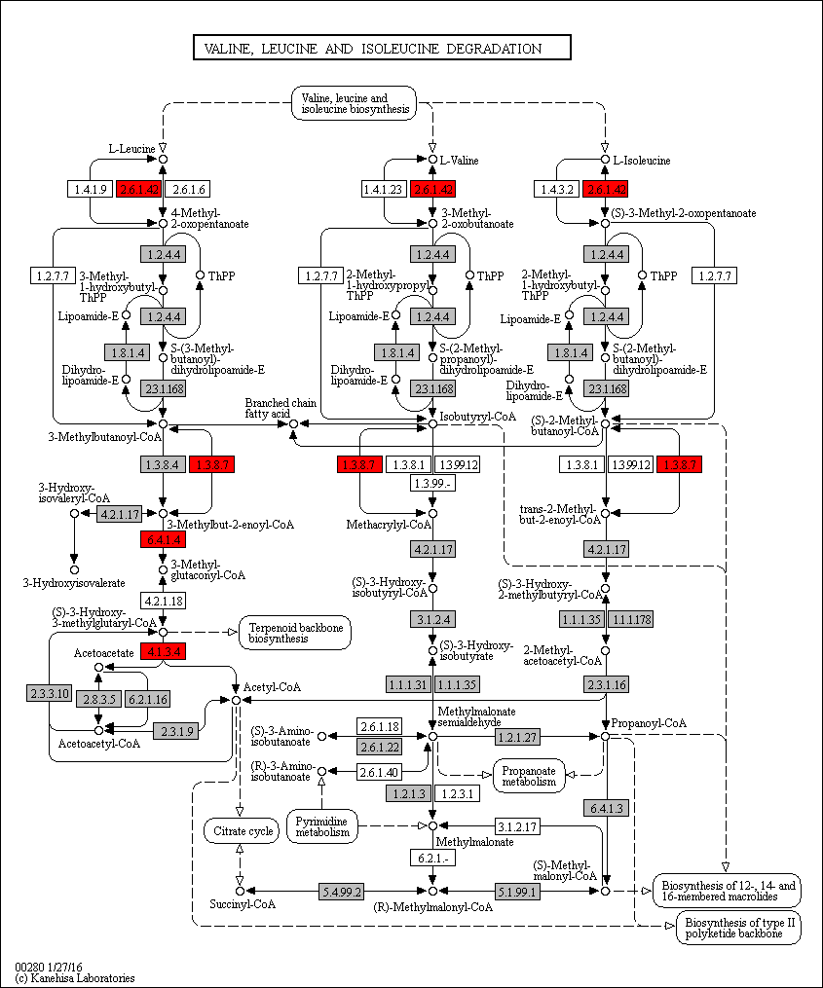
 | 2.6.1.42 | 0 | 0 | 0 | 0 | 0 | 0 | 0 | 0 | 0 | 0 | 0 | 0 | 0 | 0 | 0 | 0 | 0 | 0 | 0 | 0 | 0 | 0 | 0 | 0 | 1 | 2 | 1 | 1 | 1 | 1 | 1 | 2 | 2 | 3 | 1 | 2 | 2 | 2 | 2 | 2 | 2 | 2 | 6 | 2 | 2 | 2 | 2 | 1 | 1 | 2 | 2 | 1 | 1 | 2 | 2 | 2 | 2 | 3 | 2 | 0 | 2 | 1 | 0 | 1 | 1 | 1 | 1 | 1 | 1 | 1 | 1 | 1 | 1 | 1 | 1 | 1 | 1 | 0 | 2 | 2
 | 1.3.8.7 | 0 | 0 | 0 | 0 | 0 | 0 | 0 | 0 | 0 | 0 | 0 | 0 | 0 | 0 | 0 | 0 | 0 | 0 | 0 | 0 | 0 | 0 | 0 | 0 | 0 | 1 | 1 | 1 | 1 | 0 | 1 | 1 | 2 | 3 | 1 | 1 | 1 | 1 | 1 | 1 | 1 | 3 | 2 | 1 | 1 | 1 | 0 | 0 | 0 | 1 | 1 | 0 | 0 | 1 | 0 | 1 | 1 | 0 | 2 | 0 | 2 | 3 | 1 | 1 | 1 | 1 | 2 | 0 | 0 | 1 | 1 | 1 | 1 | 1 | 1 | 2 | 0 | 0 | 1 | 1 | Legend Key:
 | 6.4.1.4 | 0 | 0 | 0 | 0 | 0 | 0 | 0 | 0 | 0 | 0 | 0 | 0 | 0 | 0 | 0 | 0 | 0 | 0 | 0 | 0 | 0 | 0 | 0 | 0 | 0 | 0 | 0 | 0 | 1 | 1 | 1 | 1 | 1 | 2 | 1 | 1 | 1 | 1 | 1 | 1 | 1 | 1 | 1 | 1 | 1 | 1 | 2 | 1 | 0 | 1 | 1 | 1 | 0 | 0 | 1 | 1 | 1 | 2 | 1 | 0 | 1 | 1 | 1 | 1 | 0 | 0 | 0 | 0 | 0 | 0 | 0 | 0 | 0 | 0 | 0 | 0 | 0 | 0 | 1 | 0 |  | EC present in flatworms + nematodes
 | 4.1.3.4 | 0 | 0 | 0 | 0 | 0 | 0 | 0 | 0 | 0 | 0 | 0 | 0 | 0 | 0 | 0 | 0 | 0 | 0 | 0 | 0 | 0 | 0 | 0 | 0 | 0 | 0 | 0 | 0 | 0 | 1 | 0 | 1 | 1 | 1 | 1 | 1 | 1 | 1 | 1 | 0 | 1 | 1 | 0 | 0 | 1 | 1 | 1 | 0 | 0 | 1 | 1 | 1 | 0 | 0 | 1 | 0 | 1 | 1 | 0 | 0 | 1 | 0 | 0 | 1 | 0 | 0 | 0 | 0 | 0 | 0 | 0 | 0 | 0 | 0 | 0 | 0 | 0 | 0 | 0 | 0 |  | EC unique to flatworms
 |  |  |  |  |  |  |  |  |  |  |  |  |  |  |  |  |  |  |  |  |  |  |  |  |  |  |  |  |  |  |  |  |  |  |  |  |  |  |  |  |  |  |  |  |  |  |  |  |  |  |  |  |  |  |  |  |  |  |  |  |  |  |  |  |  |  |  |  |  |  |  |  |  |  |  |  |  |  |  |  |  |  | EC unique to nematodes

 |  |  |  |  |  |  |  |  |  |  |  |  |  |  |  |  |  |  |  |  |  |  |  |  |  |  |  |  |  |  |  |  |  |  |  |  |  |  |  |  |  |  |  |  |  |  |  |  |  |  |  |  |  |  |  |  |  |  |  |  |  |  |  |  |  |  |  |  |  |  |  |  |  |  |  |  |  |  |  |  |  |  | Gene expansions in most flatworms and nematodes
 |  |  |  |  |  |  |  |  |  |  |  |  |  |  |  |  |  |  |  |  |  |  |  |  |  |  |  |  |  |  |  |  |  |  |  |  |  |  |  |  |  |  |  |  |  |  |  |  |  |  |  |  |  |  |  |  |  |  |  |  |  |  |  |  |  |  |  |  |  |  |  |  |  |  |  |  |  |  |  |  |  |  | Gene expansions in particular clades (flatworms and nematodes)
 |  |  |  |  |  |  |  |  |  |  |  |  |  |  |  |  |  |  |  |  |  |  |  |  |  |  |  |  |  |  |  |  |  |  |  |  |  |  |  |  |  |  |  |  |  |  |  |  |  |  |  |  |  |  |  |  |  |  |  |  |  |  |  |  |  |  |  |  |  |  |  |  |  |  |  |  |  |  |  |  |  |  | Gene expansions in clades of nematodes
 |  |  |  |  |  |  |  |  |  |  |  |  |  |  |  |  |  |  |  |  |  |  |  |  |  |  |  |  |  |  |  |  |  |  |  |  |  |  |  |  |  |  |  |  |  |  |  |  |  |  |  |  |  |  |  |  |  |  |  |  |  |  |  |  |  |  |  |  |  |  |  |  |  |  |  |  |  |  |  |  |  |  | Gene expansions in clades of flatworms

 |  |  |  |  |  |  |  |  |  |  |  |  |  |  |  |  |  |  |  |  |  |  |  |  |  |  |  |  |  |  |  |  |  |  |  |  |  |  |  |  |  |  |  |  |  |  |  |  |  |  |  |  |  |  |  |  |  |  |  |  |  |  |  |  |  |  |  |  |  |  |  |  |  |  |  |  |  |  |  |  |  |  | Gene absent
 |  |  |  |  |  |  |  |  |  |  |  |  |  |  |  |  |  |  |  |  |  |  |  |  |  |  |  |  |  |  |  |  |  |  |  |  |  |  |  |  |  |  |  |  |  |  |  |  |  |  |  |  |  |  |  |  |  |  |  |  |  |  |  |  |  |  |  |  |  |  |  |  |  |  |  |  |  |  |  |  |  |  | 1 copy of gene present
 |  |  |  |  |  |  |  |  |  |  |  |  |  |  |  |  |  |  |  |  |  |  |  |  |  |  |  |  |  |  |  |  |  |  |  |  |  |  |  |  |  |  |  |  |  |  |  |  |  |  |  |  |  |  |  |  |  |  |  |  |  |  |  |  |  |  |  |  |  |  |  |  |  |  |  |  |  |  |  |  |  |  | >=2 copies of gene present
 |  |  |  |  |  |  |  |  |  |  |  |  |  |  |  |  |  |  |  |  |  |  |  |  |  |  |  |  |  |  |  |  |  |  |  |  |  |  |  |  |  |  |  |  |  |  |  |  |  |  |  |  |  |  |  |  |  |  |  |  |  |  |  |  |  |  |  |  |  |  |  |  |  |  |  |  |  |  |  |  |  |  | High copy number of genes

u
Supplementary Table 20u: Tryptophan metabolism
EC predictions from hole-filling were not used for this analysis. Below we show the KEGG map with enzymes found in nematodes and not platyhelminths, or vice versa (see key on far right of spreadsheet) highlighted, as well as expansions (high gene counts). The heatmap on the right gives gene counts per species.
 |  |  |  |  |  |  |  | Flatworms |  |  |  |  |  |  |  |  |  |  |  |  |  |  |  |  |  |  |  |  |  |  |  |  |  |  |  |  |  |  |  |  |  |  |  |  |  |  |  |  | Nematodes
 | Clade | Trematoda | Trematoda | Trematoda | Trematoda | Trematoda | Trematoda | Trematoda | Trematoda | Trematoda | Trematoda | Trematoda | Cestoda | Cestoda | Cestoda | Cestoda | Cestoda | Cestoda | Cestoda | Cestoda | Cestoda | Cestoda | Cestoda | Cestoda | Flatworms-Other | Clade-I | Clade-I | Clade-I | Clade-I | Clade-I | Clade-I | Clade-I | Clade-IV~IVb | Clade-IV~IVb | Clade-IV~IVb | Clade-IV~IVb | Clade-IV~IVa | Clade-IV~IVa | Clade-IV~IVa | Clade-IV~IVa | Clade-IV~IVa | Clade-IV~IVa | Clade-V~Freeliving | Clade-V~Freeliving | Clade-V~Lungworm | Clade-V~Lungworm | Clade-V~Lungworm | Clade-V~Strongylida-other | Clade-V~Strongylida-other | Clade-V~Strongylida-other | Clade-V~Strongylida-other | Clade-V~Strongylida-other | Clade-V~Ancy+Strongylidae | Clade-V~Ancy+Strongylidae | Clade-V~Ancy+Strongylidae | Clade-V~Ancy+Strongylidae | Clade-V~Ancy+Strongylidae | Clade-V~Ancy+Strongylidae | Clade-V~Ancy+Strongylidae | Clade-III~Ascaridomorpha | Clade-III~Ascaridomorpha | Clade-III~Ascaridomorpha | Clade-III~Ascaridomorpha | Clade-III~Ascaridomorpha | Clade-III~Spiruromorpha+other | Clade-III~Spiruromorpha+other | Clade-III~Spiruromorpha+other | Clade-III~Spiruromorpha+other | Clade-III~Spiruromorpha+other | Clade-III~Spiruromorpha+other | Clade-III~Spiruromorpha+other | Clade-III~Spiruromorpha+other | Clade-III~Spiruromorpha+other | Clade-III~Spiruromorpha+other | Clade-III~Spiruromorpha+other | Clade-III~Spiruromorpha+other | Clade-III~Spiruromorpha+other | Clade-III~Spiruromorpha+other | Clade-III~Spiruromorpha+other | Clade-III~Oxyuridomorpha | Clade-III~Oxyurida
 | Species | S. haematobium | S. curassoni | S. mattheei | S. margrebowiei | S. mansoni | S. rodhaini | S. japonicum | T. regenti | C. sinensis | E. caproni | F. hepatica | D. latus | E. multilocularis | E. granulosus | T. asiatica | T. solium | H. taeniaeformis | H. diminuta | H. microstoma | H. nana | M. corti | S. solidus | S. erinaceieuropaei | P. xenopodis | R. culicivorax | S. baturini | T. spiralis | T. nativa | T. muris | T. suis | T. trichiura | G. pallida | M. hapla | P. redivivus | B. xylophilus | R. sp | P. trichosuri | S. ratti | S. stercoralis | S. venezuelensis | S. papillosus | C. elegans | P. pacificus | A. cantonensis | A. costaricensis | D. viviparus | H. contortus | H. placei | T. circumcincta | H. bakeri | N. brasiliensis | S. vulgaris | C. goldi | O. dentatum | N. americanus | A. ceylanicum | A. duodenale | A. caninum | A. lumbricoides | P. equorum | A. suum | T. canis | A. simplex | D. medinensis | B. pahangi | B. timori | B. malayi | W. bancrofti | L. loa | E. elaphi | L. sigmodontis | A. viteae | O. flexuosa | O. ochengi | O. volvulus | D. immitis | T. callipaeda | G. pulchrum | E. vermicularis | S. muris

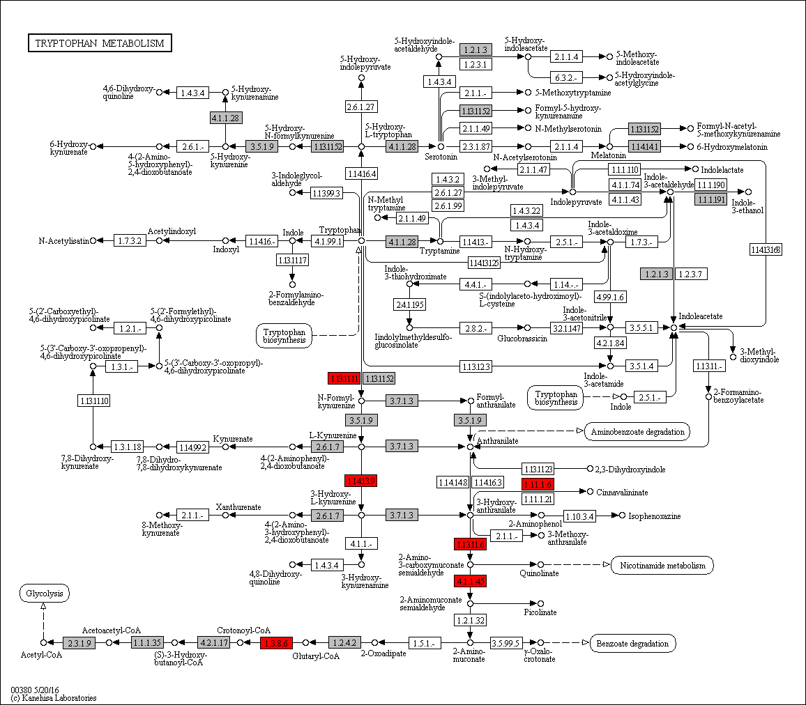
 | 1.11.1.6 | 0 | 0 | 0 | 0 | 0 | 0 | 0 | 0 | 0 | 0 | 0 | 0 | 0 | 0 | 0 | 0 | 0 | 0 | 0 | 0 | 0 | 0 | 0 | 0 | 3 | 0 | 0 | 0 | 0 | 0 | 0 | 1 | 3 | 1 | 2 | 1 | 1 | 1 | 1 | 1 | 1 | 3 | 2 | 1 | 2 | 1 | 0 | 3 | 4 | 1 | 1 | 4 | 3 | 4 | 1 | 2 | 6 | 3 | 2 | 0 | 1 | 3 | 1 | 1 | 0 | 2 | 0 | 0 | 0 | 0 | 0 | 0 | 0 | 0 | 0 | 0 | 0 | 4 | 1 | 1 | Legend Key:
 | 1.13.11.11 | 0 | 0 | 0 | 0 | 0 | 0 | 0 | 0 | 0 | 0 | 0 | 0 | 0 | 0 | 0 | 0 | 0 | 0 | 0 | 0 | 0 | 0 | 0 | 0 | 1 | 0 | 0 | 0 | 0 | 0 | 0 | 0 | 1 | 1 | 1 | 1 | 1 | 1 | 1 | 1 | 1 | 1 | 1 | 1 | 1 | 1 | 2 | 1 | 1 | 0 | 1 | 0 | 0 | 1 | 1 | 1 | 0 | 1 | 0 | 0 | 0 | 0 | 0 | 0 | 0 | 0 | 0 | 0 | 0 | 0 | 0 | 0 | 0 | 0 | 0 | 0 | 0 | 0 | 0 | 0 |  | EC present in flatworms + nematodes
 | 1.13.11.6 | 0 | 0 | 0 | 0 | 0 | 0 | 0 | 0 | 0 | 0 | 0 | 0 | 0 | 0 | 0 | 0 | 0 | 0 | 0 | 0 | 0 | 0 | 0 | 0 | 0 | 0 | 0 | 0 | 0 | 0 | 0 | 0 | 0 | 1 | 0 | 1 | 1 | 1 | 1 | 1 | 1 | 1 | 0 | 1 | 0 | 0 | 1 | 0 | 1 | 1 | 1 | 1 | 0 | 1 | 0 | 1 | 1 | 0 | 0 | 0 | 0 | 0 | 0 | 0 | 0 | 0 | 0 | 0 | 0 | 0 | 0 | 0 | 0 | 0 | 0 | 0 | 0 | 0 | 0 | 0 |  | EC unique to flatworms
 | 1.14.13.9 | 0 | 0 | 0 | 0 | 0 | 0 | 0 | 0 | 0 | 0 | 0 | 0 | 0 | 0 | 0 | 0 | 0 | 0 | 0 | 0 | 0 | 0 | 0 | 0 | 0 | 0 | 0 | 0 | 0 | 0 | 0 | 0 | 0 | 1 | 1 | 2 | 1 | 1 | 1 | 1 | 1 | 1 | 1 | 1 | 1 | 1 | 1 | 0 | 0 | 1 | 1 | 0 | 0 | 1 | 0 | 1 | 0 | 1 | 0 | 0 | 0 | 0 | 1 | 0 | 0 | 0 | 0 | 0 | 0 | 0 | 0 | 0 | 0 | 0 | 0 | 0 | 0 | 0 | 0 | 0 |  | EC unique to nematodes
 | 1.3.8.6 | 0 | 0 | 0 | 0 | 0 | 0 | 0 | 0 | 0 | 0 | 0 | 0 | 0 | 0 | 0 | 0 | 0 | 0 | 0 | 0 | 0 | 0 | 0 | 0 | 0 | 0 | 0 | 0 | 0 | 0 | 0 | 1 | 0 | 0 | 0 | 1 | 1 | 1 | 1 | 1 | 1 | 1 | 0 | 0 | 1 | 1 | 1 | 1 | 0 | 1 | 1 | 0 | 0 | 0 | 1 | 1 | 0 | 1 | 0 | 0 | 0 | 0 | 0 | 1 | 0 | 0 | 0 | 0 | 0 | 0 | 0 | 0 | 0 | 0 | 0 | 0 | 0 | 0 | 1 | 0
 | 4.1.1.45 | 0 | 0 | 0 | 0 | 0 | 0 | 0 | 0 | 0 | 0 | 0 | 0 | 0 | 0 | 0 | 0 | 0 | 0 | 0 | 0 | 0 | 0 | 0 | 0 | 0 | 0 | 0 | 0 | 0 | 0 | 0 | 0 | 0 | 1 | 0 | 0 | 0 | 0 | 0 | 0 | 0 | 1 | 0 | 0 | 0 | 0 | 0 | 0 | 0 | 0 | 0 | 0 | 0 | 0 | 0 | 0 | 0 | 0 | 0 | 0 | 0 | 0 | 0 | 0 | 0 | 0 | 0 | 0 | 0 | 0 | 0 | 0 | 0 | 0 | 0 | 0 | 0 | 0 | 0 | 0 |  | Gene expansions in most flatworms and nematodes
 |  |  |  |  |  |  |  |  |  |  |  |  |  |  |  |  |  |  |  |  |  |  |  |  |  |  |  |  |  |  |  |  |  |  |  |  |  |  |  |  |  |  |  |  |  |  |  |  |  |  |  |  |  |  |  |  |  |  |  |  |  |  |  |  |  |  |  |  |  |  |  |  |  |  |  |  |  |  |  |  |  |  | Gene expansions in particular clades (flatworms and nematodes)
 |  |  |  |  |  |  |  |  |  |  |  |  |  |  |  |  |  |  |  |  |  |  |  |  |  |  |  |  |  |  |  |  |  |  |  |  |  |  |  |  |  |  |  |  |  |  |  |  |  |  |  |  |  |  |  |  |  |  |  |  |  |  |  |  |  |  |  |  |  |  |  |  |  |  |  |  |  |  |  |  |  |  | Gene expansions in clades of nematodes
 |  |  |  |  |  |  |  |  |  |  |  |  |  |  |  |  |  |  |  |  |  |  |  |  |  |  |  |  |  |  |  |  |  |  |  |  |  |  |  |  |  |  |  |  |  |  |  |  |  |  |  |  |  |  |  |  |  |  |  |  |  |  |  |  |  |  |  |  |  |  |  |  |  |  |  |  |  |  |  |  |  |  | Gene expansions in clades of flatworms

 |  |  |  |  |  |  |  |  |  |  |  |  |  |  |  |  |  |  |  |  |  |  |  |  |  |  |  |  |  |  |  |  |  |  |  |  |  |  |  |  |  |  |  |  |  |  |  |  |  |  |  |  |  |  |  |  |  |  |  |  |  |  |  |  |  |  |  |  |  |  |  |  |  |  |  |  |  |  |  |  |  |  | Gene absent
 |  |  |  |  |  |  |  |  |  |  |  |  |  |  |  |  |  |  |  |  |  |  |  |  |  |  |  |  |  |  |  |  |  |  |  |  |  |  |  |  |  |  |  |  |  |  |  |  |  |  |  |  |  |  |  |  |  |  |  |  |  |  |  |  |  |  |  |  |  |  |  |  |  |  |  |  |  |  |  |  |  |  | 1 copy of gene present
 |  |  |  |  |  |  |  |  |  |  |  |  |  |  |  |  |  |  |  |  |  |  |  |  |  |  |  |  |  |  |  |  |  |  |  |  |  |  |  |  |  |  |  |  |  |  |  |  |  |  |  |  |  |  |  |  |  |  |  |  |  |  |  |  |  |  |  |  |  |  |  |  |  |  |  |  |  |  |  |  |  |  | >=2 copies of gene present
 |  |  |  |  |  |  |  |  |  |  |  |  |  |  |  |  |  |  |  |  |  |  |  |  |  |  |  |  |  |  |  |  |  |  |  |  |  |  |  |  |  |  |  |  |  |  |  |  |  |  |  |  |  |  |  |  |  |  |  |  |  |  |  |  |  |  |  |  |  |  |  |  |  |  |  |  |  |  |  |  |  |  | High copy number of genes

v
Supplementary Table 20v: Nicotinate and nicotinamide metabolism
EC predictions from hole-filling were not used for this analysis. Below we show the KEGG map with enzymes found in nematodes and not platyhelminths, or vice versa (see key on far right of spreadsheet) highlighted, as well as expansions (high gene counts). The heatmap on the right gives gene counts per species.
 |  |  |  |  |  |  |  | Flatworms |  |  |  |  |  |  |  |  |  |  |  |  |  |  |  |  |  |  |  |  |  |  |  |  |  |  |  |  |  |  |  |  |  |  |  |  |  |  |  |  | Nematodes
 | Clade | Trematoda | Trematoda | Trematoda | Trematoda | Trematoda | Trematoda | Trematoda | Trematoda | Trematoda | Trematoda | Trematoda | Cestoda | Cestoda | Cestoda | Cestoda | Cestoda | Cestoda | Cestoda | Cestoda | Cestoda | Cestoda | Cestoda | Cestoda | Flatworms-Other | Clade-I | Clade-I | Clade-I | Clade-I | Clade-I | Clade-I | Clade-I | Clade-IV~IVb | Clade-IV~IVb | Clade-IV~IVb | Clade-IV~IVb | Clade-IV~IVa | Clade-IV~IVa | Clade-IV~IVa | Clade-IV~IVa | Clade-IV~IVa | Clade-IV~IVa | Clade-V~Freeliving | Clade-V~Freeliving | Clade-V~Lungworm | Clade-V~Lungworm | Clade-V~Lungworm | Clade-V~Strongylida-other | Clade-V~Strongylida-other | Clade-V~Strongylida-other | Clade-V~Strongylida-other | Clade-V~Strongylida-other | Clade-V~Ancy+Strongylidae | Clade-V~Ancy+Strongylidae | Clade-V~Ancy+Strongylidae | Clade-V~Ancy+Strongylidae | Clade-V~Ancy+Strongylidae | Clade-V~Ancy+Strongylidae | Clade-V~Ancy+Strongylidae | Clade-III~Ascaridomorpha | Clade-III~Ascaridomorpha | Clade-III~Ascaridomorpha | Clade-III~Ascaridomorpha | Clade-III~Ascaridomorpha | Clade-III~Spiruromorpha+other | Clade-III~Spiruromorpha+other | Clade-III~Spiruromorpha+other | Clade-III~Spiruromorpha+other | Clade-III~Spiruromorpha+other | Clade-III~Spiruromorpha+other | Clade-III~Spiruromorpha+other | Clade-III~Spiruromorpha+other | Clade-III~Spiruromorpha+other | Clade-III~Spiruromorpha+other | Clade-III~Spiruromorpha+other | Clade-III~Spiruromorpha+other | Clade-III~Spiruromorpha+other | Clade-III~Spiruromorpha+other | Clade-III~Spiruromorpha+other | Clade-III~Oxyuridomorpha | Clade-III~Oxyurida
 | Species | S. haematobium | S. curassoni | S. mattheei | S. margrebowiei | S. mansoni | S. rodhaini | S. japonicum | T. regenti | C. sinensis | E. caproni | F. hepatica | D. latus | E. multilocularis | E. granulosus | T. asiatica | T. solium | H. taeniaeformis | H. diminuta | H. microstoma | H. nana | M. corti | S. solidus | S. erinaceieuropaei | P. xenopodis | R. culicivorax | S. baturini | T. spiralis | T. nativa | T. muris | T. suis | T. trichiura | G. pallida | M. hapla | P. redivivus | B. xylophilus | R. sp | P. trichosuri | S. ratti | S. stercoralis | S. venezuelensis | S. papillosus | C. elegans | P. pacificus | A. cantonensis | A. costaricensis | D. viviparus | H. contortus | H. placei | T. circumcincta | H. bakeri | N. brasiliensis | S. vulgaris | C. goldi | O. dentatum | N. americanus | A. ceylanicum | A. duodenale | A. caninum | A. lumbricoides | P. equorum | A. suum | T. canis | A. simplex | D. medinensis | B. pahangi | B. timori | B. malayi | W. bancrofti | L. loa | E. elaphi | L. sigmodontis | A. viteae | O. flexuosa | O. ochengi | O. volvulus | D. immitis | T. callipaeda | G. pulchrum | E. vermicularis | S. muris

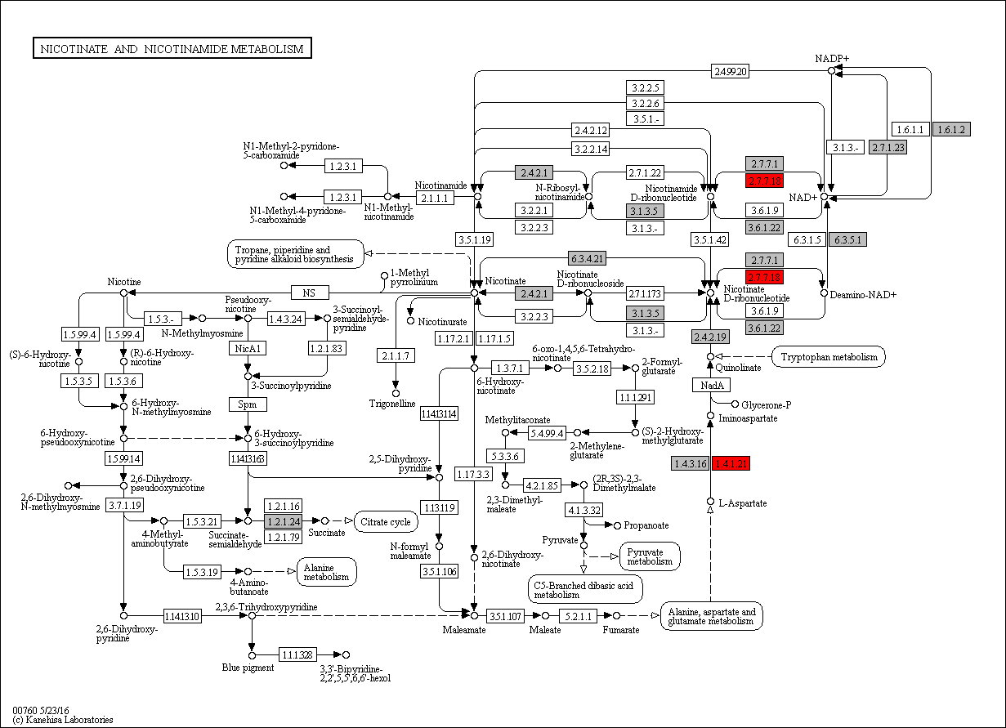
 | 2.4.2.19 | 0 | 0 | 0 | 0 | 0 | 0 | 0 | 0 | 0 | 0 | 0 | 0 | 0 | 0 | 0 | 0 | 0 | 0 | 0 | 0 | 0 | 0 | 0 | 0 | 1 | 0 | 0 | 0 | 0 | 0 | 0 | 0 | 0 | 0 | 0 | 0 | 0 | 0 | 0 | 0 | 0 | 0 | 0 | 0 | 0 | 0 | 0 | 0 | 0 | 0 | 0 | 0 | 0 | 0 | 0 | 0 | 0 | 0 | 0 | 0 | 0 | 0 | 0 | 0 | 0 | 0 | 0 | 0 | 0 | 0 | 0 | 0 | 0 | 0 | 0 | 0 | 0 | 0 | 0 | 0 | Legend Key:
 | 2.7.7.18 | 0 | 0 | 0 | 0 | 0 | 0 | 0 | 0 | 0 | 0 | 0 | 0 | 0 | 0 | 0 | 0 | 0 | 0 | 0 | 0 | 0 | 0 | 0 | 0 | 0 | 0 | 1 | 1 | 0 | 0 | 1 | 1 | 1 | 0 | 1 | 0 | 1 | 1 | 1 | 0 | 1 | 2 | 2 | 1 | 1 | 0 | 1 | 1 | 1 | 0 | 0 | 0 | 0 | 0 | 1 | 1 | 0 | 0 | 1 | 0 | 1 | 1 | 1 | 1 | 0 | 0 | 0 | 1 | 0 | 0 | 0 | 1 | 0 | 1 | 1 | 1 | 1 | 0 | 1 | 1 |  | EC present in flatworms + nematodes
 | 3.6.1.22 | 0 | 0 | 0 | 0 | 0 | 0 | 0 | 0 | 1 | 0 | 0 | 0 | 0 | 0 | 0 | 0 | 0 | 0 | 0 | 0 | 0 | 0 | 0 | 0 | 1 | 0 | 1 | 1 | 1 | 1 | 1 | 1 | 0 | 1 | 1 | 1 | 1 | 2 | 2 | 2 | 2 | 1 | 1 | 1 | 1 | 1 | 3 | 1 | 1 | 1 | 1 | 0 | 1 | 1 | 1 | 1 | 1 | 1 | 1 | 1 | 1 | 1 | 1 | 1 | 0 | 0 | 0 | 0 | 0 | 0 | 0 | 0 | 0 | 0 | 0 | 0 | 0 | 0 | 1 | 1 |  | EC unique to flatworms
 | 2.7.7.1 | 1 | 1 | 1 | 1 | 1 | 0 | 0 | 1 | 1 | 0 | 0 | 0 | 1 | 1 | 1 | 1 | 1 | 1 | 1 | 0 | 1 | 1 | 0 | 0 | 1 | 0 | 1 | 1 | 0 | 1 | 1 | 1 | 1 | 1 | 2 | 0 | 1 | 1 | 2 | 1 | 1 | 2 | 3 | 1 | 1 | 2 | 2 | 2 | 1 | 2 | 1 | 1 | 0 | 0 | 2 | 2 | 3 | 1 | 2 | 2 | 2 | 2 | 2 | 1 | 2 | 2 | 2 | 2 | 2 | 2 | 2 | 2 | 2 | 2 | 2 | 2 | 2 | 1 | 1 | 1 |  | EC unique to nematodes
 | 1.4.1.21 | 0 | 0 | 0 | 0 | 0 | 0 | 0 | 0 | 0 | 0 | 0 | 0 | 0 | 0 | 0 | 0 | 0 | 0 | 0 | 0 | 0 | 0 | 0 | 0 | 1 | 0 | 0 | 0 | 0 | 0 | 0 | 0 | 1 | 1 | 1 | 1 | 1 | 1 | 1 | 1 | 1 | 1 | 1 | 1 | 1 | 1 | 3 | 1 | 3 | 1 | 0 | 1 | 1 | 0 | 0 | 0 | 2 | 1 | 1 | 1 | 1 | 1 | 1 | 0 | 0 | 0 | 0 | 0 | 0 | 0 | 0 | 0 | 0 | 0 | 0 | 0 | 0 | 0 | 0 | 0
 |  |  |  |  |  |  |  |  |  |  |  |  |  |  |  |  |  |  |  |  |  |  |  |  |  |  |  |  |  |  |  |  |  |  |  |  |  |  |  |  |  |  |  |  |  |  |  |  |  |  |  |  |  |  |  |  |  |  |  |  |  |  |  |  |  |  |  |  |  |  |  |  |  |  |  |  |  |  |  |  |  |  | Gene expansions in most flatworms and nematodes
 |  |  |  |  |  |  |  |  |  |  |  |  |  |  |  |  |  |  |  |  |  |  |  |  |  |  |  |  |  |  |  |  |  |  |  |  |  |  |  |  |  |  |  |  |  |  |  |  |  |  |  |  |  |  |  |  |  |  |  |  |  |  |  |  |  |  |  |  |  |  |  |  |  |  |  |  |  |  |  |  |  |  | Gene expansions in particular clades (flatworms and nematodes)
 |  |  |  |  |  |  |  |  |  |  |  |  |  |  |  |  |  |  |  |  |  |  |  |  |  |  |  |  |  |  |  |  |  |  |  |  |  |  |  |  |  |  |  |  |  |  |  |  |  |  |  |  |  |  |  |  |  |  |  |  |  |  |  |  |  |  |  |  |  |  |  |  |  |  |  |  |  |  |  |  |  |  | Gene expansions in clades of nematodes
 |  |  |  |  |  |  |  |  |  |  |  |  |  |  |  |  |  |  |  |  |  |  |  |  |  |  |  |  |  |  |  |  |  |  |  |  |  |  |  |  |  |  |  |  |  |  |  |  |  |  |  |  |  |  |  |  |  |  |  |  |  |  |  |  |  |  |  |  |  |  |  |  |  |  |  |  |  |  |  |  |  |  | Gene expansions in clades of flatworms

 |  |  |  |  |  |  |  |  |  |  |  |  |  |  |  |  |  |  |  |  |  |  |  |  |  |  |  |  |  |  |  |  |  |  |  |  |  |  |  |  |  |  |  |  |  |  |  |  |  |  |  |  |  |  |  |  |  |  |  |  |  |  |  |  |  |  |  |  |  |  |  |  |  |  |  |  |  |  |  |  |  |  | Gene absent
 |  |  |  |  |  |  |  |  |  |  |  |  |  |  |  |  |  |  |  |  |  |  |  |  |  |  |  |  |  |  |  |  |  |  |  |  |  |  |  |  |  |  |  |  |  |  |  |  |  |  |  |  |  |  |  |  |  |  |  |  |  |  |  |  |  |  |  |  |  |  |  |  |  |  |  |  |  |  |  |  |  |  | 1 copy of gene present
 |  |  |  |  |  |  |  |  |  |  |  |  |  |  |  |  |  |  |  |  |  |  |  |  |  |  |  |  |  |  |  |  |  |  |  |  |  |  |  |  |  |  |  |  |  |  |  |  |  |  |  |  |  |  |  |  |  |  |  |  |  |  |  |  |  |  |  |  |  |  |  |  |  |  |  |  |  |  |  |  |  |  | >=2 copies of gene present
 |  |  |  |  |  |  |  |  |  |  |  |  |  |  |  |  |  |  |  |  |  |  |  |  |  |  |  |  |  |  |  |  |  |  |  |  |  |  |  |  |  |  |  |  |  |  |  |  |  |  |  |  |  |  |  |  |  |  |  |  |  |  |  |  |  |  |  |  |  |  |  |  |  |  |  |  |  |  |  |  |  |  | High copy number of genes

w
Supplementary Table 20w: One carbon pool by folate
EC predictions from hole-filling were not used for this analysis. Below we show the KEGG map with enzymes found in nematodes and not platyhelminths, or vice versa (see key on far right of spreadsheet) highlighted, as well as expansions (high gene counts). The heatmap on the right gives gene counts per species.
 |  |  |  |  |  |  |  | Flatworms |  |  |  |  |  |  |  |  |  |  |  |  |  |  |  |  |  |  |  |  |  |  |  |  |  |  |  |  |  |  |  |  |  |  |  |  |  |  |  |  | Nematodes
 | Clade | Trematoda | Trematoda | Trematoda | Trematoda | Trematoda | Trematoda | Trematoda | Trematoda | Trematoda | Trematoda | Trematoda | Cestoda | Cestoda | Cestoda | Cestoda | Cestoda | Cestoda | Cestoda | Cestoda | Cestoda | Cestoda | Cestoda | Cestoda | Flatworms-Other | Clade-I | Clade-I | Clade-I | Clade-I | Clade-I | Clade-I | Clade-I | Clade-IV~IVb | Clade-IV~IVb | Clade-IV~IVb | Clade-IV~IVb | Clade-IV~IVa | Clade-IV~IVa | Clade-IV~IVa | Clade-IV~IVa | Clade-IV~IVa | Clade-IV~IVa | Clade-V~Freeliving | Clade-V~Freeliving | Clade-V~Lungworm | Clade-V~Lungworm | Clade-V~Lungworm | Clade-V~Strongylida-other | Clade-V~Strongylida-other | Clade-V~Strongylida-other | Clade-V~Strongylida-other | Clade-V~Strongylida-other | Clade-V~Ancy+Strongylidae | Clade-V~Ancy+Strongylidae | Clade-V~Ancy+Strongylidae | Clade-V~Ancy+Strongylidae | Clade-V~Ancy+Strongylidae | Clade-V~Ancy+Strongylidae | Clade-V~Ancy+Strongylidae | Clade-III~Ascaridomorpha | Clade-III~Ascaridomorpha | Clade-III~Ascaridomorpha | Clade-III~Ascaridomorpha | Clade-III~Ascaridomorpha | Clade-III~Spiruromorpha+other | Clade-III~Spiruromorpha+other | Clade-III~Spiruromorpha+other | Clade-III~Spiruromorpha+other | Clade-III~Spiruromorpha+other | Clade-III~Spiruromorpha+other | Clade-III~Spiruromorpha+other | Clade-III~Spiruromorpha+other | Clade-III~Spiruromorpha+other | Clade-III~Spiruromorpha+other | Clade-III~Spiruromorpha+other | Clade-III~Spiruromorpha+other | Clade-III~Spiruromorpha+other | Clade-III~Spiruromorpha+other | Clade-III~Spiruromorpha+other | Clade-III~Oxyuridomorpha | Clade-III~Oxyurida
 | Species | S. haematobium | S. curassoni | S. mattheei | S. margrebowiei | S. mansoni | S. rodhaini | S. japonicum | T. regenti | C. sinensis | E. caproni | F. hepatica | D. latus | E. multilocularis | E. granulosus | T. asiatica | T. solium | H. taeniaeformis | H. diminuta | H. microstoma | H. nana | M. corti | S. solidus | S. erinaceieuropaei | P. xenopodis | R. culicivorax | S. baturini | T. spiralis | T. nativa | T. muris | T. suis | T. trichiura | G. pallida | M. hapla | P. redivivus | B. xylophilus | R. sp | P. trichosuri | S. ratti | S. stercoralis | S. venezuelensis | S. papillosus | C. elegans | P. pacificus | A. cantonensis | A. costaricensis | D. viviparus | H. contortus | H. placei | T. circumcincta | H. bakeri | N. brasiliensis | S. vulgaris | C. goldi | O. dentatum | N. americanus | A. ceylanicum | A. duodenale | A. caninum | A. lumbricoides | P. equorum | A. suum | T. canis | A. simplex | D. medinensis | B. pahangi | B. timori | B. malayi | W. bancrofti | L. loa | E. elaphi | L. sigmodontis | A. viteae | O. flexuosa | O. ochengi | O. volvulus | D. immitis | T. callipaeda | G. pulchrum | E. vermicularis | S. muris

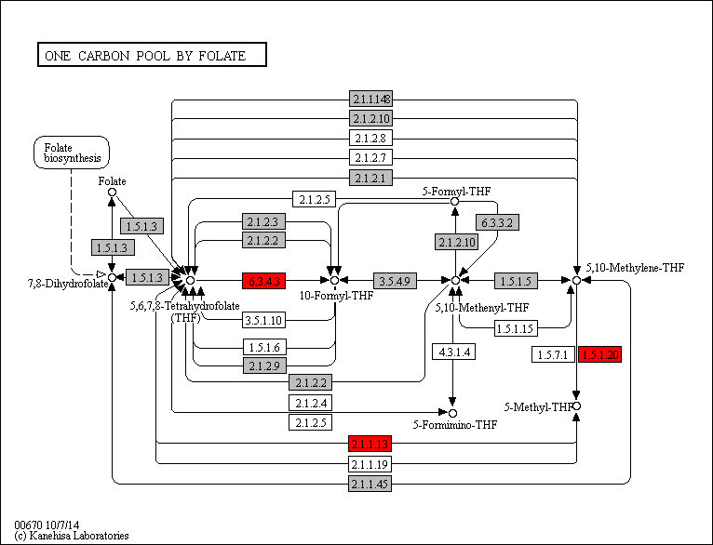
 | 1.5.1.20 | 0 | 0 | 0 | 0 | 0 | 0 | 0 | 0 | 0 | 0 | 0 | 0 | 0 | 0 | 0 | 0 | 0 | 0 | 0 | 0 | 0 | 0 | 0 | 0 | 1 | 0 | 1 | 1 | 1 | 1 | 1 | 0 | 0 | 1 | 0 | 1 | 1 | 1 | 1 | 1 | 1 | 1 | 0 | 1 | 1 | 1 | 1 | 1 | 1 | 0 | 0 | 0 | 0 | 0 | 1 | 1 | 0 | 0 | 1 | 0 | 1 | 0 | 1 | 0 | 1 | 1 | 1 | 1 | 1 | 1 | 1 | 1 | 1 | 1 | 1 | 2 | 0 | 0 | 1 | 1 | Legend Key:
 | 6.3.4.3 | 0 | 0 | 0 | 0 | 0 | 0 | 0 | 0 | 0 | 0 | 0 | 0 | 0 | 0 | 0 | 0 | 0 | 0 | 0 | 0 | 0 | 0 | 0 | 0 | 1 | 1 | 1 | 1 | 1 | 1 | 1 | 1 | 1 | 1 | 1 | 1 | 1 | 1 | 1 | 1 | 1 | 1 | 1 | 1 | 1 | 3 | 3 | 2 | 0 | 2 | 1 | 1 | 2 | 1 | 2 | 2 | 7 | 4 | 1 | 1 | 1 | 2 | 1 | 1 | 0 | 0 | 0 | 0 | 0 | 0 | 0 | 0 | 0 | 0 | 0 | 0 | 0 | 1 | 1 | 1 |  | EC present in flatworms + nematodes
 | 2.1.1.13 | 0 | 0 | 0 | 0 | 0 | 0 | 0 | 0 | 0 | 0 | 0 | 0 | 0 | 0 | 0 | 0 | 0 | 0 | 0 | 0 | 0 | 0 | 0 | 0 | 0 | 0 | 2 | 1 | 1 | 0 | 1 | 0 | 0 | 1 | 0 | 1 | 1 | 1 | 1 | 1 | 1 | 1 | 0 | 0 | 0 | 1 | 1 | 0 | 0 | 1 | 1 | 0 | 0 | 0 | 1 | 1 | 0 | 1 | 0 | 0 | 1 | 0 | 0 | 1 | 0 | 0 | 0 | 0 | 0 | 0 | 0 | 0 | 0 | 0 | 0 | 0 | 0 | 0 | 1 | 1 |  | EC unique to flatworms
 |  |  |  |  |  |  |  |  |  |  |  |  |  |  |  |  |  |  |  |  |  |  |  |  |  |  |  |  |  |  |  |  |  |  |  |  |  |  |  |  |  |  |  |  |  |  |  |  |  |  |  |  |  |  |  |  |  |  |  |  |  |  |  |  |  |  |  |  |  |  |  |  |  |  |  |  |  |  |  |  |  |  | EC unique to nematodes

 |  |  |  |  |  |  |  |  |  |  |  |  |  |  |  |  |  |  |  |  |  |  |  |  |  |  |  |  |  |  |  |  |  |  |  |  |  |  |  |  |  |  |  |  |  |  |  |  |  |  |  |  |  |  |  |  |  |  |  |  |  |  |  |  |  |  |  |  |  |  |  |  |  |  |  |  |  |  |  |  |  |  | Gene expansions in most flatworms and nematodes
 |  |  |  |  |  |  |  |  |  |  |  |  |  |  |  |  |  |  |  |  |  |  |  |  |  |  |  |  |  |  |  |  |  |  |  |  |  |  |  |  |  |  |  |  |  |  |  |  |  |  |  |  |  |  |  |  |  |  |  |  |  |  |  |  |  |  |  |  |  |  |  |  |  |  |  |  |  |  |  |  |  |  | Gene expansions in particular clades (flatworms and nematodes)
 |  |  |  |  |  |  |  |  |  |  |  |  |  |  |  |  |  |  |  |  |  |  |  |  |  |  |  |  |  |  |  |  |  |  |  |  |  |  |  |  |  |  |  |  |  |  |  |  |  |  |  |  |  |  |  |  |  |  |  |  |  |  |  |  |  |  |  |  |  |  |  |  |  |  |  |  |  |  |  |  |  |  | Gene expansions in clades of nematodes
 |  |  |  |  |  |  |  |  |  |  |  |  |  |  |  |  |  |  |  |  |  |  |  |  |  |  |  |  |  |  |  |  |  |  |  |  |  |  |  |  |  |  |  |  |  |  |  |  |  |  |  |  |  |  |  |  |  |  |  |  |  |  |  |  |  |  |  |  |  |  |  |  |  |  |  |  |  |  |  |  |  |  | Gene expansions in clades of flatworms

 |  |  |  |  |  |  |  |  |  |  |  |  |  |  |  |  |  |  |  |  |  |  |  |  |  |  |  |  |  |  |  |  |  |  |  |  |  |  |  |  |  |  |  |  |  |  |  |  |  |  |  |  |  |  |  |  |  |  |  |  |  |  |  |  |  |  |  |  |  |  |  |  |  |  |  |  |  |  |  |  |  |  | Gene absent
 |  |  |  |  |  |  |  |  |  |  |  |  |  |  |  |  |  |  |  |  |  |  |  |  |  |  |  |  |  |  |  |  |  |  |  |  |  |  |  |  |  |  |  |  |  |  |  |  |  |  |  |  |  |  |  |  |  |  |  |  |  |  |  |  |  |  |  |  |  |  |  |  |  |  |  |  |  |  |  |  |  |  | 1 copy of gene present
 |  |  |  |  |  |  |  |  |  |  |  |  |  |  |  |  |  |  |  |  |  |  |  |  |  |  |  |  |  |  |  |  |  |  |  |  |  |  |  |  |  |  |  |  |  |  |  |  |  |  |  |  |  |  |  |  |  |  |  |  |  |  |  |  |  |  |  |  |  |  |  |  |  |  |  |  |  |  |  |  |  |  | >=2 copies of gene present
 |  |  |  |  |  |  |  |  |  |  |  |  |  |  |  |  |  |  |  |  |  |  |  |  |  |  |  |  |  |  |  |  |  |  |  |  |  |  |  |  |  |  |  |  |  |  |  |  |  |  |  |  |  |  |  |  |  |  |  |  |  |  |  |  |  |  |  |  |  |  |  |  |  |  |  |  |  |  |  |  |  |  | High copy number of genes

