Genome Size
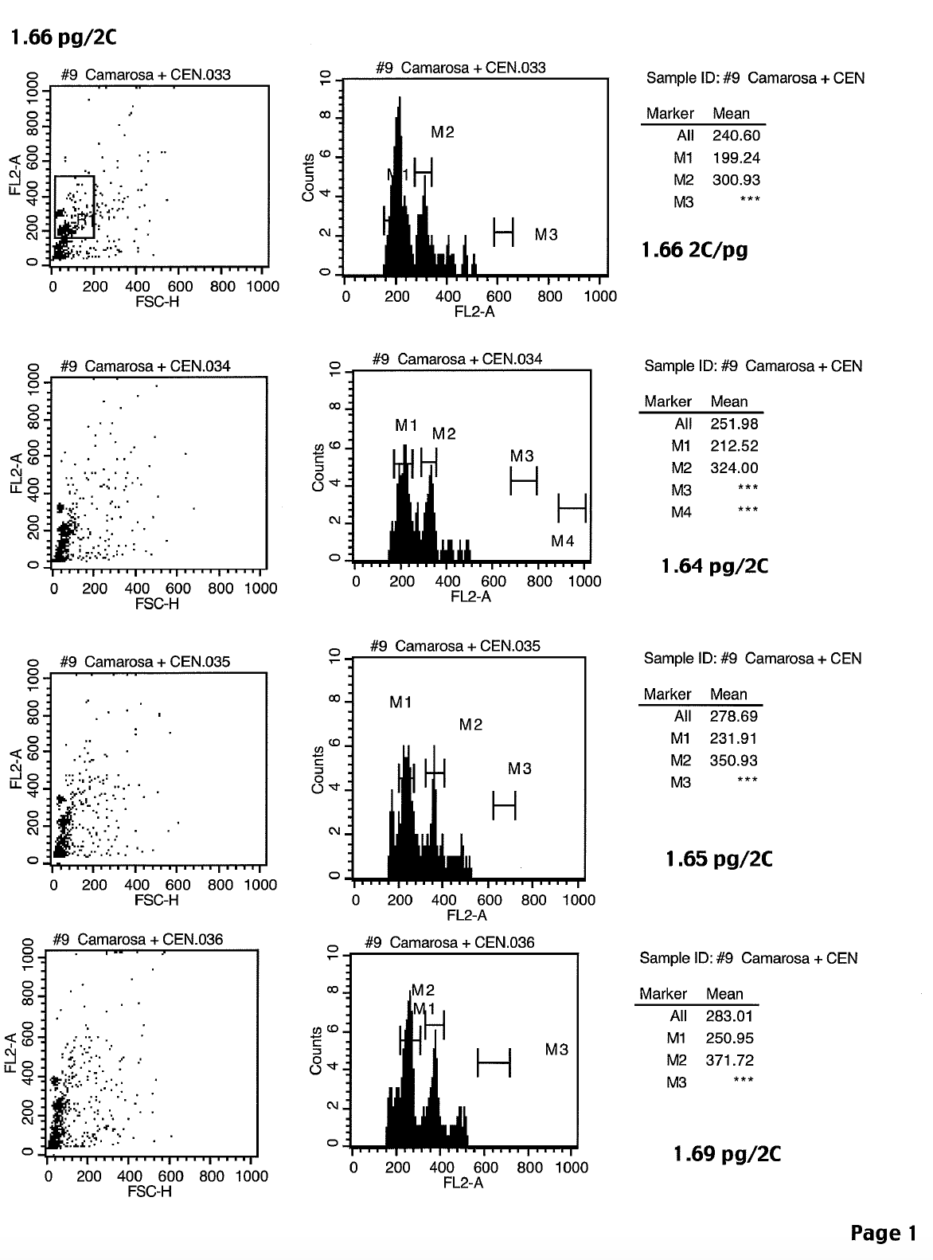
FLOW CYTOMETRIC ESTIMATION OF NUCLEAR DNA CONTENT OF PLANT SAMPLES
Date of analysis: 03/24/16

Sample name | Sample ID | Sample | Standard(int.) | DNA content | St. Dev
 |  | G0+G1 | G0+G1
 |  | mean | mean | (pg/2C) | ±
Camarosa | 9 | 199.24 | 300.93 | 1.66
F. x ananassa |  | 212.52 | 324.00 | 1.64
 |  | 231.91 | 350.97 | 1.65
 |  | 250.95 | 371.72 | 1.69
 |  |  |  | 1.66 | 0.020

Caluclation for haploid Genome Size
2c -> c value (divide by 2) | 0.83
DNA content to Mb conversion (1C = 980Mb *) | 813.4

* Grover et al., 2004 Genome Research.
https://genome.cshlp.org/content/14/8/1474.full

