Suppl_Fig.2
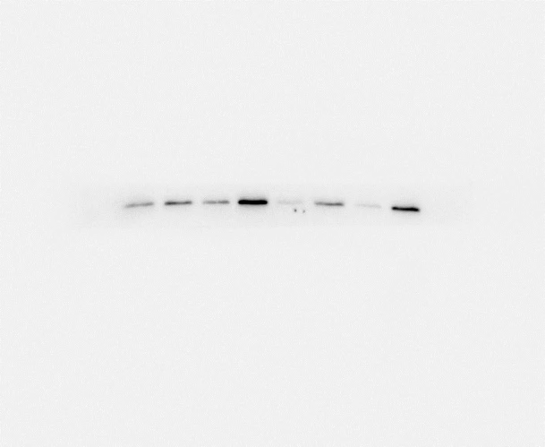



Suppl_ Fig. 2a |  |  |  |  | Suppl_ Fig. 2b |  |  | Suppl_ Fig. 2c |  |  | Suppl_ Fig. 2d |  |  | Suppl_ Fig. 2e |  |  | Suppl_ Fig. 2f |  |  | Suppl_ Fig. 2g

 | TP53 biallelic perturbation | TP53-WT/mut | TP53-WT/del | TP53-WT | BC subtype | % all TP53 inactivation | BM prevalence | BC subtype | % TP53 biallelic inactivation | BM prevalence | BC subtype | % all TP53 inactivation | Bone metastasis prevalence | BC subtype | % TP53 biallelic inactivation | Bone metastasis prevalence | BC subtype | % all TP53 inactivation | Lung metastasis prevalence | BC subtype | % TP53 biallelic inactivation | Lung metastasis prevalence
Brain | 18.75 | 34.375 | 18.75 | 28.125 | LumA | 35.4 | 7.1 | LumA | 8.8 | 7.1 | LumA | 35.4 | 36.6 | LumA | 8.8 | 36.6 | LumA | 35.4 | 36.7 | LumA | 8.8 | 36.7
Others | 15.331010453 | 20.557491289 | 22.415795587 | 41.695702671 | LumB | 56.013745704 | 7.1 | LumB | 21.649484536 | 7.1 | LumB | 56.013745704 | 31 | LumB | 21.649484536 | 31 | LumB | 56.013745704 | 6.7 | LumB | 21.649484536 | 6.7
Bone | 18.333333333 | 22.222222222 | 10.555555556 | 48.888888889 | Her2 | 86.956521739 | 21.4 | Her2 | 55.797101449 | 21.4 | Her2 | 86.956521739 | 19.7 | Her2 | 55.797101449 | 19.7 | Her2 | 86.956521739 | 13.3 | Her2 | 55.797101449 | 13.3
 |  |  |  |  | Normal-like | 45.454545455 | 7.1 | Normal-like | 16.161616162 | 7.1 | Normal-like | 45.454545455 | 5.6 | Normal-like | 16.161616162 | 5.6 | Normal-like | 45.454545455 | 3.3 | Normal-like | 16.161616162 | 3.3
 |  |  |  |  | Basal | 95.945945946 | 57.1 | Basal | 60.810810811 | 57.1 | Basal | 95.945945946 | 5 | Basal | 60.810810811 | 5 | Basal | 95.945945946 | 40 | Basal | 60.810810811 | 40

 |  |  |  |  | BC subtype | % all TP53 inactivation | % BM/all mets | BC subtype | % TP53 biallelic inactivation | % BM/all mets | BC subtype | % all TP53 inactivation | % bone metastasis/all mets | BC subtype | % TP53 biallelic inactivation | % bone metastasis/all mets | BC subtype | % all TP53 inactivation | % Lung metastasis/all mets | BC subtype | % TP53 biallelic inactivation | % Lung metastasis/all mets
 |  |  |  |  | LumA | 35.4 | 2.2 | LumA | 8.8 | 2.2 | LumA | 35.4 | 57.7 | LumA | 8.8 | 57.7 | LumA | 35.4 | 24.4 | LumA | 8.8 | 24.4
 |  |  |  |  | LumB | 56.013745704 | 2.9 | LumB | 21.649484536 | 2.9 | LumB | 56.013745704 | 64.7 | LumB | 21.649484536 | 64.7 | LumB | 56.013745704 | 5.8 | LumB | 21.649484536 | 5.8
 |  |  |  |  | Her2 | 86.956521739 | 11 | Her2 | 55.797101449 | 11 | Her2 | 86.956521739 | 51.8 | Her2 | 55.797101449 | 51.8 | Her2 | 86.956521739 | 14.8 | Her2 | 55.797101449 | 14.8
 |  |  |  |  | Normal-like | 45.454545455 | 11 | Normal-like | 16.161616162 | 11 | Normal-like | 45.454545455 | 44 | Normal-like | 16.161616162 | 44 | Normal-like | 45.454545455 | 11.1 | Normal-like | 16.161616162 | 11.1
 |  |  |  |  | Basal | 95.945945946 | 26.6 | Basal | 60.810810811 | 26.6 | Basal | 95.945945946 | 16.7 | Basal | 60.810810811 | 16.7 | Basal | 95.945945946 | 30 | Basal | 60.810810811 | 30

Suppl_Fig.4
Suppl_ Fig. 4c |  | Suppl_ Fig. 4d |  | Suppl_ Fig. 4f |  | Suppl_ Fig. 4g

Trp53-WT | Trp53-null | Trp53-WT | Trp53-null | TP53-WT | TP53-null | TP53-WT | TP53-null
0.896698 | 0.071123 | 1.192088 | 0.065676 | 0.78478336448 | 0.19932011014 | 1.0227661715 | 0.16366835084
1.003208 | 0.075108 | 0.98066 | 0.054204 | 0.90930574543 | 0.14603931507 | 1.0165543045 | 0.19843919999
1.165345 | 0.038483 | 0.93184 | 0.045697 | 1.3059105471 | 0.15753586453 | 0.9606795293 | 0.18850119423
0.953912 | 0.048841 | 0.917977 | 0.039556
1.07 | 0.098 | 1.006 | 0.234
0.934 | 0.105 | 0.994 | 0.212
0.964 | 0.091
1.038 | 0.07 |  | 7.0728213576E-09

 | 2.7411237985E-14

*

