A Cluster of Transmission
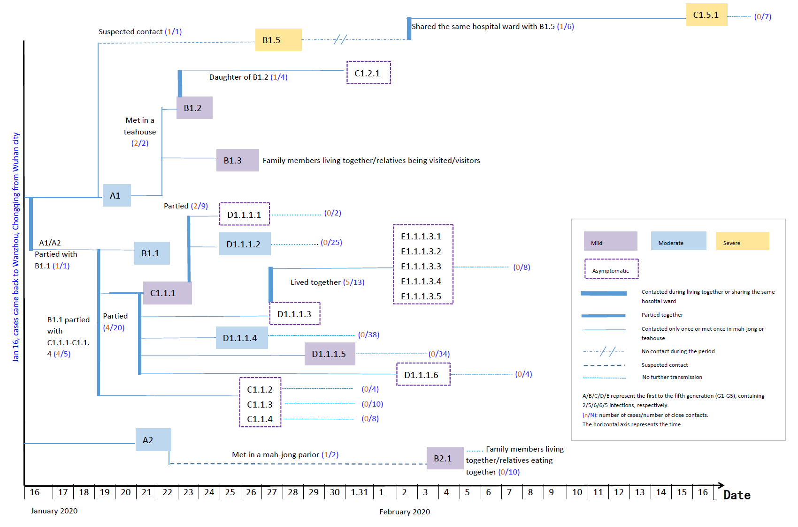
Fig. 1. A COVID-19 cluster with 5 generations of transmission in Wanzhou, China.

Case ID | Case Type | Generation | Number of contact event | Number of infected close contacts | Number of total close contacts | Date of contact with the source case/arriving at Wanzhou | Mode of Contact with the source case
A1 | Symptomatic case | 1 | 1 | 1 | 1 | 16-Jan-20 (Back to Wanzhou from Hubei) | Imported case with no information on the mode of contact
A1 | Symptomatic case | 1 | 2 | 2 | 2 | 16-Jan-20 (Back to Wanzhou from Hubei) | Imported case with no information on the mode of contact
A2 | Symptomatic case | 1 | 1 | 1 | 2 | 16-Jan-20 (Back to Wanzhou from Hubei) | Imported case with no information on the mode of contact
A1&A2 | Symptomatic case | 1 | 1 | 1 | 1 | 16-Jan-20 (Back to Wanzhou from Hubei) | Imported case with no information on the mode of contact
B1.5 | Symptomatic case | 2 | 1 | 1 | 6 | 19-Jan-20 | Suspected contact with A1
B1.2 | Symptomatic case | 2 | 1 | 1 | 4 | 22-Jan-20 | Met in teahouse with A1 & B1.3
B1.3 | Symptomatic case | 2 | 1 | 0 | 8 | 22-Jan-20 | Met in teahouse with A1 & B1.2
B1.1 | Symptomatic case | 2 | 1 | 4 | 5 | 16-Jan-20 | Partied with A1
B2.1 | Symptomatic case | 2 | 1 | 0 | 10 | 22-Jan-20 | Met in a mah-jong parior with A2
C1.5.1 | Symptomatic case | 3 | 1 | 0 | 7 | 2-Feb-20 | Shared the same hospital ward with B1.5
C1.2.1 | Asymptomatic case | 3 | 1 | 0 | 0 | 22-Jan-20 | Lived together with her father B1.2
C1.1.2 | Asymptomatic case | 3 | 1 | 0 | 4 | 19-Jan-20 | Partied with B1.1
C1.1.1 | Symptomatic case | 3 | 1 | 2 | 9 | 19-Jan-20 | Partied with B1.1
C1.1.1 | Symptomatic case | 3 | 2 | 4 | 20 | 19-Jan-20 | Partied with B1.1
C1.1.3 | Asymptomatic case | 3 | 1 | 0 | 10 | 19-Jan-20 | Partied with B1.1
C1.1.4 | Asymptomatic case | 3 | 1 | 0 | 8 | 19-Jan-20 | Partied with B1.1
D1.1.1.1 | Asymptomatic case | 4 | 1 | 0 | 2 | 23-Jan-20 | Partied with C1.1.1
D1.1.1.2 | Symptomatic case | 4 | 1 | 0 | 25 | 23-Jan-20 | Partied with C1.1.1
D1.1.1.3 | Asymptomatic case | 4 | 1 | 5 | 13 | 21-Jan-20 | Partied with C1.1.1
D1.1.1.4 | Symptomatic case | 4 | 1 | 0 | 38 | 21-Jan-20 | Partied with C1.1.1
D1.1.1.5 | Symptomatic case | 4 | 1 | 0 | 34 | 21-Jan-20 | Partied with C1.1.1
D1.1.1.6 | Asymptomatic case | 4 | 1 | 0 | 4 | 21-Jan-20 | Partied with C1.1.1
E1.1.1.3.1 | Asymptomatic case | 5 | 1 | 0 | 8 with E1.1.1.3.1-E.1.1.3.5 | 21-Jan-20 | Family member living together with D1.1.1.3
E1.1.1.3.2 | Asymptomatic case | 5 | 1 | 0 | 8 with E1.1.1.3.1-E.1.1.3.5 | 21-Jan-20 | Family member living together with D1.1.1.3
E1.1.1.3.3 | Asymptomatic case | 5 | 1 | 0 | 8 with E1.1.1.3.1-E.1.1.3.5 | 21-Jan-20 | Family member living together with D1.1.1.3
E1.1.1.3.4 | Asymptomatic case | 5 | 1 | 0 | 8 with E1.1.1.3.1-E.1.1.3.5 | 21-Jan-20 | Family member living together with D1.1.1.3
E1.1.1.3.5 | Asymptomatic case | 5 | 1 | 0 | 8 with E1.1.1.3.1-E.1.1.3.5 | 21-Jan-20 | Family member living together with D1.1.1.3

