Figure2.data.3rd
Figure 2. SARS-CoV-2 transmission over 5 generations in Wanzhou, China.

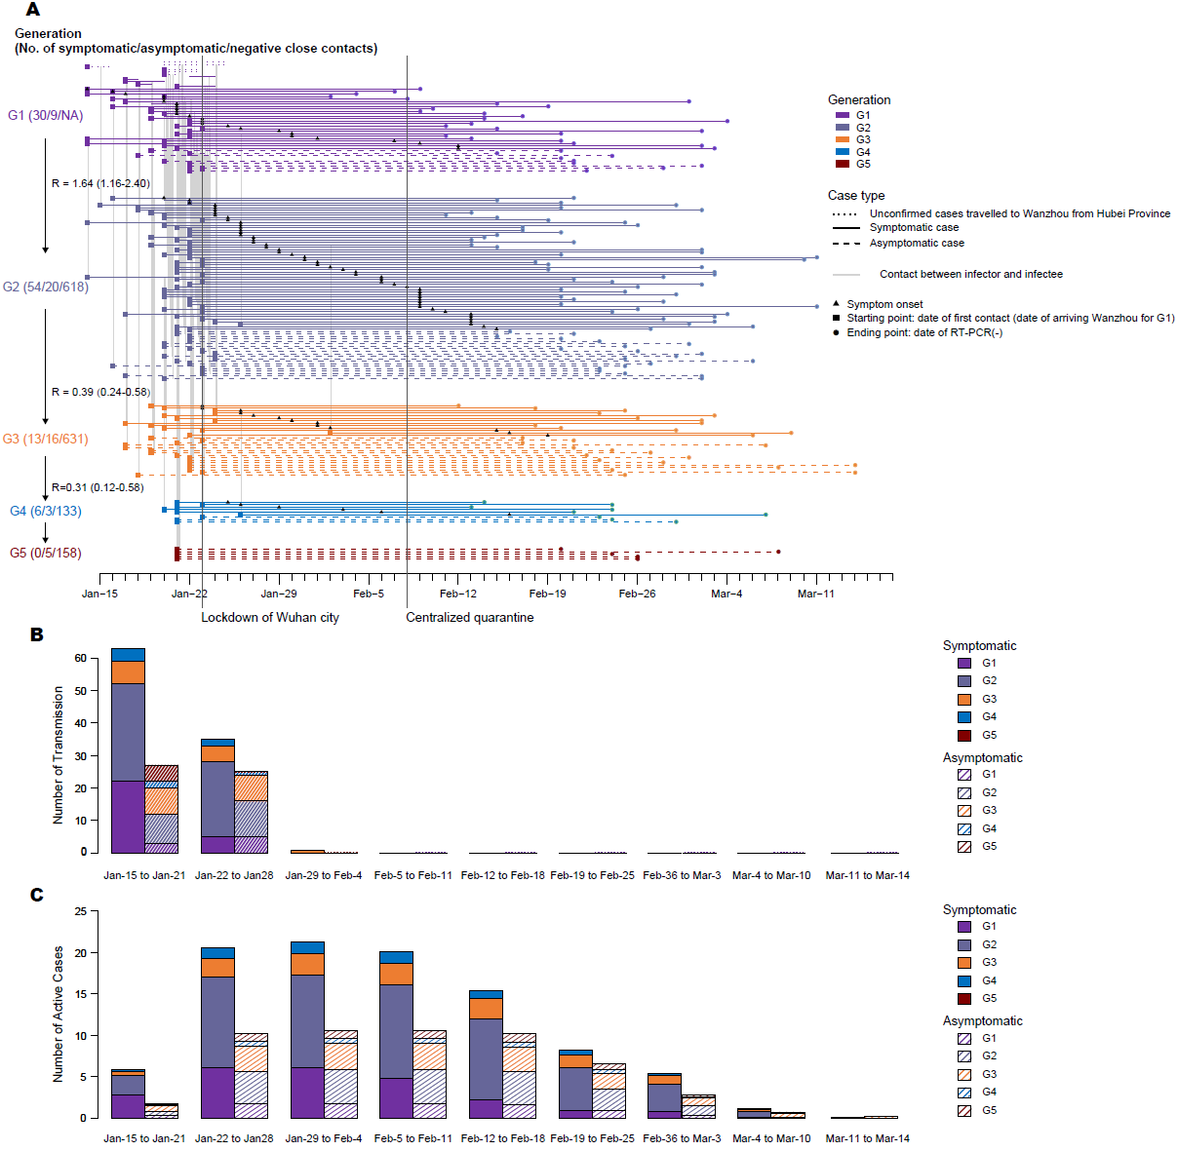
Case ID | CaseType | Generation of transmission | Date of first contact | Date of RT-PCR(-)
1 | Uncomfirmed | 1 | 2020-01-20 | 2020-01-25
2 | Uncomfirmed | 1 | 2020-01-20 | 2020-01-25
3 | Uncomfirmed | 1 | 2020-01-12 | 2020-01-16
4 | Uncomfirmed | 1 | 2020-01-20 | 2020-01-23
5 | Uncomfirmed | 1 | 2020-01-20 | 2020-01-23
6 | Uncomfirmed | 1 | 2020-01-20 | 2020-01-21
7 | Symptomatic case | 1 | 2020-01-22 | 2020-01-24
8 | Symptomatic case | 1 | 2020-01-17 | 2020-01-18
9 | Symptomatic case | 1 | 2020-01-17 | 2020-01-20
10 | Symptomatic case | 1 | 2020-01-18 | 2020-01-19
11 | Symptomatic case | 1 | 2020-01-21 | 2020-01-24
12 | Symptomatic case | 1 | 2020-01-14 | 2020-02-09
13 | Symptomatic case | 1 | 2020-01-16 | 2020-02-07
14 | Symptomatic case | 1 | 2020-01-14 | 2020-02-04
15 | Symptomatic case | 1 | 2020-01-20 | 2020-02-02
16 | Symptomatic case | 1 | 2020-01-16 | 2020-02-08
17 | Symptomatic case | 1 | 2020-01-17 | 2020-03-01
18 | Symptomatic case | 1 | 2020-01-19 | 2020-02-15
19 | Symptomatic case | 1 | 2020-01-16 | 2020-02-19
20 | Symptomatic case | 1 | 2020-01-19 | 2020-02-10
21 | Symptomatic case | 1 | 2020-01-19 | 2020-02-09
22 | Symptomatic case | 1 | 2020-01-20 | 2020-02-14
23 | Symptomatic case | 1 | 2020-01-20 | 2020-02-17
24 | Symptomatic case | 1 | 2020-01-19 | 2020-02-14
25 | Symptomatic case | 1 | 2020-01-22 | 2020-03-04
26 | Symptomatic case | 1 | 2020-01-22 | 2020-02-13
27 | Symptomatic case | 1 | 2020-01-21 | 2020-02-11
28 | Symptomatic case | 1 | 2020-01-23 | 2020-02-15
29 | Symptomatic case | 1 | 2020-01-22 | 2020-03-02
30 | Symptomatic case | 1 | 2020-01-21 | 2020-02-20
31 | Symptomatic case | 1 | 2020-01-22 | 2020-02-11
32 | Symptomatic case | 1 | 2020-01-09 | 2020-02-13
33 | Symptomatic case | 1 | 2020-01-20 | 2020-02-20
34 | Asymptomatic case | 1 | 2020-01-19 | 2020-02-20
35 | Symptomatic case | 1 | 2020-01-09 | 2020-02-21
36 | Asymptomatic case | 1 | 2020-01-22 | 2020-02-15
37 | Asymptomatic case | 1 | 2020-01-18 | 2020-02-24
38 | Symptomatic case | 1 | 2020-01-20 | 2020-03-02
39 | Symptomatic case | 1 | 2020-01-21 | 2020-03-03
40 | Asymptomatic case | 1 | 2020-02-10 | 2020-02-20
41 | Asymptomatic case | 1 | 2020-01-20 | 2020-02-21
42 | Asymptomatic case | 1 | 2020-01-22 | 2020-02-21
43 | Asymptomatic case | 1 | 2020-01-22 | 2020-03-02
44 | Asymptomatic case | 1 | 2020-01-23 | 2020-02-28
45 | Asymptomatic case | 1 | 2020-01-22 | 2020-02-22
46 | Symptomatic case | 2 | 2020-01-16 | 2020-02-21
47 | Symptomatic case | 2 | 2020-01-20 | 2020-02-15
48 | Symptomatic case | 2 | 2020-01-22 | 2020-02-20
49 | Symptomatic case | 2 | 2020-01-15 | 2020-02-29
50 | Symptomatic case | 2 | 2020-01-18 | 2020-02-20
51 | Symptomatic case | 2 | 2020-01-18 | 2020-03-02
52 | Symptomatic case | 2 | 2020-01-19 | 2020-02-13
53 | Symptomatic case | 2 | 2020-01-20 | 2020-02-11
54 | Symptomatic case | 2 | 2020-01-20 | 2020-02-15
55 | Symptomatic case | 2 | 2020-01-23 | 2020-02-19
56 | Symptomatic case | 2 | 2020-01-10 | 2020-02-25
57 | Symptomatic case | 2 | 2020-01-20 | 2020-02-26
58 | Symptomatic case | 2 | 2020-01-21 | 2020-02-17
59 | Symptomatic case | 2 | 2020-01-22 | 2020-02-17
60 | Symptomatic case | 2 | 2020-01-22 | 2020-02-20
61 | Symptomatic case | 2 | 2020-01-22 | 2020-02-15
62 | Symptomatic case | 2 | 2020-01-19 | 2020-02-14
63 | Symptomatic case | 2 | 2020-01-21 | 2020-02-13
64 | Symptomatic case | 2 | 2020-01-22 | 2020-02-21
65 | Symptomatic case | 2 | 2020-01-19 | 2020-02-13
66 | Symptomatic case | 2 | 2020-01-22 | 2020-02-15
67 | Symptomatic case | 2 | 2020-01-21 | 2020-03-02
68 | Symptomatic case | 2 | 2020-01-22 | 2020-03-02
69 | Symptomatic case | 2 | 2020-01-20 | 2020-02-20
70 | Asymptomatic case | 2 | 2020-01-21 | 2020-02-16
71 | Symptomatic case | 2 | 2020-01-22 | 2020-03-11
72 | Symptomatic case | 2 | 2020-01-23 | 2020-03-10
73 | Symptomatic case | 2 | 2020-01-21 | 2020-02-18
74 | Symptomatic case | 2 | 2020-01-23 | 2020-02-19
75 | Symptomatic case | 2 | 2020-01-21 | 2020-03-02
76 | Symptomatic case | 2 | 2020-01-21 | 2020-02-19
77 | Symptomatic case | 2 | 2020-01-21 | 2020-03-03
78 | Symptomatic case | 2 | 2020-01-23 | 2020-03-03
79 | Symptomatic case | 2 | 2020-01-10 | 2020-02-28
80 | Symptomatic case | 2 | 2020-01-21 | 2020-02-21
81 | Symptomatic case | 2 | 2020-01-23 | 2020-02-24
82 | Symptomatic case | 2 | 2020-01-22 | 2020-03-02
83 | Symptomatic case | 2 | 2020-01-21 | 2020-02-26
84 | Asymptomatic case | 2 | 2020-01-21 | 2020-02-21
85 | Asymptomatic case | 2 | 2020-01-22 | 2020-02-15
86 | Asymptomatic case | 2 | 2020-01-22 | 2020-02-20
87 | Symptomatic case | 2 | 2020-01-20 | 2020-02-20
88 | Symptomatic case | 2 | 2020-01-20 | 2020-02-25
89 | Symptomatic case | 2 | 2020-01-20 | 2020-02-29
90 | Symptomatic case | 2 | 2020-01-20 | 2020-02-20
91 | Symptomatic case | 2 | 2020-01-22 | 2020-02-21
92 | Symptomatic case | 2 | 2020-01-22 | 2020-02-28
93 | Symptomatic case | 2 | 2020-01-22 | 2020-02-20
94 | Symptomatic case | 2 | 2020-01-23 | 2020-03-11
95 | Asymptomatic case | 2 | 2020-01-22 | 2020-02-23
96 | Symptomatic case | 2 | 2020-01-20 | 2020-02-26
97 | Asymptomatic case | 2 | 2020-01-20 | 2020-03-01
98 | Symptomatic case | 2 | 2020-01-23 | 2020-02-24
99 | Asymptomatic case | 2 | 2020-01-20 | 2020-02-25
100 | Asymptomatic case | 2 | 2020-01-22 | 2020-02-20
101 | Asymptomatic case | 2 | 2020-01-23 | 2020-02-26
102 | Asymptomatic case | 2 | 2020-01-24 | 2020-03-02
103 | Symptomatic case | 2 | 2020-01-17 | 2020-03-04
104 | Symptomatic case | 2 | 2020-01-21 | 2020-03-03
105 | Symptomatic case | 2 | 2020-01-23 | 2020-02-28
106 | Symptomatic case | 2 | 2020-01-24 | 2020-03-03
107 | Symptomatic case | 2 | 2020-01-26 | 2020-03-01
108 | Asymptomatic case | 2 | 2020-01-20 | 2020-02-29
109 | Asymptomatic case | 2 | 2020-01-24 | 2020-02-25
110 | Symptomatic case | 2 | 2020-01-21 | 2020-03-06
111 | Asymptomatic case | 2 | 2020-01-21 | 2020-03-06
112 | Asymptomatic case | 2 | 2020-01-22 | 2020-02-27
113 | Symptomatic case | 2 | 2020-01-22 | 2020-02-27
114 | Asymptomatic case | 2 | 2020-01-16 | 2020-02-25
115 | Asymptomatic case | 2 | 2020-01-23 | 2020-02-23
116 | Asymptomatic case | 2 | 2020-01-23 | 2020-02-23
117 | Asymptomatic case | 2 | 2020-01-23 | 2020-02-25
118 | Asymptomatic case | 2 | 2020-01-17 | 2020-03-02
119 | Asymptomatic case | 2 | 2020-01-20 | 2020-03-02
120 | Symptomatic case | 3 | 2020-01-19 | 2020-02-12
121 | Symptomatic case | 3 | 2020-01-20 | 2020-02-18
122 | Asymptomatic case | 3 | 2020-01-19 | 2020-02-17
123 | Symptomatic case | 3 | 2020-01-24 | 2020-02-25
124 | Symptomatic case | 3 | 2020-01-24 | 2020-02-23
125 | Symptomatic case | 3 | 2020-01-20 | 2020-03-03
126 | Symptomatic case | 3 | 2020-01-21 | 2020-02-26
127 | Symptomatic case | 3 | 2020-01-24 | 2020-03-02
128 | Symptomatic case | 3 | 2020-01-17 | 2020-03-02
129 | Symptomatic case | 3 | 2020-01-19 | 2020-02-18
130 | Symptomatic case | 3 | 2020-01-20 | 2020-02-20
131 | Asymptomatic case | 3 | 2020-01-23 | 2020-02-21
132 | Asymptomatic case | 3 | 2020-01-21 | 2020-02-17
133 | Asymptomatic case | 3 | 2020-01-17 | 2020-03-07
134 | Asymptomatic case | 3 | 2020-01-17 | 2020-02-21
135 | Asymptomatic case | 3 | 2020-01-19 | 2020-02-24
136 | Asymptomatic case | 3 | 2020-01-19 | 2020-02-27
137 | Asymptomatic case | 3 | 2020-01-21 | 2020-02-22
138 | Asymptomatic case | 3 | 2020-01-22 | 2020-03-01
139 | Asymptomatic case | 3 | 2020-01-22 | 2020-02-23
140 | Asymptomatic case | 3 | 2020-01-22 | 2020-02-28
141 | Asymptomatic case | 3 | 2020-01-22 | 2020-03-14
142 | Symptomatic case | 3 | 2020-01-23 | 2020-02-29
143 | Symptomatic case | 3 | 2020-02-02 | 2020-03-09
144 | Symptomatic case | 3 | 2020-01-22 | 2020-03-06
145 | Asymptomatic case | 3 | 2020-01-22 | 2020-03-08
146 | Asymptomatic case | 3 | 2020-01-22 | 2020-02-24
147 | Asymptomatic case | 3 | 2020-01-23 | 2020-03-14
148 | Asymptomatic case | 3 | 2020-01-18 | 2020-02-25
149 | Symptomatic case | 4 | 2020-01-21 | 2020-02-14
150 | Symptomatic case | 4 | 2020-01-23 | 2020-02-24
151 | Symptomatic case | 4 | 2020-01-21 | 2020-02-13
152 | Symptomatic case | 4 | 2020-01-20 | 2020-02-24
153 | Symptomatic case | 4 | 2020-01-21 | 2020-02-21
154 | Asymptomatic case | 4 | 2020-01-23 | 2020-02-23
155 | Asymptomatic case | 4 | 2020-01-21 | 2020-02-24
156 | Asymptomatic case | 4 | 2020-01-21 | 2020-02-29
157 | Symptomatic case | 4 | 2020-01-26 | 2020-03-07
158 | Asymptomatic case | 5 | 2020-01-21 | 2020-02-20
159 | Asymptomatic case | 5 | 2020-01-21 | 2020-03-08
160 | Asymptomatic case | 5 | 2020-01-21 | 2020-02-24
161 | Asymptomatic case | 5 | 2020-01-21 | 2020-02-26
162 | Asymptomatic case | 5 | 2020-01-21 | 2020-02-26

