Fig 3
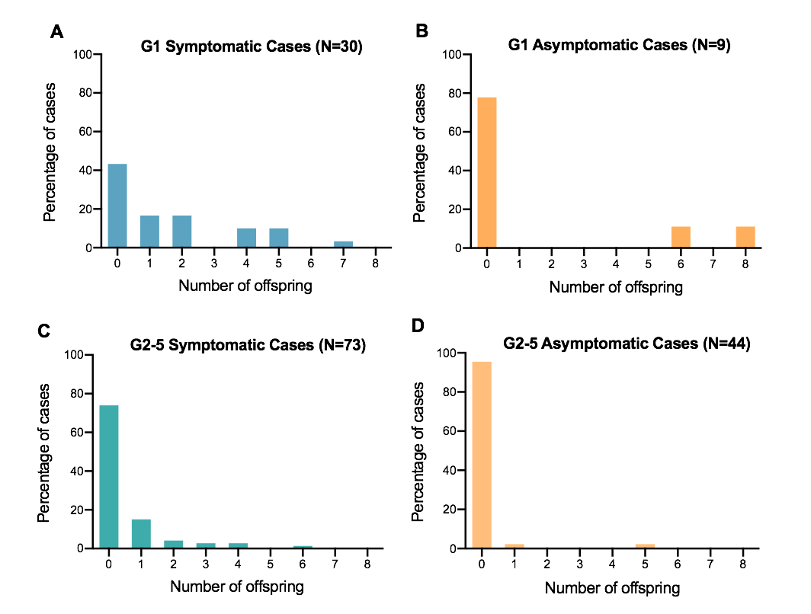
Figure 3: Percentage of symptomatic and asymptomatic cases with different number of offspring.

Number of Offspring | G1 Asymptomatic | G1 Symptomatic | G2-5 Symptomatic | G2-5 Asymptomatic
0 | 77.78 | 43.33 | 73.97 | 95.45
1 | 0.00 | 16.67 | 15.07 | 2.27
2 | 0.00 | 16.67 | 4.11 | 0.00
3 | 0.00 | 0.00 | 2.74 | 0.00
4 | 0.00 | 10.00 | 2.74 | 0.00
5 | 0.00 | 10.00 | 0.00 | 2.27
6 | 11.11 | 0.00 | 1.37 | 0.00
7 | 0.00 | 3.33 | 0.00 | 0.00
8 | 11.11 | 0.00 | 0.00 | 0.00

