FigS4
Extended Data Figure 1. Number of close contacts per case and number of offspring.
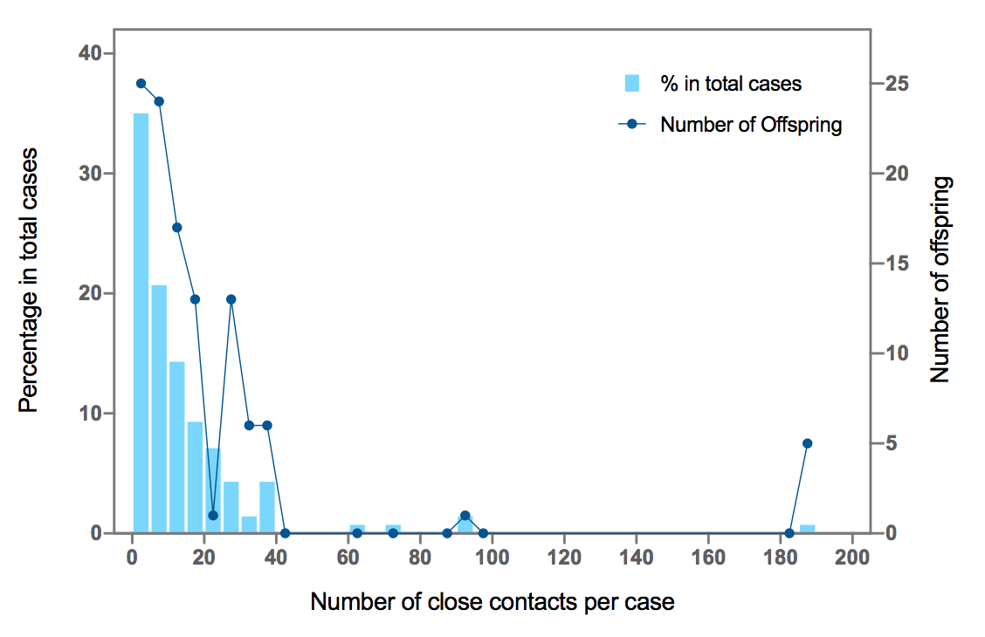
Number of Close Contacts Per Case | Percentage in Total Contacts | Number of Offsprings
2.5 | 35 | 25
7.5 | 20.7 | 24
12.5 | 14.3 | 17
17.5 | 9.3 | 13
22.5 | 7.1 | 1
27.5 | 4.3 | 13
32.5 | 1.4 | 6
37.5 | 4.3 | 6
42.5 |  | 0
47.5
52.5
57.5
62.5 | 0.7 | 0
67.5
72.5 | 0.7 | 0
77.5
82.5
87.5 |  | 0
92.5 | 1.4 | 1
97.5 |  | 0
102.5
107.5
112.5
117.5
122.5
127.5
132.5
137.5
142.5
147.5
152.5
157.5
162.5
167.5
172.5
177.5
182.5 |  | 0
187.5 | 0.7 | 5

