Simulation Results
Extended Data Figure 2. Predicted and actual COVID-19 cases by the date of contact in Wanzhou, China.

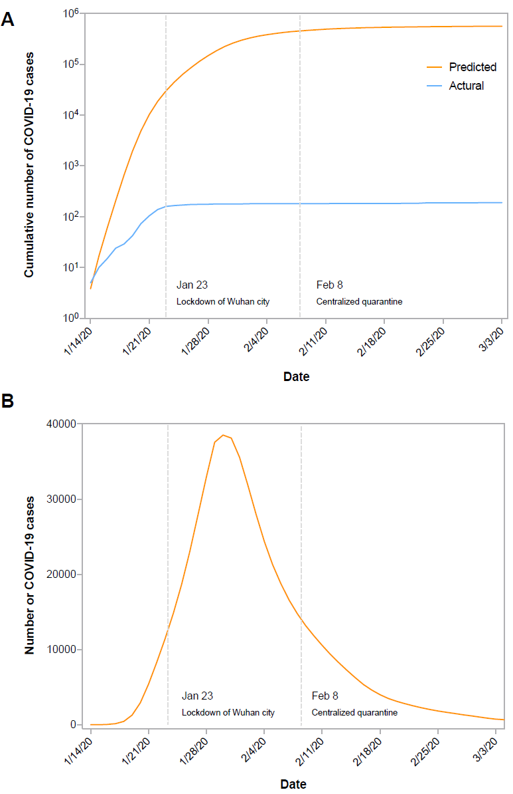
Date of contact with the source case | Predicted New Cases per Day | Cumulative Predicted Cases | Cumulative Actural Cases
14-Jan-20 | 3.82 | 3.82 | 5
15-Jan-20 | 13.03 | 16.85 | 10
16-Jan-20 | 43.67 | 60.52 | 15
17-Jan-20 | 144.76 | 205.28 | 24
18-Jan-20 | 457.55 | 662.83 | 29
19-Jan-20 | 1273.7 | 1936.53 | 42
20-Jan-20 | 2925.1 | 4861.63 | 73
21-Jan-20 | 5417.2 | 10278.83 | 104
22-Jan-20 | 8344.1 | 18622.93 | 138
23-Jan-20 | 11446 | 30068.93 | 159
24-Jan-20 | 14836 | 44904.93 | 166
25-Jan-20 | 18666 | 63570.93 | 170
26-Jan-20 | 23078 | 86648.93 | 174
27-Jan-20 | 28004 | 114652.93 | 175
28-Jan-20 | 32961 | 147613.93 | 176
29-Jan-20 | 37058 | 184671.93 | 178
30-Jan-20 | 39059 | 223730.93 | 178
31-Jan-20 | 38318 | 262048.93 | 178
1-Feb-20 | 35566 | 297614.93 | 178
2-Feb-20 | 31876 | 329490.93 | 180
3-Feb-20 | 27989 | 357479.93 | 180
4-Feb-20 | 24372 | 381851.93 | 180
5-Feb-20 | 21298 | 403149.93 | 180
6-Feb-20 | 18770 | 421919.93 | 180
7-Feb-20 | 16578 | 438497.93 | 180
8-Feb-20 | 14760 | 453257.93 | 180
9-Feb-20 | 13188 | 466445.93 | 180
10-Feb-20 | 11827 | 478272.93 | 181
11-Feb-20 | 10553 | 488825.93 | 181
12-Feb-20 | 9355.3 | 498181.23 | 182
13-Feb-20 | 8267 | 506448.23 | 182
14-Feb-20 | 7243 | 513691.23 | 182
15-Feb-20 | 6266.3 | 519957.53 | 182
16-Feb-20 | 5343.7 | 525301.23 | 182
17-Feb-20 | 4604.2 | 529905.43 | 182
18-Feb-20 | 3997.3 | 533902.73 | 182
19-Feb-20 | 3493.6 | 537396.33 | 182
20-Feb-20 | 3122.1 | 540518.43 | 183
21-Feb-20 | 2814.6 | 543333.03 | 184
22-Feb-20 | 2527 | 545860.03 | 184
23-Feb-20 | 2272 | 548132.03 | 187
24-Feb-20 | 2038.5 | 550170.53 | 187
25-Feb-20 | 1837.7 | 552008.23 | 188
26-Feb-20 | 1665.2 | 553673.43 | 188
27-Feb-20 | 1503.1 | 555176.53 | 188
28-Feb-20 | 1342 | 556518.53 | 188
29-Feb-20 | 1190.7 | 557709.23 | 188
1-Mar-20 | 1032.2 | 558741.43 | 189
2-Mar-20 | 876.85 | 559618.28 | 189
3-Mar-20 | 751.05 | 560369.33 | 189
4-Mar-20 | 673.87 | 561043.2 | 189
5-Mar-20 | 627.89 | 561671.09 | 189

