Fig 3c
Fig 3c. Intracellular ISM2 protein levels in EVTs | Scr-shRNA | ISM2-shRNA
 | 1.063659 | 0.022675
 | 1.007671 | 0.078663
 | 0.950556 | 0.135778
 | 0.978114 | 0.10822

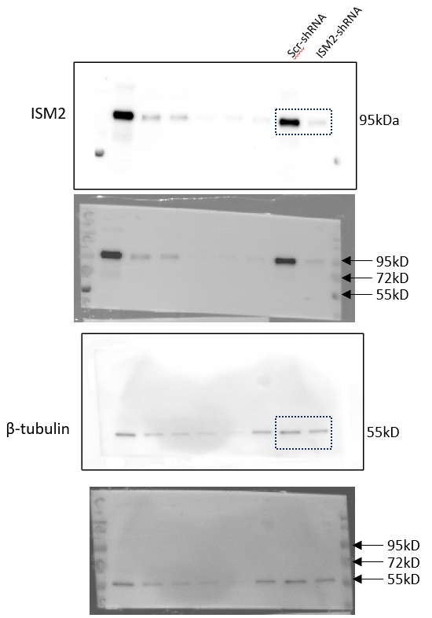

Uncropped original source images for Figure 3c.
a, Immunoblot for ISM2. The two lanes in the dotted rectangle shows the Scr-shRNA and ISM2-shRNA treatments. The lanes to the left of the dotted rectangle are additional repeats loaded in the same order.
b, ECL signal overlaid with brightfield image of the ISM2 probed immunoblot.
c, Blots in (a) were stripped and reprobed for β-tubulin.
d, ECL signal overlaid with brightfield image of the β-tubulin probed immunoblot.

