ExData_Fig.9a
ExData_Fig.9a Invasion assay for MyoL-mAID-HA parasites with or without IAA treatment
Parental |  | Myol-mAID-HA
-IAA | +IAA | -IAA | +IAA
107.73 | 71.82 | 110.41 | 18.27
81.32 | 113.11 | 102.47 | 7.55
109.97 | 118.25 | 91.35 | 9.93 | Multiple t test analysis
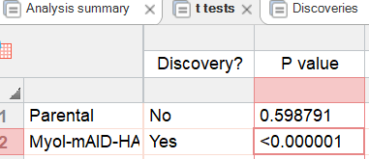
98.75 | 89.77 | 73.87 | 14.3
83.79 | 97.75 | 94.53 | 8.74
135.35 | 100.54 | 95.32 | 15.89
94.26 | 87.98 | 114.39 | 9.93
96.68 | 94.26 | 93.73 | 9.53
92.17 | 92.17 | 123.92 | 19.06

