Suppl. Table 3B
Suppl. Table 3B: Enrichment of functional categories (GO analysis) based on co-expression of 39OX and Fe-regulated genes from Suppl. Table 3A
Left side (A-K), GO analysis of coexpressed genes. Right side (M-Z), Network connections of coexpressed genes.
Coexpression analysis was conducted with the STRING tool. The gene lists are denoted in Suppl. Table 3A. Up-regulation is designated in red, down-regulation in green. Note that bHLH039 is active in the samples 39OX +Fe and in WT -Fe, while bHLH039 is not active in the sample WT +Fe.

39 Ox vs WT | WT |  |  |  |  |  |  | 39 Ox vs WT | WT
+Fe | -Fe vs +Fe |  |  |  |  |  |  | +Fe | -Fe vs +Fe
UP | UP |  |  |  |  |  |  | UP | UP
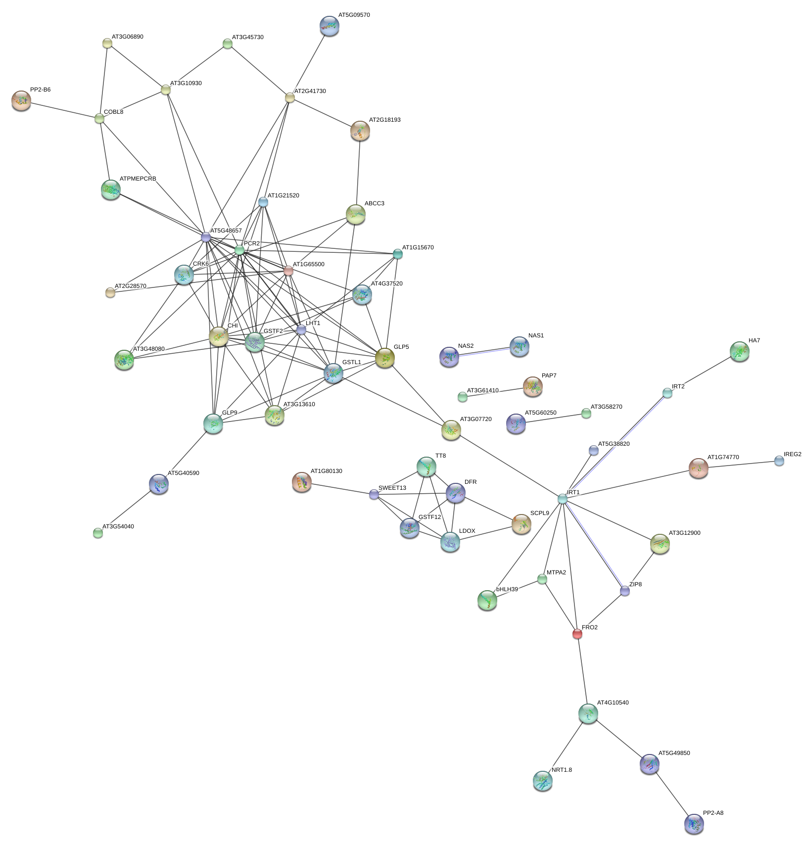
Biological Process (GO)
pathway ID | pathway description |  | count in gene set | false discovery rate | number of nodes: |  | 95
GO:0034614 | cellular response to reactive oxygen species |  | 5 | 0.000501 | number of edges: |  | 122
GO:0071732 | cellular response to nitric oxide |  | 4 | 0.000501 | average node degree: |  | 2.57
GO:0000041 | transition metal ion transport |  | 5 | 0.00154 | clustering coefficient: |  | 0.791
GO:0055076 | transition metal ion homeostasis |  | 5 | 0.00154 | expected number of edges: |  | 60
GO:0071281 | cellular response to iron ion |  | 4 | 0.00154 | PPI enrichment p-value: |  | 2.17e-12
GO:0000302 | response to reactive oxygen species |  | 6 | 0.00287
GO:1901699 | cellular response to nitrogen compound |  | 5 | 0.003
GO:0015675 | nickel cation transport |  | 2 | 0.00338
GO:0055072 | iron ion homeostasis |  | 4 | 0.00338
GO:1990267 | response to transition metal nanoparticle |  | 5 | 0.00338
GO:0006979 | response to oxidative stress |  | 8 | 0.00839
GO:0046283 | anthocyanin-containing compound metabolic process |  | 3 | 0.00864
GO:0009812 | flavonoid metabolic process |  | 5 | 0.0103
GO:0044765 | single-organism transport |  | 15 | 0.0108
GO:0055085 | transmembrane transport |  | 12 | 0.0112
GO:0030418 | nicotianamine biosynthetic process |  | 2 | 0.0118
GO:1901698 | response to nitrogen compound |  | 6 | 0.0134
GO:0034220 | ion transmembrane transport |  | 9 | 0.0146
GO:0006829 | zinc II ion transport |  | 3 | 0.0149
GO:0006811 | ion transport |  | 10 | 0.0202
GO:0010106 | cellular response to iron ion starvation |  | 2 | 0.0251
GO:0050896 | response to stimulus |  | 28 | 0.03
GO:0098655 | cation transmembrane transport |  | 7 | 0.03
GO:0009636 | response to toxic substance |  | 4 | 0.0345
GO:0072511 | divalent inorganic cation transport |  | 4 | 0.0397
GO:0034755 | iron ion transmembrane transport |  | 2 | 0.0407
GO:0019748 | secondary metabolic process |  | 6 | 0.0411

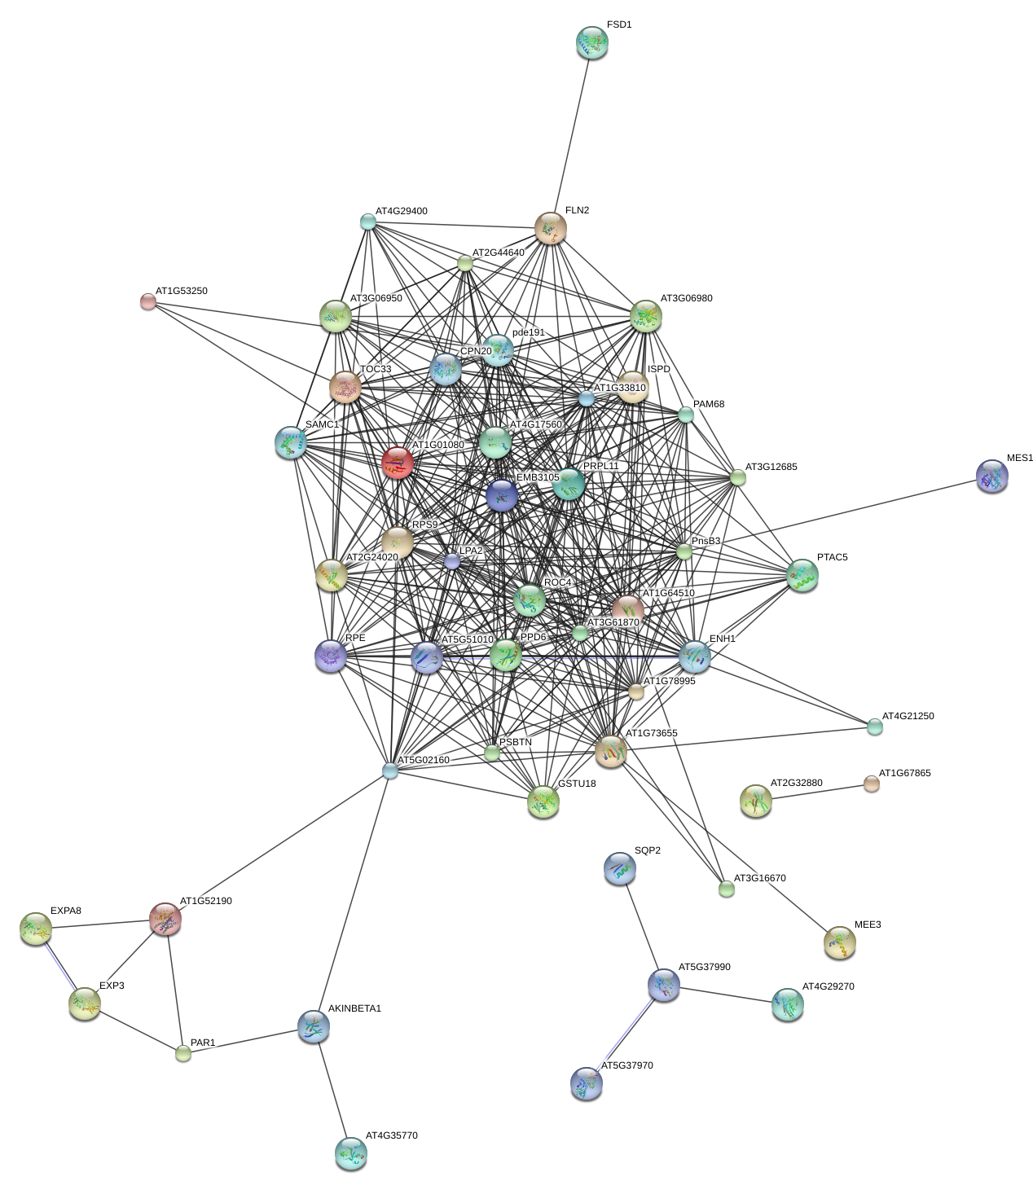
DOWN | DOWN |  |  |  |  |  |  | DOWN | DOWN
Molecular Function (GO)
pathway ID | pathway description |  | count in gene set | false discovery rate | number of nodes: |  | 80
GO:0019843 | rRNA binding |  | 5 | 0.0128 | number of edges: |  | 415
Cellular Component (GO) |  |  |  |  | average node degree: |  | 42470
pathway ID | pathway description |  | count in gene set | false discovery rate | clustering coefficient: |  | 10.4
GO:0044434 | chloroplast part |  | 19 | 7.98e-08 | expected number of edges: |  | 109
GO:0009507 | chloroplast |  | 21 | 8.17e-06 | PPI enrichment p-value: |  | 0
GO:0009579 | thylakoid |  | 10 | 4.65e-05
GO:0009534 | chloroplast thylakoid |  | 9 | 0.000179
GO:0042651 | thylakoid membrane |  | 8 | 0.000297
GO:0009570 | chloroplast stroma |  | 10 | 0.000332
GO:0044436 | thylakoid part |  | 8 | 0.000332
GO:0009535 | chloroplast thylakoid membrane |  | 7 | 0.00193
GO:0009941 | chloroplast envelope |  | 8 | 0.00493
GO:0009523 | photosystem II |  | 3 | 0.0239

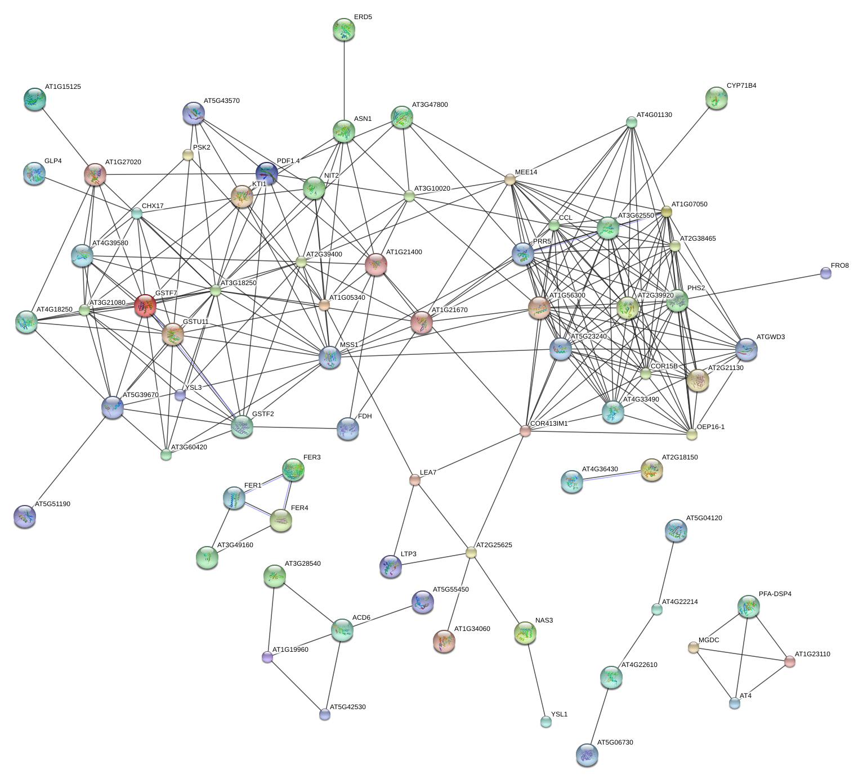
UP | DOWN |  |  |  |  |  |  | UP | DOWN
Biological Process (GO) |  |  |  |  | number of nodes: |  | 102
pathway ID | pathway description |  | count in gene set | false discovery rate | number of edges: |  | 265
GO:0010035 | response to inorganic substance |  | 14 | 0.000364 | average node degree: |  | 5.2
GO:0098771 | inorganic ion homeostasis |  | 7 | 0.000364 | clustering coefficient: |  | 0.771
GO:0055072 | iron ion homeostasis |  | 5 | 0.000463 | expected number of edges: |  | 68
GO:0010038 | response to metal ion |  | 10 | 0.000736 | PPI enrichment p-value: |  | 0
GO:0006950 | response to stress |  | 25 | 0.00108
GO:0044712 | single-organism catabolic process |  | 12 | 0.0011
GO:0055080 | cation homeostasis |  | 6 | 0.0011
GO:0050896 | response to stimulus |  | 34 | 0.00133
GO:0009605 | response to external stimulus |  | 16 | 0.00348
GO:0044248 | cellular catabolic process |  | 12 | 0.00405
GO:0006826 | iron ion transport |  | 3 | 0.00421
GO:0010039 | response to iron ion |  | 4 | 0.00421
GO:1990267 | response to transition metal nanoparticle |  | 5 | 0.00424
GO:0006879 | cellular iron ion homeostasis |  | 3 | 0.00592
GO:0009056 | catabolic process |  | 14 | 0.00766
GO:0044765 | single-organism transport |  | 16 | 0.00766
GO:0055114 | oxidation-reduction process |  | 15 | 0.00942
GO:0006979 | response to oxidative stress |  | 8 | 0.0122
GO:0043617 | cellular response to sucrose starvation |  | 2 | 0.0165
GO:0042221 | response to chemical |  | 20 | 0.0244
GO:0051707 | response to other organism |  | 12 | 0.0289
GO:1901700 | response to oxygen-containing compound |  | 13 | 0.0327
GO:0065008 | regulation of biological quality |  | 12 | 0.0343
GO:0006811 | ion transport |  | 10 | 0.0375
GO:0042744 | hydrogen peroxide catabolic process |  | 4 | 0.0388
Molecular Function (GO)
pathway ID | pathway description |  | count in gene set | false discovery rate
GO:0004322 | ferroxidase activity |  | 3 | 0.000312
GO:0008199 | ferric iron binding |  | 3 | 0.000312
GO:0016722 | oxidoreductase activity, oxidizing metal ions |  | 4 | 0.000312
GO:0016491 | oxidoreductase activity |  | 14 | 0.0207
GO:0004601 | peroxidase activity |  | 5 | 0.0462

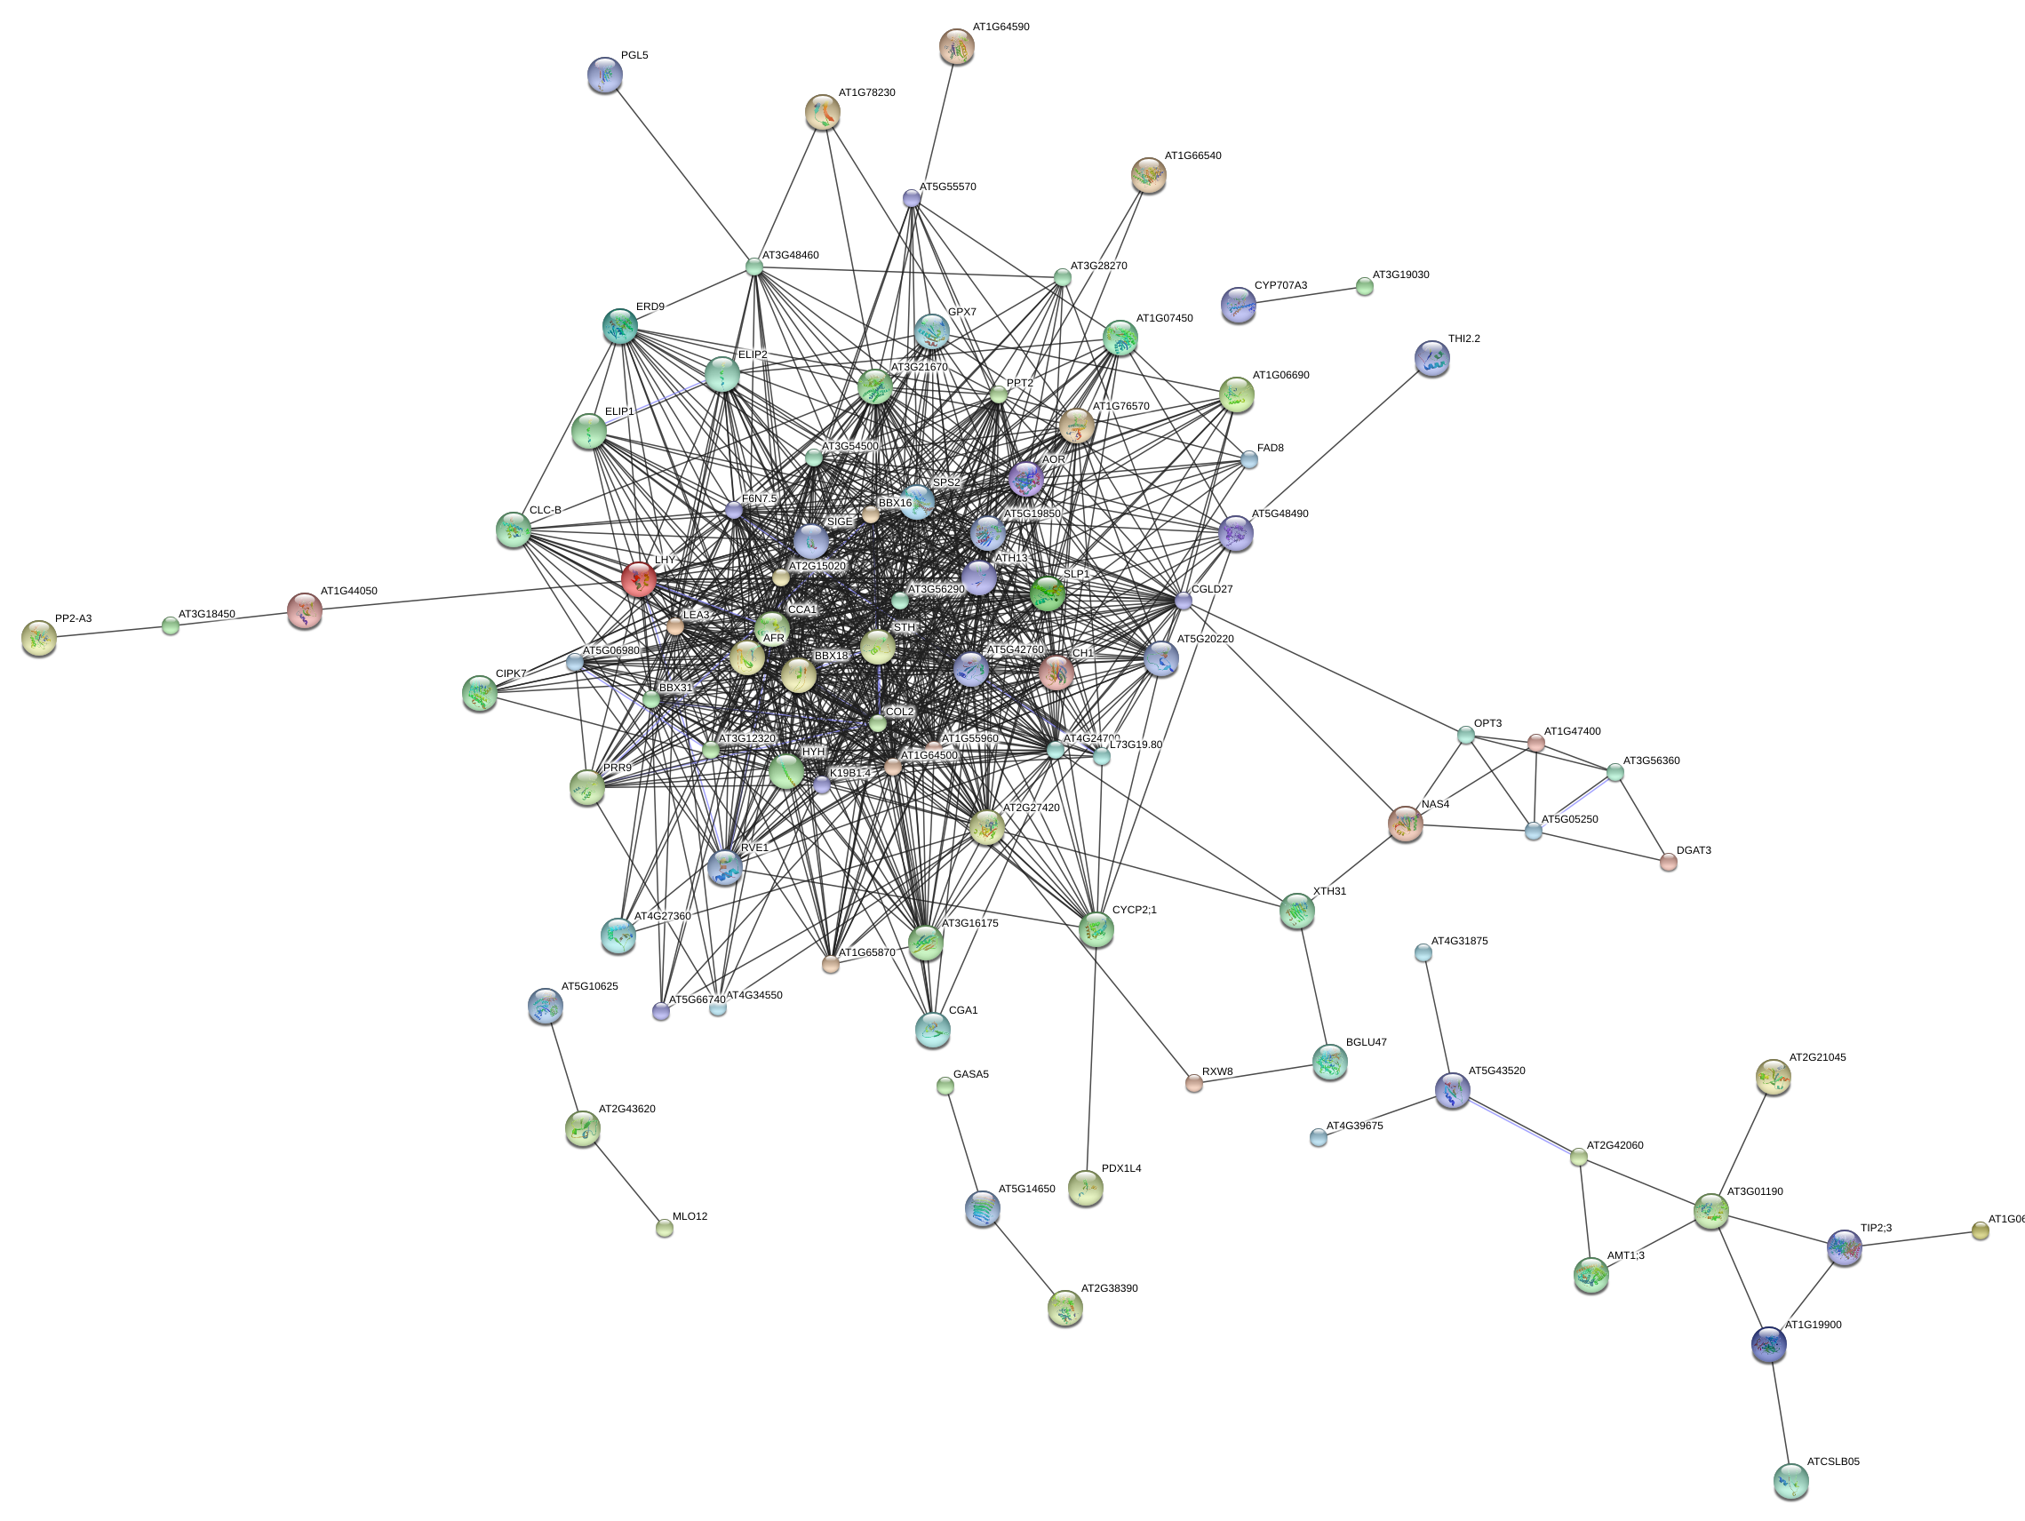
DOWN | UP |  |  |  |  |  |  | DOWN | UP
Biological Process (GO)
pathway ID | pathway description | count in gene set | false discovery rate |  | number of nodes: | 129
GO:0009639 | response to red or far red light | 9 | 0.000246 |  | number of edges: | 877
GO:0009416 | response to light stimulus | 12 | 0.00181 |  | average node degree: | 13.6
GO:0071482 | cellular response to light stimulus | 7 | 0.00181 |  | clustering coefficient: | 0.809
GO:0071483 | cellular response to blue light | 4 | 0.00258 |  | expected number of edges: | 103
GO:0007623 | circadian rhythm | 5 | 0.00977 |  | PPI enrichment p-value: | 0
GO:0009628 | response to abiotic stimulus | 19 | 0.00977
GO:0071489 | cellular response to red or far red light | 5 | 0.00977
GO:0010380 | regulation of chlorophyll biosynthetic process | 3 | 0.0124
GO:0042754 | negative regulation of circadian rhythm | 2 | 0.0227
GO:0071492 | cellular response to UV-A | 2 | 0.032
GO:0010117 | photoprotection | 2 | 0.0478
GO:0071486 | cellular response to high light intensity | 2 | 0.0478

Suppl. Table 3D
Suppl. Table 3D: Enrichment of functional categories (GO analysis) based on co-expression of 39OX and robust Fe-regulated genes from Suppl. Table 3C
Left side (A-K), GO analysis of coexpressed genes. Right side (M-Z), Network connections of coexpressed genes.
Coexpression analysis was conducted with the STRING tool. The gene lists are denoted in Suppl. Table 3C. Up-regulation is designated in red, down-regulation in green, no regulation in grey. Note that bHLH039 is active in the samples 39OX +Fe and in WT -Fe, while bHLH039 is not active in the sample WT +Fe.

robust root WT | 39 Ox vs WT |  |  |  |  | robust root WT | 39 Ox vs WT
-Fe vs +Fe | +Fe |  |  |  |  | -Fe vs +Fe | +Fe
UP | UP |  |  |  |  | UP | UP
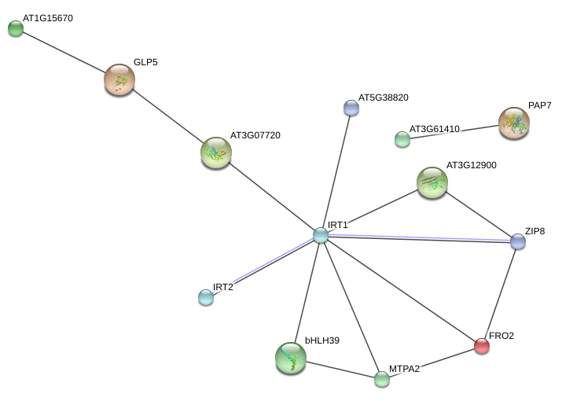
Biological Process (GO)
pathway ID | pathway description | count in gene set | false discovery rate
GO:0000041 | transition metal ion transport | 5 | 0.000166 | number of nodes: | 49
GO:0055076 | transition metal ion homeostasis | 5 | 0.000166 | number of edges: | 15
GO:0055072 | iron ion homeostasis | 4 | 0.000857 | average node degree: | 0.612
GO:0015675 | nickel cation transport | 2 | 0.00189 | clustering coefficient: | 0.921
GO:0006829 | zinc II ion transport | 3 | 0.00728 | expected number of edges: | 11
GO:0072511 | divalent inorganic cation transport | 4 | 0.0113 | PPI enrichment p-value: | 0.159
GO:0098655 | cation transmembrane transport | 6 | 0.0149
GO:0010106 | cellular response to iron ion starvation | 2 | 0.0174
GO:0034755 | iron ion transmembrane transport | 2 | 0.0263
GO:0035434 | copper ion transmembrane transport | 2 | 0.0397

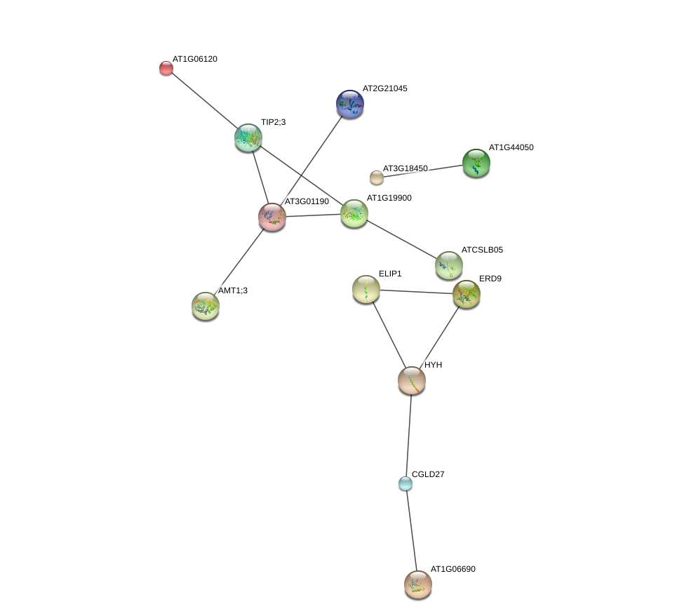
UP | DOWN |  |  |  |  | UP | DOWN
no significant functional enrichments of GO categories in network

 |  |  |  | number of nodes: | 29
 |  |  |  | number of edges: | 13
 |  |  |  | average node degree: | 0.897
 |  |  |  | clustering coefficient: | 0.868
 |  |  |  | expected number of edges: | 3
 |  |  |  | PPI enrichment p-value: | 4.1e-05

UP |  |  |  |  |  | UP
Biological Process (GO) |  |  |  | number of nodes: | 20
pathway ID | pathway description | count in gene set | false discovery rate | number of edges: | 3
GO:0010106 | cellular response to iron ion starvation | 2 | 0.0366 | average node degree: | 0.3
 |  |  |  | clustering coefficient: | 1
 |  |  |  | expected number of edges: | 1
 |  |  |  | PPI enrichment p-value: | 0.0631

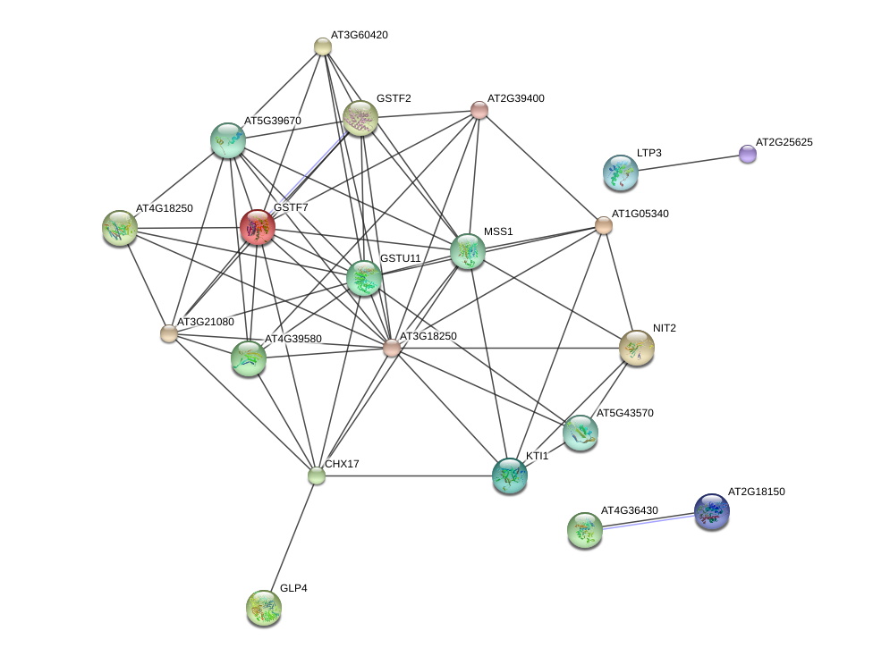
DOWN | UP |  |  |  |  | DOWN | UP
Molecular Function (GO)
pathway ID | pathway description | count in gene set | false discovery rate | number of nodes: | 32
GO:0004601 | peroxidase activity | 4 | 0.0202 | number of edges: | 66
GO:0004364 | glutathione transferase activity | 3 | 0.0204 | average node degree: | 4.12
GO:0043295 | glutathione binding | 2 | 0.031 | clustering coefficient: | 0.852
 |  |  |  | expected number of edges: | 7
 |  |  |  | PPI enrichment p-value: | 0

DOWN | DOWN |  |  |  |  | DOWN | DOWN
no significant functional enrichments of GO categories in network
 |  |  |  | number of nodes: | 9
 |  |  |  | number of edges: | 1
 |  |  |  | average node degree: | 0.222
 |  |  |  | clustering coefficient: | 1
 |  |  |  | expected number of edges: | 1
 |  |  |  | PPI enrichment p-value: | 0.409

DOWN |  |  |  |  |  | DOWN
Biological Process (GO)
pathway ID | pathway description | count in gene set | false discovery rate | number of nodes: | 21
GO:0009072 | aromatic amino acid family metabolic process | 4 | 0.000103 | number of edges: | 9
GO:0009074 | aromatic amino acid family catabolic process | 3 | 0.000103 | average node degree: | 0.857
GO:0009684 | indoleacetic acid biosynthetic process | 3 | 0.000103 | clustering coefficient: | 1
GO:0019748 | secondary metabolic process | 6 | 0.000103 | expected number of edges: | 3
GO:0044550 | secondary metabolite biosynthetic process | 5 | 0.000106 | PPI enrichment p-value: | 0.00439
GO:0052544 | defense response by callose deposition in cell wall | 3 | 0.000106
GO:0006568 | tryptophan metabolic process | 3 | 0.00015
GO:0072330 | monocarboxylic acid biosynthetic process | 5 | 0.000151
GO:0006569 | tryptophan catabolic process | 2 | 0.000168
GO:0009682 | induced systemic resistance | 3 | 0.000168
GO:0044710 | single-organism metabolic process | 12 | 0.000213
GO:0019761 | glucosinolate biosynthetic process | 3 | 0.000344
GO:0055114 | oxidation-reduction process | 8 | 0.000344
GO:1901605 | alpha-amino acid metabolic process | 5 | 0.000344
GO:0019439 | aromatic compound catabolic process | 4 | 0.000392
GO:1901361 | organic cyclic compound catabolic process | 4 | 0.000501
GO:0044712 | single-organism catabolic process | 6 | 0.000603
GO:1901606 | alpha-amino acid catabolic process | 3 | 0.00112
GO:0010120 | camalexin biosynthetic process | 2 | 0.00206
GO:0042742 | defense response to bacterium | 4 | 0.00272
GO:0019752 | carboxylic acid metabolic process | 6 | 0.00301
GO:0044699 | single-organism process | 14 | 0.00427
GO:0065008 | regulation of biological quality | 6 | 0.00445
GO:0044248 | cellular catabolic process | 5 | 0.0096
GO:0009605 | response to external stimulus | 6 | 0.0127
GO:0098542 | defense response to other organism | 5 | 0.0127
GO:0009625 | response to insect | 2 | 0.0159
GO:0080134 | regulation of response to stress | 3 | 0.0186
GO:0044711 | single-organism biosynthetic process | 6 | 0.0215
GO:1902578 | single-organism localization | 6 | 0.0236
GO:1901575 | organic substance catabolic process | 5 | 0.0248
GO:0032101 | regulation of response to external stimulus | 2 | 0.0311
GO:0033554 | cellular response to stress | 4 | 0.0486
GO:0044763 | single-organism cellular process | 11 | 0.0486
Molecular Function (GO)
pathway ID | pathway description | count in gene set | false discovery rate
GO:0020037 | heme binding | 6 | 5.43e-05
GO:0016709 | oxidoreductase activity, acting on paired donors, with incorporation or reduction of molecular oxygen, NAD(P)H as one donor, and incorporation of one atom of oxygen | 4 | 0.00234
GO:0016491 | oxidoreductase activity | 7 | 0.00576
GO:0005506 | iron ion binding | 4 | 0.00992
GO:0046872 | metal ion binding | 9 | 0.0187

Suppl. Table 3F
Suppl. Table 3F: Enrichment of functional categories (GO analysis) based on co-expression of 39OX, 3xbhlh mutant and wild type seedling Fe-regulated genes from Suppl. Table 3E
Left side (A-K), GO analysis of coexpressed genes. Right side (M-Z), Network connections of coexpressed genes.
Coexpression analysis was conducted with the STRING tool. The gene lists are denoted in Suppl. Table 3E. Up-regulation is designated in red, down-regulation in green, no regulation in grey, bHLH039 targets in yellow. Note that bHLH039 is active in the samples 39OX +Fe and in WT -Fe, while bHLH039 is not active in the sample WT +Fe and 3xbhlh.

3x vs WT | 39 Ox vs WT | WT
-Fe | +Fe | -Fe vs +Fe
UP | DOWN | UP
UP | DOWN
UP | UP | UP
UP | UP
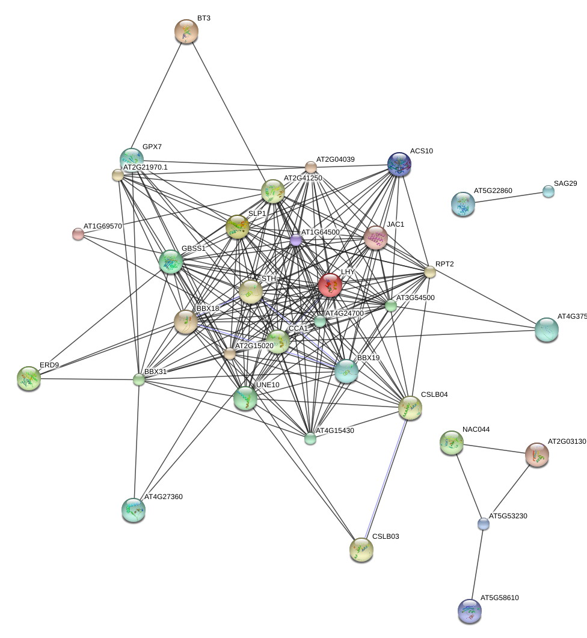
UP |  | UP
UP
Biological Process (GO)
pathway ID | pathway description |  | count in gene set | false discovery rate | number of nodes: | 64
GO:0010100 | negative regulation of photomorphogenesis |  | 3 | 0.00326 | number of edges: | 206
GO:0042754 | negative regulation of circadian rhythm |  | 2 | 0.0194 | average node degree: | 6.44
 |  |  |  |  | clustering coefficient: | 0.921
 |  |  |  |  | expected number of edges: | 19
 |  |  |  |  | PPI enrichment p-value: | 0

3x vs WT | 39 Ox vs WT | WT
-Fe | +Fe | -Fe vs +Fe
DOWN | DOWN | DOWN
DOWN | DOWN
DOWN | UP | DOWN
DOWN | UP | UP
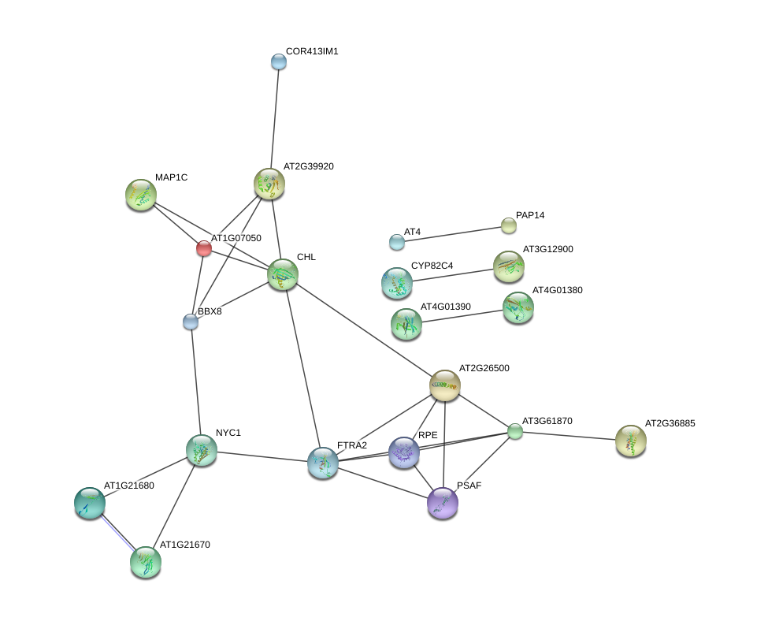
DOWN | UP
DOWN |  | DOWN
DOWN |  | UP
DOWN
no significant functional enrichments of GO categories in network
 |  |  |  |  | number of nodes: | 68
 |  |  |  |  | number of edges: | 30
 |  |  |  |  | average node degree: | 0.882
 |  |  |  |  | clustering coefficient: | 0.94
 |  |  |  |  | expected number of edges: | 18
 |  |  |  |  | PPI enrichment p-value: | 0.00474

Suppl. Table 3G
Suppl. Table 3G: Comparison of gene regulation patterns and enrichment of functional categories (GO analysis) based on co-expression of FIT-regulated genes in the comparisons (39 Ox vs WT +Fe) and (-Fe vs. +Fe WT)
The expression patterns of 34 FIT-regulated genes (FIT vs WT, Table I, Mai et al. 2016) were compared with 39Ox versus WT at +Fe (this work).
Up-regulation is designated in red, down-regulation in green, no regulation in grey.

FIT vs WT | 39 Ox vs WT
 | +Fe | AGI | Annotation
UP | UP | AT1G01580 | FERRIC REDUCTION OXIDASE 2 (FRO2)
UP | UP | AT1G09560 | GERMIN-LIKE PROTEIN 5 (GLP5)
UP | UP | AT1G09790 | COBRA-LIKE PROTEIN 6 PRECURSOR (COBL6)
UP | UP | AT1G14182 | SCR-LIKE 28 (SCRL28)
UP | UP | AT1G14185 | Glucose-methanol-choline (GMC) oxidoreductase family protein
UP | UP | AT1G32380 | PHOSPHORIBOSYL PYROPHOSPHATE (PRPP) SYNTHASE 2 (PRS2)
UP | UP | AT1G34760 | GENERAL REGULATORY FACTOR 11 (GRF11)
UP | UP | AT1G53635 | unknown protein
UP | UP | AT1G73120 | unknown protein
UP | UP | AT2G01880 | PURPLE ACID PHOSPHATASE 7 (PAP7)
UP | UP | AT2G20030 | RING/U-box superfamily protein
UP | UP | AT2G35850 | unknown protein
UP | UP | AT3G06890 | unknown protein
UP | UP | AT3G07720 | Galactose oxidase/kelch repeat superfamily protein
UP | UP | AT3G12900 | 2-oxoglutarate (2OG) and Fe(II)-dependent oxygenase superfamily protein
UP | UP | AT3G46900 | COPPER TRANSPORTER 2 (COPT2)
UP | UP | AT3G50740 | UDP-GLUCOSYL TRANSFERASE 72E1 (UGT72E1)
UP | UP | AT3G53480 | ATP-BINDING CASSETTE G37 (ABCG37)
UP | UP | AT3G58060 | Cation efflux family protein
UP | UP | AT3G58810 | METAL TOLERANCE PROTEIN A2 (MTPA2)
UP | UP | AT3G61410 | unknown protein
UP | UP | AT3G61930 | unknown protein
UP | UP | AT4G09110 | RING/U-box superfamily protein
UP | UP | AT4G17680 | SBP (S-ribonuclease binding protein) family protein
UP | UP | AT4G19680 | IRON REGULATED TRANSPORTER 2 (IRT2)
UP | UP | AT4G19690 | IRON-REGULATED TRANSPORTER 1 (IRT1)
UP | UP | AT5G03570 | IRON REGULATED 2 (IREG2)
UP | UP | AT5G38820 | Encodes a putative amino acid transporter
UP | UP | AT5G45105 | ZINC TRANSPORTER 8 PRECURSOR (ZIP8)
UP |  | AT5G46060 | Protein of unknown function. DUF599
UP | DOWN | AT5G55250 | IAA CARBOXYLMETHYLTRANSFERASE 1 (IAMT1)
UP | DOWN | AT5G62420 | NAD(P)-linked oxidoreductase superfamily protein
DOWN | DOWN | AT5G59520 | ZRT/IRT-LIKE PROTEIN 2 (ZIP2)
DOWN | DOWN | AT1G11080 | SERINE CARBOXYPEPTIDASE-LIKE 31 (scpl31)

Left side (A-K), GO analysis of coexpressed genes. Right side (M-Z), Network connections of coexpressed genes.
Coexpression analysis was conducted with the STRING tool. The gene lists are denotedabove in C8-C41. Up-regulation is designated in red, down-regulation in green, no regulation in grey.
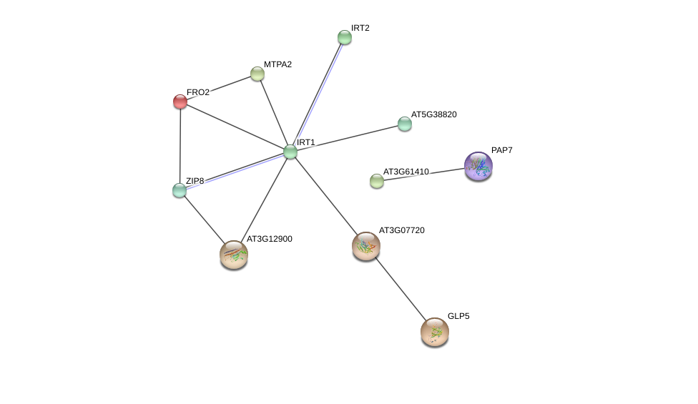
Biological Process (GO)
pathway ID | pathway description |  | count in gene set | false discovery rate | number of nodes: | 33
GO:0000041 | transition metal ion transport |  | 6 | 3.91e-07 | number of edges: | 12
GO:0006829 | zinc II ion transport |  | 4 | 6.17e-05 | average node degree: | 0.727
GO:0072511 | divalent inorganic cation transport |  | 5 | 0.000143 | clustering coefficient: | 0.924
GO:0098655 | cation transmembrane transport |  | 7 | 0.000206 | expected number of edges: | 4
GO:0055076 | transition metal ion homeostasis |  | 4 | 0.000522 | PPI enrichment p-value: | 0.00117
GO:0006811 | ion transport |  | 8 | 0.000728
GO:0015675 | nickel cation transport |  | 2 | 0.000755
GO:0048878 | chemical homeostasis |  | 5 | 0.00178
GO:0055085 | transmembrane transport |  | 8 | 0.00234
GO:0055072 | iron ion homeostasis |  | 3 | 0.00409
GO:0044765 | single-organism transport |  | 9 | 0.00494
GO:0006810 | transport |  | 10 | 0.00854
GO:0034755 | iron ion transmembrane transport |  | 2 | 0.00854
GO:0035434 | copper ion transmembrane transport |  | 2 | 0.0117
GO:0071577 | zinc II ion transmembrane transport |  | 2 | 0.0315
GO:0098662 | inorganic cation transmembrane transport |  | 4 | 0.0414
(less ...)

Molecular Function (GO)
pathway ID | pathway description |  | count in gene set | false discovery rate
GO:0008324 | cation transmembrane transporter activity |  | 6 | 0.00849
GO:0046915 | transition metal ion transmembrane transporter activity |  | 3 | 0.0139
GO:0005381 | iron ion transmembrane transporter activity |  | 2 | 0.0232
GO:0046873 | metal ion transmembrane transporter activity |  | 4 | 0.0232
GO:0005375 | copper ion transmembrane transporter activity |  | 2 | 0.0263
GO:0005215 | transporter activity |  | 7 | 0.0309
GO:0005385 | zinc ion transmembrane transporter activity |  | 2 | 0.0475

