Visual Modeling Results
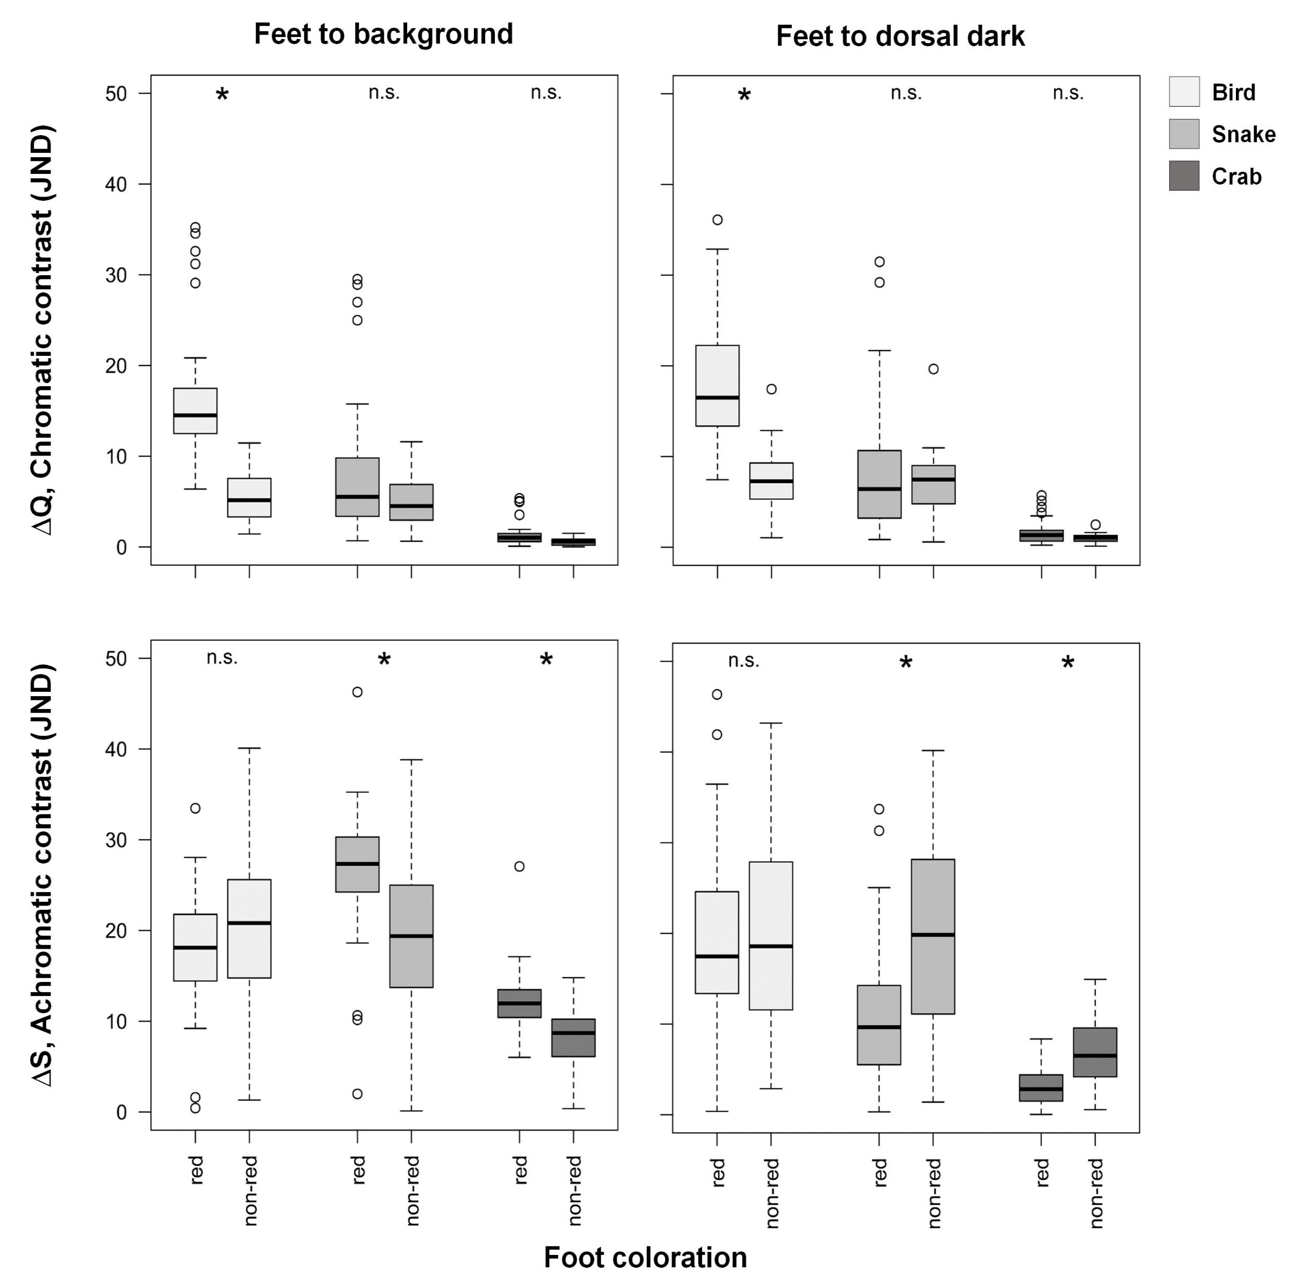
 | Predator: | BIRD |  |  |  | SNAKE |  |  |  | CRAB |  |  |  | Coding
Foot Color | Contrast (JND): | Feet/Background chromatic | Feet/Background achromatic | Feet/Dark chromatic | Feet/Dark achromatic | Feet/Background chromatic | Feet/Background achromatic | Feet/Dark chromatic | Feet/Dark achromatic | Feet/Background chromatic | Feet/Background achromatic | Feet/Dark chromatic | Feet/Dark achromatic | 1= non-red
1 |  | 17.488409352 | 14.034994599 | 19.740664774 | 18.47273877 | 3.5237644199 | 25.592142028 | 7.0709414005 | 6.5389951315 | 1.139844572 | 11.594209581 | 1.7332060127 | 0.74479204953 | 2= red
1 |  | 15.044005908 | 21.418317731 | 13.989592733 | 20.382231941 | 4.5386645808 | 30.927877634 | 6.3415170139 | 12.487290276 | 1.171340287 | 14.174470746 | 1.3608416113 | 3.4787848362
1 |  | 15.174753599 | 16.275706757 | 14.883314083 | 0.38310825137 | 4.9611715876 | 25.776570645 | 6.8710592333 | 8.33170985 | 1.2874768135 | 12.16093401 | 1.493456553 | 5.3134881965
1 |  | 12.503029419 | 19.361008969 | 15.109461231 | 9.103224124 | 3.0802165336 | 27.349390407 | 10.647667559 | 0.32295417842 | 0.67899805115 | 11.986723728 | 0.66566128912 | 1.865973575
1 |  | 14.041999505 | 21.191307111 | 14.073167668 | 14.010931524 | 3.6907396379 | 30.446699861 | 5.150520982 | 5.5243839284 | 0.62304315747 | 13.051370968 | 1.1702504878 | 0.86979409806
1 |  | 10.08882996 | 18.193246365 | 10.627724057 | 20.643885506 | 1.4829884008 | 24.927545009 | 3.205138848 | 14.263363756 | 0.4538131296 | 10.645433677 | 0.65596497986 | 5.2508924215
1 |  | 15.999255894 | 18.027807346 | 11.908554146 | 11.05904526 | 3.3792177299 | 28.393046191 | 2.3390692855 | 3.2900287025 | 0.92495899353 | 12.58710594 | 0.59629796347 | 0.93869690126
1 |  | 14.963249306 | 18.302399847 | 14.473015026 | 25.555613206 | 4.427120962 | 27.353845495 | 6.5114048697 | 17.510171734 | 1.1176677795 | 12.58799644 | 1.3259128669 | 5.5667210257
1 |  | 11.365868664 | 23.538171392 | 10.398036562 | 16.733302072 | 2.2422165733 | 31.104179671 | 1.8763233839 | 9.8985423148 | 0.4855431514 | 13.214507251 | 0.33282143721 | 4.0323585126
1 |  | 11.525218974 | 22.564154504 | 8.2759129109 | 9.9805349634 | 3.3627209003 | 29.806991539 | 0.84439375843 | 4.2240200997 | 0.93294079516 | 13.467680873 | 0.22248032771 | 1.792390944
1 |  | 17.476789217 | 24.15418183 | 16.247623728 | 13.360234349 | 4.1430499701 | 35.250812589 | 4.5502525133 | 3.3711769254 | 1.1591685882 | 15.703715894 | 0.90373082852 | 0.7069950741
1 |  | 6.3944539272 | 28.048928937 | 7.4504081967 | 13.698281213 | 2.0979250541 | 32.444488558 | 3.2114554188 | 9.3990414653 | 0.19997830622 | 13.536390112 | 0.6735787733 | 2.9718134752
1 |  | 13.692473179 | 12.750627094 | 8.4584300929 | 9.0128805242 | 7.964693776 | 19.789982661 | 3.4403765866 | 3.9947403006 | 1.7394057844 | 10.70459826 | 0.74801419416 | 0.71952218309
1 |  | 29.085954829 | 15.265670782 | 25.609988337 | 2.5851243583 | 15.756616056 | 30.186731311 | 14.601123256 | 10.186847465 | 3.5445160734 | 17.105499379 | 3.1839939116 | 8.3473400247
1 |  | 17.168125147 | 13.555116739 | 9.9148361548 | 12.500565935 | 4.7357327261 | 24.2257002 | 3.0738125292 | 6.0999944279 | 1.3068044499 | 11.404283674 | 0.26315084474 | 2.6638932899
1 |  | 35.216245458 | 33.46994415 | 24.889329547 | 16.189937428 | 29.51278306 | 46.280416608 | 20.527896599 | 6.9098761058 | 5.3467852616 | 27.058284966 | 3.7947721163 | 2.6288004613
2 |  | 3.038229957 | 26.175709709 | 4.7979113457 | 11.567428474 | 2.9649795151 | 25.076204548 | 4.1599929499 | 10.14668141 | 0.32223734055 | 9.9308231383 | 0.65557060535 | 3.0670693976
2 |  | 5.6272145549 | 21.815097579 | 8.0116421165 | 19.757104874 | 3.3714673335 | 18.591182197 | 8.4539034227 | 20.257714244 | 0.37271636192 | 8.58962576 | 1.138324247 | 6.2579586303
2 |  | 7.5489055283 | 30.539720651 | 7.9452558883 | 13.81003594 | 6.8927895078 | 27.657691167 | 8.5812500178 | 15.06418872 | 0.8746226009 | 13.124962432 | 1.135200789 | 4.1732657809
2 |  | 5.211280191 | 15.842349945 | 6.8400525977 | 39.626865848 | 4.32287103 | 13.720505712 | 7.030765238 | 40.162125122 | 0.63110021521 | 6.9582944945 | 0.91545838631 | 14.921618607
2 |  | 9.1299869242 | 25.329593752 | 9.8341226975 | 5.8609301411 | 9.5391340599 | 25.034481978 | 10.482318711 | 5.1032762785 | 1.5106733236 | 13.071519861 | 1.5423720155 | 0.55073655928
2 |  | 3.5252819118 | 20.053311769 | 3.9379824511 | 14.629324476 | 4.4592043366 | 19.190066688 | 3.4020549982 | 15.440907588 | 0.16193947975 | 7.908551557 | 0.39827823077 | 5.4589698359
2 |  | 3.0991254843 | 20.581851751 | 5.3055226912 | 19.461844433 | 4.1603604145 | 20.815092889 | 5.8306353289 | 19.919061226 | 0.07032937474 | 8.9431351461 | 0.83810161894 | 9.5696939117
2 |  | 4.6338336851 | 25.602920438 | 8.5659514431 | 2.8662685532 | 4.538997348 | 24.516045491 | 8.2422503664 | 1.4038105462 | 0.59676327809 | 11.472217179 | 1.2659001098 | 1.7939299942
2 |  | 7.8837181915 | 21.596085732 | 6.1679381804 | 21.742892359 | 7.6391506435 | 19.561138941 | 4.7782038 | 25.076632519 | 1.0891674313 | 10.224168285 | 0.49868152456 | 9.3312018219
1 |  | 34.559271511 | 16.751011551 | 27.082964612 | 41.918815354 | 24.989406481 | 1.9914587258 | 21.682621657 | 31.319792758 | 4.9744549897 | 6.0175412757 | 4.4202458093 | 7.1323873731
1 |  | 31.203284923 | 0.42779944654 | 32.857466837 | 36.308817901 | 28.918365384 | 10.162577891 | 29.18793356 | 25.040097349 | 5.0183437381 | 11.921353283 | 5.1147774763 | 2.6284051444
1 |  | 32.588898046 | 1.6136388929 | 36.096795846 | 46.346836753 | 26.982161733 | 10.639191983 | 31.472109625 | 33.702078836 | 5.0531208367 | 11.899521543 | 5.6974071117 | 5.4691025318
2 |  | 5.706487029 | 17.24613781 | 7.982887524 | 17.582515933 | 6.6038341833 | 17.184755592 | 7.8893608922 | 19.734109817 | 0.83700245937 | 8.7883565515 | 1.2938835278 | 10.265846857
2 |  | 6.1622147067 | 40.088802913 | 6.661917855 | 9.4834823615 | 7.6728859678 | 38.821114306 | 6.7455316481 | 11.096295446 | 0.8367943856 | 14.803304674 | 0.8865032646 | 6.0115984139
2 |  | 7.7823745851 | 5.9667682472 | 12.869080046 | 38.840309513 | 4.7479068769 | 9.8235317365 | 10.181283966 | 33.587623395 | 0.84220070573 | 5.3146198435 | 1.604124995 | 11.424225364
2 |  | 3.7464582149 | 31.667905494 | 4.0216865745 | 10.508307773 | 5.3209544433 | 31.402696207 | 3.0421641062 | 8.9845217735 | 0.58877773618 | 12.107500641 | 0.33322509775 | 3.0455915451
2 |  | 2.3939674314 | 17.604911727 | 5.5305499704 | 30.078360781 | 1.7921492457 | 17.82233085 | 5.4385759373 | 30.03823723 | 0.30840269011 | 7.9039835393 | 0.84920071274 | 11.02427762
2 |  | 1.4219745575 | 21.04896979 | 1.0397608641 | 15.579509732 | 1.8857213787 | 22.237151375 | 0.58242789601 | 15.161623521 | 0.12366201153 | 8.8465196262 | 0.10568881883 | 6.2243863288
2 |  | 1.9518188988 | 14.767192482 | 6.3427258219 | 20.352411764 | 0.64032980322 | 13.988904622 | 6.420143224 | 20.482924612 | 0.017209625054 | 5.8038824269 | 0.97129870323 | 6.7427359873
2 |  | 5.0250761094 | 5.1099331349 | 11.401840291 | 43.187636878 | 4.6638346669 | 3.8510271803 | 10.957347324 | 39.99955636 | 0.70987280073 | 0.37572167664 | 1.6236930759 | 13.807607186
2 |  | 3.3225103619 | 10.158924095 | 7.6913813475 | 27.884334486 | 2.6160751586 | 8.500536292 | 9.0148920989 | 28.053668594 | 0.32349032648 | 4.127296009 | 1.2959817946 | 9.3572906736
2 |  | 11.464944148 | 13.611044462 | 17.428754028 | 30.514654532 | 11.590326691 | 10.752536138 | 19.653627605 | 29.255266011 | 1.0622202374 | 6.1010803334 | 2.4834527919 | 8.0628050903
2 |  | 10.411605341 | 1.3186088038 | 10.271909499 | 26.275172454 | 10.495109046 | 0.11409315355 | 10.921191738 | 28.147604687 | 1.3398313999 | 2.1731417571 | 1.2969494614 | 9.5223355437
2 |  | 5.1034365621 | 27.358101359 | 9.283651076 | 17.676593218 | 2.3105850924 | 24.994239304 | 8.6358528122 | 15.558961648 | 0.13510323622 | 10.082659702 | 1.3621641731 | 4.1950892816
2 |  | 5.4635659445 | 24.20603418 | 4.9926759702 | 9.8237822518 | 3.3102591844 | 21.637931987 | 1.3545799532 | 6.5022906915 | 0.19980545681 | 8.550510832 | 0.24612581559 | 2.389449737
1 |  | 16.517836322 | 14.442187554 | 21.05086068 | 24.801958396 | 6.7806112443 | 25.36620421 | 6.1520598692 | 11.680736354 | 0.10609444538 | 9.8285551523 | 1.479008312 | 3.2269821139
1 |  | 12.738485873 | 21.783737596 | 17.158478594 | 17.389747492 | 9.8631373206 | 30.301222758 | 4.0455056363 | 5.8920534636 | 0.58311430995 | 10.966477729 | 0.9405511356 | 1.5052904218
1 |  | 13.662057714 | 17.43135465 | 17.027060065 | 22.405106646 | 8.7720339645 | 25.799681753 | 5.0979982586 | 11.723141606 | 0.33275628242 | 9.61589049 | 0.61760334036 | 4.3996583712
1 |  | 10.849520523 | 20.78005222 | 15.029182899 | 16.179594024 | 8.7644360989 | 27.965075359 | 3.0856586884 | 6.0075613035 | 0.59119850792 | 10.046048757 | 0.69832832676 | 1.8932461525
1 |  | 10.459957444 | 19.3889234 | 13.349194994 | 18.81742434 | 12.317051713 | 23.37098093 | 2.8661007754 | 9.9362371988 | 1.3264947908 | 7.0465796456 | 0.67777936398 | 3.4030719907
1 |  | 10.765785885 | 23.150955621 | 18.430607465 | 16.015437133 | 9.812075851 | 29.149128122 | 7.699646589 | 5.0084933287 | 0.76412345129 | 10.412216996 | 1.403058014 | 0.033986533477
1 |  | 12.705874744 | 12.969010468 | 20.093015736 | 24.58984293 | 6.0791330225 | 20.942645431 | 7.6821233507 | 12.788878926 | 0.091463888876 | 8.2267913119 | 1.5677793737 | 3.3162184404
1 |  | 15.868092546 | 17.434457691 | 16.740856328 | 23.493629467 | 7.2128879574 | 26.385385901 | 9.3208799973 | 14.740748777 | 1.502248272 | 12.918352637 | 1.841011342 | 3.5590887298
1 |  | 20.836808884 | 15.4760101 | 29.337324259 | 30.730550235 | 8.0236593324 | 27.819070807 | 17.716237443 | 15.61524415 | 1.9258886901 | 13.835438592 | 3.4600703124 | 1.6335587646
1 |  | 12.634989741 | 25.254651164 | 22.461525293 | 17.514698936 | 0.67693411249 | 34.405153698 | 11.890577512 | 4.7008457016 | 0.70723069724 | 14.671259578 | 2.3083700634 | 1.1925714057
1 |  | 13.321369768 | 9.2130039277 | 22.238271142 | 36.458848984 | 2.4916624804 | 18.622828968 | 8.8024461337 | 22.707867994 | 0.94856940666 | 8.4114101673 | 1.8713045489 | 7.0803519143

Figure: Boxplots showing chromatic (∆S) and achromatic (∆Q) contrast of feet to background (left) as well as of feet to dorsal dark coloration (right) as perceived by three predator types in JND units (JND > 1 = discriminable). N (Red) = 32, N (Non-Red) = 20. Whiskers represent 1.5 IQR distance from the first and third quartile. * = significant, n.s. = non-significant.

Predation Data
Coding:
Population: 1 (SDN1, without red feet)
2 (SDN2, with red feet)
Model type: 1 (no red feet)
2 (red feet)
Attack: 0 (not attacked)
1 (attacked)
Time: (days)
Predator: 1 (bird)
2 (reptile)
3 (mammal)
4 (insect, unknown)
5 (missing)
Position: 1 (leaf litter)
2 (green leaf)
3 (perch)
Population | Model_type | Attack | Time | Predator | Position
1 | 1 | 1 | 9 | 3 | 3
1 | 1 | 0 | 18 | NA | 3
1 | 1 | 1 | 3 | 2 | 2
1 | 1 | 1 | 9 | 4 | 1
1 | 1 | 0 | 6 | NA | 2
1 | 1 | 1 | 18 | 1 | 3
1 | 1 | 1 | 15 | 2 | 1
1 | 1 | 1 | 15 | 1 | 3
1 | 1 | 1 | 9 | 4 | 2
1 | 1 | 0 | 18 | NA | 2
1 | 1 | 0 | 18 | NA | 3
1 | 1 | 0 | 18 | NA | 1
1 | 1 | 0 | 18 | NA | 1
1 | 1 | 1 | 9 | 1 | 2
1 | 1 | 0 | 18 | NA | 1
1 | 1 | 1 | 12 | 3 | 2
1 | 1 | 1 | 18 | 3 | 1
1 | 1 | 1 | 12 | 4 | 2
1 | 1 | 0 | 18 | NA | 1
1 | 1 | 1 | 9 | 1 | 3
1 | 1 | 1 | 18 | 4 | 1
1 | 1 | 1 | 15 | 4 | 2
1 | 1 | 0 | 18 | NA | 3
1 | 1 | 0 | 18 | NA | 3
1 | 1 | 1 | 15 | 4 | 1
1 | 1 | 0 | 18 | NA | 1
1 | 1 | 1 | 3 | 3 | 2
1 | 1 | 1 | 9 | 4 | 3
1 | 1 | 0 | 15 | NA | 2
1 | 1 | 1 | 18 | 5 | 3
1 | 2 | 1 | 6 | 3 | 1
1 | 2 | 0 | 18 | NA | 3
1 | 2 | 1 | 18 | 4 | 2
1 | 2 | 0 | 18 | NA | 2
1 | 2 | 0 | 18 | NA | 2
1 | 2 | 0 | 18 | NA | 2
1 | 2 | 0 | 18 | NA | 1
1 | 2 | 0 | 18 | NA | 1
1 | 2 | 1 | 18 | 4 | 3
1 | 2 | 1 | 3 | 1 | 1
1 | 2 | 0 | 3 | NA | 3
1 | 2 | 1 | 18 | 1 | 1
1 | 2 | 1 | 18 | 5 | 1
1 | 2 | 0 | 18 | NA | 3
1 | 2 | 1 | 6 | 3 | 1
1 | 2 | 0 | 18 | NA | 3
1 | 2 | 0 | 18 | NA | 2
1 | 2 | 1 | 18 | 4 | 3
1 | 2 | 0 | 18 | NA | 3
1 | 2 | 0 | 18 | NA | 3
1 | 2 | 0 | 18 | NA | 2
1 | 2 | 1 | 18 | 1 | 2
1 | 2 | 0 | 18 | NA | 1
1 | 2 | 0 | 18 | NA | 3
1 | 2 | 1 | 3 | 1 | 2
1 | 2 | 0 | 18 | NA | 1
1 | 2 | 1 | 9 | 4 | 2
1 | 2 | 0 | 18 | NA | 3
1 | 2 | 1 | 18 | 1 | 1
1 | 2 | 0 | 18 | NA | 2
1 | 1 | 0 | 3 | NA | 2
1 | 1 | 1 | 15 | 5 | 2
1 | 1 | 0 | 9 | NA | 1
1 | 1 | 1 | 12 | 5 | 2
1 | 1 | 0 | 12 | NA | 1
1 | 1 | 0 | 9 | NA | 2
1 | 1 | 0 | 9 | NA | 3
1 | 1 | 1 | 9 | 4 | 2
1 | 1 | 0 | 3 | NA | 2
1 | 2 | 0 | 12 | NA | 1
1 | 2 | 1 | 15 | 5 | 3
1 | 2 | 0 | 15 | NA | 2
1 | 2 | 1 | 9 | 3 | 3
1 | 2 | 1 | 9 | 3 | 1
1 | 2 | 0 | 9 | NA | 2
1 | 2 | 0 | 9 | NA | 3
1 | 2 | 0 | 6 | NA | 2
1 | 2 | 1 | 6 | 5 | 2
1 | 2 | 1 | 3 | 4 | 2
1 | 2 | 0 | 3 | NA | 1
1 | 2 | 0 | 3 | NA | 3
1 | 2 | 0 | 3 | NA | 2
1 | 2 | 0 | 3 | NA | 1
2 | 1 | 0 | 21 | NA | 3
2 | 1 | 1 | 21 | 4 | 3
2 | 1 | 0 | 21 | NA | 2
2 | 1 | 1 | 15 | 1 | 1
2 | 1 | 1 | 3 | 5 | 2
2 | 1 | 1 | 21 | 4 | 3
2 | 1 | 0 | 21 | NA | 1
2 | 1 | 0 | 21 | NA | 3
2 | 1 | 0 | 12 | NA | 2
2 | 1 | 1 | 9 | 5 | 2
2 | 1 | 1 | 6 | 5 | 3
2 | 1 | 1 | 9 | 4 | 1
2 | 1 | 0 | 6 | NA | 2
2 | 1 | 1 | 3 | 4 | 1
2 | 1 | 0 | 21 | NA | 2
2 | 1 | 0 | 21 | NA | 1
2 | 1 | 0 | 21 | NA | 2
2 | 1 | 1 | 18 | 4 | 1
2 | 1 | 1 | 12 | 3 | 3
2 | 1 | 0 | 21 | NA | 1
2 | 1 | 1 | 6 | 1 | 2
2 | 1 | 1 | 15 | 4 | 3
2 | 1 | 0 | 21 | NA | 3
2 | 1 | 1 | 6 | 3 | 1
2 | 1 | 1 | 21 | 4 | 1
2 | 1 | 1 | 21 | 4 | 2
2 | 1 | 0 | 21 | NA | 3
2 | 1 | 1 | 3 | 1 | 2
2 | 1 | 0 | 21 | NA | 3
2 | 1 | 0 | 21 | NA | 1
2 | 2 | 1 | 3 | 4 | 1
2 | 2 | 0 | 21 | NA | 3
2 | 2 | 0 | 21 | NA | 2
2 | 2 | 1 | 9 | 4 | 2
2 | 2 | 0 | 21 | NA | 3
2 | 2 | 1 | 9 | 4 | 2
2 | 2 | 0 | 21 | NA | 1
2 | 2 | 1 | 9 | 4 | 1
2 | 2 | 1 | 21 | 5 | 1
2 | 2 | 1 | 6 | 1 | 3
2 | 2 | 1 | 3 | 3 | 1
2 | 2 | 0 | 21 | NA | 3
2 | 2 | 0 | 21 | NA | 1
2 | 2 | 0 | 21 | NA | 1
2 | 2 | 1 | 9 | 4 | 3
2 | 2 | 0 | 21 | NA | 1
2 | 2 | 1 | 15 | 4 | 3
2 | 2 | 1 | 9 | 4 | 2
2 | 2 | 0 | 21 | NA | 3
2 | 2 | 0 | 21 | NA | 3
2 | 2 | 1 | 21 | 4 | 2
2 | 2 | 0 | 21 | NA | 2
2 | 2 | 1 | 15 | 4 | 2
2 | 2 | 1 | 12 | 4 | 1
2 | 2 | 0 | 21 | NA | 3
2 | 2 | 0 | 12 | NA | 2
2 | 2 | 1 | 12 | 4 | 1
2 | 2 | 0 | 21 | NA | 2
2 | 2 | 0 | 12 | NA | 3
2 | 2 | 0 | 21 | NA | 2
2 | 1 | 0 | 18 | NA | 2
2 | 1 | 1 | 3 | 1 | 1
2 | 1 | 1 | 18 | 4 | 1
2 | 1 | 1 | 6 | 1 | 2
2 | 1 | 1 | 9 | 4 | 3
2 | 1 | 0 | 15 | NA | 3
2 | 1 | 1 | 9 | 1 | 2
2 | 1 | 1 | 6 | 4 | 2
2 | 1 | 0 | 12 | NA | 1
2 | 1 | 1 | 12 | 1 | 2
2 | 1 | 1 | 12 | 1 | 1
2 | 1 | 1 | 12 | 1 | 2
2 | 1 | 1 | 9 | 5 | 2
2 | 1 | 1 | 9 | 4 | 1
2 | 1 | 0 | 9 | NA | 3
2 | 1 | 0 | 6 | NA | 3
2 | 1 | 0 | 6 | NA | 2
2 | 1 | 0 | 3 | NA | 2
2 | 1 | 0 | 3 | NA | 3
2 | 1 | 1 | 3 | 2 | 1
2 | 1 | 0 | 3 | NA | 1
2 | 2 | 1 | 18 | 1 | 1
2 | 2 | 0 | 18 | NA | 2
2 | 2 | 0 | 3 | NA | 1
2 | 2 | 1 | 15 | 4 | 2
2 | 2 | 1 | 12 | 4 | 1
2 | 2 | 0 | 12 | NA | 1
2 | 2 | 1 | 6 | 1 | 2
2 | 2 | 0 | 9 | NA | 3
2 | 2 | 0 | 9 | NA | 3
2 | 2 | 1 | 6 | 4 | 1
2 | 2 | 0 | 9 | NA | 2
2 | 2 | 0 | 6 | NA | 1
2 | 2 | 0 | 6 | NA | 2
2 | 2 | 0 | 6 | NA | 3
2 | 2 | 0 | 6 | NA | 3
2 | 2 | 0 | 3 | NA | 2

