StdCurves
TBP |  |  | B2M |  |  | RPLP0
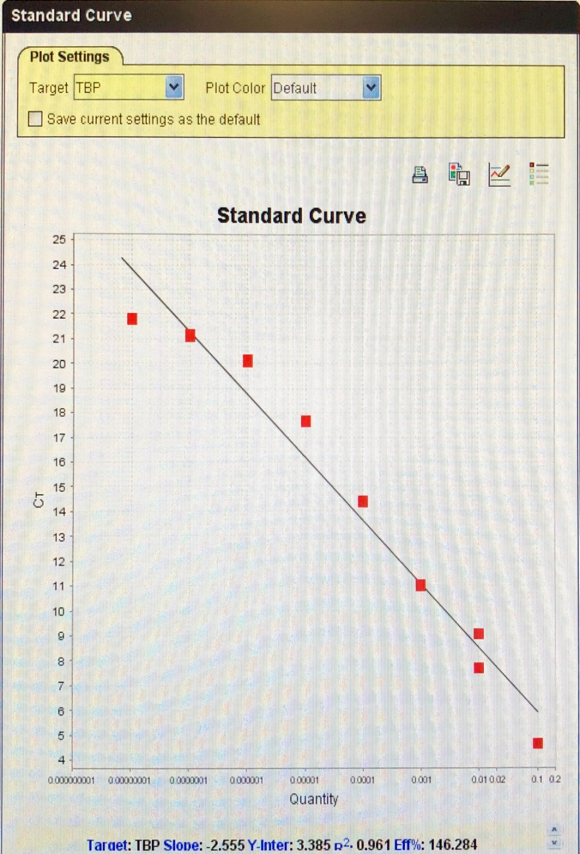
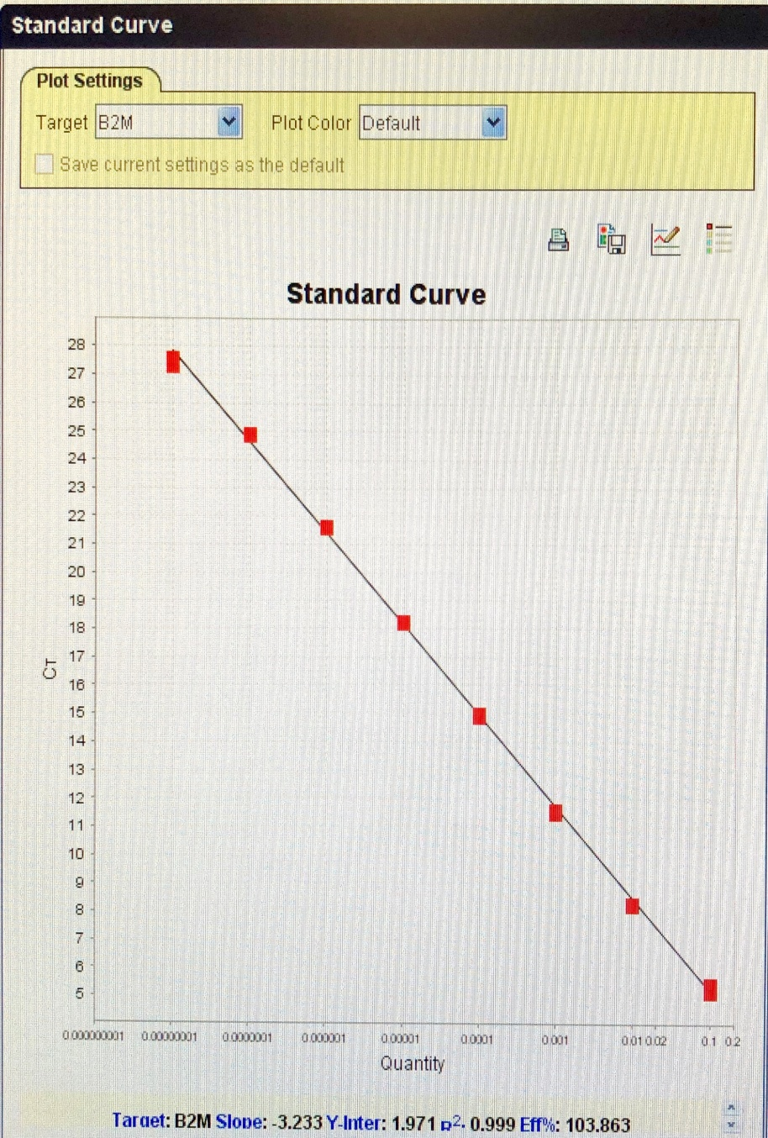
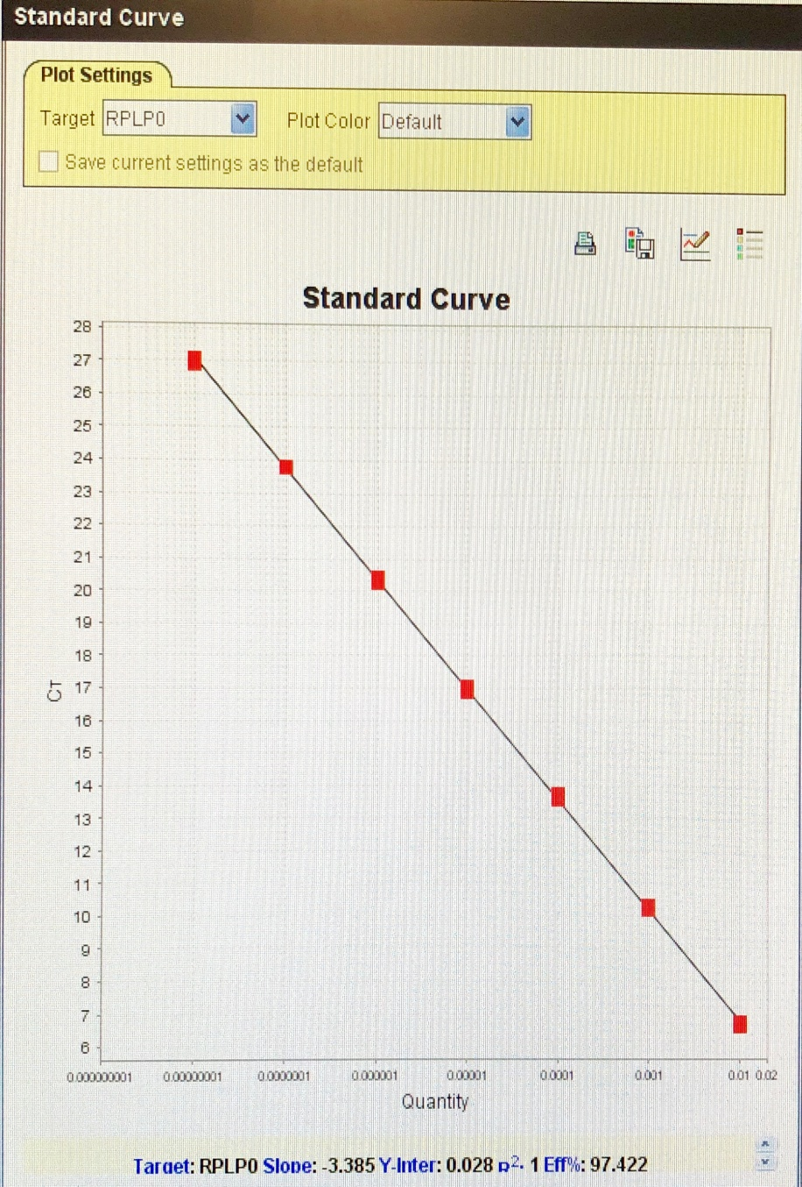

 | Target | TBP |  | Target | B2M |  | Target | RPLP0
 | Slope: | -2.555 |  | Slope: | -3.233 |  | Slope: | -3.385
 | Y-Inter: | 3.385 |  | Y-Inter: | 1.971 |  | Y-Inter: | 0.028
 | R²: | 0.961 |  | R²: | 0.999 |  | R²: | 1
 | Eff%: | 146.284 |  | Eff%: | 103.863 |  | Eff%: | 97.422

