Table S14
Table S14. Supraneural morphology of extant Oreochromini. See Table S5 for specimens used.

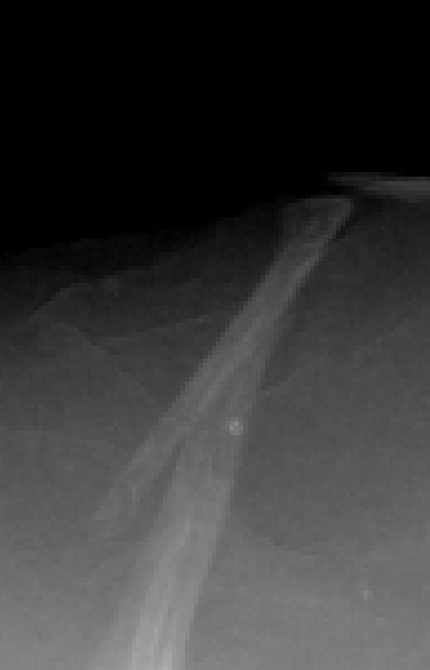
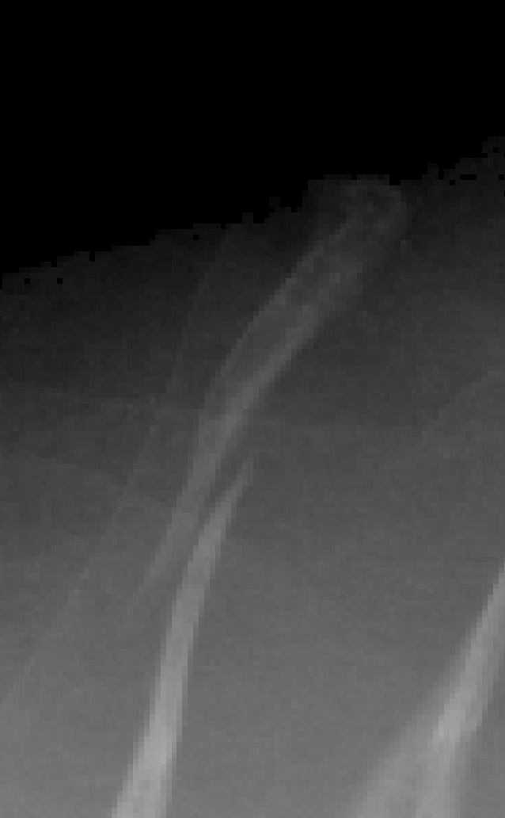
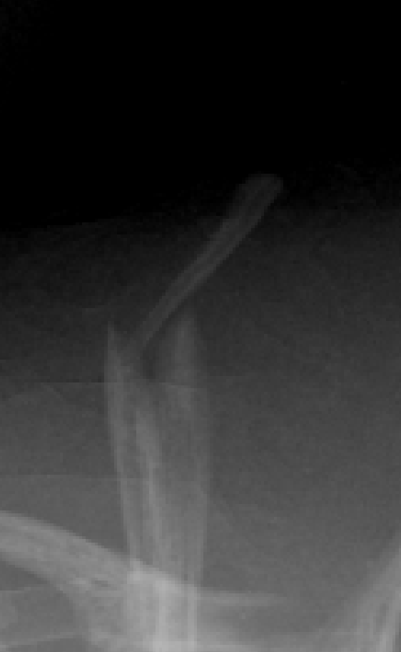
Alcolapia | Alcolapia alcalica

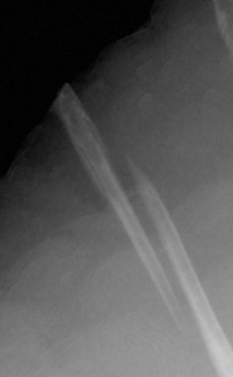
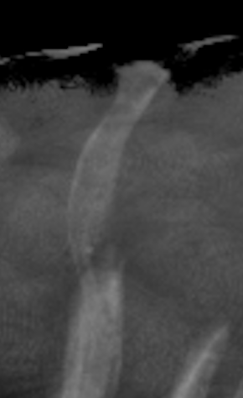
 | Alcolapia grahami |  |  |  | Alcolapia latilabris





Danakilia | Danakilia dinicolai




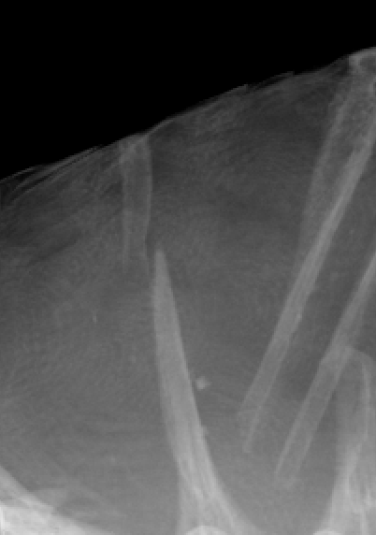
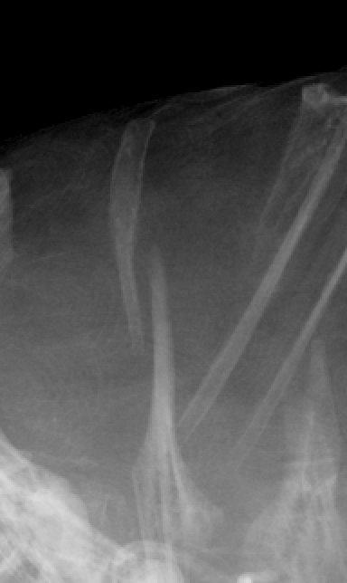
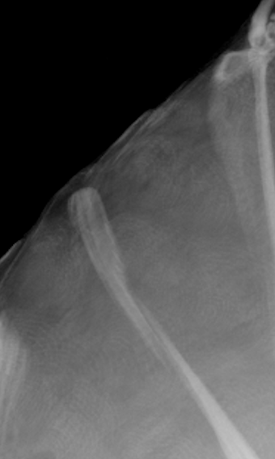
 | Danakilia franchettii

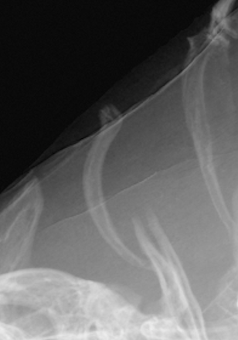
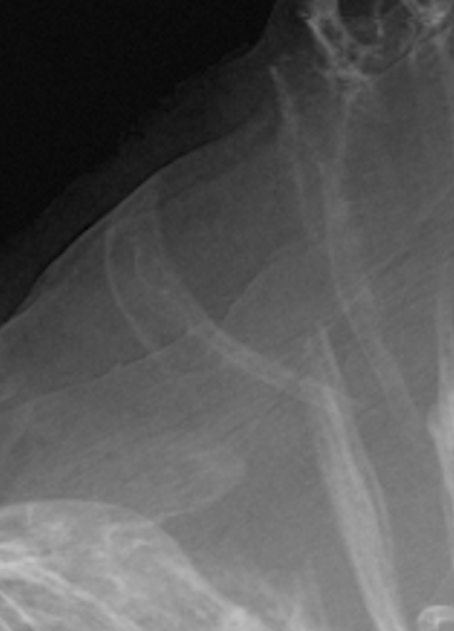
Iranocichla | Iranocichla hormuzensis
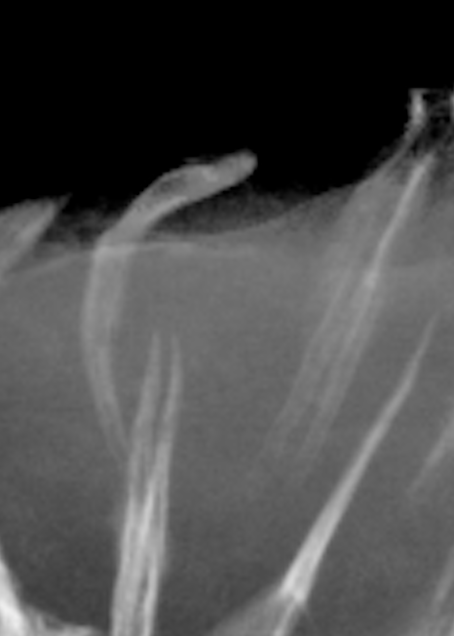
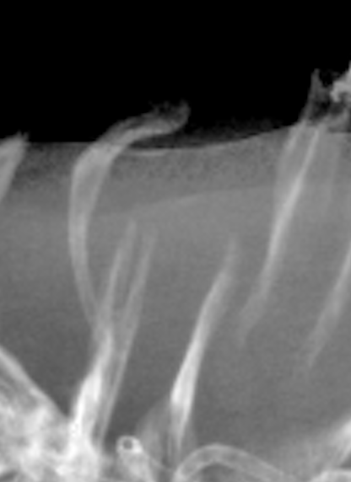
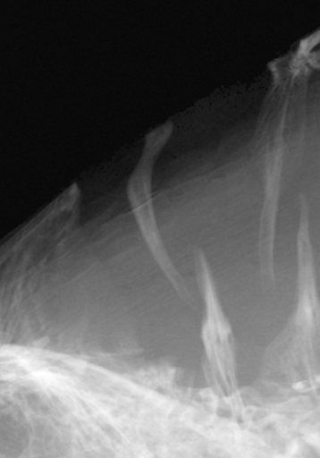

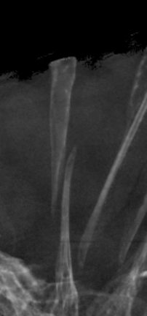
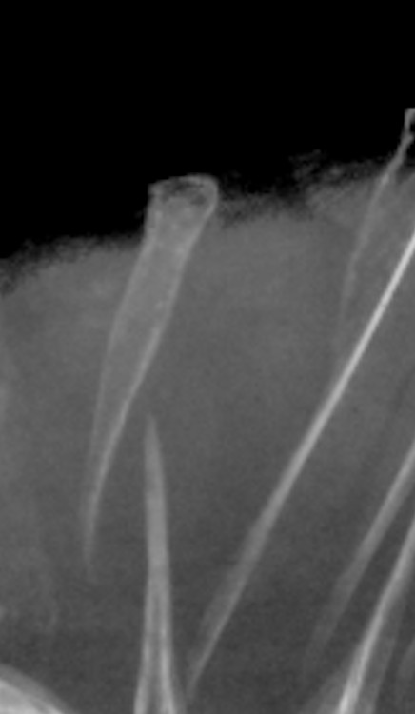
Konia | Konia dikume
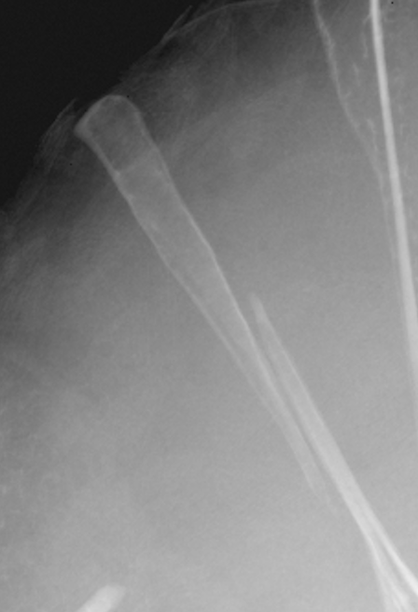

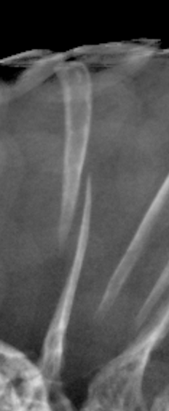
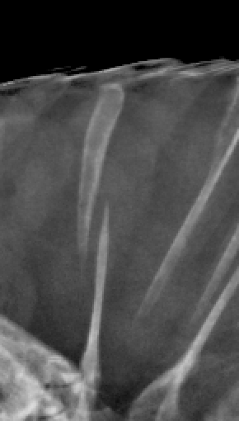
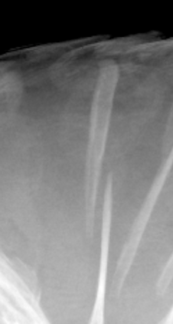
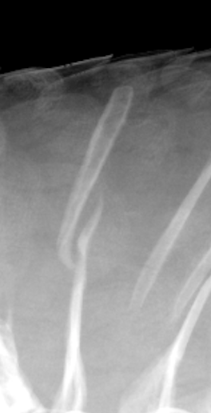
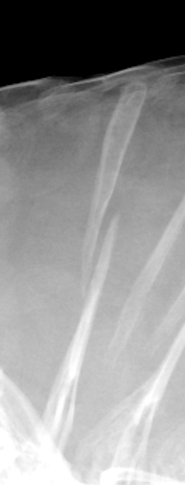
 | Konia eisentrauti
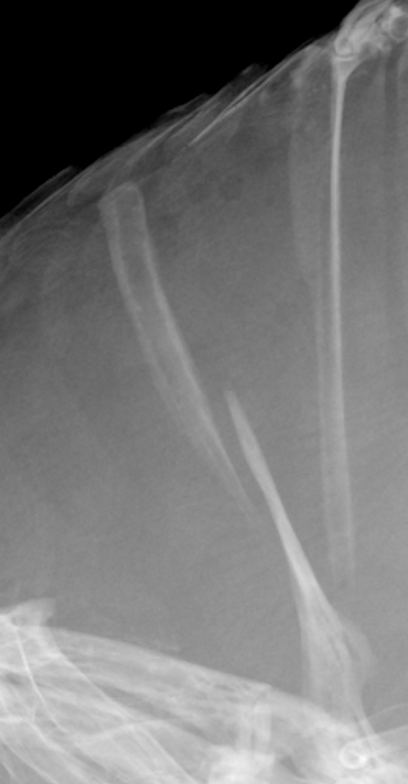

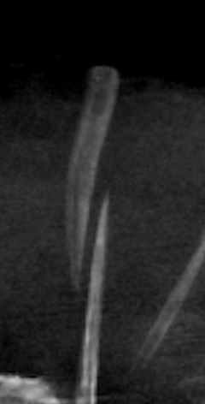
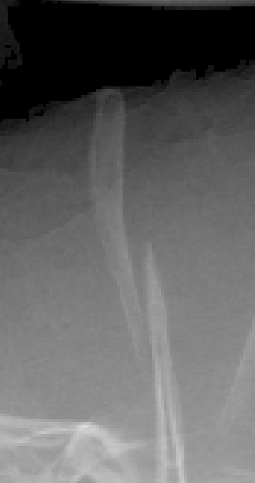
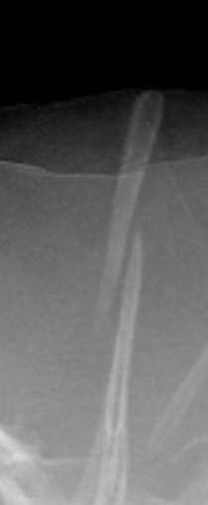

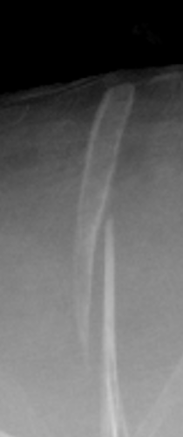
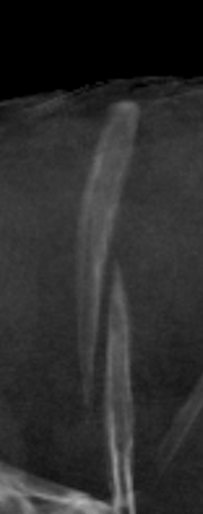
Myaka | Myaka myaka

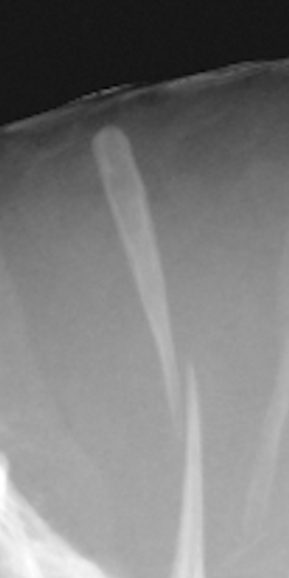
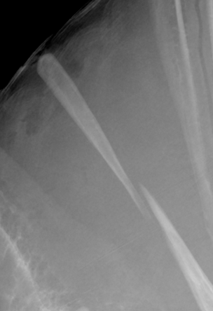
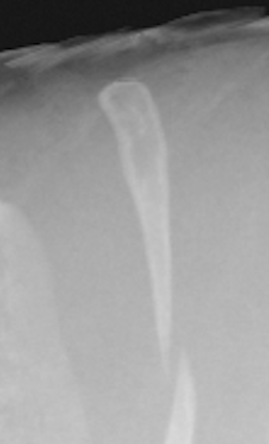
Pungu | Pungu maclareni

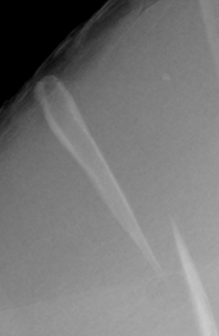
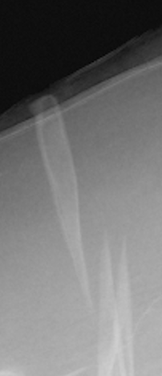
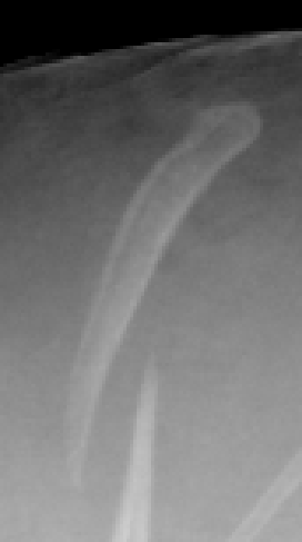
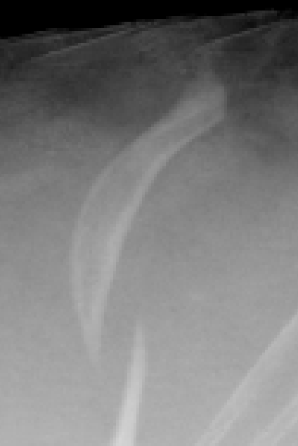
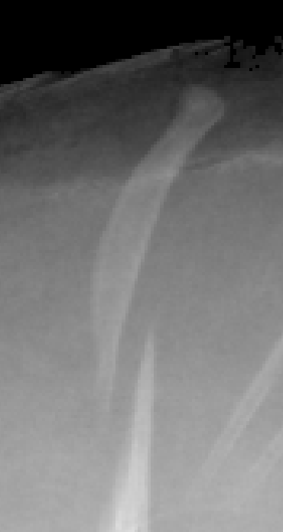
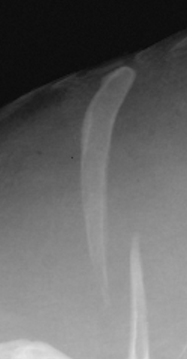
Stomatepia | Stomatepia mariae |  |  | Stomatepia mongo

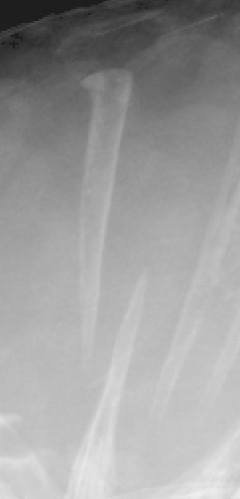
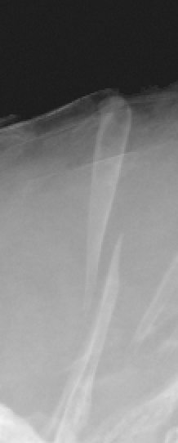
 | Stomatepia pindu

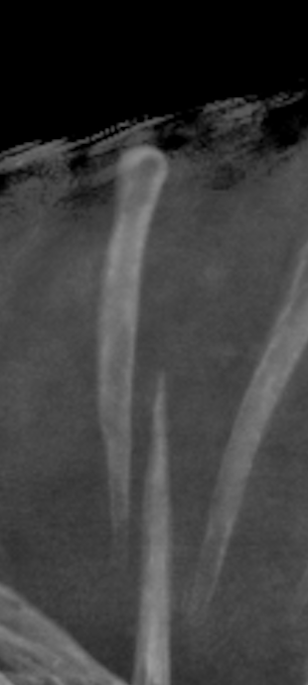
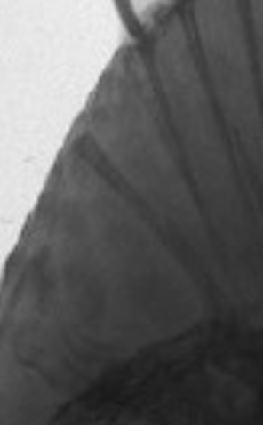
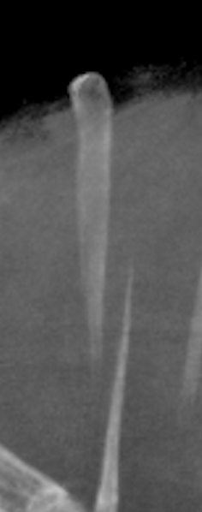
Tristramella | Tristramella simonis
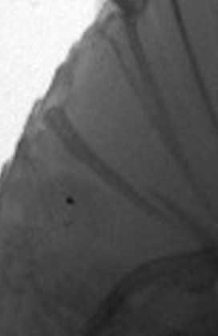
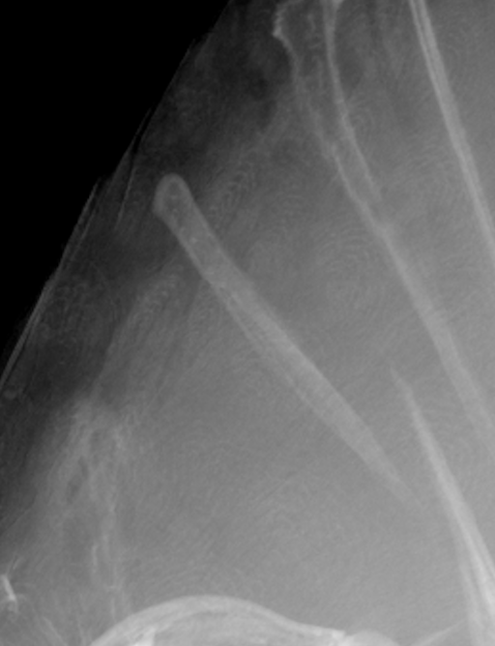
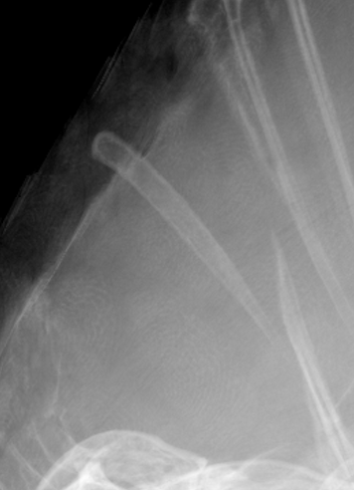
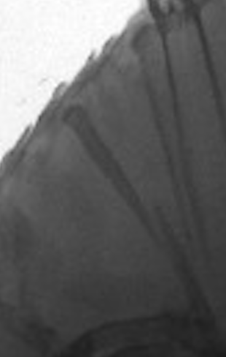

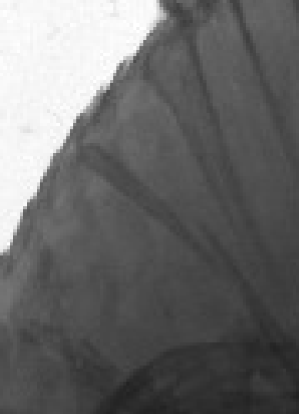

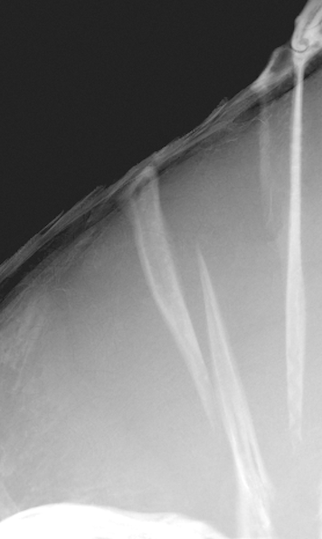
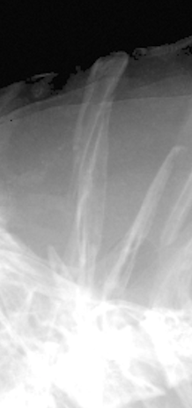
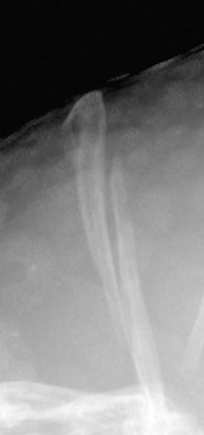
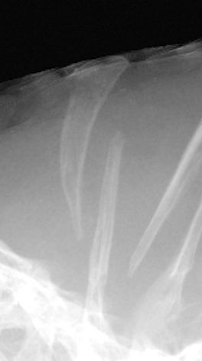



Oreochromis | Oreochromis amphimelas |  |  | Oreochromis angolensis












 | Oreochromis aureus |  |  |  |  | Oreochromis chungruruensis










 | Oreochromis esculentus | Oreochromis hunteri





 | Oreochromis jipe | Oreochromis lepidurus






 | Oreochromis leucostictus |  |  |  | Oreochromis macrochir







 | Oreochromis mossambicus |  | Oreochromis niloticus









 | Oreochromis salinicola |  |  |  | Oreochromis schwebischi








 | Oreochromis spilurus |  |  |  | Oreochromis squamipinnis







 | Oreochromis tanganicae |  | Oreochromis variabilis










Sarotherodon | Sarotherodon caroli |  |  |  | Sarotherodon caudomarginatus










 | Sarotherodon galilaeus













 | Sarotherodon knauerae |  |  | Sarotherodon linnellii













 | Sarotherodon lohbergeri |  |  |  | Sarotherodon melanotheron






 | Sarotherodon mvogoi |  |  |  | Sarotherodon occidentalis





 | Sarotherodon steinbachi

