DYS385 16.1
Genetic structure of Mataco-Guaycurú speakers from Argentina and the extent of their genetic admixture with neighbouring urban populations
Andrea Sala*, Mariela Caputo, and Daniel Corach

Haplotypes in Mataco-Guaycurú samples carrying microvariant DYS385b/16.1

HY | DYS | DYS | DYS | DYS | DYS | DYS | DYS | DYS | DYS | DYS | DYS | DYS | DYS | DYS | GATA | DYS | Pilaga* | Wichi* | Toba**
 | 19 | 389I | 389II | 390 | 391 | 392 | 393 | 385A/B | 437 | 438 | 439 | 456 | 458 | 635 | H4 | 448
HY1 | 13 | 13 | 30 | 24 | 10 | 15 | 13 | 15,16.1 | 14 | 11 | 13 | 15 | 17 | 22 | 12 | 20 | 3 | 12 | 5
HY2 | 13 | 13 | 30 | 24 | 11 | 15 | 13 | 15,16.1 | 14 | 11 | 13 | 15 | 17 | 22 | 12 | 20 | 2
HY3 | 13 | 13 | 30 | 24 | 10 | 15 | 13 | 15,16.1 | 14 | 11 | 12 | 15 | 17 | 22 | 12 | 20 | 1 | 2
HY4 | 13 | 14 | 31 | 24 | 10 | 15 | 13 | 15,16.1 | 14 | 11 | 12 | 15 | 17 | 22 | 12 | 20 |  | 1
HY5 | 13 | 13 | 31 | 24 | 10 | 15 | 13 | 15,16.1 | 14 | 11 | 12 | 15 | 17 | 22 | 12 | 20 |  | 2
HY6 | 13 | 13 | 30 | 24 | 10 | 15 | 13 | 15,16.1 | 14 | 11 | 14 | 15 | 17 | 22 | 12 | 20 |  | 3 | 3
HY7 | 13 | 13 | 31 | 24 | 10 | 15 | 13 | 14,16.1 | 14 | 11 | 13 | 15 | 17 | 22 | 12 | 20 |  |  | 1
HY8 | 14 | 13 | 30 | 24 | 11 | 15 | 13 | 15,16.1 | 14 | 11 | 13 | 15 | 18 | 22 | 12 | 20 |  |  | 4

* Present study
** Toscanini U, Gusmão L, Berardi G, Gomes V, Amorim A, Salas A, Raimondi E. Male lineages in South American native groups: evidence of M19 traveling south. Am J Phys Anthropol. 2011 Oct;146(2):188-96. doi: 10.1002/ajpa.21562. Epub 2011

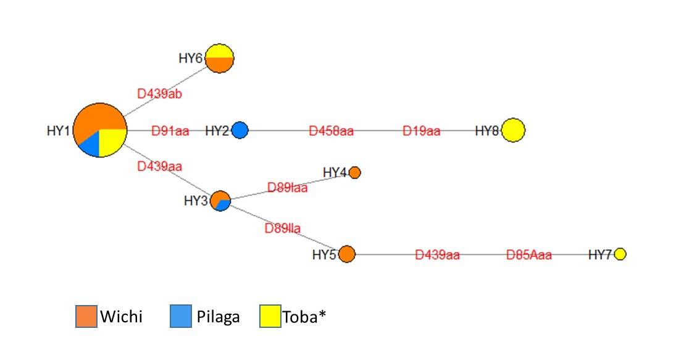

MJ network connecting DYS385b/16.1 Y-haplotypes in Mataco Guaycurú samples. Toba*: Toscanini et al. 2011

Non NA-Y-Hg
Genetic structure of Mataco-Guaycurú speakers from Argentina and the extent of their genetic admixture with neighbouring urban populations
Andrea Sala*, Mariela Caputo, and Daniel Corach

Non Amerindian Hg in Mataco-Guaycurú
 | J1/J2 | I2a1a | E1b1a/E1b1b | R1b
Pilaga | 1 | 2 |  | 1
TobaF |  |  |  | 3
TobaSF | 1 |  |  | 5
Mocovi |  |  | 3 | 7

 |  | J1/J2 | I2a1a | E1b1a/E1b1b | R1b
 | Pilaga | 1 | 2 |  | 1
 | TobaF |  |  |  | 3
 | TobaSF | 1 |  |  | 5
 | Mocovi |  |  | 3 | 7

Shared Y-haplotypes
Genetic structure of Mataco-Guaycurú speakers from Argentina and the extent of their genetic admixture with neighbouring urban populations
Andrea Sala*, Mariela Caputo, and Daniel Corach

MG: SHARED Y-HAPLOTYPES (EXTENDED MINIMAL HAPLOTYPES) |  | PILAGA | WICHI | TOBA F | TOBA CH | TOBA SF | MOCOVI |  | DYS19 | DYS389-1 | DYS389-II | DYS390 | DYS391 | DYS392 | DYS393 | DYS385a | DYS385b | DYS437 | DYS438 | DYS439
 | Y1 |  |  |  |  | 1 | 3 | Y1 | 14 | 13 | 30 | 23 | 10 | 14 | 13 | 14 | 17 | 14 | 11 | 12
 | Y2 | 3 |  | 1 | 1 |  | 1 | Y2 | 13 | 13 | 31 | 24 | 10 | 14 | 13 | 14 | 16 | 14 | 11 | 13
Shared Y-haplotypes in MGTítulo del gráfico
 | PILAGA | WICHI | TOBA F | TOBA CH | TOBA SF | MOCOVI
Y1 |  |  |  |  | 1 | 3
Y2 | 3 |  | 1 | 1 |  | 1
Y3 |  |  |  |  | 1 | 1
Y4 |  |  |  | 1 | 1
Y5 |  |  | 1 |  | 1
Y6 | 4 |  |  | 4 | 1
Y7 |  |  | 1 |  | 1
Y8 | 4 | 2 | 3 |  | 1
Y9 | 1 |  |  |  | 2
Y10 | 1 | 4 | 7 |  | 3
Y11 | 3 | 13
Y12 | 1 | 2
Y13 | 4 |  | 3
Y14 |  |  | 1 | 3
Y15 | 2 |  | 5 | 1
Y16 | 2 |  | 2
Y17 | 1 |  | 1
Y18 | 1 |  | 1
Y19 | 3 |  |  | 1
 | Y3 |  |  |  |  | 1 | 1 | Y3 | 14 | 13 | 29 | 24 | 10 | 14 | 13 | 12 | 14 | 14 | 11 | 12
 | Y4 |  |  |  | 1 | 1 |  | Y4 | 13 | 13 | 30 | 23 | 10 | 14 | 13 | 13 | 18 | 15 | 12 | 13
 | Y5 |  |  | 1 |  | 1 |  | Y5 | 13 | 13 | 32 | 24 | 10 | 14 | 13 | 15 | 17 | 14 | 11 | 13
 | Y6 | 4 |  |  | 4 | 1 |  | Y6 | 13 | 13 | 30 | 24 | 10 | 14 | 13 | 14 | 17 | 14 | 11 | 12
 | Y7 |  |  | 1 |  | 1 |  | Y7 | 13 | 13 | 31 | 24 | 10 | 14 | 13 | 15 | 17 | 14 | 11 | 12
 | Y8 | 4 | 2 | 3 |  | 1 |  | Y8 | 13 | 13 | 30 | 24 | 10 | 14 | 13 | 15 | 21 | 14 | 11 | 12
 | Y9 | 1 |  |  |  | 2 |  | Y9 | 13 | 13 | 31 | 24 | 10 | 14 | 13 | 15 | 21 | 14 | 11 | 13
 | Y10 | 1 | 4 | 7 |  | 3 |  | Y10 | 13 | 13 | 30 | 24 | 10 | 14 | 13 | 15 | 20 | 14 | 11 | 12
 | Y11 | 3 | 13 |  |  |  |  | Y11 | 13 | 13 | 30 | 24 | 10 | 15 | 13 | 15 | 35 | 14 | 11 | 13
 | Y12 | 1 | 2 |  |  |  |  | Y12 | 13 | 13 | 30 | 24 | 10 | 15 | 13 | 15 | 35 | 14 | 11 | 12
 | Y13 | 4 |  | 3 |  |  |  | Y13 | 13 | 14 | 31 | 22 | 10 | 13 | 13 | 14 | 18 | 14 | 11 | 11
 | Y14 |  |  | 1 | 3 |  |  | Y14 | 13 | 13 | 31 | 24 | 10 | 14 | 13 | 15 | 17 | 14 | 11 | 13
 | Y15 | 2 |  | 5 | 1 |  |  | Y15 | 13 | 14 | 31 | 22 | 10 | 13 | 13 | 14 | 19 | 14 | 11 | 11
 | Y16 | 2 |  | 2 |  |  |  | Y16 | 13 | 13 | 32 | 24 | 10 | 14 | 13 | 13 | 16 | 15 | 12 | 12
 | Y17 | 1 |  | 1 |  |  |  | Y17 | 13 | 13 | 30 | 24 | 10 | 14 | 13 | 14 | 17 | 14 | 11 | 13
 | Y18 | 1 |  | 1 |  |  |  | Y18 | 13 | 13 | 30 | 24 | 10 | 16 | 13 | 15 | 17 | 14 | 11 | 13
 | Y19 | 3 |  |  | 1 |  |  | Y19 | 13 | 13 | 31 | 24 | 10 | 14 | 13 | 14 | 17 | 15 | 11 | 13

