ATRX
 | True Positives | False Positives | True Negatives | False Negatives | Sensitivity | Specificity | Precision | Recall | F1 | Matthew's Coefficient | Distance from [0, 1] | Youden Index | ROC AUC
Fold 1 | 8 | 9 | 60 | 0 | 1.0000 | 0.8696 | 0.4706 | 1.0000 | 0.6400 | 0.6397 | 0.1304 | 0.8696 | 0.9692
Fold 2 | 8 | 7 | 62 | 0 | 1.0000 | 0.8986 | 0.5333 | 1.0000 | 0.6957 | 0.6923 | 0.1014 | 0.8986 | 0.9764
Fold 3 | 7 | 10 | 59 | 1 | 0.8750 | 0.8551 | 0.4118 | 0.8750 | 0.5600 | 0.5371 | 0.1914 | 0.7301 | 0.9230
Fold 4 | 8 | 5 | 64 | 0 | 1.0000 | 0.9275 | 0.6154 | 1.0000 | 0.7619 | 0.7555 | 0.0725 | 0.9275 | 0.9774
Fold 5 | 7 | 2 | 67 | 1 | 0.8750 | 0.9710 | 0.7778 | 0.8750 | 0.8235 | 0.8035 | 0.1283 | 0.8460 | 0.9764
Fold 6 | 8 | 6 | 63 | 0 | 1.0000 | 0.9130 | 0.5714 | 1.0000 | 0.7273 | 0.7223 | 0.0870 | 0.9130 | 0.9737
Fold 7 | 7 | 5 | 64 | 1 | 0.8750 | 0.9275 | 0.5833 | 0.8750 | 0.7000 | 0.6751 | 0.1445 | 0.8025 | 0.9601
Fold 8 | 8 | 4 | 65 | 0 | 1.0000 | 0.9420 | 0.6667 | 1.0000 | 0.8000 | 0.7925 | 0.0580 | 0.9420 | 0.9928
Fold 9 | 7 | 2 | 67 | 1 | 0.8750 | 0.9710 | 0.7778 | 0.8750 | 0.8235 | 0.8035 | 0.1283 | 0.8460 | 0.9701
Fold 10 | 7 | 4 | 65 | 1 | 0.8750 | 0.9420 | 0.6364 | 0.8750 | 0.7368 | 0.7124 | 0.1378 | 0.8170 | 0.9728
Average | 7.5000 | 5.4000 | 63.6000 | 0.5000 | 0.9375 | 0.9217 | 0.6044 | 0.9375 | 0.7269 | 0.7134 | 0.1180 | 0.8592 | 0.9692
Std Dev | 0.5270 | 2.6750 | 2.6750 | 0.5270 | 0.0659 | 0.0388 | 0.1187 | 0.0659 | 0.0833 | 0.0835 | 0.0391 | 0.0651 | 0.0182
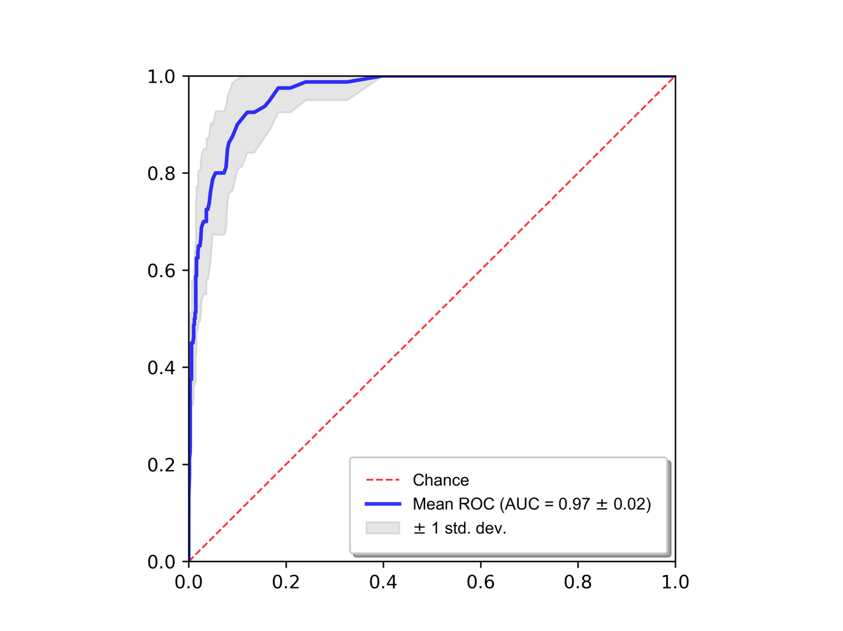
Random Forest Parameters
n_estimators: 1200
min_samples_split: 5
min_samples_leaf: 1
max_features: "sqrt"
max_depth: 60
bootstrap: true

Optimal # of features: 123
Top features
importance | feature
1.0000 | T1gad original firstorder Mean tumor core
0.7676 | MD original firstorder Kurtosis non-enhancing tumor
0.5173 | T1 original firstorder Range tumor core
0.5107 | T1gad original firstorder Mean whole tumor
0.4576 | T1gad original firstorder 90Percentile whole tumor
0.4529 | T2 original glrlm ShortRunLowGrayLevelEmphasis non-enhancing tumor
0.3896 | T2 original firstorder Variance whole tumor
0.3773 | T1gad original firstorder RootMeanSquared whole tumor
0.3247 | FLAIR original glszm ZoneVariance non-enhancing tumor
0.2870 | T2 original firstorder 10Percentile tumor core
0.2384 | DWI original glrlm LongRunLowGrayLevelEmphasis tumor edema
0.2367 | T1 original glszm LargeAreaLowGrayLevelEmphasis non-enhancing tumor
0.2126 | SWI original firstorder Maximum tumor core
0.2121 | SWI original firstorder Maximum enhancing tumor
0.2108 | FLAIR original glrlm ShortRunLowGrayLevelEmphasis tumor edema
0.2103 | T1gad original firstorder RootMeanSquared tumor core
0.2065 | T2 original firstorder Maximum tumor core
0.1950 | original shape LeastAxisLength non-enhancing tumor
0.1940 | T2 original firstorder Mean tumor core
0.1753 | T1gad original firstorder 90Percentile non-enhancing tumor
0.1626 | DWI original firstorder Maximum enhancing tumor
0.1588 | T2 original firstorder Energy non-enhancing tumor
0.1581 | original shape MinorAxisLength whole tumor
0.1578 | DTI eddy L1 original glszm LargeAreaLowGrayLevelEmphasis non-enhancing tumor
0.1568 | ASL original glszm HighGrayLevelZoneEmphasis tumor edema
0.1524 | T2 original glrlm LongRunHighGrayLevelEmphasis tumor edema
0.1429 | DTI eddy FA original firstorder 10Percentile tumor edema
0.1416 | DTI eddy MD original glszm LargeAreaEmphasis non-enhancing tumor
0.1414 | DWI original firstorder Skewness enhancing tumor
0.1407 | T2 original firstorder Range tumor edema
0.1397 | T2 original firstorder 90Percentile tumor core
0.1360 | ASL original glcm Imc2 tumor edema
0.1357 | original shape Flatness enhancing tumor
0.1340 | original shape MajorAxisLength tumor edema
0.1322 | ASL original glszm GrayLevelNonUniformityNormalized tumor edema
0.1320 | ASL original glszm SizeZoneNonUniformityNormalized non-enhancing tumor
0.1290 | T1 original gldm DependenceVariance enhancing tumor
0.1289 | MD original glrlm LongRunLowGrayLevelEmphasis tumor edema
0.1250 | T2 original firstorder RootMeanSquared tumor core
0.1235 | ASL original gldm DependenceEntropy tumor edema
0.1219 | T1 original firstorder Range enhancing tumor
0.1214 | FLAIR original firstorder 10Percentile whole tumor
0.1183 | T2 original firstorder Range non-enhancing tumor
0.1137 | DTI eddy MD original firstorder Maximum tumor edema
0.1111 | T1 original firstorder Maximum enhancing tumor
0.1111 | DWI original gldm LargeDependenceLowGrayLevelEmphasis tumor edema
0.1094 | original shape Sphericity tumor core
0.1075 | ASL original glrlm RunEntropy tumor edema
0.1055 | T2 original firstorder RootMeanSquared whole tumor
0.1052 | T2 original gldm LargeDependenceHighGrayLevelEmphasis tumor edema
0.1027 | T1gad original firstorder Skewness tumor edema
0.0978 | T1 original firstorder Minimum whole tumor
0.0967 | T2 original firstorder 10Percentile whole tumor
0.0963 | DWI original firstorder TotalEnergy tumor edema
0.0958 | DWI original firstorder Energy tumor edema
0.0957 | ASL original glszm SmallAreaEmphasis non-enhancing tumor
0.0951 | T2 original firstorder Mean whole tumor
0.0950 | ASL original glszm LargeAreaHighGrayLevelEmphasis tumor edema
0.0943 | T1 original gldm SmallDependenceHighGrayLevelEmphasis non-enhancing tumor
0.0939 | T1 original glszm LargeAreaEmphasis non-enhancing tumor
0.0935 | DTI eddy L3 original glrlm LongRunLowGrayLevelEmphasis tumor edema
0.0931 | T2 original firstorder TotalEnergy non-enhancing tumor
0.0882 | DWI original firstorder Variance tumor core
0.0858 | DTI eddy L1 original glszm LargeAreaEmphasis non-enhancing tumor
0.0851 | T1 original firstorder Minimum tumor edema
0.0830 | DTI eddy L3 original firstorder Maximum tumor edema
0.0830 | DWI original glszm LargeAreaEmphasis non-enhancing tumor
0.0818 | FLAIR original gldm DependenceVariance enhancing tumor
0.0806 | SWI original glszm ZonePercentage tumor edema
0.0780 | DTI eddy L3 original glszm LargeAreaEmphasis non-enhancing tumor
0.0772 | T2 original glrlm ShortRunHighGrayLevelEmphasis tumor edema
0.0757 | SWI original glszm LargeAreaLowGrayLevelEmphasis tumor edema
0.0740 | T1gad original firstorder 90Percentile tumor core
0.0738 | ASL original gldm DependenceNonUniformity whole tumor
0.0737 | DTI eddy FA original glszm LargeAreaLowGrayLevelEmphasis non-enhancing tumor
0.0718 | DTI eddy FA original firstorder 90Percentile tumor edema
0.0711 | T1gad original firstorder Skewness whole tumor
0.0700 | original shape MajorAxisLength whole tumor
0.0696 | ASL original gldm DependenceEntropy whole tumor
0.0688 | T2 original glrlm ShortRunLowGrayLevelEmphasis whole tumor
0.0667 | DTI eddy FA original firstorder MeanAbsoluteDeviation non-enhancing tumor
0.0665 | FLAIR original glrlm GrayLevelNonUniformity tumor edema
0.0663 | SWI original firstorder Minimum whole tumor
0.0661 | T2 original firstorder Variance tumor core
0.0659 | DTI eddy FA original glszm LargeAreaHighGrayLevelEmphasis non-enhancing tumor
0.0654 | FLAIR original firstorder Kurtosis tumor core
0.0642 | DTI eddy L2 original glszm LargeAreaEmphasis non-enhancing tumor
0.0624 | T2 original glszm ZoneVariance non-enhancing tumor
0.0619 | DTI eddy FA original glszm LargeAreaEmphasis non-enhancing tumor
0.0599 | T1gad original glszm LargeAreaEmphasis non-enhancing tumor
0.0598 | DWI original firstorder Kurtosis non-enhancing tumor
0.0596 | T2 original firstorder TotalEnergy tumor core
0.0591 | T1 original firstorder 10Percentile whole tumor
0.0580 | DTI eddy L1 original glrlm ShortRunLowGrayLevelEmphasis whole tumor
0.0564 | SWI original glrlm ShortRunLowGrayLevelEmphasis non-enhancing tumor
0.0539 | DWI original glszm LargeAreaHighGrayLevelEmphasis non-enhancing tumor
0.0530 | T2 original gldm LargeDependenceHighGrayLevelEmphasis whole tumor
0.0524 | T2 original firstorder Energy tumor core
0.0511 | T2 original firstorder Energy whole tumor
0.0497 | DTI eddy MD original glrlm ShortRunLowGrayLevelEmphasis whole tumor
0.0497 | T1 original firstorder Range non-enhancing tumor
0.0494 | T2 original glrlm ShortRunEmphasis whole tumor
0.0484 | SWI original glszm LargeAreaHighGrayLevelEmphasis non-enhancing tumor
0.0471 | SWI original gldm SmallDependenceHighGrayLevelEmphasis tumor edema
0.0454 | original shape MinorAxisLength tumor edema
0.0453 | T2 original firstorder TotalEnergy whole tumor
0.0428 | MD original glszm LargeAreaLowGrayLevelEmphasis non-enhancing tumor
0.0427 | T1 original glrlm RunLengthNonUniformityNormalized non-enhancing tumor
0.0419 | T2 original gldm LargeDependenceLowGrayLevelEmphasis tumor edema
0.0410 | SWI original glrlm RunLengthNonUniformityNormalized non-enhancing tumor
0.0388 | ASL original glszm SmallAreaHighGrayLevelEmphasis tumor edema
0.0386 | DTI eddy FA original glrlm RunLengthNonUniformityNormalized non-enhancing tumor
0.0360 | DTI eddy L2 original glrlm ShortRunLowGrayLevelEmphasis whole tumor
0.0355 | FLAIR original glszm LargeAreaEmphasis non-enhancing tumor
0.0354 | FLAIR original gldm SmallDependenceLowGrayLevelEmphasis non-enhancing tumor
0.0351 | MD original glszm ZonePercentage non-enhancing tumor
0.0348 | DWI original glrlm ShortRunLowGrayLevelEmphasis non-enhancing tumor
0.0342 | T1gad original glrlm RunLengthNonUniformityNormalized non-enhancing tumor
0.0315 | T1gad original glszm ZoneVariance non-enhancing tumor
0.0300 | MD original glcm Imc1 tumor core
0.0265 | T1 original glrlm ShortRunHighGrayLevelEmphasis non-enhancing tumor
0.0225 | DTI eddy L3 original glrlm RunLengthNonUniformityNormalized non-enhancing tumor
0.0139 | T2 original glszm LargeAreaEmphasis non-enhancing tumor

IDH
 | True Positives | False Positives | True Negatives | False Negatives | Sensitivity | Specificity | Precision | Recall | F1 | Matthew's Coefficient | Distance from [0, 1] | Youden Index | ROC AUC
Fold 1 | 7 | 8 | 64 | 0 | 1.0000 | 0.8889 | 0.4667 | 1.0000 | 0.6364 | 0.6441 | 0.1111 | 0.8889 | 0.9752
Fold 2 | 7 | 18 | 54 | 0 | 1.0000 | 0.7500 | 0.2800 | 1.0000 | 0.4375 | 0.4583 | 0.2500 | 0.7500 | 0.9067
Fold 3 | 6 | 1 | 71 | 1 | 0.8571 | 0.9861 | 0.8571 | 0.8571 | 0.8571 | 0.8433 | 0.1435 | 0.8433 | 0.9563
Fold 4 | 7 | 10 | 62 | 0 | 1.0000 | 0.8611 | 0.4118 | 1.0000 | 0.5833 | 0.5955 | 0.1389 | 0.8611 | 0.9782
Fold 5 | 7 | 8 | 64 | 0 | 1.0000 | 0.8889 | 0.4667 | 1.0000 | 0.6364 | 0.6441 | 0.1111 | 0.8889 | 0.9812
Fold 6 | 6 | 0 | 72 | 1 | 0.8571 | 1.0000 | 1.0000 | 0.8571 | 0.9231 | 0.9195 | 0.1429 | 0.8571 | 0.9772
Fold 7 | 7 | 7 | 65 | 0 | 1.0000 | 0.9028 | 0.5000 | 1.0000 | 0.6667 | 0.6719 | 0.0972 | 0.9028 | 0.9861
Fold 8 | 6 | 12 | 60 | 1 | 0.8571 | 0.8333 | 0.3333 | 0.8571 | 0.4800 | 0.4678 | 0.2195 | 0.6905 | 0.9077
Fold 9 | 6 | 10 | 62 | 1 | 0.8571 | 0.8611 | 0.3750 | 0.8571 | 0.5217 | 0.5079 | 0.1992 | 0.7183 | 0.9415
Fold 10 | 6 | 11 | 61 | 1 | 0.8571 | 0.8472 | 0.3529 | 0.8571 | 0.5000 | 0.4871 | 0.2092 | 0.7044 | 0.9177
Average | 6.5000 | 8.5000 | 63.5000 | 0.5000 | 0.9286 | 0.8819 | 0.5044 | 0.9286 | 0.6242 | 0.6239 | 0.1623 | 0.8105 | 0.9528
Std Dev | 0.5270 | 5.2122 | 5.2122 | 0.5270 | 0.0753 | 0.0724 | 0.2359 | 0.0753 | 0.1595 | 0.1575 | 0.0530 | 0.0846 | 0.0319
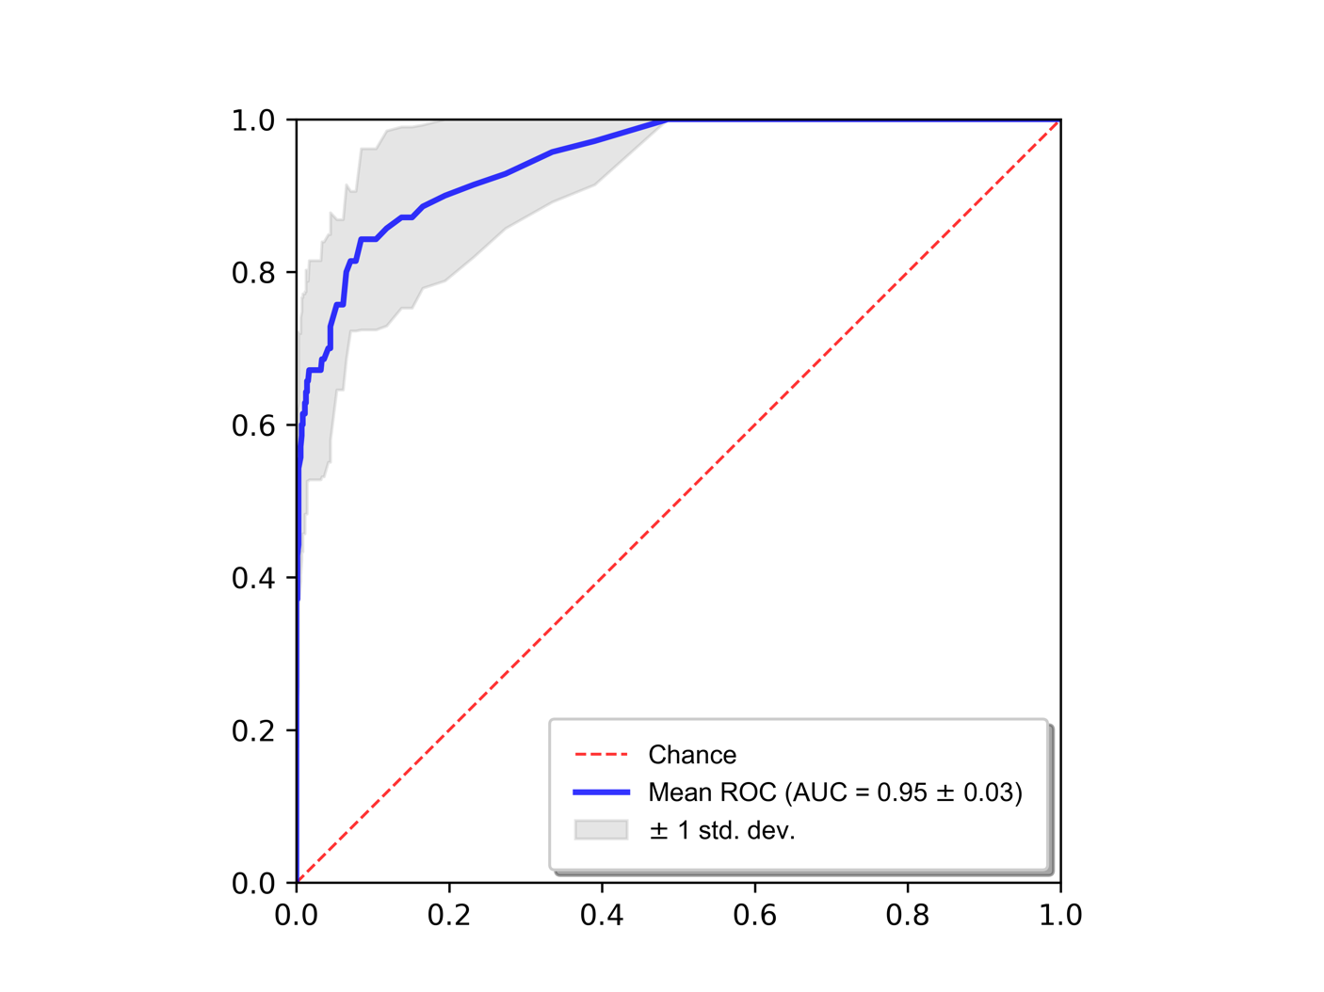
Random Forest Parameters
n_estimators: 10000
min_samples_split: 10
min_samples_leaf: 5
max_features: "sqrt"
max_depth: None
bootstrap: false

Optimal # of features: 5197
Top features
importance | feature
1.0000 | DWI original gldm LargeDependenceHighGrayLevelEmphasis non-enhancing tumor
0.8889 | DTI eddy MD original firstorder Kurtosis tumor edema
0.7778 | T1gad original firstorder Variance whole tumor
0.7778 | T1 original firstorder Kurtosis non-enhancing tumor
0.6667 | T2 original firstorder Range whole tumor
0.6667 | SWI original glrlm GrayLevelNonUniformityNormalized enhancing tumor
0.6667 | T2 original glszm LargeAreaLowGrayLevelEmphasis enhancing tumor
0.5556 | MD original glszm SizeZoneNonUniformity non-enhancing tumor
0.5556 | DTI eddy L3 original glszm ZoneEntropy tumor edema
0.5556 | DTI eddy MD original firstorder RobustMeanAbsoluteDeviation non-enhancing tumor
0.5556 | FLAIR original glszm LargeAreaLowGrayLevelEmphasis tumor core
0.4444 | SWI original firstorder InterquartileRange whole tumor
0.4444 | SWI original firstorder RobustMeanAbsoluteDeviation non-enhancing tumor
0.4444 | SWI original firstorder 10Percentile non-enhancing tumor
0.4444 | DTI eddy MD original glrlm HighGrayLevelRunEmphasis tumor edema
0.4444 | DTI eddy L1 original glcm JointAverage tumor edema
0.4444 | ASL original firstorder Variance tumor core
0.4444 | MD original glszm SmallAreaEmphasis non-enhancing tumor
0.4444 | T2 original glcm ClusterProminence whole tumor
0.4444 | MD original gldm LargeDependenceEmphasis tumor edema
0.4444 | original shape Sphericity tumor core
0.4444 | FLAIR original firstorder Skewness non-enhancing tumor
0.4444 | ASL original glcm DifferenceAverage tumor core
0.4444 | MD original firstorder Energy tumor core
0.3333 | SWI original glrlm RunLengthNonUniformityNormalized non-enhancing tumor
0.3333 | T1 original glszm LargeAreaLowGrayLevelEmphasis non-enhancing tumor
0.3333 | DTI eddy FA original gldm SmallDependenceLowGrayLevelEmphasis non-enhancing tumor
0.3333 | DTI eddy MD original glcm Imc2 whole tumor
0.3333 | SWI original glszm LargeAreaEmphasis non-enhancing tumor
0.3333 | DTI eddy L1 original glszm GrayLevelNonUniformityNormalized tumor edema
0.3333 | FLAIR original glrlm RunEntropy tumor edema
0.3333 | DTI eddy MD original glrlm LongRunLowGrayLevelEmphasis tumor core
0.3333 | DTI eddy MD original glszm LargeAreaHighGrayLevelEmphasis tumor edema
0.3333 | MD original firstorder Minimum non-enhancing tumor
0.3333 | T1gad original glrlm ShortRunEmphasis whole tumor
0.3333 | DTI eddy L1 original gldm DependenceNonUniformityNormalized whole tumor
0.3333 | DWI original gldm HighGrayLevelEmphasis non-enhancing tumor
0.3333 | ASL original firstorder MeanAbsoluteDeviation tumor edema
0.3333 | MD original firstorder Range enhancing tumor
0.3333 | ASL original glcm DifferenceVariance whole tumor
0.3333 | ASL original glrlm GrayLevelNonUniformityNormalized non-enhancing tumor
0.3333 | T2 original glrlm ShortRunEmphasis non-enhancing tumor
0.3333 | DTI eddy L2 original firstorder RobustMeanAbsoluteDeviation whole tumor
0.3333 | DTI eddy FA original gldm SmallDependenceEmphasis non-enhancing tumor
0.3333 | DTI eddy MD original glszm LargeAreaLowGrayLevelEmphasis non-enhancing tumor
0.3333 | SWI original glrlm ShortRunEmphasis non-enhancing tumor
0.3333 | T2 original glrlm ShortRunLowGrayLevelEmphasis whole tumor
0.3333 | DWI original firstorder Kurtosis tumor edema
0.3333 | ASL original glcm Imc2 non-enhancing tumor
0.3333 | DTI eddy L1 original glrlm LowGrayLevelRunEmphasis tumor core
0.3333 | DWI original glrlm HighGrayLevelRunEmphasis non-enhancing tumor
0.3333 | DTI eddy L2 original gldm DependenceNonUniformity enhancing tumor
0.3333 | MD original gldm LargeDependenceHighGrayLevelEmphasis tumor edema
0.3333 | FLAIR original glrlm RunLengthNonUniformity tumor core
0.3333 | FLAIR original glrlm ShortRunEmphasis enhancing tumor
0.3333 | DTI eddy L3 original glcm Idmn tumor core
0.2222 | T1 original gldm SmallDependenceEmphasis non-enhancing tumor
0.2222 | T1gad original firstorder 90Percentile tumor core
0.2222 | DTI eddy L1 original glrlm RunLengthNonUniformityNormalized non-enhancing tumor
0.2222 | ASL original glcm Id tumor core
0.2222 | DWI original gldm SmallDependenceHighGrayLevelEmphasis tumor core
0.2222 | DWI original gldm SmallDependenceEmphasis non-enhancing tumor
0.2222 | T2 original glszm ZoneVariance non-enhancing tumor
0.2222 | ASL original glcm SumEntropy non-enhancing tumor
0.2222 | DTI eddy L2 original gldm DependenceNonUniformityNormalized non-enhancing tumor
0.2222 | T2 original firstorder 90Percentile whole tumor
0.2222 | DWI original glszm ZoneVariance non-enhancing tumor
0.2222 | DWI original glszm LargeAreaHighGrayLevelEmphasis non-enhancing tumor
0.2222 | SWI original gldm SmallDependenceHighGrayLevelEmphasis whole tumor
0.2222 | T1gad original glrlm LongRunHighGrayLevelEmphasis tumor core
0.2222 | T1gad original firstorder TotalEnergy tumor edema
0.2222 | DTI eddy L2 original glszm ZoneVariance non-enhancing tumor
0.2222 | DTI eddy FA original glszm ZonePercentage tumor edema
0.2222 | SWI original glcm SumSquares enhancing tumor
0.2222 | DTI eddy L2 original firstorder Maximum non-enhancing tumor
0.2222 | T2 original glrlm GrayLevelNonUniformity tumor core
0.2222 | DTI eddy MD original glcm JointAverage non-enhancing tumor
0.2222 | ASL original glcm Imc2 tumor edema
0.2222 | ASL original glcm ClusterShade non-enhancing tumor
0.2222 | FLAIR original firstorder Kurtosis enhancing tumor
0.2222 | ASL original glcm ClusterProminence non-enhancing tumor
0.2222 | DWI original glcm SumAverage non-enhancing tumor
0.2222 | DTI eddy MD original glcm MCC tumor edema
0.2222 | DTI eddy L2 original firstorder RobustMeanAbsoluteDeviation tumor edema
0.2222 | MD original gldm SmallDependenceLowGrayLevelEmphasis whole tumor
0.2222 | DWI original firstorder TotalEnergy whole tumor
0.2222 | ASL original glrlm RunVariance enhancing tumor
0.2222 | ASL original firstorder TotalEnergy tumor edema
0.2222 | DTI eddy L2 original glrlm ShortRunLowGrayLevelEmphasis whole tumor
0.2222 | T1gad original glrlm LongRunLowGrayLevelEmphasis tumor edema
0.2222 | DWI original firstorder RobustMeanAbsoluteDeviation tumor core
0.2222 | DWI original firstorder TotalEnergy tumor edema
0.2222 | FLAIR original firstorder Range enhancing tumor
0.2222 | T2 original ngtdm Busyness tumor edema
0.2222 | T1 original glrlm ShortRunEmphasis non-enhancing tumor
0.2222 | DTI eddy MD original glszm GrayLevelVariance tumor edema
0.2222 | T1gad original gldm SmallDependenceEmphasis non-enhancing tumor
0.2222 | T2 original firstorder TotalEnergy non-enhancing tumor
0.2222 | ASL original glrlm LongRunEmphasis enhancing tumor
0.2222 | DTI eddy FA original firstorder Range tumor edema
0.2222 | ASL original glrlm GrayLevelNonUniformityNormalized tumor edema
0.2222 | T2 original firstorder Minimum tumor edema
0.2222 | DTI eddy MD original glrlm RunLengthNonUniformity tumor core
0.2222 | DTI eddy L3 original glrlm RunLengthNonUniformityNormalized tumor edema
0.2222 | T2 original firstorder TotalEnergy whole tumor
0.2222 | DTI eddy L2 original gldm SmallDependenceEmphasis non-enhancing tumor
0.2222 | ASL original firstorder Energy tumor edema
0.2222 | FLAIR original ngtdm Complexity enhancing tumor
0.2222 | DTI eddy L3 original firstorder Skewness tumor edema
0.2222 | ASL original firstorder 10Percentile non-enhancing tumor
0.2222 | DTI eddy MD original glrlm LowGrayLevelRunEmphasis non-enhancing tumor
0.2222 | DTI eddy MD original glrlm LowGrayLevelRunEmphasis tumor edema
0.2222 | ASL original firstorder Energy whole tumor
0.2222 | DTI eddy L1 original glcm SumAverage tumor edema
0.2222 | MD original glszm LargeAreaEmphasis non-enhancing tumor
0.2222 | DTI eddy L1 original gldm LowGrayLevelEmphasis tumor edema
0.2222 | DTI eddy MD original gldm SmallDependenceEmphasis non-enhancing tumor
0.2222 | DTI eddy L1 original glrlm LowGrayLevelRunEmphasis tumor edema
0.2222 | ASL original gldm DependenceVariance enhancing tumor
0.2222 | T2 original firstorder Entropy whole tumor
0.2222 | T1 original glszm LowGrayLevelZoneEmphasis enhancing tumor
0.2222 | SWI original firstorder Kurtosis non-enhancing tumor
0.2222 | SWI original firstorder Kurtosis tumor core
0.2222 | DWI original glszm LargeAreaEmphasis tumor edema
0.2222 | DTI eddy FA original gldm SmallDependenceHighGrayLevelEmphasis non-enhancing tumor
0.1111 | DTI eddy MD original glcm Correlation enhancing tumor
0.1111 | DTI eddy L3 original glszm LargeAreaEmphasis non-enhancing tumor
0.1111 | DTI eddy L2 original firstorder 10Percentile whole tumor
0.1111 | ASL original glszm LargeAreaHighGrayLevelEmphasis enhancing tumor
0.1111 | T2 original firstorder RootMeanSquared whole tumor
0.1111 | MD original gldm LargeDependenceLowGrayLevelEmphasis tumor edema
0.1111 | FLAIR original glrlm ShortRunEmphasis whole tumor
0.1111 | DTI eddy L2 original glszm LargeAreaLowGrayLevelEmphasis non-enhancing tumor
0.1111 | DTI eddy L3 original glszm LargeAreaLowGrayLevelEmphasis non-enhancing tumor
0.1111 | FLAIR original glrlm ShortRunHighGrayLevelEmphasis tumor core
0.1111 | ASL original glszm LargeAreaHighGrayLevelEmphasis non-enhancing tumor
0.1111 | ASL original glszm SmallAreaLowGrayLevelEmphasis tumor edema
0.1111 | DTI eddy L3 original gldm SmallDependenceEmphasis non-enhancing tumor
0.1111 | FLAIR original glrlm LowGrayLevelRunEmphasis non-enhancing tumor
0.1111 | DTI eddy FA original firstorder RootMeanSquared tumor core
0.1111 | DTI eddy L2 original firstorder 90Percentile tumor core
0.1111 | DTI eddy FA original glszm ZonePercentage non-enhancing tumor
0.1111 | FLAIR original glszm ZonePercentage non-enhancing tumor
0.1111 | T2 original firstorder RootMeanSquared tumor core
0.1111 | T1gad original glszm LargeAreaHighGrayLevelEmphasis non-enhancing tumor
0.1111 | T1gad original glszm LargeAreaEmphasis tumor edema
0.1111 | FLAIR original glrlm RunLengthNonUniformityNormalized whole tumor
0.1111 | T1gad original glszm LargeAreaEmphasis non-enhancing tumor
0.1111 | DWI original glrlm ShortRunEmphasis whole tumor
0.1111 | DTI eddy L3 original glszm GrayLevelNonUniformity non-enhancing tumor
0.1111 | DWI original glszm LargeAreaHighGrayLevelEmphasis enhancing tumor
0.1111 | T1 original glszm LargeAreaHighGrayLevelEmphasis enhancing tumor
0.1111 | T1 original glszm LargeAreaHighGrayLevelEmphasis non-enhancing tumor
0.1111 | DTI eddy L3 original glrlm ShortRunEmphasis non-enhancing tumor
0.1111 | DTI eddy L2 original firstorder Maximum enhancing tumor
0.1111 | DTI eddy L2 original firstorder MeanAbsoluteDeviation whole tumor
0.1111 | DTI eddy L3 original glszm GrayLevelVariance tumor edema
0.1111 | T1 original glszm LargeAreaEmphasis non-enhancing tumor
0.1111 | MD original gldm SmallDependenceEmphasis non-enhancing tumor
0.1111 | DTI eddy L2 original glrlm LongRunHighGrayLevelEmphasis tumor edema
0.1111 | T1 original gldm DependenceEntropy tumor edema
0.1111 | T2 original gldm LargeDependenceHighGrayLevelEmphasis tumor edema
0.1111 | MD original glrlm LongRunLowGrayLevelEmphasis tumor edema
0.1111 | DWI original gldm LargeDependenceLowGrayLevelEmphasis tumor edema
0.1111 | ASL original firstorder Minimum non-enhancing tumor
0.1111 | SWI original firstorder Energy tumor edema
0.1111 | DTI eddy FA original glrlm RunLengthNonUniformity tumor edema
0.1111 | DWI original gldm SmallDependenceEmphasis whole tumor
0.1111 | T2 original firstorder InterquartileRange enhancing tumor
0.1111 | T1 original glrlm RunLengthNonUniformityNormalized non-enhancing tumor
0.1111 | DWI original glrlm LongRunLowGrayLevelEmphasis tumor edema
0.1111 | T1gad original firstorder 90Percentile whole tumor
0.1111 | T2 original glcm Idn tumor core
0.1111 | DTI eddy FA original glrlm RunLengthNonUniformityNormalized tumor edema
0.1111 | DTI eddy FA original firstorder 90Percentile tumor core
0.1111 | DTI eddy L3 original glrlm LongRunEmphasis non-enhancing tumor
0.1111 | FLAIR original glszm LargeAreaEmphasis enhancing tumor
0.1111 | T2 original firstorder 10Percentile tumor core
0.1111 | DWI original glszm ZoneVariance tumor edema
0.1111 | T1 original glrlm GrayLevelNonUniformity tumor core
0.1111 | T2 original firstorder 10Percentile enhancing tumor
0.1111 | DTI eddy L2 original glrlm RunLengthNonUniformityNormalized non-enhancing tumor
0.1111 | DTI eddy FA original gldm SmallDependenceHighGrayLevelEmphasis tumor edema
0.1111 | DTI eddy MD original firstorder MeanAbsoluteDeviation whole tumor
0.1111 | ASL original firstorder Range tumor edema
0.1111 | MD original glszm LargeAreaEmphasis tumor edema
0.1111 | FLAIR original firstorder 90Percentile non-enhancing tumor
0.1111 | DTI eddy FA original glszm LargeAreaLowGrayLevelEmphasis non-enhancing tumor
0.1111 | ASL original glszm ZoneEntropy whole tumor
0.1111 | DTI eddy FA original glszm LargeAreaHighGrayLevelEmphasis tumor edema
0.1111 | DWI original glrlm HighGrayLevelRunEmphasis whole tumor
0.1111 | DWI original glrlm RunPercentage non-enhancing tumor
0.1111 | DTI eddy FA original glszm LargeAreaHighGrayLevelEmphasis non-enhancing tumor
0.1111 | T2 original glcm DifferenceAverage tumor edema
0.1111 | DTI eddy FA original glszm LargeAreaEmphasis non-enhancing tumor
0.1111 | T1 original glrlm ShortRunHighGrayLevelEmphasis whole tumor
0.1111 | FLAIR original firstorder 10Percentile tumor edema
0.1111 | DTI eddy MD original firstorder MeanAbsoluteDeviation tumor edema
0.1111 | DTI eddy L2 original gldm LargeDependenceEmphasis non-enhancing tumor
0.1111 | ASL original firstorder Entropy tumor edema
0.1111 | DTI eddy L2 original glcm Correlation tumor edema
0.1111 | MD original glrlm LongRunEmphasis non-enhancing tumor
0.1111 | DTI eddy FA original gldm GrayLevelNonUniformity non-enhancing tumor
0.1111 | T1 original gldm LargeDependenceEmphasis non-enhancing tumor
0.1111 | DTI eddy L3 original glszm SmallAreaEmphasis tumor edema
0.1111 | DTI eddy FA original gldm GrayLevelNonUniformity tumor edema
0.1111 | DWI original gldm LargeDependenceEmphasis non-enhancing tumor
0.1111 | DTI eddy FA original glrlm RunEntropy non-enhancing tumor
0.1111 | DTI eddy MD original glcm Correlation tumor edema
0.1111 | ASL original gldm DependenceNonUniformity whole tumor
0.1111 | T2 original glszm LargeAreaLowGrayLevelEmphasis non-enhancing tumor
0.1111 | T1gad original gldm SmallDependenceEmphasis tumor edema
0.1111 | DTI eddy MD original gldm LowGrayLevelEmphasis tumor edema
0.1111 | DWI original glcm Autocorrelation non-enhancing tumor
0.1111 | T1gad original glrlm ShortRunEmphasis non-enhancing tumor
0.1111 | DTI eddy L1 original glrlm LowGrayLevelRunEmphasis enhancing tumor
0.1111 | ASL original glcm MaximumProbability non-enhancing tumor
0.1111 | FLAIR original glcm JointEnergy enhancing tumor
0.1111 | T1gad original gldm LargeDependenceEmphasis non-enhancing tumor
0.1111 | DTI eddy L1 original glcm MCC tumor edema
0.1111 | DTI eddy L1 original glszm LargeAreaEmphasis non-enhancing tumor
0.1111 | original shape Maximum2DDiameterSlice non-enhancing tumor
0.1111 | DWI original firstorder Energy tumor edema
0.1111 | DTI eddy L1 original glszm LargeAreaLowGrayLevelEmphasis non-enhancing tumor
0.1111 | FLAIR original gldm SmallDependenceEmphasis tumor edema
0.1111 | original shape Maximum2DDiameterColumn non-enhancing tumor
0.1111 | original shape Maximum2DDiameterSlice tumor core
0.1111 | ASL original glcm InverseVariance tumor core
0.1111 | ASL original gldm LargeDependenceEmphasis whole tumor
0.1111 | DTI eddy L1 original glcm Autocorrelation whole tumor
0.1111 | FLAIR original glcm InverseVariance enhancing tumor
0.1111 | ASL original glcm InverseVariance non-enhancing tumor
0.1111 | DWI original firstorder InterquartileRange enhancing tumor
0.1111 | DTI eddy L1 original gldm SmallDependenceLowGrayLevelEmphasis tumor edema
0.1111 | DTI eddy L1 original gldm HighGrayLevelEmphasis tumor edema
0.1111 | SWI original glrlm RunEntropy tumor edema
0.1111 | SWI original gldm LargeDependenceEmphasis non-enhancing tumor
0.1111 | SWI original glrlm ShortRunLowGrayLevelEmphasis non-enhancing tumor
0.1111 | T1gad original glrlm GrayLevelNonUniformity tumor core
0.1111 | T1 original firstorder Maximum tumor core
0.1111 | T1gad original glrlm ShortRunHighGrayLevelEmphasis tumor edema
0.1111 | DWI original firstorder Maximum enhancing tumor
0.1111 | SWI original glrlm RunEntropy non-enhancing tumor
0.1111 | FLAIR original firstorder Skewness tumor core
0.1111 | T1 original firstorder Maximum tumor edema
0.1111 | ASL original glcm SumEntropy tumor edema
0.1111 | DTI eddy MD original glszm LargeAreaEmphasis non-enhancing tumor
0.1111 | ASL original gldm SmallDependenceLowGrayLevelEmphasis enhancing tumor
0.1111 | SWI original glrlm HighGrayLevelRunEmphasis tumor core
0.1111 | DWI original firstorder Variance whole tumor
0.1111 | T2 original glszm LargeAreaEmphasis non-enhancing tumor
0.1111 | ASL original glcm SumSquares whole tumor
0.1111 | SWI original glszm ZoneVariance non-enhancing tumor
0.1111 | FLAIR original glcm DifferenceEntropy enhancing tumor

Chromosome 7 10
 | True Positives | False Positives | True Negatives | False Negatives | Sensitivity | Specificity | Precision | Recall | F1 | Matthew's Coefficient | Distance from [0, 1] | Youden Index | ROC AUC
Fold 1 | 16 | 2 | 6 | 4 | 0.8000 | 0.7500 | 0.8889 | 0.8000 | 0.8421 | 0.5185 | 0.3202 | 0.5500 | 0.8719
Fold 2 | 15 | 1 | 7 | 5 | 0.7500 | 0.8750 | 0.9375 | 0.7500 | 0.8333 | 0.5705 | 0.2795 | 0.6250 | 0.8656
Fold 3 | 20 | 1 | 7 | 0 | 1.0000 | 0.8750 | 0.9524 | 1.0000 | 0.9756 | 0.9129 | 0.1250 | 0.8750 | 0.9562
Fold 4 | 20 | 0 | 8 | 0 | 1.0000 | 1.0000 | 1.0000 | 1.0000 | 1.0000 | 1.0000 | 0.0000 | 1.0000 | 1.0000
Fold 5 | 17 | 1 | 7 | 3 | 0.8500 | 0.8750 | 0.9444 | 0.8500 | 0.8947 | 0.6835 | 0.1953 | 0.7250 | 0.9469
Fold 6 | 19 | 1 | 7 | 1 | 0.9500 | 0.8750 | 0.9500 | 0.9500 | 0.9500 | 0.8250 | 0.1346 | 0.8250 | 0.9687
Fold 7 | 17 | 1 | 7 | 3 | 0.8500 | 0.8750 | 0.9444 | 0.8500 | 0.8947 | 0.6835 | 0.1953 | 0.7250 | 0.9031
Fold 8 | 17 | 2 | 6 | 3 | 0.8500 | 0.7500 | 0.8947 | 0.8500 | 0.8718 | 0.5804 | 0.2915 | 0.6000 | 0.8437
Fold 9 | 20 | 0 | 8 | 0 | 1.0000 | 1.0000 | 1.0000 | 1.0000 | 1.0000 | 1.0000 | 0.0000 | 1.0000 | 1.0000
Fold 10 | 18 | 1 | 7 | 2 | 0.9000 | 0.8750 | 0.9474 | 0.9000 | 0.9231 | 0.7497 | 0.1601 | 0.7750 | 0.9469
Average | 17.9000 | 1.0000 | 7.0000 | 2.1000 | 0.8950 | 0.8750 | 0.9460 | 0.8950 | 0.9185 | 0.7524 | 0.1701 | 0.7700 | 0.9303
Std Dev | 1.7920 | 0.6667 | 0.6667 | 1.7920 | 0.0896 | 0.0833 | 0.0363 | 0.0896 | 0.0614 | 0.1765 | 0.1114 | 0.1571 | 0.0560
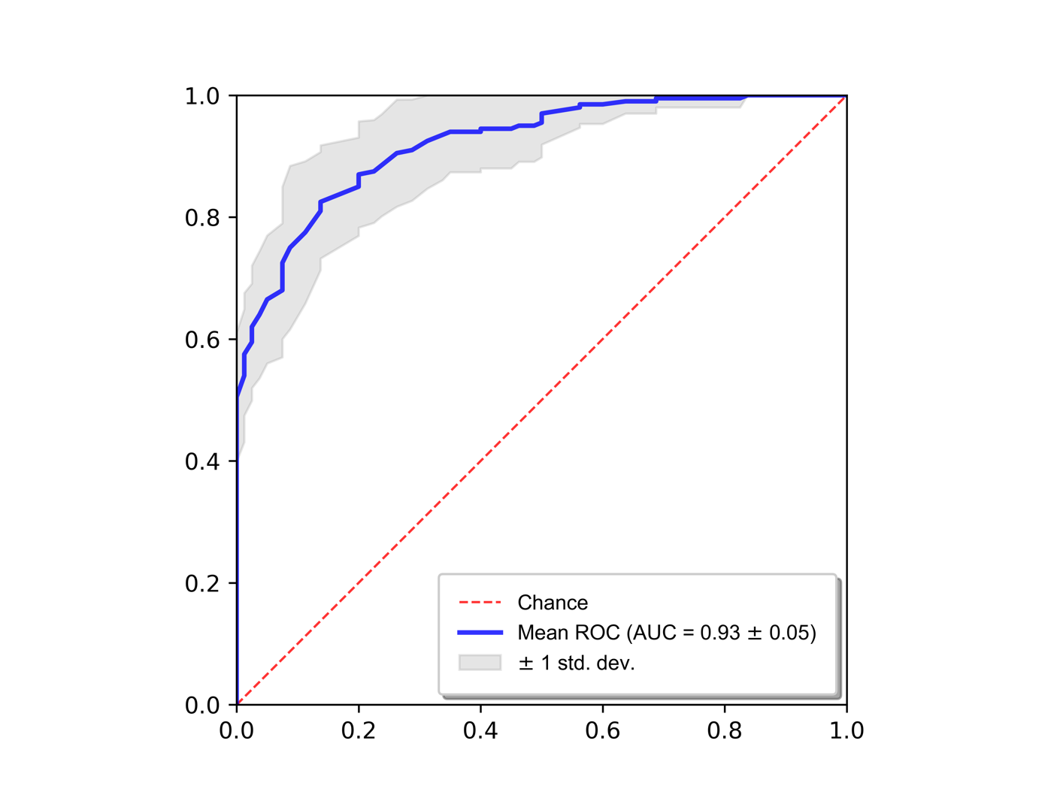
Random Forest Parameters
n_estimators: 8900
min_samples_split: 2
min_samples_leaf: 1
max_features: "sqrt"
max_depth: 40
bootstrap: false

Optimal # of features: 182
Top features
importance | feature
1.0000 | FLAIR original glszm SizeZoneNonUniformityNormalized enhancing tumor
0.5580 | T1 original glszm ZoneVariance tumor edema
0.5473 | original shape Elongation enhancing tumor
0.4449 | T1gad original firstorder 90Percentile whole tumor
0.4004 | original shape Elongation tumor core
0.3552 | T1gad original firstorder Kurtosis tumor edema
0.2859 | T1 original firstorder Kurtosis non-enhancing tumor
0.2590 | DWI original firstorder 10Percentile whole tumor
0.2545 | FLAIR original glszm ZoneEntropy enhancing tumor
0.2501 | DTI eddy FA original glszm ZoneEntropy enhancing tumor
0.2356 | T1 original glszm SizeZoneNonUniformityNormalized tumor edema
0.2347 | SWI original firstorder Kurtosis whole tumor
0.2323 | DWI original firstorder Skewness enhancing tumor
0.2303 | T1 original firstorder RobustMeanAbsoluteDeviation non-enhancing tumor
0.2295 | original shape Flatness enhancing tumor
0.2287 | T1 original firstorder InterquartileRange non-enhancing tumor
0.2027 | DTI eddy L1 original glszm ZoneEntropy enhancing tumor
0.2009 | DTI eddy FA original firstorder Skewness non-enhancing tumor
0.1955 | T2 original glrlm RunEntropy non-enhancing tumor
0.1931 | original shape Flatness tumor edema
0.1895 | T2 original firstorder Maximum tumor core
0.1797 | ASL original gldm DependenceVariance tumor edema
0.1671 | FLAIR original firstorder Median non-enhancing tumor
0.1642 | SWI original glszm ZoneVariance tumor edema
0.1636 | SWI original glrlm LongRunLowGrayLevelEmphasis tumor edema
0.1604 | original shape MajorAxisLength non-enhancing tumor
0.1592 | DTI eddy L1 original firstorder Maximum whole tumor
0.1553 | T1gad original firstorder Skewness non-enhancing tumor
0.1441 | ASL original firstorder 10Percentile tumor edema
0.1392 | T2 original glszm SizeZoneNonUniformityNormalized enhancing tumor
0.1324 | T1gad original firstorder RootMeanSquared whole tumor
0.1322 | T1 original glrlm ShortRunLowGrayLevelEmphasis non-enhancing tumor
0.1302 | original shape Sphericity tumor core
0.1280 | T2 original gldm SmallDependenceHighGrayLevelEmphasis non-enhancing tumor
0.1266 | ASL original firstorder RobustMeanAbsoluteDeviation tumor edema
0.1258 | ASL original glcm Imc2 non-enhancing tumor
0.1245 | MD original glszm SizeZoneNonUniformityNormalized tumor edema
0.1215 | T1 original firstorder 10Percentile non-enhancing tumor
0.1145 | FLAIR original firstorder 10Percentile whole tumor
0.1135 | T1gad original glszm LargeAreaHighGrayLevelEmphasis tumor edema
0.1108 | SWI original firstorder Median non-enhancing tumor
0.1106 | SWI original glszm SizeZoneNonUniformityNormalized enhancing tumor
0.1101 | SWI original firstorder Mean non-enhancing tumor
0.1082 | DWI original glrlm LongRunLowGrayLevelEmphasis tumor edema
0.1080 | ASL original glcm DifferenceVariance tumor edema
0.1067 | T2 original gldm LargeDependenceLowGrayLevelEmphasis tumor edema
0.1067 | DTI eddy L1 original glrlm ShortRunLowGrayLevelEmphasis whole tumor
0.1054 | FLAIR original firstorder 10Percentile non-enhancing tumor
0.1048 | FLAIR original gldm SmallDependenceHighGrayLevelEmphasis tumor edema
0.1047 | FLAIR original firstorder Mean non-enhancing tumor
0.1028 | ASL original glcm Correlation non-enhancing tumor
0.1025 | T2 original firstorder 10Percentile tumor core
0.1022 | FLAIR original glrlm ShortRunHighGrayLevelEmphasis tumor edema
0.1019 | DTI eddy L3 original glszm ZonePercentage whole tumor
0.1012 | T1gad original firstorder RobustMeanAbsoluteDeviation tumor core
0.1011 | DTI eddy FA original glszm SizeZoneNonUniformityNormalized enhancing tumor
0.1006 | ASL original gldm LargeDependenceHighGrayLevelEmphasis non-enhancing tumor
0.0994 | FLAIR original glcm Imc1 non-enhancing tumor
0.0976 | T1gad original firstorder Variance whole tumor
0.0910 | MD original glrlm LongRunHighGrayLevelEmphasis non-enhancing tumor
0.0893 | ASL original firstorder TotalEnergy tumor edema
0.0887 | T2 original firstorder Minimum tumor edema
0.0882 | FLAIR original glcm Correlation tumor edema
0.0874 | ASL original gldm DependenceVariance whole tumor
0.0870 | T2 original firstorder Range whole tumor
0.0868 | T1gad original glszm ZoneVariance tumor edema
0.0858 | SWI original firstorder RootMeanSquared non-enhancing tumor
0.0857 | MD original gldm SmallDependenceLowGrayLevelEmphasis whole tumor
0.0856 | T2 original glszm ZoneEntropy enhancing tumor
0.0838 | SWI original glrlm ShortRunEmphasis non-enhancing tumor
0.0820 | FLAIR original firstorder 90Percentile whole tumor
0.0806 | SWI original glszm ZoneEntropy enhancing tumor
0.0798 | ASL original glcm Idn tumor core
0.0794 | ASL original firstorder Median tumor edema
0.0793 | ASL original glcm MCC non-enhancing tumor
0.0790 | DTI eddy MD original glszm ZoneEntropy enhancing tumor
0.0787 | MD original firstorder Skewness whole tumor
0.0786 | T1gad original firstorder InterquartileRange tumor core
0.0785 | SWI original firstorder Mean tumor core
0.0785 | ASL original firstorder Energy tumor edema
0.0762 | ASL original firstorder Kurtosis non-enhancing tumor
0.0758 | DTI eddy L3 original glszm LargeAreaHighGrayLevelEmphasis tumor edema
0.0757 | DWI original glszm ZoneVariance tumor edema
0.0750 | SWI original glszm SizeZoneNonUniformityNormalized tumor edema
0.0748 | T2 original firstorder Maximum whole tumor
0.0738 | DTI eddy L2 original firstorder Range whole tumor
0.0730 | DTI eddy MD original firstorder Maximum whole tumor
0.0711 | T1gad original firstorder MeanAbsoluteDeviation tumor core
0.0708 | DTI eddy FA original glszm ZoneVariance tumor edema
0.0695 | DTI eddy L2 original firstorder Maximum whole tumor
0.0689 | DTI eddy L1 original firstorder Skewness tumor core
0.0680 | MD original glszm SizeZoneNonUniformityNormalized enhancing tumor
0.0673 | SWI original firstorder 10Percentile non-enhancing tumor
0.0673 | DTI eddy MD original glrlm LongRunEmphasis tumor edema
0.0671 | DTI eddy L1 original glszm SizeZoneNonUniformityNormalized enhancing tumor
0.0668 | FLAIR original glrlm LongRunLowGrayLevelEmphasis tumor edema
0.0663 | T2 original glrlm ShortRunHighGrayLevelEmphasis non-enhancing tumor
0.0660 | T1 original firstorder Minimum non-enhancing tumor
0.0640 | ASL original glcm JointEnergy tumor edema
0.0632 | ASL original glcm MaximumProbability tumor edema
0.0631 | T1 original firstorder Minimum tumor edema
0.0621 | T1 original firstorder MeanAbsoluteDeviation non-enhancing tumor
0.0613 | MD original gldm DependenceVariance tumor core
0.0612 | T1 original firstorder Maximum whole tumor
0.0611 | T1gad original glszm SizeZoneNonUniformityNormalized enhancing tumor
0.0608 | original shape Flatness tumor core
0.0607 | DTI eddy L2 original glrlm ShortRunLowGrayLevelEmphasis whole tumor
0.0607 | ASL original firstorder Mean tumor edema
0.0603 | SWI original glszm SmallAreaHighGrayLevelEmphasis tumor edema
0.0600 | ASL original gldm LargeDependenceHighGrayLevelEmphasis tumor core
0.0588 | SWI original glszm SmallAreaLowGrayLevelEmphasis non-enhancing tumor
0.0581 | T2 original glrlm LongRunLowGrayLevelEmphasis tumor edema
0.0572 | FLAIR original firstorder Mean tumor core
0.0554 | DWI original gldm SmallDependenceHighGrayLevelEmphasis tumor edema
0.0550 | T1gad original firstorder Median whole tumor
0.0540 | FLAIR original firstorder Median whole tumor
0.0532 | T2 original firstorder Kurtosis non-enhancing tumor
0.0525 | ASL original glcm InverseVariance whole tumor
0.0524 | FLAIR original firstorder Maximum enhancing tumor
0.0521 | FLAIR original firstorder Mean whole tumor
0.0520 | T1 original glszm SmallAreaLowGrayLevelEmphasis non-enhancing tumor
0.0515 | MD original glszm SmallAreaLowGrayLevelEmphasis tumor edema
0.0515 | DTI eddy L3 original glcm Correlation tumor edema
0.0514 | DWI original glszm SmallAreaLowGrayLevelEmphasis tumor edema
0.0512 | T1 original glszm ZoneEntropy enhancing tumor
0.0500 | ASL original glcm Imc1 tumor edema
0.0496 | SWI original firstorder Kurtosis tumor core
0.0493 | ASL original firstorder Minimum whole tumor
0.0487 | ASL original gldm SmallDependenceLowGrayLevelEmphasis tumor core
0.0484 | T1 original firstorder Variance non-enhancing tumor
0.0483 | T1 original gldm LargeDependenceHighGrayLevelEmphasis non-enhancing tumor
0.0471 | FLAIR original firstorder 90Percentile enhancing tumor
0.0466 | T1gad original firstorder Variance tumor core
0.0466 | FLAIR original gldm LargeDependenceLowGrayLevelEmphasis tumor edema
0.0463 | FLAIR original firstorder RootMeanSquared non-enhancing tumor
0.0453 | DWI original glszm GrayLevelVariance whole tumor
0.0449 | SWI original firstorder Skewness whole tumor
0.0447 | DTI eddy L3 original glrlm ShortRunHighGrayLevelEmphasis tumor edema
0.0445 | T1 original firstorder 10Percentile tumor core
0.0434 | SWI original firstorder InterquartileRange non-enhancing tumor
0.0433 | MD original glszm SmallAreaEmphasis tumor edema
0.0431 | ASL original glcm MaximumProbability whole tumor
0.0431 | FLAIR original firstorder RootMeanSquared tumor core
0.0429 | ASL original glrlm LongRunHighGrayLevelEmphasis tumor edema
0.0424 | MD original glszm ZoneEntropy tumor edema
0.0419 | DTI eddy L1 original glrlm ShortRunEmphasis non-enhancing tumor
0.0418 | ASL original firstorder Kurtosis enhancing tumor
0.0418 | FLAIR original firstorder 10Percentile tumor core
0.0400 | DTI eddy FA original firstorder TotalEnergy non-enhancing tumor
0.0395 | ASL original glcm InverseVariance tumor core
0.0394 | T1 original glszm SizeZoneNonUniformityNormalized enhancing tumor
0.0392 | FLAIR original firstorder Minimum tumor edema
0.0381 | T1gad original firstorder 90Percentile tumor core
0.0379 | DTI eddy L2 original gldm DependenceVariance non-enhancing tumor
0.0376 | T2 original glrlm LongRunLowGrayLevelEmphasis enhancing tumor
0.0357 | T1 original glrlm LongRunLowGrayLevelEmphasis non-enhancing tumor
0.0348 | SWI original firstorder Variance tumor core
0.0342 | DWI original glszm GrayLevelNonUniformity tumor edema
0.0340 | DWI original glszm GrayLevelNonUniformityNormalized whole tumor
0.0338 | SWI original glrlm ShortRunLowGrayLevelEmphasis non-enhancing tumor
0.0333 | T1 original glszm SmallAreaLowGrayLevelEmphasis tumor edema
0.0332 | MD original firstorder Skewness enhancing tumor
0.0327 | SWI original firstorder Kurtosis non-enhancing tumor
0.0325 | DWI original firstorder InterquartileRange non-enhancing tumor
0.0319 | T1 original glrlm ShortRunLowGrayLevelEmphasis whole tumor
0.0309 | DWI original gldm SmallDependenceLowGrayLevelEmphasis whole tumor
0.0309 | T2 original firstorder Range tumor core
0.0301 | DTI eddy L1 original glrlm RunEntropy non-enhancing tumor
0.0297 | MD original glszm SizeZoneNonUniformity non-enhancing tumor
0.0281 | SWI original gldm DependenceVariance non-enhancing tumor
0.0275 | T1gad original gldm DependenceVariance non-enhancing tumor
0.0264 | DTI eddy L1 original firstorder Skewness whole tumor
0.0260 | MD original glszm SmallAreaHighGrayLevelEmphasis non-enhancing tumor
0.0256 | FLAIR original firstorder Skewness tumor edema
0.0255 | DWI original glszm LargeAreaHighGrayLevelEmphasis whole tumor
0.0254 | T2 original firstorder Median whole tumor
0.0235 | ASL original firstorder 10Percentile whole tumor
0.0227 | T2 original glrlm ShortRunHighGrayLevelEmphasis tumor edema
0.0213 | T2 original glrlm ShortRunEmphasis tumor core
0.0188 | DTI eddy FA original firstorder Energy non-enhancing tumor
0.0174 | T1gad original firstorder Median enhancing tumor
0.0121 | MD original glszm GrayLevelNonUniformity non-enhancing tumor

CDKN2
 | True Positives | False Positives | True Negatives | False Negatives | Sensitivity | Specificity | Precision | Recall | F1 | Matthew's Coefficient | Distance from [0, 1] | Youden Index | ROC AUC
Fold 1 | 13 | 2 | 9 | 4 | 0.7647 | 0.8182 | 0.8667 | 0.7647 | 0.8125 | 0.5708 | 0.2974 | 0.5829 | 0.8824
Fold 2 | 12 | 2 | 9 | 5 | 0.7059 | 0.8182 | 0.8571 | 0.7059 | 0.7742 | 0.5119 | 0.3458 | 0.5241 | 0.8369
Fold 3 | 15 | 2 | 9 | 2 | 0.8824 | 0.8182 | 0.8824 | 0.8824 | 0.8824 | 0.7005 | 0.2166 | 0.7005 | 0.9064
Fold 4 | 14 | 2 | 9 | 3 | 0.8235 | 0.8182 | 0.8750 | 0.8235 | 0.8485 | 0.6333 | 0.2534 | 0.6417 | 0.8743
Fold 5 | 12 | 1 | 10 | 5 | 0.7059 | 0.9091 | 0.9231 | 0.7059 | 0.8000 | 0.6022 | 0.3078 | 0.6150 | 0.8369
Fold 6 | 13 | 3 | 8 | 4 | 0.7647 | 0.7273 | 0.8125 | 0.7647 | 0.7879 | 0.4855 | 0.3602 | 0.4920 | 0.7995
Fold 7 | 12 | 1 | 10 | 5 | 0.7059 | 0.9091 | 0.9231 | 0.7059 | 0.8000 | 0.6022 | 0.3078 | 0.6150 | 0.7861
Fold 8 | 13 | 0 | 11 | 4 | 0.7647 | 1.0000 | 1.0000 | 0.7647 | 0.8667 | 0.7489 | 0.2353 | 0.7647 | 0.8503
Fold 9 | 14 | 2 | 9 | 3 | 0.8235 | 0.8182 | 0.8750 | 0.8235 | 0.8485 | 0.6333 | 0.2534 | 0.6417 | 0.8021
Fold 10 | 12 | 0 | 11 | 5 | 0.7059 | 1.0000 | 1.0000 | 0.7059 | 0.8276 | 0.6966 | 0.2941 | 0.7059 | 0.8984
Average | 13.0000 | 1.5000 | 9.5000 | 4.0000 | 0.7647 | 0.8636 | 0.9015 | 0.7647 | 0.8248 | 0.6185 | 0.2872 | 0.6283 | 0.8473
Std Dev | 1.0541 | 0.9718 | 0.9718 | 1.0541 | 0.0620 | 0.0883 | 0.0607 | 0.0620 | 0.0357 | 0.0831 | 0.0468 | 0.0830 | 0.0426
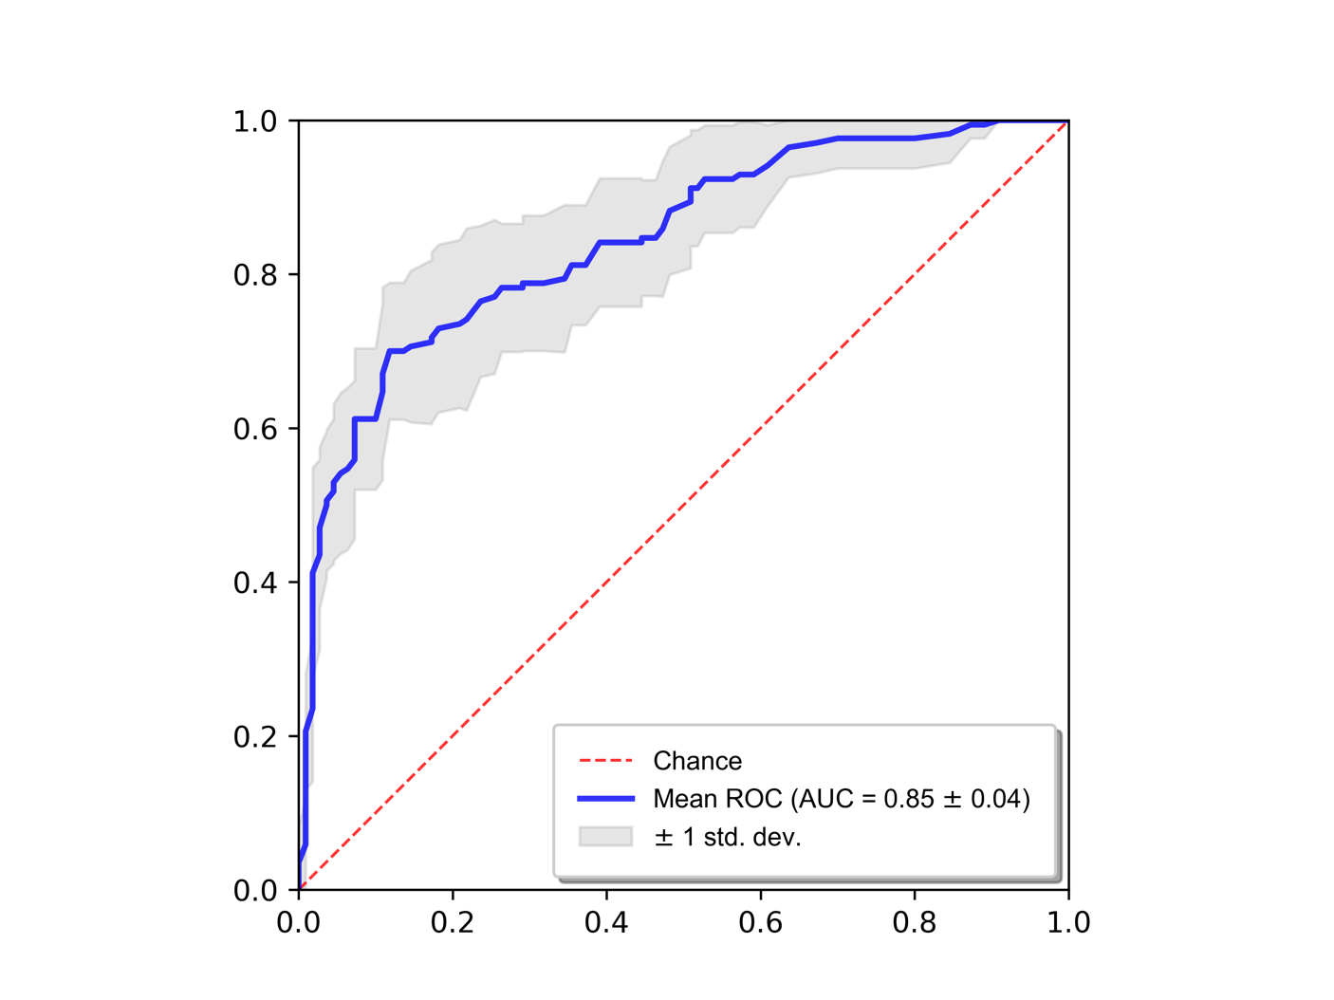
Random Forest Parameters
n_estimators: 7800
min_samples_split: 2
min_samples_leaf: 1
max_features: "sqrt"
max_depth: 70
bootstrap: true

Optimal # of features: 5
Top features
importance | feature
1.0000 | T1 original glszm SmallAreaLowGrayLevelEmphasis tumor edema
0.9591 | ASL original ngtdm Contrast tumor core
0.7739 | T2 original glszm ZoneEntropy tumor edema
0.6324 | T2 original glszm SmallAreaHighGrayLevelEmphasis enhancing tumor
0.4779 | ASL original gldm DependenceNonUniformityNormalized whole tumor

EGFR
 | True Positives | False Positives | True Negatives | False Negatives | Sensitivity | Specificity | Precision | Recall | F1 | Matthew's Coefficient | Distance from [0, 1] | Youden Index | ROC AUC
Fold 1 | 21 | 20 | 24 | 11 | 0.6562 | 0.5455 | 0.5122 | 0.6562 | 0.5753 | 0.1998 | 0.5699 | 0.2017 | 0.6172
Fold 2 | 23 | 16 | 28 | 9 | 0.7187 | 0.6364 | 0.5897 | 0.7187 | 0.6479 | 0.3508 | 0.4597 | 0.3551 | 0.7223
Fold 3 | 22 | 19 | 25 | 10 | 0.6875 | 0.5682 | 0.5366 | 0.6875 | 0.6027 | 0.2533 | 0.5330 | 0.2557 | 0.6733
Fold 4 | 18 | 13 | 31 | 14 | 0.5625 | 0.7045 | 0.5806 | 0.5625 | 0.5714 | 0.2683 | 0.5279 | 0.2670 | 0.6690
Fold 5 | 21 | 14 | 30 | 11 | 0.6562 | 0.6818 | 0.6000 | 0.6562 | 0.6269 | 0.3349 | 0.4684 | 0.3381 | 0.6896
Fold 6 | 22 | 19 | 25 | 10 | 0.6875 | 0.5682 | 0.5366 | 0.6875 | 0.6027 | 0.2533 | 0.5330 | 0.2557 | 0.6275
Fold 7 | 24 | 11 | 33 | 8 | 0.7500 | 0.7500 | 0.6857 | 0.7500 | 0.7164 | 0.4953 | 0.3536 | 0.5000 | 0.7994
Fold 8 | 18 | 7 | 37 | 14 | 0.5625 | 0.8409 | 0.7200 | 0.5625 | 0.6316 | 0.4239 | 0.4655 | 0.4034 | 0.6928
Fold 9 | 21 | 14 | 30 | 11 | 0.6562 | 0.6818 | 0.6000 | 0.6562 | 0.6269 | 0.3349 | 0.4684 | 0.3381 | 0.7035
Fold 10 | 22 | 9 | 35 | 10 | 0.6875 | 0.7955 | 0.7097 | 0.6875 | 0.6984 | 0.4852 | 0.3735 | 0.4830 | 0.7681
Average | 21.2000 | 14.2000 | 29.8000 | 10.8000 | 0.6625 | 0.6773 | 0.6071 | 0.6625 | 0.6300 | 0.3400 | 0.4753 | 0.3398 | 0.6963
Std Dev | 1.9322 | 4.3919 | 4.3919 | 1.9322 | 0.0604 | 0.0998 | 0.0742 | 0.0604 | 0.0476 | 0.1012 | 0.0699 | 0.0994 | 0.0566
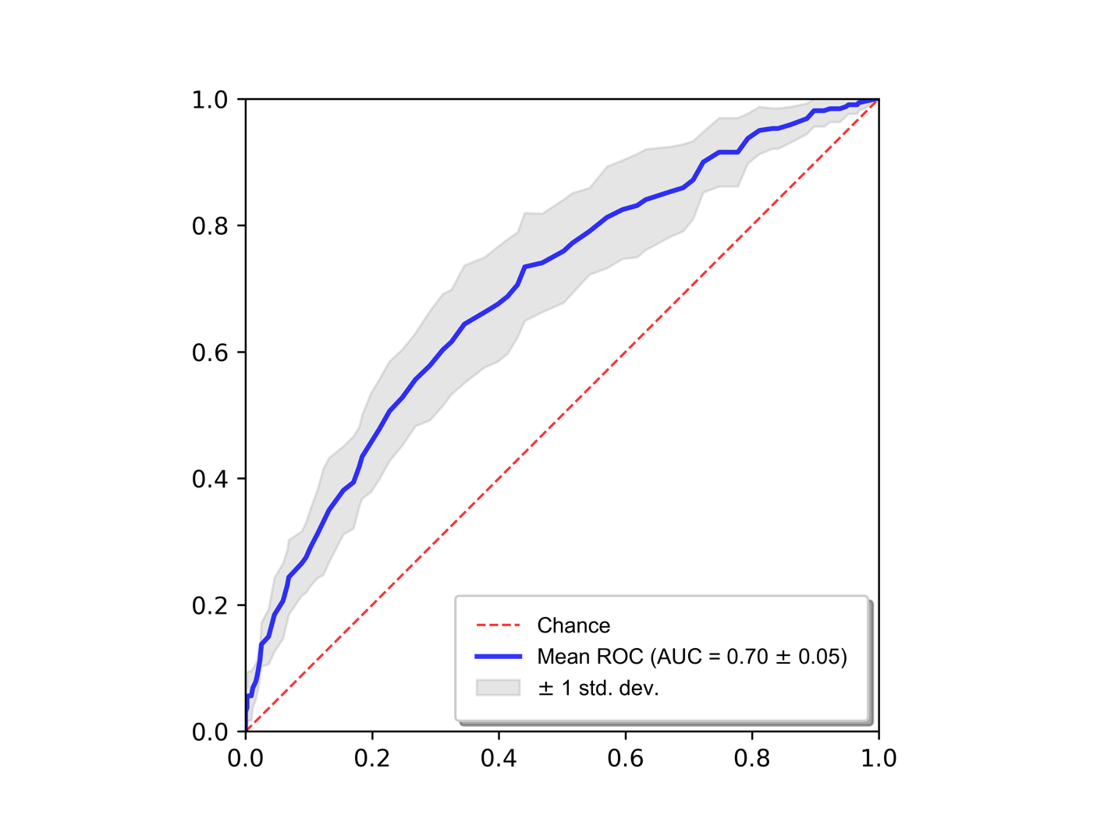
Random Forest Parameters
n_estimators: 1200
min_samples_split: 5
min_samples_leaf: 1
max_features: "sqrt"
max_depth: 50
bootstrap: false

Optimal # of features: 654
Top features
importance | feature
1.0000 | SWI original firstorder 10Percentile non-enhancing tumor
0.8519 | SWI original firstorder MeanAbsoluteDeviation non-enhancing tumor
0.8414 | ASL original glszm GrayLevelNonUniformity non-enhancing tumor
0.7993 | T2 original firstorder 10Percentile non-enhancing tumor
0.5319 | FLAIR original glszm ZoneVariance enhancing tumor
0.4852 | T2 original firstorder Median non-enhancing tumor
0.4130 | ASL original glcm Imc1 non-enhancing tumor
0.3703 | SWI original firstorder Variance non-enhancing tumor
0.3505 | MD original glrlm LongRunLowGrayLevelEmphasis non-enhancing tumor
0.3336 | DTI eddy L3 original glrlm RunLengthNonUniformity non-enhancing tumor
0.3151 | DTI eddy L2 original firstorder Maximum whole tumor
0.2779 | T1 original firstorder Skewness enhancing tumor
0.2722 | original shape Flatness non-enhancing tumor
0.2666 | T2 original firstorder Mean tumor core
0.2605 | SWI original firstorder Median tumor core
0.2530 | SWI original glrlm LongRunLowGrayLevelEmphasis non-enhancing tumor
0.2513 | T1gad original firstorder InterquartileRange non-enhancing tumor
0.2351 | ASL original glcm Idmn enhancing tumor
0.2344 | T2 original firstorder Mean non-enhancing tumor
0.2341 | ASL original glszm ZoneEntropy non-enhancing tumor
0.2280 | SWI original glrlm RunLengthNonUniformity non-enhancing tumor
0.2252 | original shape LeastAxisLength enhancing tumor
0.2196 | T1 original firstorder Variance tumor edema
0.2157 | T1gad original firstorder RobustMeanAbsoluteDeviation non-enhancing tumor
0.2149 | SWI original glszm SmallAreaEmphasis enhancing tumor
0.2147 | SWI original firstorder Minimum non-enhancing tumor
0.2069 | DTI eddy FA original firstorder 10Percentile tumor core
0.1985 | MD original glrlm ShortRunHighGrayLevelEmphasis non-enhancing tumor
0.1960 | MD original glrlm RunLengthNonUniformity non-enhancing tumor
0.1940 | SWI original glrlm RunPercentage non-enhancing tumor
0.1932 | ASL original glcm Imc1 whole tumor
0.1890 | T1gad original glrlm ShortRunLowGrayLevelEmphasis whole tumor
0.1862 | FLAIR original firstorder Skewness whole tumor
0.1816 | T1gad original firstorder MeanAbsoluteDeviation non-enhancing tumor
0.1801 | MD original glszm SmallAreaEmphasis non-enhancing tumor
0.1785 | ASL original glcm Imc1 enhancing tumor
0.1746 | T1 original firstorder Kurtosis tumor edema
0.1724 | T2 original firstorder RootMeanSquared non-enhancing tumor
0.1720 | SWI original glszm ZoneVariance enhancing tumor
0.1719 | SWI original firstorder InterquartileRange tumor edema
0.1715 | FLAIR original firstorder Skewness enhancing tumor
0.1713 | DTI eddy L3 original firstorder Mean non-enhancing tumor
0.1672 | SWI original glcm Correlation enhancing tumor
0.1667 | T1 original glrlm LongRunLowGrayLevelEmphasis non-enhancing tumor
0.1640 | SWI original firstorder Range tumor edema
0.1638 | DTI eddy L1 original firstorder Skewness tumor core
0.1608 | DWI original firstorder Range whole tumor
0.1565 | DTI eddy MD original firstorder Kurtosis non-enhancing tumor
0.1548 | SWI original firstorder Skewness whole tumor
0.1532 | ASL original ngtdm Contrast enhancing tumor
0.1531 | T1gad original firstorder Skewness enhancing tumor
0.1501 | DTI eddy FA original firstorder 10Percentile enhancing tumor
0.1490 | SWI original glrlm ShortRunLowGrayLevelEmphasis enhancing tumor
0.1454 | SWI original firstorder InterquartileRange whole tumor
0.1437 | ASL original firstorder Skewness tumor core
0.1420 | T2 original firstorder 10Percentile tumor core
0.1400 | SWI original glrlm ShortRunEmphasis whole tumor
0.1363 | MD original firstorder Skewness tumor core
0.1359 | T1gad original glrlm ShortRunHighGrayLevelEmphasis tumor edema
0.1356 | DTI eddy FA original firstorder Minimum whole tumor
0.1329 | DWI original firstorder Maximum whole tumor
0.1308 | SWI original glcm MCC enhancing tumor
0.1304 | DTI eddy MD original firstorder Maximum whole tumor
0.1294 | T1 original firstorder 10Percentile non-enhancing tumor
0.1283 | T1gad original gldm SmallDependenceHighGrayLevelEmphasis tumor edema
0.1274 | T2 original firstorder Kurtosis tumor edema
0.1258 | MD original glszm SmallAreaLowGrayLevelEmphasis whole tumor
0.1253 | DTI eddy L3 original firstorder Maximum whole tumor
0.1251 | DTI eddy FA original firstorder 90Percentile non-enhancing tumor
0.1244 | DTI eddy FA original glszm SizeZoneNonUniformityNormalized tumor edema
0.1234 | T1gad original gldm SmallDependenceLowGrayLevelEmphasis tumor edema
0.1227 | SWI original firstorder MeanAbsoluteDeviation tumor edema
0.1226 | DTI eddy L3 original ngtdm Busyness tumor core
0.1209 | MD original glszm LargeAreaLowGrayLevelEmphasis non-enhancing tumor
0.1207 | DTI eddy L3 original glrlm ShortRunLowGrayLevelEmphasis whole tumor
0.1199 | DTI eddy FA original firstorder Median enhancing tumor
0.1186 | ASL original gldm LargeDependenceHighGrayLevelEmphasis tumor core
0.1182 | SWI original firstorder Skewness tumor edema
0.1177 | DTI eddy FA original firstorder Minimum tumor core
0.1169 | FLAIR original glrlm ShortRunLowGrayLevelEmphasis whole tumor
0.1164 | DTI eddy FA original firstorder Skewness enhancing tumor
0.1156 | DTI eddy FA original firstorder Minimum enhancing tumor
0.1153 | DWI original firstorder Skewness tumor core
0.1148 | SWI original glrlm ShortRunHighGrayLevelEmphasis non-enhancing tumor
0.1136 | T1gad original gldm LargeDependenceLowGrayLevelEmphasis tumor edema
0.1119 | ASL original glcm Correlation tumor edema
0.1104 | DTI eddy FA original firstorder Minimum tumor edema
0.1101 | ASL original gldm DependenceVariance tumor edema
0.1094 | DWI original firstorder 90Percentile non-enhancing tumor
0.1091 | original shape MajorAxisLength whole tumor
0.1091 | ASL original gldm DependenceNonUniformityNormalized tumor edema
0.1084 | ASL original gldm GrayLevelNonUniformity non-enhancing tumor
0.1081 | T1gad original firstorder Kurtosis enhancing tumor
0.1079 | SWI original firstorder Variance tumor edema
0.1079 | DTI eddy L1 original firstorder Range whole tumor
0.1077 | DTI eddy FA original glszm ZoneVariance tumor edema
0.1068 | T1 original firstorder InterquartileRange tumor edema
0.1052 | ASL original gldm LargeDependenceHighGrayLevelEmphasis enhancing tumor
0.1045 | MD original gldm SmallDependenceEmphasis enhancing tumor
0.1041 | original shape Elongation enhancing tumor
0.1041 | SWI original firstorder 90Percentile non-enhancing tumor
0.1040 | DTI eddy L2 original firstorder RootMeanSquared non-enhancing tumor
0.1031 | T1 original firstorder Variance whole tumor
0.1029 | FLAIR original glcm Correlation whole tumor
0.1022 | DTI eddy L2 original firstorder Mean non-enhancing tumor
0.0999 | DTI eddy MD original glrlm ShortRunLowGrayLevelEmphasis whole tumor
0.0996 | SWI original firstorder Range non-enhancing tumor
0.0989 | MD original gldm LargeDependenceLowGrayLevelEmphasis non-enhancing tumor
0.0983 | T1gad original firstorder Variance whole tumor
0.0973 | DWI original glcm SumAverage enhancing tumor
0.0963 | FLAIR original firstorder Skewness tumor core
0.0954 | DTI eddy L1 original firstorder InterquartileRange non-enhancing tumor
0.0953 | SWI original glszm ZonePercentage tumor core
0.0952 | DTI eddy MD original gldm SmallDependenceHighGrayLevelEmphasis enhancing tumor
0.0946 | T1 original firstorder Minimum tumor edema
0.0935 | SWI original firstorder Kurtosis tumor edema
0.0932 | DWI original firstorder MeanAbsoluteDeviation whole tumor
0.0929 | DTI eddy FA original glszm ZoneVariance enhancing tumor
0.0925 | SWI original glszm ZoneVariance tumor edema
0.0924 | DTI eddy L1 original firstorder Skewness tumor edema
0.0918 | T2 original firstorder Median tumor core
0.0918 | original shape Sphericity whole tumor
0.0915 | T2 original firstorder 10Percentile tumor edema
0.0910 | DWI original glrlm ShortRunLowGrayLevelEmphasis enhancing tumor
0.0902 | DTI eddy FA original glszm ZoneEntropy tumor edema
0.0885 | ASL original glcm Imc1 tumor edema
0.0882 | DTI eddy L1 original firstorder MeanAbsoluteDeviation non-enhancing tumor
0.0879 | ASL original gldm SmallDependenceLowGrayLevelEmphasis whole tumor
0.0877 | ASL original glcm JointEnergy non-enhancing tumor
0.0876 | original shape Flatness whole tumor
0.0867 | FLAIR original firstorder RootMeanSquared whole tumor
0.0863 | MD original firstorder Minimum tumor edema
0.0862 | SWI original glszm SizeZoneNonUniformity whole tumor
0.0861 | FLAIR original firstorder Maximum whole tumor
0.0857 | FLAIR original glszm ZoneVariance tumor edema
0.0856 | DTI eddy L3 original firstorder MeanAbsoluteDeviation enhancing tumor
0.0856 | T2 original firstorder 90Percentile whole tumor
0.0856 | FLAIR original firstorder Mean tumor core
0.0851 | MD original glrlm ShortRunEmphasis whole tumor
0.0851 | T1gad original glszm ZoneVariance enhancing tumor
0.0850 | DWI original firstorder Skewness enhancing tumor
0.0850 | T1gad original glszm ZoneVariance tumor edema
0.0840 | DTI eddy L2 original glrlm RunLengthNonUniformity non-enhancing tumor
0.0832 | MD original firstorder InterquartileRange enhancing tumor
0.0823 | MD original gldm DependenceVariance non-enhancing tumor
0.0823 | SWI original glszm SmallAreaLowGrayLevelEmphasis tumor core
0.0822 | SWI original firstorder Variance whole tumor
0.0815 | FLAIR original glszm SmallAreaEmphasis enhancing tumor
0.0808 | DWI original glszm GrayLevelNonUniformity non-enhancing tumor
0.0807 | DWI original firstorder Range tumor edema
0.0806 | SWI original glrlm RunLengthNonUniformity tumor edema
0.0795 | SWI original firstorder Maximum tumor edema
0.0794 | T2 original firstorder RootMeanSquared whole tumor
0.0793 | SWI original glrlm ShortRunHighGrayLevelEmphasis whole tumor
0.0790 | FLAIR original firstorder RootMeanSquared enhancing tumor
0.0788 | ASL original glcm MaximumProbability tumor core
0.0787 | FLAIR original glszm SizeZoneNonUniformityNormalized tumor edema
0.0787 | T1gad original firstorder 90Percentile tumor edema
0.0786 | ASL original glcm MCC tumor edema
0.0780 | DTI eddy FA original firstorder Minimum non-enhancing tumor
0.0774 | T1 original firstorder 90Percentile tumor edema
0.0774 | SWI original glszm SmallAreaHighGrayLevelEmphasis enhancing tumor
0.0772 | DTI eddy FA original firstorder Median tumor core
0.0770 | ASL original glrlm RunEntropy tumor edema
0.0766 | DTI eddy L2 original firstorder Kurtosis enhancing tumor
0.0760 | DWI original firstorder 90Percentile enhancing tumor
0.0759 | DTI eddy FA original firstorder Energy enhancing tumor
0.0752 | T1gad original firstorder MeanAbsoluteDeviation whole tumor
0.0752 | T1 original firstorder Minimum non-enhancing tumor
0.0750 | MD original gldm DependenceVariance tumor edema
0.0748 | DTI eddy L2 original glrlm GrayLevelVariance tumor core
0.0744 | DTI eddy MD original glrlm ShortRunHighGrayLevelEmphasis enhancing tumor
0.0741 | SWI original firstorder RobustMeanAbsoluteDeviation tumor edema
0.0741 | DWI original firstorder Maximum tumor core
0.0741 | T1 original firstorder Range whole tumor
0.0739 | MD original glszm ZoneVariance tumor edema
0.0738 | ASL original glszm LargeAreaHighGrayLevelEmphasis enhancing tumor
0.0738 | T2 original glrlm LongRunLowGrayLevelEmphasis non-enhancing tumor
0.0736 | T1gad original firstorder 90Percentile tumor core
0.0735 | SWI original glszm SmallAreaHighGrayLevelEmphasis non-enhancing tumor
0.0730 | T1 original firstorder Median enhancing tumor
0.0728 | T1gad original firstorder Maximum non-enhancing tumor
0.0724 | DTI eddy FA original firstorder Variance whole tumor
0.0721 | SWI original firstorder InterquartileRange non-enhancing tumor
0.0721 | ASL original glcm MaximumProbability non-enhancing tumor
0.0721 | SWI original gldm DependenceEntropy non-enhancing tumor
0.0719 | T2 original firstorder 10Percentile whole tumor
0.0718 | DWI original firstorder RootMeanSquared tumor core
0.0713 | ASL original firstorder Kurtosis tumor core
0.0711 | DWI original gldm LargeDependenceLowGrayLevelEmphasis non-enhancing tumor
0.0711 | original shape Elongation non-enhancing tumor
0.0710 | DWI original firstorder Variance non-enhancing tumor
0.0707 | DTI eddy L1 original firstorder Kurtosis enhancing tumor
0.0703 | T2 original firstorder RootMeanSquared tumor core
0.0702 | SWI original gldm DependenceVariance non-enhancing tumor
0.0701 | SWI original glszm SizeZoneNonUniformityNormalized tumor edema
0.0701 | DTI eddy L2 original firstorder MeanAbsoluteDeviation non-enhancing tumor
0.0694 | T2 original glszm ZoneEntropy tumor edema
0.0693 | DTI eddy L1 original firstorder RobustMeanAbsoluteDeviation non-enhancing tumor
0.0693 | DTI eddy L2 original firstorder Kurtosis tumor edema
0.0692 | FLAIR original firstorder Median enhancing tumor
0.0691 | T1gad original firstorder Minimum enhancing tumor
0.0691 | DTI eddy L3 original glszm ZoneVariance enhancing tumor
0.0690 | DTI eddy FA original firstorder Skewness tumor core
0.0690 | FLAIR original firstorder RootMeanSquared tumor core
0.0687 | FLAIR original firstorder 10Percentile tumor core
0.0685 | DTI eddy FA original firstorder Mean tumor core
0.0682 | SWI original glszm LargeAreaLowGrayLevelEmphasis non-enhancing tumor
0.0682 | SWI original glcm MCC tumor core
0.0681 | T1gad original glrlm LongRunLowGrayLevelEmphasis non-enhancing tumor
0.0680 | ASL original firstorder Kurtosis whole tumor
0.0679 | T1gad original firstorder Kurtosis tumor core
0.0679 | FLAIR original glrlm LongRunEmphasis non-enhancing tumor
0.0678 | SWI original firstorder RobustMeanAbsoluteDeviation whole tumor
0.0678 | FLAIR original firstorder Median tumor core
0.0675 | DWI original glrlm LongRunLowGrayLevelEmphasis non-enhancing tumor
0.0673 | original shape Flatness tumor edema
0.0673 | SWI original gldm LargeDependenceLowGrayLevelEmphasis tumor core
0.0671 | T2 original firstorder MeanAbsoluteDeviation whole tumor
0.0671 | SWI original firstorder Minimum tumor edema
0.0669 | T1 original firstorder Minimum tumor core
0.0668 | DWI original glcm Autocorrelation enhancing tumor
0.0664 | original shape Flatness enhancing tumor
0.0664 | T1gad original firstorder Minimum tumor edema
0.0663 | MD original glszm SmallAreaEmphasis enhancing tumor
0.0659 | T1gad original glrlm ShortRunLowGrayLevelEmphasis tumor edema
0.0656 | DWI original glcm MCC enhancing tumor
0.0656 | SWI original gldm SmallDependenceHighGrayLevelEmphasis non-enhancing tumor
0.0655 | SWI original firstorder 10Percentile whole tumor
0.0653 | T1gad original firstorder Variance non-enhancing tumor
0.0653 | ASL original glszm SizeZoneNonUniformityNormalized enhancing tumor
0.0652 | T2 original firstorder Maximum enhancing tumor
0.0652 | T1gad original firstorder 90Percentile whole tumor
0.0652 | ASL original gldm DependenceVariance whole tumor
0.0650 | ASL original glcm Imc2 enhancing tumor
0.0649 | DWI original glcm JointAverage enhancing tumor
0.0649 | FLAIR original ngtdm Strength tumor core
0.0648 | DWI original glrlm ShortRunHighGrayLevelEmphasis tumor edema
0.0648 | SWI original firstorder Range enhancing tumor
0.0647 | DTI eddy FA original firstorder RobustMeanAbsoluteDeviation non-enhancing tumor
0.0647 | DWI original firstorder Range tumor core
0.0645 | DTI eddy FA original firstorder 90Percentile whole tumor
0.0644 | MD original glrlm ShortRunEmphasis tumor core
0.0643 | DWI original glrlm ShortRunHighGrayLevelEmphasis whole tumor
0.0643 | T2 original firstorder 90Percentile non-enhancing tumor
0.0642 | DWI original firstorder Maximum non-enhancing tumor
0.0639 | FLAIR original firstorder Range whole tumor
0.0638 | SWI original gldm DependenceVariance enhancing tumor
0.0638 | DTI eddy L3 original gldm LargeDependenceLowGrayLevelEmphasis whole tumor
0.0635 | T1 original firstorder RobustMeanAbsoluteDeviation tumor edema
0.0632 | FLAIR original firstorder 10Percentile enhancing tumor
0.0632 | SWI original firstorder RobustMeanAbsoluteDeviation non-enhancing tumor
0.0629 | ASL original gldm GrayLevelNonUniformity enhancing tumor
0.0629 | SWI original glrlm RunVariance non-enhancing tumor
0.0628 | FLAIR original glszm SmallAreaLowGrayLevelEmphasis enhancing tumor
0.0626 | MD original gldm DependenceNonUniformityNormalized non-enhancing tumor
0.0625 | T2 original glrlm RunLengthNonUniformity enhancing tumor
0.0623 | SWI original firstorder Variance tumor core
0.0619 | DWI original firstorder Median tumor edema
0.0619 | SWI original glrlm ShortRunEmphasis enhancing tumor
0.0618 | DTI eddy FA original firstorder Skewness whole tumor
0.0618 | T1gad original firstorder Median tumor core
0.0615 | ASL original firstorder Minimum whole tumor
0.0615 | ASL original gldm SmallDependenceLowGrayLevelEmphasis enhancing tumor
0.0615 | T1gad original firstorder 90Percentile non-enhancing tumor
0.0615 | original shape Sphericity tumor edema
0.0611 | ASL original firstorder Minimum non-enhancing tumor
0.0606 | SWI original glrlm LongRunEmphasis non-enhancing tumor
0.0605 | T1gad original firstorder TotalEnergy tumor core
0.0605 | T1gad original firstorder Range whole tumor
0.0604 | T1 original firstorder RootMeanSquared tumor core
0.0603 | FLAIR original firstorder InterquartileRange tumor core
0.0603 | DWI original firstorder Range non-enhancing tumor
0.0603 | original shape Maximum2DDiameterColumn whole tumor
0.0602 | DTI eddy L2 original firstorder Kurtosis non-enhancing tumor
0.0601 | DWI original firstorder InterquartileRange whole tumor
0.0600 | MD original firstorder Minimum non-enhancing tumor
0.0597 | DTI eddy L1 original firstorder Kurtosis non-enhancing tumor
0.0597 | ASL original gldm SmallDependenceLowGrayLevelEmphasis tumor core
0.0596 | DTI eddy L3 original gldm SmallDependenceLowGrayLevelEmphasis tumor edema
0.0596 | MD original glrlm ShortRunEmphasis enhancing tumor
0.0590 | T1 original firstorder Mean enhancing tumor
0.0589 | DTI eddy L1 original firstorder 90Percentile non-enhancing tumor
0.0586 | MD original glrlm RunLengthNonUniformity tumor edema
0.0586 | SWI original glszm SmallAreaLowGrayLevelEmphasis tumor edema
0.0585 | DTI eddy L3 original firstorder Kurtosis tumor core
0.0583 | SWI original gldm LargeDependenceEmphasis non-enhancing tumor
0.0583 | DTI eddy L3 original firstorder Kurtosis non-enhancing tumor
0.0582 | T2 original firstorder 90Percentile tumor edema
0.0581 | DTI eddy FA original firstorder RootMeanSquared non-enhancing tumor
0.0581 | DWI original firstorder Kurtosis tumor edema
0.0581 | SWI original glszm SmallAreaHighGrayLevelEmphasis tumor edema
0.0577 | DTI eddy FA original firstorder MeanAbsoluteDeviation tumor edema
0.0577 | SWI original glszm SmallAreaLowGrayLevelEmphasis enhancing tumor
0.0575 | DTI eddy FA original firstorder Variance non-enhancing tumor
0.0575 | DWI original firstorder 90Percentile tumor core
0.0575 | DWI original firstorder MeanAbsoluteDeviation enhancing tumor
0.0574 | T2 original firstorder 90Percentile tumor core
0.0573 | T2 original firstorder 90Percentile enhancing tumor
0.0570 | SWI original glszm SizeZoneNonUniformity enhancing tumor
0.0569 | DWI original glcm SumAverage whole tumor
0.0568 | DTI eddy L2 original firstorder Maximum tumor core
0.0568 | ASL original glszm SizeZoneNonUniformityNormalized tumor edema
0.0566 | T1gad original firstorder Skewness whole tumor
0.0564 | MD original gldm DependenceEntropy non-enhancing tumor
0.0564 | DTI eddy MD original glrlm RunLengthNonUniformity non-enhancing tumor
0.0564 | ASL original glrlm LongRunLowGrayLevelEmphasis non-enhancing tumor
0.0564 | T2 original glrlm ShortRunHighGrayLevelEmphasis non-enhancing tumor
0.0564 | SWI original glrlm ShortRunHighGrayLevelEmphasis tumor core
0.0562 | MD original glrlm RunLengthNonUniformity whole tumor
0.0562 | DTI eddy L3 original firstorder Skewness tumor core
0.0560 | SWI original firstorder Median non-enhancing tumor
0.0559 | T2 original glrlm RunLengthNonUniformity non-enhancing tumor
0.0558 | DTI eddy FA original firstorder Mean enhancing tumor
0.0557 | SWI original glcm Autocorrelation whole tumor
0.0555 | T1 original firstorder MeanAbsoluteDeviation tumor edema
0.0554 | T2 original firstorder Skewness whole tumor
0.0551 | ASL original firstorder Mean non-enhancing tumor
0.0551 | FLAIR original glrlm LongRunLowGrayLevelEmphasis non-enhancing tumor
0.0550 | T1 original firstorder Range tumor edema
0.0550 | MD original glrlm ShortRunEmphasis non-enhancing tumor
0.0545 | T1 original firstorder Maximum enhancing tumor
0.0543 | original shape Sphericity non-enhancing tumor
0.0543 | DTI eddy MD original firstorder Kurtosis tumor core
0.0543 | T1gad original firstorder InterquartileRange tumor core
0.0542 | MD original glrlm RunVariance non-enhancing tumor
0.0542 | DWI original gldm SmallDependenceLowGrayLevelEmphasis enhancing tumor
0.0542 | DTI eddy L3 original glrlm ShortRunEmphasis whole tumor
0.0539 | DTI eddy L3 original firstorder Kurtosis enhancing tumor
0.0538 | ASL original glszm GrayLevelNonUniformity enhancing tumor
0.0537 | SWI original glrlm HighGrayLevelRunEmphasis whole tumor
0.0536 | ASL original firstorder 10Percentile whole tumor
0.0535 | SWI original glszm SmallAreaEmphasis non-enhancing tumor
0.0535 | DTI eddy FA original firstorder 90Percentile tumor core
0.0534 | DTI eddy L3 original glrlm ShortRunHighGrayLevelEmphasis enhancing tumor
0.0533 | SWI original glszm SmallAreaLowGrayLevelEmphasis non-enhancing tumor
0.0533 | T2 original firstorder Skewness non-enhancing tumor
0.0531 | T1 original glrlm ShortRunLowGrayLevelEmphasis whole tumor
0.0531 | SWI original firstorder RootMeanSquared tumor core
0.0531 | T1gad original firstorder Skewness non-enhancing tumor
0.0530 | DWI original glszm SizeZoneNonUniformityNormalized whole tumor
0.0527 | MD original firstorder Skewness non-enhancing tumor
0.0526 | T1gad original glrlm ShortRunHighGrayLevelEmphasis whole tumor
0.0525 | T1gad original firstorder RootMeanSquared tumor edema
0.0524 | DTI eddy FA original firstorder RobustMeanAbsoluteDeviation tumor edema
0.0519 | ASL original glcm ClusterShade tumor core
0.0518 | SWI original firstorder Skewness enhancing tumor
0.0517 | ASL original glcm Idn non-enhancing tumor
0.0516 | FLAIR original firstorder Variance non-enhancing tumor
0.0515 | T2 original glszm ZoneVariance enhancing tumor
0.0515 | MD original glszm SmallAreaHighGrayLevelEmphasis non-enhancing tumor
0.0514 | DTI eddy MD original firstorder Maximum tumor core
0.0514 | DTI eddy L1 original glrlm ShortRunLowGrayLevelEmphasis whole tumor
0.0512 | DTI eddy L3 original firstorder Minimum tumor edema
0.0510 | DWI original ngtdm Strength enhancing tumor
0.0509 | SWI original glszm SizeZoneNonUniformity tumor core
0.0509 | DTI eddy L2 original firstorder Skewness tumor core
0.0508 | MD original glszm ZonePercentage enhancing tumor
0.0508 | ASL original glcm InverseVariance whole tumor
0.0508 | SWI original firstorder 90Percentile tumor core
0.0508 | DTI eddy L2 original glszm GrayLevelNonUniformity tumor core
0.0508 | MD original firstorder Skewness enhancing tumor
0.0504 | DTI eddy FA original firstorder Variance tumor edema
0.0502 | original shape Sphericity tumor core
0.0499 | SWI original glszm SmallAreaLowGrayLevelEmphasis whole tumor
0.0497 | T2 original firstorder Skewness enhancing tumor
0.0496 | FLAIR original firstorder Kurtosis tumor edema
0.0495 | MD original gldm LargeDependenceLowGrayLevelEmphasis tumor core
0.0495 | MD original gldm SmallDependenceHighGrayLevelEmphasis tumor edema
0.0494 | DTI eddy L2 original firstorder RobustMeanAbsoluteDeviation enhancing tumor
0.0492 | original shape Elongation tumor edema
0.0490 | ASL original glrlm LongRunHighGrayLevelEmphasis non-enhancing tumor
0.0489 | FLAIR original firstorder Mean whole tumor
0.0489 | DTI eddy FA original firstorder Median whole tumor
0.0489 | SWI original firstorder 90Percentile tumor edema
0.0488 | FLAIR original glszm HighGrayLevelZoneEmphasis tumor edema
0.0488 | DTI eddy L1 original glrlm ShortRunHighGrayLevelEmphasis tumor core
0.0486 | T1 original firstorder Variance non-enhancing tumor
0.0486 | FLAIR original firstorder Range tumor edema
0.0485 | SWI original glrlm ShortRunLowGrayLevelEmphasis tumor core
0.0485 | ASL original gldm DependenceNonUniformity enhancing tumor
0.0485 | DTI eddy FA original firstorder InterquartileRange non-enhancing tumor
0.0483 | DTI eddy FA original firstorder Kurtosis enhancing tumor
0.0482 | DWI original firstorder 90Percentile tumor edema
0.0481 | DWI original glszm ZonePercentage whole tumor
0.0480 | DTI eddy L1 original firstorder Maximum tumor core
0.0479 | DTI eddy MD original glszm SmallAreaEmphasis whole tumor
0.0479 | FLAIR original glszm GrayLevelNonUniformity tumor edema
0.0478 | SWI original firstorder Range tumor core
0.0476 | ASL original ngtdm Contrast non-enhancing tumor
0.0475 | T1gad original firstorder MeanAbsoluteDeviation tumor edema
0.0473 | DTI eddy L1 original glszm GrayLevelNonUniformity tumor edema
0.0472 | SWI original firstorder Kurtosis non-enhancing tumor
0.0471 | FLAIR original firstorder Kurtosis whole tumor
0.0471 | T1 original firstorder RobustMeanAbsoluteDeviation non-enhancing tumor
...

PTEN
...
 | True Positives | False Positives | True Negatives | False Negatives | Sensitivity | Specificity | Precision | Recall | F1 | Matthew's Coefficient | Distance from [0, 1] | Youden Index | ROC AUC
Fold 3 | 32 | 14 | 21 | 11 | 0.7442 | 0.6000 | 0.6957 | 0.7442 | 0.7191 | 0.3480 | 0.4748 | 0.3442 | 0.6422
Fold 4 | 25 | 11 | 24 | 18 | 0.5814 | 0.6857 | 0.6944 | 0.5814 | 0.6329 | 0.2665 | 0.5235 | 0.2671 | 0.6189
Fold 5 | 26 | 13 | 22 | 17 | 0.6047 | 0.6286 | 0.6667 | 0.6047 | 0.6341 | 0.2320 | 0.5425 | 0.2332 | 0.6229
Fold 6 | 25 | 9 | 26 | 18 | 0.5814 | 0.7429 | 0.7353 | 0.5814 | 0.6494 | 0.3252 | 0.4913 | 0.3243 | 0.6568
Fold 7 | 24 | 10 | 25 | 19 | 0.5581 | 0.7143 | 0.7059 | 0.5581 | 0.6234 | 0.2732 | 0.5262 | 0.2724 | 0.6777
Fold 8 | 23 | 10 | 25 | 20 | 0.5349 | 0.7143 | 0.6970 | 0.5349 | 0.6053 | 0.2508 | 0.5459 | 0.2492 | 0.6156
Fold 9 | 33 | 17 | 18 | 10 | 0.7674 | 0.5143 | 0.6600 | 0.7674 | 0.7097 | 0.2921 | 0.5385 | 0.2817 | 0.6269
Fold 10 | 28 | 13 | 22 | 15 | 0.6512 | 0.6286 | 0.6829 | 0.6512 | 0.6667 | 0.2786 | 0.5096 | 0.2797 | 0.6003
Average | 27.5000 | 12.5000 | 22.5000 | 15.5000 | 0.6395 | 0.6429 | 0.6897 | 0.6395 | 0.6604 | 0.2841 | 0.5177 | 0.2824 | 0.6425
Std Dev | 3.5040 | 2.6352 | 2.6352 | 3.5040 | 0.0815 | 0.0753 | 0.0234 | 0.0815 | 0.0379 | 0.0348 | 0.0251 | 0.0341 | 0.0319
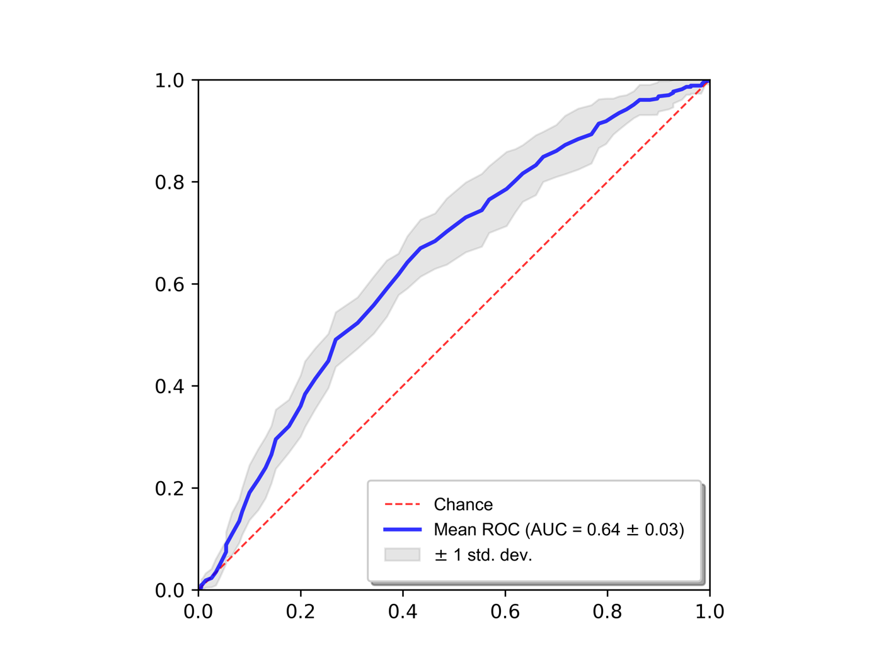
Random Forest Parameters
n_estimators: 6700
min_samples_split: 10
min_samples_leaf: 1
max_features: "sqrt"
max_depth: 80
bootstrap: true

Optimal # of features: 2188
Top features
importance | feature
1.0000 | SWI original firstorder Skewness non-enhancing tumor
0.1690 | T1 original glrlm ShortRunLowGrayLevelEmphasis non-enhancing tumor
0.0992 | T1 original firstorder Kurtosis tumor edema
0.0922 | SWI original firstorder Kurtosis tumor core
0.0753 | SWI original firstorder Kurtosis non-enhancing tumor
0.0738 | ASL original glcm Idn tumor core
0.0672 | FLAIR original firstorder Maximum enhancing tumor
0.0519 | T1 original gldm LargeDependenceHighGrayLevelEmphasis non-enhancing tumor
0.0494 | ASL original glcm ClusterShade non-enhancing tumor
0.0452 | ASL original glcm Idn non-enhancing tumor
0.0448 | T2 original firstorder Skewness enhancing tumor
0.0438 | DTI eddy L3 original glszm LargeAreaLowGrayLevelEmphasis non-enhancing tumor
0.0436 | ADC original firstorder Kurtosis tumor edema
0.0421 | DTI eddy L3 original firstorder RobustMeanAbsoluteDeviation whole tumor
0.0389 | ASL original glcm MCC tumor edema
0.0388 | DWI original glszm SmallAreaLowGrayLevelEmphasis non-enhancing tumor
0.0377 | DWI original firstorder RootMeanSquared enhancing tumor
0.0363 | T1 original gldm SmallDependenceLowGrayLevelEmphasis whole tumor
0.0351 | T2 original glcm ClusterShade tumor core
0.0350 | ASL original ngtdm Strength whole tumor
...

TERT
...
 | True Positives | False Positives | True Negatives | False Negatives | Sensitivity | Specificity | Precision | Recall | F1 | Matthew's Coefficient | Distance from [0, 1] | Youden Index | ROC AUC
Fold 3 | 16 | 2 | 6 | 10 | 0.6154 | 0.7500 | 0.8889 | 0.6154 | 0.7273 | 0.3105 | 0.4587 | 0.3654 | 0.6827
Fold 4 | 17 | 3 | 5 | 9 | 0.6538 | 0.6250 | 0.8500 | 0.6538 | 0.7391 | 0.2403 | 0.5103 | 0.2788 | 0.6971
Fold 5 | 22 | 4 | 4 | 4 | 0.8462 | 0.5000 | 0.8462 | 0.8462 | 0.8462 | 0.3462 | 0.5231 | 0.3462 | 0.6106
Fold 6 | 18 | 2 | 6 | 8 | 0.6923 | 0.7500 | 0.9000 | 0.6923 | 0.7826 | 0.3812 | 0.3965 | 0.4423 | 0.6923
Fold 7 | 20 | 3 | 5 | 6 | 0.7692 | 0.6250 | 0.8696 | 0.7692 | 0.8163 | 0.3575 | 0.4403 | 0.3942 | 0.6562
Fold 8 | 19 | 3 | 5 | 7 | 0.7308 | 0.6250 | 0.8636 | 0.7308 | 0.7917 | 0.3158 | 0.4616 | 0.3558 | 0.6202
Fold 9 | 22 | 3 | 5 | 4 | 0.8462 | 0.6250 | 0.8800 | 0.8462 | 0.8627 | 0.4530 | 0.4053 | 0.4712 | 0.7380
Fold 10 | 16 | 4 | 4 | 10 | 0.6154 | 0.5000 | 0.8000 | 0.6154 | 0.6957 | 0.0994 | 0.6308 | 0.1154 | 0.5457
Average | 19.5000 | 3.1000 | 4.9000 | 6.5000 | 0.7500 | 0.6125 | 0.8642 | 0.7500 | 0.7982 | 0.3484 | 0.4819 | 0.3625 | 0.6505
Std Dev | 3.1358 | 0.9944 | 0.9944 | 3.1358 | 0.1206 | 0.1243 | 0.0318 | 0.1206 | 0.0660 | 0.1240 | 0.0907 | 0.1063 | 0.0714
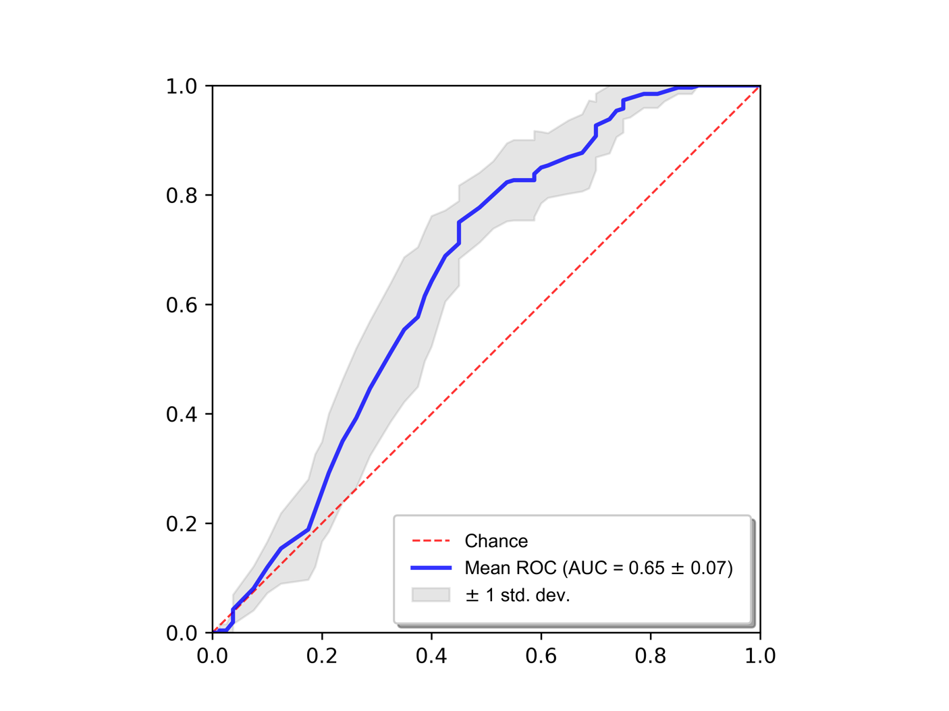
Random Forest Parameters
n_estimators: 100
min_samples_split: 5
min_samples_leaf: 3
max_features: "sqrt"
max_depth: 30
bootstrap: true

Optimal # of features: 3191
Top features
importance | feature
1.0000 | DWI original firstorder Skewness enhancing tumor
0.5982 | T2 original firstorder 10Percentile tumor core
0.4880 | MD original gldm SmallDependenceLowGrayLevelEmphasis whole tumor
0.4656 | ASL original ngtdm Contrast tumor core
0.4568 | FLAIR original firstorder 10Percentile non-enhancing tumor
0.4391 | T2 original firstorder 10Percentile non-enhancing tumor
0.4085 | MD original glszm GrayLevelNonUniformity non-enhancing tumor
0.3575 | ASL original glcm Imc2 non-enhancing tumor
0.3224 | MD original glszm SizeZoneNonUniformity non-enhancing tumor
0.3065 | T1gad original firstorder 90Percentile whole tumor
0.3017 | T1gad original firstorder RootMeanSquared whole tumor
0.2900 | MD original glszm ZoneEntropy tumor edema
0.2875 | ASL original glcm Correlation non-enhancing tumor
0.2775 | DWI original glszm LargeAreaHighGrayLevelEmphasis whole tumor
0.2480 | DWI original firstorder 90Percentile tumor core
0.2419 | FLAIR original glcm Correlation tumor edema
0.2342 | T1gad original firstorder Mean whole tumor
0.2312 | ASL original ngtdm Contrast enhancing tumor
0.2137 | DTI eddy L1 original firstorder Skewness tumor core
0.2114 | DTI eddy FA original firstorder TotalEnergy non-enhancing tumor
...

TP53
...
 | True Positives | False Positives | True Negatives | False Negatives | Sensitivity | Specificity | Precision | Recall | F1 | Matthew's Coefficient | Distance from [0, 1] | Youden Index | ROC AUC
Fold 3 | 17 | 21 | 28 | 10 | 0.6296 | 0.5714 | 0.4474 | 0.6296 | 0.5231 | 0.1925 | 0.5664 | 0.2011 | 0.5801
Fold 4 | 12 | 14 | 35 | 15 | 0.4444 | 0.7143 | 0.4615 | 0.4444 | 0.4528 | 0.1601 | 0.6247 | 0.1587 | 0.5831
Fold 5 | 15 | 27 | 22 | 12 | 0.5556 | 0.4490 | 0.3571 | 0.5556 | 0.4348 | 0.0044 | 0.7079 | 0.0045 | 0.4735
Fold 6 | 19 | 22 | 27 | 8 | 0.7037 | 0.5510 | 0.4634 | 0.7037 | 0.5588 | 0.2446 | 0.5379 | 0.2547 | 0.6077
Fold 7 | 13 | 21 | 28 | 14 | 0.4815 | 0.5714 | 0.3824 | 0.4815 | 0.4262 | 0.0509 | 0.6727 | 0.0529 | 0.5310
Fold 8 | 21 | 28 | 21 | 6 | 0.7778 | 0.4286 | 0.4286 | 0.7778 | 0.5526 | 0.2063 | 0.6131 | 0.2063 | 0.6255
Fold 9 | 16 | 24 | 25 | 11 | 0.5926 | 0.5102 | 0.4000 | 0.5926 | 0.4776 | 0.0985 | 0.6371 | 0.1028 | 0.5450
Fold 10 | 11 | 12 | 37 | 16 | 0.4074 | 0.7551 | 0.4783 | 0.4074 | 0.4400 | 0.1693 | 0.6412 | 0.1625 | 0.5253
Average | 15.5000 | 20.2000 | 28.8000 | 11.5000 | 0.5741 | 0.5878 | 0.4408 | 0.5741 | 0.4896 | 0.1606 | 0.6164 | 0.1618 | 0.5683
Std Dev | 3.7193 | 6.1788 | 6.1788 | 3.7193 | 0.1378 | 0.1261 | 0.0496 | 0.1378 | 0.0563 | 0.0844 | 0.0556 | 0.0856 | 0.0505
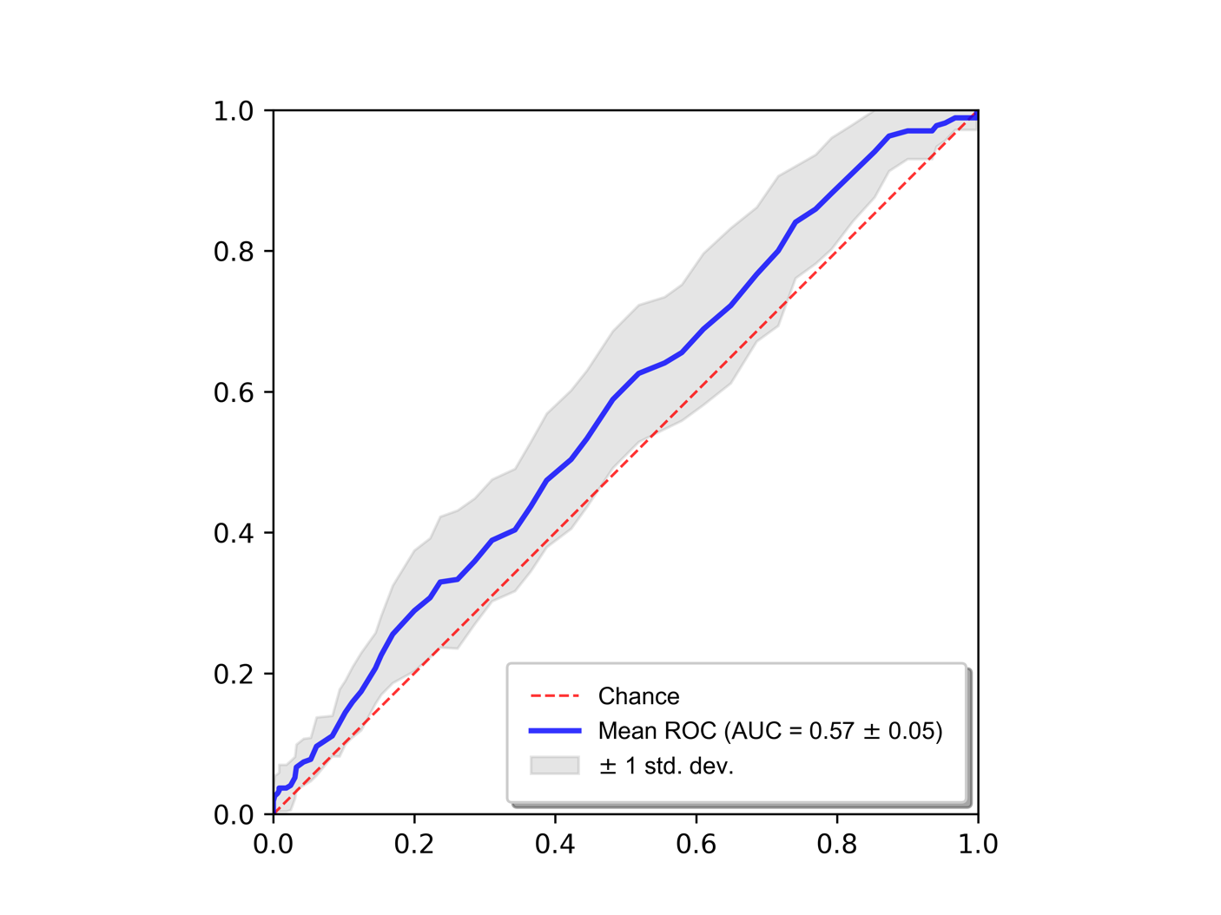
Random Forest Parameters
N/A

Optimal # of features: N/A
Top features
importance | feature
N/A

MGMT
...
 | True Positives | False Positives | True Negatives | False Negatives | Sensitivity | Specificity | Precision | Recall | F1 | Matthew's Coefficient | Distance from [0, 1] | Youden Index | ROC AUC
Fold 3 | 16 | 16 | 26 | 19 | 0.4571 | 0.6190 | 0.5000 | 0.4571 | 0.4776 | 0.0770 | 0.6632 | 0.0762 | 0.4918
Fold 4 | 16 | 9 | 33 | 19 | 0.4571 | 0.7857 | 0.6400 | 0.4571 | 0.5333 | 0.2582 | 0.5836 | 0.2429 | 0.6170
Fold 5 | 21 | 18 | 24 | 14 | 0.6000 | 0.5714 | 0.5385 | 0.6000 | 0.5676 | 0.1707 | 0.5862 | 0.1714 | 0.5942
Fold 6 | 27 | 24 | 18 | 8 | 0.7714 | 0.4286 | 0.5294 | 0.7714 | 0.6279 | 0.2106 | 0.6154 | 0.2000 | 0.5731
Fold 7 | 21 | 20 | 22 | 14 | 0.6000 | 0.5238 | 0.5122 | 0.6000 | 0.5526 | 0.1236 | 0.6219 | 0.1238 | 0.5609
Fold 8 | 21 | 17 | 25 | 14 | 0.6000 | 0.5952 | 0.5526 | 0.6000 | 0.5753 | 0.1944 | 0.5691 | 0.1952 | 0.5721
Fold 9 | 21 | 27 | 15 | 14 | 0.6000 | 0.3571 | 0.4375 | 0.6000 | 0.5060 | -0.0440 | 0.7571 | -0.0429 | 0.4109
Fold 10 | 20 | 21 | 21 | 15 | 0.5714 | 0.5000 | 0.4878 | 0.5714 | 0.5263 | 0.0713 | 0.6585 | 0.0714 | 0.5306
Average | 20.4000 | 19.0000 | 23.0000 | 14.6000 | 0.5829 | 0.5476 | 0.5235 | 0.5829 | 0.5467 | 0.1328 | 0.6282 | 0.1305 | 0.5464
Std Dev | 3.1340 | 4.8305 | 4.8305 | 3.1340 | 0.0895 | 0.1150 | 0.0538 | 0.0895 | 0.0442 | 0.0907 | 0.0587 | 0.0874 | 0.0617
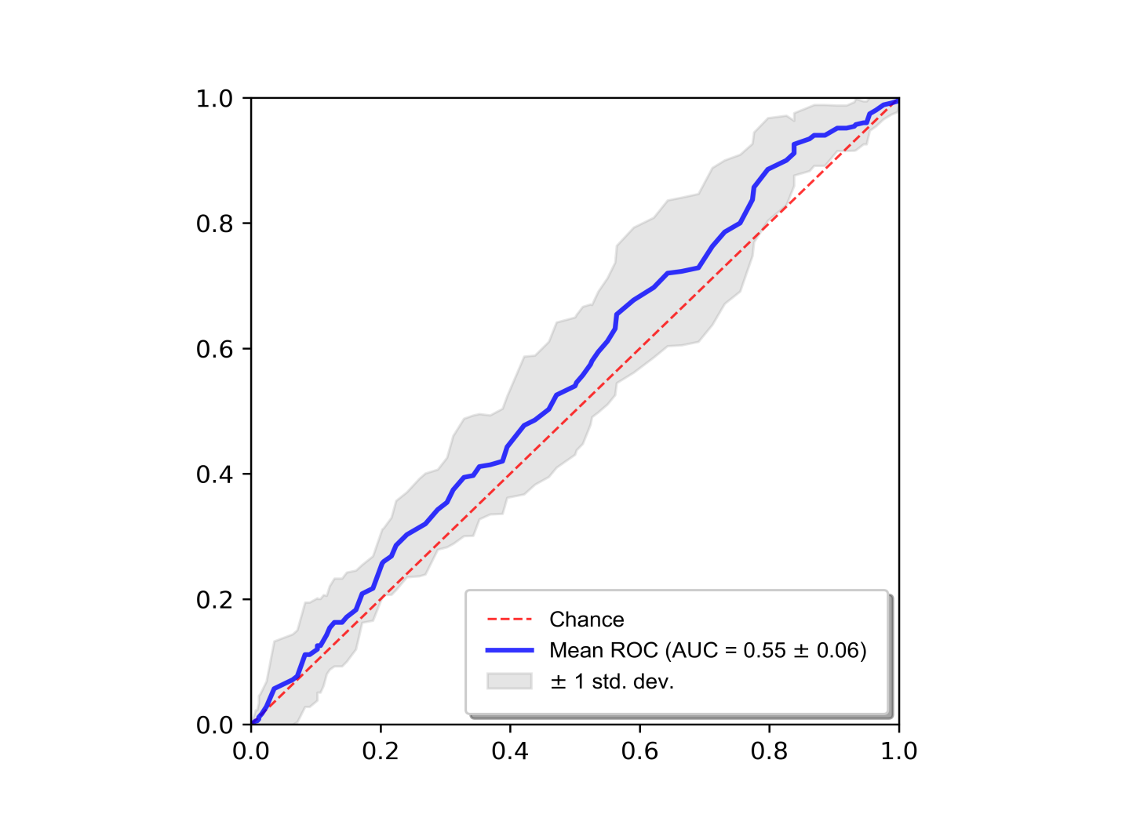
Random Forest Parameters
N/A

Optimal # of features: N/A
Top features
importance | feature
N/A

ATRX (T1, T1g, T2, FLAIR only)
...
 | True Positives | False Positives | True Negatives | False Negatives | Sensitivity | Specificity | Precision | Recall | F1 | Matthew's Coefficient | Distance from [0, 1] | Youden Index | ROC AUC
Fold 3 | 7 | 8 | 61 | 1 | 0.8750 | 0.8841 | 0.4667 | 0.8750 | 0.6087 | 0.5848 | 0.1705 | 0.7591 | 0.9076
Fold 4 | 8 | 4 | 65 | 0 | 1.0000 | 0.9420 | 0.6667 | 1.0000 | 0.8000 | 0.7925 | 0.0580 | 0.9420 | 0.9801
Fold 5 | 7 | 4 | 65 | 1 | 0.8750 | 0.9420 | 0.6364 | 0.8750 | 0.7368 | 0.7124 | 0.1378 | 0.8170 | 0.9266
Fold 6 | 8 | 9 | 60 | 0 | 1.0000 | 0.8696 | 0.4706 | 1.0000 | 0.6400 | 0.6397 | 0.1304 | 0.8696 | 0.9611
Fold 7 | 6 | 7 | 62 | 2 | 0.7500 | 0.8986 | 0.4615 | 0.7500 | 0.5714 | 0.5283 | 0.2698 | 0.6486 | 0.8995
Fold 8 | 7 | 6 | 63 | 1 | 0.8750 | 0.9130 | 0.5385 | 0.8750 | 0.6667 | 0.6419 | 0.1523 | 0.7880 | 0.9293
Fold 9 | 7 | 2 | 67 | 1 | 0.8750 | 0.9710 | 0.7778 | 0.8750 | 0.8235 | 0.8035 | 0.1283 | 0.8460 | 0.9393
Fold 10 | 7 | 5 | 64 | 1 | 0.8750 | 0.9275 | 0.5833 | 0.8750 | 0.7000 | 0.6751 | 0.1445 | 0.8025 | 0.9556
Average | 7.1000 | 6.7000 | 62.3000 | 0.9000 | 0.8875 | 0.9029 | 0.5420 | 0.8875 | 0.6650 | 0.6434 | 0.1603 | 0.7904 | 0.9358
Std Dev | 0.5676 | 3.5917 | 3.5917 | 0.5676 | 0.0710 | 0.0521 | 0.1295 | 0.0710 | 0.1067 | 0.1111 | 0.0610 | 0.0896 | 0.0266
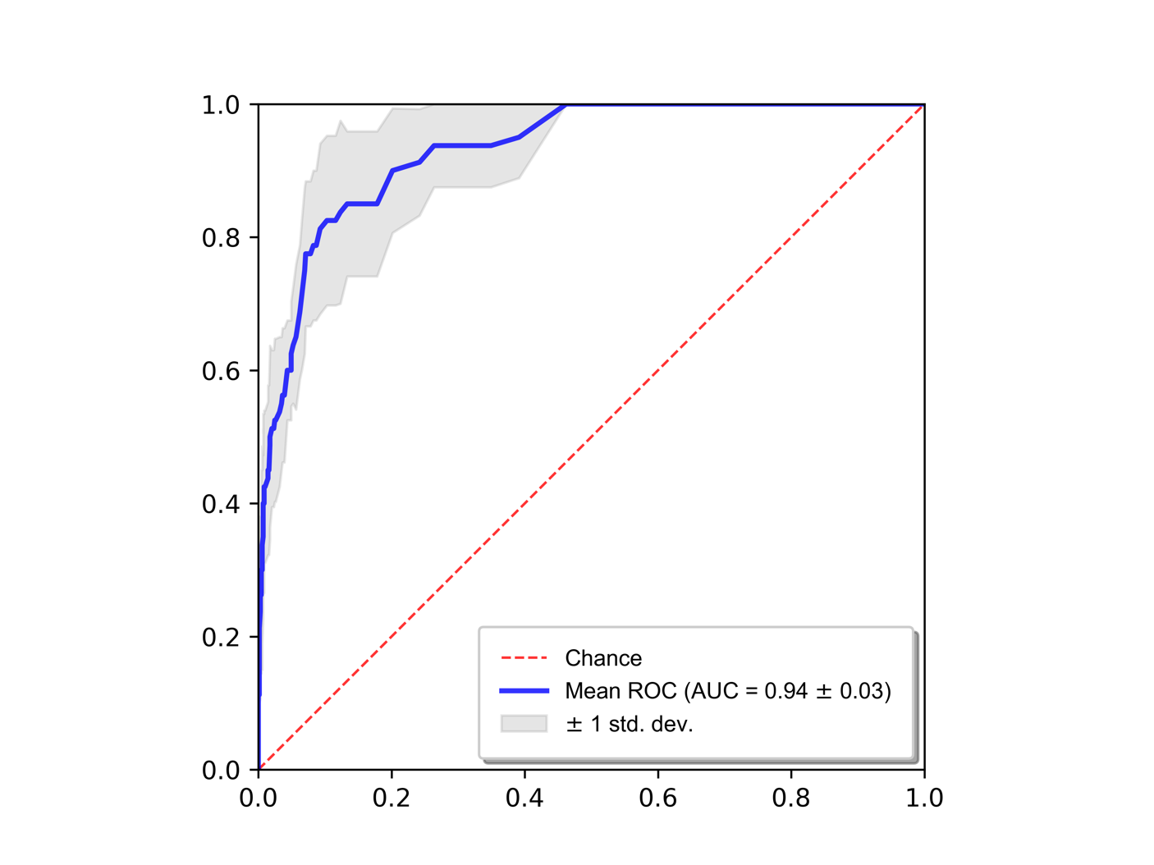
Random Forest Parameters
n_estimators: 4500
min_samples_split: 5
min_samples_leaf: 1
max_features: "sqrt"
max_depth: 80
bootstrap: true

Features
Optimal # of features: 163
1.0000 | T1 original firstorder Range tumor core
0.8580 | T1gad original firstorder Mean tumor core
0.6581 | FLAIR original glrlm ShortRunLowGrayLevelEmphasis tumor edema
0.5550 | T1gad original firstorder 90Percentile whole tumor
0.4245 | T1gad original firstorder Mean whole tumor
0.4024 | T1gad original glszm LargeAreaEmphasis non-enhancing tumor
0.3960 | T2 original glrlm ShortRunLowGrayLevelEmphasis non-enhancing tumor
0.3628 | T2 original firstorder Variance whole tumor
0.3115 | T1gad original firstorder RootMeanSquared whole tumor
0.3084 | T1 original glszm LargeAreaEmphasis non-enhancing tumor
0.2996 | T2 original gldm LargeDependenceHighGrayLevelEmphasis tumor edema
0.2860 | T2 original glrlm LongRunHighGrayLevelEmphasis tumor edema
0.2816 | T2 original firstorder 10Percentile tumor core
0.2776 | FLAIR original glszm ZoneVariance non-enhancing tumor
0.2634 | T1 original glszm LargeAreaLowGrayLevelEmphasis non-enhancing tumor
0.2581 | T2 original firstorder Range tumor edema
0.2023 | T1gad original firstorder RootMeanSquared tumor core
0.1788 | original shape MinorAxisLength whole tumor
0.1655 | T1 original firstorder Range enhancing tumor
0.1556 | T2 original firstorder Mean tumor core
0.1444 | T2 original firstorder 90Percentile tumor core
...

IDH (T1, T1g, T2, FLAIR only)
...
 | True Positives | False Positives | True Negatives | False Negatives | Sensitivity | Specificity | Precision | Recall | F1 | Matthew's Coefficient | Distance from [0, 1] | Youden Index | ROC AUC
Fold 3 | 6 | 13 | 59 | 1 | 0.8571 | 0.8194 | 0.3158 | 0.8571 | 0.4615 | 0.4499 | 0.2302 | 0.6766 | 0.9236
Fold 4 | 6 | 1 | 71 | 1 | 0.8571 | 0.9861 | 0.8571 | 0.8571 | 0.8571 | 0.8433 | 0.1435 | 0.8433 | 0.9712
Fold 5 | 7 | 18 | 54 | 0 | 1.0000 | 0.7500 | 0.2800 | 1.0000 | 0.4375 | 0.4583 | 0.2500 | 0.7500 | 0.9246
Fold 6 | 6 | 1 | 71 | 1 | 0.8571 | 0.9861 | 0.8571 | 0.8571 | 0.8571 | 0.8433 | 0.1435 | 0.8433 | 0.9623
Fold 7 | 6 | 0 | 72 | 1 | 0.8571 | 1.0000 | 1.0000 | 0.8571 | 0.9231 | 0.9195 | 0.1429 | 0.8571 | 0.9494
Fold 8 | 6 | 10 | 62 | 1 | 0.8571 | 0.8611 | 0.3750 | 0.8571 | 0.5217 | 0.5079 | 0.1992 | 0.7183 | 0.8889
Fold 9 | 6 | 15 | 57 | 1 | 0.8571 | 0.7917 | 0.2857 | 0.8571 | 0.4286 | 0.4174 | 0.2526 | 0.6488 | 0.8591
Fold 10 | 6 | 8 | 64 | 1 | 0.8571 | 0.8889 | 0.4286 | 0.8571 | 0.5714 | 0.5552 | 0.1810 | 0.7460 | 0.9177
Average | 6.1000 | 9.2000 | 62.8000 | 0.9000 | 0.8714 | 0.8722 | 0.5064 | 0.8714 | 0.5996 | 0.5915 | 0.2100 | 0.7437 | 0.9176
Std Dev | 0.5676 | 6.8767 | 6.8767 | 0.5676 | 0.0811 | 0.0955 | 0.2819 | 0.0811 | 0.1986 | 0.1958 | 0.0568 | 0.0861 | 0.0411
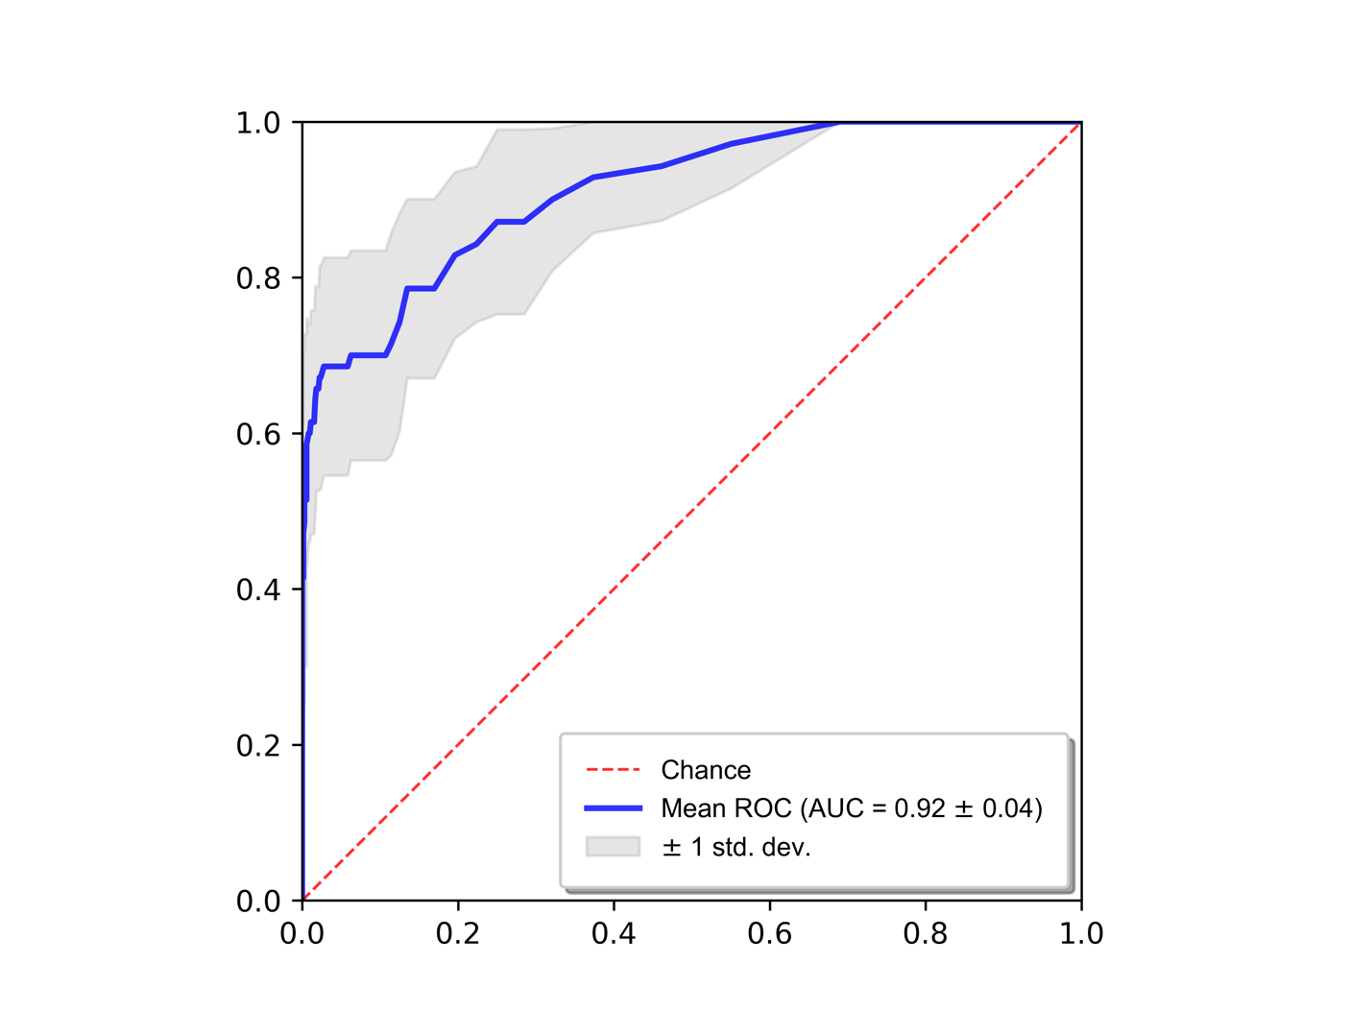
Random Forest Parameters
n_estimators: 8900
min_samples_split: 2
min_samples_leaf: 1
max_features: "sqrt"
max_depth: 40
bootstrap: false

Features
Optimal # of features: 1265
1.0000 | FLAIR original firstorder Kurtosis non-enhancing tumor
0.8804 | T1gad original glszm LargeAreaEmphasis non-enhancing tumor
0.8628 | T1 original glszm LargeAreaEmphasis non-enhancing tumor
0.2544 | FLAIR original firstorder Kurtosis enhancing tumor
0.1867 | T2 original firstorder 10Percentile tumor core
0.1830 | T1gad original firstorder RootMeanSquared tumor core
0.1712 | FLAIR original glszm LargeAreaEmphasis non-enhancing tumor
0.1277 | FLAIR original firstorder Kurtosis tumor core
0.1210 | T1 original firstorder Maximum enhancing tumor
0.1086 | T2 original gldm LargeDependenceHighGrayLevelEmphasis tumor edema
0.1026 | T1gad original firstorder Mean tumor core
0.0970 | T1 original glszm LargeAreaLowGrayLevelEmphasis non-enhancing tumor
0.0822 | T2 original glrlm LongRunHighGrayLevelEmphasis tumor edema
0.0800 | FLAIR original firstorder 10Percentile whole tumor
0.0748 | T1gad original firstorder Energy tumor edema
0.0736 | FLAIR original firstorder Skewness tumor core
0.0725 | T1 original firstorder Mean tumor edema
0.0719 | T2 original glszm LargeAreaEmphasis non-enhancing tumor
0.0598 | T2 original firstorder Mean tumor core
0.0585 | T1 original firstorder RootMeanSquared tumor edema
0.0552 | T1gad original firstorder 90Percentile tumor core
...

External Validation (TCGA-GBM)
ATRX (TCGA-GBM) (n=4) |  | IDH (TCGA-GBM) (n=4)
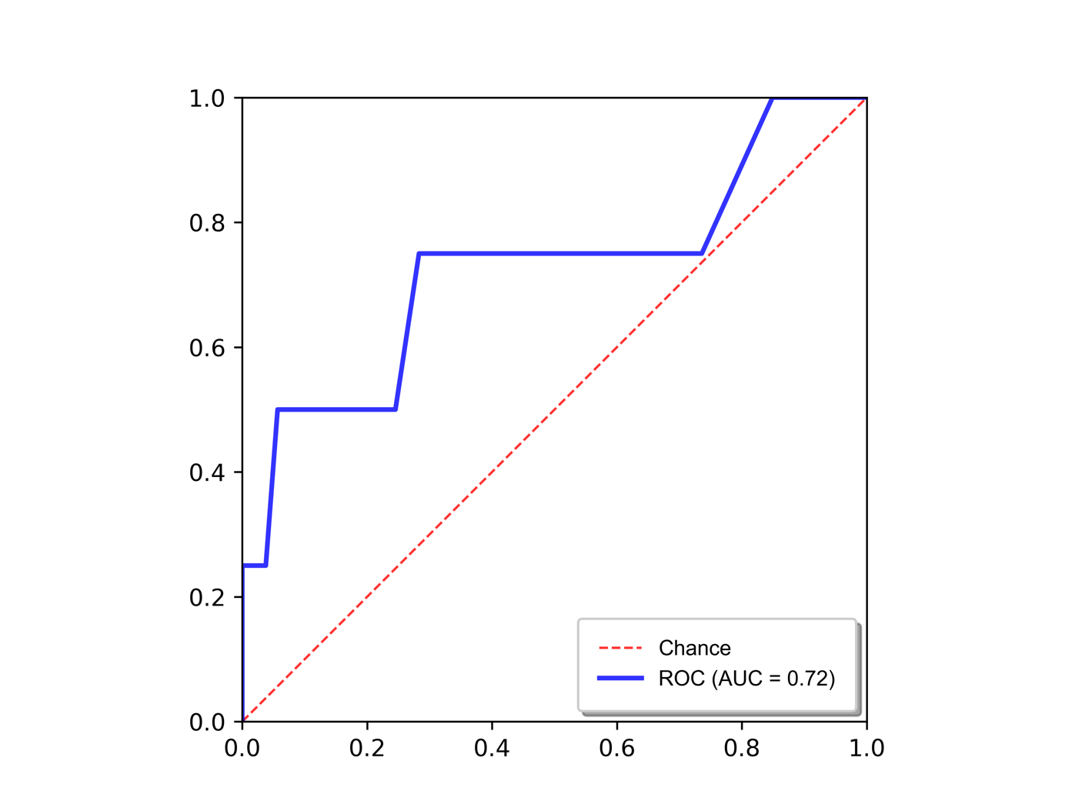
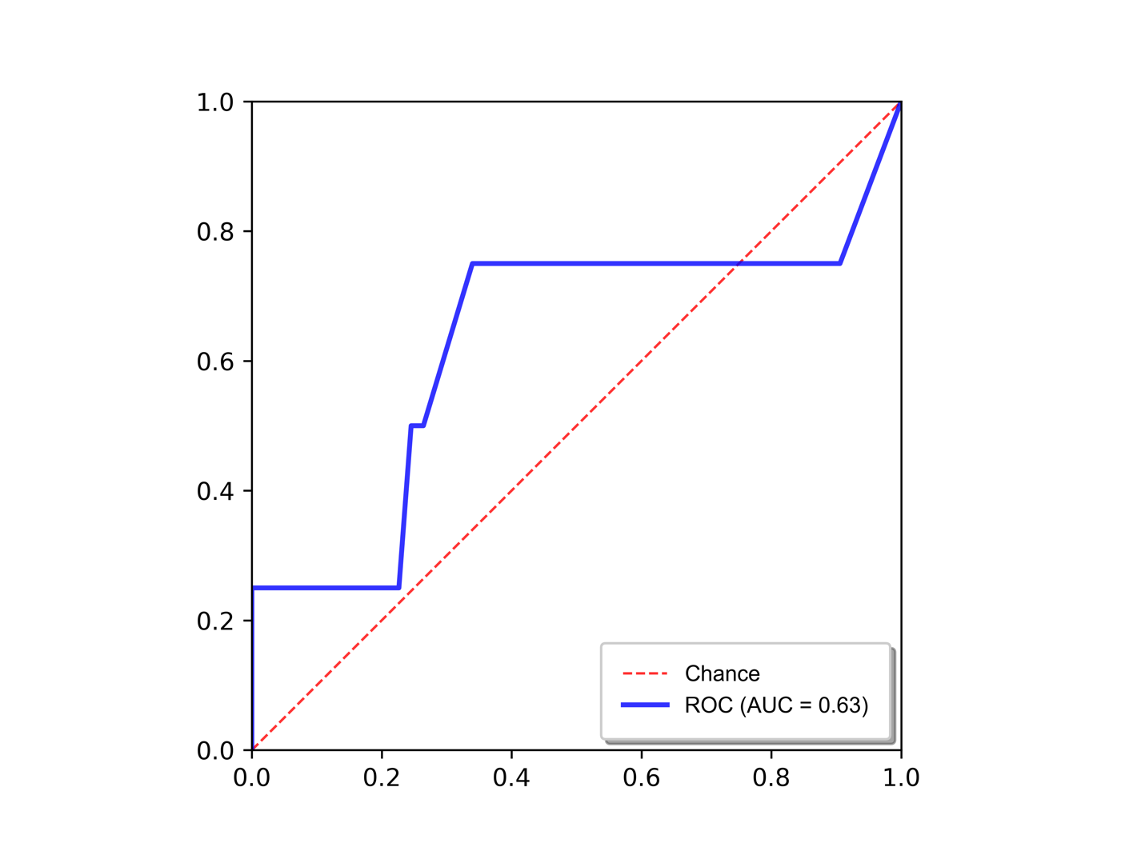

Best point |  | Best point
True Positives | 3.00 | True Positives | 3.00
False Positives | 13.00 | False Positives | 18.00
True Negatives | 40.00 | True Negatives | 35.00
False Negatives | 1.00 | False Negatives | 1.00
Sensitivity | 0.75 | Sensitivity | 0.75
Specificity | 0.75 | Specificity | 0.66
Precision | 0.19 | Precision | 0.14
Recall | 0.75 | Recall | 0.75
F1 | 0.30 | F1 | 0.24
...

