Arkusz1
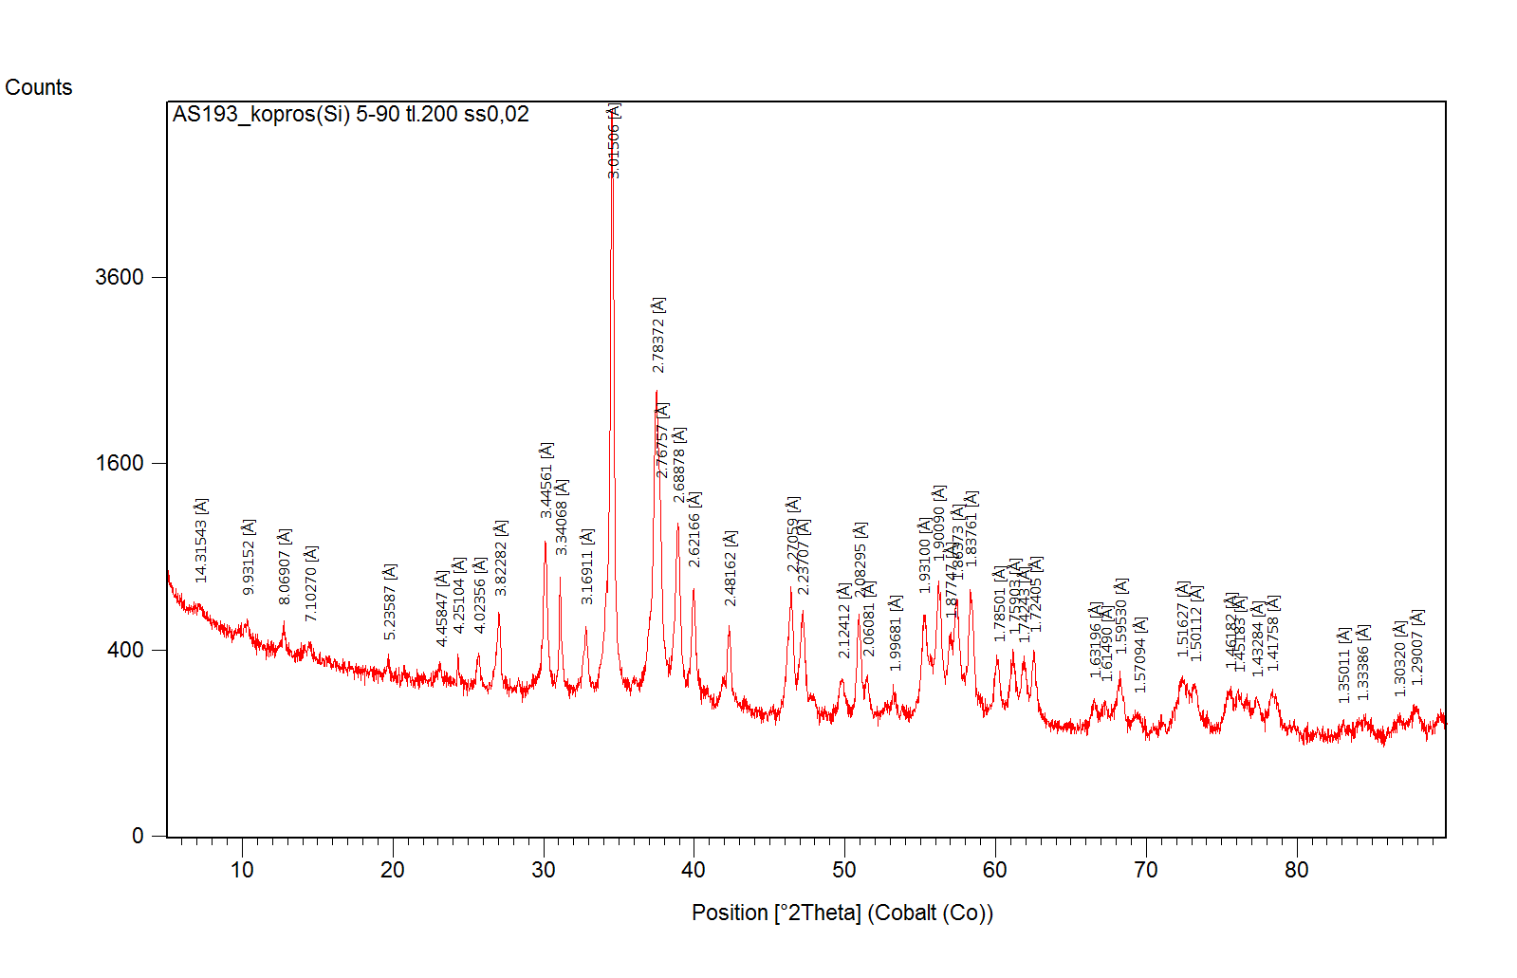
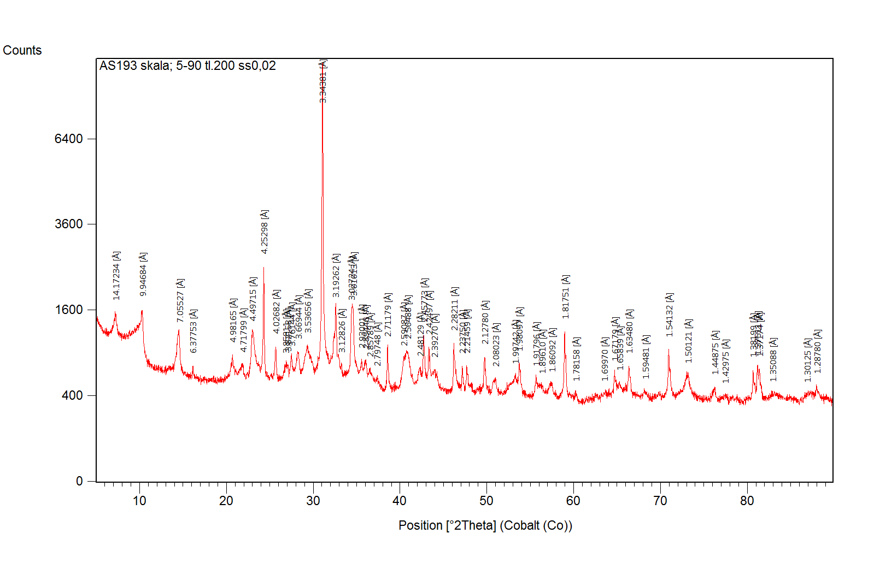
Host Rock
No. | Ref. Code | Mineral Name | Chemical Formula | Score | SemiQuant [%]
1 | 01-087-2096 | Quartz | Si O2 | 66 | 34.5
2 | 04-007-2613 | Pyrite | Fe S2 | 49 | 2.5
3 | 01-089-6426 | Albite | Na ( Al Si3 O8 ) | 33 | 13.5
4 | 04-013-2116 | Calcite | Ca0.936 Mg0.064 ( C O3 ) | 31 | 12.5
5 | 98-002-8098 | Clinochlore | H8 Al2.651 Fe1.686 Mg2.96 O18 Si2.622 | 23 | 7.5
6 | 01-087-0691 | Muscovite | ( K0.94 Na0.06 ) ( Mg0.08 Al1.75 Fe0.15 Mn0.02 ) ( Al0.92 Si3.08 ) O10 ( O H )2 | 26 | 8
7 | 98-005-7001 | Illite | H3 Al4 K1 O12 Si2 | 22 | 18.5
8 | 98-001-2020 | Dolomite | C2 Ca1 Mg1 O6 | 14 | 2.5
9 | 98-001-7136 | Kaolinite | H4 Al2 O9 Si2 | 11 | 0.5
 |  |  |  |  | 100
Coprolite
No. | Ref. Code | Mineral Name | Chemical Formula | Score | SemiQuant [%]
1 | 01-073-9696 | Carbonate-fluorapatite | Ca9.55 ( P O4 )4.96 F1.96 ( C O3 )1.283 | 70 | 53
2 | 01-089-1305 | Calcite | ( Mg0.06 Ca0.94 ) ( C O3 ) | 59 | 41.5
3 | 01-087-2096 | Quartz | Si O2 | 22 | 2
4 | 98-002-8098 | Clinochlore | H8 Al2.651 Fe1.686 Mg2.96 O18 Si2.622 | 11 | 1
5 | 98-005-7001 | Illite | H3 Al4 K1 O12 Si2 | 10 | 2.5
 |  |  |  |  | 100

