Figure S2
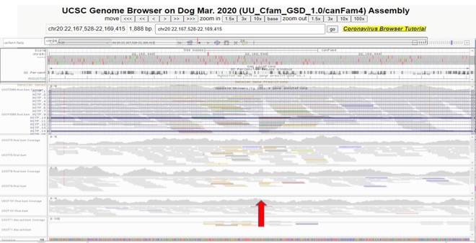
SINE element insertion at CFA20:22168470

