Table_S1
Table S1. Hydrocarbons composition of nodules, crust and underlying sediments from the Kara Sea.
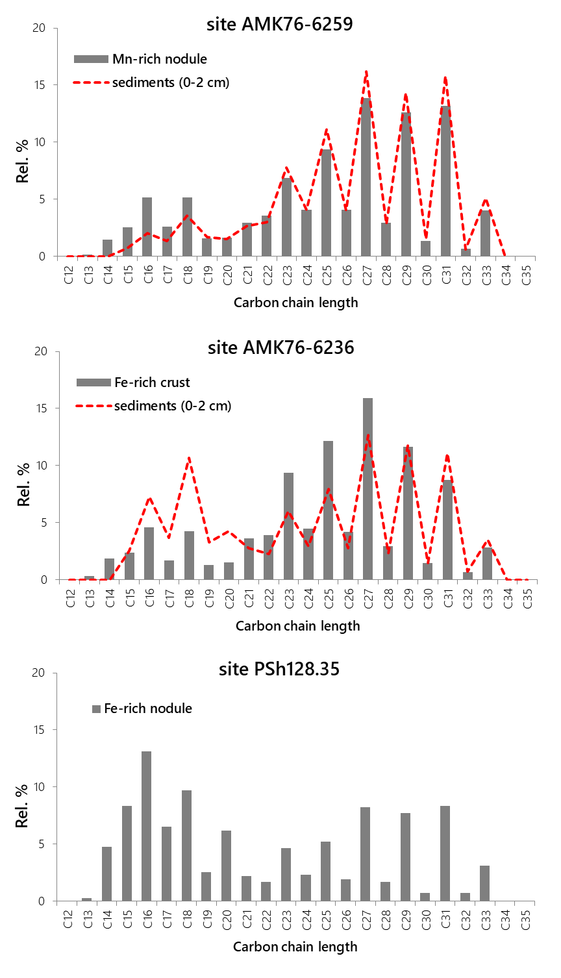
Sampling site | AMK76-6259 |  | PSh128.35 |  | AMK76-6236
 | Nodule | Sediments | Nodule | Sediments | Crust | Sediments
TOC, % | 0.41 | 1.24 | 0.99 | 1.16 | 0.57 | 1.44
Pr/Ph | 0.68 | 3.89 | 1.61 | - | 0.64 | 2.00
OEP17-19 | 0.52 | 0.58 | 0.46 | - | 0.43 | 0.41
CPI | 4.96 | 5.84 | 5.40 | - | 5.12 | 5.50
C15+17+19, % | 6.8 | 3.7 | 17.4 | - | 5.2 | 9.5
C27+C29+C31, % | 39.7 | 46.3 | 24.3 | - | 36.9 | 35.5
C15+17+19/C27+29+31 | 0.17 | 0.08 | 0.72 | - | 0.14 | 0.27
C14-20, % | 20 | 11 | 51 | - | 18 | 32
C16+18+20-24, % | 30 | 25 | 40 | - | 34 | 36
C23-35, % | 73 | 83 | 45 | - | 74 | 63
n-alk., µg/g | 1.24 | 1.46 | 1.00 | - | 0.96 | 0.77
TLE, µg/g | 52.1 | 90.7 | 106 | - | 35.9 | 212

Pr - pristane
Ph - phytane
OEP17-19 - Odd-Even preferance
CPI -Carbon preferance index
TLE - total lipid extract
C15+17+19 – marker of marine OM, C27+29+31 – marker of terrigenous OM, C16+18+С20-24 – marker of bacterial-derived OM
OEP17 = (C15 +4×C17 + C19)/(4×C16 + 4×C18),
OEP19 = (C17 +4×C19 + C21)/(4×C18 + 4×C20), OEP17-19 = 0.5×(OEP17 + OEP19).
CPI = 0.5×[(C25 + C27 + C29 + C31 + C33) /(C24 + C26 + C28 + C30 + C32) + (C25 + C27 + C29 + C31 + C33) /(C26 + C28 + C30 + C32 + C34)].

