Supp Figure S1
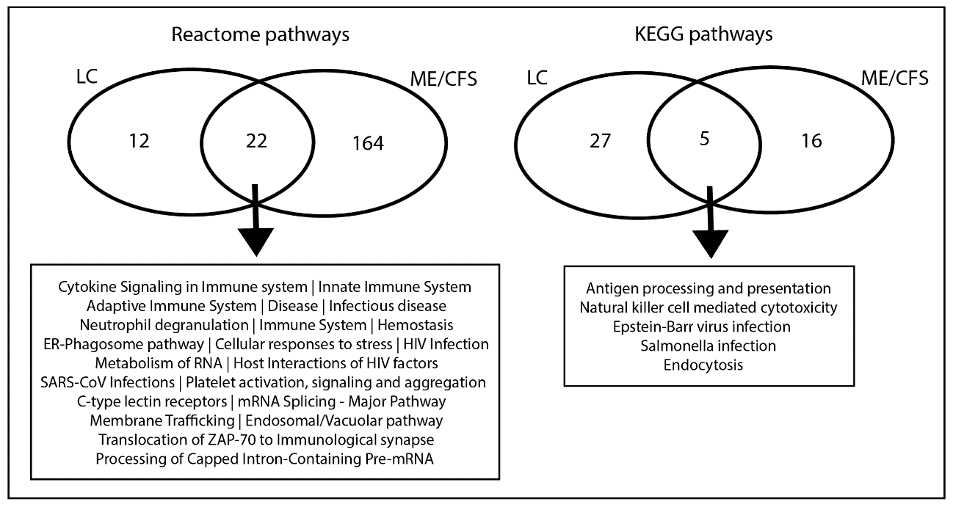
Supplementary Figure S1.
Reactome and KEGG enriched pathways in LC and ME/CFS.
A comparison of the STRING functional network analysis highlighted functional GO terms that are enriched in the set of proteins found to be regulated in both the LC and ME/CFS patient groups (overlap in the venn diagrams).

