Table S4
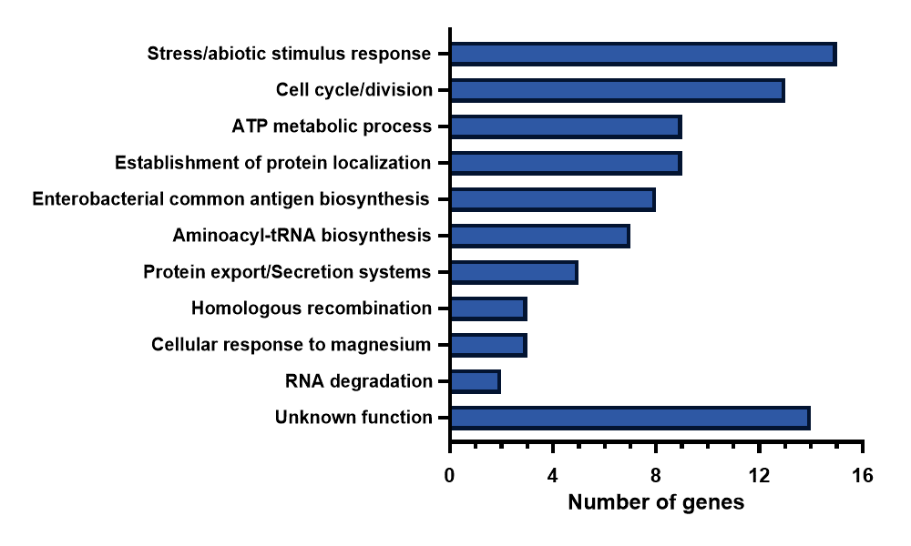
Function | Count | Genes | GO terms | KEGG pathways
Stress/abiotic stimulus response | 15 | tig,cmk,phoQ,pspA,ruvA,ruvC,dam,rpoH,envC,phoU,tatC,hslU,hslV,hflK,hflC | GO:0009628
Cell cycle/division | 13 | ftsL,tig,pal,minE,minD,minC,yciB,dedD,dam,ftsX,envC,zapB,ftsN | GO:0007049
ATP metabolic process | 9 | ppk,atpC,atpD,atpG,atpA,atpH,atpF,atpE,atpB | GO:0046034 | eco00190
Establishment of protein localization | 9 | yajC,secF,tig,oppF,bamE,secG,secB,tatC,yidD | GO:0045184
Enterobacterial common antigen biosynthesis | 8 | wecA,wecB,wecC,wecD,wecE,wzxE,wecG,wecF | GO:0009246
Aminoacyl-tRNA biosynthesis | 7 | aspT/aspU/aspV/glyW/glyV/glyX/tyrU |  | eco00970
Protein export/Bacterial secretion systems | 5 | tatC/secB/yajC/secG/secF | GO:0006886 | eco03060/03070
Homologous recombination | 3 | polA/ruvC/ruvA |  | eco03440
Cellular response to magnesium | 3 | phoP, phoQ, mgtA | GO:0071286
RNA degradation | 2 | pcnB/ppK |  | eco03018
unknown function | 14 | ychT, pssL, ybcV, yggT, yhhL, yeeS, yejG, yciC, yidD, yoeDF, ydjJ, yebW, yegR, ymgK

