Info
Z-DNA formation in promoters conserved between human and mouse are associated with increased transcription reinitiation rates

Nazar Beknazarov, Dmitry Konovalov, Alan Herbert and Maria Poptsova

Supplementary Table 8. Important markers in UMAP clustering made for the combined human and mouse, predicted and experimental data sets

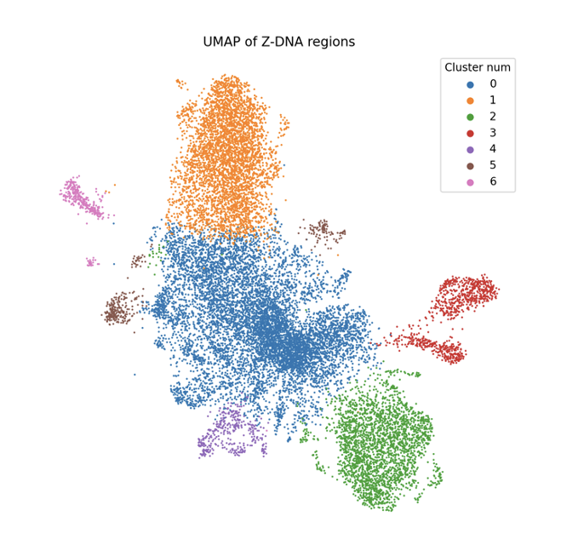
UMAP Clusetring

