Figure S5 Uncropped Gel
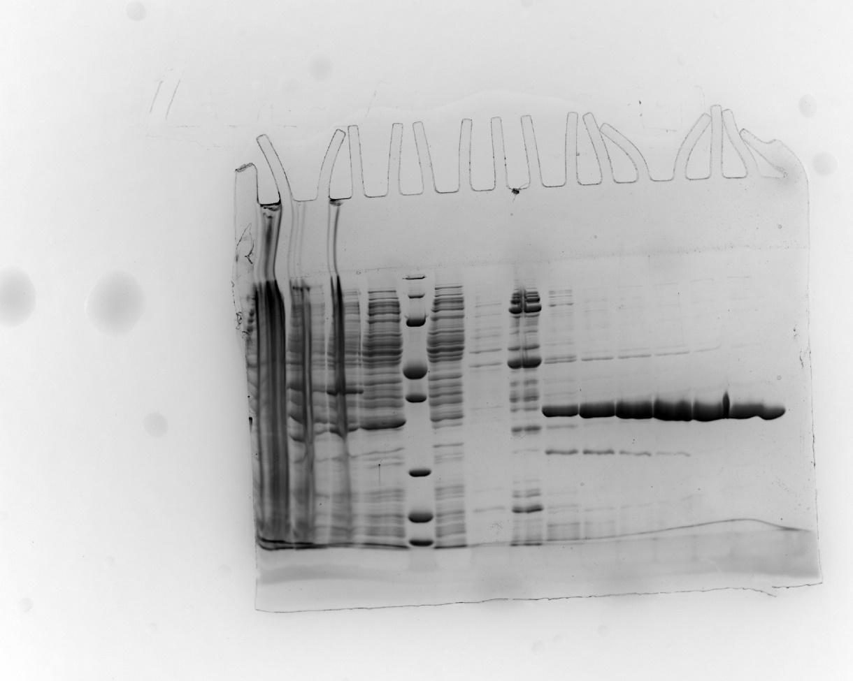

Figure S6 Uncropped Gel
