symptom frequency
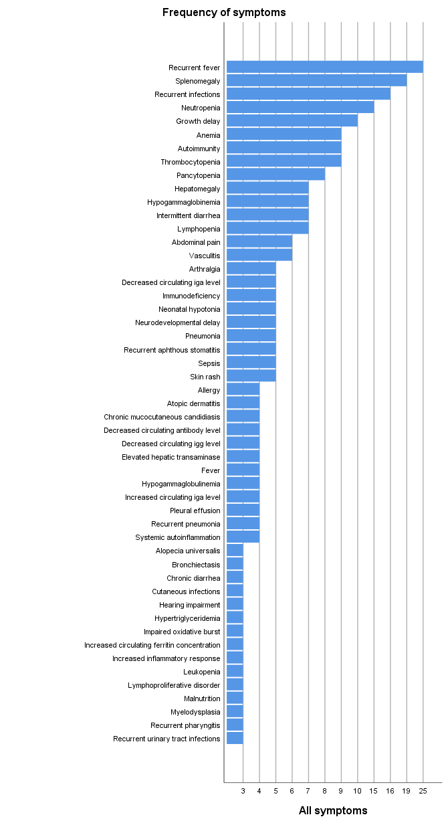
 | Positive | Negative | All symptoms
Recurrent fever | 15 | 10 | 25
Splenomegaly | 11 | 8 | 19
Recurrent infections | 9 | 7 | 16
Neutropenia | 7 | 8 | 15
Growth delay | 4 | 6 | 10
Anemia | 3 | 6 | 9
Autoimmunity | 5 | 4 | 9
Thrombocytopenia | 6 | 3 | 9
Pancytopenia | 6 | 2 | 8
Hepatomegaly | 5 | 2 | 7
Hypogammaglobinemia | 5 | 2 | 7
Intermittent diarrhea | 3 | 4 | 7
Lymphopenia | 6 | 1 | 7
Abdominal pain | 4 | 2 | 6
Vasculitis | 4 | 2 | 6
Arthralgia | 4 | 1 | 5
Decreased circulating iga level | 3 | 2 | 5
Immunodeficiency | 5 | 0 | 5
Neonatal hypotonia | 1 | 4 | 5
Neurodevelopmental delay | 2 | 3 | 5
Pneumonia | 3 | 2 | 5
Recurrent aphthous stomatitis | 4 | 1 | 5
Sepsis | 5 | 0 | 5
Skin rash | 3 | 2 | 5
Allergy | 2 | 2 | 4
Atopic dermatitis | 2 | 2 | 4
Chronic mucocutaneous candidiasis | 1 | 3 | 4
Decreased circulating antibody level | 4 | 0 | 4
Decreased circulating igg level | 2 | 2 | 4
Elevated hepatic transaminase | 3 | 1 | 4
Fever | 3 | 1 | 4
Hypogammaglobulinemia | 1 | 3 | 4
Increased circulating iga level | 0 | 4 | 4
Pleural effusion | 2 | 2 | 4
Recurrent pneumonia | 3 | 1 | 4
Systemic autoinflammation | 3 | 1 | 4
Alopecia universalis | 3 | 0 | 3
Bronchiectasis | 2 | 1 | 3
Chronic diarrhea | 2 | 1 | 3
Cutaneous infections | 1 | 2 | 3
Hearing impairment | 1 | 2 | 3
Hypertriglyceridemia | 2 | 1 | 3
Impaired oxidative burst | 0 | 3 | 3
Increased circulating ferritin concentration | 2 | 1 | 3
Increased inflammatory response | 3 | 0 | 3
Leukopenia | 3 | 0 | 3
Lymphoproliferative disorder | 1 | 2 | 3
Malnutrition | 2 | 1 | 3
Myelodysplasia | 2 | 1 | 3
Recurrent pharyngitis | 2 | 1 | 3
Recurrent urinary tract infections | 1 | 2 | 3
Albinism | 0 | 2 | 2
Ataxia | 0 | 2 | 2
Autoimmune thrombocytopenia | 1 | 1 | 2
B lymphopenia | 0 | 2 | 2
Bcgitis | 1 | 1 | 2
Cataract | 0 | 2 | 2
Chronic hepatitis | 0 | 2 | 2
Cutaneous necrosis | 2 | 0 | 2
Decreased circulating total igm | 2 | 0 | 2
Diabetes mellitus | 0 | 2 | 2
Facial dysmorphism | 0 | 2 | 2
Gingival bleeding | 0 | 2 | 2
Glomerulonephritis | 2 | 0 | 2
Hemophagocytosis | 2 | 0 | 2
Hypergammaglobulinemia | 1 | 1 | 2
Hypertrophic cardiomyopathy | 0 | 2 | 2
Hypofibrinogenemia | 1 | 1 | 2
Increased circulating ige level | 2 | 0 | 2
Increased circulating igm level | 0 | 2 | 2
Increased circulating specific ige antibody | 2 | 0 | 2
Liver abscess | 0 | 2 | 2
Malabsorption | 1 | 1 | 2
Myalgia | 2 | 0 | 2
Nausea and vomiting | 0 | 2 | 2
Omphalitis | 1 | 1 | 2
Pericarditis | 1 | 1 | 2
Persistent fever | 2 | 0 | 2
Psoriasiform dermatitis | 2 | 0 | 2
Recurrent lower respiratory tract infections | 1 | 1 | 2
Respiratory insufficiency | 0 | 2 | 2
Strabismus | 0 | 2 | 2
Thyroiditis | 2 | 0 | 2
Vertigo | 1 | 1 | 2
Warts | 1 | 1 | 2
Abnormal facial shape | 0 | 1 | 1
Abnormal neutrophil count | 1 | 0 | 1
Abnormal optic nerve morphology | 0 | 1 | 1
Abnormality of calcium-phosphate metabolism | 0 | 1 | 1
Abnormality of speech | 0 | 1 | 1
Abnormality of the dentition | 0 | 1 | 1
Abnormality of the protein c anticoagulant pathway | 1 | 0 | 1
Absence of memory b cells | 1 | 0 | 1
Acute kidney injury | 1 | 0 | 1
Acute lymphoblastic leukemia | 1 | 0 | 1
Acute myeloid leukemia | 0 | 1 | 1
Adenopathy | 1 | 0 | 1
Agammaglobulinemia | 0 | 1 | 1
Agranulocytosis | 1 | 0 | 1
Airway hyperresponsiveness | 0 | 1 | 1
Areflexia | 0 | 1 | 1
Arthritis | 0 | 1 | 1
Ascites | 1 | 0 | 1
Asthma | 0 | 1 | 1
Astrocytoma | 0 | 1 | 1
Atrial septal defect | 1 | 0 | 1
Autoimmune cytopenias | 0 | 1 | 1
Autoimmune hemolytic anemia | 1 | 0 | 1
Autoimmune hepatitis | 1 | 0 | 1
Autoimmune hypoparathyroidism | 1 | 0 | 1
Autoimmune hypothyroidism | 1 | 0 | 1
Autoimmune pneumonitis | 0 | 1 | 1
Bone marrow hypocellularity | 1 | 0 | 1
Bone pain | 1 | 0 | 1
Bowel irritability | 0 | 1 | 1
Branchial fistula | 0 | 1 | 1
Cavernous hemangioma | 1 | 0 | 1
Chronic idiopathic skin rash | 1 | 0 | 1
Cns demyelination | 0 | 1 | 1
Coagulation disorders | 1 | 0 | 1
Conjunctivitis | 1 | 0 | 1
Cutaneous abscess | 1 | 0 | 1
Cyclic neutropenia | 1 | 0 | 1
Decreased body weight | 1 | 0 | 1
Decreased circulating c1-esterase inhibitor concentration | 0 | 1 | 1
Decreased proportion of cd3-positive t cells | 1 | 0 | 1
Decreased proportion of class-switched memory b cells | 0 | 1 | 1
Decreased proportion of memory b cells | 1 | 0 | 1
Decreased proportion of transitional b cells | 1 | 0 | 1
Diarrhea | 1 | 0 | 1
Distinctive facies | 1 | 0 | 1
Dysarthria | 0 | 1 | 1
Dysfibrinogenemia | 1 | 0 | 1
Eczema | 0 | 1 | 1
Elevated circulating alpha-fetoprotein concentration | 0 | 1 | 1
Elevated serum of vitamin b12 | 0 | 1 | 1
Encephalopathy | 1 | 0 | 1
Enlargement of parotid gland | 0 | 1 | 1
Episodic abdominal pain | 1 | 0 | 1
Erythroblastopenia | 1 | 0 | 1
Exocrine pancreatic insufficiency | 0 | 1 | 1
Febrile seizure | 1 | 0 | 1
Folliculitis | 1 | 0 | 1
Food allergy | 1 | 0 | 1
Functional motor deficit | 0 | 1 | 1
Gait ataxia | 0 | 1 | 1
Gastritis | 1 | 0 | 1
Gastroesophageal reflux | 1 | 0 | 1
Gastrointestinal hemorrhage | 1 | 0 | 1
Gastrointestinal ulcer | 1 | 0 | 1
Granuloma | 1 | 0 | 1
Ground-glass opacification | 0 | 1 | 1
Helicobacter pylori infection | 1 | 0 | 1
Hematuria | 1 | 0 | 1
Hemolytic anemia | 1 | 0 | 1
Hepatosplenomegaly | 1 | 0 | 1
High myopia | 0 | 1 | 1
Hydrocephalus | 1 | 0 | 1
Hypercoagulability | 1 | 0 | 1
Hypermelanotic macule | 1 | 0 | 1
Hypo pigmented skin patches | 0 | 1 | 1
Hypohidrosis | 0 | 1 | 1
Hypoparathyroidism | 0 | 1 | 1
Hypopigmentation of hair | 0 | 1 | 1
Hypopigmented macule | 1 | 0 | 1
Ichthyosis | 1 | 0 | 1
Ileus | 0 | 1 | 1
Immunoglobulin deficiency | 1 | 0 | 1
Increased circulating igg level | 1 | 0 | 1
Inflammation of the large intestine | 1 | 0 | 1
Inflammatory bowel disease | 0 | 1 | 1
Intermittent thrombocytopenia | 1 | 0 | 1
Intestinal inflammation | 1 | 0 | 1
Intestinal ischemia | 0 | 1 | 1
Intestinal malrotation | 0 | 1 | 1
Intrauterine growth retardation | 1 | 0 | 1
Joint hypermobility | 0 | 1 | 1
Lactic acidosis | 0 | 1 | 1
Leucocytosis | 0 | 1 | 1
Leukocytosis | 1 | 0 | 1
Lung abscess | 1 | 0 | 1
Lymph node abscess | 0 | 1 | 1
Lymphadenitis | 1 | 0 | 1
Mastoiditis | 1 | 0 | 1
Meconium ileus | 0 | 1 | 1
Meningitis | 1 | 0 | 1
Microangiopathic hemolytic anemia | 1 | 0 | 1
Microcolon | 0 | 1 | 1
Mielodysplasia | 0 | 1 | 1
Multiple cafe-au-lait spots | 0 | 1 | 1
Nail dystrophy | 1 | 0 | 1
Neonatal seizure | 0 | 1 | 1
Nephrolithiasis | 1 | 0 | 1
Nephropathy | 1 | 0 | 1
Non-necrotizing granuloma | 1 | 0 | 1
Nystagmus | 0 | 1 | 1
Oedema | 0 | 1 | 1
Pancreatitis | 0 | 1 | 1
Parotitis | 1 | 0 | 1
Paroxysmal supraventricular tachycardia | 0 | 1 | 1
Pectus excavatum | 0 | 1 | 1
Pectus excavatum of inferior sternum | 1 | 0 | 1
Perianal abscess | 1 | 0 | 1
Perinuclear antineutrophil antibody positivity | 1 | 0 | 1
Pneumothorax | 1 | 0 | 1
Pontocerebellar atrophy | 0 | 1 | 1
Poor appetite | 0 | 1 | 1
Premature birth | 1 | 0 | 1
Productive cough | 0 | 1 | 1
Proteinuria | 1 | 0 | 1
Pulmonary fibrosis | 1 | 0 | 1
Pulmonary nodule | 0 | 1 | 1
Pustular rash | 1 | 0 | 1
Rectal prolapse | 0 | 1 | 1
Recurrent abscess formation | 0 | 1 | 1
Recurrent bacterial meningitis | 1 | 0 | 1
Recurrent bronchopulmonary infections | 0 | 1 | 1
Recurrent cutaneous abscess formation | 1 | 0 | 1
Recurrent fungal infections | 0 | 1 | 1
Recurrent herpes | 1 | 0 | 1
Recurrent nodous erythema | 0 | 1 | 1
Recurrent respiratory infections | 1 | 0 | 1
Recurrent sinusitis | 1 | 0 | 1
Recurrent staphylococcus aureus infections | 1 | 0 | 1
Reduced antithrombin iii activity | 0 | 1 | 1
Reduced natural killer cell activity | 0 | 1 | 1
Reduced natural killer cell count | 0 | 1 | 1
Reduced tendon reflexes | 0 | 1 | 1
Refractory anemia | 1 | 0 | 1
Respiratory infections | 1 | 0 | 1
Rhinorrhea | 0 | 1 | 1
Scaphocephaly | 0 | 1 | 1
Seizure | 1 | 0 | 1
Skeletal muscle atrophy | 0 | 1 | 1
Spastic paraplegia | 0 | 1 | 1
Stage 5 chronic kidney disease | 1 | 0 | 1
Supernumerary spleens | 1 | 0 | 1
Systemic lupus erythematosus | 1 | 0 | 1
Tachycardia | 0 | 1 | 1
Talipes valgus | 0 | 1 | 1
Telangiectasia | 0 | 1 | 1
Unilateral renal agenesis | 1 | 0 | 1
Unusual fungal infection | 0 | 1 | 1
Uveitis | 1 | 0 | 1
Vesicoureteral reflux | 1 | 0 | 1
Weight loss | 0 | 1 | 1

